Figure S7A
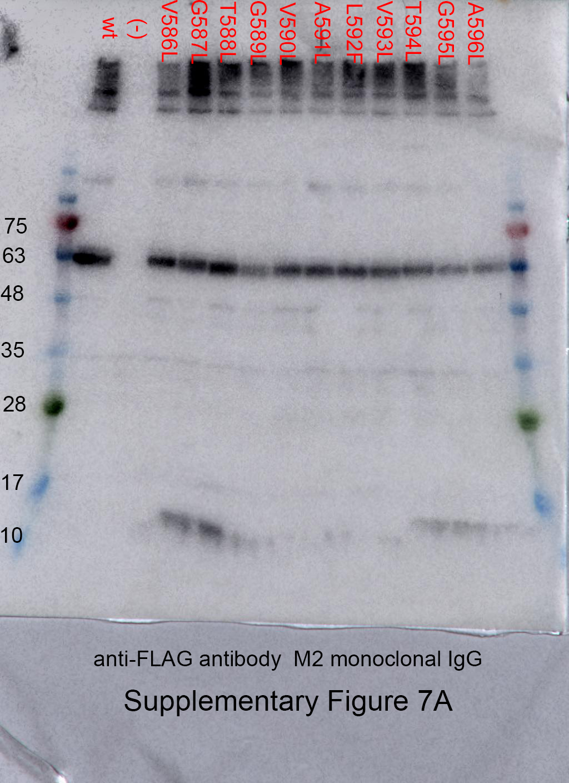
Figure S7A | anti-FLAG

