supplementary figure 7 a
coomassie stained gel
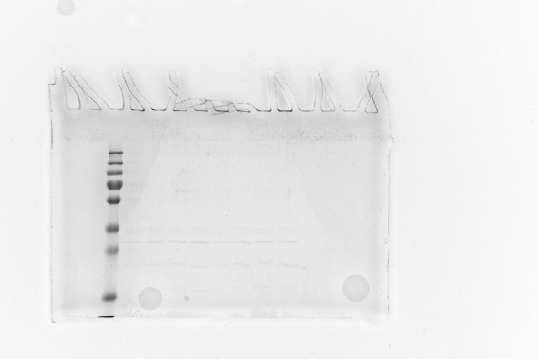

 | Lane 1 | xx
 | Lane 2 | xx
 | Lane 3 | PageRuler™ Plus Prestained Protein Ladder, 10 to 250 kDa, thermo fisher, 26619. Molecular Weight: 250, 130, 100, 70, 55, 35, 25, 15, 10 kDa
 | Lane 4 | xx
 | Lane 5 | xx
 | Lane 6 | ADP
 | Lane 7 | xx
 | Lane 8 | xx
 | Lane 9 | DO
 | Lane 10 | PO
 | Lane 11 | EcoliPC
 | Lane 12 | xx
 | Lane 13 | xx
 | Lane 14 | xx
 | Lane 15 | xx

supplementary figure 7 b
coomassie stained gel
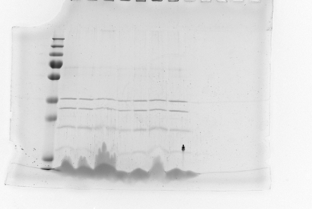

 | Lane 1 | xx
 | Lane 2 | xx
 | Lane 3 | PageRuler™ Plus Prestained Protein Ladder, 10 to 250 kDa, thermo fisher, 26619. Molecular Weight: 250, 130, 100, 70, 55, 35, 25, 15, 10 kDa
 | Lane 4 | PE 54
 | Lane 5 | PE 27
 | Lane 6 | PE 00
 | Lane 7 | xx
 | Lane 8 | xx
 | Lane 9 | EcoliPC
 | Lane 10 | ADP
 | Lane 11 | xx
 | Lane 12 | xx
 | Lane 13 | xx
 | Lane 14 | xx
 | Lane 15 | xx

supplementary figure 7 c
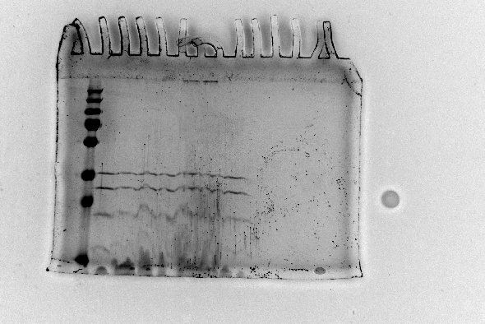
coomassie stained gel

 | Lane 1 | xx
 | Lane 2 | PageRuler™ Plus Prestained Protein Ladder, 10 to 250 kDa, thermo fisher, 26619. Molecular Weight: 250, 130, 100, 70, 55, 35, 25, 15, 10 kDa
 | Lane 3 | PG 00
 | Lane 4 | PG 12.5
 | Lane 5 | PG 25
 | Lane 6 | PG 37.5
 | Lane 7 | xx
 | Lane 8 | EcoliPC
 | Lane 9 | ADP
 | Lane 10 | xx
 | Lane 11 | xx
 | Lane 12 | xx
 | Lane 13 | xx
 | Lane 14 | xx
 | Lane 15 | xx

supplementary figure 8 a
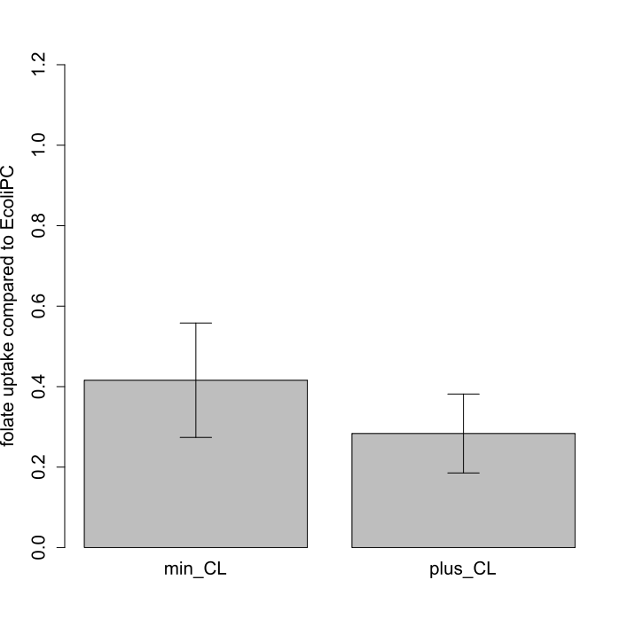
 | sample |  |  |  |  | benchmark
 | activity (pmol substrate / ug protein / minute) |  |  |  |  | activity (pmol substrate / ug protein / minute) |  |  |  |  | ratio (mean of sample / mean of benchmark) | sd of ratio (sqrt((sd(sample)/mean(sample))^2 + (sd(benchmark)/mean(benchmark))^2)
DO_min | 0.08093437 | 0.10013542 | 0.07528048 | 0.04216196 |  | 0.18 | 0.194868 | 0.1510878 | 0.1917793 |  | 0.4159087 | 0.14214043
DO_plus | 0.04028121 | 0.07235726 | 0.03544954 | 0.05540567 |  | 0.18 | 0.194868 | 0.1510878 | 0.1917793 |  | 0.283522 | 0.09802947

 | Welch Two Sample t-test
 | p-value = 0.1623

DO_min | 0 | 289 | 234 | 191 | 300 |  | EcoliPC | 0 | 336 | 286 | 349 | 260
 | 1 | 456 | 781 | 606 | 704 |  |  | 1 | 925 | 1612 | 1147 | 1472
 | 2 | 703 | 998 | 810 | 848 |  |  | 2 | 1399 | 1891 | 1412 | 1839
 | 3 | 859 | 1117 | 917 | 925 |  |  | 3 | 1672 | 2234 | 1801 | 2027
 | 4 | 997 | 1360 | 1042 | 757 |  |  | 4 | 2325 | 2614 | 2036 | 2537
 | total | 4495 | 5169 | 5348 | 5384 |  |  | total | 5250 | 5417 | 5332 | 5328

DO_plus | 0 | 242 | 230 | 237 | 237 |  | EcoliPC | 0 | 336 | 286 | 349 | 260
 | 1 | 408 | 583 | 482 | 595 |  |  | 1 | 925 | 1612 | 1147 | 1472
 | 2 | 493 | 689 | 559 | 628 |  |  | 2 | 1399 | 1891 | 1412 | 1839
 | 3 | 550 | 863 | 644 | 802 |  |  | 3 | 1672 | 2234 | 1801 | 2027
 | 4 | 701 | 1050 | 639 | 842 |  |  | 4 | 2325 | 2614 | 2036 | 2537
 | total | 5263 | 5307 | 5450 | 5115 |  |  | total | 5250 | 5417 | 5332 | 5328

