Fig. 7b
Aβ42
+Compound 12
+Compound 13
2018.9.19, 9.25 Murakami

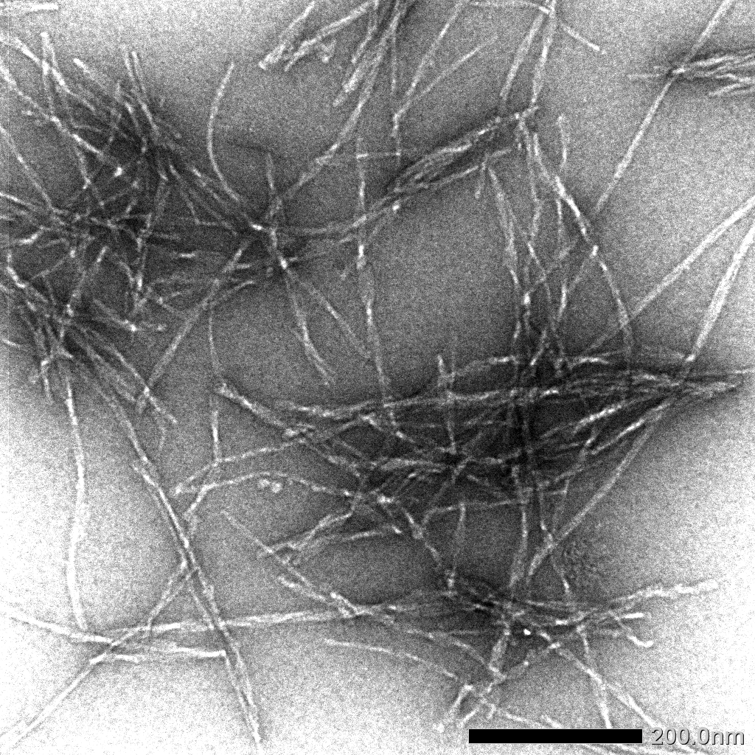
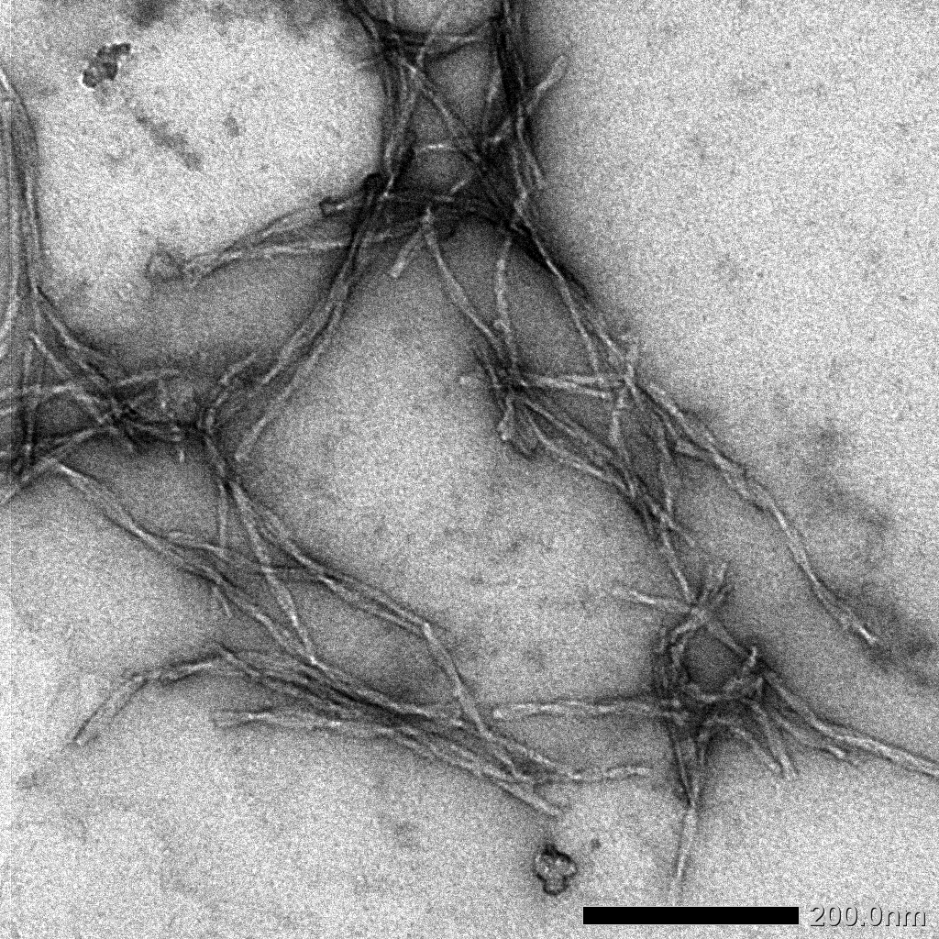
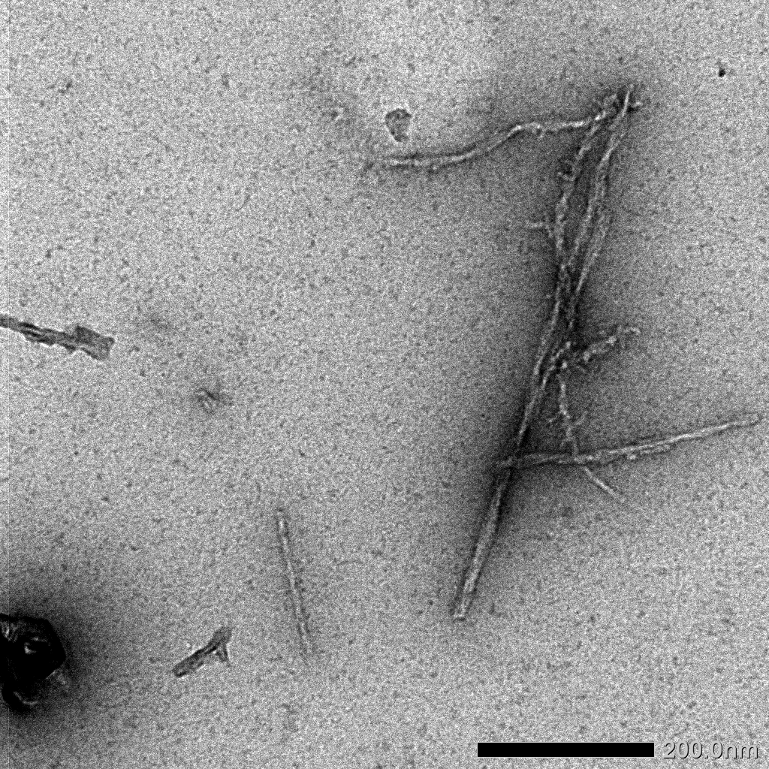

x30k

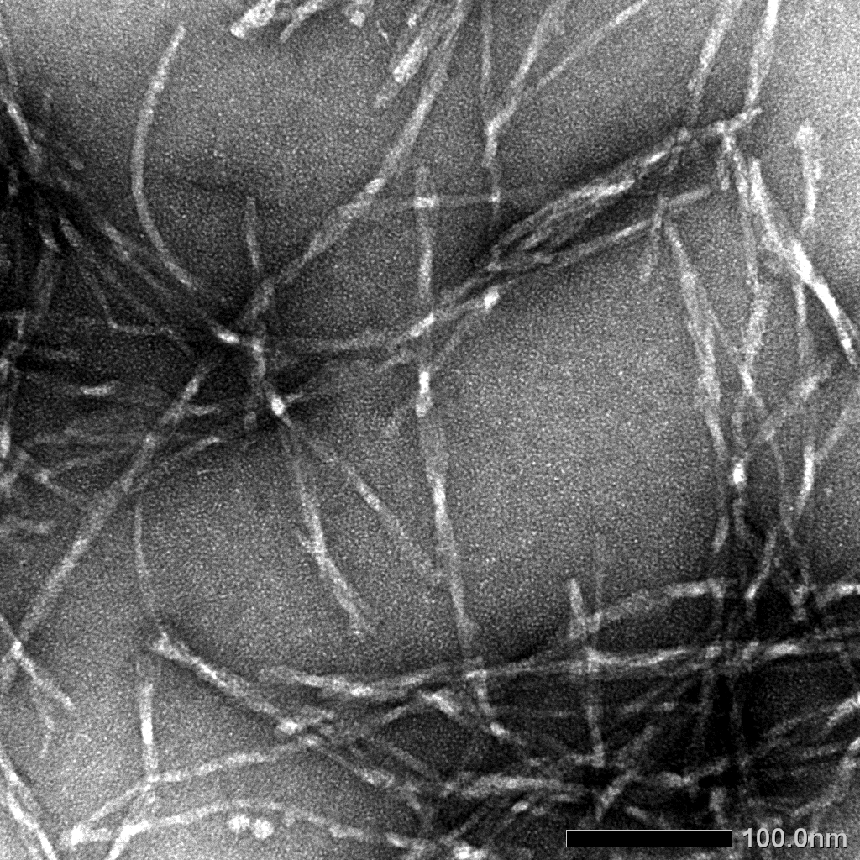
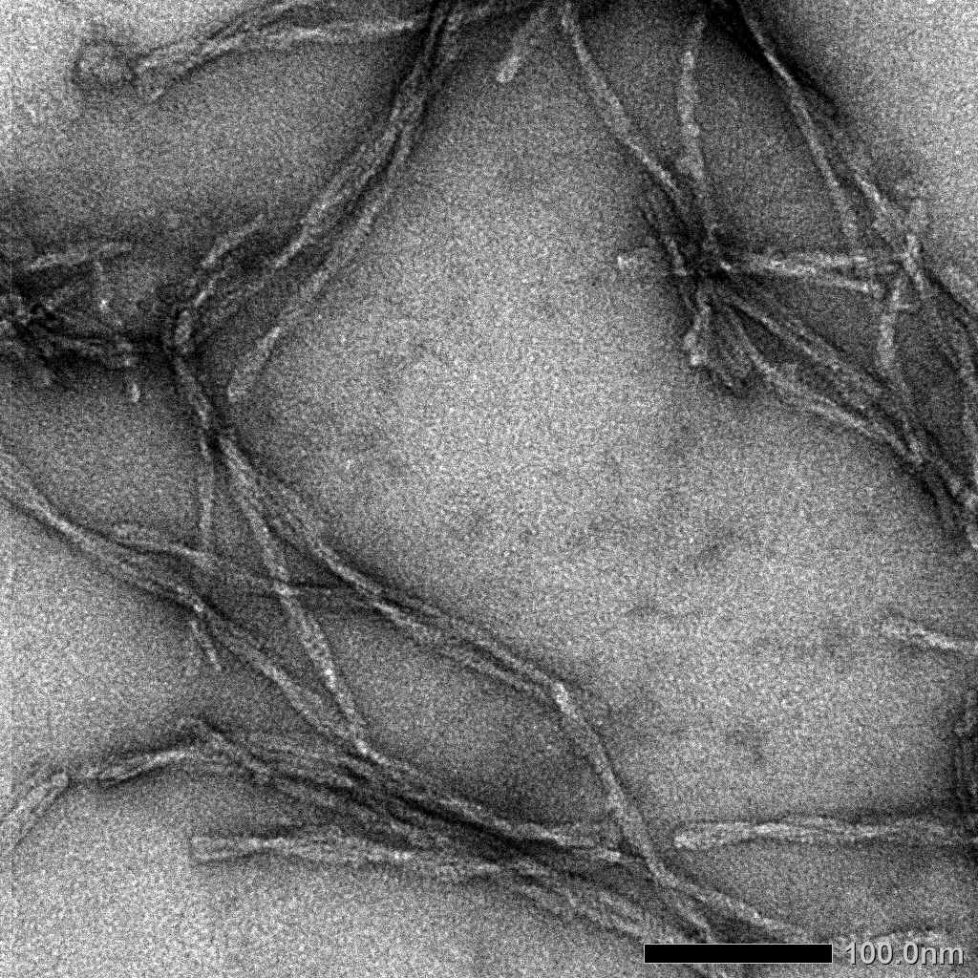
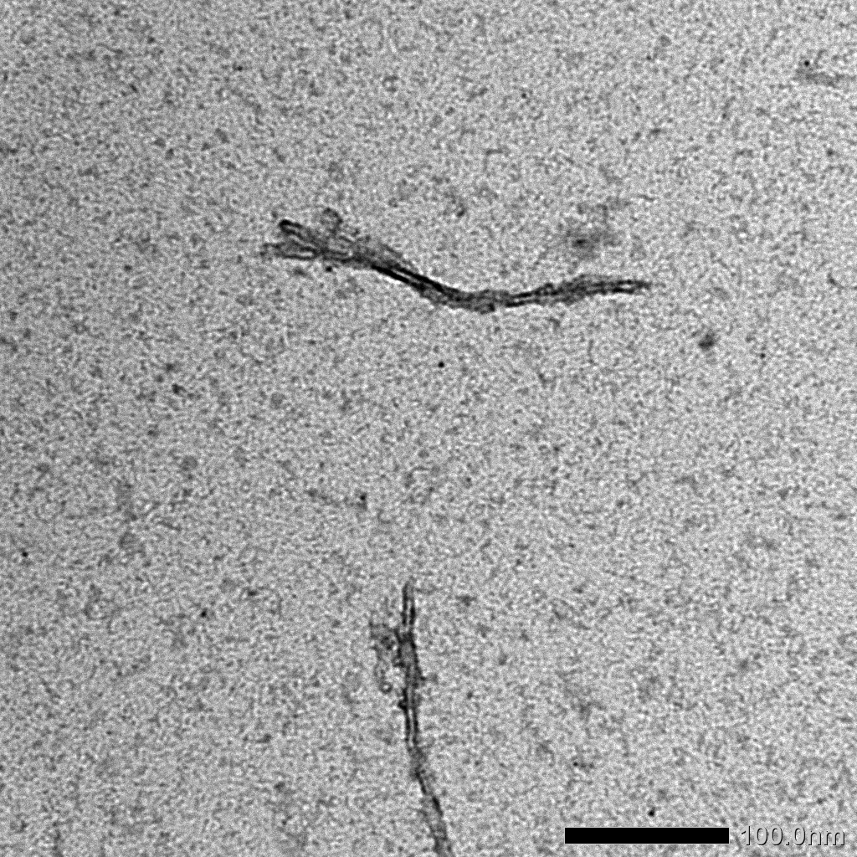

x50k

+Compound 14
+Compound 21
+Compound 20

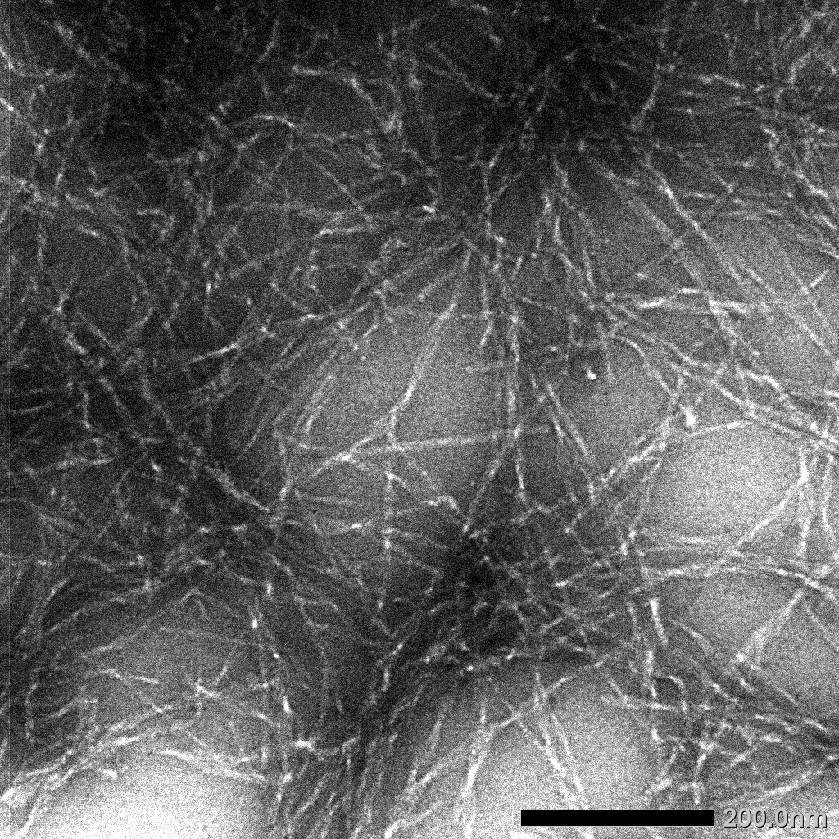
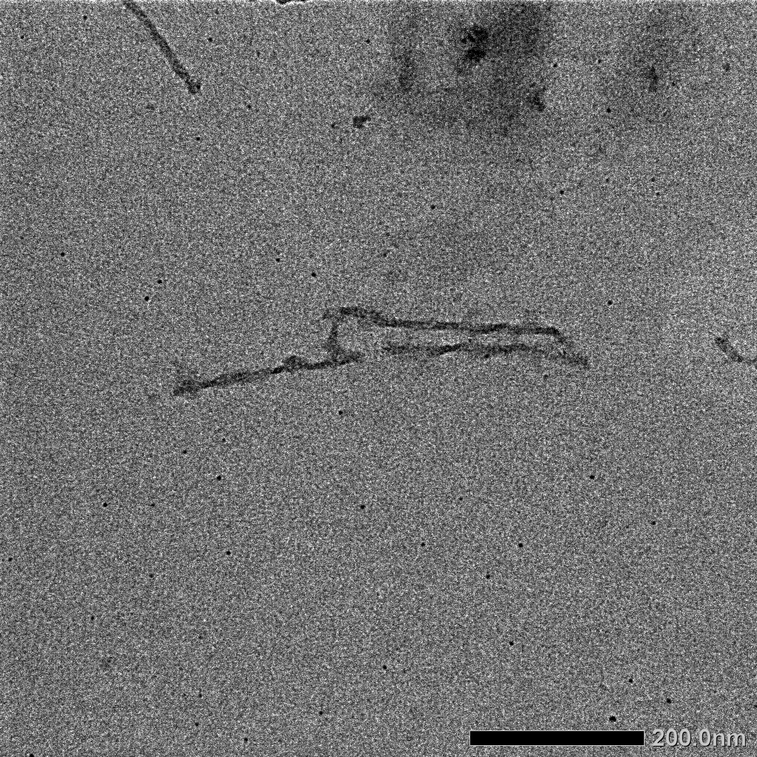
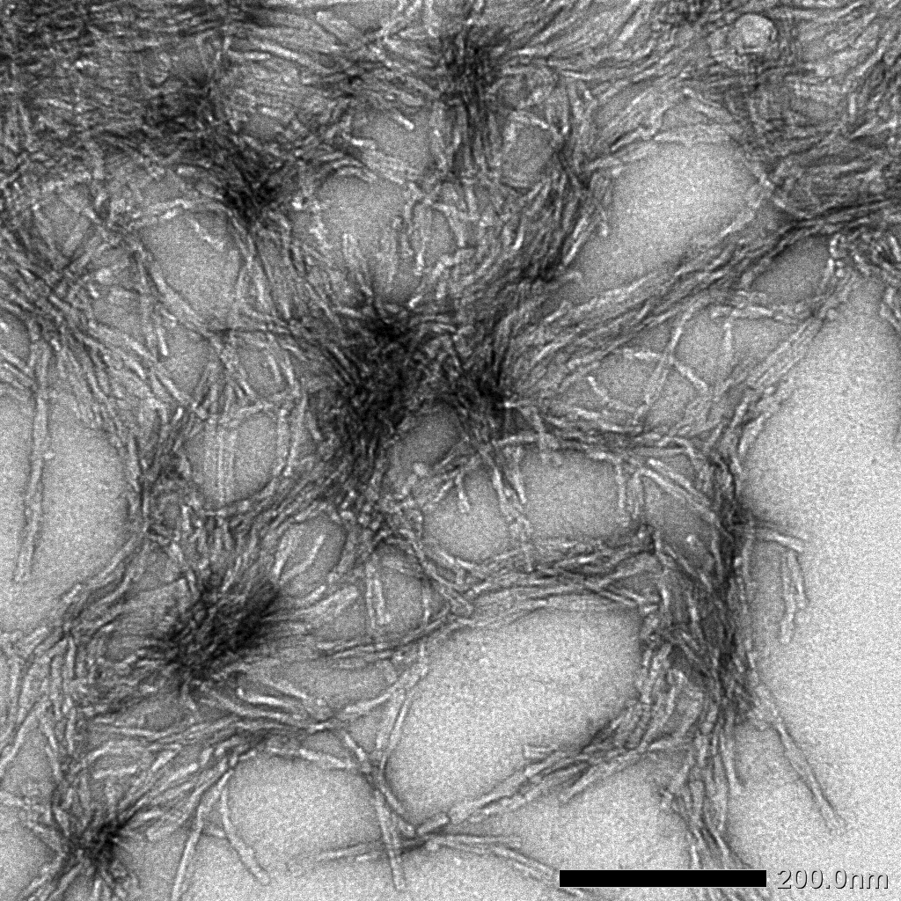

x30k

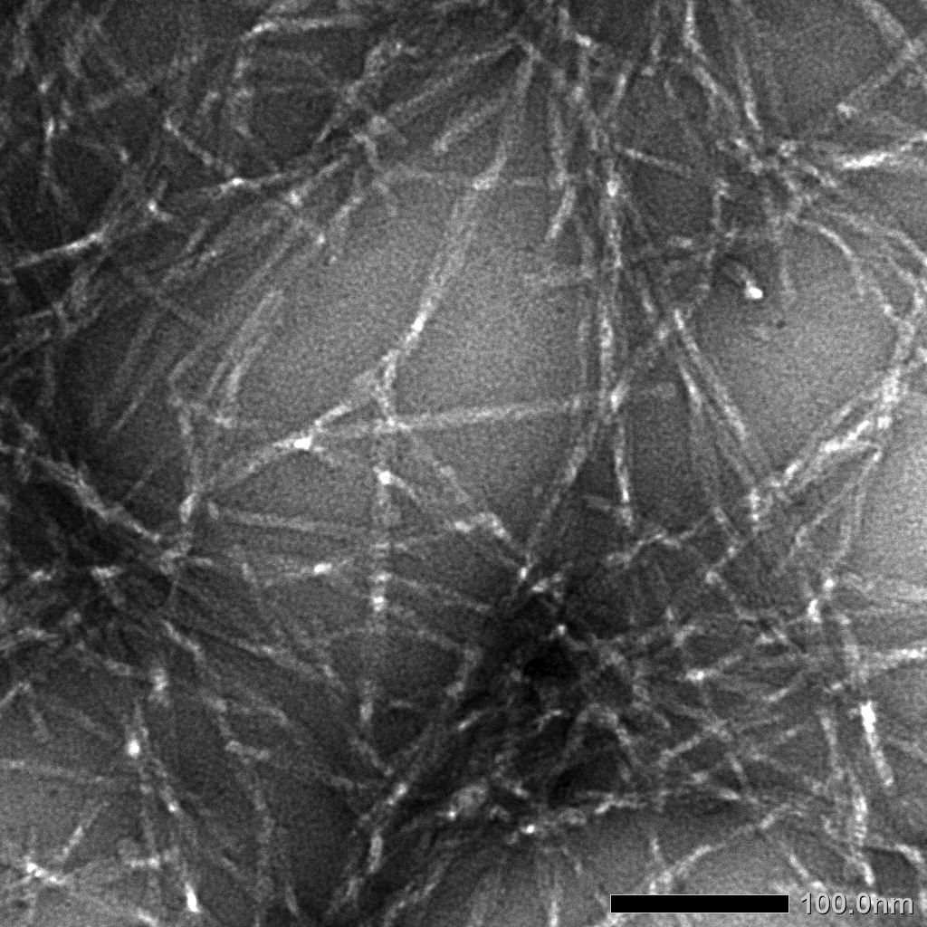
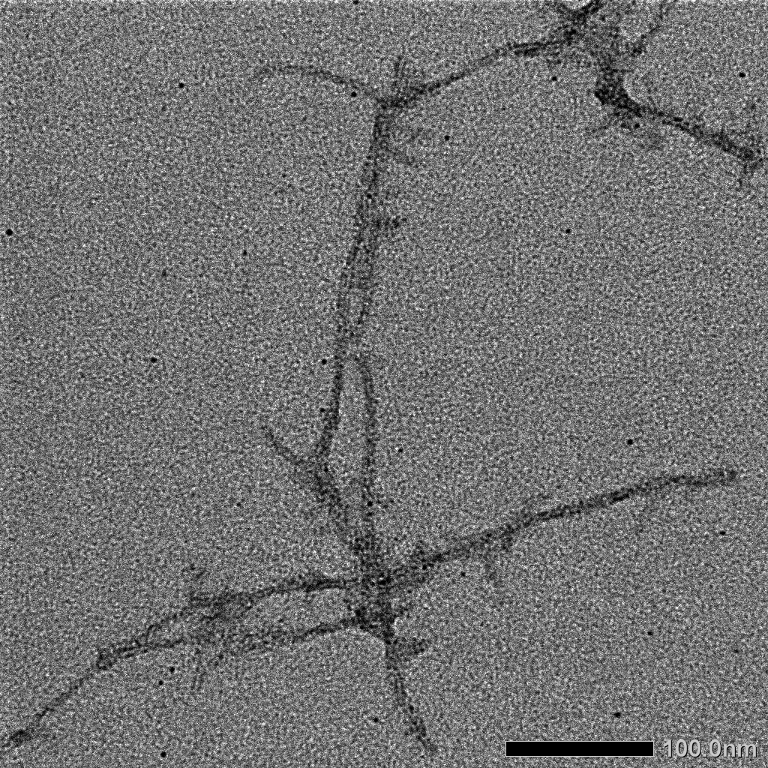
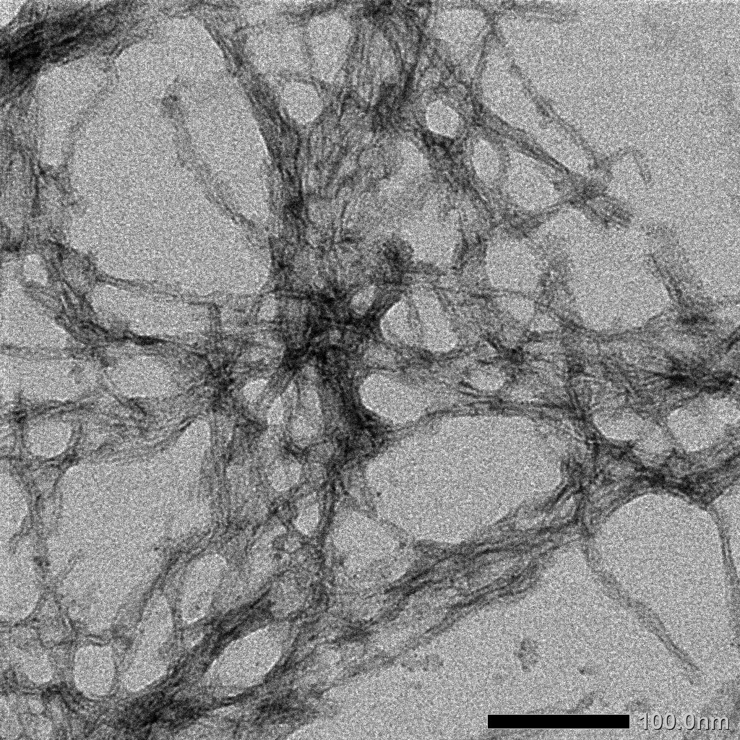

Aβ42 : 25 μM
DPs : 50 μM
24 h, 37℃
x50k

Supplementary Table 23 mbn
Luminescence |  |  |  |  |  |  |  |  |  |  |  |  |  |  | % viability

% Viability of att-luc-l(2)mbn cells
Compound | 0.04 µM |  | 0.2 µM |  | 1 µM |  | 4 µM |  | 10 µM |  | 20 µM |  |  | Compound | 0.04 µM |  | 0.2 µM |  | 1 µM |  | 4 µM |  | 10 µM |  | 20 µM
 | Raw1 | Raw2 | Raw1 | Raw2 | Raw1 | Raw2 | Raw1 | Raw2 | Raw1 | Raw2 | Raw1 | Raw2 |  |  | viability 1 | viability 2 | viability 1 | viability 2 | viability 1 | viability 2 | viability 1 | viability 2 | viability 1 | viability 2 | viability 1 | viability 2
DMSO 1% |  |  |  |  | 2528584 | 2604329 |  |  |  |  |  |  |  | DMSO 1% |  |  |  |  | 2566456.5
23 | 3121216 | 3467512 | 3228350 | 3607479 | 1147296 | 1863873 | 228513 | 234642 | 179837 | 176952 | 177313 | 164332 |  | 23 | 121.61577646 | 135.10893327 | 125.79017022 | 140.56263958 | 44.703504618 | 72.624375282 | 8.9038329697 | 9.1426447321 | 7.0072101358 | 6.8947983338 | 6.9088644207 | 6.4030697579
24 | 3470038 | 2834452 | 3507915 | 3346307 | 3332960 | 3138530 | 267094 | 217335 | 164693 | 160006 | 170462 | 154958 |  | 24 | 135.20735691 | 110.44223816 | 136.68320503 | 130.38627384 | 129.86621827 | 122.29040313 | 10.407111907 | 8.4682908126 | 6.4171358447 | 6.2345105012 | 6.6419204845 | 6.0378190708
25 | 3193720 | 3243139 | 3343782 | 3450197 | 3097409 | 3603150 | 3528838 | 3786770 | 3209953 | 3480138 | 2234271 | 2495041 |  | 25 | 124.44083895 | 126.36641221 | 130.28788916 | 134.43426764 | 120.68815505 | 140.39396343 | 137.49845361 | 147.54857524 | 125.07334529 | 135.60089563 | 87.05664795 | 97.21735007
7 | 3452362 | 3328631 | 3304462 | 3461380 | 3578980 | 3388873 | 3312398 | 3370476 | 3097048 | 2956371 | 1044161 | 1013149 |  | 7 | 134.51862519 | 129.69754212 | 128.75581565 | 134.87000462 | 139.452198 | 132.04482523 | 129.06503578 | 131.3280003 | 120.67408896 | 115.19271805 | 40.684928811 | 39.476570127
5 | 3571044 | 3503586 | 510842 | 436923 | 230676 | 218056 | 213369 | 193177 | 210485 | 206518 | 196783 | 198586 |  | 5 | 139.14297788 | 136.51452888 | 19.904564913 | 17.024368034 | 8.9881125981 | 8.4963840221 | 8.3137586786 | 7.526992957 | 8.2013858407 | 8.0468147424 | 7.6674979685 | 7.7377504742
6 | 3229071 | 3538217 | 3288590 | 2991720 | 424303 | 530313 | 220220 | 206879 | 225268 | 189211 | 213009 | 187048 |  | 6 | 125.81826343 | 137.86389912 | 128.1373754 | 116.5700646 | 16.532639458 | 20.663237425 | 8.5807026147 | 8.0608808293 | 8.7773940451 | 7.3724608229 | 8.2997315559 | 7.2881811946
10 | 2899849 | 3256235 | 2762422 | 3200684 | 521407 | 1075282 | 189680 | 232227 | 176340 | 201579 | 149658 | 165883 |  | 10 | 112.99038187 | 126.87668776 | 107.63564471 | 124.71218585 | 20.316221997 | 41.897534597 | 7.3907350466 | 9.048546118 | 6.8709522254 | 7.8543704131 | 5.8313086546 | 6.4635032778
12 | 3578369 | 3458604 | 4007302 | 3578369 | 2865222 | 3493234 | 415037 | 331384 | 181387 | 175618 | 189320 | 161917 |  | 12 | 139.42839086 | 134.76183991 | 156.1414347 | 139.42839086 | 111.6411675 | 136.11117118 | 16.171596908 | 12.91212222 | 7.0676046915 | 6.8428200517 | 7.3767079239 | 6.3089711437
13 | 3699578 | 3900517 | 4107234 | 3571875 | 4025701 | 3137197 | 2332844 | 2029883 | 535109 | 623453 | 280543 | 241241 |  | 13 | 144.15120615 | 151.98063945 | 160.03520808 | 139.17535715 | 156.85833756 | 122.23846381 | 90.897468942 | 79.092827017 | 20.850109869 | 24.292365758 | 10.931141829 | 9.3997696824
14 | 3506221 | 2917163 | 3483495 | 3765235 | 3358321 | 3748640 | 473811 | 410710 | 260351 | 232227 | 192204 | 176340 |  | 14 | 136.61719963 | 113.66500854 | 135.73169855 | 146.70948056 | 130.85439009 | 146.06286917 | 18.461680531 | 16.002998687 | 10.144376108 | 9.048546118 | 7.4890807617 | 6.8709522254
19 | 3944169 | 2684872 | 3351106 | 3081647 | 3286175 | 3371307 | 3215834 | 2985337 | 2665756 | 3480969 | 2956119 | 3004455 |  | 19 | 153.681506 | 104.61396872 | 130.57326317 | 120.07400086 | 128.04327679 | 131.36037957 | 125.30249392 | 116.32135592 | 103.8691285 | 135.63327491 | 115.18289907 | 117.06627406
18 | 2968023 | 2468099 | 3357960 | 2956480 | 2768193 | 3359403 | 1663102 | 2355206 | 190041 | 205906 | 236915 | 213117 |  | 18 | 115.64672925 | 96.1675758 | 130.840324 | 115.19696515 | 107.86050728 | 130.89654939 | 64.801487966 | 91.768787042 | 7.4048011334 | 8.022968634 | 9.2312104257 | 8.3039396927

% Viability of att-luc-l(2)mbn cells
Compound | 0.04 µM |  | 0.2 µM |  | 1 µM |  | 4 µM |  | 10 µM |  | 20 µM |  |  | Compound | 0.04 µM |  | 0.2 µM |  | 1 µM |  | 4 µM |  | 10 µM |  | 20 µM
 | Raw1 | Raw2 | Raw1 | Raw2 | Raw1 | Raw2 | Raw1 | Raw2 | Raw1 | Raw2 | Raw1 | Raw2 |  |  | viability 1 | viability 2 | viability 1 | viability 2 | viability 1 | viability 2 | viability 1 | viability 2 | viability 1 | viability 2 | viability 1 | viability 2
DMSO 1% |  |  |  |  | 6308466 | 6250003 |  |  |  |  |  |  |  | DMSO 1% |  |  |  |  | 6279234.5
17 | 2242516 | 5241058 | 3856705 | 5991979 | 4822512 | 6091579 | 1969854 | 1392467 | 122097 | 121376 | 118130 | 243967 |  | 17 | 35.713206761 | 83.466511722 | 61.419986783 | 95.425310203 | 76.800954002 | 97.011490811 | 31.370925867 | 22.175744512 | 1.9444567646 | 1.9329744732 | 1.8812802739 | 3.8852984388
20 | 6010744 | 6416731 | 6637959 | 7047592 | 4464964 | 5080853 | 97218 | 136159 | 118130 | 110559 | 87844 | 128947 |  | 20 | 95.724152363 | 102.18970163 | 105.71286994 | 112.2364836 | 71.106820425 | 80.915165694 | 1.5482460481 | 2.1684012597 | 1.8812802739 | 1.7607082519 | 1.3989603351 | 2.0535464952
11 | 4909467 | 3629794 | 5752008 | 4449089 | 2597064 | 1297263 | 133995 | 142288 | 107674 | 99742 | 126784 | 170772 |  | 11 | 78.18575656 | 57.806313811 | 91.603650095 | 70.854002984 | 41.359563813 | 20.659572437 | 2.1339384602 | 2.266008699 | 1.714763161 | 1.5884420306 | 2.0190996211 | 2.7196308722
8 | 5399824 | 5163481 | 5509158 | 5734687 | 5444928 | 5762112 | 4437905 | 5343895 | 177623 | 184474 | 114164 | 158874 |  | 8 | 85.994940944 | 82.231058579 | 87.736140448 | 91.327804369 | 86.713245062 | 91.764561429 | 70.675892101 | 85.1042432 | 2.8287365283 | 2.9378421844 | 1.8181197087 | 2.5301491766
9 | 5700406 | 5730357 | 5787371 | 5991618 | 5334874 | 5292296 | 375575 | 295889 | 141567 | 144091 | 140485 | 188801 |  | 9 | 90.781862025 | 91.258846918 | 92.166823838 | 95.419561095 | 84.960579192 | 84.282502907 | 5.9812227111 | 4.7121826713 | 2.2545264076 | 2.2947223901 | 2.2372950079 | 3.006751858
15 | 5571583 | 5591430 | 6221854 | 5568336 | 6094827 | 5439516 | 5005443 | 4514031 | 362955 | 319326 | 109116 | 229184 |  | 15 | 88.730290293 | 89.046363852 | 99.086186381 | 88.678580168 | 97.063216862 | 86.627056212 | 79.714223127 | 71.888237332 | 5.7802427987 | 5.0854288051 | 1.7377277437 | 3.6498716523
4 | 5839335 | 5201728 | 5720253 | 5444207 | 5427969 | 5886607 | 5612720 | 6637959 | 900951 | 1318179 | 296971 | 325456 |  | 4 | 92.994376942 | 82.840161488 | 91.097935584 | 86.701762771 | 86.44316437 | 93.747207562 | 89.38541792 | 105.71286994 | 14.348102464 | 20.992670365 | 4.7294140711 | 5.1830521698

Compound | 0.2 µM |  | 0.4 µM |  | 0.8 µM |  | 1 µM |  |  |  | Compound | 0.2 µM |  | 0.4 µM |  | 0.8 µM |  | 1 µM
 | Raw1 | Raw2 | Raw1 | Raw2 | Raw1 | Raw2 | Raw1 | Raw2 |  |  |  | viability 1 | viability 2 | viability 1 | viability 2 | viability 1 | viability 2 | viability 1 | viability 2
DMSO 1% |  |  |  |  | 2823631 | 2862226 |  |  |  |  | DMSO 1% |  |  |  |  | 2842928.5
21 | 2757984 | 2750409 | 2719029 | 2813892 | 2929318 | 2922825 | 2523535 | 2183417 |  |  | 21 | 2757984 | 2750409 | 2719029 | 2813892 | 2929318 | 2922825 | 2523535 | 2183417

Compound | IC50 (1) | IC50 (2) | Average | SEM | IC50 (µM)
4 | 5.5 | 7.386 | 6.44 | 0.94 | 6.44±0.94 |  |  |  |  |  |  |  |  |  |  |  |  |  |  | Final Concentration (𝝁M) | Raw 1 | Raw 2 | Modified 1 | Modified 2 | Average | Final | SEM
5 | 0.1939 | 0.18 | 0.19 | 0.01 | 0.19±0.01 |  |  |  |  |  |  |  |  |  |  |  |  |  |  | DMSO | 2528584 | 2604329 |  |  | 2566456.5 | 100 | 0
6 | 0.8599 | 0.8384 | 0.85 | 0.01 | 0.85±0.01 |  |  |  |  |  |  |  |  |  |  |  |  |  |  | 1 | 1579073 | 2586404 | 61.527362728 | 100.77723897 | 81.152300847 | 81.152300847 | 19.62493812
7 |  |  |  |  | >20 |  |  |  |  |  |  |  |  |  |  |  |  |  |  | 4 | 227179 | 234030 | 8.8518546876 | 9.1187986237 | 8.9853266556 | 8.9853266556 | 0.13347196806
8 | 4.835 | 5.437 | 5.14 | 0.30 | 5.14±0.30 |  |  |  |  |  |  |  |  |  |  |  |  |  |  | 10 | 179585 | 256746 | 6.99739115 | 10.00391006 | 8.5006506052 | 8.5006506052 | 1.5032594552
9 | 1.543 | 1.541 | 1.54 | 0.00 | 1.54±0.01 |  |  |  |  |  |  |  |  |  |  |  |  |  |  | 20 | 175258 | 202300 | 6.8287929291 | 7.8824636225 | 7.3556282758 | 7.3556282758 | 0.52683534671
10 | 0.5292 | 0.7341 | 0.63 | 0.10 | 0.63±0.10
11 | 0.681 | 0.259 | 0.47 | 0.21 | 0.47±0.21
12 | 3.129 | 3.452 | 3.29 | 0.16 | 3.29±0.16
13 | 9.437 | 7.474 | 8.46 | 0.98 | 8.46±0.98
14 | 3.603 | 3.879 | 3.74 | 0.14 | 3.74±0.14
15 | 5.417 | 5.038 | 5.23 | 0.19 | 5.23±0.19
17 | 1.347 | 2.216 | 1.78 | 0.43 | 1.78±0.43
18 | 4.915 | 7.087 | 6.00 | 1.09 | 6.00±1.09
19 |  |  |  |  | >20
20 | 1.318 | 1.585 | 1.45 | 0.13 | 1.45±0.13
21 | 2.444 | 2.882 | 2.66 | 0.22 | 2.66±0.22
23 | 1.23 | 1.922 | 1.58 | 0.35 | 1.58±0.35
24 | 3.199 | 2.875 | 3.04 | 0.16 | 3.04±0.16
25 |  |  |  |  | >20

