Figure 1 Blots
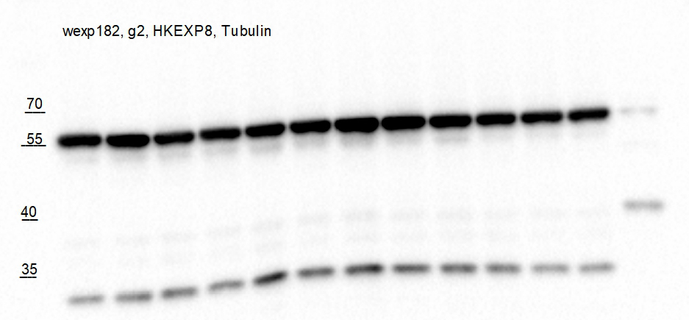
Figure 1B
E-cadherin
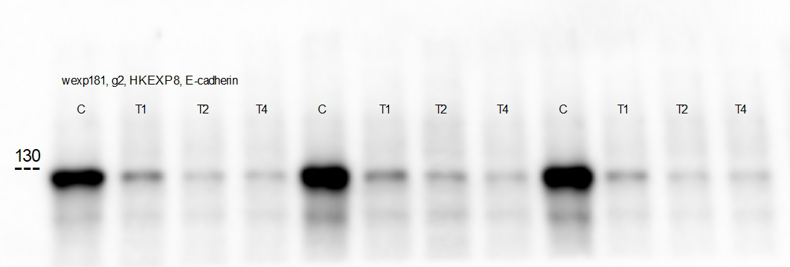

Figure 1B
Tubulin
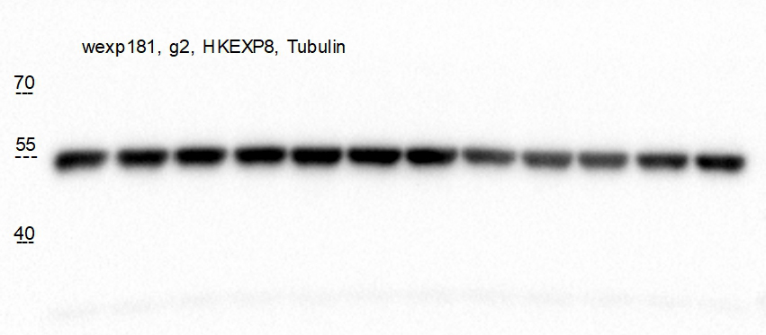

Figure 1B
SNCA
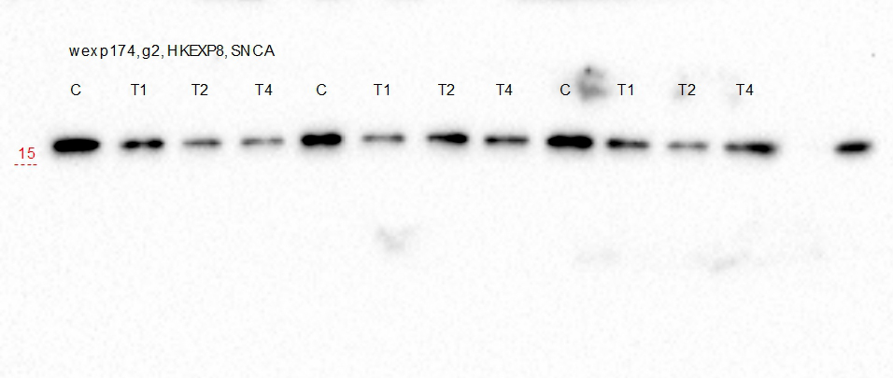

C+

---------------------------------

Figure 1B
Tubulin
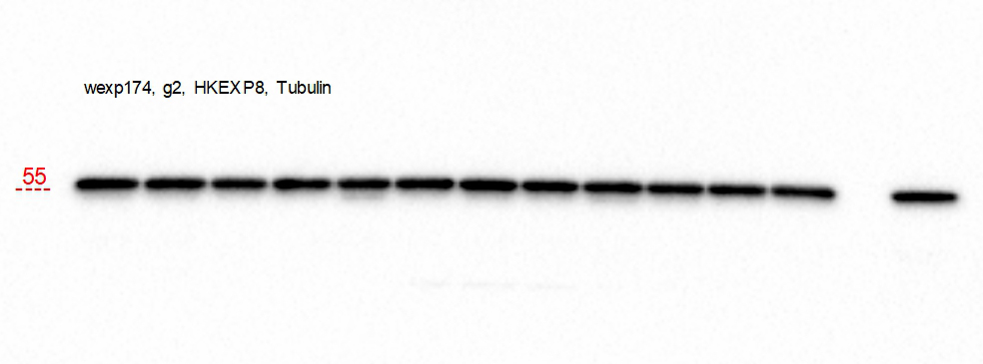

---------------------------------

Figure 1B
Vimentin
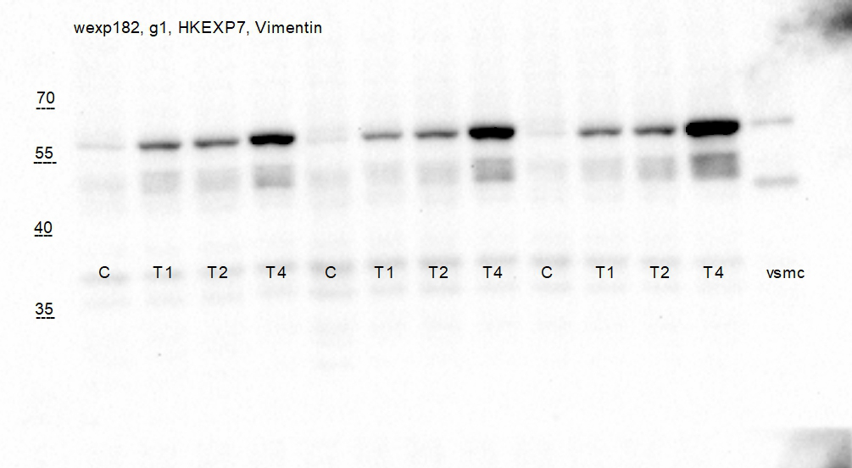

Figure 1B
Tubulin
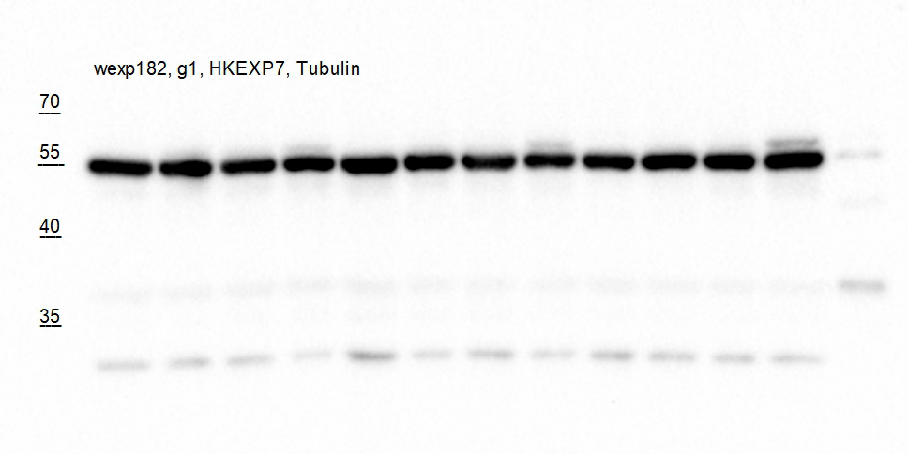

Figure 1B
α-SMA
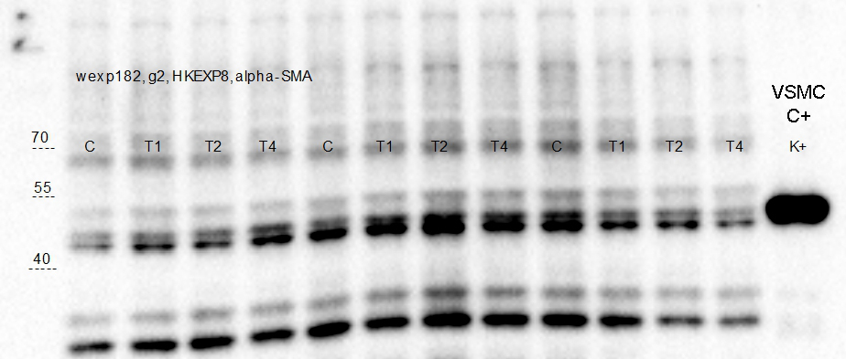

Figure 1B
Tubulin

Figure 2 Blots
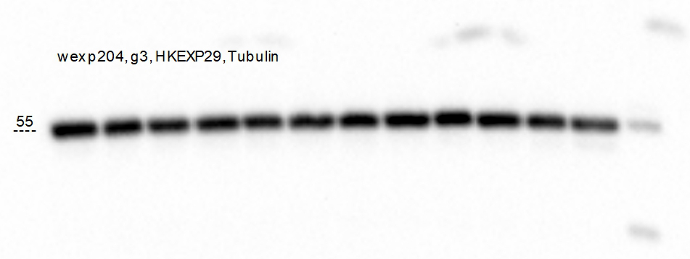
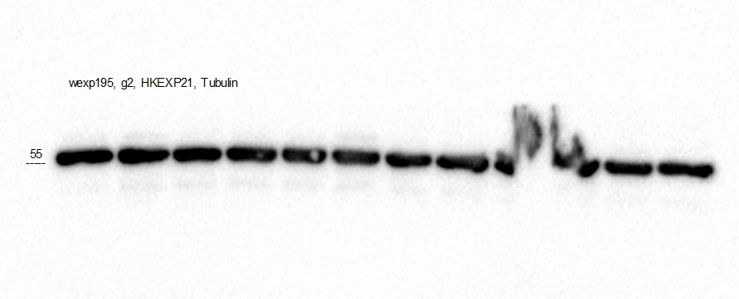
Figure 2A | Figure 2F
SNCA | SNCA
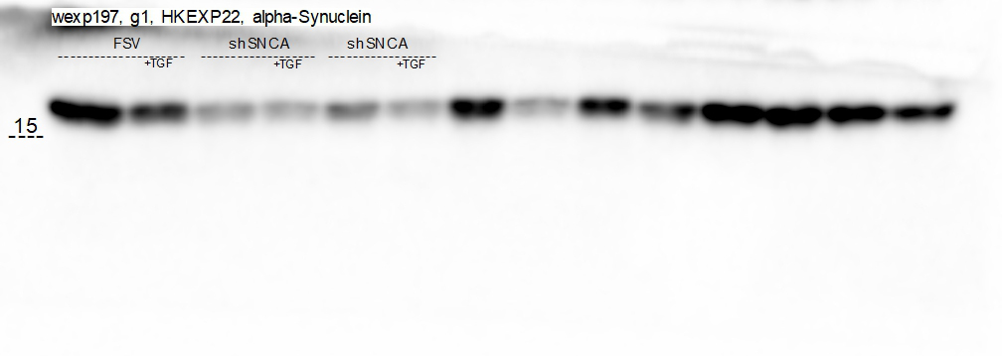

Figure 2A | Figure 2F
Tubulin | Tubulin

Figure 2A | Figure 2F
E-cadherin | E-cadherin
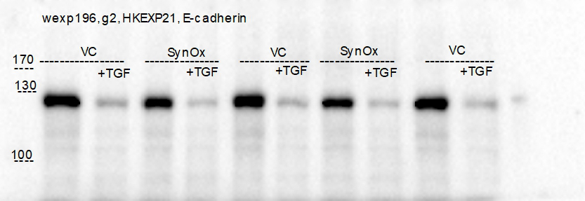

Figure 2A | Figure 2F
Tubulin | Tubulin

Figure 2A | Figure 2F
Vimentin | Vimentin
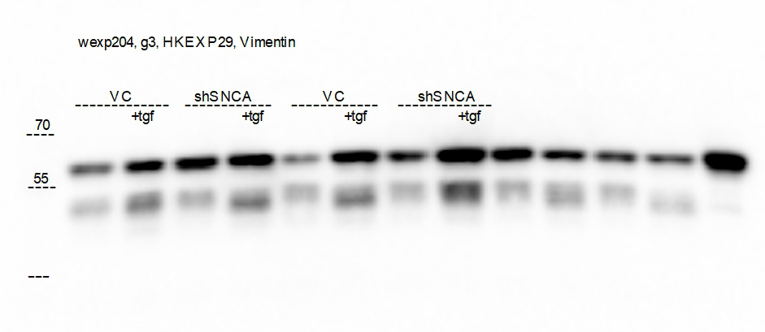
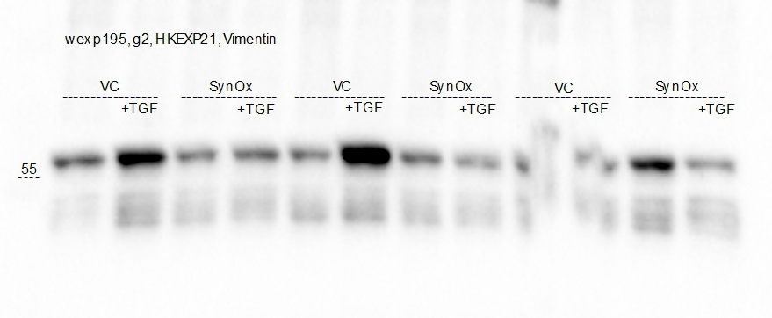

Figure 2A | Figure 2F
Tubulin | Tubulin

Figure 3 Blots
without page ruler prestained (Thermofisher)
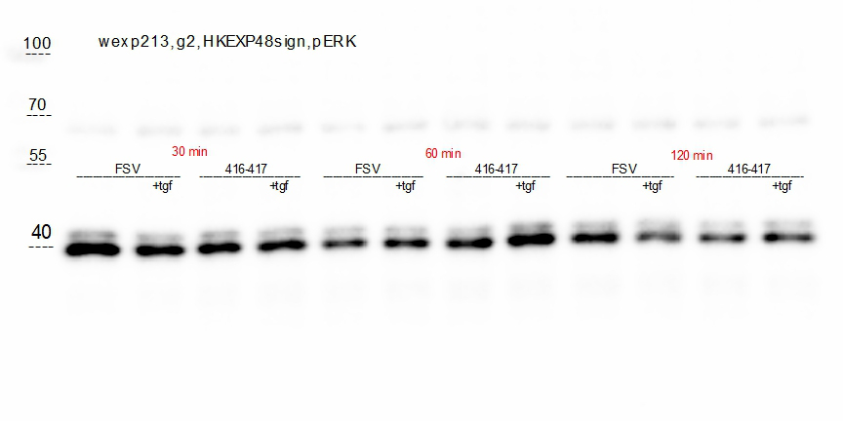
Input: p38-HA
Input: SNCA-flag
merged with page ruler prestained (Thermofisher)
SNCA-flag + + -
+ + - SNCA-flag
Figure 3A |  | Figure 3G
pERK1/2
p38-HA - + +
- + + p38-HA
shSNCA
70
DSP + + +
+ + + DSP
55
40
----------------------------

IP: p38-HA
IP : SNCA-flag
+ + - SNCA-flag
+ + - SNCA-flag
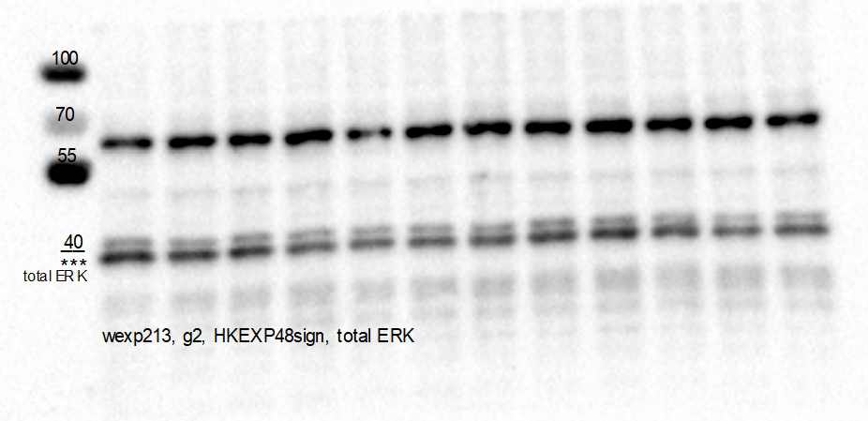
- + + p38-HA
- + + p38-HA
Figure 3A
total ERK1/2
+ + + DSP
+ + + DSP
FSV shSNCA
+tgf +tgf
----------- -------------

----------------------------

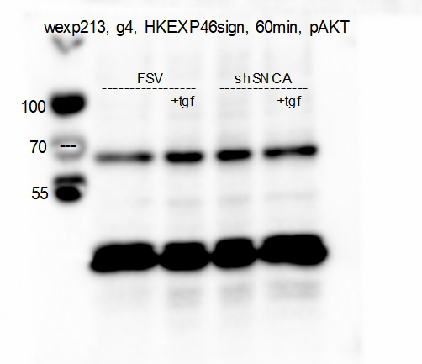
Figure 3A
pAkt

Figure 3A | Figure 3A
p-p38 | total ERK1/2
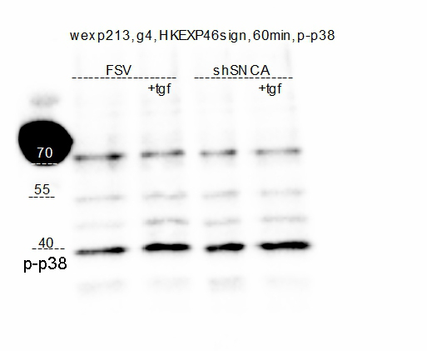
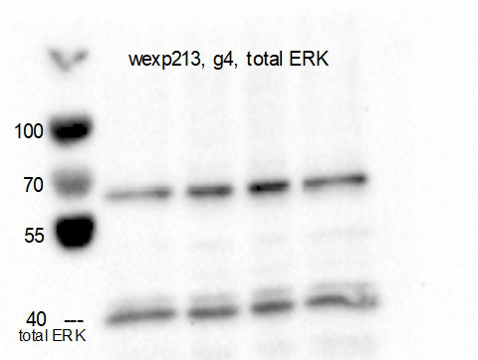

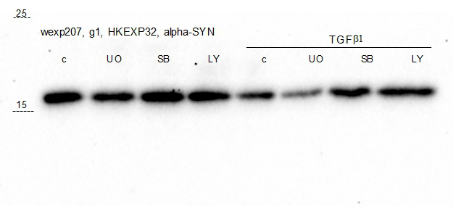
Figure 3C
SNCA

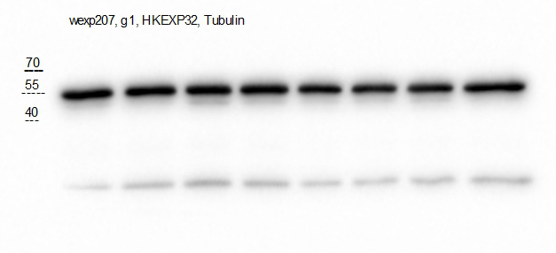
Figure 3C
Tubulin

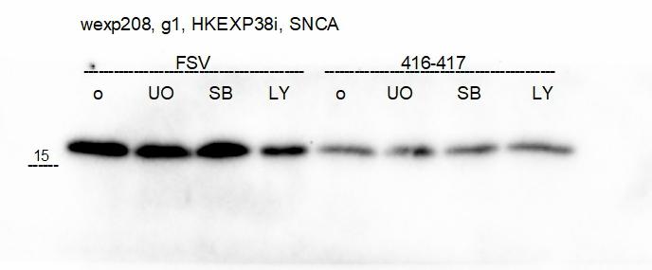
Figure 3E
SNCA

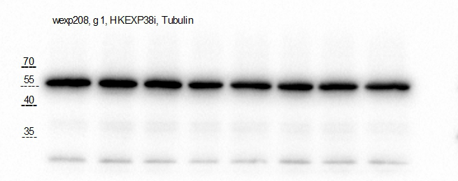
Figure 3E
Tubulin

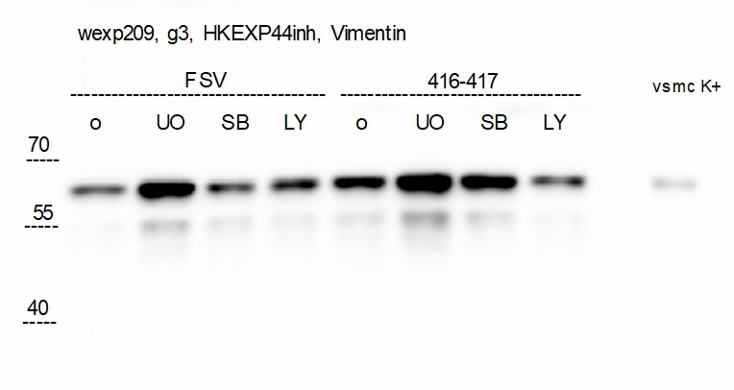
Figure 3E
Vimentin

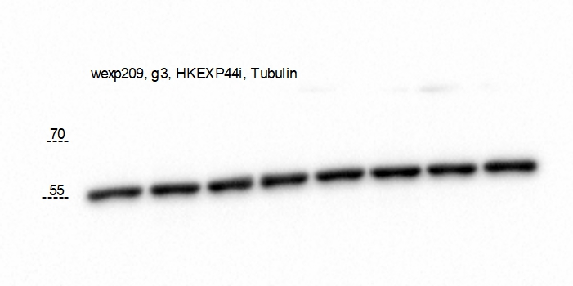
Figure 3E
Tubulin

Figure 4 Blots
Figure 4F
α-SMA | UUO 5 days | α-SMA | UUO 15 days
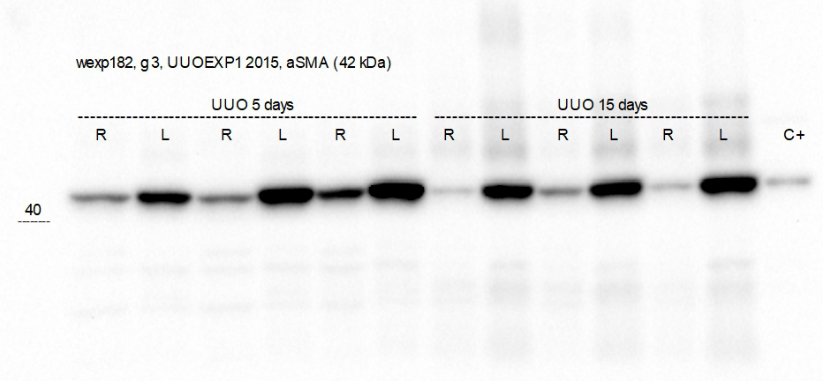

-------------------
----------------

Figure 4F
Vimentin | UUO 5 days
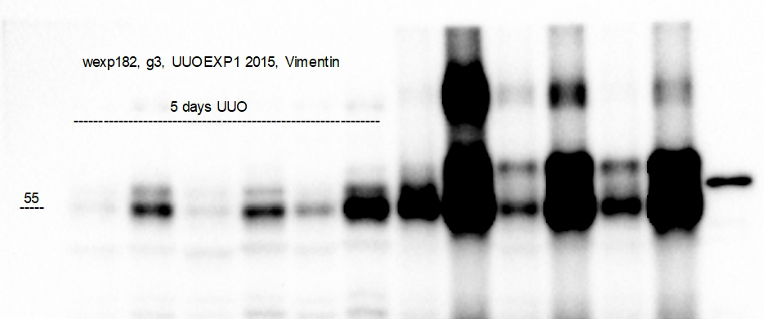

R L R L R L

-------------------

Figure 4F
Vimentin | UUO 15 days
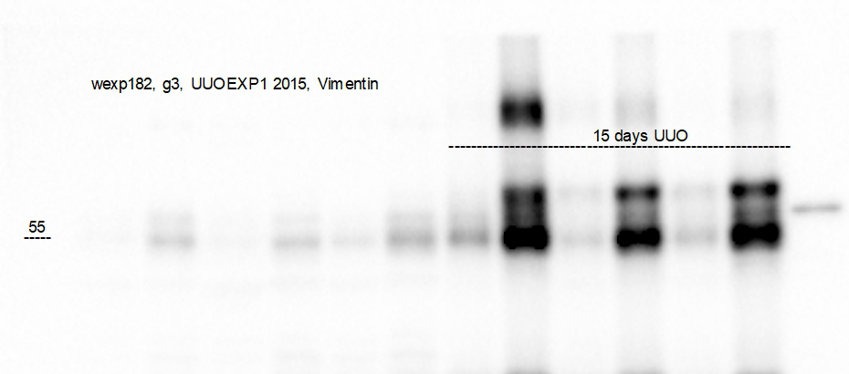

R L R L R L

----------------

Figure 4F
GAPDH | UUO 5 days | GAPDH | UUO 15 days

------------------
---------------

---------------------------------------------------- -----------------------------------------------
UUO 5 days UUO 15 days

Figure 7 Blots
Figure 7A | Figure 7B
α-SMA | α-SMA

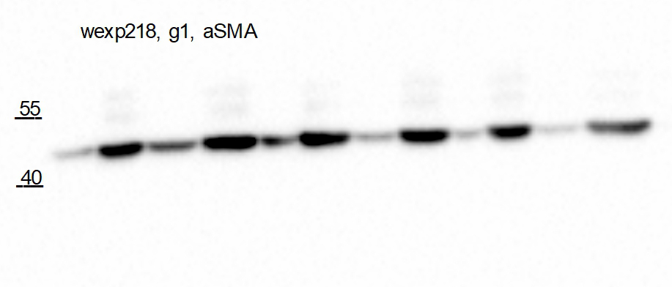
wt/wt fl/fl wt/wt fl/fl wt/wt fl/fl
-------------- --------------- ------------- --------------- ------------- ---------------
uuo uuo uuo uuo uuo uuo
wt/wt flox/flox
------------- ---------------
uuo uuo

Figure 7A | Figure 7B
Vimentin | GAPDH
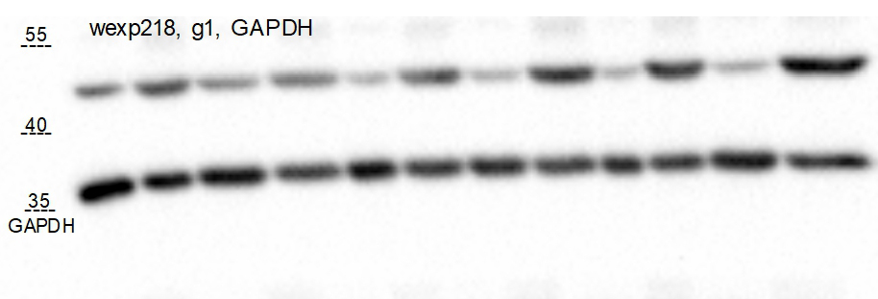

------------- ---------------
wt/wt flox/flox
uuo uuo

-------------- ------------ ------------- ------------- ------------ ---------------
uuo uuo uuo uuo uuo uuo
wt/wt fl/fl wt/wt fl/fl wt/wt fl/fl

Figure 7A | Figure 7B
GAPDH | Vimentin
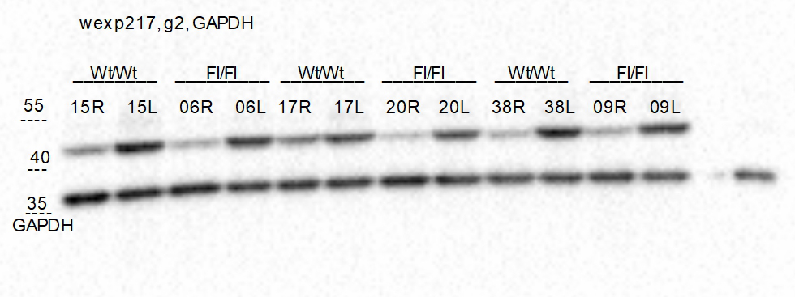

uuo uuo
wt/wt flox/flox
-------------- --------------

 | Figure 7B
 | GAPDH

Figure 7A
Collagen I

 | Figure 7B
 | Collagen I

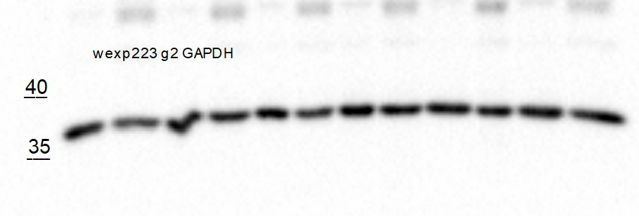
Figure 7A
GAPDH | Figure 7B
 | GAPDH

Figure 7A | Figure 7B
Fibronectin | Fibronectin
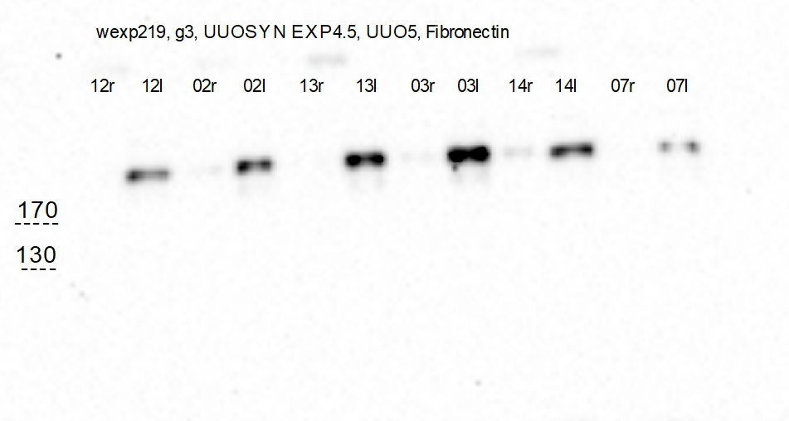
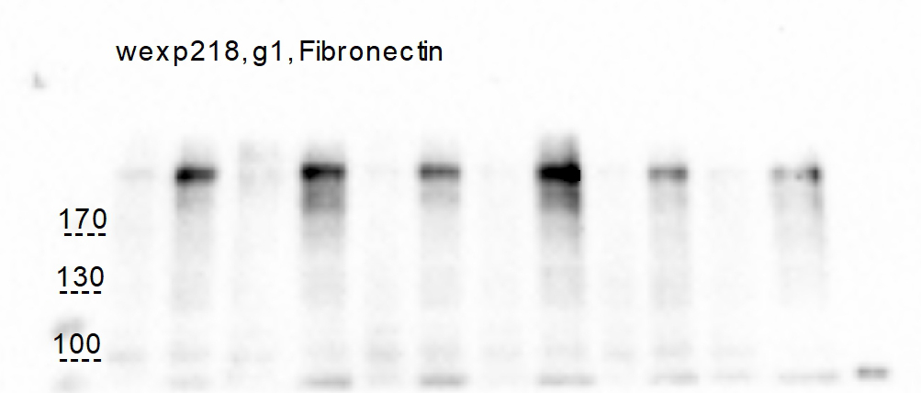

Figure 7A | Figure 7B
GAPDH | GAPDH
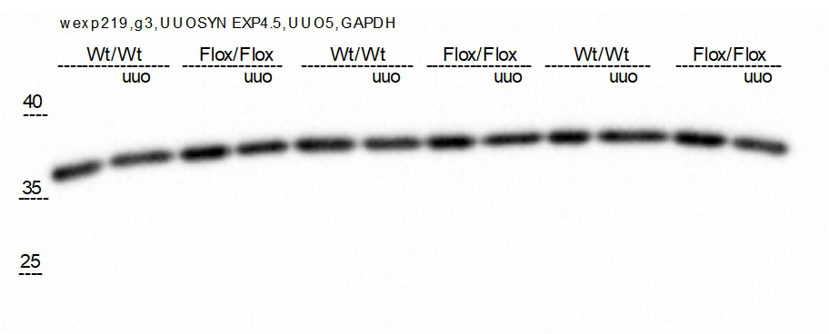

wt/wt flox/flox
uuo uuo

Figure 8 Blots
Figure 8M

α-SMA

Wt/Wt Flox/Flox Wt/Wt Flox/Flox Wt/Wt Flox/Flox
+ - + - + - + - + - +
Adenine

Vimentin

Wt/Wt Flox/Flox Wt/Wt Flox/Flox Wt/Wt Flox/Flox
+ - + - + - + - + - +

wexp235, ADEN-EXP1, vimentin

GAPDH

Collagen I

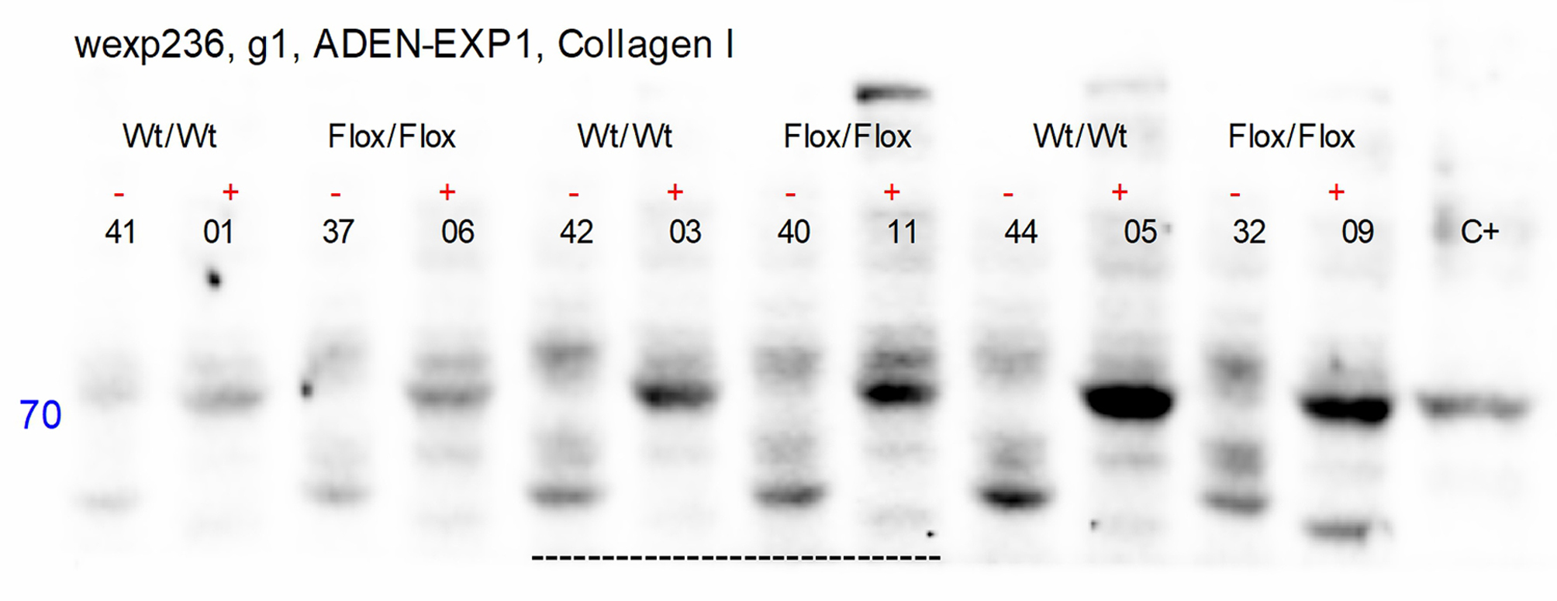

GAPDH

Figure 9 Blots
Figure 9A
pErk1/2

----------------------------------

wexp218, pAkt
pAkt
Wt/Wt Flox/Flox Wt/Wt Flox/Flox Wt/Wt Flox/Fox

55
C UUO C UUO C UUO C UUO C UUO C UUO

total Erk1/2

----------------------------------

wexp218, g3, GAPDH
GAPDH

GAPDH
---------------------------------

p-p38

CTL UUO CTL UUO

----------------------------

total Erk1/2

----------------------------

GAPDH
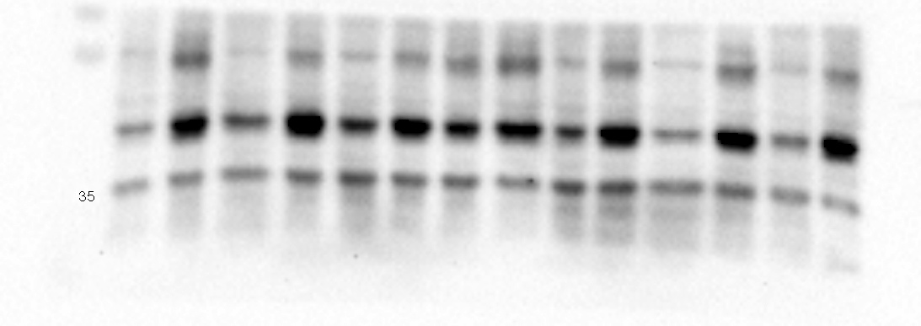
wexp218, g4, GAPDH

GAPDH
---------------------------

Supplem Fig. 1 Blots
Supplem Fig. 1C | SNCB | Supplem Fig. 1C | SNCG

SNCB |  | SNCG

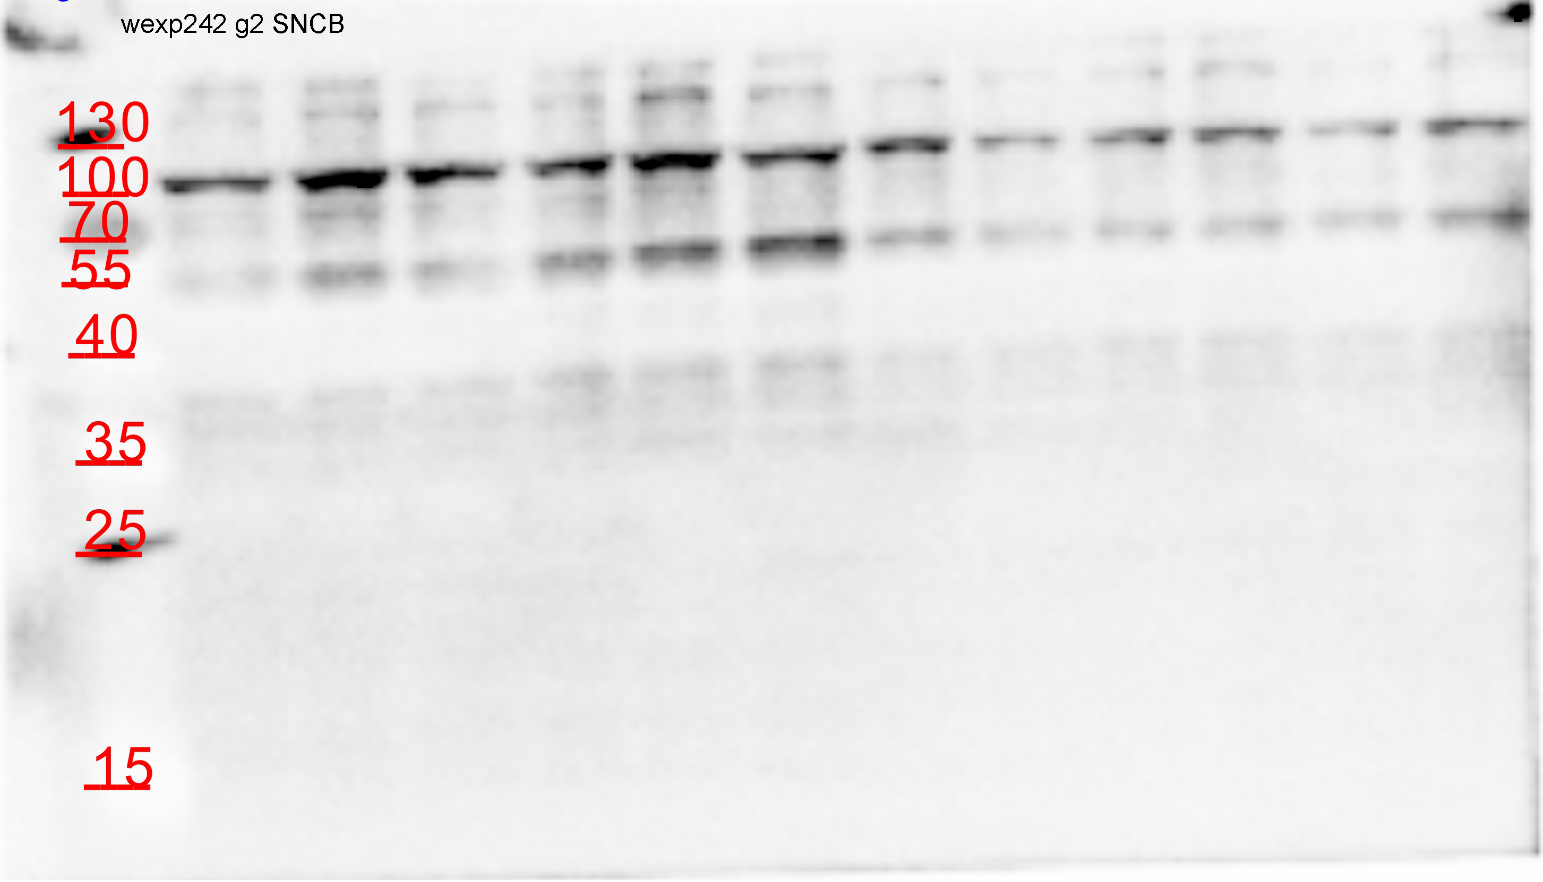


SNCA |  | SNCA

Tubulin
 |  | Tubulin

Supplem Fig. 3 Blots
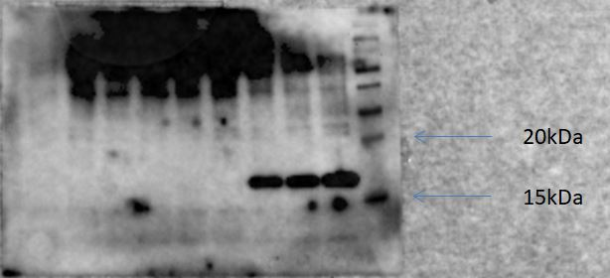
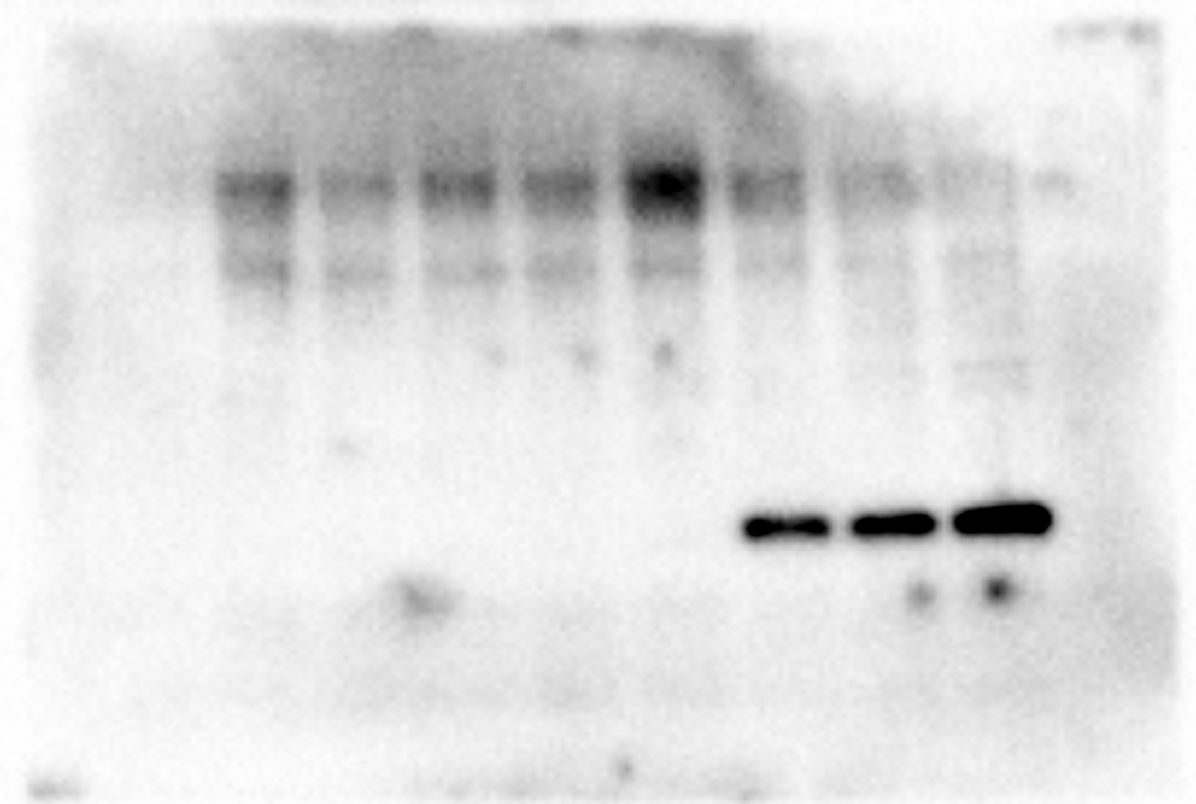
Supplem Fig. 3A |  | Supplem Fig. 3B
 |  | SNCA | p-p38
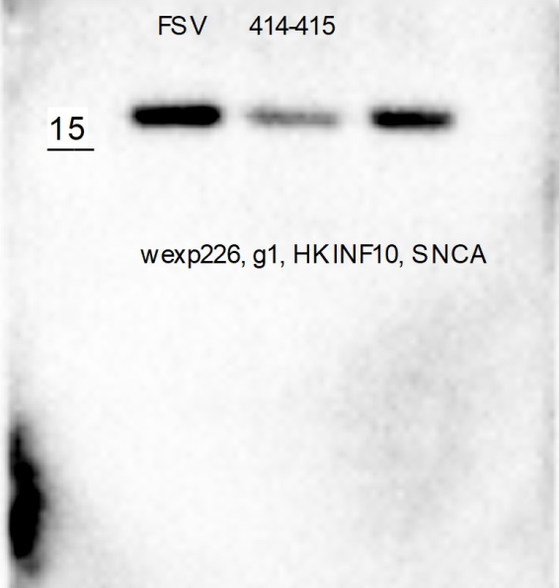
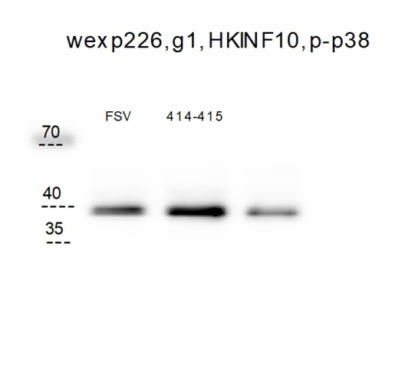
phospho ERK1/2

phospho Akt

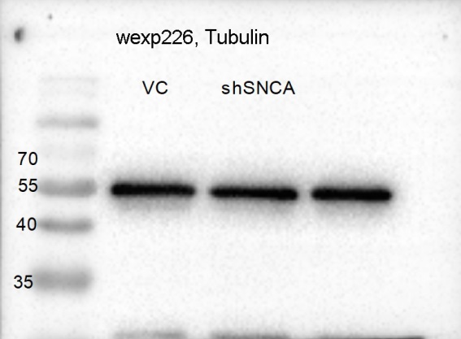
 |  |  | Tubulin
 |  | MMK3/MMK6
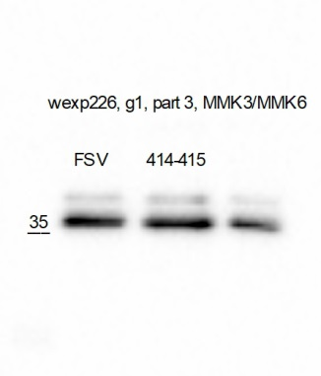

phospho p38

total ERK1/2

Supplem Fig. 3C

p-p38-HA | p-p38-HA
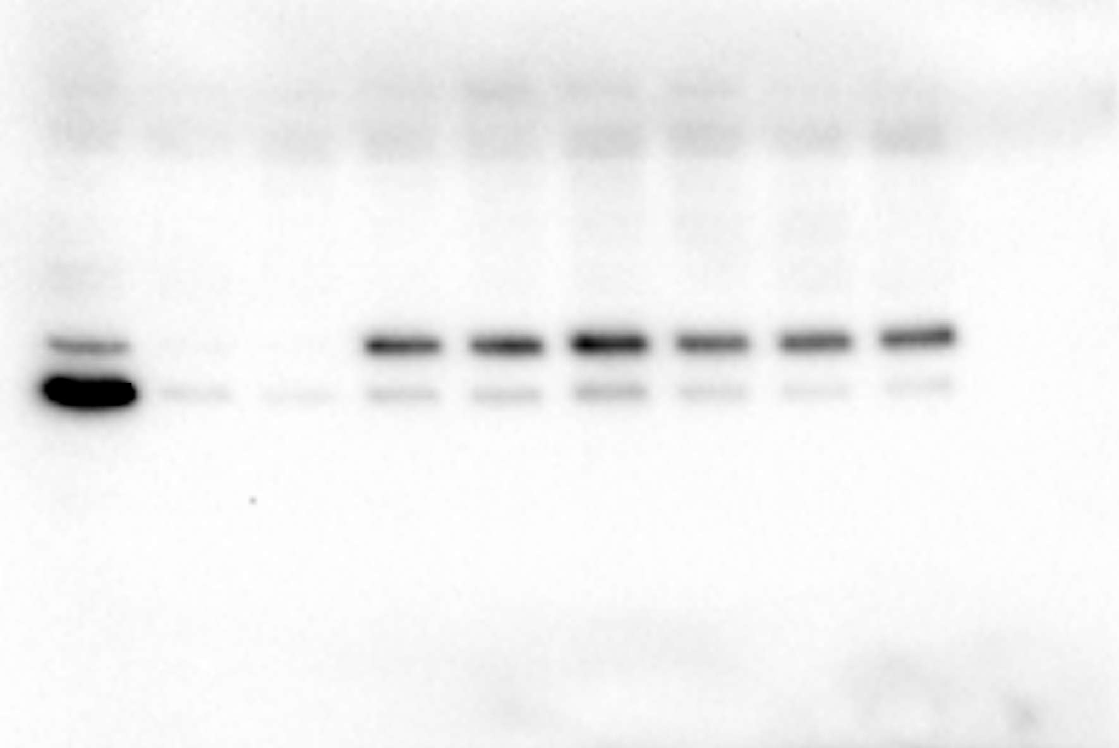
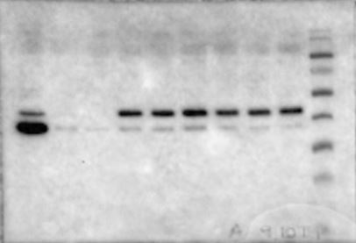
merged with page ruler prestained (Thermofisher)

40 kDa

35 kDa

HA | HA
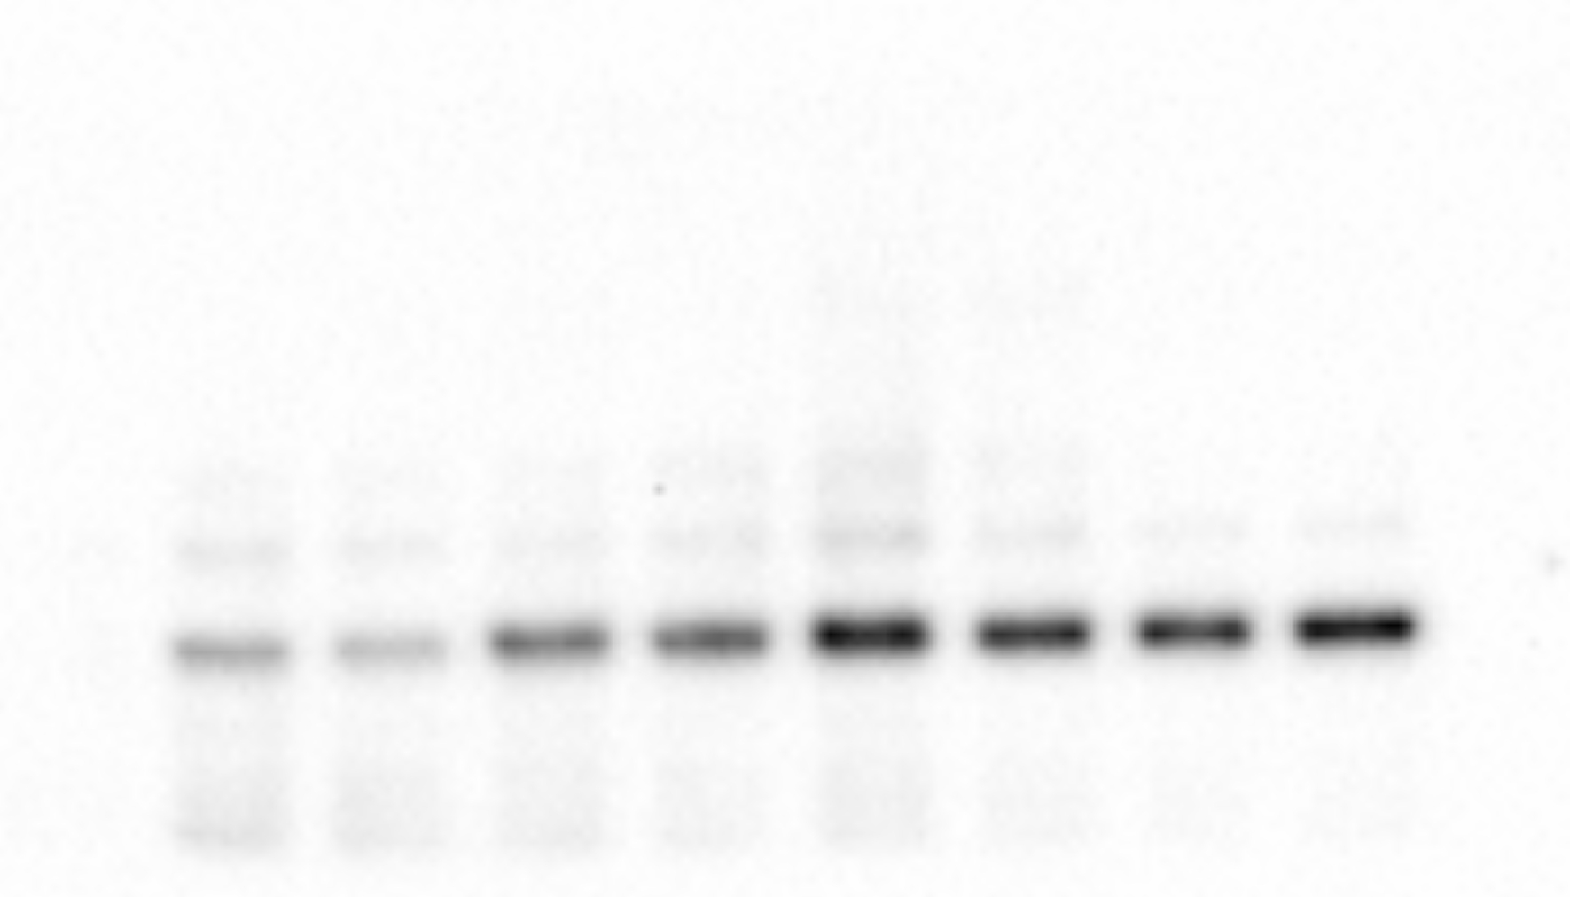
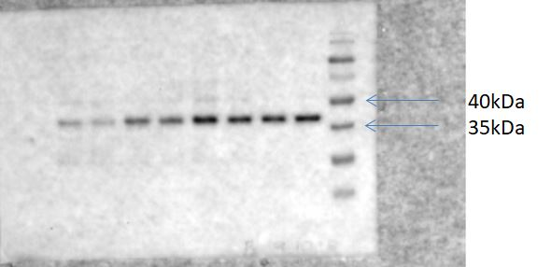
merged with page ruler prestained (Thermofisher)

Tubulin


merged with page ruler prestained (Thermofisher)
SNCA Flag | SNCA Flag

