Supplementary figure 1
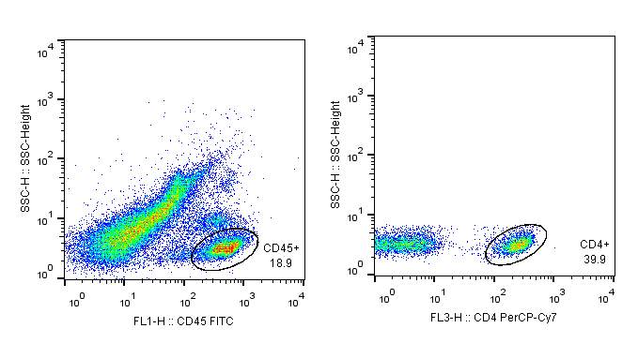
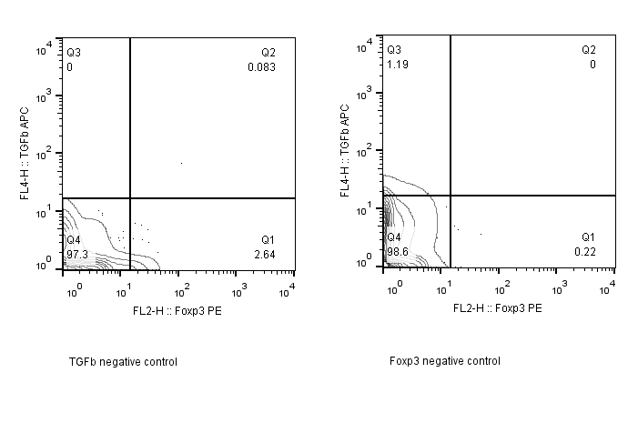
Figure 1 A | Number of neutrophils in NP |  |  |  |  |  |  |  |  |  |  |  | Figure 1D | Number of Neutrophils in NP
 |  |  |  |  |  |  |  |  |  |  |  |  | Days post infection | 1 (ST217S) |  |  |  |  | 2 (D39)
Hours post infection | 1 (ST217S) |  |  |  |  | 2 (D39) |  |  |  |  |  |  | 0 | 15533.33 | 18391.3 | 18829.27 | 13000 | 12509.09 | 12385.54 | 16211.76 | 16790.7 | 13784.95 | 19031.58
6 | 128746.2 | 64071.43 | 97762.5 | 107742.9 | 48000 | 35861.54 | 16290 | 24750 | 19500 | 18166.67 |  |  | 1 | 14150.56 | 16008 | 12520.3 | 14423.05 | 13152.74 | 12171.04 | 16428.73 | 6767.804 | 4830.519 | 10272.49
12 | 72333.33 | 86816.67 | 71220 | 119307.7 | 15464.06 | 36958.06 | 19659.18 | 28769.23 | 35481.08 | 18388.24 |  |  | 3 | 3446.692 | 4968.213 | 5760.726 | 4584.037 | 4873.4 | 4220.567 | 6151.215 | 6838.022 | 5974.355 | 5795.485
24 | 109484.2 | 169811.1 | 108105 | 125583.3 | 155880 | 126190.9 | 106080 | 145950 | 59352 | 71687.5 |  |  | 7 | 2740.157 | 2685.714 | 3731.507 | 3097.143 | 3660.759 | 3288.312 | 2812.903 | 6321.951 | 2958.904 | 2546.667
 |  |  |  |  |  |  |  |  |  |  |  |  | 14 | 5097.143 | 10868.57 | 4010.127 | 14918.18 | 4425.6 | 4848.98 | 21750 | 14713.04 | 7272.727 | 24189.47
 |  |  |  |  |  |  |  |  |  |  |  |  | 21 | 5650.794 | 4949.63 | 2764.486 | 5735.158 | 1711.205 | 2407.684 | 5200.471 | 3716.615 | 4112 | 2661.786

Figure 1 B | Number of macrophages in NP
Hours post infection | 1 (ST217S) |  |  |  |  | 2 (D39)
6 | 9161.538 | 4442.857 | 8062.5 | 9750 | 4360.714 | 12900 | 6825 | 14884.62 | 13827.27 | 14400 |  |  | Figure 1E | Number of macrophages in NP
12 | 1016.667 | 9300 | 9345 | 19200 | 3825 | 7896.774 | 4506.122 | 9061.538 | 10159.46 | 8400 |  |  | Days post infection | 1 (ST217S) |  |  |  |  | 2 (D39)
24 | 9063.158 | 19466.67 | 7410 | 11000 | 11420 | 10718.18 | 15760 | 13800 | 5460 | 7375 |  |  | 1 | 296.5124 | 718 | 832.7541 | 1426.738 | 753.0877 | 826.6957 | 1327.756 | 198.3922 | 137.8473 | 326.6957
 |  |  |  |  |  |  |  |  |  |  |  |  | 3 | 1556.385 | 1518.528 | 1052.579 | 596.5555 | 651.4 | 881.2062 | 741 | 1794.333 | 1295.839 | 1201.606
 |  |  |  |  |  |  |  |  |  |  |  |  | 7 | 803.1496 | 948.5714 | 1906.849 | 2434.286 | 2293.671 | 1605.195 | 2180.645 | 4097.561 | 2235.616 | 1426.667
 |  |  |  |  |  |  |  |  |  |  |  |  | 14 | 1405.714 | 4714.286 | 1944.304 | 4909.091 | 1257.6 | 2093.877 | 16850 | 7408.696 | 3836.364 | 14021.05
Figure 1 C | Number of Tregs in NP |  |  |  |  |  |  |  |  |  |  |  | 21 | 996.8254 | 2388.889 | 1459.459 | 2261.053 | 585.0931 | 797.3684 | 1510.588 | 1830.769 | 1630.435 | 1017.857
Hours post infection | 1 (ST217S) |  |  |  |  | 2 (D39)
6 | 4941.176471 | 3870 | 6109.090909 | 6825 | 3300 | 2129.268293 | 3400 | 4668.75 | 5194.736842 | 2922.222222
12 |  | 4095.652174 | 4975 | 2715 | 2686.046512 | 2123.684211 | 1732.075472 | 2328.947368 | 2268 | 1459.615385
24 | 5000 | 3700 | 2561.538 | 1044.444 | 1594.737 | 9136.364 | 5362.5 | 4971.429 | 3486.207 | 5242.105 |  |  | Figure 1E | Number of Foxp3 Tregs in NP
 |  |  |  |  |  |  |  |  |  |  |  |  |  | Foxp3 |  |  |  |  | Foxp3 TGFb
 |  |  |  |  |  |  |  |  |  |  |  | 1 | S1 | 2294.416 | 3140.625 | 1019.868 | 1801.802 | 2383.178 | 60.91371 | 156.25 | 33.11258 | 99.0991 | 121.4953
 |  |  |  |  |  |  |  |  |  |  |  |  | D39 | 2429.752 | 3750 | 1251.656 | 668.3938 | 1873.303 | 148.7603 | 211.5385 | 59.60265 | 20.72539 | 99.54751
 |  |  |  |  |  |  |  |  |  |  |  | 3 | S1 | 618.1818 | 1039.286 | 2367.568 | 1037.037 | 579.3103 | 414.5455 | 450 | 843.2432 | 251.8519 | 262.069
Foxp3 Treg gating strategy for lung |  |  |  |  |  |  |  |  |  |  |  |  | D39 | 1132.394 | 1905 | 0 | 2181.818 | 857.1429 | 405.6338 | 705 |  | 654.5455 | 242.8571
 |  |  |  |  |  |  |  |  |  |  |  | 7 | S1 | 1741.176 | 5413.333 | 8117.647 | 1812.587 | 2993.814 | 94.11765 | 426.6667 | 776.4706 | 167.8322 | 445.3608
 |  |  |  |  |  |  |  |  |  |  |  |  | D39 | 2614.634 | 1615.094 | 2453.333 | 3615.385 | 1408.696 | 263.4146 | 166.0377 | 240 | 369.2308 | 117.3913
 |  |  |  |  |  |  |  |  |  |  |  | 14 | S1 | 2578.378 | 1978.022 | 865.5738 | 3310.345 | 2464.516 | 0 | 39.56044 | 0 | 0 | 25.80645
 |  |  |  |  |  |  |  |  |  |  |  |  | D39 | 2410.345 | 3083.544 | 1520.93 | 6811.765 | 2258.824 | 41.37931 | 15.18987 | 0 | 70.58824 | 35.29412
 |  |  |  |  |  |  |  |  |  |  |  | 21 | S1 | 5533.333 | 1656.522 | 1970.526 | 3440.964 | 1075.145 | 266.6667 | 52.17391 | 113.6842 | 130.1205 | 55.49133
 |  |  |  |  |  |  |  |  |  |  |  |  | D39 | 2020.408 | 1879.518 | 1533.333 | 866.3102 | 7971.429 | 61.22449 | 72.28916 | 40 | 38.50267 | 385.7143

 |  |  |  |  |  |  |  |  |  |  |  |  | Figure 1E | Number of Th17 cells in NP
 |  |  |  |  |  |  |  |  |  |  |  |  |  | RORyT |  |  |  |  | RORyT IL-17A
 |  |  |  |  |  |  |  |  |  |  |  | 0 | S1 | 500 | 745.098 | 309.2784 | 265.4867 | 689.6552 | 62.5 | 137.2549 | 123.7113 | 35.39823 | 91.95402
 |  |  |  |  |  |  |  |  |  |  |  |  | D39 | 351.6484 | 946.2366 | 1732.143 | 1009.524 | 1009.174 | 21.97802 | 129.0323 | 232.1429 | 247.619 | 311.9266
 |  |  |  |  |  |  |  |  |  |  |  | 1 | S1 | 740.3315 | 718.75 | 785.0467 | 862.9442 | 600 | 198.895 | 93.75 | 224.2991 | 182.7411 | 170
 |  |  |  |  |  |  |  |  |  |  |  |  | D39 | 826.6667 | 1422.68 | 492.2118 | 248.731 | 727.2727 | 200 | 371.134 | 161.9938 | 81.21827 | 254.5455
 |  |  |  |  |  |  |  |  |  |  |  | 3 | S1 | 770.3704 | 862.1359 | 930 | 520 | 387.0968 | 222.2222 | 244.6602 | 390 | 253.3333 | 309.6774
 |  |  |  |  |  |  |  |  |  |  |  |  | D39 | 838.3562 | 1429.787 | 2010 | 1697.561 | 712.5 | 493.1507 | 472.3404 | 870 | 600 | 300
 |  |  |  |  |  |  |  |  |  |  |  | 7 | S1 | 1314.894 | 1538.824 | 1475.676 | 557.7465 | 909.4737 | 204.2553 | 367.0588 | 470.2703 | 202.8169 | 189.4737
 |  |  |  |  |  |  |  |  |  |  |  |  | D39 | 621.6867 | 773.5537 | 756.5217 | 785.7143 | 256.3107 | 130.1205 | 208.2645 | 221.7391 | 214.2857 | 46.60194
 |  |  |  |  |  |  |  |  |  |  |  | 14 | S1 | 1216 | 1442.553 | 789.7436 | 3939.13 | 2048.276 | 208 | 153.1915 | 205.1282 | 1095.652 | 393.1034
 |  |  |  |  |  |  |  |  |  |  |  |  | D39 | 1021.875 | 1896.296 | 1827.907 | 1553.846 | 3600 | 262.5 | 400 | 320.9302 | 400 | 472.7273
 |  |  |  |  |  |  |  |  |  |  |  | 21 | S1 | 1558.209 | 1388.764 | 1745.455 | 2400 | 1152 | 232.8358 | 202.2472 | 204.5455 | 303.7975 | 115.2
 |  |  |  |  |  |  |  |  |  |  |  |  | D39 | 1223.529 | 2270.27 | 823.2558 | 951.2195 | 1350 | 47.05882 | 259.4595 | 13.95349 | 14.63415 | 168.75

 |  |  |  |  |  |  |  |  |  |  |  |  |  |  | Gating strategy for isolation of macrophages.
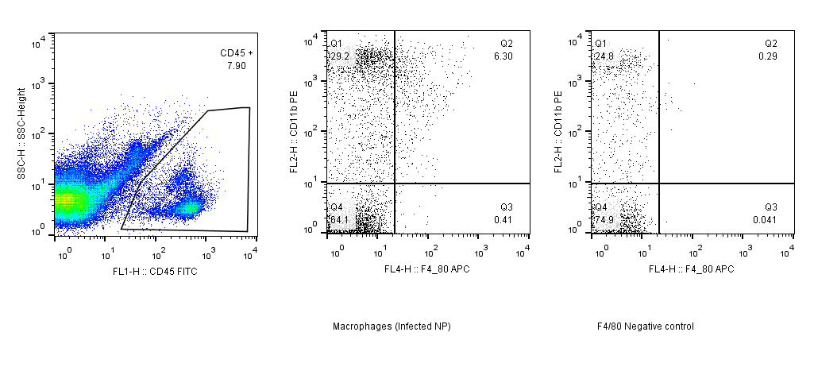

 |  |  |  |  |  |  |  |  |  |  |  | Gating strategy for isolation of Th17 cells

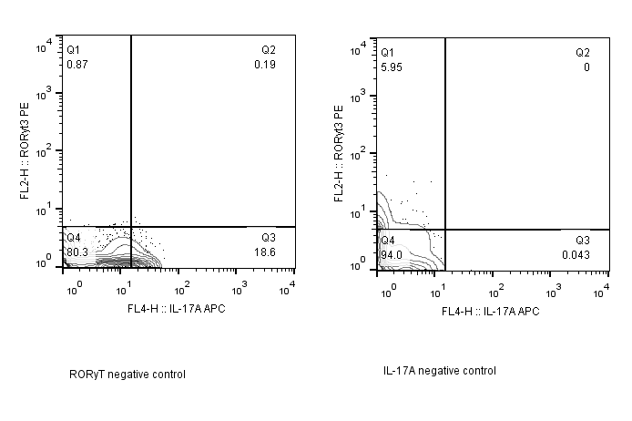

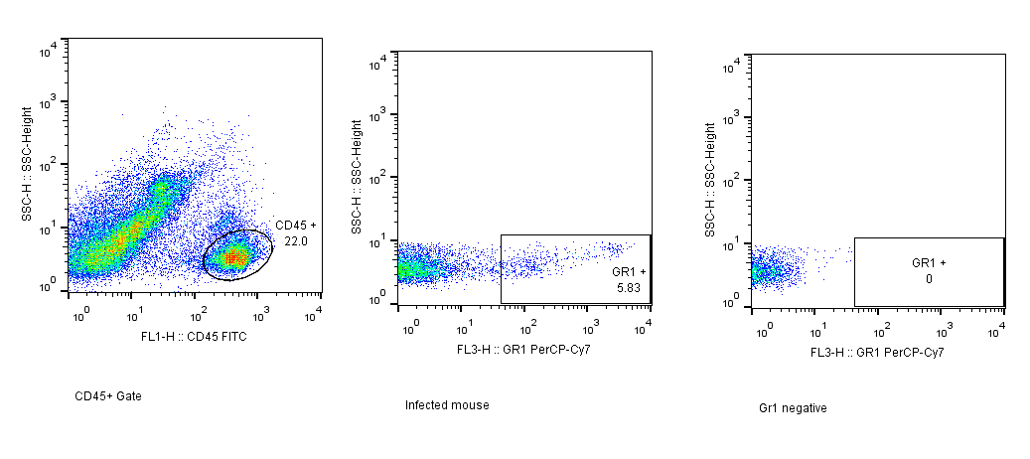

 |  |  |  |  |  |  |  |  |  |  |  |  | Gating strategy for isolation of neutrophils.

 |  |  |  |  |  |  |  |  |  |  | Gating strategy for isolation of Foxp3+ T regulatory cells

