Fig 7a
Fig 7a

PARP1/GAPDH
PAR/GAPDH

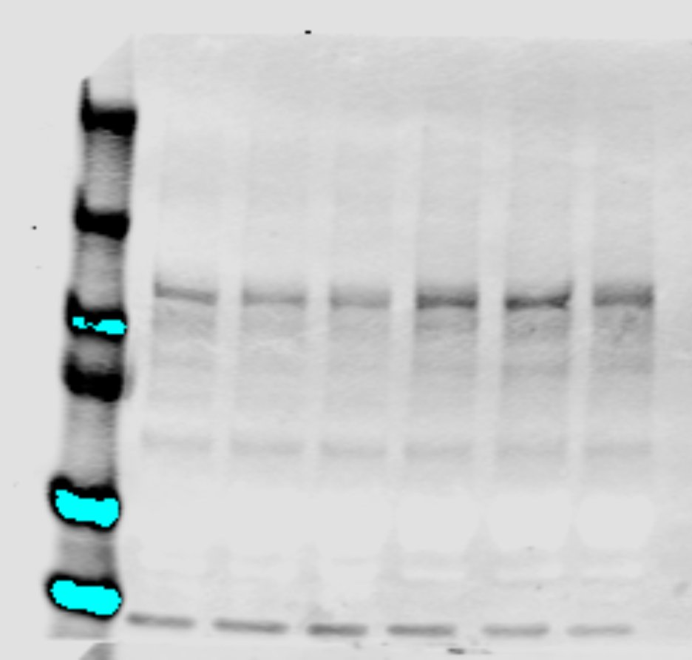
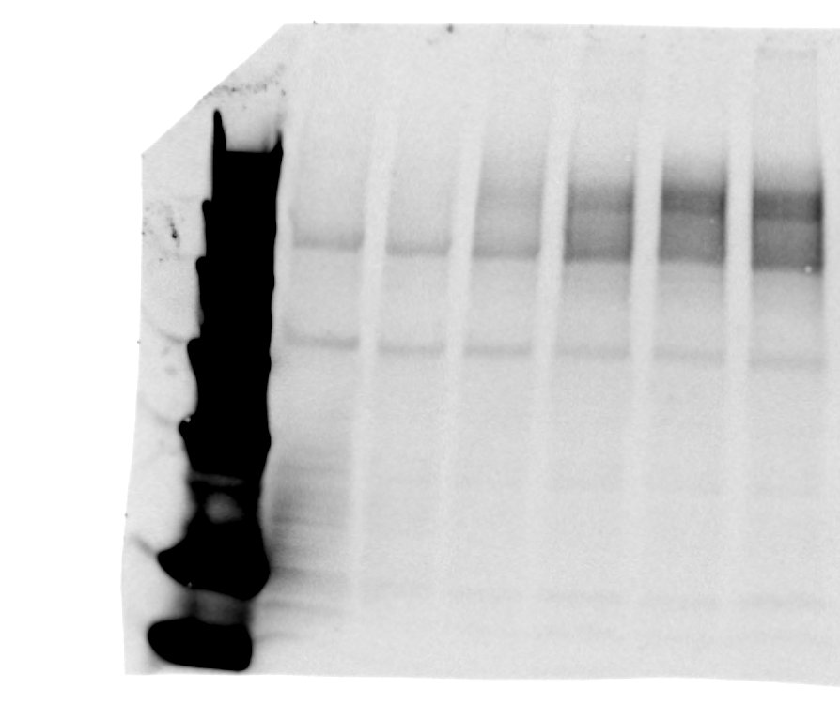

WT1
WT2
WT3
cKO1
cKO2
cKO3
250
WT1
WT2
WT3
cKO1
cKO2
cKO3
250
PAR/pADPr
Rb, 1:1000, R&D Systems, 4336-APC-050
150
130
100
100
PARP1
Rb, 1:1000, ell Signaling, 9532
75
70
55

35
50
25

GAPDH
Ms, 1:1000, Thermo Fisher, MA5-15738
15
37

10
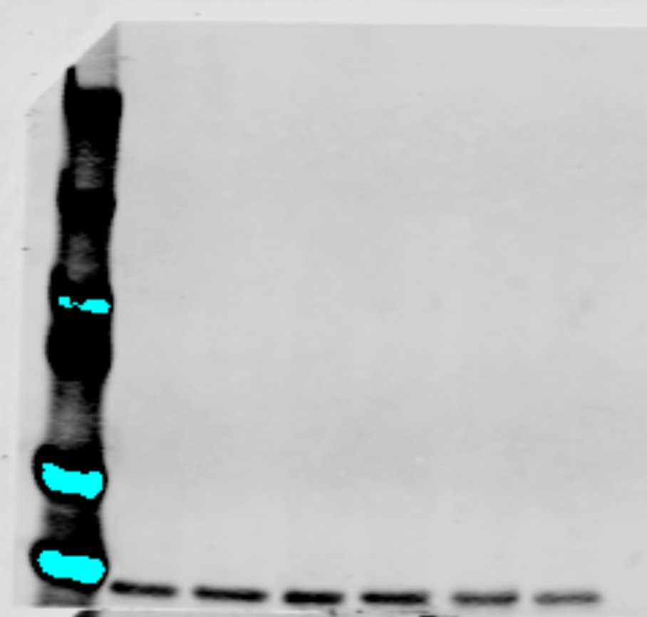
WT1
WT2
WT3
cKO1
cKO2
cKO3
250
WT1
WT2
WT3
cKO1
cKO2
cKO3

150
70
55

100
35
GAPDH
Ms, 1:1000, Thermo Fisher, MA5-15738
75
25

15

50
10
37
GAPDH
Ms, 1:1000, Thermo Fisher, MA5-15738

