Figure S3
Figure S3c- WB

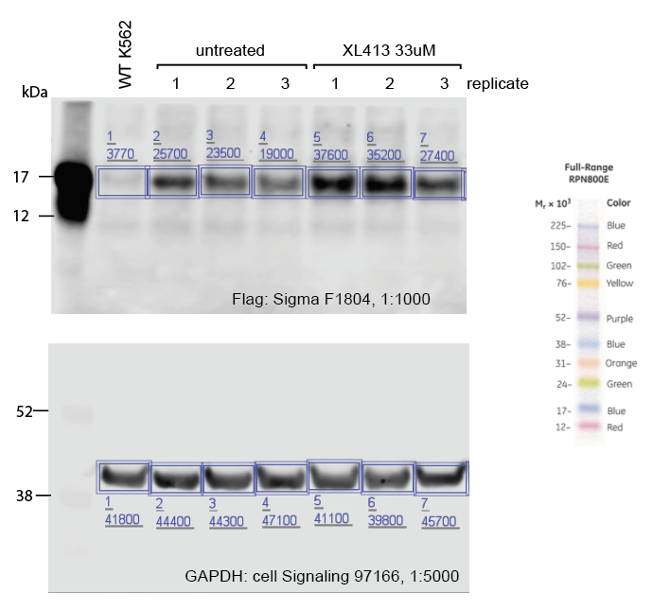

Figure S3d - WB quantification
 | relative signal over GAPDH
 | no drug | XL413
replicate 1 | 0.5788288 | 0.9148418
replicate 2 | 0.5304741 | 0.8844221
replicate 3 | 0.403397 | 0.5995624

Figure S9
Figure S9a

 | Western Blot uncropped images

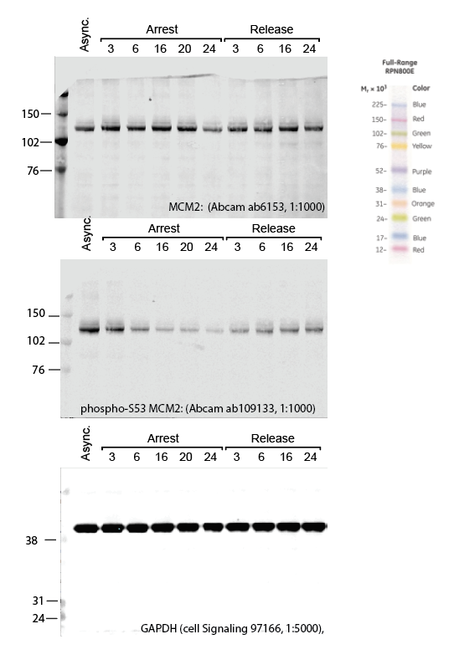

Figure S9d
 |  | % of cells in quadrant
 |  | G1 |  |  | Early S |  |  | S-G2-M |  |  | Early G1
 |  | replicate 1 | replicate 2 | replicate 3 | replicate 1 | replicate 2 | replicate 3 | replicate 1 | replicate 2 | replicate 3 | replicate 1 | replicate 2 | replicate 3
 | 0h | 23.1 | 26.7 | 23.1 | 21.2 | 22.2 | 19.2 | 53.2 | 47.8 | 54.3 | 2.53 | 3.25 | 3.44
Arrest | 3h | 21.2 | 21.9 | 23.9 | 8.31 | 5.5 | 6.5 | 65.9 | 66.3 | 63.7 | 4.57 | 6.34 | 5.88
 | 6h | 7.94 | 7.69 | 7.23 | 12.1 | 11.6 | 12.5 | 77.1 | 78 | 77.6 | 2.85 | 2.74 | 2.7
 | 16h | 8.73 | 8.59 | 9.21 | 3.73 | 4.9 | 5.14 | 83.6 | 83.4 | 81.7 | 3.91 | 3.14 | 3.94
 | 24h | 10.4 | 9.62 | 10.8 | 4.9 | 2.77 | 4.82 | 80.1 | 81.5 | 80 | 4.64 | 6.08 | 4.47
Release | -3h | 7.05 | 6.67 | 7.21 | 7.22 | 7.82 | 7.75 | 83.4 | 83.2 | 82.8 | 2.3 | 2.34 | 2.24
 | -6h | 10.5 | 10.9 | 13.7 | 8.62 | 8.520001 | 15.9 | 78.1 | 78 | 68.3 | 2.78 | 2.58 | 2.08
 | -16h | 16.2 | 15.6 | 15.6 | 11 | 10.7 | 11 | 69.1 | 69.7 | 69.8 | 3.61 | 4.04 | 3.54
 | -24h | 21.6 | 22.1 | 21.5 | 14.1 | 14.6 | 15.4 | 59.3 | 58.6 | 58.6 | 5.02 | 4.68 | 4.48

Figure S9e
 |  | % of cells in quadrant
 |  | G1 |  |  | Early S |  |  | S-G2-M |  |  | Early G1
 |  | replicate 1 | replicate 2 | replicate 3 | replicate 1 | replicate 2 | replicate 3 | replicate 1 | replicate 2 | replicate 3 | replicate 1 | replicate 2 | replicate 3
 | 0h | 23.1 | 26.7 | 23.1 | 21.2 | 22.2 | 19.2 | 53.2 | 47.8 | 54.3 | 2.53 | 3.25 | 3.44
 | Aph | 1.94 | 2.33 | 1.75 | 1.14 | 2.23 | 1.45 | 94.7 | 93.4 | 95.2 | 2.2 | 2.02 | 1.65
 | HU | 2.6 | 2.02 | 2.1 | 2.26 | 1.5 | 1.68 | 93.1 | 94.6 | 94.2 | 2.08 | 1.91 | 1.99
 | XL413 | 10.4 | 9.62 | 10.8 | 4.9 | 2.77 | 4.82 | 80.1 | 81.5 | 80 | 4.64 | 6.08 | 4.47

Figure S9h - LAMP1 |  |  |  |  |  |  | Figure S9H - TOMM20
 | % GFP positive cells |  |  |  |  |  |  | % GFP positive cells
 | ctrl | XL413 | Aphidicolin | Hydroxyurea |  |  |  | ctrl | XL413 | Aphidicolin | Hydroxyurea
replicate 1 | 4.62 | 14.1 | 6.95 | 8.94 |  |  | replicate 1 | 11.8 | 25 | 7.98 | 9.76
replicate 2 | 5.23 | 13.2 | 6.86 | 9.25 |  |  | replicate 2 | 12.4 | 25.1 | 8.49 | 12.6
replicate 3 | 4.96 | 15.1 | 8.13 | 9.86 |  |  | replicate 3 | 11.7 | 22.9 | 8.03 | 11

