Fig1D
Immunofluorescence of Cbx5 and ATRX with and without Rnase A or Rnase H treatment

 | Cbx5 | ATRX | ATRX
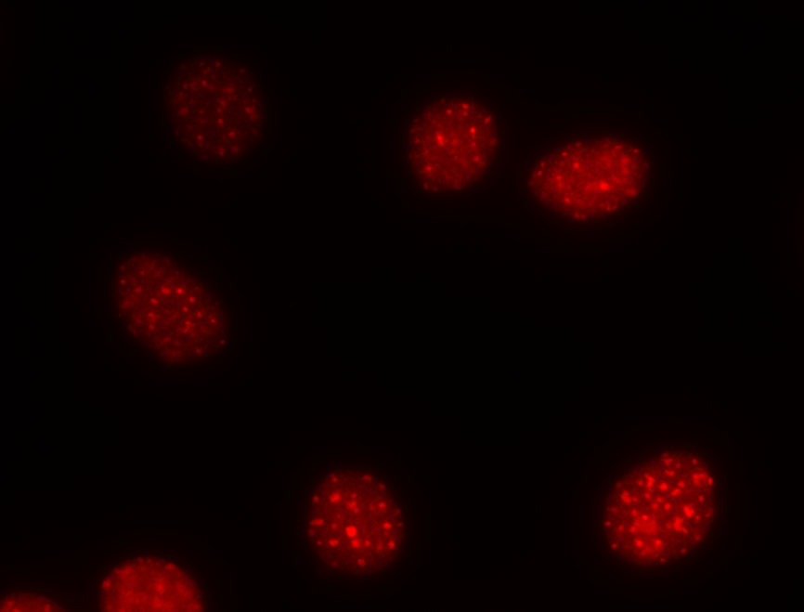
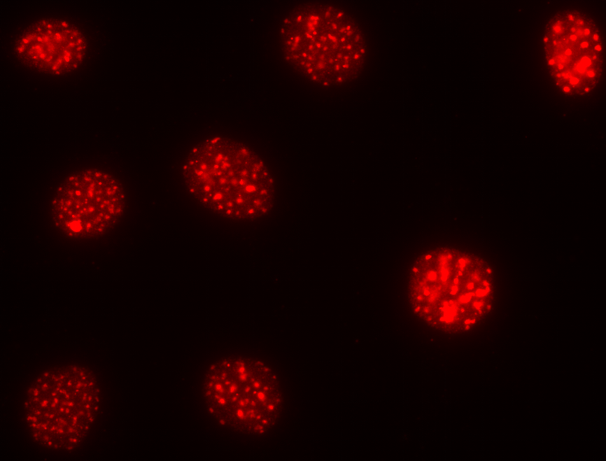
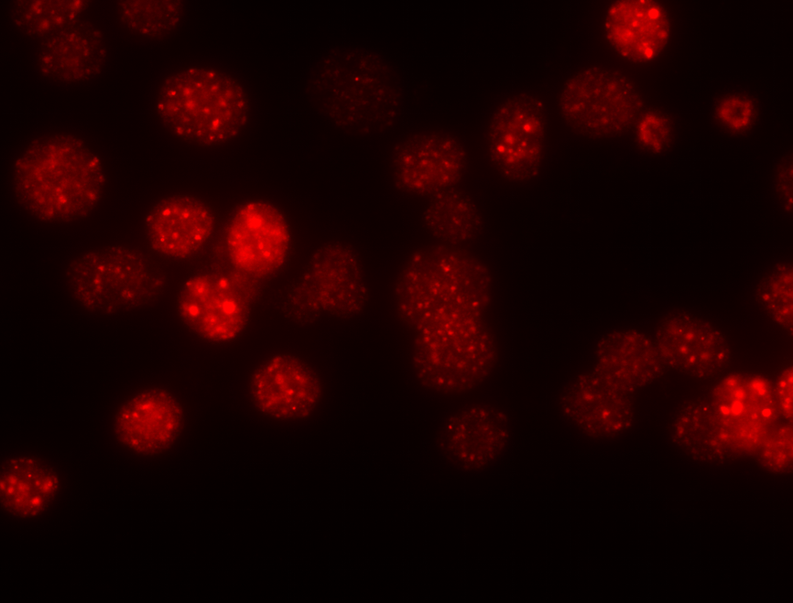
control
control
control

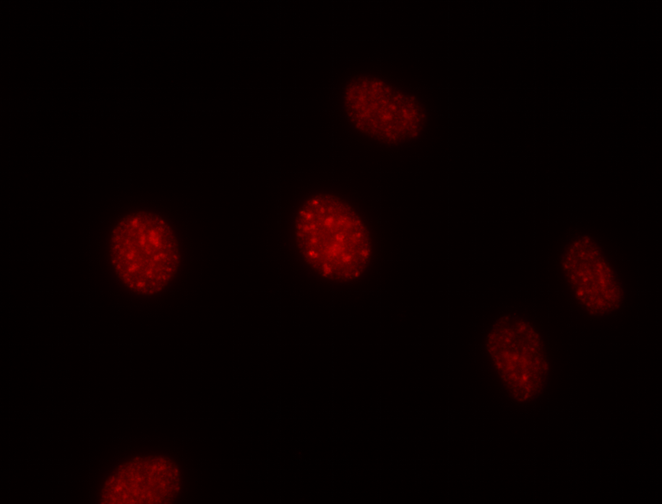
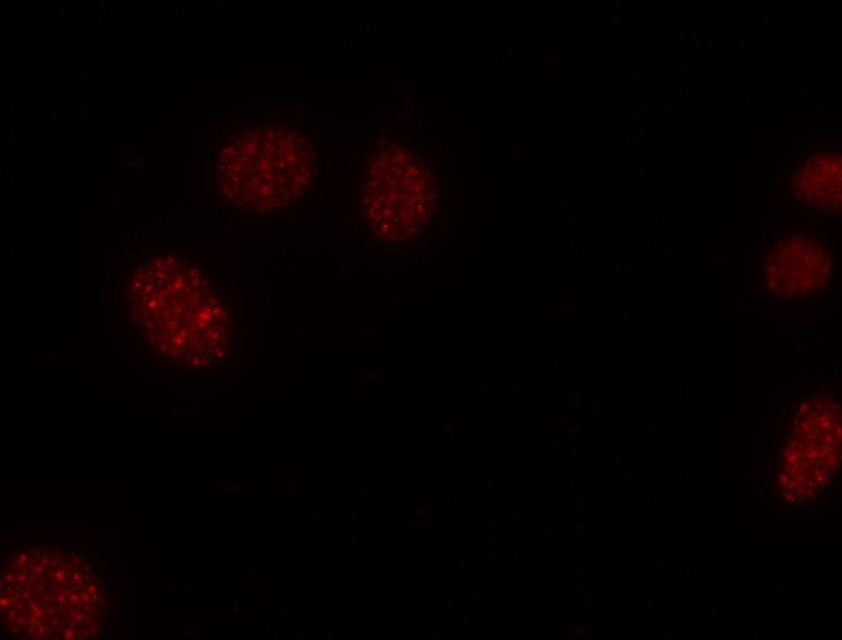
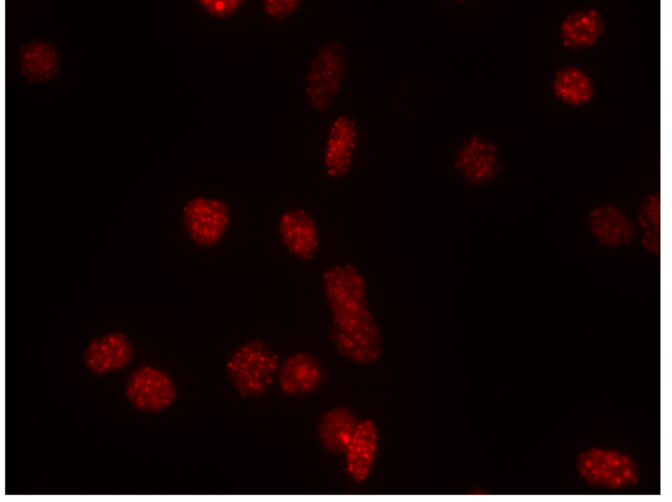
Rnase A
Rnase A
Rnase H

White boxes show the representative image used in the paper.

Fig 1E
Immunofluorescence of ATRX and Npm1 with and without Rnase A treatment

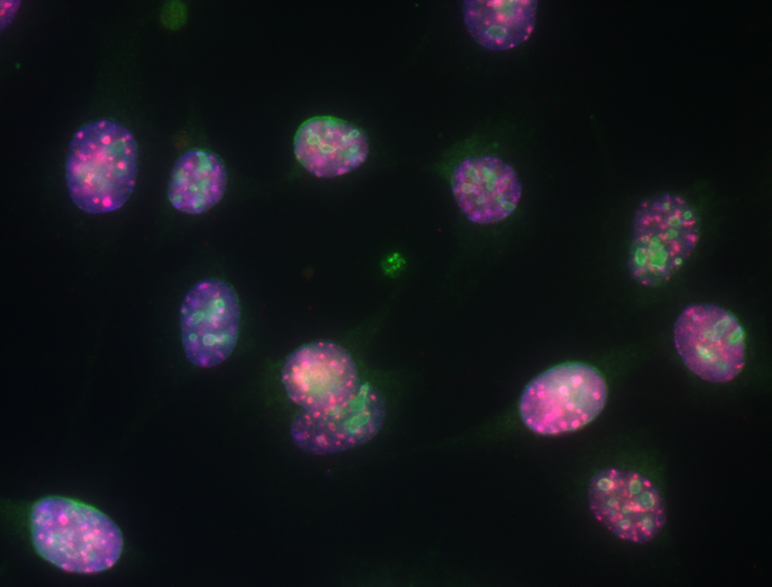
control
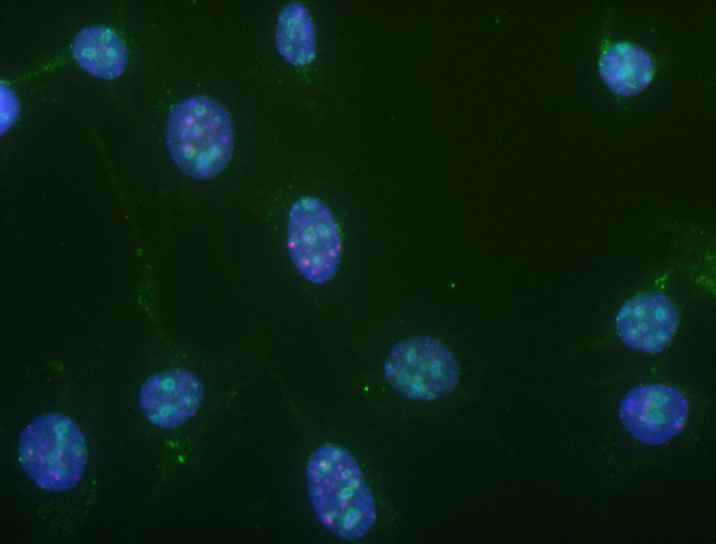
Rnase A

White boxes show the representative image used in the paper.

Fig 1F
Western blot for ATRX and EZH2 before and after actinomycin D treatment

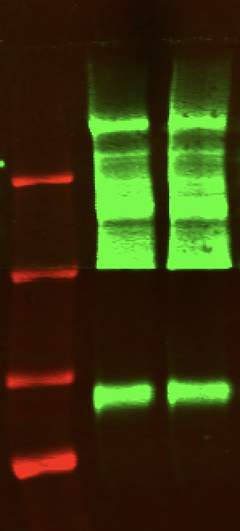

 |  | ATRX

 |  | EZH2

Minor satellite expression relative to GAPDH in MEF with and without actinomycin D treatment

 | minus ActD | plus ActD
Expt 1 | 0.082630609564 | 0.018956781934
Expt 2 | 0.051468711886 | 0.0052954549854
Expt 3 | 0.16898889648 | 0.006258368549
Expt 4 | 0.14608129705 | 0.021194518604
mean | 0.22458475749 | 0.025852562036

Standard error | 0.027287856158 | 0.0041575358959

p.val ttest | 0.034862499873

Fig 1G
Immunofluorescence of Cbx5 and ATRX with and without actinomycin D treatment
 | cbx5 merged images | ATRX merged images

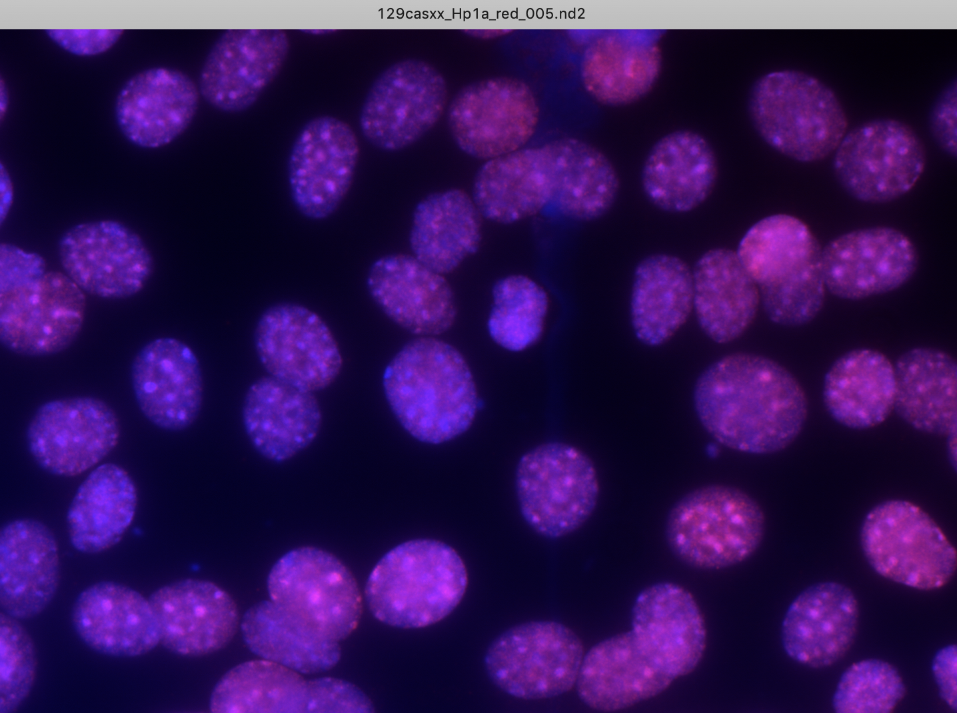
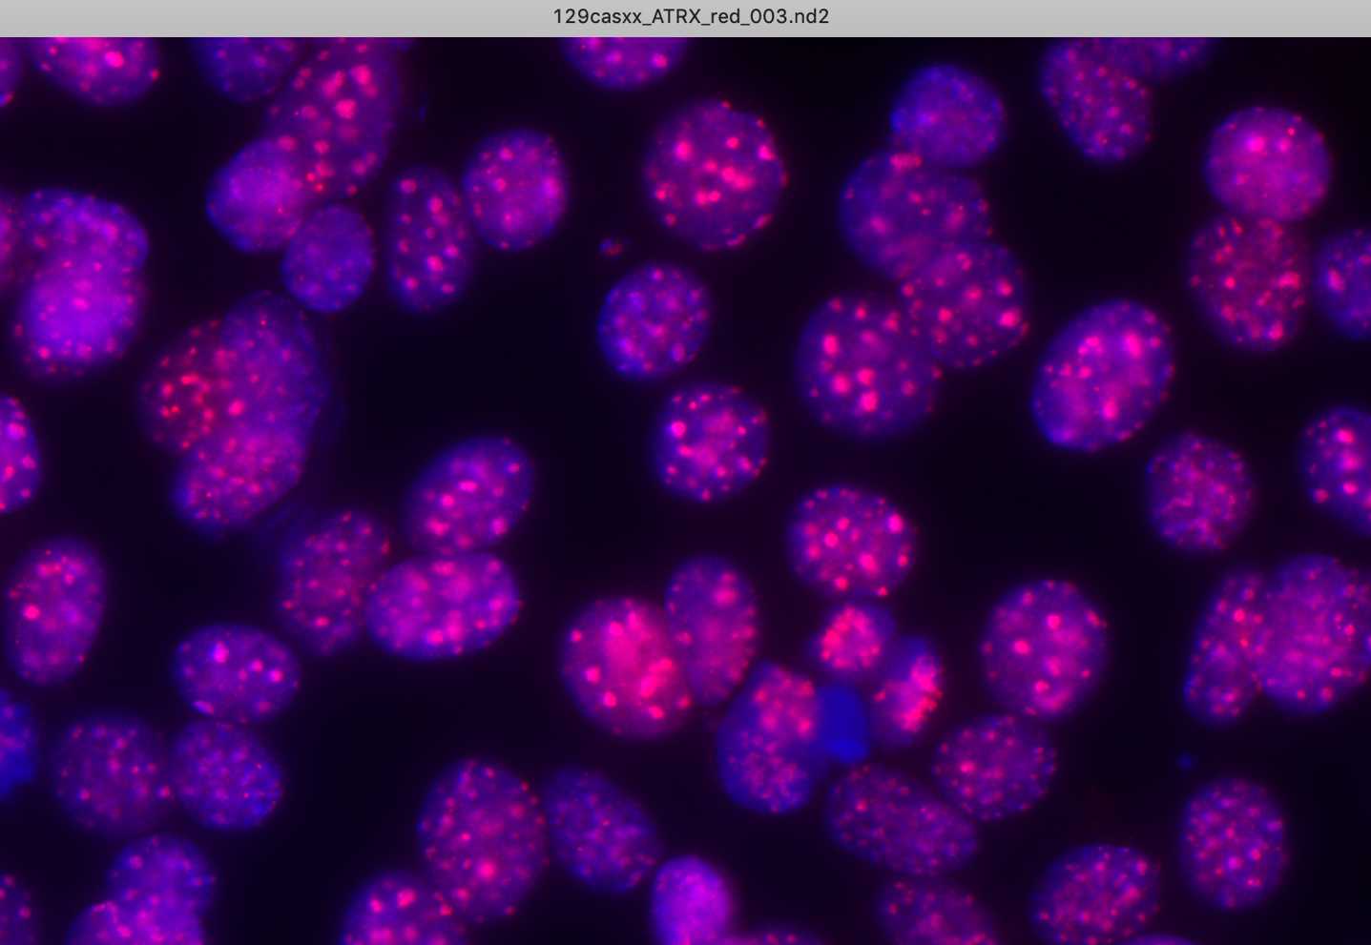

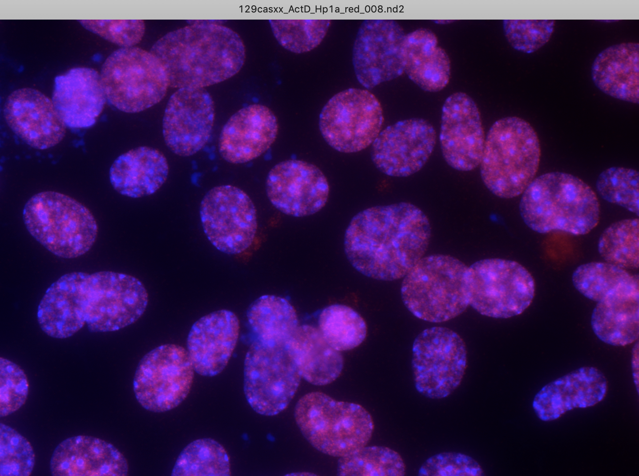
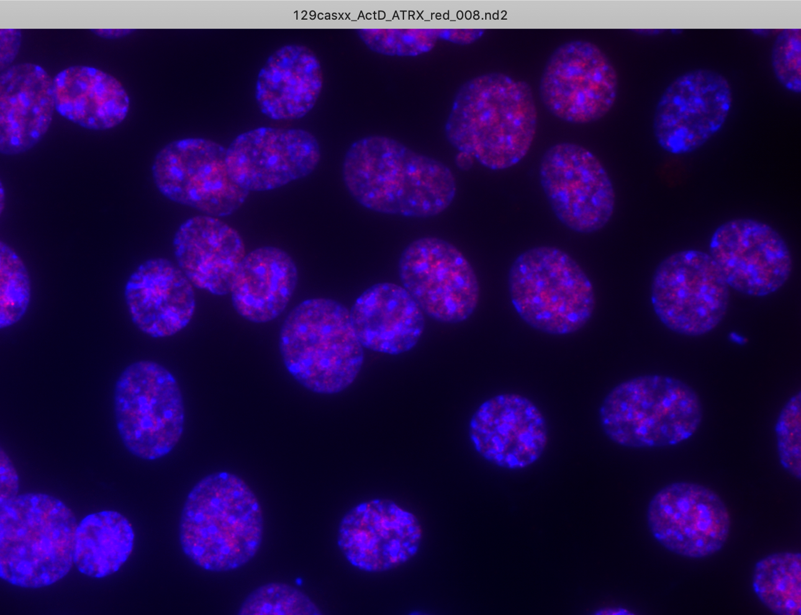

White boxes show the representative image used in the paper.

Fig2B
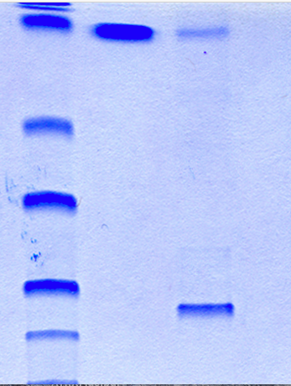
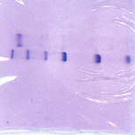
Coomassie of purified proteins

GST-RBR
GST
ATRX-Helic
ATRX-WT
ATRX-DRBR

Fig2H
Flag Immunoprecipitated material
FLAG-ATRX-WT-HA
FLAG-ATRX-DRBR - HA
ATRX-DRBR - HA
Flag beads

ATRX-WT-HA

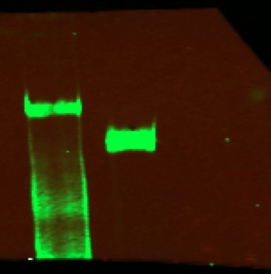
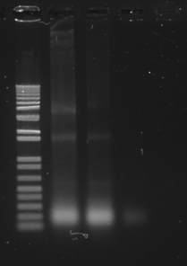

Anti ATRX

Fig3A
Western blot for ATRX, DAXX and Actin in WT and ATRX△RBR MEFs

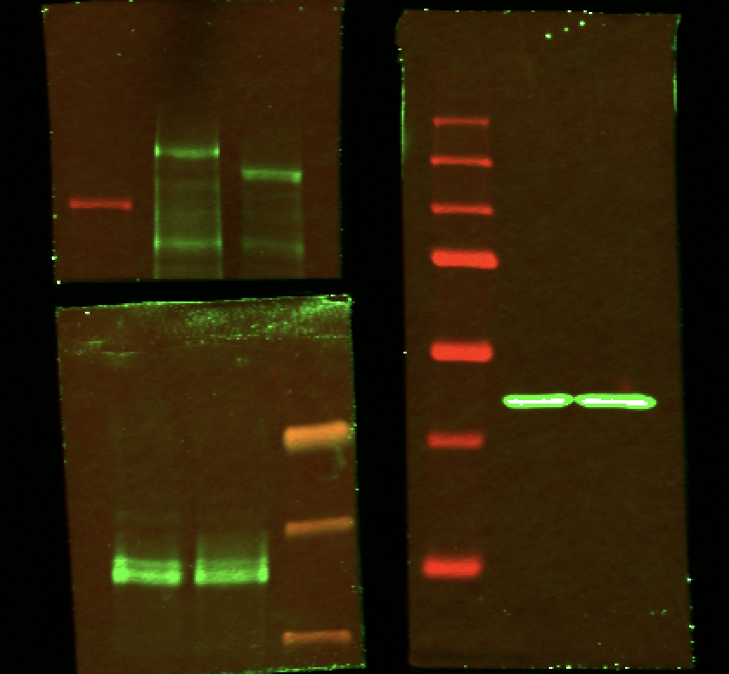
ATRX
Actin

DAXX

Fig3B
Endogenous IP to test interaction with ATRX and ATRX△RBR with DAXX

 | WT ATRX | ATRX△RBR

input
IgG
ATRX IP
input
ATRX IP
IgG

anti ATRX

Anti DAXX

Fig3C
Immunoprecipitation to test interaction of WT ATRX and ATRX△RBR to endogenous DAXX

 | 10% Input | HA- IP

ATRX-DRBR-HA
ATRX-DRBR-HA
WT-ATRX HA
WT-ATRX HA

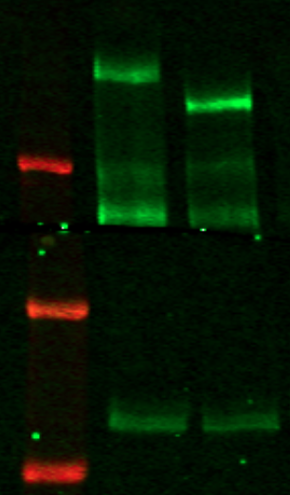

Anti HA
Anti HA

Anti DAXX
Anti DAXX

Fig3E
Immunofluorescence for ATRX in WT and ATRX△RBR MEF

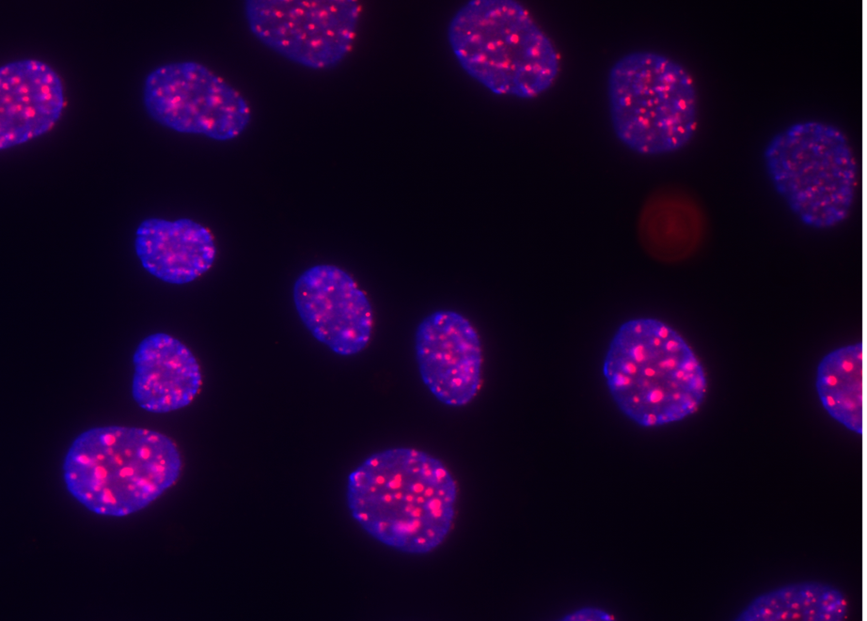

WT MEF

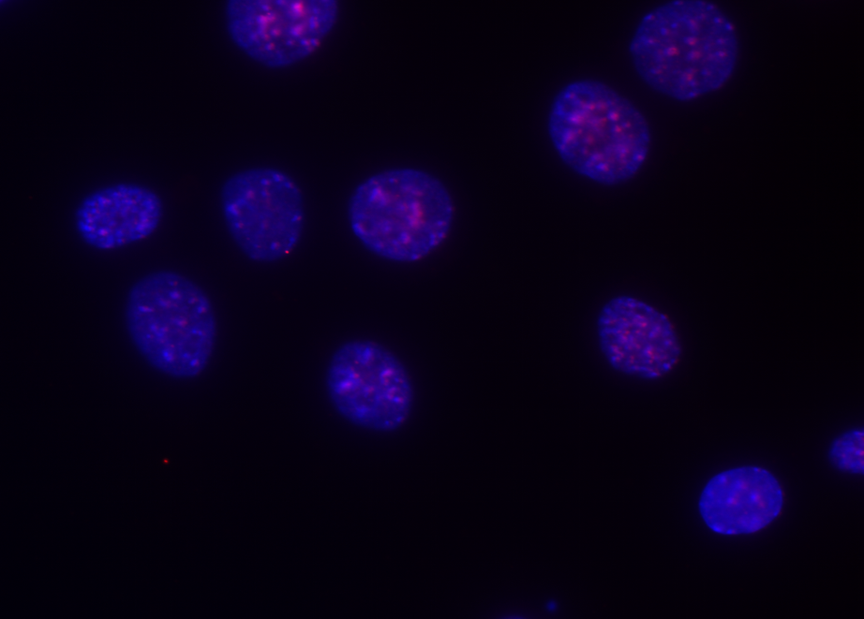

ATRXdRBR MEF

Fig3F
Immunofluorescence for Cbx5 in WT and ATRX△RBR MEF
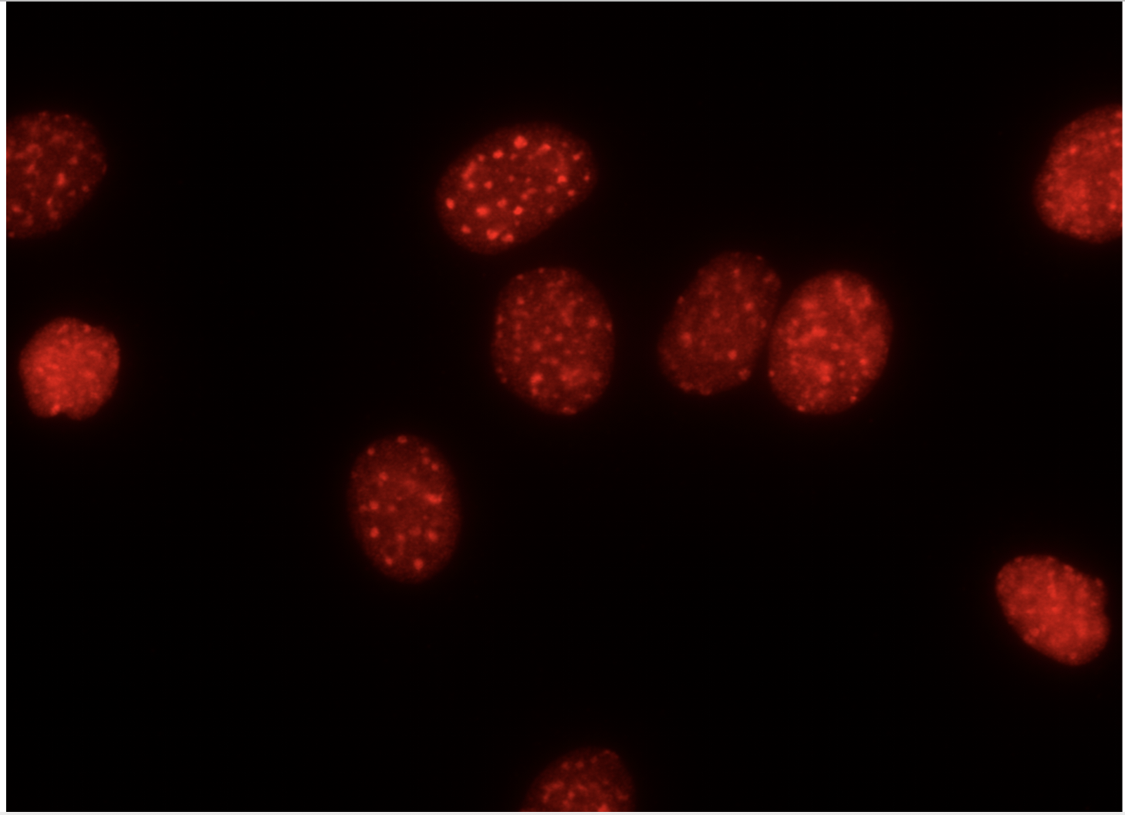
WT MEF_ Cbx5

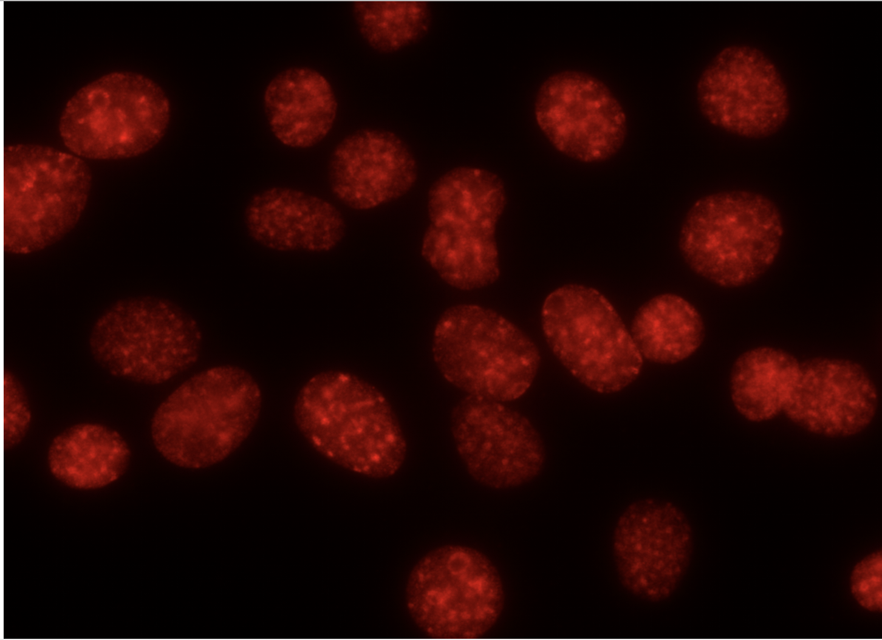
dRBR MEF_ Cbx5

Fig3G
major satellite expression relative to GAPDH in WT and ATRXdRBR MEFs

 |  |  |  | WT normalized to 1
Expt 1 | 5.7369170986 | 5.2283955465 |  | 1 | 0.91135978725
Expt 2 | 11.413758945 | 4.4830145053 |  | 1 | 0.39277283908
Expt 3 | 9.5743841997 | 5.1267358659 |  | 1 | 0.53546377072
 |  |  | mean | 1 | 0.61319879902
 |  |  | SEM |  | 0.1546664763

minor satellite expression relative to GAPDH in WT and ATRXdRBR MEFs

 |  |  |  | WT normalized to 1
Expt 1 | 0.29206846788 | 1.7342404149 |  | 1 | 5.9377872165
Expt 2 | 0.17428820123 | 2.8305987119 |  | 1 | 16.240908403
Expt 3 | 0.14716070185 | 2.8419363788 |  | 1 | 19.311788699
 |  |  | mean | 1 | 13.83016144
 |  |  | SEM |  | 4.0445335373

Fig3H
Fractionation of WT and ATRX△RBR MEFs

ATRX

EZH2

alpha tubulin

Fig3I
Fractionation of ATRX△RBR with and without Rnase A treatment

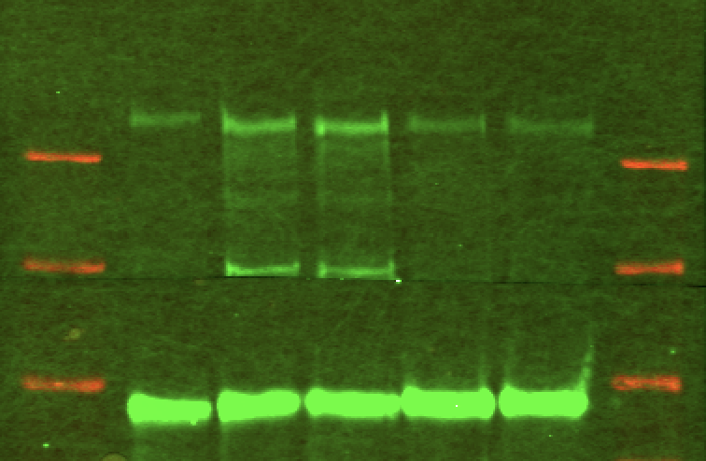
ATRX

EZH2

Fig5D
ATRX IP to check in vitro interaction between WT ATRX, ATRX△RBR, and PRC2 complex

 | Anti ATRX-IP | INPUT

FlagATR△RBR HA + PRC2 (FLAG-EZH2)
FlagATR△RBR HA + PRC2 (FLAG-EZH2)
FLAG-ATRX-HA + PRC2 (FLAG-EZH2)
FLAG-ATRX-HA + PRC2 (FLAG-EZH2)

PRC2 alone (FLAG-EZH2)
PRC2 alone (FLAG-EZH2)

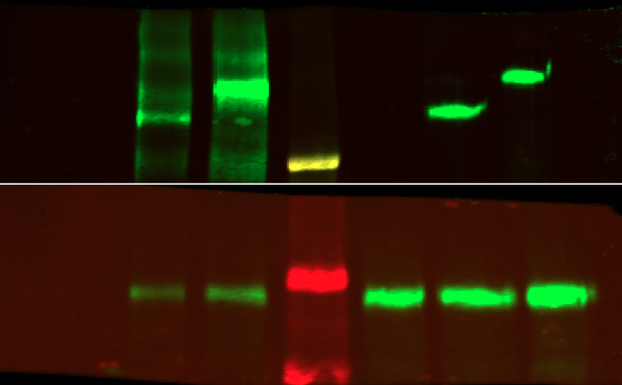
Anti ATRX

Anti EZH2

FigS1A
Characterization of ATRX antibodies by western blot

WT MEF NE
ATRX KO MEF NE

FigS1B
Characterization of ATRX antibodies by immunofluorescence

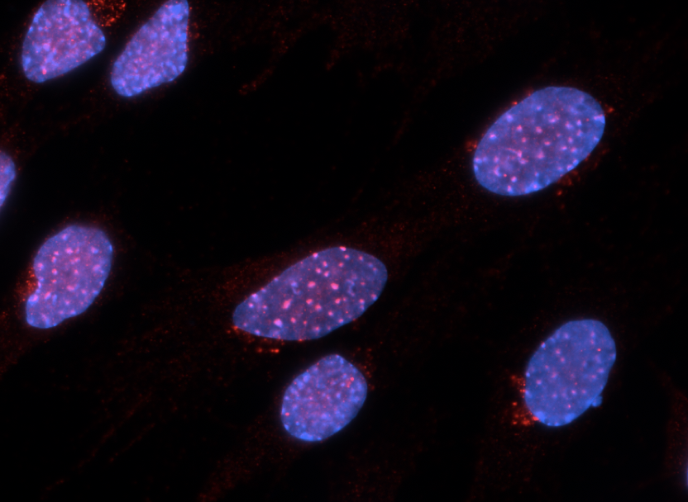

WT MEF

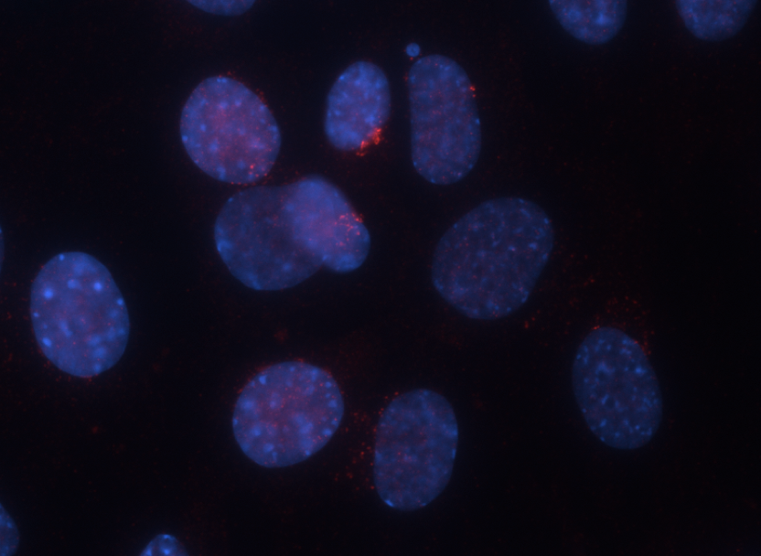

ATRX KO MEF

FigS1C
Co-staining of ATRX and PML in WT MEF with and without Rnase A treatment

 | WT MEF | WT MEF + Rnase A treatment

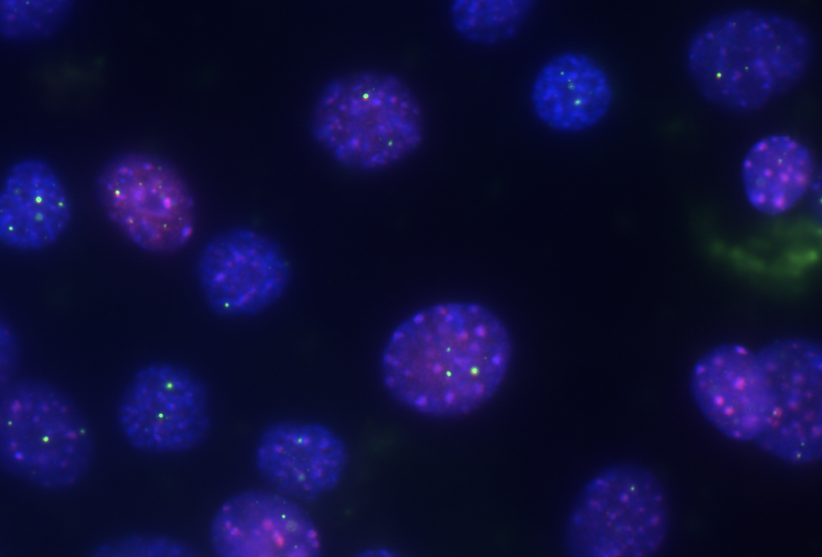
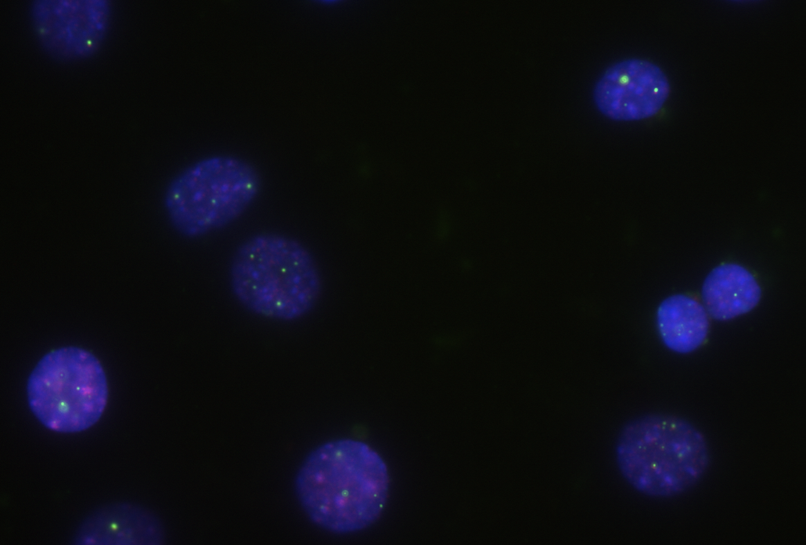

ATRX
ATRX
PML
PML

FigS2D
ATRX-DRBR - HA
Flag beads
ATRX-WT-HA
Input for Fig2H

FLAG-ATRX-WT-HA
FLAG-ATRX-DRBR - HA

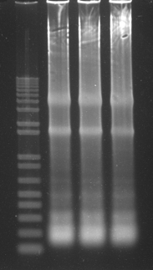

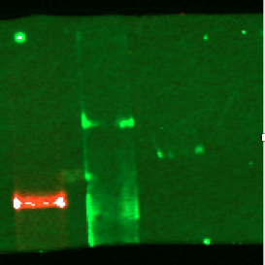

Anti ATRX

FigS3C
ATRX, DAXX western in ATRX KD clones

ATRX-KD1
ATRX-KD2
WT

 | Anti ATRX

 | Anti DAXX

 | Anti tubulin

FigS6D
Parp12
RT_PCR analysis

 | gene expression levels relative to GAPDH in MEF, EZH2i, ATRX ΔRBR

 | Parp12 |  | WT | EZH2i | ATRX ΔRBR
 |  | rep1 | 6.4363342164E-05 | 0.0016224399397 | 0.0012428445421
 |  | rep2 | 3.0748585316E-05 | 0.00092015194774 | 0.0007733156387
 |  | rep3 | 6.6830384907E-05 | 0.001865070615 | 0.0012548253168

 |  | mean | 5.3980770796E-05 | 0.0014692208341 | 0.0010903284992
 |  | error bar | 2.0157440477E-05 | 0.00049073912893 | 0.00027460653676
 |  | p-value |  | 0.034986998454 | 0.019510595704 | 0.10532776031

 | Rnf40 |  | WT | EZH2i | ATRX ΔRBR
 |  | rep1 | 3.6280533896E-06 | 1.5062569138E-05 | 1.2194234295E-05
 |  | rep2 | 2.2099424872E-06 | 2.2969029519E-05 | 1.0576826974E-05
 |  | rep3 | 2.759012185E-06 | 2.1129925083E-05 | 8.8726180371E-06

 |  | mean | 2.8656693539E-06 | 1.9720507914E-05 | 1.0547893102E-05
 |  | error bar | 7.1504646467E-07 | 4.1373749537E-06 | 1.6609971455E-06
 |  | p-value |  | 0.026440902996 | 0.010317371916 | 0.10060243414

 | ACTIN |  | WT | EZH2i | ATRX ΔRBR
 |  | rep1 | 0.12106861641 | 0.11761017695 | 0.3426920173
 |  | rep2 | 0.18321266068 | 0.28118203699 | 0.1428050977
 |  | rep3 | 0.2145065185 | 0.36349183423 | 0.17234445995

 |  | mean | 0.1729292652 | 0.25409468272 | 0.21928052499
 |  | error bar | 0.04756018875 | 0.12515886272 | 0.10789319166
 |  | p-value |  | 0.2117333707 | 0.64970861492 | 0.8150930552

