Figure 1a
Figure 1
soleus
EDL

A

Mdx 1
WT 1
Mdx 2
WT 2
Mdx 3
WT 3
Mdx 1
WT 1
Mdx 2
Mdx 3
WT 2
WT3

kDa
kDa

250
250
70
70
Antibodies : Primary: eEF1A2 (provided by Dr. Abbott's laboratory - produced in their laboratory) (previously used in Miura et al. 2010 HMG)
 | Secondary: Goat-anti rabbit HRP (Jackson, ImmunoResearch, Bar Harbor, USA) cat# 111-035-033, lot#137093
55
55
eEF1A2
eEF1A2
35
35

kDa
kDa
250
250
Antibody : HRP conjugated β-actin (Santa Cruz, Dallas, USA), cat# sc-47778, lot# j2915
70
55
70
β-actin
55
35
β-actin
35

Figure1b
pcDNA
eEF1A2
pcDNA
eEF1A2
pcDNA
eEF1A2
pcDNA
eEF1A2
pcDNA
eEF1A2
pcDNA
eEF1A2
pcDNA
eEF1A2

B
kDa
kDa

Antibodies : Primary: Utrophin A (Novocastra, Leica Biosystems, Concord, ON, Canada), cat# NCL DRP2, clone name: DRP3/20C5, lot#6002524
 | Secondary: Goat-anti Mouse HRP (EMD, Millipore, ON, Canada) cat# AP124P, lot#2900264

Utrophin A
Utrophin A
250
250

130
130

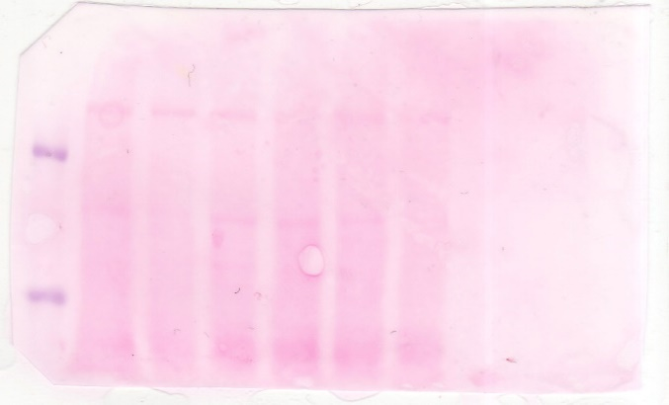
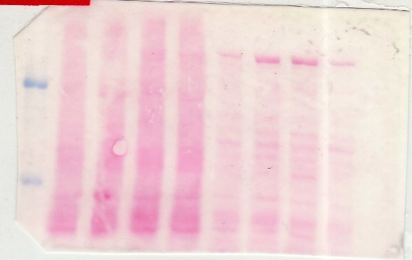

250
250

130
130

Figure1c
C
eEF1A2
pcDNA
eEF1A2
pcDNA
eEF1A2
eEF1A2
pcDNA
eEF1A2
eEF1A2
eEF1A2
pcDNA
eEF1A2
pcDNA
eEF1A2
pcDNA
eEF1A2
pcDNA
eEF1A2
pcDNA
eEF1A2
pcDNA
eEF1A2
pcDNA
eEF1A2
pcDNA
eEF1A2
pcDNA
pcDNA
eEF1A2
pcDNA
pcDNA
eEF1A2
pcDNA
pcDNA
eEF1A2
pcDNA
eEF1A2
pcDNA
eEF1A2
pcDNA
pcDNA
eEF1A2
kDa
kDa
kDa
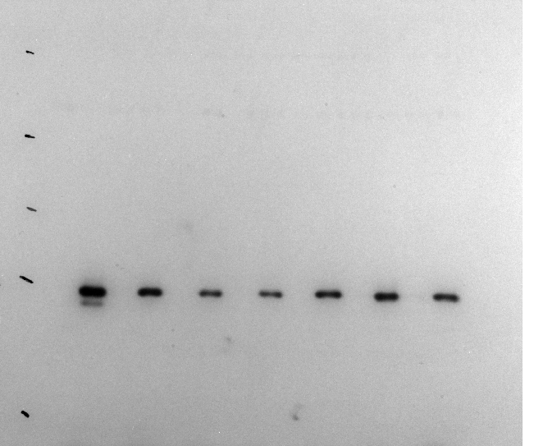
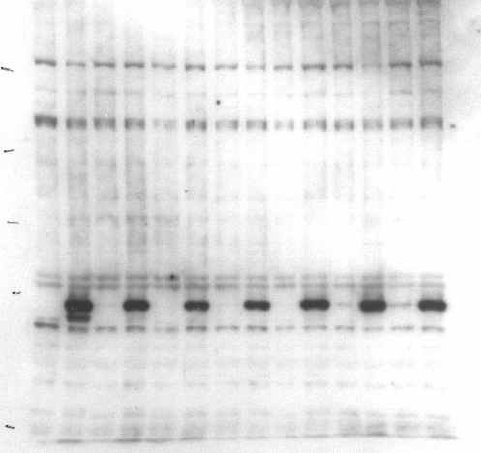
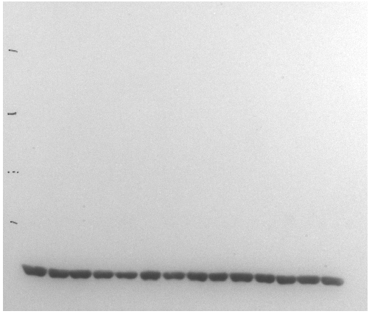
Antibodies : | Primary: Myc Tag (Abcam, Toronto, ON, Canada) cat# ab9132, lot# GR26402-4
 | Secondary: Donkey-anti Goat HRP (Jackson, ImmunoResearch, Bar Harbor, USA) cat# 705-035-003, lot#115950
130
130
130
100
100
 | Primary: eEF1A2 (provided by Dr. Abbott's laboratory - produced in their laboratory) (previously used in Miura et al. 2010 HMG)
 | Secondary: Goat-anti rabbit HRP (Jackson, ImmunoResearch, Bar Harbor, USA) cat# 111-035-033, lot#137093
100
 | HRP conjugated β-actin (Santa Cruz, Dallas, USA), cat# sc-47778, lot# j2915
70
70
70

55
55
55
Myc tag
eEF1A2

Β-actin
35
35

Figure 3a
Figure 3
veh
Betaxolol
veh
Betaxolol
veh
Betaxolol
A
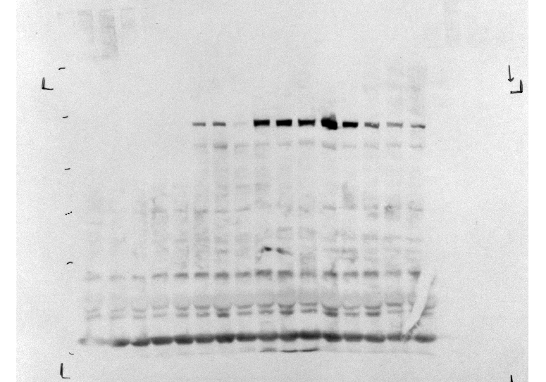
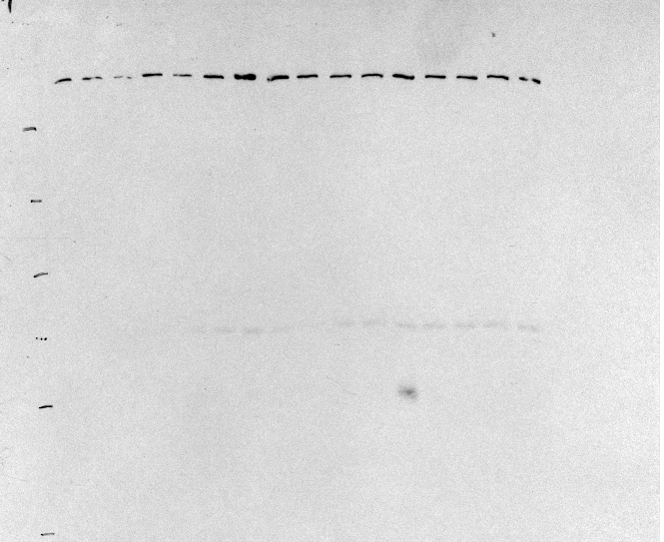
250
Utrophin A
250
130
250
130
130
100
100
100
Antibodies : Primary: eEF1A2 (provided by Dr. Abbott's laboratory - produced in their laboratory) (previously used in Miura et al. 2010 HMG)
 | Secondary: Goat-anti rabbit HRP (Jackson, ImmunoResearch, Bar Harbor, USA) cat# 111-035-033, lot#137093
70
70
55
70
eEF1A2
55
55
Antibodies : Primary: Utrophin A (Novocastra, Leica Biosystems, Concord, ON, Canada), cat# NCL DRP2, clone name: DRP3/20C5, lot#6002524
 | Secondary: Goat-anti Mouse HRP (EMD, Millipore, ON, Canada) cat# AP124P, lot#2900264

35
35
35

Figure 3b
Figure 3

veh
Prava
B
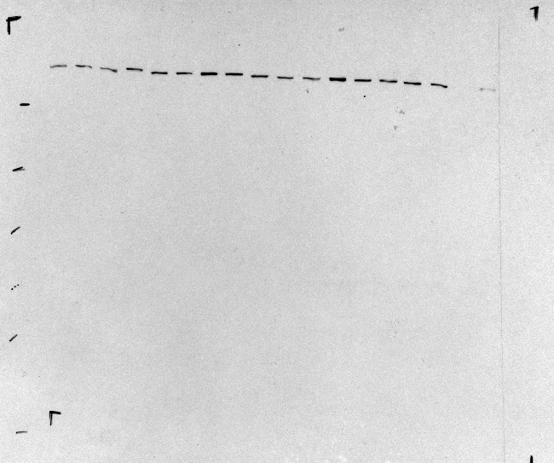
veh
Prava
veh
Prava
Utrophin A
250
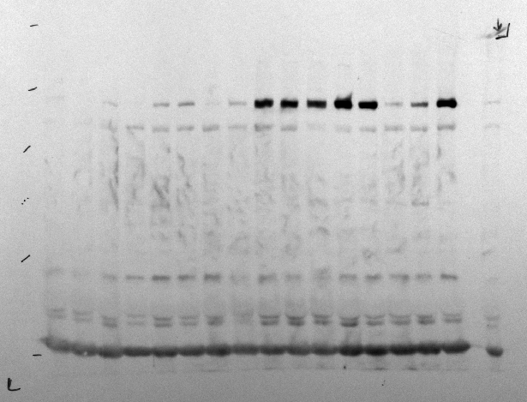
250
250
130
Antibodies : Primary: eEF1A2 (provided by Dr. Abbott's laboratory - produced in their laboratory) (previously used in Miura et al. 2010 HMG)
 | Secondary: Goat-anti rabbit HRP (Jackson, ImmunoResearch, Bar Harbor, USA) cat# 111-035-033, lot#137093
130
130
100
100
100
70
Antibodies : Primary: Utrophin A (Novocastra, Leica Biosystems, Concord, ON, Canada), cat# NCL DRP2, clone name: DRP3/20C5, lot#6002524
 | Secondary: Goat-anti Mouse HRP (EMD, Millipore, ON, Canada) cat# AP124P, lot#2900264
70
70
55
eEF1A2
55
55

35
35
35

Figure 3c
Figure 3

Betaxolol
veh
Pravastatin
WT
CAT rec
Betaxolol
veh
Pravastatin
WT
C
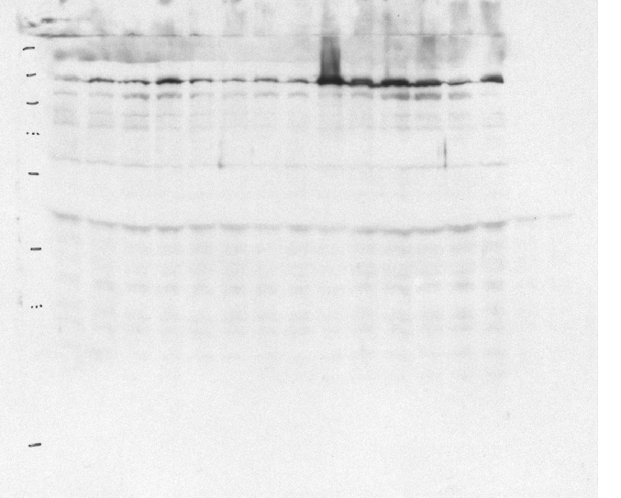
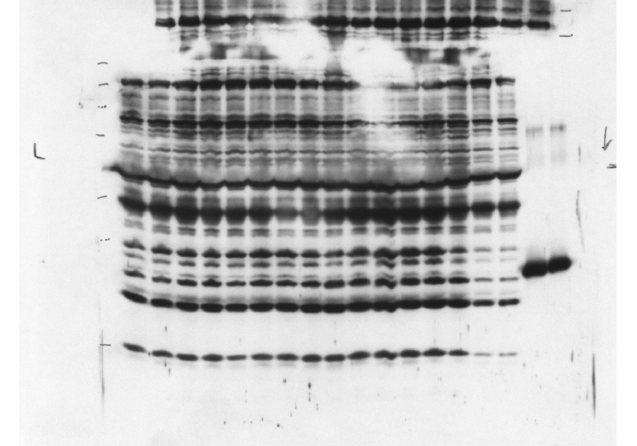
250
250
100
130
130
Β-Gal
70
100
70
55
55
35
Antibodies : Primary: Chloramphenicol Acetyltransferase (CAT) (Abcam, Toronto, ON, Canada) cat# ab50151, lot# GR29189-5
 | Secondary: Goat-anti rabbit HRP (Jackson, ImmunoResearch, Bar Harbor, USA) cat# 111-035-033, lot#137093
35
25
25
CAT
Antibodies : Primary: beta-Galactosidase (β-Gal) (Abcam, Toronto, ON, Canada) cat# ab616, lot# GR17208-3
 | Secondary: Goat-anti rabbit HRP (Jackson, ImmunoResearch, Bar Harbor, USA) cat# 111-035-033, lot#137093

15
15

Betaxolol
veh
Pravastatin
WT
CAT rec

130
250
100
70
55

35
25

15

Figure 5c
Figure 5
WT
mdx+ veh
mdx + Betaxolol
WT
mdx+ veh
mdx + Betaxolol
C
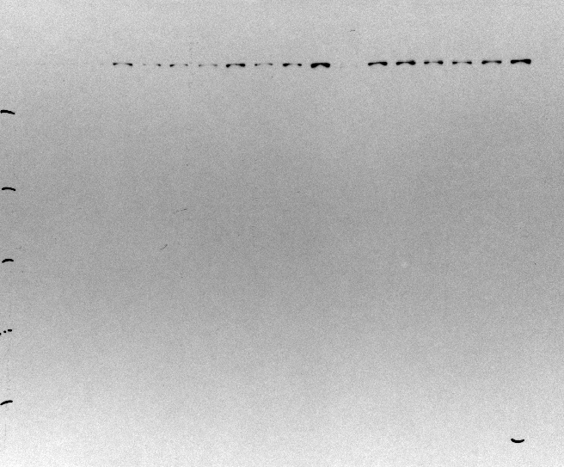
Utrophin A
250
250
130
130
100
70
Antibodies : Primary: eEF1A2 (provided by Dr. Abbott's laboratory - produced in their laboratory) (previously used in Miura et al. 2010 HMG)
 | Secondary: Goat-anti rabbit HRP (Jackson, ImmunoResearch, Bar Harbor, USA) cat# 111-035-033, lot#137093
100
55
eEF1A2
70
Antibodies : Primary: Utrophin A (Novocastra, Leica Biosystems, Concord, ON, Canada), cat# NCL DRP2, clone name: DRP3/20C5, lot#6002524
 | Secondary: Goat-anti Mouse HRP (EMD, Millipore, ON, Canada) cat# AP124P, lot#2900264
35
55

250
250
130
130
100
70
100

55
70

55
35

Figure 5d
Figure 5

D

WT
mdx+ veh
mdx + Pravastatin
WT
mdx+ veh
mdx + Pravastatin
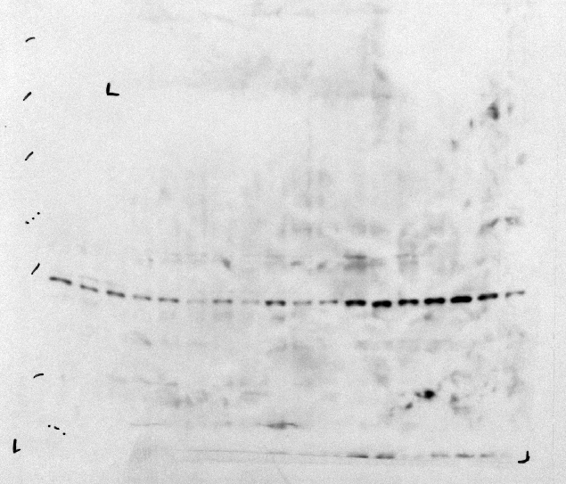

250
250
Utrophin A
130

100
130
70
100
55
eEF1A2
70

35
55
25
Antibodies : Primary: eEF1A2 (provided by Dr. Abbott's laboratory - produced in their laboratory) (previously used in Miura et al. 2010 HMG)
 | Secondary: Goat-anti rabbit HRP (Jackson, ImmunoResearch, Bar Harbor, USA) cat# 111-035-033, lot#137093

Antibodies : Primary: Utrophin A (Novocastra, Leica Biosystems, Concord, ON, Canada), cat# NCL DRP2, clone name: DRP3/20C5, lot#6002524
 | Secondary: Goat-anti Mouse HRP (EMD, Millipore, ON, Canada) cat# AP124P, lot#2900264

250
250
130
130
100
70
100

55
70

35
55

25

Figure 7a
Figure 7
WT+ veh
WT+ Prava

A

Utrophin A
WT+ veh
WT+ Prava
250

130
130
Antibodies : Primary: Utrophin A (Novocastra, Leica Biosystems, Concord, ON, Canada), cat# NCL DRP2, clone name: DRP3/20C5, lot#6002524
 | Secondary: Goat-anti Mouse HRP (EMD, Millipore, ON, Canada) cat# AP124P, lot#2900264

100
100
Antibodies : Primary: eEF1A2 (provided by Dr. Abbott's laboratory - produced in their laboratory) (previously used in Miura et al. 2010 HMG)
 | Secondary: Goat-anti rabbit HRP (Jackson, ImmunoResearch, Bar Harbor, USA) cat# 111-035-033, lot#137093
70
70

55
55

eEF1A2

35
35

WT+ veh
WT+ Prava

250

130

100

70

55

35

Figure 7b
Figure 7
WT+ veh
WT+ Prava
B
WT+ veh
WT+ Prava
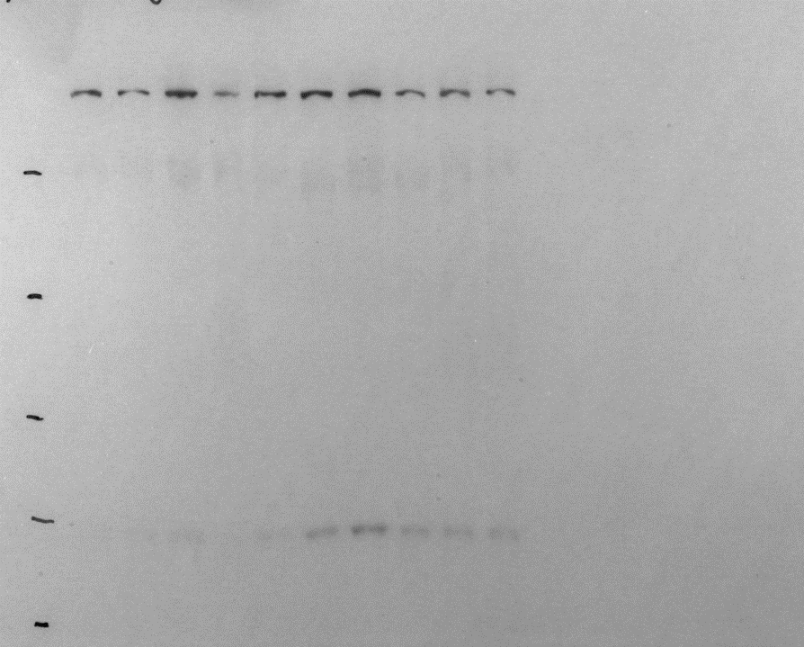

Utrophin A
250
250
Antibodies : Primary: Utrophin A (Novocastra, Leica Biosystems, Concord, ON, Canada), cat# NCL DRP2, clone name: DRP3/20C5, lot#6002524
 | Secondary: Goat-anti Mouse HRP (EMD, Millipore, ON, Canada) cat# AP124P, lot#2900264
130
130
100
Antibodies : Primary: eEF1A2 (provided by Dr. Abbott's laboratory - produced in their laboratory) (previously used in Miura et al. 2010 HMG)
 | Secondary: Goat-anti rabbit HRP (Jackson, ImmunoResearch, Bar Harbor, USA) cat# 111-035-033, lot#137093
100
70
70

55
55
eEF1A2

WT+ veh
WT+ Prava
35

250

130

100

70

55

35

Suppl.1
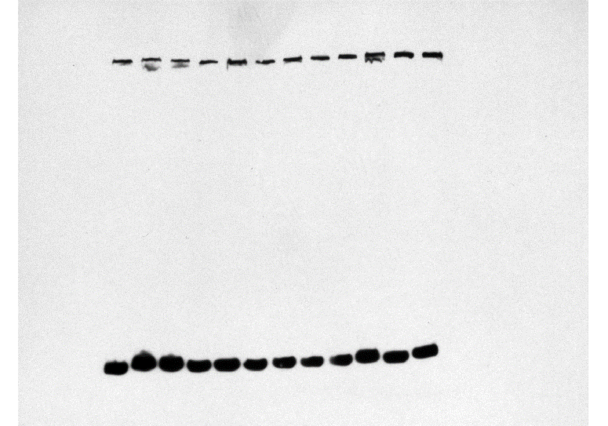
Supplemental Figure 1
Betaxolol
Hydrochlorothiazide
Acarbose
veh
1µM
5µM
10µM
veh
0.15µM
1µM
5µM
veh
0.1µM
1µM
5µM
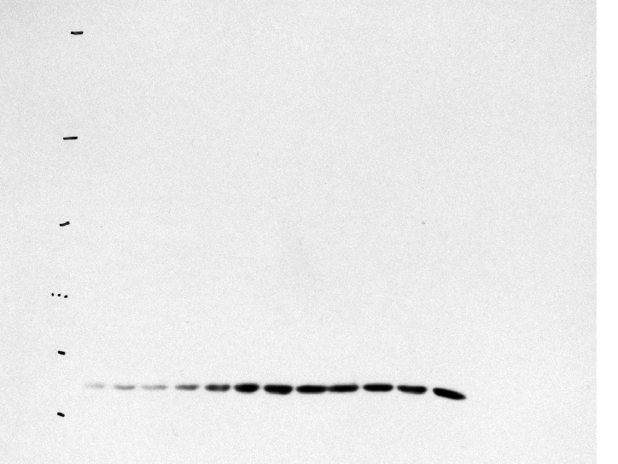
250
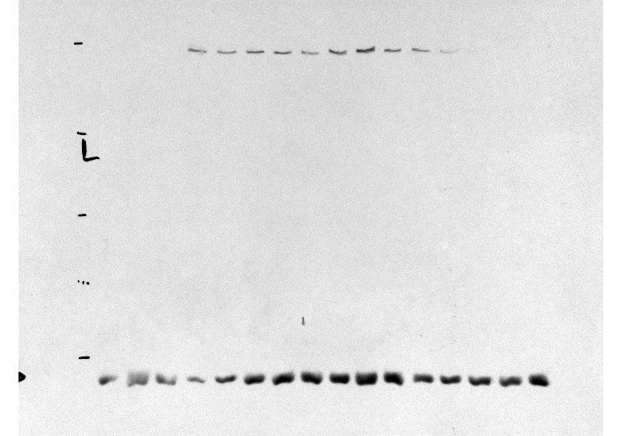
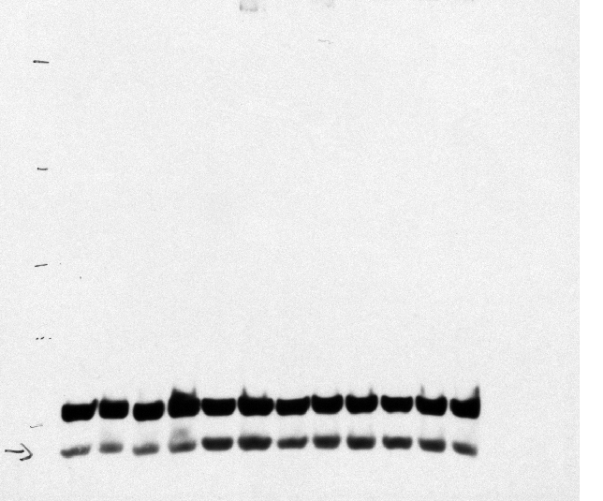
250
250
130
130
Antibodies : Primary: eEF1A2 (provided by Dr. Abbott's laboratory - produced in their laboratory) (previously used in Miura et al. 2010 HMG)
 | Secondary: Goat-anti rabbit HRP (Jackson, ImmunoResearch, Bar Harbor, USA) cat# 111-035-033, lot#137093
130

100
100
70
100
Antibodies : Primary: Utrophin A (Novocastra, Leica Biosystems, Concord, ON, Canada), cat# NCL DRP2, clone name: DRP3/20C5, lot#6002524
 | Secondary: Goat-anti Mouse HRP (EMD, Millipore, ON, Canada) cat# AP124P, lot#2900264
70
70
55
55
35
eEF1A2
55
eEF1A2
eEF1A2
Acarbose
Betaxolol
Hydrochlorothiazide
veh
0.15µM
1µM
5µM
veh
0.1µM
1µM
5µM
veh
1µM
5µM
10µM
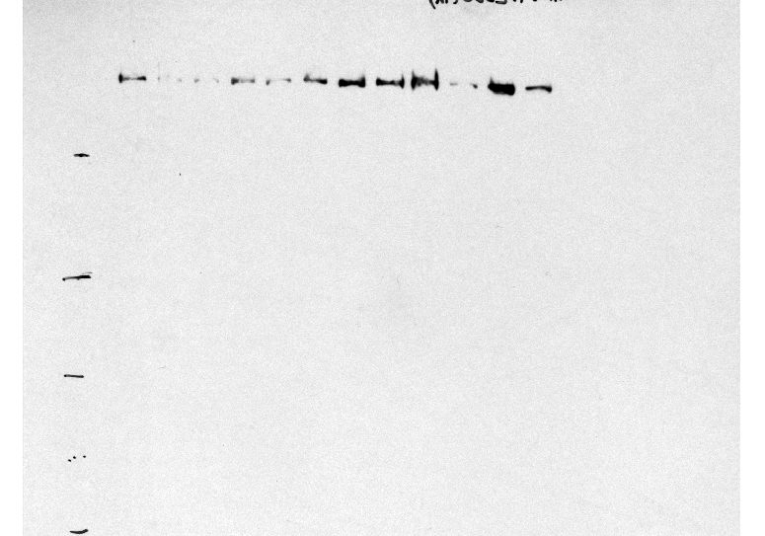
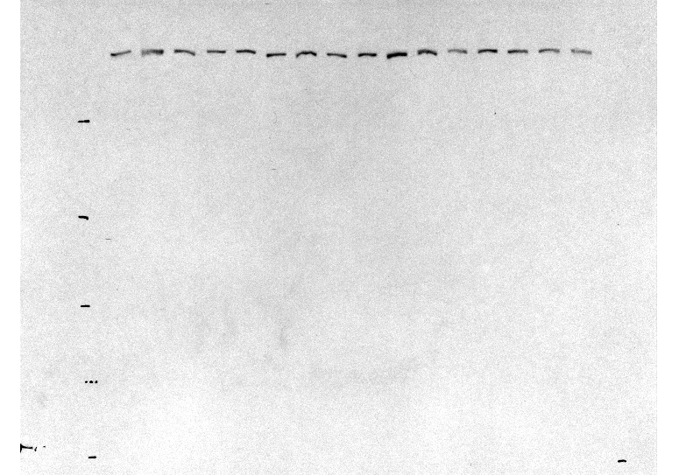
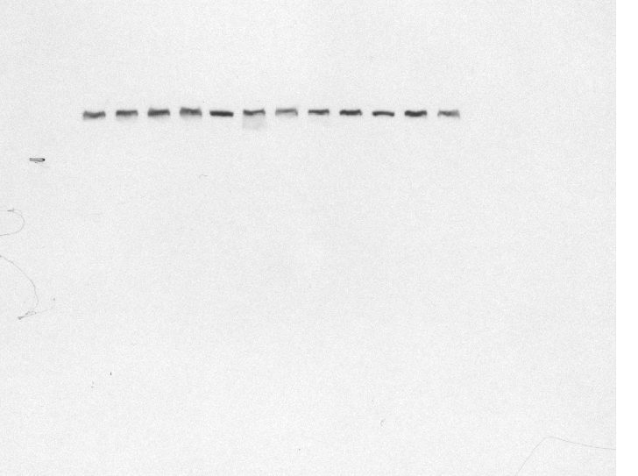
Utrophin
250
Utrophin
250
Utrophin
250
130
130
130
100
100
70
100
70
55
55
70

250
250
250

130
130
130

100
100
100

70
70
70
55
55
55
35
35

Labetalol
Nizatidine
Nizatidine
veh
0.1µM
1µM
0.5µM
Lovastatin
250
veh
10nM
100nM
20nM
veh
20nM
10nM
100nM
veh
10nM
20nM
100nM
100
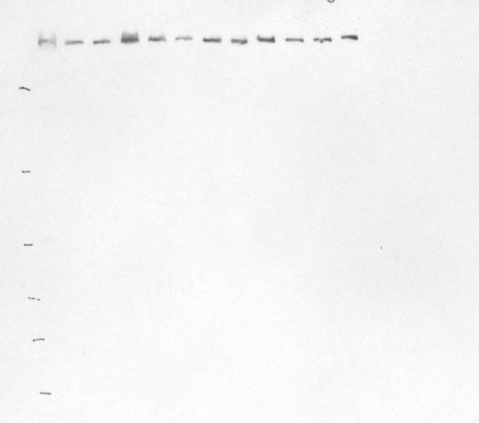
130
250
130
250
Utrophin
70
100
130
55
130
eEF1A2
70
100
35
100
55
70
25
70
35
eEF1A2
55
55
35
15
Labetalol
Lovastatin
eEF1A2
35
veh
0.1µM
1µM
0.5µM
veh
10nM
100nM
20nM
250
250
Utrophin
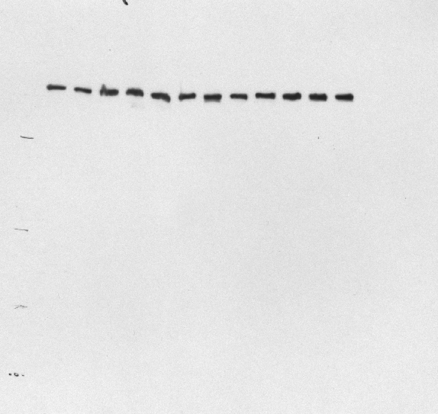
130
100
250
130
250
Utrophin
70
55
130
100
130
35
100
70
100
25
70
55
15
55
35
70
35

250
250

130
130

100
100
70
70
55
55
35
35

250
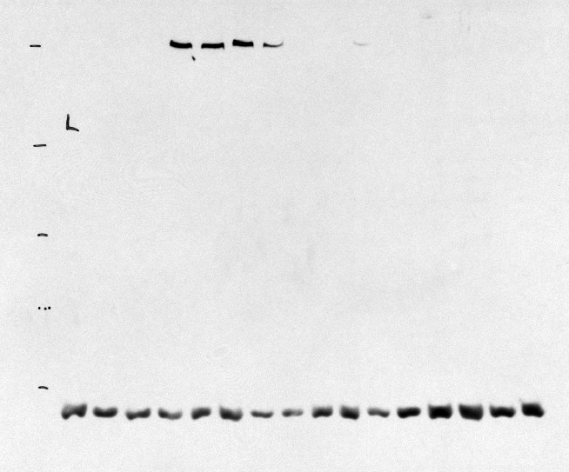

130
130

100

70
70
55
55
35

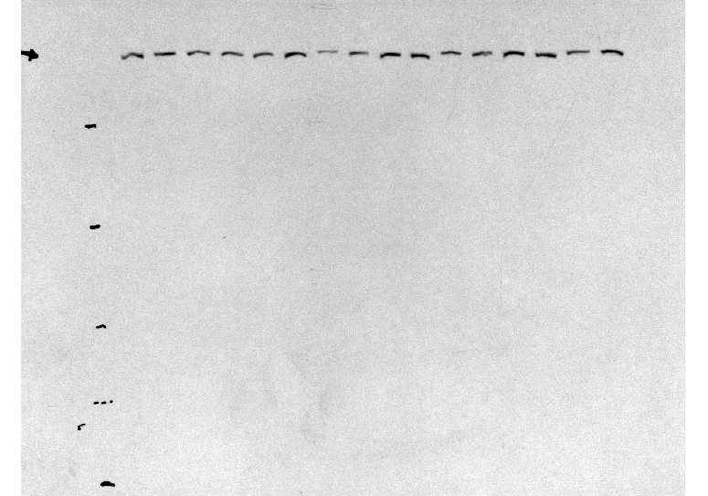

250

130

100
70

250

130

100

70

55
35

Suppl.2
Supplemental Figure 2

Betaxolol
Pravastatin
veh
0.15µM
20nM
1µM
80nM

Betaxolol
Pravastatin
Utrophin
veh
0.15µM
1µM
20nM
80nM
245
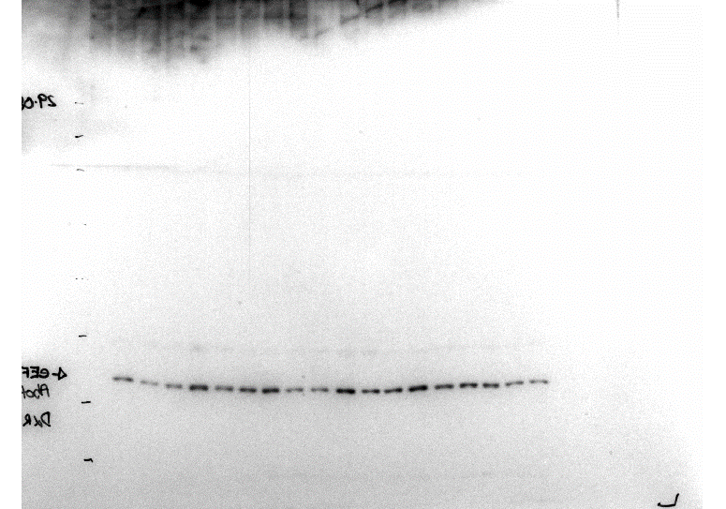
245
180
180

135
135
100
100
Antibodies : Primary: Utrophin A (Novocastra, Leica Biosystems, Concord, ON, Canada), cat# NCL DRP2, clone name: DRP3/20C5, lot#6002524
 | Secondary: Goat-anti Mouse HRP (EMD, Millipore, ON, Canada) cat# AP124P, lot#2900264
75
75

63
63
Antibodies : Primary: eEF1A2 (provided by Dr. Abbott's laboratory - produced in their laboratory) (previously used in Miura et al. 2010 HMG)
 | Secondary: Goat-anti rabbit HRP (Jackson, ImmunoResearch, Bar Harbor, USA) cat# 111-035-033, lot#137093

48
48
eEF1A2

Betaxolol
Pravastatin
veh
0.15µM
1µM
20nM
80nM

245
180

135
100

75

63

48

Suppl.4a
Supplemental Figure 4
mdx + veh
mdx + Pravastatin

A
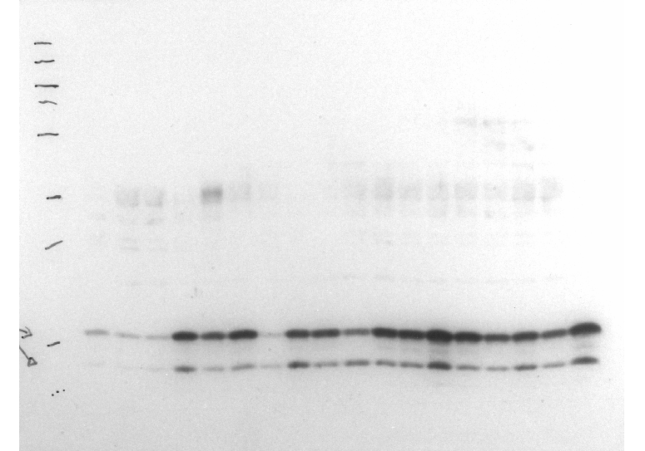
250
130
100
70
55

35
Antibodies : Primary: LC3AB (D3U4C) (Cell Signaling, Danvers, MA, USA), cat# 12741S, lot#3
 | Secondary: Goat-anti rabbit HRP (Jackson, ImmunoResearch, Bar Harbor, USA) cat# 111-035-033, lot#137093
25

15
LC3A/B I
LC3A/B II
10

250
130
70
100
55

35

25

15

10

Suppl.4b
Supplemental Figure 4
B

mdx + veh
mdx + Betaxolol

250
130
100
70
55

35
Antibodies : Primary: LC3AB (D3U4C) (Cell Signaling, Danvers, MA, USA), cat# 12741S, lot#3
 | Secondary: Goat-anti rabbit HRP (Jackson, ImmunoResearch, Bar Harbor, USA) cat# 111-035-033, lot#137093

25

LC3A/B I
15
LC3A/B II

10

250
130
100
70
55

35

25

15

10

