Figure 1
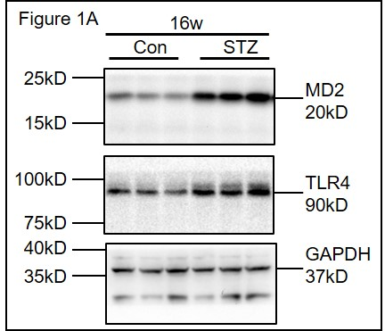
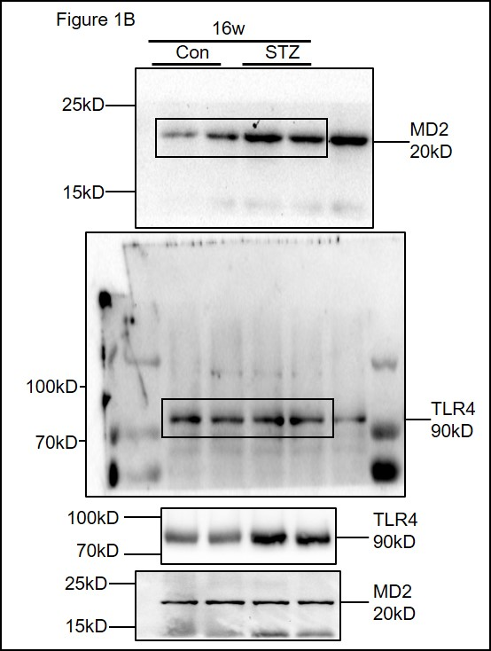
Figure 1A | Relative level of protein |  |  | Figure 1B
 |  | MD2/GAPDH | TLR4/GAPDH
 | Con 1 | 0.1996588 | 0.233829
 | Con 2 | 0.1759213 | 0.1730921
 | Con 3 | 0.0843194 | 0.2167928
 | Con 4 | 0.0048599 | 0.1025825

 | STZ 1 | 0.6061339 | 0.531263
 | STZ 2 | 0.9295731 | 0.9488066
 | STZ 3 | 0.8667135 | 0.767157
 | STZ 4 | 0.7233664 | 0.541802

Figure 2
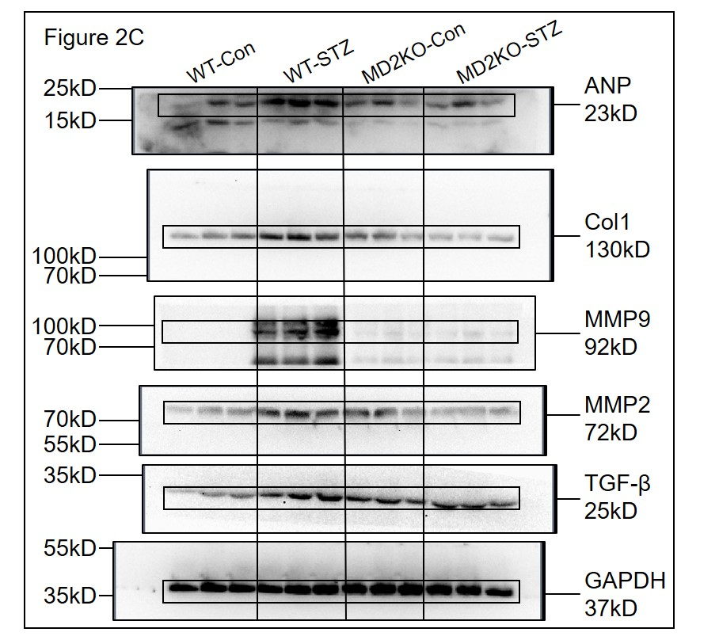
Figure 2B | Relative amount of mRNA |  |  |  |  |  | Figure 2C
 | ANP | Col-1 | MMP9 | MMP2 | TGF-β
WT-Con 1 | 1.658639 | 0.267943 | 0.7244711 | 0.7448387 | 1
WT-Con 2 | 1.028114 | 2.20381 | 0.933033 | 1.003472 | 0.5723621
WT-Con 3 | 3.89062 | 1.375542 | 0.5158416 | 1 | 1.328686
WT-Con 4 | 1.729074 | 2.770219 | 1 | 0.6925547 | 1.853176
WT-Con 5 | 1.580083 | 2.143547 | 0.4307731 | 0.6134425 | 1.375542
WT-Con 6 | 1.45 | 0.012958 | 0.3724194 | 0.5864175 | 1.681793

WT-STZ 1 | 4.287094 | 4 | 4.484664 | 3.823781 | 3.73705
WT-STZ 2 | 4.823231 | 5.278032 | 2.337554 | 6.276673 | 9.42712
WT-STZ 3 | 9.24261 | 3.706352 | 3.127479 | 3.351948 | 7.69169
WT-STZ 4 | 8 | 4.287094 | 2.07053 | 11.51147 | 5.88948
WT-STZ 5 | 6.543216 | 4.14106 | 5.897077 | 4.890561 | 1.51954
WT-STZ 6 | 4.924578 | 5.938094 | 3.375263 | 2.042024 | 8.83051
WT-STZ 7 | 6.3034548333 | 4.5584386667 | 3.5487611667 | 5.3160761667 | 6.182565

MD2KO-Con 1 | 0.065154 | 2.361985 | 1.01748 | 0.823591 | 3.877159
MD2KO-Con 2 | 1.274561 | 1.3924 | 0.1533606 | 0.9265881 | 3.063116
MD2KO-Con 3 | 0.062935 | 1.310393 | 0.2983339 | 1.252664 | 2.666597
MD2KO-Con 4 | 1.132884 | 1.482202 | 0.787308 | 1.189207 | 1.189207
MD2KO-Con 5 | 3.340352 | 1.23 | 1.404445 | 1.347234 | 0.3110029
MD2KO-Con 6 | 1.175 | 2.03 | 2.479415 | 1.613284 | 1.846765

MD2KO-STZ 1 | 1.041521 | 1.164734 | 0.8615462 | 0.8179021 | 4.257481
MD2KO-STZ 2 | 2.586417 | 1.433955 | 2.789487 | 0.9862327 | 5.464161
MD2KO-STZ 3 | 2.250117 | 2.530812 | 0.4649025 | 4.484664 | 4.773343
MD2KO-STZ 4 | 0.22688 | 3.052518 | 0.6901587 | 0.4160994 | 4.707627
MD2KO-STZ 5 | 0.438303 | 1.04 | 0.149167 | 2.34567 | 3.506423
MD2KO-STZ 6 | 2.2 | 3.04 | 2.989698 | 1.892115 | 3.386981
MD2KO-STZ 7 | 1.4572063333 | 2.0436698333 | 1.3241599 | 1.8237805333 | 4.349336

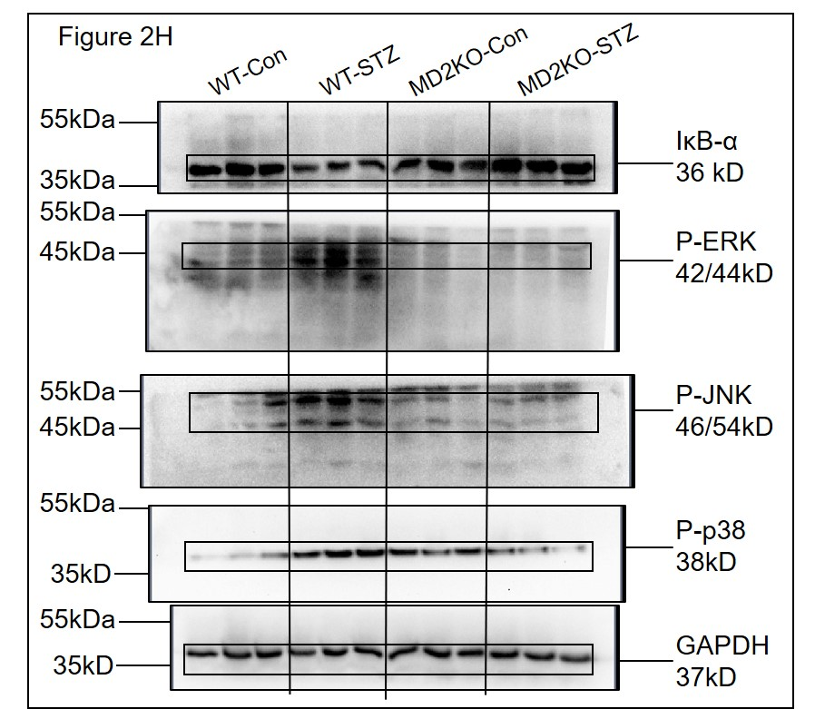
Figure 2F Relative amount of mRNA |  |  | Figure 2G Relative amount of mRNA |  |  | Figure 2H
 | TNF-α |  |  | IL-6
WT-Con 1 | 1.394744 |  | WT-Con 1 | 1.827663
WT-Con 2 | 0.574349 |  | WT-Con 2 | 1.231144
WT-Con 3 | 2.462289 |  | WT-Con 3 | 5.81589
WT-Con 4 | 1.79005 |  | WT-Con 4 | 2.969047
WT-Con 5 | 1.879045 |  | WT-Con 5 | 6.453134
WT-Con 6 | 1.95 |  | WT-Con 6 | 0.064257

WT-STZ 1 | 3.605002 |  | WT-STZ 1 | 13.65533
WT-STZ 2 | 5.464161 |  | WT-STZ 2 | 9.86653
WT-STZ 3 | 9.81254 |  | WT-STZ 3 | 5.61778
WT-STZ 4 | 3.758091 |  | WT-STZ 4 | 4.055838
WT-STZ 5 | 3.340352 |  | WT-STZ 5 | 13.73705
WT-STZ 6 | 9.063071 |  | WT-STZ 6 | 9.57983
WT-STZ 7 | 8.456144 |  | WT-STZ 7 | 13.17746

MD2KO-Con 1 | 1.75435 |  | MD2KO-Con 1 | 0.231647
MD2KO-Con 2 | 1.958841 |  | MD2KO-Con 2 | 5.897077
MD2KO-Con 3 | 0.271684 |  | MD2KO-Con 3 | 0.073302
MD2KO-Con 4 | 0.153893 |  | MD2KO-Con 4 | 1.125058
MD2KO-Con 5 | 0.57983 |  | MD2KO-Con 5 | 5.61778
MD2KO-Con 6 | 0.94372 |  | MD2KO-Con 6 | 2.5889728

MD2KO-STZ 1 | 1.753211 |  | MD2KO-STZ 1 | 0.058315
MD2KO-STZ 2 | 1.042466 |  | MD2KO-STZ 2 | 1.681793
MD2KO-STZ 3 | 2.143547 |  | MD2KO-STZ 3 | 6.233317
MD2KO-STZ 4 | 4.924578 |  | MD2KO-STZ 4 | 0.314253
MD2KO-STZ 5 | 1.741101 |  | MD2KO-STZ 5 | 9.713559
MD2KO-STZ 6 | 0.784584 |  | MD2KO-STZ 6 | 0.30566
MD2KO-STZ 7 | 2.0649145 |  | MD2KO-STZ 7 | 1.283426

Figure 3
Figure 3A | Figure 3B |  | Figure 3C |  | Figure 3D
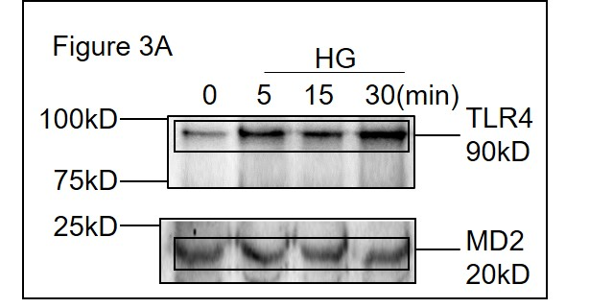
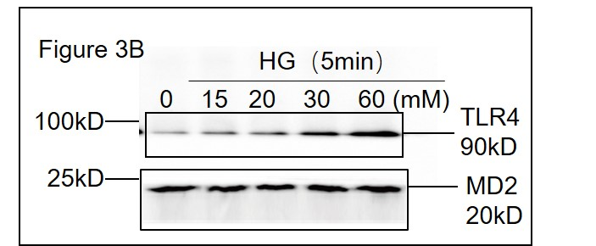
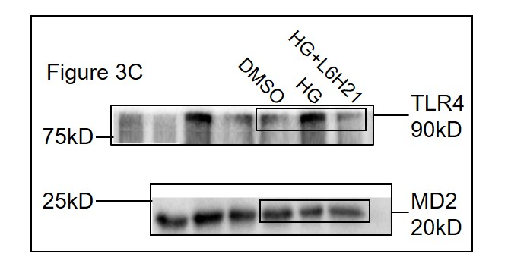
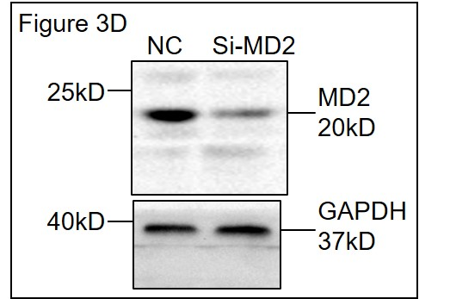

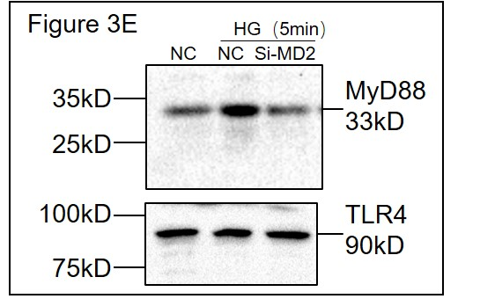
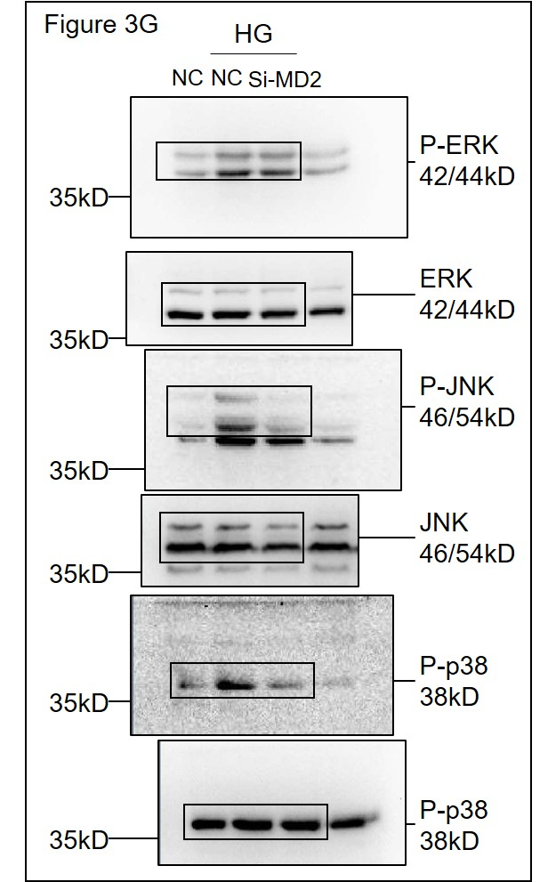
Figure 3E | Figure 3G |  | Figure 3H Relative amount of mRNA |  | Figure 3I Relative amount of mRNA
 |  |  |  | TNF-α |  | TNF-α
 |  |  | NC 1 | 0.15 | NC 1 | 1.01
 |  |  | NC 2 | 0.25 | NC 2 | 1
 |  |  | NC 3 | 0.35 | NC 3 | 0.89

 |  |  | NC+HG 1 | 4.13553 | NC+HG 1 | 4.707627
 |  |  | NC+HG 2 | 4.55696 | NC+HG 2 | 3.655326
 |  |  | NC+HG 3 | 5.234574 | NC+HG 3 | 3.000078

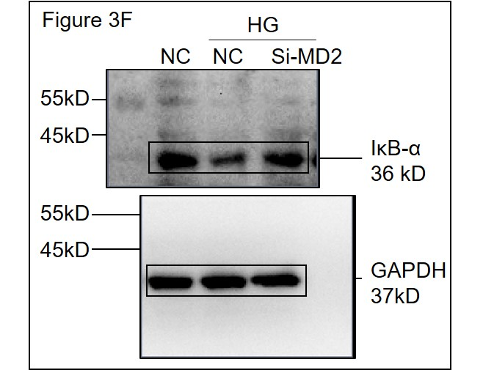
 |  |  | Si-MD2+HG 1 | 0.1892116 | Si-MD2+HG 1 | 1.028114
Figure 3F |  |  | Si-MD2+HG 2 | 0.5151526 | Si-MD2+HG 2 | 0.97942
 |  |  | Si-MD2+HG 3 | 0.7387058 | Si-MD2+HG 3 | 1.879045

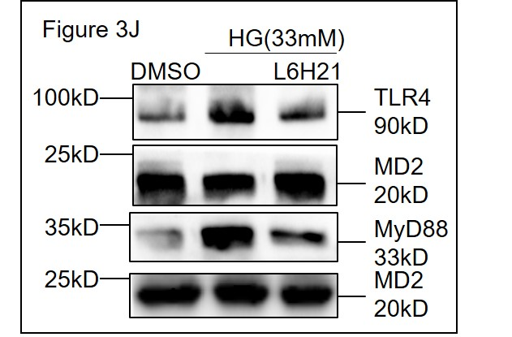
Figure 3J | Figure 3K Relative amount of cytokines |  | Figure 3L Relative amount of cytokines
 |  | TNF-α |  | IL-6
 | WT 1 | 38.03172 | WT 1 | 34.25912
 | WT 2 | 36.75199 | WT 2 | 35.45484
 | WT 3 | 40.73279 | WT 3 | 44.30701

 | WT HG 1 | 98.7 | WT HG 1 | 101.1
 | WT HG 2 | 100 | WT HG 2 | 100
 | WT HG 3 | 102.1 | WT HG 3 | 97.1

 | WT HG+L6H21 1 | 53.45087 | WT HG+L6H21 1 | 42.01487
 | WT HG+L6H21 2 | 42.18474 | WT HG+L6H21 2 | 49.49775
 | WT HG+L6H21 3 | 61.7971 | WT HG+L6H21 3 | 56.1565

 | MD2KO 1 | 33.93311 | MD2KO 1 | 21.15183
 | MD2KO 2 | 32.3953 | MD2KO 2 | 23.13095
 | MD2KO 3 | 40.06633 | MD2KO 3 | 25.22323

 | MD2KO HG 1 | 43.46706 | MD2KO HG 1 | 26.75533
 | MD2KO HG 2 | 42.12409 | MD2KO HG 2 | 24.35993
 | MD2KO HG 3 | 46.254 | MD2KO HG 3 | 32.63895

 | MD2KO HG+L6H21 1 | 43.3831 | MD2KO HG+L6H21 1 | 23.93194
 | MD2KO HG+L6H21 2 | 33.64227 | MD2KO HG+L6H21 2 | 23.91434
 | MD2KO HG+L6H21 3 | 43.66391 | MD2KO HG+L6H21 3 | 26.59349

Figure 4
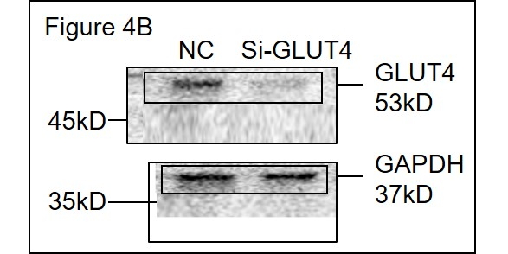
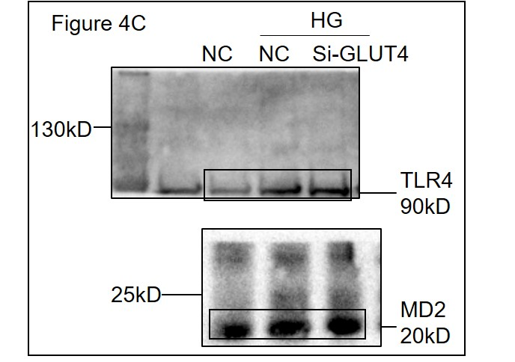
Figure 4B |  | Figure 4C |  | Figure 4E | Relative amount of cytokines |  | Figure 4F | Relative amount of cytokines
 |  |  |  |  | TNF-α | IL-6 |  | TNF-α | IL-6
 |  |  |  | Ctrl 1 | 19.07775 | 13.88219 | Ctrl 1 | 2.67643 | 1.406199
 |  |  |  | Ctrl 2 | 18.87824 | 32.99508 | Ctrl 2 | 3.580126 | 1.066053
 |  |  |  | Ctrl 3 | 25.87824 | 23.438635 | Ctrl 3 | 3.128278 | 1.236126

 |  |  |  | HG serum 1 | 100 | 100 | LPS serum 1 | 100 | 100
 |  |  |  | HG serum 2 | 102.11 | 112.1 | LPS serum 2 | 98.739 | 103.95
 |  |  |  | HG serum 3 | 92.2 | 89.11 | LPS serum 3 | 105.2 | 92.739

 |  |  |  | HG no serum 1 | 73.9484 | 40.01488 | LPS no serum 1 | 100.2457 | 92.73939
 |  |  |  | HG no serum 2 | 57.84194 | 44.92289 | LPS no serum 2 | 105.8002 | 98.78939
 |  |  |  | HG no serum 3 | 17.9484 | 42.468885 | LPS no serum 3 | 103.02295 | 95.76439

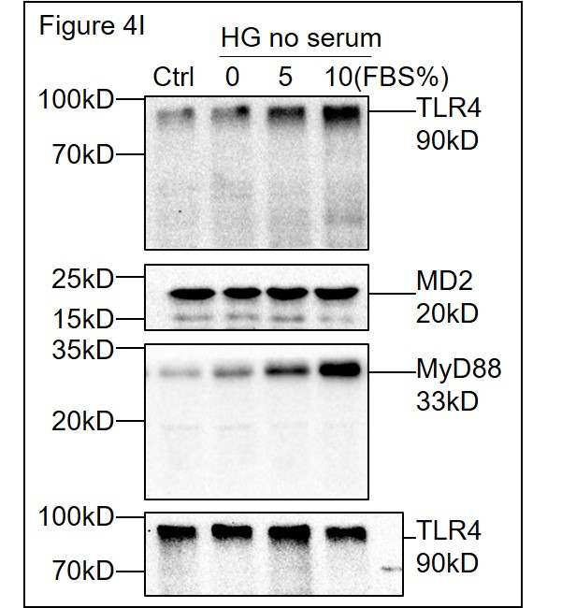
Figure 4G Relative amount of cytokines |  | Figure 4H Relative amount of cytokines |  | Figure 4I
 | TNF-α |  | IL-6
Ctrl 1 | 8.883274 | Ctrl 1 | 2.350896
Ctrl 2 | 6.365173 | Ctrl 2 | 2.42135
Ctrl 3 | 9.587222 | Ctrl 3 | 1.799669
Ctrl 4 | 9.527021
Ctrl 5 | 6.610901 | HG 1 | 29.7466
Ctrl 6 | 9.08444 | HG 2 | 19.50384
 |  | HG 3 | 18.38262
HG 1 | 100.362 | HG 4 | 25.32112
HG 2 | 120.8312 | HG 5 | 31.93354
HG 3 | 90.58722
HG 4 | 70.52702 | no serum Ctrl 1 | 1.474418
HG 5 | 76.6109 | no serum Ctrl 2 | 6.992233
HG 6 | 86.83119 | no serum Ctrl 3 | 2.110741

no serum Ctrl 1 | 12.22156 | no serum HG 1 | 4.653228
no serum Ctrl 2 | 9.743948 | no serum HG 2 | 2.006016
no serum Ctrl 3 | 10.92814 | no serum HG 3 | 4.998263
no serum Ctrl 4 | 13.26222
no serum Ctrl 5 | 10.92461 | no serum HG+FBS5% 1 | 25.67504
no serum Ctrl 6 | 11.53593 | no serum HG+FBS5% 2 | 22.80024
 |  | no serum HG+FBS5% 3 | 26.72896
no serum HG 1 | 11.05626
no serum HG 2 | 10.708 | no serum HG+FBS10% 1 | 29.7466
no serum HG 3 | 10.05337 | no serum HG+FBS10% 2 | 25.32112
no serum HG 4 | 11.72435 | no serum HG+FBS10% 3 | 31.93354
no serum HG 5 | 11.16779
no serum HG 6 | 10.88992

no serum HG+FBS5% 1 | 121.084
no serum HG+FBS5% 2 | 107.4839
no serum HG+FBS5% 3 | 109.6801

no serum HG+FBS10% 1 | 136.1929
no serum HG+FBS10% 2 | 104.5818
no serum HG+FBS10% 3 | 135.9273

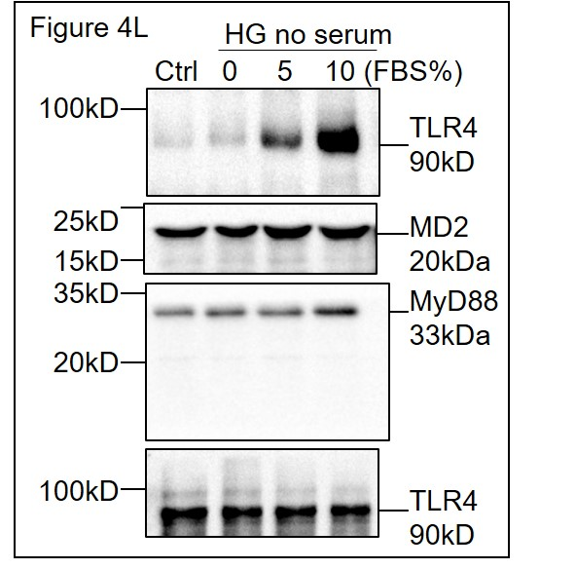
Figure 4J Relative amount of mRNA |  | Figure 4K Relative amount of mRNA |  | Figure 4L
 | TNF-α |  | IL-6
Ctrl 1 | 1.251134 | Ctrl 1 | 0.588954
Ctrl 2 | 0.6393472 | Ctrl 2 | 0.8875332
Ctrl 3 | 1.39889 | Ctrl 3 | 0.9565902

HG 1 | 4.527605 | HG 1 | 4.352022
HG 2 | 2.985316 | HG 2 | 3.195174
HG 3 | 4.057027 | HG 3 | 2.552975

no serum Ctrl 1 | 0.2170861 | no serum Ctrl 1 | 1
no serum Ctrl 2 | 0.4155517 | no serum Ctrl 2 | 0.5479001
no serum Ctrl 3 | 0.442862 | no serum Ctrl 3 | 1.389381

no serum HG 1 | 0.6515583 | no serum HG 1 | 0.8460349
no serum HG 2 | 0.4106468 | no serum HG 2 | 1.405961
no serum HG 3 | 1 | no serum HG 3 | 0.9280717
 |  | no serum HG 4 | 0.7159728
no serum HG+FBS5% 1 | 5.10179
no serum HG+FBS5% 2 | 6.026283 | no serum HG+FBS5% 1 | 7.891299
no serum HG+FBS5% 3 | 5.618518 | no serum HG+FBS5% 2 | 6.183525
 |  | no serum HG+FBS5% 3 | 7.049804
no serum HG+FBS10% 1 | 5.360782
no serum HG+FBS10% 2 | 6.668864 | no serum HG+FBS10% 1 | 9.644553
no serum HG+FBS10% 3 | 5.340947 | no serum HG+FBS10% 2 | 6.706702
 |  | no serum HG+FBS10% 3 | 8.12105

Figure 5
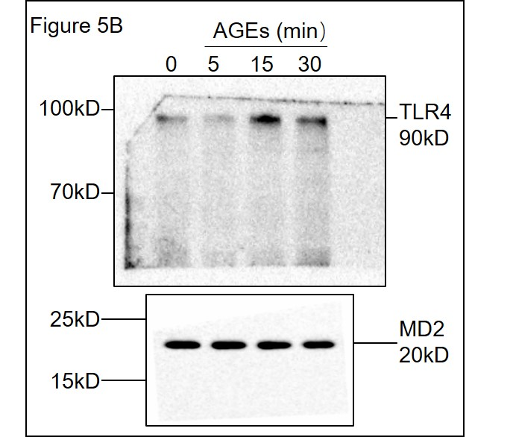
Figure 5A Concentration of AGE (pg/ml) |  |  |  | Figure 5C | Figure 5E Relative amount of cytokines
 | AGE | no serum | AGE |  |  | TNF-α | IL-6
Ctrl 1 | 459.1952 | Ctrl 1 | 235.113 |  | WT-Ctrl 1 | 1.57267 | 2.305924
Ctrl 2 | 394.1374 | Ctrl 2 | 292.777 |  | WT-Ctrl 2 | 1.091705 | 2.022636
Ctrl 3 | 601.3756 | Ctrl 3 | 181.223 |  | WT-Ctrl 3 | 1.107091 | 2.90383
Ctrl 4 | 377.5179 | Ctrl 4 | 260.555 |  | WT-Ctrl 4 | 2.097158 | 3.609691
Ctrl 5 | 13.16497 | Ctrl 5 | 213.445 |  | WT-Ctrl 5 | 1.923698 | 2.558638
Ctrl 6 | 22.26409 | Ctrl 6 | 324.1121 |  | WT-Ctrl 6 | 1.527815 | 2.533078
Ctrl 7 | 17.24123 | Ctrl 7 | 149.8879
Ctrl 8 | 14.82759 | Ctrl 8 | 237.01289 |  | WT+AGE 1 | 88.68235 | 67.56559
 |  |  |  |  | WT+AGE 2 | 75.43993 | 82.83125
HG5min 1 | 267.5222 | HG5min 1 | 139.1124 |  | WT+AGE 3 | 79.30926 | 67.46167
HG5min 2 | 557.6654 | HG5min 2 | 140.2309 |  | WT+AGE 4 | 131.1294 | 135.6865
HG5min 3 | 1017.662 | HG5min 3 | 140.0313 |  | WT+AGE 5 | 114.4978 | 131.0067
HG5min 4 | 526.1922 | HG5min 4 | 148.6186 |  | WT+AGE 6 | 110.9412 | 115.4483

HG15min 1 | 451.9151 | HG15min 1 | 202.9598 |  | MD2KO-Ctrl 1 | 0.6592302 | 2.009542
HG15min 2 | 317.3472 | HG15min 2 | 153.3838 |  | MD2KO-Ctrl 2 | 0.3516594 | 2.215651
HG15min 3 | 678.3378 | HG15min 3 | 135.2138 |  | MD2KO-Ctrl 3 | 1.11194 | 1.665558
HG15min 4 | 1024.384 | HG15min 4 | 181.9508 |  | MD2KO-Ctrl 4 | 0.2016602 | 3.065629
 |  |  |  |  | MD2KO-Ctrl 5 | 0.3742241 | 1.709963
HG1h 1 | 776.3754 | HG1h 1 | 165.8557 |  | MD2KO-Ctrl 6 | 1.135105 | 2.369516
HG1h 2 | 978.1118 | HG1h 2 | 160.1227
HG1h 3 | 1201.035 | HG1h 3 | 107.2127 |  | MD2KO+AGE 1 | 22.90448 | 20.14089
HG1h 4 | 914.4974 | HG1h 4 | 171.2611 |  | MD2KO+AGE 2 | 31.38313 | 33.20763
 |  |  |  |  | MD2KO+AGE 3 | 36.83634 | 29.04242
HG6h 1 | 685.751 | HG6h 1 | 200.2996 |  | MD2KO+AGE 4 | 47.50026 | 42.28775
HG6h 2 | 1136.049 | HG6h 2 | 234.1536 |  | MD2KO+AGE 5 | 27.12599 | 32.48332
HG6h 3 | 1608.243 | HG6h 3 | 205.1179 |  | MD2KO+AGE 6 | 25.84439 | 31.89784
HG6h 4 | 1002.465 | HG6h 4 | 265.3558

HG12h 1 | 917.8561 | HG12h 1 | 238.1501
HG12h 2 | 1509.463 | HG12h 2 | 259.289
HG12h 3 | 1228.912 | HG12h 3 | 177.8708
HG12h 4 | 669.6425 | HG12h 4 | 243.3634

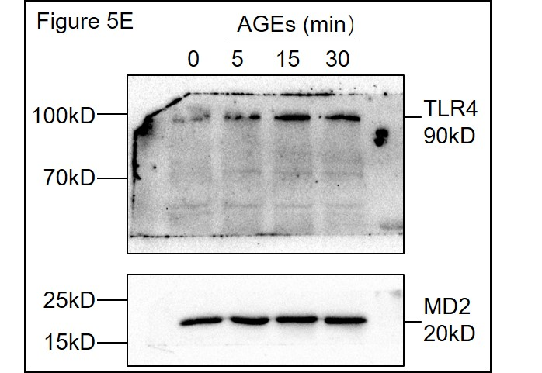
Figure 5B Concentration of AGE (pg/ml) |  |  |  | Figure 5D | Figure 5F Relative amount of cytokines
 | AGE | no serum | AGE |  |  | TNF-α | IL-6
Ctrl 1 | 259.12 | Ctrl 1 | 208.979 |  | Ctrl 1 | 0.4292827 | 0.09150536
Ctrl 2 | 303.117 | Ctrl 2 | 281.987 |  | Ctrl 2 | 0.2812646 | 1.484524
Ctrl 3 | 170.883 | Ctrl 3 | 192.013 |  | Ctrl 3 | 1 | 1
Ctrl 4 | 350.5655 | Ctrl 4 | 360.15 |  | Ctrl 4 | 1.01396 | 1.239708
Ctrl 5 | 123.4345 | Ctrl 5 | 113.85 |  | Ctrl 5 | 1.021012
Ctrl 6 | 304.21 | Ctrl 6 | 320.31 |  | Ctrl 6 | 1.375542
Ctrl 7 | 169.79 | Ctrl 7 | 153.69
 |  |  |  |  | AGE 1 | 1.79005 | 3.514027
HG5min 1 | 436.8862 | HG5min 1 | 283.8159 |  | AGE 2 | 4.316913 | 3.71
HG5min 2 | 592.8915 | HG5min 2 | 220.7041 |  | AGE 3 | 2.234574 | 2.951084
HG5min 3 | 477.9967 | HG5min 3 | 320.5922 |  | AGE 4 | 3.434262 | 3.20787
 |  |  |  |  | AGE 5 | 2.80889
HG15min 1 | 476.5545 | HG15min 1 | 290.9726 |  | AGE 6 | 3.317278
HG15min 2 | 639.1505 | HG15min 2 | 198.5626
HG15min 3 | 463.7782 | HG15min 3 | 216.057 |  | Si-MD2 1 | 1.0768 | 0.98121
 |  |  |  |  | Si-MD2 2 | 1.028114 | 1.01214
HG1h 1 | 386.1526 | HG1h 1 | 271.0177 |  | Si-MD2 3 | 1.109569 | 0.7474246
HG1h 2 | 637.454 | HG1h 2 | 232.5965 |  | Si-MD2 4 | 0.6830201 | 0.861374
HG1h 3 | 480.3982 | HG1h 3 | 230.6009 |  | Si-MD2 5 | 1.03123
 |  |  |  |  | Si-MD2 6 | 1.505247
HG6h 1 | 414.903 | HG6h 1 | 269.7043
HG6h 2 | 612.2288 | HG6h 2 | 248.3502 |  | Si-MD2+AGE 1 | 0.6973718 | 0.933033
HG6h 3 | 445.9927 | HG6h 3 | 222.0149 |  | Si-MD2+AGE 2 | 1.006956 | 1.385109
 |  |  |  |  | Si-MD2+AGE 3 | 1.057018 | 1.156688
HG12h 1 | 521.6583 | HG12h 1 | 269.9534 |  | Si-MD2+AGE 4 | 0.7684376 | 1.265757
HG12h 2 | 597.3649 | HG12h 2 | 302.1703 |  | Si-MD2+AGE 5 | 1.474269
HG12h 3 | 612.4879 | HG12h 3 | 279.5764 |  | Si-MD2+AGE 6 | 1.310393

Figure 6
Figure 6A | Figure 6C | Figure 6D
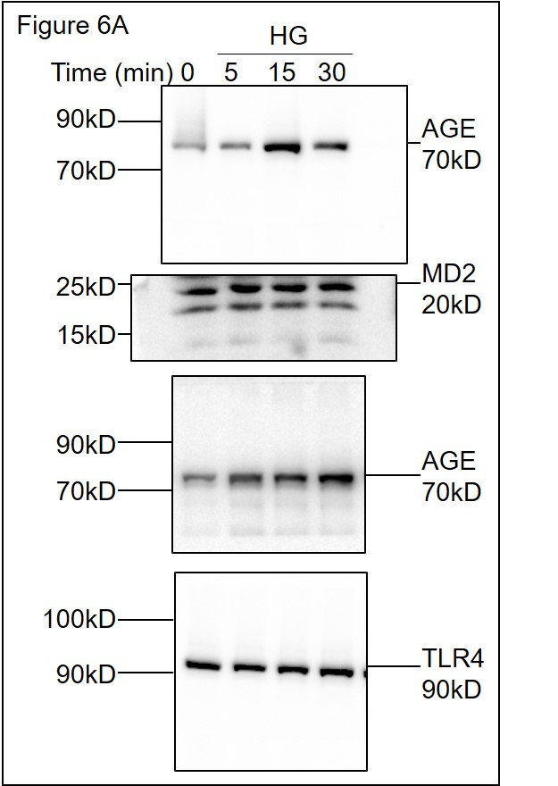
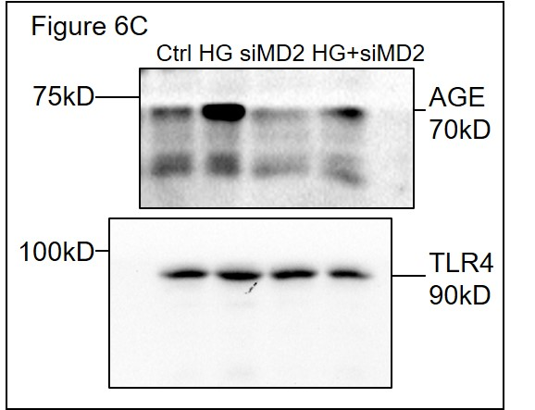
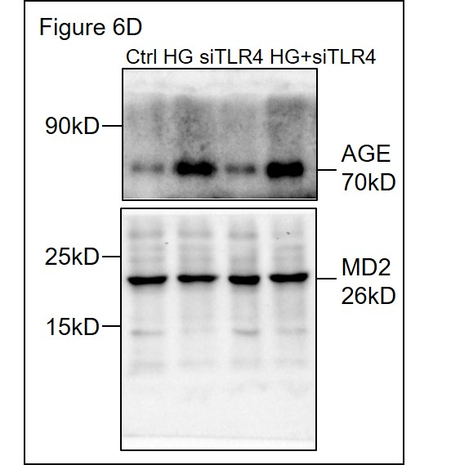

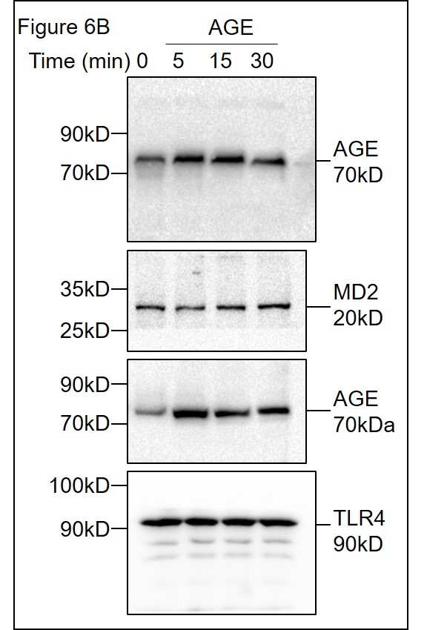
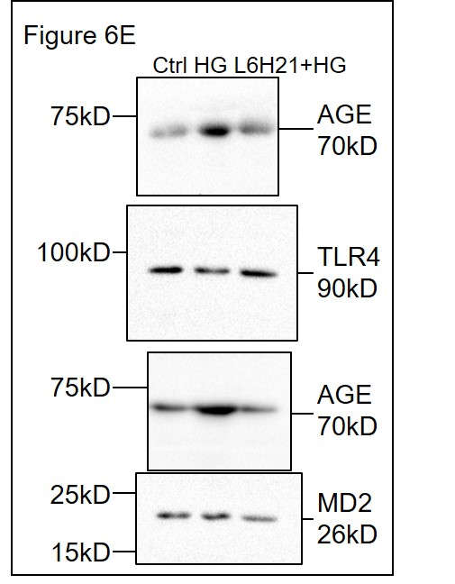
Figure 6B | Figure 6E | Figure 6G
 |  |  | Relative OD450 value
 |  | Blank 1 | 1.044
 |  | Blank 2 | 1
 |  | Blank 3 | 0.94248

 |  | MD2 1 | 1.444496
 |  | MD2 2 | 1.344
 |  | MD2 3 | 1.394248

 |  | AGE 1 | 1.204
 |  | AGE 2 | 1.22
 |  | AGE 3 | 1.212

 |  | AGE/MD2 1:1 1 | 2.6044
 |  | AGE/MD2 1:1 2 | 2.54
 |  | AGE/MD2 1:1 3 | 2.5722

 |  | AGE/MD2 1:0.5 1 | 2.4092
 |  | AGE/MD2 1:0.5 2 | 2.222
 |  | AGE/MD2 1:0.5 3 | 2.3156

Figure 7
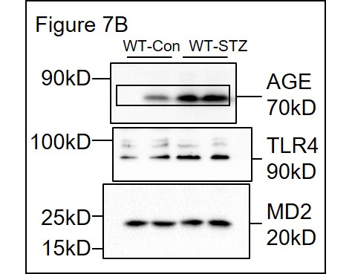
Figure 7A Heart tissue AGE(pg/mg) |  | Figure 7B | Figure 7C
 | AGE |  |  | Relative OD450 value
WT-Con 1 | 38.00063 |  | WT-Con 1 | 1
WT-Con 2 | 34.94957 |  | WT-Con 2 | 1.273236
WT-Con 3 | 44.30035 |  | WT-Con 3 | 1.050392
WT-Con 4 | 70.0574 |  | WT-Con 4 | 1.151176
WT-Con 5 | 98.6041
WT-Con 6 | 57.18241 |  | WT-STZ 1 | 2.367301
 |  |  | WT-STZ 2 | 2.353863
WT-STZ 1 | 129.8921 |  | WT-STZ 3 | 2.265398
WT-STZ 2 | 109.2561 |  | WT-STZ 4 | 2.258679
WT-STZ 3 | 107.359
WT-STZ 4 | 119.6013
WT-STZ 5 | 110.1646
WT-STZ 6 | 96.8819
WT-STZ 7 | 89.37805

MD2KO-Con 1 | 45.79349
MD2KO-Con 2 | 40.73401
MD2KO-Con 3 | 42.30617
MD2KO-Con 4 | 54.00555
MD2KO-Con 5 | 48.054805
MD2KO-Con 6 | 43.364805

MD2KO-STZ 1 | 95.71105
MD2KO-STZ 2 | 113.06605
MD2KO-STZ 3 | 118.49165
MD2KO-STZ 4 | 81.19455
MD2KO-STZ 5 | 82.115825
MD2KO-STZ 6 | 84.460825
MD2KO-STZ 7 | 79.770825

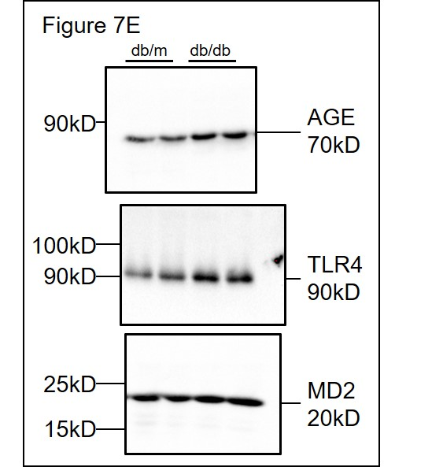
Figure 7D Heart tissue AGE(pg/mg) |  | Figure 7E | Figure 7F
 | AGE |  |  | Relative OD450 value
db/m 1 | 72.01612 |  | db/m 1 | 1
db/m 2 | 48.94997 |  | db/m 2 | 1.273236
db/m 3 | 37.6031 |  | db/m 3 | 1.150392
db/m 4 | 44.01336 |  | db/m 4 | 1.151176
db/m 5 | 67.26341 |  | db/m 5 | 0.85

db/db 1 | 139.9475 |  | db/db 1 | 2.467301
db/db 2 | 175.2619 |  | db/db 2 | 2.153863
db/db 3 | 113.0307 |  | db/db 3 | 2.265398
db/db 4 | 224.6987 |  | db/db 4 | 2.558679
db/db 5 | 163.2347 |  | db/db 5 | 2.66

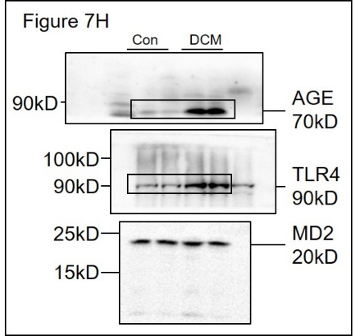
Figure 7G AGE amount in serum(ug/ml) |  | Figure 7H | Figure 7I
 | AGE |  |  | Relative OD450 value
Con 1 | 10.51495 |  | Con 1 | 1
Con 2 | 13.17015 |  | Con 2 | 1.072204
Con 3 | 20.32303 |  | Con 3 | 1.104457
Con 4 | 11.03457
Con 5 | 9.970848 |  | DCM 1 | 1.467018
Con 6 | 9.944673 |  | DCM 2 | 1.588622
Con 7 | 11.33791 |  | DCM 3 | 1.53282
Con 8 | 14.59859

DCM 1 | 12.50387
DCM 2 | 21.62006
DCM 3 | 19.585202
DCM 4 | 24.604789
DCM 5 | 21.97529
DCM 6 | 29.99246
DCM 7 | 14.956
DCM 8 | 31.17804
DCM 9 | 24.85192

Figure S7
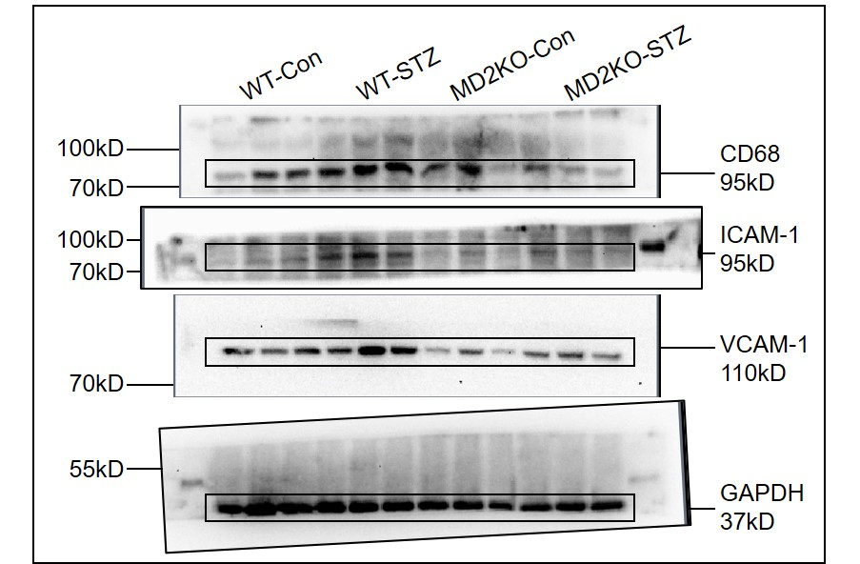
Figure S7B

Figure S8
Figure S8A | Body Weight(g)
Week | Con 1 | Con 2 | Con 3 | Con 4 | Con 5 | STZ 1 | STZ 2 | STZ 3 | STZ 4 | STZ 5 | STZ 6 | STZ 7 | STZ 8 | STZ+L6H21 1 | STZ+L6H21 2 | STZ+L6H21 3 | STZ+L6H21 4 | STZ+L6H21 5 | STZ+L6H21 6 | STZ+L6H21 7 | STZ+L6H21 8
0 | 19.3 | 19.8 | 20.2 | 19.2 | 19.4 | 17.3 | 16.7 | 17.4 | 17.6 | 16.3 | 16.8 | 20.6 | 20.2 | 17.5 | 17.9 | 18.7 | 17.6 | 18.6 | 17.5 | 19 | 19.9
7 | 19.4 | 20.1 | 19 | 19.7 | 20.3 | 15.2 | 16.1 | 16.1 | 15.8 | 16.4 | 16.3 | 17.6 | 19.2 | 18.3 | 15.8 | 17.2 | 16.2 | 18.6 | 16.9 | 19.2 | 17.2
14 | 22.5 | 20.4 | 21.3 | 21.9 | 21.4 | 16.4 | 16 | 16.1 | 16.9 | 17.6 | 16.9 | 18.3 | 19.7 | 18.5 | 20.4 | 17.3 | 17.4 | 19 | 18 | 18.3 | 18.7
21 | 21.1 | 20.8 | 23.3 | 21.9 | 21.7 | 17.3 | 16.9 | 15.7 | 20 | 17.8 | 16.2 | 16.4 | 19.3 | 17.8 | 20.3 | 17.2 | 16.6 | 19 | 16.7 | 18.1 | 18.2
28 | 23.5 | 22.6 | 24.5 | 23.1 | 22.3 | 15 | 17.8 | 16.3 | 19.7 | 16.5 | 17.4 | 20.2 | 17 | 17.8 | 19.8 | 17.7 | 19 | 16.9 | 19 | 16.9 | 18.5
35 | 22.8 | 24.3 | 23.2 | 23 | 22.2 | 15.3 | 18.9 | 14.6 | 20.6 | 16 | 17.2 | 16.2 | 17.3 | 18.8 | 17.6 | 17 | 16.4 | 19.6 | 17.4 | 20.3 | 19
42 | 22.3 | 23.2 | 22.3 | 22.6 | 22.9 | 15.4 | 20.2 | 17.2 | 16.5 | 14.1 | 18.8 | 16.7 | 16.3 | 20.4 | 16.7 | 16.7 | 17.8 | 17.4 | 19.4 | 18.7 | 18.2
49 | 23.4 | 22.8 | 24.4 | 22.7 | 23.4 | 17.2 | 21.2 | 14.5 | 16 | 17.6 | 17.8 | 18.5 | 19.4 | 18 | 19.8 | 16.3 | 20.6 | 16.3 | 18.7 | 17.7 | 18.3
56 | 23.1 | 23.7 | 23.3 | 22.9 | 24.5 | 21.5 | 16.5 | 17.1 | 15.9 | 17.3 | 17.3 | 14.1 | 19.1 | 20.3 | 18.7 | 17.9 | 18.1 | 21.3 | 17.2 | 19.5 | 17.1

Figure S8B | Serum Glucose (mmol/L)
Week | Con 1 | Con 2 | Con 3 | Con 4 | Con 5 | STZ 1 | STZ 2 | STZ 3 | STZ 4 | STZ 5 | STZ 6 | STZ 7 | STZ 8 | STZ+L6H21 1 | STZ+L6H21 2 | STZ+L6H21 3 | STZ+L6H21 4 | STZ+L6H21 5 | STZ+L6H21 6 | STZ+L6H21 7
0.0 | 7.4 | 6.5 | 7.9 | 7.1 | 7.0 | 33.3 | 33.3 | 33.3 | 27.6 | 33.3 | 33.3 | 13.3 | 24.6 | 22.8 | 20.6 | 14.6 | 23.6 | 13.1 | 21.0 | 16.5
7.0 | 7.5 | 7.2 | 8.1 | 10.7 | 8.9 | 14.9 | 23.7 | 12.6 | 17.9 | 23.7 | 23.3 | 17.7 | 13.3 | 17.9 | 22.8 | 27.3 | 13.3 | 19.3 | 13.2 | 14.7
14.0 | 7.3 | 8.3 | 7.0 | 11.0 | 7.4 | 14.7 | 25.3 | 23.1 | 24.4 | 22.9 | 12.7 | 11.8 | 14.3 | 23.6 | 13.8 | 14.2 | 12.1 | 18.2 | 17.4 | 13.9
21.0 | 7.1 | 6.7 | 8.4 | 7.3 | 6.4 | 28.0 | 16.5 | 13.0 | 15.1 | 22.6 | 21.7 | 26.9 | 22.2 | 25.5 | 32.6 | 26.3 | 28.0 | 26.8 | 20.1 | 26.2
28.0 | 7.1 | 7.3 | 9.0 | 7.9 | 8.9 | 16.8 | 26.4 | 33.3 | 28.5 | 25.2 | 26.0 | 17.0 | 24.2 | 16.3 | 16.0 | 14.9 | 16.5 | 23.4 | 20.7 | 25.7
35.0 | 8.9 | 7.0 | 7.8 | 9.1 | 7.0 | 31.9 | 20.7 | 17.7 | 26.4 | 30.4 | 25.0 | 24.9 | 30.7 | 17.8 | 24.1 | 24.3 | 20.7 | 28.5 | 18.1 | 15.4
42.0 | 4.8 | 5.8 | 5.9 | 6.6 | 6.9 | 26.1 | 15.8 | 26.9 | 28.1 | 22.9 | 21.8 | 14.4 | 21.4 | 19.1 | 18.8 | 20.0 | 18.2 | 20.2 | 14.9 | 21.2
49.0 | 6.3 | 6.4 | 7.6 | 6.9 | 5.7 | 29.8 | 13.7 |  | 33.3 | 26.7 | 21.0 | 26.3 | 19.2 | 24.1 | 26.7 | 32.7 | 14.9 | 21.0 | 25.1 | 21.8
56.0 | 8.5 | 5.9 | 6.9 | 7.7 | 7.1 | 13.4 | 24.8 | 25.7 | 19.4 | 19.9 | 11.6 | 19.1 | 10.2 | 18.9 | 13.9 | 21.2 | 16.4 | 16.5 | 10.5 | 17.4

Figure S8D | Relative amount of mRNA |  | Figure S8E | Relative amount of mRNA
 | ANP |  |  | MMP9 | MMP2 | Col 1
Con 1 | 1.22264 |  | Con 1 | 0.2588162 | 1.569168 | 0.9138315
Con 2 | 0.3711309 |  | Con 2 | 0.9726549 | 0.3164392 | 1.214195
Con 3 | 0.3950207 |  | Con 3 | 0.1615441 | 1.375542 | 0.2414841
Con 4 | 2.887858 |  | Con 4 | 1 | 0.6925547 | 1

STZ 1 | 9.317868 |  | STZ 1 | 1.547147 | 2.474269 | 1.494849
STZ 2 | 3.89062 |  | STZ 2 | 1.905276 | 2.265768 | 1.931873
STZ 3 | 4.198867 |  | STZ 3 | 2.464161 | 2.34567 | 2.34567
STZ 4 | 2.297397 |  | STZ 4 | 1.972567 | 4.287094 | 2.378414

STZ+L6H21 1 | 2.969047 |  | STZ+L6H21 1 | 1 | 1.053176 | 0.5682
STZ+L6H21 2 | 0.5176325 |  | STZ+L6H21 2 | 0.7845841 | 1.079228 | 0.2102241
STZ+L6H21 3 | 0.4829682 |  | STZ+L6H21 3 | 0.479632 | 1.70527 | 0.7371346
STZ+L6H21 4 | 2.013911 |  | STZ+L6H21 4 | 0.5176325 | 1.670176 | 0.6551967

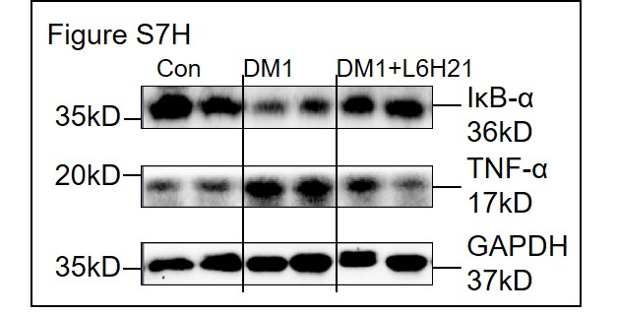
Figure S8G |  |  |  | Figure S8H | Relative amount of mRNA |  |  | Figure S8I | Relative amount of mRNA
 |  |  |  |  | TNF-α |  |  |  | IL-6
 |  |  |  | Con 1 | 1.810552 |  |  | Con 1 | 1.613284
 |  |  |  | Con 2 | 0.9794203 |  |  | Con 2 | 1
 |  |  |  | Con 3 | 1 |  |  | Con 3 | 0.1386962
 |  |  |  | Con 4 | 1.79005 |  |  | Con 4 | 1.42405
 |  |  |  |  |  |  |  | Con 5 | 0.4352753
 |  |  |  | STZ 1 | 4.494849
 |  |  |  | STZ 2 | 5.434262 |  |  | STZ 1 | 2.479415
 |  |  |  | STZ 3 | 4.923231 |  |  | STZ 2 | 11.15795
 |  |  |  | STZ 4 | 5.775717 |  |  | STZ 3 | 4.438278
 |  |  |  |  |  |  |  | STZ 4 | 12.55335
 |  |  |  | STZ+L6H21 1 | 1.24901 |  |  | STZ 5 | 13.36141
 |  |  |  | STZ+L6H21 2 | 2.188587
 |  |  |  | STZ+L6H21 3 | 1.905276 |  |  | STZ+L6H21 1 | 0.7845841
 |  |  |  | STZ+L6H21 4 | 2.12874 |  |  | STZ+L6H21 2 | 4.69134
 |  |  |  |  |  |  |  | STZ+L6H21 3 | 4.85678
 |  |  |  |  |  |  |  | STZ+L6H21 4 | 1.635804
 |  |  |  |  |  |  |  | STZ+L6H21 5 | 4.72397

Figure S9
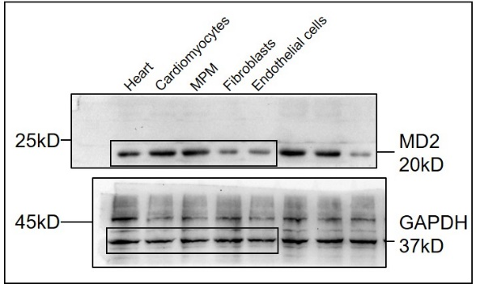
Figure S9A | Relative amount of mRNA | Figure S9B
 | MD2
Heart 1 | 1
Heart 2 | 0.99821
Heart 3 | 1.12557
Heart 4 | 0.8334

Cardiomyocytes 1 | 1.1235
Cardiomyocytes 2 | 0.912563
Cardiomyocytes 3 | 1.2319
Cardiomyocytes 4 | 0.90134

Fibroblasts 1 | 0.2412
Fibroblasts 2 | 0.39823
Fibroblasts 3 | 0.34126
Fibroblasts 4 | 0.221467

Endothelial cells 1 | 0.1193
Endothelial cells 2 | 0.128923
Endothelial cells 3 | 0.09978
Endothelial cells 4 | 0.1653

MPM 1 | 1.00321
MPM 2 | 0.91439
MPM 3 | 1.25091
MPM 4 | 0.817602

Figure S12
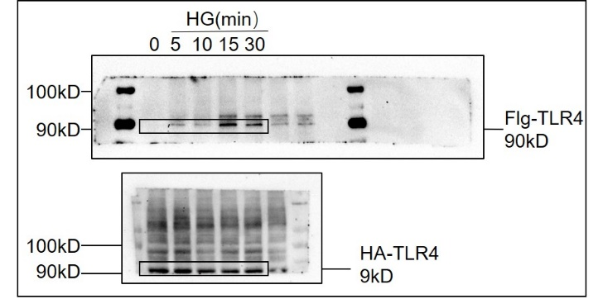
Figure S12 |  | Relative level of protein
 |  |  | Flg-TRL4/HA-TLR4
 | HG | 0min 1 | 1
 |  | 0min 2 | 1.2
 |  | 0min 3 | 0.8

 |  | 5min 1 | 1.528398
 |  | 5min 2 | 1.339757
 |  | 5min 3 | 1.4340775

 |  | 10min 1 | 2.032117
 |  | 10min 2 | 1.174371
 |  | 10min 3 | 1.603244

 |  | 15min 1 | 2.884814
 |  | 15min 2 | 4.62101
 |  | 15min 3 | 3.752912

 |  | 30min 1 | 2.065504
 |  | 30min 2 | 3.757919
 |  | 30min 3 | 2.9117115

Figure S13
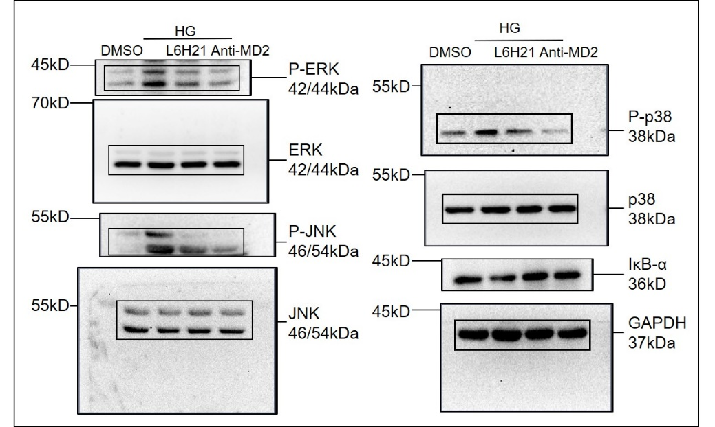
Figure S13A | Figure S13B Relative amount of mRNA |  | Figure S13C Relative amount of mRNA
 |  | TNF-α |  | IL-6
 | DMSO 1 | 1 | DMSO 1 | 1
 | DMSO 2 | 0.8 | DMSO 2 | 0.868
 | DMSO 3 | 1.2 | DMSO 3 | 1.144

 | HG 1 | 5.026417 | HG 1 | 3.693529
 | HG 2 | 5.464161 | HG 2 | 3.458149
 | HG 3 | 7.40527 | HG 3 | 3.575839

 | HG+L6H21 2.5 1 | 2.281527 | HG+L6H21 2.5 1 | 1.82134
 | HG+L6H21 2.5 2 | 2.584706 | HG+L6H21 2.5 2 | 2.531513
 | HG+L6H21 2.5 3 | 2.4331165 | HG+L6H21 2.5 3 | 2.1764265

 | HG+L6H21 5 1 | 2.027919 | HG+L6H21 5 1 | 1.641483
 | HG+L6H21 5 2 | 1.342573 | HG+L6H21 5 2 | 1.152686
 | HG+L6H21 5 3 | 1.685246 | HG+L6H21 5 3 | 1.3970845

 | HG+L6H21 10 1 | 1.70527 | HG+L6H21 10 1 | 1.028114
 | HG+L6H21 10 2 | 1.049717 | HG+L6H21 10 2 | 0.929805
 | HG+L6H21 10 3 | 1.3774935 | HG+L6H21 10 3 | 0.9789595

Figure S15
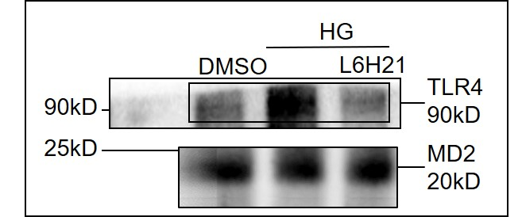
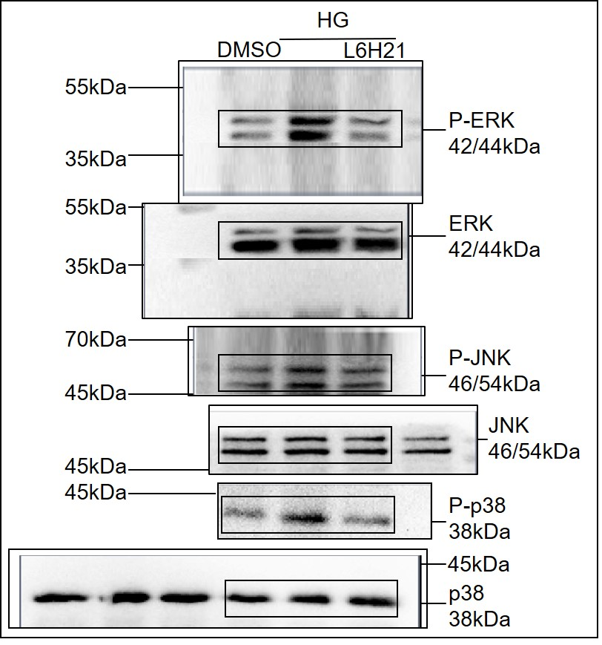
Figure S15A | Figure S15C | Figure S15D Relative amount of mRNA
 |  |  | TNF-α
 |  | Ctrl 1 | 1
 |  | Ctrl 2 | 1.23591
 |  | Ctrl 3 | 0.851949

 |  | HG 1 | 4.007627
 |  | HG 2 | 3.5801
Figure S15B |  | HG 3 | 4.45763
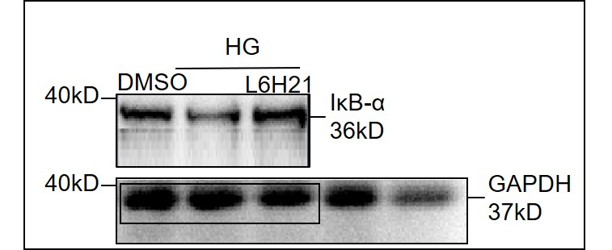
 |  | HG+L6H21 2.5 1 | 1.823591
 |  | HG+L6H21 2.5 2 | 3.051949
 |  | HG+L6H21 2.5 3 | 2.523591

 |  | HG+L6H21 5 1 | 1.97479
 |  | HG+L6H21 5 2 | 1.313376
 |  | HG+L6H21 5 3 | 1.03479

 |  | HG+L6H21 10 1 | 1.784584
 |  | HG+L6H21 10 2 | 1.63491
 |  | HG+L6H21 10 3 | 1.134584

Figure S16
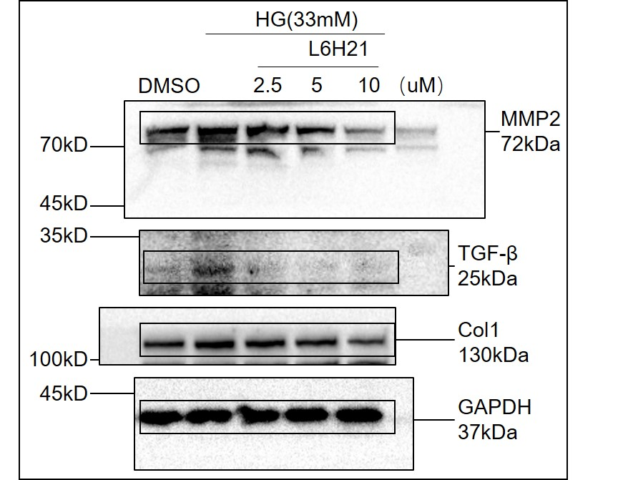
Figure S16A Relative amount of mRNA |  |  | Figure S16C
 | TGF-β | MMP2
NC 1 | 1 | 1
NC 2 | 1.021 | 1.019508
NC 3 | 0.8971 | 0.8735077

HG 1 | 2.557971 | 2.566852
HG 2 | 3.127479 | 3.052518
HG 3 | 3.394744 | 2.62079

HG+Si-MD2 1 | 0.957858 | 1.319508
HG+Si-MD2 2 | 0.965779 | 1.735077
HG+Si-MD2 3 | 1.554785 | 1.38032

Figure S17
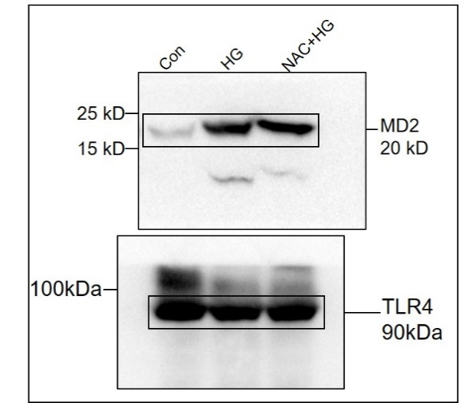
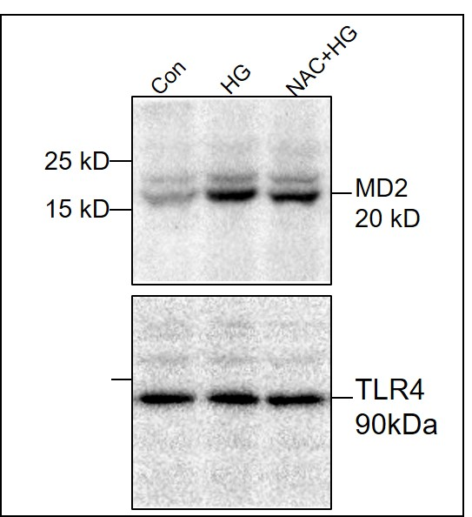
Figure S17A |  |  |  | Figure S17B Relative amount of mRNA |  | Figure S17C Relative amount of mRNA
 |  |  |  |  |  | MPM | TNF-α | IL-6
 |  |  |  |  |  | Con 1 | 1 | 1
 |  |  |  |  |  | Con 2 | 1.0402 | 1.0204
 |  |  |  |  |  | Con 3 | 0.9412 | 0.91614

 |  |  |  |  |  | HG 1 | 2.5112 | 1.9031
 |  |  |  |  |  | HG 2 | 2.5001 | 2.2204
 |  |  |  |  |  | HG 3 | 2.1022 | 1.614

 |  |  |  |  |  | NAC+HG 1 | 1.3402 | 1.3302
 |  |  |  |  |  | NAC+HG 2 | 1.5412 | 1.2609
 |  |  |  |  |  | NAC+HG 3 | 1.6531 | 1.3762

Figure S17D Relative amount of mRNA |  |  | Figure S17E Relative amount of mRNA
H9c2 | TNF-α | IL-6 |  | TLR4 in MPM | TLR4 in H9c2
Con 1 | 1 | 1 | Con 1 | 1 | 1
Con 2 | 0.9682 | 0.87195 | Con 2 | 0.93109 | 0.83759
Con 3 | 1.045501 | 1.36011 | Con 3 | 1.0834 | 1.1107

HG 1 | 5.2445 | 5.9902 | HG 1 | 1.9176 | 2.0144
HG 2 | 4.682 | 5.5174 | HG 2 | 2.3109 | 2.3759
HG 3 | 4.5501 | 6.135 | HG 3 | 2.0834 | 2.1107

NAC+HG 1 | 2.2309 | 3.7195 | NAC+HG 1 | 1.4351 | 1.6366
NAC+HG 2 | 2.0155 | 3.6011 | NAC+HG 2 | 1.2178 | 1.7692
NAC+HG 3 | 2.5019 | 4.1009 | NAC+HG 3 | 1.1443 | 1.4185

Figure S21
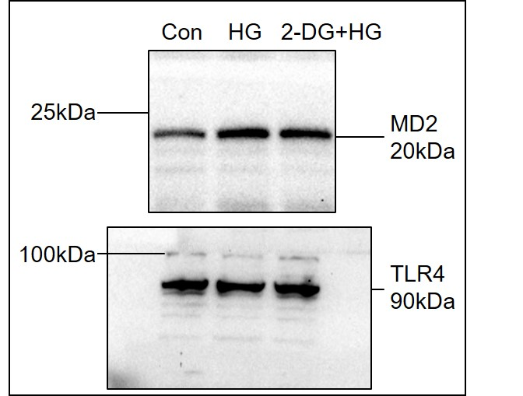
Figure S21A | Figure S21B Relative amount of mRNA |  | Figure S21C Relative amount of mRNA
 |  | TNF-α |  | IL-6
 | Con 1 | 1.1276 | Con 1 | 1.17885
 | Con 2 | 1 | Con 2 | 1.017319
 | Con 3 | 0.93189 | Con 3 | 0.9564123

 | HG 1 | 3.943039 | HG 1 | 4.653639
 | HG 2 | 3.302552 | HG 2 | 4.02336
 | HG 3 | 3.27806 | HG 3 | 3.6548

 | 2-DG+HG 1 | 6.2356 | 2-DG+HG 1 | 6.36676
 | 2-DG+HG 2 | 5.278 | 2-DG+HG 2 | 6.376448
 | 2-DG+HG 3 | 7.26791 | 2-DG+HG 3 | 8.22291

Figure S23
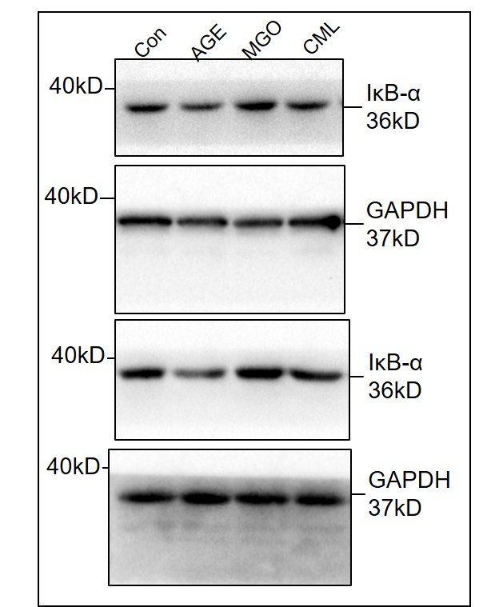
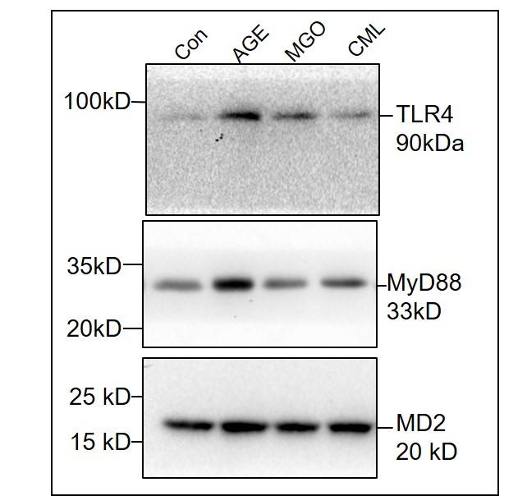
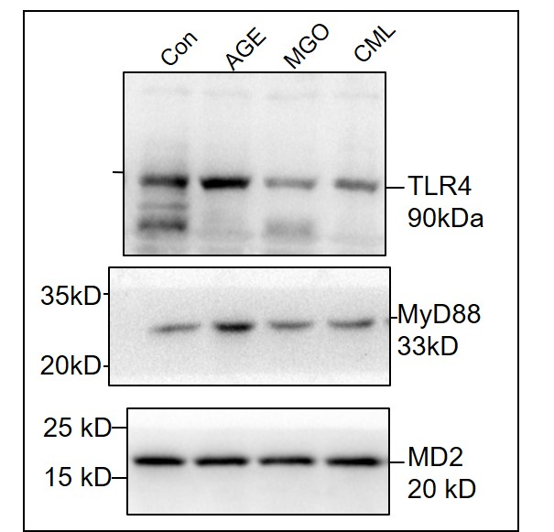
Figure S23A | Figure S23B | Figure S23C | Figure S23D Relative amount of mRNA
 |  |  | MPM | TNF-α | IL-6
 |  |  | Con 1 | 1 | 1
 |  |  | Con 2 | 0.74524776 | 1.087353
 |  |  | Con 3 | 1.27554208 | 0.74802
 |  |  | Con 4 | 0.942723 | 1.249781
 |  |  | Con 5 | 1.14675922 | 0.899519
 |  |  | Con 6 | 0.757333573 | 1.136404
 |  |  | Con 7 | 0.915683 | 1.104417
 |  |  | Con 8 | 1.389 | 0.825157
 |  |  | Con 9 | 1.09526 | 0.730099

 |  |  | AGE 1 | 11.6824461 | 12.71334
 |  |  | AGE 2 | 13.74524776 | 22.84766
 |  |  | AGE 3 | 12.7554208 | 5.471362
 |  |  | AGE 4 | 9.421764723 | 9.971745
 |  |  | AGE 5 | 10.14675922 | 22.37299
 |  |  | AGE 6 | 7.557333573 | 6.893242
 |  |  | AGE 7 | 9.844815683 | 13.60745
 |  |  | AGE 8 | 13.80003689 | 12.08503
 |  |  | AGE 9 | 10.09523026 | 8.817298

 |  |  | MGO 1 | 0.970099424 | 1.016434
 |  |  | MGO 2 | 0.834905148 | 1.587353
 |  |  | MGO 3 | 1.382309069 | 1.474802
 |  |  | MGO 4 | 0.801839892 | 1.249781
 |  |  | MGO 5 | 0.976900106 | 0.899519
 |  |  | MGO 6 | 1.223905029 | 1.136404
 |  |  | MGO 7 | 0.649512463 | 1.104417
 |  |  | MGO 8 | 1.062088273 | 1.825157
 |  |  | MGO 9 | 1.04468467 | 0.730099

 |  |  | CML1 | 1.11067441 | 0.942456
 |  |  | CML2 | 1.379814025 | 0.414443
 |  |  | CML3 | 1.390600597 | 1.37203
 |  |  | CML4 | 1.130334905 | 0.966647
 |  |  | CML5 | 1.773792984 | 0.838456
 |  |  | CML6 | 1.528697429 | 0.645706
 |  |  | CML7 | 0.449487135 | 0.882002
 |  |  | CML8 | 0.67418897 | 0.695146
 |  |  | CML9 | 0.826099938 | 0.615272

Figure S24
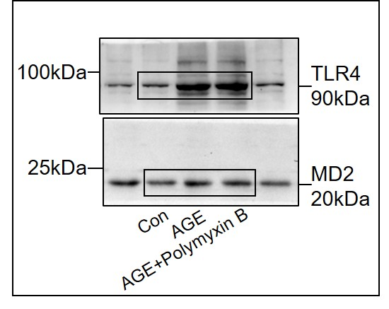
Figure S24A | Figure S24B Relative amount of mRNA |  | Figure S24C Relative amount of mRNA
 |  | TNF-α |  | IL-6
 | Con 1 | 1.0287 | Con 1 | 0.9821
 | Con 2 | 0.92318 | Con 2 | 0.956789
 | Con 3 | 1.2215 | Con 3 | 1.1297
 | Con 4 | 0.918923 | Con 4 | 0.915621

 | AGE 1 | 3.1289 | AGE 1 | 3.32786
 | AGE 2 | 3.31653 | AGE 2 | 3.43794
 | AGE 3 | 3.4539 | AGE 3 | 4.02135
 | AGE 4 | 3.4397 | AGE 4 | 3.53187

 | AGE+poylmyinB 1 | 3.324645 | AGE+poylmyinB 1 | 3.364523
 | AGE+poylmyinB 2 | 3.01367 | AGE+poylmyinB 2 | 3.336889
 | AGE+poylmyinB 3 | 3.542869 | AGE+poylmyinB 3 | 3.44875
 | AGE+poylmyinB 4 | 3.329731 | AGE+poylmyinB 4 | 3.773482

Figure S25
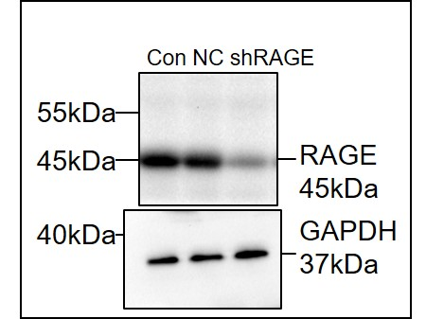
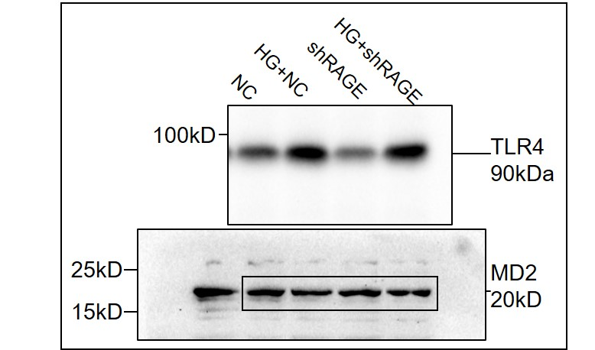
Figure S25A |  | Relative level of protein |  | Figure S25B
 |  |  | RAGE/GAPDH
 |  | Con 1 | 0.915315
 |  | Con 2 | 1
 |  | Con 3 | 1.377106

 |  | NC 1 | 0.759774
 |  | NC 2 | 1.027495
 |  | NC 3 | 1.191727

 |  | shRAGE 1 | 0.104987
 |  | shRAGE 2 | 0.119413
 |  | shRAGE 3 | 0.130583

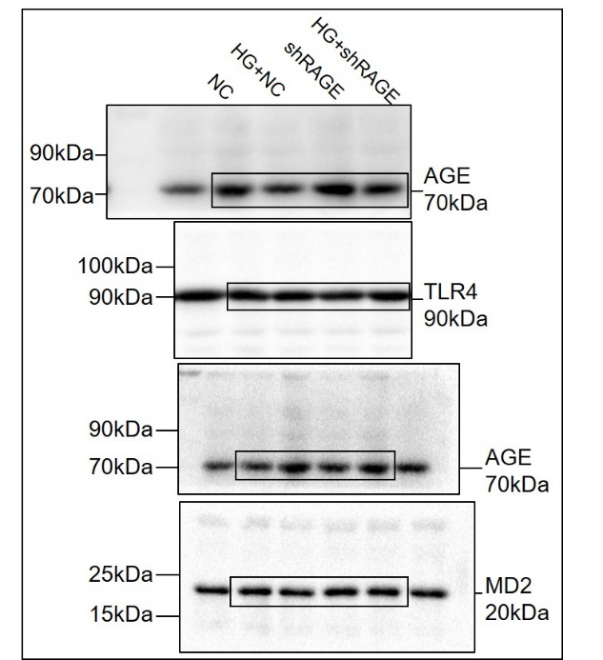
Figure S25C Relative amount of mRNA |  | Figure S25D Relative amount of mRNA |  | Figure S25E
 | TNF-α |  | IL-6
NC 1 | 1.0567 | NC 1 | 1.04512
NC 2 | 1 | NC 2 | 1
NC 3 | 0.9237 | NC 3 | 0.956

NC+HG 1 | 2.563 | NC+HG 1 | 1.5171
NC+HG 2 | 2.7621 | NC+HG 2 | 1.717821
NC+HG 3 | 2.9034 | NC+HG 3 | 1.9451

shRAGE 1 | 1.07418 | shRAGE 1 | 1.07138
shRAGE 2 | 1.1135 | shRAGE 2 | 1.1337
shRAGE 3 | 1.1238 | shRAGE 3 | 1.1818

shRAGE+HG 1 | 1.5421 | shRAGE+HG 1 | 1.2421
shRAGE+HG 2 | 1.723415 | shRAGE+HG 2 | 1.313415
shRAGE+HG 3 | 1.683909 | shRAGE+HG 3 | 1.483909

Figure S25F Relative amount of mRNA |  | Figure S25G Relative amount of mRNA
 | TNF-α |  | IL-6
NC 1 | 1.14567 | NC 1 | 1
NC 2 | 1 | NC 2 | 1.112
NC 3 | 0.9671 | NC 3 | 0.91431

NC+AGE 1 | 6.253 | NC+AGE 1 | 2.9153
NC+AGE 2 | 6.06165 | NC+AGE 2 | 3.06165
NC+AGE 3 | 6.91539 | NC+AGE 3 | 4.11539

shRAGE 1 | 1.07143 | shRAGE 1 | 1.01117
shRAGE 2 | 1.1135 | shRAGE 2 | 1.18175
shRAGE 3 | 1.2242 | shRAGE 3 | 1.0272

shRAGE+AGE 1 | 4.51421 | shRAGE+AGE 1 | 1.77421
shRAGE+AGE 2 | 3.70415 | shRAGE+AGE 2 | 2.173485
shRAGE+AGE 3 | 3.6109 | shRAGE+AGE 3 | 1.9109

Figure S27
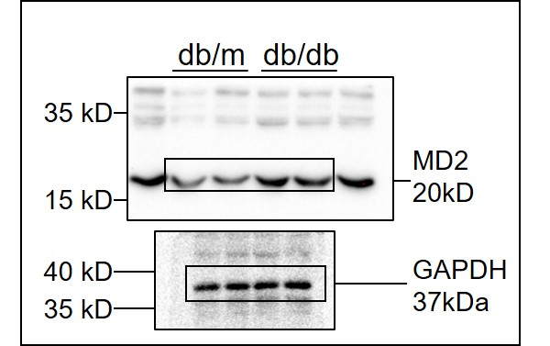
Figure S27A Cytokine amount in heart (pg/ml) |  | Figure S27B Cytokine amount in heart (pg/ml) |  | Figure S27C
 | TNF-α |  | IL-6
db/m 1 | 6.417 | db/m 1 | 6.952
db/m 2 | 4.526 | db/m 2 | 5.488
db/m 3 | 4.382 | db/m 3 | 4.645
db/m 4 | 4.512 | db/m 4 | 5.133
db/m 5 | 4.959 | db/m 5 | 5.554

db/db 1 | 15.733 | db/db 1 | 13.342
db/db 2 | 9.000 | db/db 2 | 10.106
db/db 3 | 12.896 | db/db 3 | 13.934
db/db 4 | 13.227 | db/db 4 | 14.597
db/db 5 | 9.142 | db/db 5 | 9.862

Figure S28
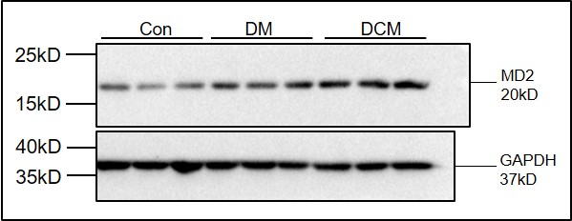
Figure S28A Concentration of AGE (μg/ml) |  |  |  | Figure S28B | Figure S28C |  | Figure S28D |  | Figure S28E
 | AGE | no serum | AGE |  |  | MD2 in serum(μg/ml) |  | TNF-α in serum(μg/ml) |  | TNF-α in serum(μg/ml)
Ctrl 1 | 0.771 |  |  |  | Con 1 | 22.3342 | Con 1 | 12.234 | Con 1 | 50.2899
Ctrl 2 | 0.556 |  |  |  | Con 2 | 20.231 | Con 2 | 10.2345 | Con 2 | 50.232596
Ctrl 3 | 0.566 |  |  |  | Con 3 | 15.2234 | Con 3 | 12.25341 | Con 3 | 52.2412904
 |  |  |  |  | Con 4 | 19.3267 | Con 4 | 10.31647 | Con 4 | 50.3317
HG5min 1 | 3.634 | HG5min 1 | 0.771 |  | Con 5 | 10.2345 | Con 5 | 10.21241 | Con 5 | 50.2458
HG5min 2 | 3.990 | HG5min 2 | 0.666 |  | Con 6 | 9.1498 | Con 6 | 9.15099 | Con 6 | 59.8705
HG5min 3 | 4.203 | HG5min 3 | 0.677 |  | Con 7 | 50.2455 | Con 7 | 10.2455 | Con 7 | 54.46802

HG15min 1 | 4.050 | HG15min 1 | 0.771 |  | DM 1 | 44.453 | DCM 1 | 24.45653 | DCM 1 | 79.241009
HG15min 2 | 4.140 | HG15min 2 | 0.777 |  | DM 2 | 30.34345 | DCM 2 | 25.4436 | DCM 2 | 75.68758
HG15min 3 | 4.223 | HG15min 3 | 0.543 |  | DM 3 | 66.345 | DCM 3 | 26.345 | DCM 3 | 85.41189
 |  |  |  |  | DM 4 | 30.479 | DCM 4 | 25.46 | DCM 4 | 69.9886
HG1h 1 | 4.143 | HG1h 1 | 0.771 |  | DM 5 | 35.67115 | DCM 5 | 30.479 | DCM 5 | 68.1276
HG1h 2 | 4.432 | HG1h 2 | 0.789 |  | DM 6 | 37.43254 | DCM 6 | 23.9031 | DCM 6 | 66.67917
HG1h 3 | 4.550 | HG1h 3 | 0.677 |  | DCM 7 | 40.44488 | DCM 7 | 25.67115 | DCM 7 | 69.9925

HG6h 1 | 4.567 | HG6h 1 | 0.857 |  | DCM 1 | 66.2448 | DCM 1 | 46.213 | DCM 1 | 126.29811
HG6h 2 | 4.440 | HG6h 2 | 0.990 |  | DCM 2 | 70.243 | DCM 2 | 40.24389 | DCM 2 | 140.7734
HG6h 3 | 4.655 | HG6h 3 | 0.751 |  | DCM 3 | 40.35801 | DCM 3 | 33.35801 | DCM 3 | 123.6789
 |  |  |  |  | DCM 4 | 84.224 | DCM 4 | 44.267489 | DCM 4 | 129.2239
HG12h 1 | 7.157 | HG12h 1 | 0.914 |  | DCM 5 | 55.342 | DCM 5 | 35.445224 | DCM 5 | 150.34901
HG12h 2 | 7.632 | HG12h 2 | 1.234 |  | DCM 6 | 66.3254 | DCM 6 | 46.3254 | DCM 6 | 146.279
HG12h 3 | 7.880 | HG12h 3 | 0.751 |  | DCM 7 | 67.6649 | DCM 7 | 37.6774 | DCM 7 | 137.1528

Figure S29
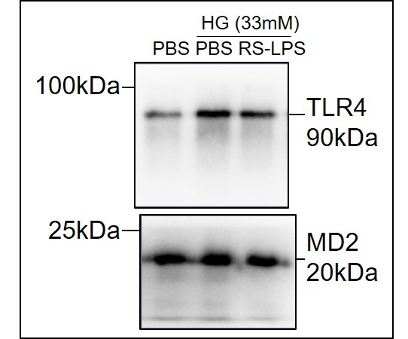
Figure S29A | Relative level of protein
 |  | TLR4/MD2
 | Con 1 | 0.172
 | Con 2 | 0.153
 | Con 3 | 0.166

 | HG 1 | 0.935
 | HG 2 | 0.790
 | HG 3 | 1.032

 | HG+RS-LPS 1 | 0.305
 | HG+RS-LPS 2 | 0.451
 | HG+RS-LPS 3 | 0.692

