Figure 1C
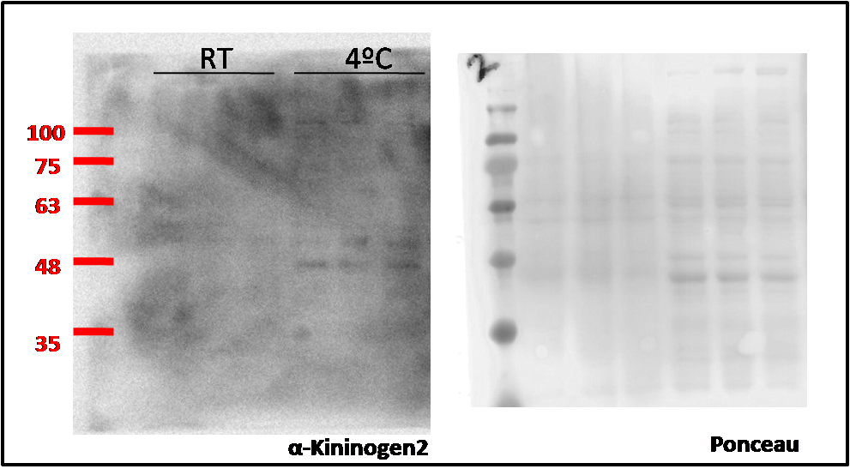
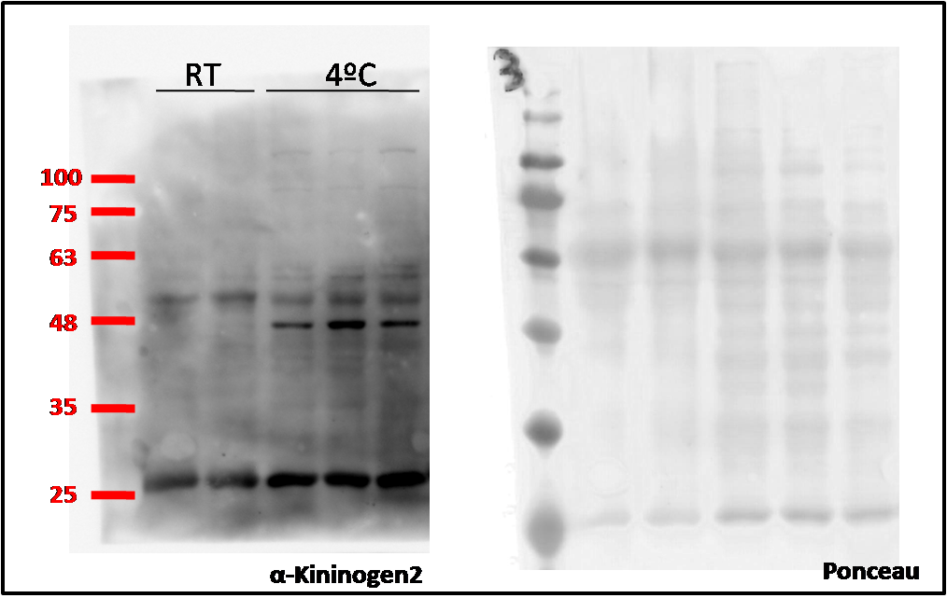
KNG2 BAT |  | KNG2 iWAT
22ºC | 4ºC | 22ºC | 4ºC
0.455339 | 0.951805 | 12.9039 | 15.56198
0.311682 | 2.67484 | 11.41904 | 19.66695
0.094005 | 6.961361 | 10.2 | 21.61641

Figure 1D
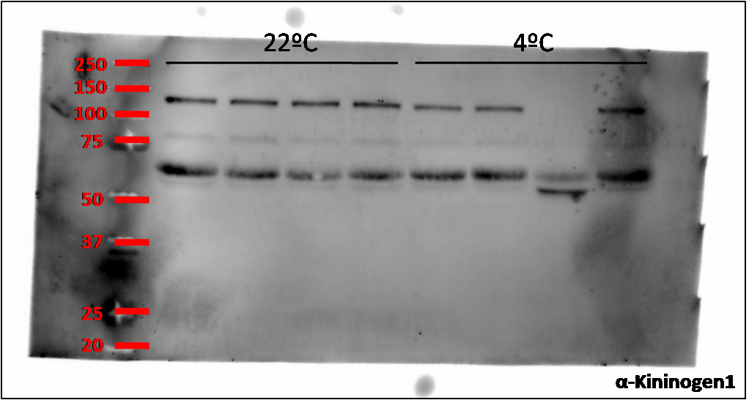
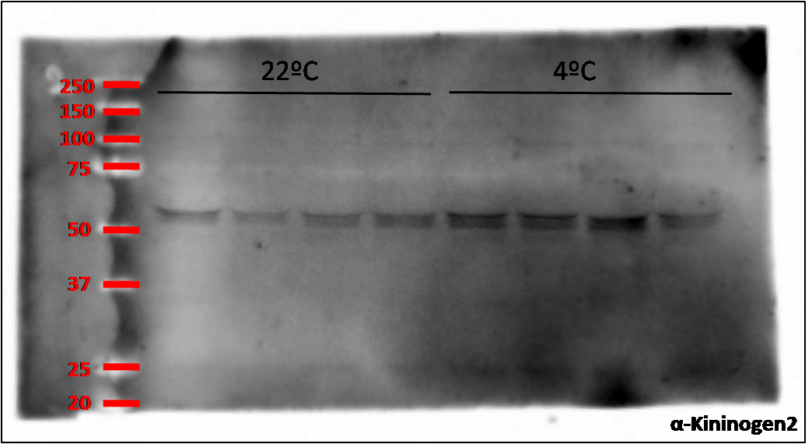
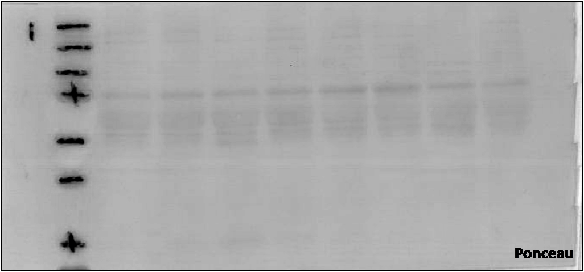
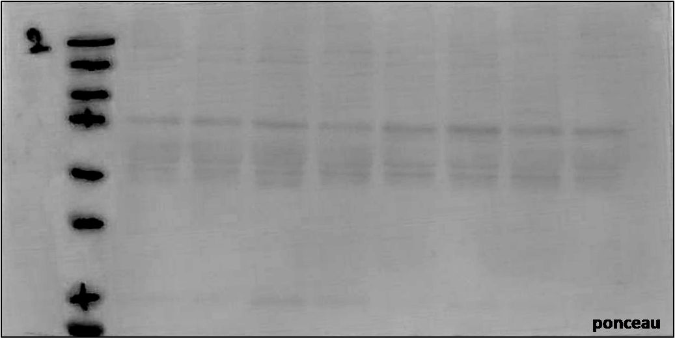
Kng1 Plasma |  | Kng2 Plasma
22ºC | 4ºC | 22ºC | 4ºC
9.979342 | 5.295852 | 12.55003 | 17.55931
6.357633 | 7.277809 | 13.04227 | 17.70321
4.279462 |  | 13.99147 | 18.1377
5.686184 | 5.398147 | 15.46082 | 15.8453

Figure 2B
Kng2 HM primary brown adipocyte |  |  |  | Kng2 LM primary brown adipocyte |  |  |  | Ucp1 primary brown adipocyte
CTL | cAMP | NE | CL | CTL | cAMP | NE | CL | CTL | cAMP | NE | CL
0.974368 | 0.744032 | 2.004009 | 2.305643 | 0.859179 | 0.740451 | 1.12362 | 1.075412 | 0.028654 | 9.53072 | 7.926519 | 6.93779
1.004677 | 1.313299 | 1.490245 | 1.425299 | 0.988382 | 0.854294 | 1.196411 | 1.226159 | 0.036798 | 11.35901 | 9.900056 | 5.631628
0.91867 | 1.082459 | 1.938415 | 1.553408 | 1.150452 | 0.887021 | 1.014864 | 1.279889 | 0.518727 | 94.23518 | 32.95684 | 30.89247
1.102285 | 1.614786 | 1.448648 | 1.509629 | 1.001987 | 0.293247 | 0.902911 | 1.017213 | 3.415822 | 96.73391 |  | 39.37288

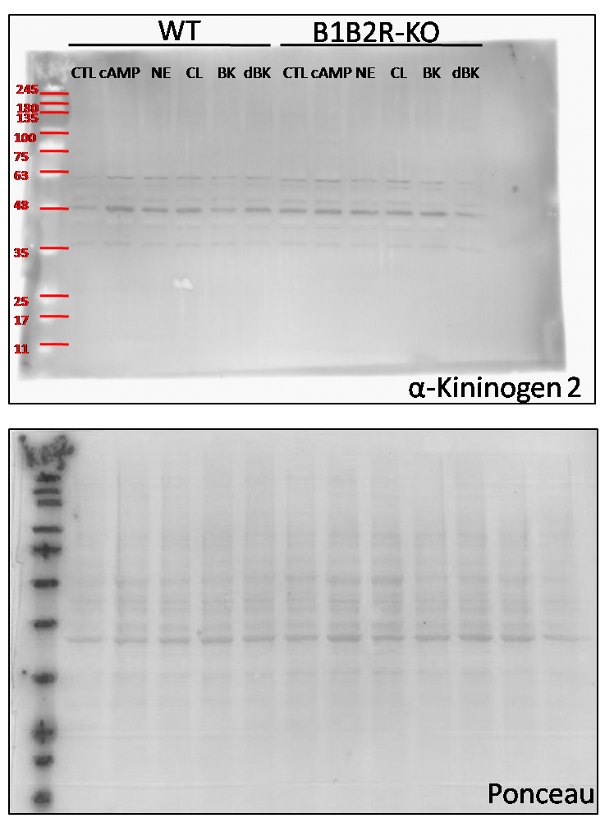

Primary brown adipocytes
CTL | cAMP | NE | CL
1.303844 | 2.861786 | 2.072554 | 2.048636
1.218088 | 2.16863 | 2.115883 | 1.955194
1.644858 | 2.070568 | 1.992765 | 1.862136

Figure 2C
 | Kng2 HM primary white adipocyte |  |  |  |  | Kng2 LM primary white adipocyte |  |  |  | Ucp1 primary white adipocyte
ctl - rosi | 0.830114 |  | 1.357233 | 0.812653 | ctl - rosi | 1.517561 | 0.924247 | 0.558192 | ctl - rosi | 0.156335 | 0.129686 | 1.990255 | 2.465667 | 0.780431 | 0.477627
ctl + rosi | 1.65285 |  | 2.537049 | 5.351099 | ctl + rosi | 2.729184 | 4.9018 | 3.030152 | ctl + rosi | 33.4661 |  | 42.05998 | 55.18618 | 60.62499 | 82.54455

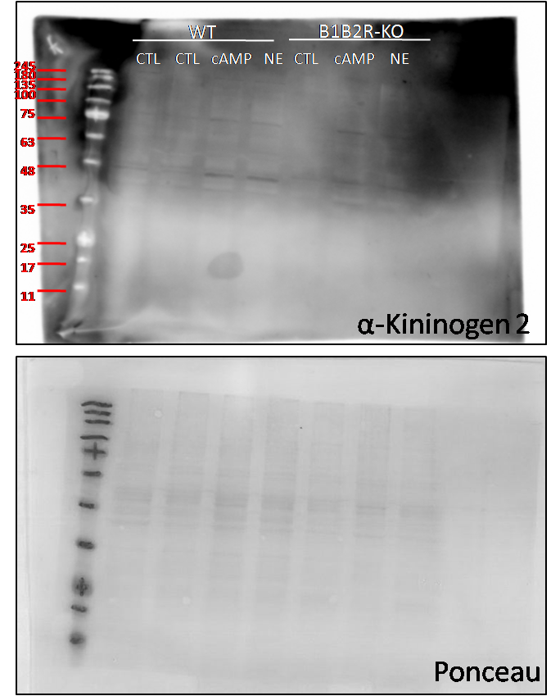

Primary white adipocyte
CTL | cAMP | CL
1.081063 | 2.193461 | 1.304949
0.66647 | 1.754122 | 1.41835
0.656263 | 2.320017 | 1.195626

Figure 3B
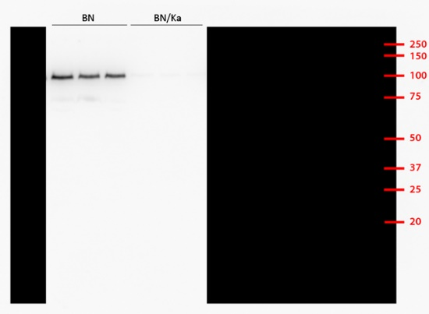
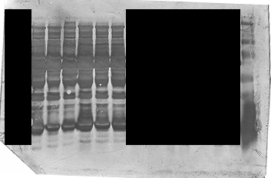
HMWKII
BN | BN/Ka
92.19 | 3.44
90.05 | 1.77
80.68 | 3.90

α-HMWKII
Ponceau

Figure 3D
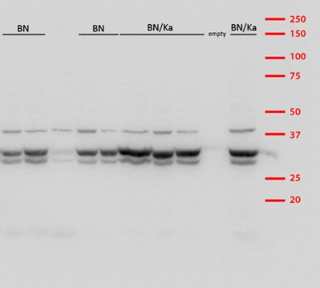
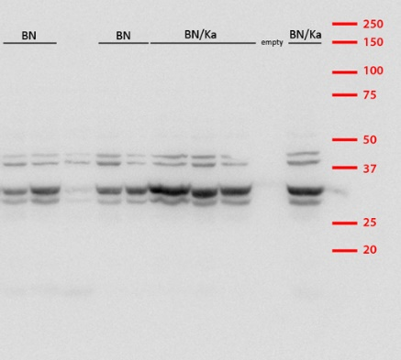
UCP1
BN | BN/Ka
0.16 | 2.26
0.32 | 1.66
0.22 | 1.83
0.60 | 1.92

Total protein
BN | BN/Ka
1.59 | 5.77
4.71 | 4.19
1.03 | 3.42
2.04 | 4.46

α-UCP1
α−β-actin

Figure 5C
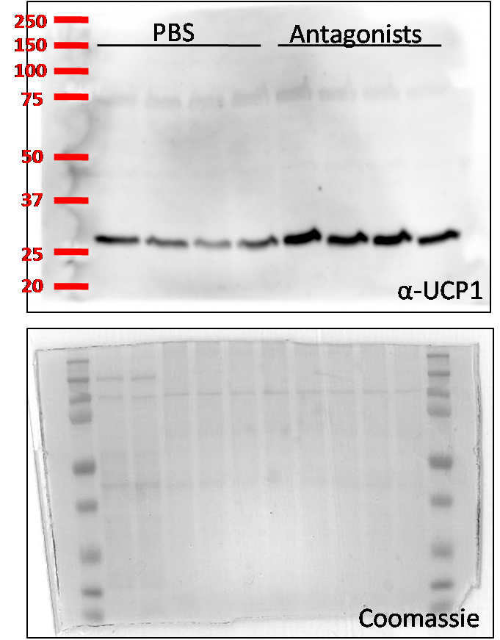
PBS |  |  |  |  |  |  | Antag.
1.395559 | 0.7149633 | 0.09352295 | 1.352763 | 0.7271456 | 2.262918 | 0.4531285 | 1.575579 | 0.7062747 | 1.421094 | 3.66441 | 3.540175 | 2.524969

Figure 6B
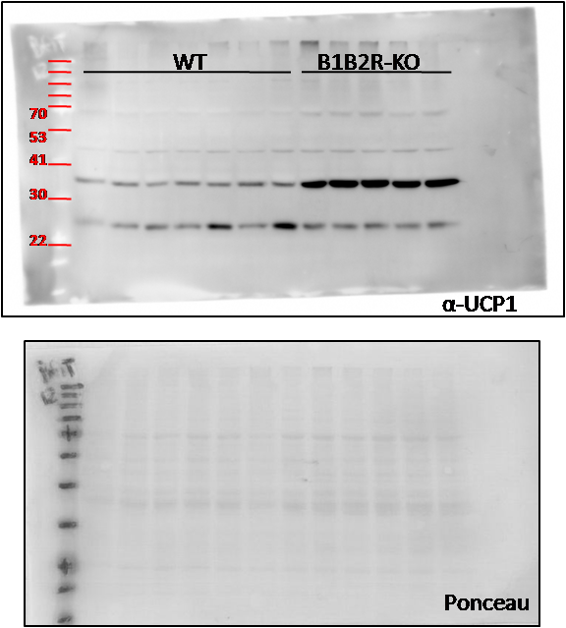
UCP1 |  |  |  | TH |  |  |  | UCP1 |  | TH
22ºC | 4ºC | 22ºC | 4ºC | 22ºC | 4ºC | 22ºC | 4ºC | 30ºC | 30ºC | 30ºC | 30ºC
12.71308 | 27.72979 | 7.81923 | 29.4092 | 14.33477 | 14.41821 | 10.28063 | 17.48899 | 0.786281 | 1.210167 | 20.90007 | 25.9668
11.76477 | 26.63394 | 20.00362 | 37.26734 | 10.19762 | 9.493549 | 6.82186 | 26.12143 | 1.022789 | 6.154734 | 22.94172 | 26.00808
10.75468 | 27.34471 | 12.49534 | 36.47269 | 10.86887 | 12.02383 | 12.52585 | 25.5261 | 0.681399 | 9.698498 | 14.09199 | 30.46684
 |  |  |  |  |  |  |  | 0.992953 | 9.298408
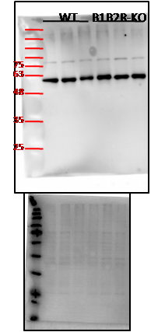
 |  |  |  |  |  |  |  | 0.862543 | 7.60103
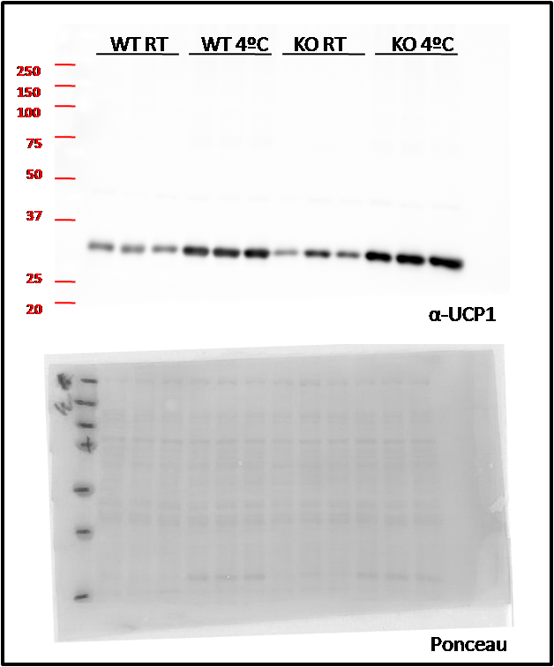
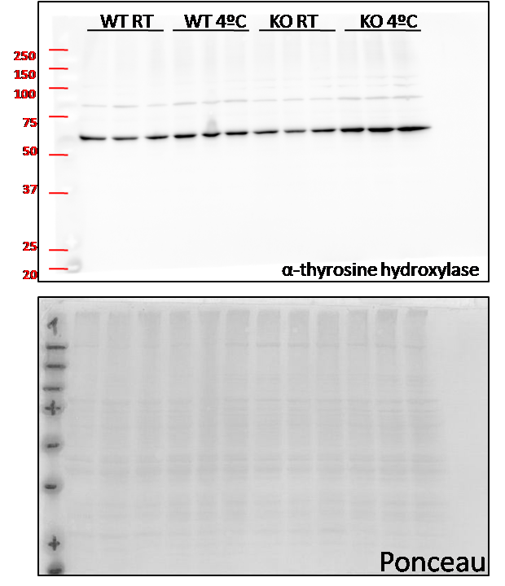
 |  |  |  |  |  |  |  | 1.654034 | 10.15554

Figure 8B
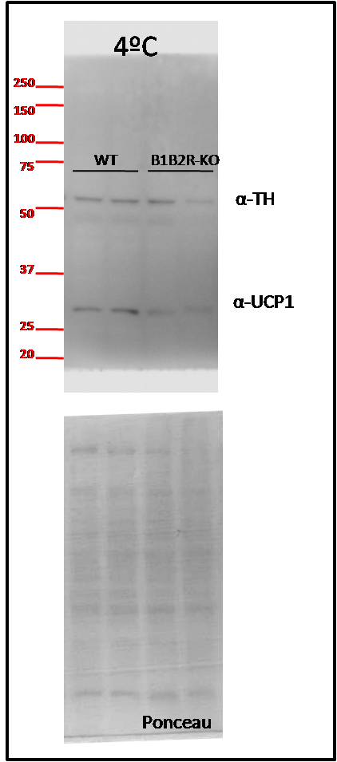
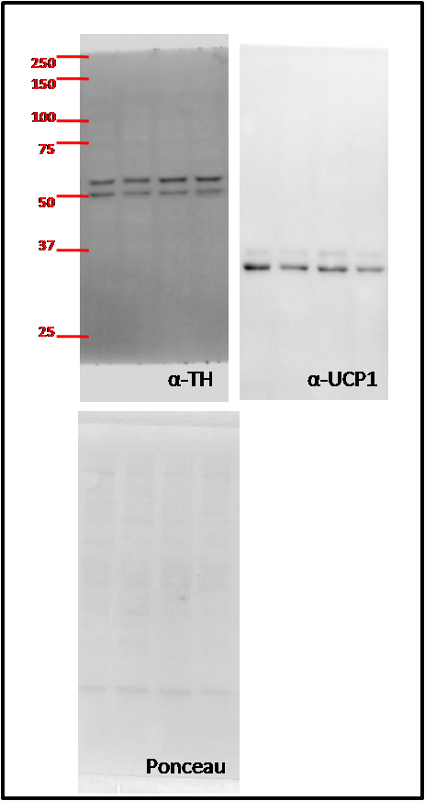
4ºC |  |  |  | 30ºC
Ucp1 |  | TH |  | Ucp1 |  | TH
WT | B1B2R-KO | WT | B1B2R-KO | WT | B1B2R-KO | WT | B1B2R-KO
0.244644 | 0.330757 | 1.136092 | 0.626805 | 1.48179 | 0.433706 | 0.799909 | 1.259099
1.642703 | 0.433925 | 1.435028 | 0.098814 | 0.785576 | 0.341727 | 1.101148 | 1.406381
0.179972 | 0.449365 | 1.429731 | 0.065324 | 1.671761 | 1.054509 | 1.277959 | 1.235002
 |  | 0.660228 | 0.44955 | 0.760863 | 0.676882 | 1.028478 | 1.306012
0.633556 | 0.6208 | 0.651095 | 0.458333 | 0.30001 | 0.851586 | 0.792506 | 1.511275
0.831021 | 0.395527 | 0.687826 | 0.698497
1.099651
2.368454 | 0.201

Figure 9D
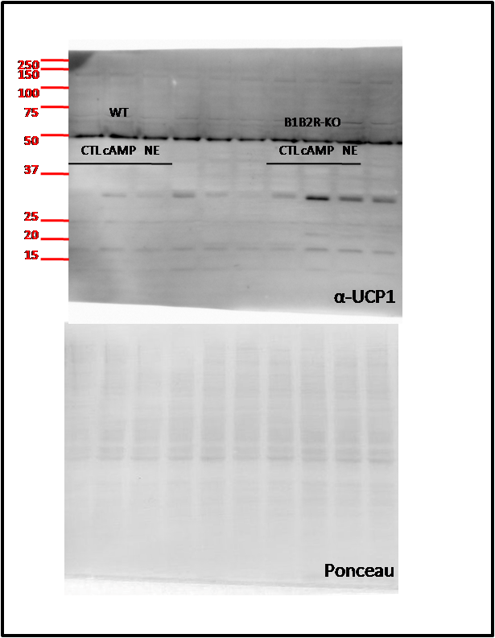
CTL | cAMP | NE | CTL | cAMP | NE
1 | 3.49 | 2.59 | 3.50 | 15.10 | 7.72
1 | 3.70 | 3.60 | 9.70 | 30.20 | 15.92
1 | 3.67 | 3.08 | 6.52 | 18.2 | 12.24

Figure 9G
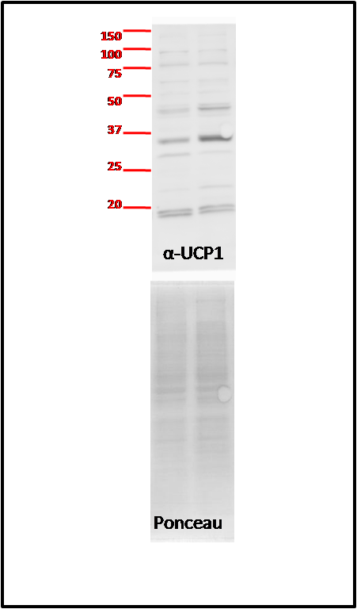
WT | B1B2R-KO
7.108398 | 8.961434
4.663814 | 18.69372
5.259323 | 17.25834

Figure 9H
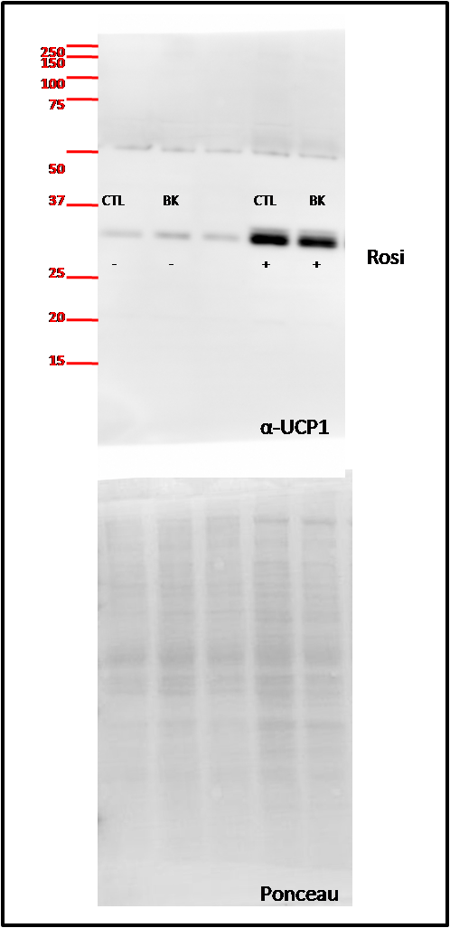
CTL | BK | CTL | BK
1 | 1.313459 | 1 | 0.78185
1 | 1.340256 | 1 | 0.830998
1 | 1.41255 | 1 | 0.6

Figure 9I
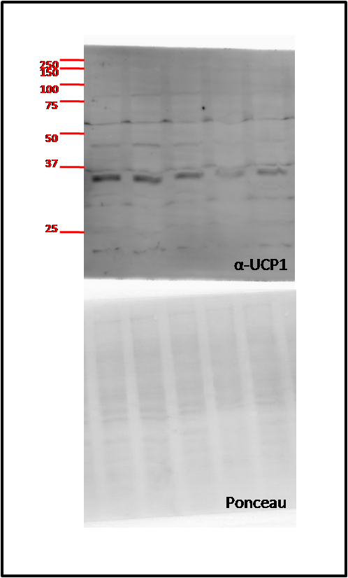
CTL | 0.1 | 5 | 10
1.282002 | 1.025058 | 0.592462 | 0.58761
0.939293 | 0.840223 | 0.504384 | 0.562036
0.778704 | 0.597773 | 0.441861 | 0.366871

Figure 10B
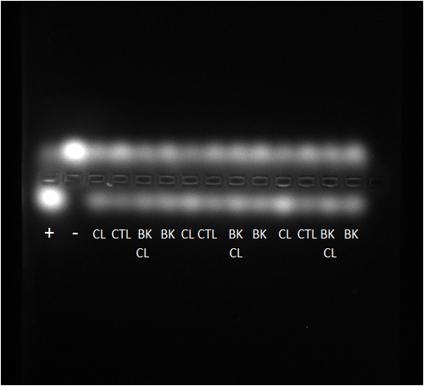
CTL | BK | CL | BK CL
1 | 1.00 | 1.35 | 1.10
1 | 0.96 | 1.40 | 1.08
1 | 1.05 | 1.70 | 1.25

Figure Supp5
A |  | B |  |  |  | C |  | D

PBS 4ºC | Antag. 4ºC | PBS 4ºC | Antag. 4ºC | PBS 4ºC | Antag. 4ºC | PBS 4ºC | Antag. 4ºC | PBS 4ºC | Antag. 4ºC | PBS 4ºC | Antag. 4ºC
3.57 | 4.36 | 28.965 | 30.106 | 0.3349 | 0.271 | 0.822871 | 0.80365 | 110 | 133 | 149
 | 4.15 | 36.69 | 32.637 | 0.3385 | 0.3111 | 0.965083 | 1.123326 |  | 136 |  | 263
3.95 | 4.35 | 32.845 | 40.977 | 0.3072 | 0.3367 | 1.212046 | 0.649188 | 115 | 139 | 168 | 139
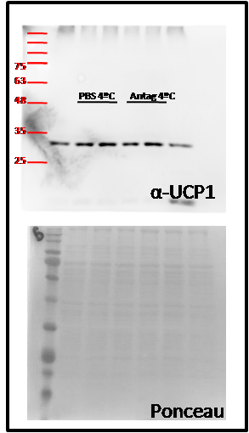
4.29 | 3.77 |  |  |  |  |  |  | 120 | 129 | 175 | 156
3.16 | 4.12 |  |  |  |  |  |  | 147 | 133 | 189 | 194
3.71 | 4.11 |  |  |  |  |  |  | 136 | 132 | 152 | 140

