Supp_Figure_6
 | PAM | Lane 1 | Lane 2 | Lane 3 | Lane 4 | Lane 5
 |  | SmacCas9 | SpyMac | iSpyMac | AsCas12a | LbCas12a
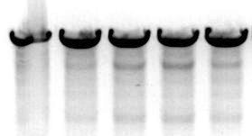
Gel 1 | CAAATTCC

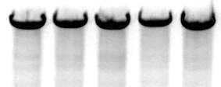
Gel 2 | CAACCCCA

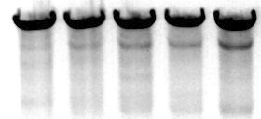
Gel 3 | CAAGCCGT

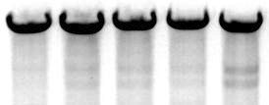
Gel 4 | CAATGTGC

Gel 5 | TAACCTCA

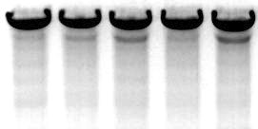
Gel 6 | TAAGGCCC

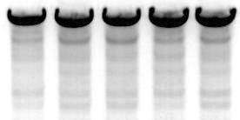
Gel 7 | GAAGTCGA

Gel 8 | GAAAGTGA

Gel 9 | GAAACCAG

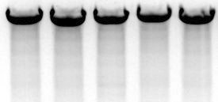
Gel 10 | AAACCAGC

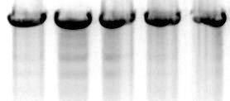
Gel 11 | AAAGTGAG

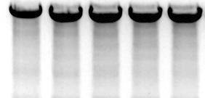
Gel 12 | AAATTCCA

