Fig 1f
Figure 1f

Western blot | Quantification

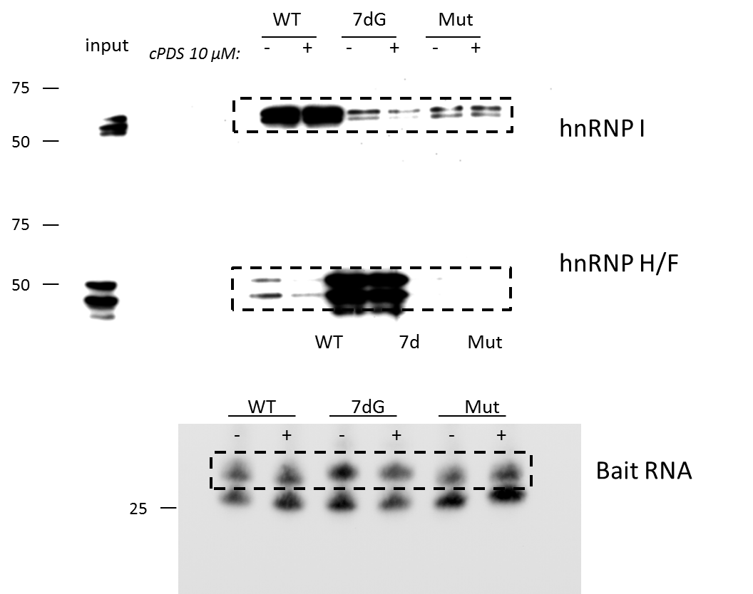
 | data1

 |  |  | hnRNP H/F/hnRNP I | cPDS/NT
 | WT | NT | 0.40050637252 | 1
 | WT | cPDS | 0.19371020887 | 0.48366323773
 | 7dG | NT | 4.0197252996 | 1
 | 7d | cPDS | 6.7282956653 | 1.6738197672
 | Mut | NT | 0.0742514235 | 1
 | Mut | cPDS | 0.03796853931 | 0.51135099531

 | data2

 |  |  | hnRNP H/F/hnRNP I | cPDS/NT
 | WT | NT | 0.1637950518 | 1
 | WT | cPDS | 0.089138787518 | 0.54420928189
 | 7d | NT | 12.718190056 | 1
 | 7d | cPDS | 10.276068051 | 0.80798195386
 | mut | NT | 0 | #DIV/0!
 | mut | cPDS | 0 | #DIV/0!

 | data3

 |  |  | hnRNP H/F/hnRNP I | cPDS/NT
 | WT | NT | 0.15907760328 | 1
 | WT | cPDS | 0.040682453543 | 0.25573966859
 | 7d | NT | 7.3047404367 | 1
 | 7d | cPDS | 11.69433802 | 1.6009245122
 | mut | NT | 0 | #DIV/0!
 | mut | cPDS | 0 | #DIV/0!

 |  |  | Mean | SEM | pvalue
 | WT | NT | 1 | 0
 | WT | cPDS | 0.4278707294 | 0.087822325253 | 0.02276
 | 7dG | NT | 1 | 0
 | 7dG | cPDS | 1.3609087444 | 0.27726308586 | 0.3228

Fig 2a
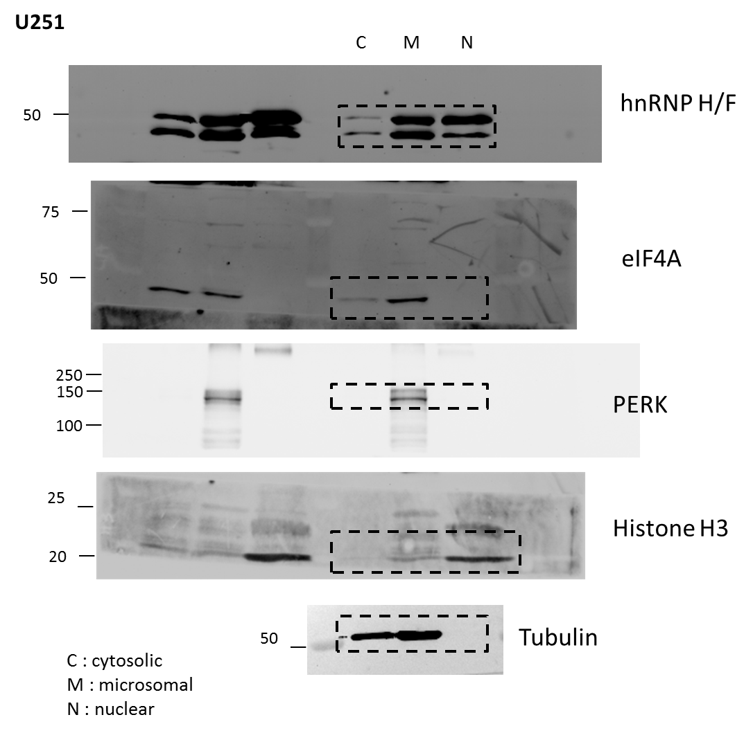
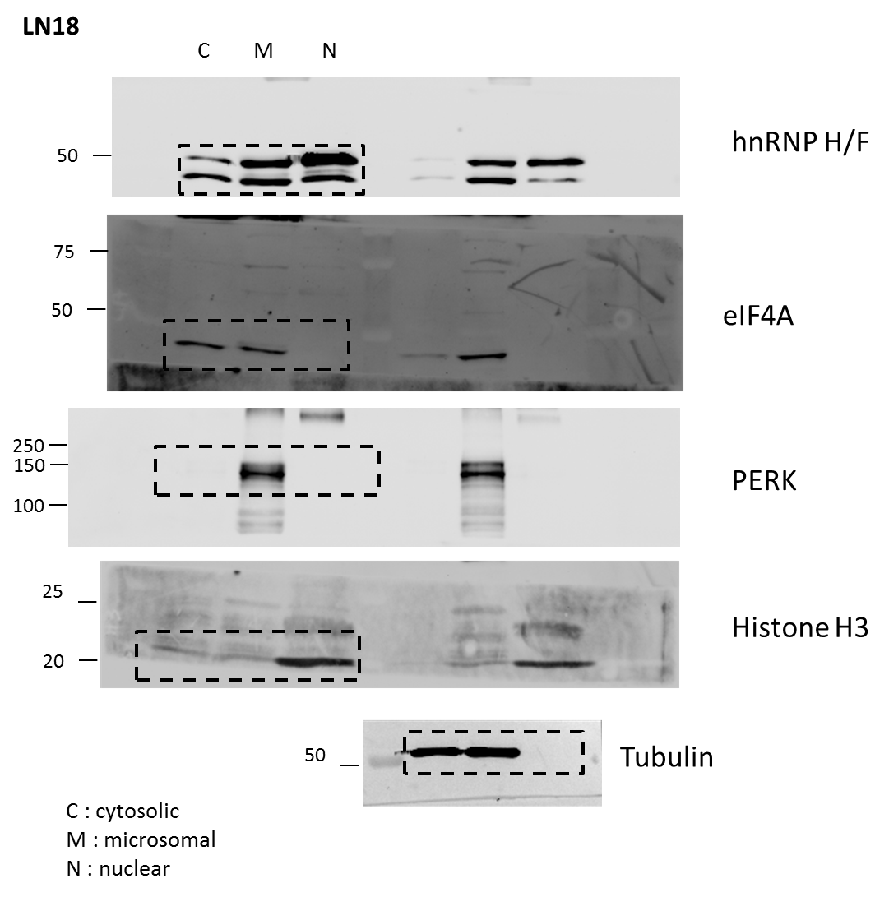
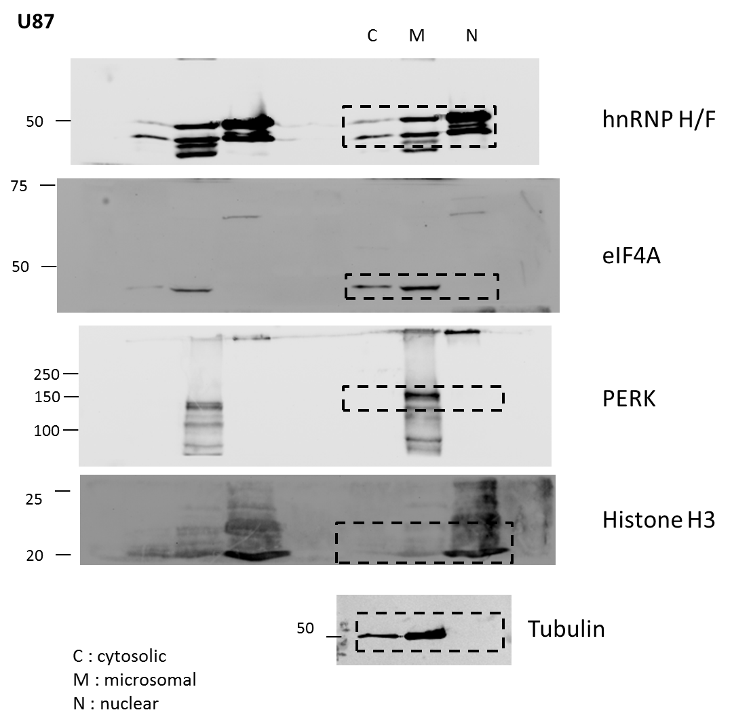
Figure 2a

Fig 2c
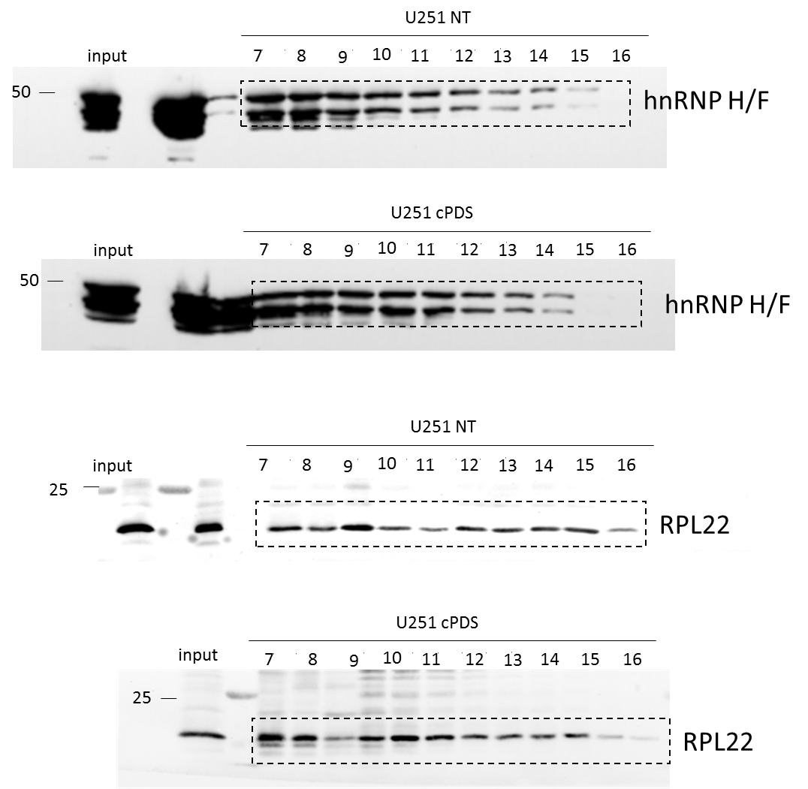
Figure 2c

(i)

Fig 4a
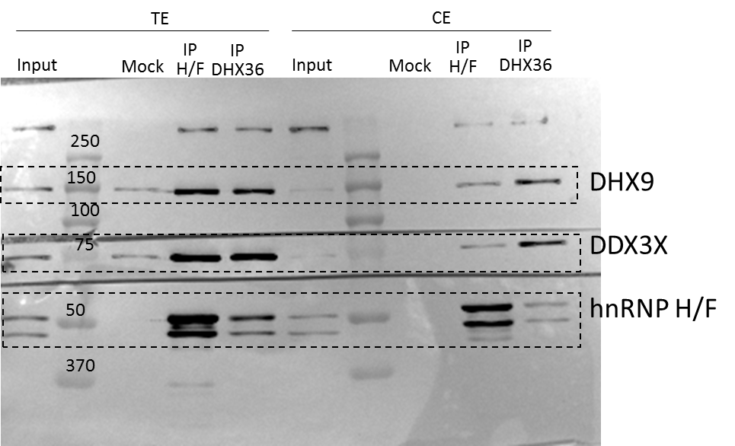
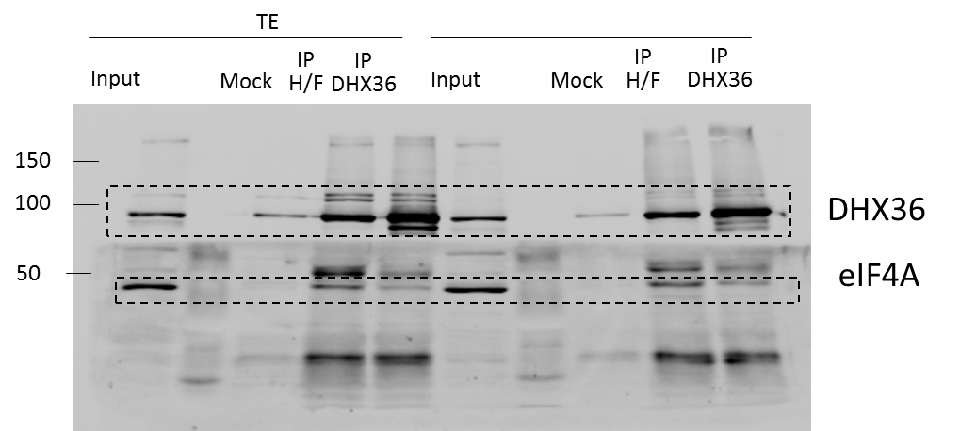
Figure 4a

Fig 4e
siCTR | siHF | siDHX36 | siCTR + cPDS | siCTR + RNAse | siHF + RNAse | siDHX36 + RNAse | cPDS + RNAse |  | Average % siCTR | SEM | Number of cells
0 | 0 | 0 | 0 | 0 | 0 | 0 | 1 | siCtr | 1 | 0.0081246496723 | 7132
0 | 1 | 0 | 0 | 0 | 0 | 0 | 0 | siH/F | 1.5049720842 | 0.01085490673 | 4945
0 | 0 | 0 | 0 | 0 | 0 | 1 | 1 | siDHX36 | 2.2564327084 | 0.013577372967 | 7877
0 | 1 | 0 | 1 | 0 | 0 | 0 | 0 | siCtr + cPDS | 3.0052174562 | 0.018840405976 | 6843
0 | 0 | 0 | 0 | 0 | 0 | 0 | 0 | siCtr + RNAse | 0.68250980893 | 0.0049223611561 | 6844
0 | 0 | 0 | 0 | 0 | 1 | 0 | 0 | siH/F + RNAse | 1.163886834 | 0.0078754131954 | 5901
0 | 0 | 0 | 0 | 0 | 0 | 0 | 0 | siDHX36 + RNAse | 0.95504326783 | 0.0067632187116 | 6770
0 | 0 | 0 | 0 | 0 | 1 | 0 | 0 | cPDS + RNAse | 1.3000559175 | 0.0083616809084 | 6983
0 | 0 | 0 | 0 | 0 | 0 | 0 | 0
0 | 2 | 0 | 0 | 0 | 0 | 0 | 0
Statistics:
two-sided Kolgomorov-Smirnov test
P-values:
siCTR VS siHF = 1.028 x 10⁻⁹
siCTR VS siDHX36 < 2,2 x 10⁻¹⁶
siCTR VS cPDS < 2,2 x 10⁻¹⁶
siCTR VS siCTR + RNAse = 0.258
siHF VS siHF + RNAse = 0.006071
siDHX36 VS siDHX36 + RNAse < 2,2 x 10⁻¹⁶
cPDS VS cPDS + RNAse < 2,2 x 10⁻¹⁶
0 | 0 | 0 | 0 | 0 | 0 | 0 | 0
0 | 0 | 0 | 1 | 0 | 0 | 0 | 0
0 | 1 | 0 | 0 | 0 | 0 | 0 | 0
0 | 0 | 0 | 0 | 0 | 0 | 0 | 0
0 | 0 | 0 | 0 | 0 | 0 | 0 | 0
0 | 1 | 0 | 0 | 0 | 1 | 0 | 0
0 | 0 | 0 | 0 | 0 | 0 | 0 | 0
0 | 0 | 2 | 0 | 8 | 0 | 0 | 0
0 | 0 | 1 | 0 | 1 | 0 | 0 | 0
2 | 0 | 0 | 0 | 0 | 0 | 0 | 0
0 | 0 | 1 | 1 | 0 | 1 | 0 | 2
0 | 1 | 0 | 0 | 0 | 0 | 0 | 2
0 | 0 | 0 | 0 | 0 | 0 | 0 | 3
0 | 0 | 1 | 1 | 0 | 0 | 0 | 0
0 | 0 | 0 | 0 | 0 | 1 | 0 | 0
2 | 0 | 0 | 0 | 0 | 0 | 1 | 0
0 | 0 | 0 | 0 | 0 | 0 | 0 | 0
0 | 0 | 0 | 0 | 0 | 1 | 0 | 0
0 | 1 | 0 | 1 | 0 | 0 | 0 | 0
0 | 0 | 0 | 0 | 0 | 0 | 0 | 1
0 | 1 | 2 | 0 | 0 | 0 | 0 | 0
4 | 0 | 0 | 0 | 0 | 0 | 0 | 0
0 | 0 | 0 | 0 | 0 | 0 | 0 | 0
0 | 0 | 1 | 0 | 0 | 0 | 0 | 0
0 | 0 | 0 | 0 | 0 | 0 | 0 | 0
0 | 0 | 0 | 0 | 0 | 0 | 0 | 0
0 | 0 | 0 | 0 | 1 | 0 | 0 | 0
0 | 0 | 0 | 0 | 0 | 0 | 0 | 0
0 | 0 | 0 | 0 | 1 | 0 | 0 | 0
1 | 0 | 0 | 0 | 0 | 0 | 0 | 0
1 | 0 | 1 | 0 | 0 | 0 | 0 | 1
0 | 0 | 1 | 0 | 2 | 1 | 0 | 0
0 | 1 | 0 | 1 | 0 | 0 | 0 | 0
0 | 2 | 0 | 0 | 0 | 0 | 1 | 0
0 | 0 | 0 | 0 | 0 | 0 | 0 | 1
0 | 0 | 0 | 1 | 0 | 0 | 0 | 0
0 | 2 | 0 | 0 | 0 | 0 | 0 | 0
0 | 0 | 0 | 0 | 0 | 0 | 0 | 0
1 | 0 | 0 | 0 | 0 | 0 | 0 | 0
0 | 1 | 0 | 0 | 0 | 0 | 0 | 0
0 | 0 | 0 | 2 | 0 | 0 | 0 | 0
0 | 0 | 0 | 0 | 0 | 1 | 0 | 0
0 | 1 | 0 | 0 | 0 | 0 | 0 | 0
0 | 0 | 0 | 0 | 0 | 0 | 0 | 0
0 | 0 | 0 | 0 | 0 | 0 | 0 | 0
0 | 0 | 1 | 0 | 0 | 1 | 0 | 0
0 | 1 | 0 | 0 | 0 | 0 | 0 | 0
0 | 0 | 0 | 2 | 1 | 0 | 0 | 0
0 | 1 | 0 | 0 | 0 | 0 | 0 | 0
0 | 0 | 0 | 0 | 1 | 0 | 0 | 0
0 | 0 | 1 | 1 | 0 | 0 | 0 | 0
0 | 0 | 0 | 0 | 0 | 1 | 0 | 0
0 | 0 | 4 | 0 | 1 | 5 | 0 | 0
0 | 0 | 0 | 0 | 0 | 0 | 0 | 0
0 | 0 | 1 | 0 | 0 | 2 | 0 | 4
0 | 0 | 6 | 0 | 0 | 0 | 0 | 2
0 | 0 | 0 | 0 | 0 | 0 | 0 | 0
0 | 0 | 0 | 0 | 0 | 0 | 0 | 1
0 | 0 | 0 | 0 | 0 | 0 | 0 | 1
0 | 0 | 1 | 0 | 0 | 0 | 0 | 0
0 | 0 | 0 | 0 | 0 | 0 | 0 | 2
0 | 0 | 0 | 0 | 0 | 2 | 0 | 1
0 | 0 | 0 | 0 | 0 | 0 | 0 | 0
0 | 0 | 0 | 0 | 0 | 0 | 0 | 1
0 | 0 | 0 | 0 | 0 | 0 | 0 | 0
0 | 0 | 0 | 0 | 0 | 0 | 0 | 0
0 | 0 | 0 | 3 | 0 | 0 | 0 | 1
0 | 0 | 0 | 0 | 0 | 0 | 0 | 0
0 | 0 | 0 | 0 | 0 | 0 | 0 | 0
0 | 0 | 0 | 0 | 0 | 2 | 0 | 0
0 | 0 | 0 | 0 | 0 | 0 | 0 | 0
0 | 0 | 0 | 0 | 1 | 0 | 1 | 0
0 | 0 | 0 | 0 | 0 | 0 | 0 | 1
0 | 1 | 0 | 0 | 0 | 0 | 0 | 0
0 | 0 | 0 | 0 | 0 | 0 | 0 | 0
1 | 0 | 0 | 0 | 0 | 0 | 0 | 0
0 | 0 | 0 | 0 | 0 | 0 | 0 | 0
0 | 0 | 0 | 0 | 0 | 0 | 0 | 0
0 | 0 | 0 | 0 | 0 | 0 | 0 | 0
0 | 0 | 0 | 0 | 0 | 0 | 0 | 0
0 | 0 | 0 | 0 | 0 | 0 | 0 | 0
0 | 1 | 0 | 0 | 0 | 0 | 1 | 0
0 | 0 | 0 | 0 | 0 | 0 | 0 | 0
0 | 0 | 0 | 0 | 0 | 0 | 1 | 0
0 | 0 | 0 | 1 | 0 | 0 | 0 | 0
0 | 0 | 0 | 0 | 0 | 1 | 0 | 0
0 | 0 | 0 | 0 | 0 | 0 | 0 | 0
0 | 0 | 0 | 0 | 0 | 0 | 0 | 0
2 | 0 | 0 | 0 | 0 | 0 | 0 | 1
0 | 0 | 0 | 0 | 0 | 1 | 0 | 0
0 | 0 | 0 | 0 | 0 | 1 | 0 | 0
0 | 0 | 0 | 0 | 0 | 0 | 0 | 0
0 | 1 | 0 | 0 | 1 | 0 | 0 | 0
0 | 0 | 0 | 0 | 0 | 0 | 2 | 0
0 | 0 | 1 | 0 | 0 | 0 | 0 | 0
0 | 0 | 0 | 0 | 0 | 0 | 0 | 0
0 | 1 | 0 | 0 | 0 | 0 | 0 | 0
0 | 0 | 0 | 0 | 0 | 0 | 0 | 0
0 | 1 | 0 | 1 | 0 | 0 | 0 | 0
0 | 0 | 0 | 1 | 1 | 0 | 1 | 0
0 | 0 | 1 | 0 | 0 | 0 | 0 | 0
0 | 1 | 2 | 0 | 0 | 0 | 0 | 0
0 | 0 | 0 | 1 | 0 | 0 | 0 | 0
0 | 0 | 2 | 0 | 0 | 0 | 0 | 0
0 | 1 | 0 | 0 | 0 | 0 | 0 | 0
0 | 0 | 5 | 0 | 0 | 0 | 0 | 0
0 | 0 | 0 | 1 | 0 | 0 | 0 | 0
0 | 0 | 0 | 0 | 0 | 0 | 0 | 0
0 | 1 | 0 | 0 | 0 | 0 | 0 | 0
0 | 0 | 0 | 0 | 0 | 0 | 0 | 0
0 | 0 | 0 | 0 | 0 | 0 | 0 | 0
0 | 0 | 0 | 0 | 0 | 0 | 0 | 0
0 | 0 | 0 | 0 | 0 | 0 | 0 | 0
0 | 0 | 0 | 2 | 0 | 0 | 2 | 0
0 | 0 | 0 | 1 | 0 | 0 | 0 | 0
0 | 0 | 0 | 1 | 0 | 1 | 0 | 0
0 | 0 | 0 | 0 | 0 | 1 | 0 | 0
0 | 0 | 3 | 0 | 0 | 0 | 0 | 0
0 | 0 | 0 | 0 | 0 | 0 | 0 | 0
0 | 2 | 0 | 0 | 0 | 0 | 0 | 0
0 | 0 | 0 | 0 | 0 | 0 | 1 | 0
0 | 0 | 0 | 0 | 0 | 0 | 0 | 0
0 | 0 | 0 | 2 | 0 | 1 | 0 | 0
0 | 0 | 0 | 0 | 0 | 0 | 0 | 0
0 | 0 | 0 | 0 | 0 | 0 | 0 | 0
0 | 0 | 1 | 0 | 0 | 0 | 0 | 0
0 | 0 | 1 | 0 | 0 | 0 | 0 | 0
0 | 0 | 0 | 0 | 0 | 0 | 0 | 0
0 | 0 | 0 | 0 | 1 | 0 | 0 | 0
0 | 0 | 0 | 0 | 0 | 0 | 0 | 0
0 | 0 | 0 | 0 | 0 | 0 | 0 | 0
0 | 0 | 0 | 0 | 0 | 0 | 2 | 0
0 | 0 | 0 | 0 | 0 | 0 | 0 | 0
0 | 0 | 0 | 1 | 0 | 0 | 0 | 1
0 | 0 | 0 | 1 | 0 | 0 | 0 | 0
0 | 0 | 0 | 0 | 0 | 0 | 0 | 1
0 | 0 | 0 | 0 | 0 | 1 | 0 | 1
0 | 0 | 0 | 0 | 0 | 0 | 1 | 0
0 | 0 | 0 | 1 | 1 | 0 | 0 | 0
0 | 0 | 0 | 1 | 0 | 0 | 0 | 0
0 | 0 | 0 | 0 | 2 | 0 | 0 | 1
0 | 0 | 0 | 0 | 0 | 0 | 0 | 0
0 | 0 | 0 | 0 | 0 | 0 | 0 | 0
0 | 0 | 0 | 1 | 0 | 0 | 0 | 0
0 | 1 | 0 | 0 | 0 | 1 | 0 | 0
0 | 0 | 0 | 0 | 0 | 0 | 1 | 0
0 | 0 | 0 | 0 | 0 | 0 | 0 | 0
0 | 0 | 4 | 0 | 0 | 0 | 0 | 0
0 | 2 | 0 | 0 | 0 | 0 | 0 | 2
0 | 0 | 0 | 1 | 1 | 0 | 0 | 0
0 | 1 | 0 | 0 | 0 | 0 | 0 | 0
0 | 0 | 0 | 0 | 0 | 0 | 0 | 9
1 | 0 | 0 | 0 | 1 | 0 | 0 | 4
0 | 1 | 0 | 0 | 0 | 0 | 0 | 0
2 | 0 | 5 | 0 | 0 | 0 | 0 | 0
0 | 1 | 0 | 0 | 0 | 0 | 0 | 1
0 | 0 | 0 | 0 | 0 | 0 | 0 | 0
0 | 0 | 4 | 0 | 0 | 0 | 0 | 0
0 | 0 | 2 | 0 | 0 | 0 | 0 | 1
0 | 0 | 0 | 0 | 0 | 0 | 0 | 0
0 | 0 | 0 | 0 | 1 | 0 | 0 | 0
0 | 0 | 0 | 0 | 0 | 0 | 0 | 0
0 | 1 | 5 | 0 | 0 | 0 | 0 | 0
1 | 0 | 0 | 0 | 0 | 0 | 0 | 0
0 | 0 | 0 | 0 | 0 | 0 | 0 | 0
0 | 1 | 3 | 1 | 0 | 0 | 0 | 0
0 | 0 | 5 | 0 | 0 | 1 | 0 | 0
2 | 0 | 0 | 0 | 0 | 2 | 0 | 0
1 | 0 | 1 | 0 | 0 | 0 | 0 | 0
0 | 0 | 1 | 0 | 0 | 0 | 0 | 0
0 | 5 | 0 | 0 | 0 | 2 | 0 | 0
23 | 0 | 5 | 0 | 0 | 0 | 0 | 0
0 | 0 | 0 | 0 | 0 | 0 | 0 | 0
0 | 0 | 4 | 1 | 0 | 0 | 0 | 0
0 | 0 | 2 | 5 | 0 | 0 | 2 | 0
0 | 0 | 0 | 0 | 0 | 0 | 0 | 0
0 | 0 | 0 | 2 | 0 | 0 | 0 | 0
0 | 1 | 4 | 0 | 0 | 0 | 0 | 0
0 | 0 | 2 | 1 | 0 | 0 | 0 | 0
0 | 0 | 3 | 0 | 0 | 0 | 0 | 0
0 | 0 | 3 | 0 | 1 | 0 | 0 | 0
0 | 0 | 0 | 1 | 0 | 0 | 0 | 0
2 | 0 | 0 | 0 | 0 | 0 | 0 | 0
0 | 1 | 2 | 2 | 0 | 0 | 0 | 0
0 | 0 | 0 | 11 | 0 | 0 | 0 | 0
0 | 0 | 2 | 4 | 0 | 0 | 0 | 0
0 | 0 | 1 | 27 | 0 | 0 | 0 | 0
0 | 0 | 9 | 1 | 0 | 0 | 0 | 0
1 | 0 | 0 | 0 | 0 | 1 | 0 | 1
1 | 0 | 0 | 1 | 1 | 1 | 0 | 0
1 | 0 | 0 | 0 | 0 | 0 | 1 | 0
0 | 0 | 0 | 0 | 0 | 1 | 0 | 0
0 | 0 | 3 | 1 | 0 | 0 | 1 | 2
1 | 0 | 0 | 0 | 0 | 0 | 0 | 0
0 | 0 | 1 | 0 | 0 | 0 | 0 | 0
0 | 0 | 0 | 0 | 0 | 0 | 0 | 0
0 | 1 | 1 | 1 | 0 | 0 | 0 | 1
2 | 0 | 1 | 0 | 2 | 0 | 0 | 0
2 | 0 | 0 | 0 | 0 | 1 | 1 | 0
0 | 0 | 0 | 0 | 0 | 0 | 0 | 0
0 | 0 | 0 | 1 | 0 | 1 | 1 | 1
0 | 0 | 0 | 0 | 0 | 0 | 0 | 0
2 | 0 | 0 | 9 | 0 | 1 | 0 | 0
0 | 0 | 0 | 0 | 0 | 0 | 0 | 0
0 | 0 | 1 | 0 | 0 | 0 | 0 | 0
2 | 0 | 0 | 0 | 0 | 0 | 0 | 0
0 | 0 | 1 | 2 | 0 | 0 | 0 | 0
0 | 0 | 3 | 1 | 0 | 0 | 0 | 0
3 | 0 | 1 | 0 | 0 | 0 | 0 | 0
0 | 0 | 0 | 9 | 0 | 1 | 0 | 0
0 | 0 | 0 | 2 | 0 | 3 | 0 | 0
2 | 0 | 0 | 0 | 0 | 0 | 0 | 0
0 | 0 | 0 | 3 | 0 | 1 | 0 | 0
0 | 0 | 0 | 8 | 0 | 0 | 0 | 1
0 | 0 | 1 | 5 | 0 | 0 | 0 | 0
0 | 0 | 0 | 3 | 0 | 0 | 0 | 0
1 | 0 | 0 | 3 | 0 | 0 | 0 | 0
0 | 0 | 0 | 0 | 0 | 0 | 0 | 0
0 | 0 | 0 | 6 | 0 | 0 | 0 | 0
1 | 0 | 0 | 1 | 0 | 0 | 9 | 0
0 | 0 | 1 | 1 | 0 | 0 | 0 | 0
0 | 0 | 1 | 0 | 0 | 0 | 0 | 1
0 | 0 | 0 | 1 | 0 | 2 | 0 | 0
0 | 0 | 1 | 0 | 0 | 0 | 0 | 0
0 | 0 | 0 | 0 | 0 | 0 | 0 | 0
0 | 0 | 0 | 0 | 0 | 0 | 0 | 0
0 | 0 | 0 | 1 | 0 | 1 | 0 | 2
0 | 0 | 0 | 1 | 0 | 0 | 0 | 0
0 | 1 | 1 | 0 | 0 | 0 | 0 | 0
0 | 0 | 0 | 0 | 0 | 2 | 0 | 0
0 | 0 | 0 | 0 | 0 | 0 | 0 | 0
0 | 1 | 0 | 0 | 0 | 0 | 1 | 0
0 | 0 | 0 | 0 | 0 | 1 | 0 | 1
0 | 0 | 0 | 0 | 0 | 1 | 0 | 0
1 | 0 | 0 | 0 | 0 | 0 | 1 | 0
0 | 0 | 0 | 0 | 0 | 0 | 0 | 0
0 | 0 | 0 | 0 | 1 | 0 | 1 | 0
0 | 1 | 0 | 0 | 0 | 0 | 0 | 1
0 | 0 | 0 | 0 | 0 | 0 | 0 | 1
0 | 1 | 0 | 0 | 0 | 0 | 0 | 1
0 | 1 | 0 | 1 | 0 | 0 | 0 | 0
0 | 0 | 0 | 0 | 0 | 0 | 0 | 0
0 | 1 | 0 | 0 | 0 | 0 | 0 | 0
0 | 1 | 0 | 0 | 0 | 0 | 0 | 1
0 | 1 | 0 | 0 | 0 | 0 | 1 | 0
0 | 1 | 0 | 0 | 0 | 0 | 0 | 0
0 | 0 | 0 | 0 | 0 | 0 | 1 | 0
0 | 0 | 0 | 0 | 0 | 0 | 0 | 0
0 | 1 | 0 | 1 | 0 | 0 | 0 | 1
0 | 0 | 0 | 0 | 1 | 0 | 0 | 0
0 | 1 | 0 | 1 | 0 | 0 | 0 | 0
0 | 0 | 0 | 2 | 1 | 0 | 0 | 0
0 | 2 | 1 | 0 | 0 | 0 | 0 | 0
0 | 0 | 0 | 0 | 0 | 0 | 0 | 0
0 | 0 | 0 | 0 | 0 | 0 | 0 | 0
0 | 0 | 0 | 0 | 0 | 0 | 0 | 0
0 | 0 | 0 | 0 | 0 | 0 | 1 | 0
1 | 0 | 0 | 0 | 1 | 0 | 0 | 0
0 | 0 | 0 | 0 | 0 | 0 | 0 | 0
0 | 0 | 0 | 0 | 1 | 0 | 0 | 0
0 | 0 | 9 | 0 | 0 | 0 | 0 | 0
0 | 0 | 0 | 0 | 0 | 1 | 0 | 0
0 | 0 | 0 | 0 | 0 | 0 | 0 | 0
0 | 0 | 0 | 0 | 0 | 0 | 0 | 0
0 | 0 | 1 | 1 | 0 | 0 | 0 | 0
0 | 0 | 0 | 0 | 0 | 0 | 0 | 0
0 | 1 | 0 | 0 | 0 | 1 | 0 | 0
0 | 0 | 0 | 0 | 0 | 0 | 0 | 0
0 | 0 | 1 | 0 | 0 | 0 | 0 | 0
0 | 0 | 1 | 0 | 0 | 0 | 0 | 1
0 | 0 | 0 | 0 | 0 | 0 | 2 | 0
0 | 0 | 0 | 1 | 0 | 0 | 0 | 0
0 | 0 | 0 | 0 | 0 | 0 | 0 | 0
0 | 0 | 0 | 0 | 0 | 0 | 0 | 0
0 | 0 | 0 | 0 | 0 | 0 | 0 | 0
0 | 0 | 1 | 0 | 0 | 0 | 0 | 0
0 | 0 | 0 | 0 | 0 | 0 | 1 | 0
0 | 0 | 0 | 0 | 0 | 0 | 0 | 0
0 | 0 | 0 | 2 | 0 | 0 | 0 | 0
0 | 0 | 0 | 1 | 0 | 0 | 0 | 0
0 | 0 | 3 | 0 | 0 | 0 | 0 | 0
0 | 0 | 0 | 0 | 0 | 0 | 0 | 0
0 | 0 | 0 | 0 | 0 | 0 | 0 | 0
0 | 0 | 0 | 0 | 0 | 0 | 0 | 0
0 | 0 | 1 | 0 | 0 | 0 | 0 | 0
0 | 0 | 0 | 1 | 0 | 0 | 0 | 0
0 | 0 | 0 | 1 | 0 | 0 | 0 | 0
0 | 0 | 0 | 0 | 0 | 0 | 0 | 0
0 | 0 | 0 | 0 | 0 | 0 | 0 | 1
1 | 0 | 0 | 0 | 0 | 0 | 0 | 0
0 | 0 | 1 | 0 | 0 | 0 | 0 | 0
0 | 0 | 0 | 1 | 0 | 0 | 0 | 0
0 | 0 | 0 | 0 | 0 | 0 | 0 | 1
2 | 0 | 0 | 0 | 0 | 0 | 0 | 0
0 | 0 | 0 | 1 | 0 | 0 | 0 | 0
0 | 1 | 0 | 0 | 0 | 0 | 2 | 0
0 | 0 | 0 | 0 | 0 | 1 | 0 | 1
0 | 0 | 0 | 0 | 1 | 1 | 0 | 0
0 | 0 | 0 | 1 | 0 | 0 | 0 | 0
0 | 0 | 0 | 0 | 0 | 0 | 0 | 0
0 | 0 | 0 | 0 | 1 | 0 | 0 | 0
1 | 0 | 1 | 1 | 0 | 0 | 1 | 0
1 | 0 | 0 | 1 | 0 | 0 | 0 | 0
0 | 0 | 0 | 0 | 0 | 0 | 1 | 0
0 | 0 | 0 | 0 | 0 | 0 | 0 | 0
0 | 0 | 1 | 0 | 0 | 0 | 0 | 0
0 | 0 | 0 | 0 | 0 | 0 | 0 | 5
0 | 2 | 2 | 0 | 0 | 0 | 0 | 0
0 | 0 | 0 | 0 | 0 | 0 | 0 | 0
2 | 0 | 0 | 0 | 0 | 0 | 1 | 0
0 | 0 | 0 | 1 | 0 | 1 | 0 | 0
1 | 0 | 0 | 0 | 0 | 1 | 0 | 0
0 | 3 | 0 | 0 | 0 | 0 | 0 | 0
0 | 0 | 0 | 0 | 0 | 0 | 0 | 0
0 | 0 | 0 | 0 | 0 | 1 | 0 | 1
0 | 0 | 0 | 0 | 0 | 0 | 0 | 0
0 | 0 | 0 | 1 | 0 | 0 | 0 | 0
0 | 0 | 0 | 0 | 0 | 1 | 0 | 0
0 | 0 | 0 | 0 | 0 | 0 | 0 | 0
0 | 0 | 0 | 0 | 0 | 1 | 0 | 0
0 | 0 | 0 | 1 | 0 | 0 | 1 | 0
0 | 0 | 0 | 1 | 0 | 0 | 0 | 0
0 | 1 | 0 | 1 | 0 | 0 | 0 | 0
0 | 0 | 0 | 0 | 0 | 0 | 0 | 0
0 | 0 | 0 | 0 | 0 | 0 | 0 | 0
0 | 0 | 0 | 0 | 0 | 0 | 0 | 0
0 | 0 | 0 | 0 | 0 | 0 | 0 | 1
0 | 0 | 0 | 0 | 0 | 0 | 0 | 0
0 | 0 | 0 | 0 | 0 | 0 | 0 | 0
0 | 0 | 0 | 0 | 0 | 0 | 0 | 2
0 | 0 | 0 | 6 | 0 | 0 | 0 | 0
0 | 0 | 0 | 0 | 0 | 0 | 0 | 0
0 | 0 | 0 | 0 | 0 | 0 | 0 | 0
0 | 1 | 0 | 0 | 0 | 0 | 0 | 0
0 | 0 | 0 | 0 | 0 | 0 | 2 | 0
0 | 0 | 1 | 0 | 0 | 0 | 0 | 0
0 | 0 | 0 | 0 | 0 | 1 | 0 | 0
0 | 0 | 0 | 0 | 0 | 0 | 0 | 0
0 | 1 | 0 | 1 | 0 | 0 | 1 | 0
0 | 0 | 1 | 0 | 0 | 0 | 0 | 0
0 | 0 | 1 | 0 | 0 | 0 | 0 | 0
0 | 0 | 1 | 1 | 2 | 0 | 0 | 0
0 | 0 | 1 | 0 | 2 | 0 | 0 | 0
0 | 0 | 2 | 0 | 1 | 0 | 0 | 0
0 | 0 | 0 | 1 | 0 | 0 | 0 | 0
0 | 0 | 1 | 0 | 0 | 0 | 2 | 1
0 | 0 | 13 | 0 | 0 | 0 | 0 | 0
0 | 0 | 0 | 0 | 1 | 0 | 0 | 0
0 | 0 | 0 | 1 | 0 | 0 | 0 | 6
1 | 0 | 1 | 1 | 0 | 0 | 0 | 0
0 | 0 | 0 | 1 | 0 | 0 | 0 | 0
0 | 0 | 0 | 0 | 0 | 0 | 0 | 0
0 | 0 | 0 | 1 | 0 | 0 | 0 | 0
0 | 0 | 0 | 7 | 0 | 0 | 0 | 0
0 | 0 | 0 | 0 | 0 | 0 | 0 | 0
0 | 1 | 3 | 0 | 0 | 0 | 0 | 1
0 | 0 | 0 | 0 | 0 | 0 | 0 | 2
0 | 0 | 1 | 0 | 1 | 0 | 0 | 1
0 | 0 | 0 | 0 | 0 | 0 | 0 | 0
0 | 2 | 0 | 0 | 0 | 0 | 0 | 7
0 | 0 | 0 | 0 | 2 | 0 | 0 | 0
0 | 0 | 0 | 0 | 0 | 0 | 0 | 1
0 | 0 | 0 | 2 | 0 | 0 | 0 | 0
0 | 0 | 1 | 0 | 0 | 0 | 0 | 0
0 | 0 | 0 | 0 | 0 | 1 | 0 | 1
0 | 0 | 0 | 1 | 0 | 0 | 0 | 0
0 | 0 | 0 | 1 | 0 | 0 | 0 | 1
0 | 0 | 0 | 0 | 0 | 0 | 0 | 0
0 | 0 | 0 | 1 | 0 | 0 | 0 | 1
0 | 0 | 0 | 0 | 0 | 0 | 0 | 0
0 | 0 | 0 | 0 | 0 | 1 | 0 | 0
0 | 0 | 0 | 0 | 0 | 1 | 0 | 1
0 | 0 | 0 | 0 | 0 | 0 | 0 | 0
0 | 0 | 0 | 1 | 0 | 0 | 0 | 0
0 | 0 | 0 | 0 | 0 | 0 | 0 | 0
0 | 0 | 0 | 1 | 0 | 1 | 0 | 0
0 | 0 | 0 | 0 | 0 | 0 | 0 | 0
0 | 0 | 0 | 1 | 0 | 0 | 0 | 0
0 | 0 | 0 | 0 | 0 | 0 | 0 | 0
0 | 0 | 0 | 0 | 0 | 1 | 0 | 0
0 | 0 | 0 | 0 | 0 | 0 | 0 | 0
0 | 0 | 0 | 3 | 0 | 1 | 0 | 0
0 | 0 | 0 | 0 | 0 | 0 | 0 | 0
0 | 0 | 0 | 0 | 0 | 0 | 1 | 0
0 | 0 | 0 | 3 | 0 | 1 | 1 | 0
0 | 0 | 0 | 0 | 0 | 0 | 0 | 2
1 | 0 | 0 | 0 | 1 | 0 | 0 | 0
0 | 0 | 0 | 0 | 0 | 0 | 0 | 0
0 | 0 | 0 | 1 | 0 | 0 | 0 | 0
0 | 0 | 0 | 0 | 0 | 0 | 0 | 0
0 | 0 | 0 | 4 | 1 | 0 | 0 | 1
1 | 0 | 0 | 2 | 0 | 0 | 0 | 0
0 | 0 | 0 | 0 | 0 | 0 | 0 | 0
0 | 0 | 0 | 0 | 0 | 0 | 1 | 0
0 | 0 | 0 | 0 | 0 | 0 | 0 | 0
0 | 0 | 0 | 0 | 0 | 0 | 0 | 0
0 | 0 | 0 | 0 | 1 | 0 | 0 | 0
0 | 0 | 0 | 0 | 0 | 0 | 1 | 1
0 | 1 | 0 | 0 | 0 | 0 | 0 | 0
0 | 0 | 0 | 0 | 0 | 0 | 0 | 0
0 | 0 | 0 | 0 | 0 | 0 | 0 | 0
0 | 0 | 0 | 0 | 0 | 0 | 0 | 0
0 | 1 | 1 | 0 | 1 | 0 | 0 | 0
0 | 0 | 1 | 0 | 0 | 0 | 0 | 0
0 | 0 | 0 | 0 | 0 | 0 | 0 | 0
0 | 1 | 0 | 1 | 0 | 0 | 0 | 0
0 | 0 | 0 | 0 | 0 | 0 | 0 | 1
0 | 0 | 0 | 0 | 0 | 0 | 0 | 0
0 | 0 | 0 | 1 | 0 | 0 | 0 | 0
0 | 2 | 0 | 0 | 1 | 0 | 0 | 0
0 | 1 | 0 | 0 | 0 | 0 | 0 | 1
0 | 0 | 1 | 0 | 0 | 0 | 0 | 0
0 | 1 | 0 | 0 | 1 | 0 | 1 | 0
3 | 0 | 1 | 0 | 0 | 0 | 0 | 0
0 | 0 | 0 | 1 | 2 | 0 | 0 | 0
1 | 2 | 1 | 0 | 0 | 0 | 0 | 0
0 | 0 | 0 | 0 | 0 | 0 | 1 | 1
0 | 0 | 0 | 0 | 1 | 0 | 0 | 0
0 | 0 | 0 | 0 | 1 | 0 | 1 | 2
0 | 0 | 0 | 3 | 0 | 0 | 0 | 0
0 | 0 | 1 | 0 | 0 | 1 | 1 | 0
0 | 0 | 0 | 0 | 0 | 0 | 0 | 0
0 | 0 | 0 | 1 | 0 | 0 | 0 | 0
0 | 0 | 0 | 0 | 0 | 0 | 0 | 0
0 | 0 | 0 | 3 | 0 | 3 | 0 | 1
0 | 0 | 0 | 0 | 0 | 0 | 1 | 0
3 | 0 | 0 | 0 | 0 | 0 | 1 | 0
1 | 0 | 0 | 0 | 0 | 0 | 1 | 0
0 | 0 | 0 | 0 | 0 | 0 | 1 | 0
0 | 0 | 0 | 1 | 1 | 0 | 0 | 0
0 | 4 | 0 | 0 | 1 | 0 | 0 | 0
1 | 0 | 0 | 0 | 0 | 0 | 1 | 0
0 | 0 | 0 | 0 | 0 | 0 | 1 | 0
0 | 0 | 0 | 0 | 0 | 0 | 1 | 0
0 | 0 | 0 | 0 | 0 | 0 | 0 | 0
0 | 0 | 0 | 0 | 0 | 0 | 0 | 0
0 | 0 | 1 | 1 | 0 | 0 | 1 | 0
0 | 0 | 0 | 1 | 0 | 0 | 0 | 0
0 | 0 | 0 | 0 | 0 | 0 | 0 | 1
0 | 0 | 1 | 0 | 0 | 0 | 0 | 0
0 | 0 | 0 | 0 | 0 | 0 | 0 | 1
0 | 0 | 0 | 0 | 4 | 0 | 0 | 0
1 | 0 | 0 | 1 | 0 | 0 | 0 | 0
0 | 1 | 0 | 0 | 0 | 0 | 0 | 0
0 | 0 | 0 | 0 | 0 | 0 | 0 | 0
0 | 0 | 0 | 1 | 0 | 0 | 0 | 1
0 | 0 | 0 | 0 | 0 | 6 | 0 | 0
0 | 0 | 1 | 0 | 0 | 0 | 0 | 0
0 | 0 | 0 | 0 | 0 | 0 | 0 | 0
0 | 0 | 0 | 1 | 0 | 0 | 0 | 0
0 | 0 | 0 | 0 | 0 | 0 | 0 | 0
0 | 0 | 0 | 0 | 0 | 0 | 0 | 0
0 | 1 | 0 | 0 | 0 | 0 | 0 | 0
0 | 1 | 0 | 0 | 0 | 0 | 0 | 0
2 | 1 | 0 | 1 | 0 | 0 | 0 | 0
0 | 1 | 0 | 0 | 0 | 0 | 0 | 0
0 | 0 | 0 | 0 | 2 | 0 | 0 | 1
2 | 0 | 0 | 0 | 5 | 0 | 0 | 1
1 | 0 | 0 | 0 | 0 | 0 | 0 | 0
0 | 0 | 0 | 0 | 0 | 0 | 0 | 0
0 | 0 | 0 | 0 | 0 | 0 | 0 | 0
0 | 0 | 0 | 0 | 0 | 0 | 0 | 0
0 | 0 | 0 | 0 | 0 | 0 | 0 | 0
0 | 0 | 1 | 0 | 0 | 0 | 0 | 0
0 | 0 | 1 | 0 | 0 | 0 | 0 | 0
1 | 0 | 0 | 0 | 0 | 0 | 0 | 0
0 | 0 | 1 | 0 | 0 | 0 | 0 | 0
0 | 0 | 0 | 0 | 2 | 0 | 0 | 0
0 | 0 | 0 | 0 | 0 | 0 | 0 | 0
0 | 0 | 1 | 0 | 0 | 0 | 0 | 0
0 | 0 | 0 | 0 | 1 | 0 | 1 | 0
0 | 0 | 0 | 0 | 1 | 0 | 0 | 0
0 | 0 | 1 | 3 | 0 | 0 | 0 | 0
0 | 0 | 0 | 0 | 0 | 0 | 0 | 0
0 | 0 | 0 | 0 | 0 | 1 | 0 | 0
0 | 1 | 0 | 0 | 0 | 0 | 0 | 0
0 | 0 | 0 | 0 | 0 | 0 | 0 | 1
0 | 0 | 0 | 0 | 0 | 0 | 0 | 0
0 | 0 | 0 | 1 | 0 | 0 | 1 | 0
0 | 0 | 0 | 0 | 0 | 2 | 0 | 0
0 | 1 | 0 | 0 | 0 | 0 | 0 | 0
0 | 0 | 0 | 0 | 0 | 0 | 0 | 0
0 | 0 | 0 | 0 | 0 | 1 | 0 | 0
0 | 0 | 0 | 0 | 2 | 0 | 0 | 0
0 | 0 | 0 | 0 | 0 | 0 | 0 | 0
0 | 0 | 0 | 0 | 0 | 0 | 0 | 0
0 | 0 | 0 | 0 | 0 | 0 | 0 | 0
0 | 0 | 0 | 0 | 0 | 0 | 0 | 0
0 | 0 | 0 | 0 | 0 | 0 | 0 | 0
0 | 0 | 0 | 2 | 1 | 2 | 1 | 0
0 | 0 | 0 | 0 | 0 | 0 | 0 | 0
0 | 0 | 0 | 1 | 0 | 0 | 0 | 1
0 | 0 | 0 | 0 | 0 | 0 | 0 | 0
0 | 0 | 0 | 0 | 0 | 2 | 0 | 0
0 | 0 | 0 | 0 | 0 | 0 | 0 | 0
0 | 0 | 0 | 0 | 0 | 0 | 1 | 0
0 | 1 | 0 | 0 | 0 | 0 | 0 | 0
0 | 0 | 0 | 0 | 0 | 0 | 0 | 0
0 | 0 | 0 | 0 | 0 | 0 | 0 | 0
0 | 0 | 0 | 1 | 1 | 1 | 0 | 0
0 | 0 | 0 | 0 | 0 | 0 | 0 | 0
0 | 0 | 1 | 0 | 0 | 0 | 0 | 0
0 | 0 | 0 | 0 | 2 | 0 | 1 | 2
0 | 0 | 0 | 0 | 0 | 1 | 0 | 0
0 | 0 | 0 | 0 | 0 | 1 | 0 | 2
0 | 0 | 0 | 0 | 1 | 0 | 0 | 0
0 | 0 | 0 | 0 | 0 | 0 | 0 | 0
0 | 0 | 0 | 0 | 0 | 1 | 0 | 0
0 | 1 | 0 | 0 | 0 | 0 | 0 | 0
0 | 0 | 0 | 0 | 0 | 0 | 0 | 0
0 | 1 | 0 | 1 | 0 | 1 | 0 | 0
0 | 0 | 0 | 0 | 0 | 3 | 0 | 0
0 | 0 | 1 | 0 | 0 | 1 | 0 | 0
1 | 0 | 0 | 0 | 0 | 0 | 0 | 0
0 | 1 | 1 | 0 | 1 | 0 | 0 | 0
1 | 0 | 0 | 0 | 0 | 0 | 0 | 0
0 | 0 | 0 | 0 | 0 | 1 | 0 | 0
0 | 0 | 0 | 0 | 0 | 0 | 0 | 0
0 | 0 | 0 | 1 | 1 | 0 | 0 | 0
0 | 0 | 0 | 0 | 0 | 0 | 0 | 0
0 | 0 | 0 | 0 | 1 | 2 | 0 | 2
0 | 0 | 0 | 0 | 0 | 0 | 0 | 0
0 | 0 | 0 | 0 | 1 | 1 | 0 | 0
0 | 0 | 0 | 0 | 11 | 0 | 0 | 2
0 | 0 | 0 | 0 | 0 | 0 | 0 | 0
0 | 1 | 0 | 2 | 2 | 0 | 0 | 0
0 | 1 | 0 | 0 | 0 | 1 | 0 | 2
0 | 0 | 1 | 0 | 0 | 0 | 3 | 0
0 | 0 | 0 | 0 | 0 | 0 | 0 | 0
0 | 0 | 0 | 0 | 0 | 0 | 0 | 0
0 | 0 | 0 | 0 | 0 | 0 | 0 | 0
0 | 0 | 0 | 0 | 0 | 0 | 0 | 0
0 | 0 | 0 | 1 | 0 | 0 | 0 | 0
0 | 0 | 1 | 4 | 0 | 0 | 0 | 0
0 | 0 | 1 | 0 | 0 | 0 | 1 | 0
0 | 0 | 0 | 0 | 0 | 0 | 0 | 0
0 | 0 | 0 | 1 | 0 | 0 | 0 | 0
0 | 0 | 0 | 2 | 0 | 0 | 0 | 0
0 | 1 | 0 | 0 | 0 | 0 | 0 | 0
0 | 0 | 0 | 1 | 0 | 0 | 0 | 0
1 | 1 | 0 | 0 | 0 | 0 | 0 | 0
2 | 0 | 0 | 0 | 0 | 0 | 0 | 0
1 | 0 | 0 | 0 | 0 | 0 | 0 | 0
0 | 1 | 0 | 0 | 0 | 0 | 0 | 0
0 | 0 | 0 | 1 | 0 | 0 | 0 | 0
0 | 0 | 0 | 1 | 0 | 0 | 0 | 0
1 | 0 | 0 | 0 | 0 | 0 | 0 | 2
0 | 0 | 1 | 0 | 0 | 0 | 0 | 1
0 | 0 | 0 | 0 | 0 | 0 | 0 | 0
0 | 1 | 0 | 0 | 0 | 0 | 0 | 0
0 | 0 | 0 | 0 | 0 | 0 | 0 | 0
0 | 2 | 0 | 2 | 0 | 0 | 0 | 0
0 | 0 | 0 | 0 | 0 | 0 | 2 | 0
0 | 0 | 0 | 0 | 0 | 1 | 0 | 0
0 | 0 | 0 | 1 | 0 | 0 | 0 | 0
0 | 0 | 0 | 0 | 0 | 0 | 0 | 0
0 | 0 | 0 | 0 | 0 | 0 | 0 | 0
0 | 0 | 0 | 0 | 0 | 0 | 0 | 0
0 | 0 | 0 | 0 | 0 | 0 | 0 | 0
0 | 0 | 0 | 0 | 0 | 0 | 0 | 0
0 | 0 | 0 | 0 | 0 | 0 | 0 | 0
0 | 0 | 0 | 0 | 0 | 0 | 1 | 0
0 | 0 | 0 | 0 | 0 | 0 | 2 | 1
0 | 0 | 1 | 0 | 0 | 0 | 0 | 0
0 | 0 | 0 | 0 | 0 | 0 | 0 | 0
0 | 0 | 1 | 0 | 0 | 0 | 1 | 0
0 | 0 | 0 | 0 | 0 | 0 | 0 | 0
0 | 0 | 0 | 0 | 0 | 0 | 1 | 0
0 | 0 | 0 | 0 | 0 | 1 | 1 | 0
0 | 0 | 2 | 0 | 0 | 9 | 0 | 0
0 | 1 | 0 | 0 | 1 | 0 | 0 | 0
0 | 0 | 0 | 0 | 0 | 1 | 0 | 0
0 | 0 | 0 | 0 | 0 | 0 | 0 | 1
0 | 0 | 0 | 0 | 0 | 0 | 0 | 0
0 | 0 | 0 | 0 | 0 | 0 | 0 | 0
1 | 0 | 0 | 0 | 0 | 0 | 0 | 0
0 | 0 | 0 | 0 | 1 | 0 | 0 | 0
0 | 0 | 1 | 0 | 0 | 0 | 1 | 0
0 | 1 | 0 | 0 | 0 | 1 | 0 | 0
0 | 0 | 0 | 0 | 0 | 0 | 0 | 0
1 | 0 | 0 | 0 | 0 | 1 | 1 | 0
0 | 0 | 0 | 0 | 0 | 0 | 0 | 0
0 | 0 | 0 | 0 | 0 | 1 | 0 | 0
0 | 0 | 0 | 0 | 0 | 0 | 0 | 0
0 | 0 | 0 | 0 | 0 | 1 | 2 | 0
0 | 0 | 0 | 0 | 0 | 1 | 0 | 0
0 | 0 | 0 | 1 | 0 | 4 | 0 | 0
1 | 0 | 0 | 0 | 0 | 1 | 2 | 0
0 | 0 | 0 | 0 | 0 | 0 | 0 | 0
0 | 1 | 0 | 1 | 0 | 0 | 0 | 0
0 | 0 | 0 | 0 | 0 | 0 | 0 | 1
0 | 0 | 0 | 0 | 0 | 0 | 0 | 0
0 | 1 | 0 | 0 | 0 | 0 | 0 | 0
0 | 2 | 0 | 0 | 0 | 0 | 0 | 0
0 | 0 | 0 | 0 | 0 | 1 | 0 | 1
0 | 0 | 1 | 0 | 0 | 0 | 0 | 0
0 | 0 | 1 | 0 | 0 | 0 | 0 | 0
0 | 0 | 0 | 1 | 0 | 0 | 0 | 0
0 | 0 | 0 | 0 | 0 | 0 | 0 | 0
0 | 1 | 0 | 0 | 0 | 0 | 0 | 0
0 | 2 | 0 | 1 | 0 | 0 | 0 | 0
0 | 0 | 0 | 0 | 0 | 0 | 0 | 0
0 | 0 | 0 | 1 | 0 | 0 | 0 | 0
0 | 0 | 1 | 0 | 0 | 0 | 0 | 0
0 | 0 | 0 | 0 | 0 | 0 | 0 | 0
0 | 0 | 0 | 0 | 0 | 0 | 0 | 0
0 | 2 | 0 | 0 | 0 | 0 | 1 | 0
0 | 0 | 0 | 0 | 0 | 0 | 0 | 0
0 | 0 | 2 | 0 | 0 | 0 | 0 | 0
0 | 0 | 0 | 1 | 0 | 0 | 0 | 0
0 | 0 | 0 | 0 | 0 | 0 | 0 | 1
0 | 0 | 0 | 0 | 0 | 0 | 0 | 0
1 | 0 | 0 | 1 | 0 | 0 | 0 | 0
1 | 1 | 0 | 0 | 0 | 0 | 0 | 0
0 | 0 | 0 | 3 | 0 | 0 | 0 | 0
0 | 0 | 0 | 1 | 0 | 0 | 0 | 0
0 | 0 | 1 | 0 | 0 | 0 | 0 | 0
0 | 0 | 0 | 0 | 0 | 0 | 0 | 0
0 | 0 | 0 | 1 | 0 | 0 | 1 | 0
0 | 0 | 0 | 0 | 0 | 0 | 0 | 0
0 | 0 | 0 | 0 | 0 | 0 | 0 | 0
0 | 0 | 0 | 0 | 0 | 1 | 1 | 1
0 | 0 | 0 | 0 | 0 | 0 | 0 | 0
0 | 0 | 0 | 0 | 0 | 0 | 0 | 0
0 | 0 | 0 | 0 | 0 | 0 | 0 | 0
0 | 0 | 0 | 0 | 0 | 0 | 0 | 1
0 | 6 | 0 | 1 | 0 | 0 | 1 | 0
0 | 0 | 0 | 1 | 0 | 0 | 0 | 0
0 | 0 | 0 | 0 | 0 | 0 | 1 | 0
1 | 0 | 0 | 0 | 0 | 0 | 0 | 0
0 | 0 | 0 | 0 | 0 | 0 | 0 | 0
0 | 0 | 0 | 2 | 0 | 0 | 0 | 0
1 | 0 | 0 | 0 | 0 | 1 | 0 | 0
0 | 0 | 0 | 0 | 0 | 0 | 0 | 0
0 | 0 | 0 | 0 | 0 | 0 | 0 | 0
0 | 0 | 0 | 0 | 0 | 0 | 0 | 0
0 | 0 | 0 | 0 | 0 | 0 | 1 | 0
0 | 0 | 0 | 0 | 0 | 0 | 0 | 1
0 | 0 | 0 | 1 | 0 | 0 | 1 | 1
0 | 0 | 0 | 0 | 0 | 0 | 0 | 0
0 | 0 | 0 | 0 | 0 | 0 | 0 | 0
0 | 0 | 0 | 0 | 0 | 0 | 0 | 0
0 | 0 | 0 | 0 | 0 | 0 | 0 | 0
0 | 0 | 0 | 1 | 0 | 0 | 0 | 0
0 | 0 | 0 | 0 | 0 | 0 | 0 | 0
0 | 0 | 0 | 0 | 0 | 0 | 0 | 0
0 | 0 | 0 | 0 | 0 | 0 | 0 | 0
0 | 0 | 0 | 0 | 0 | 0 | 0 | 0
0 | 0 | 0 | 0 | 0 | 0 | 0 | 0
0 | 0 | 0 | 1 | 0 | 0 | 1 | 0
0 | 0 | 0 | 0 | 0 | 0 | 1 | 0
0 | 0 | 0 | 0 | 0 | 0 | 1 | 0
0 | 0 | 0 | 0 | 0 | 0 | 0 | 0
0 | 0 | 2 | 1 | 0 | 0 | 0 | 0
0 | 0 | 0 | 0 | 0 | 0 | 0 | 0
0 | 0 | 0 | 0 | 0 | 0 | 0 | 0
0 | 0 | 2 | 0 | 0 | 0 | 1 | 0
0 | 0 | 2 | 0 | 0 | 0 | 0 | 0
0 | 0 | 1 | 0 | 0 | 0 | 0 | 0
0 | 0 | 1 | 0 | 0 | 0 | 1 | 0
0 | 0 | 0 | 1 | 1 | 0 | 0 | 0
0 | 0 | 0 | 0 | 0 | 0 | 0 | 0
0 | 0 | 1 | 4 | 0 | 0 | 0 | 0
0 | 0 | 1 | 0 | 2 | 0 | 0 | 0
1 | 0 | 0 | 0 | 0 | 0 | 0 | 0
0 | 0 | 0 | 0 | 0 | 0 | 0 | 0
0 | 1 | 0 | 1 | 0 | 0 | 0 | 0
0 | 2 | 1 | 1 | 0 | 0 | 0 | 0
0 | 0 | 0 | 1 | 0 | 0 | 0 | 0
0 | 0 | 0 | 0 | 0 | 0 | 0 | 0
0 | 0 | 3 | 0 | 0 | 0 | 0 | 0
0 | 0 | 2 | 0 | 0 | 0 | 0 | 1
0 | 0 | 2 | 0 | 0 | 0 | 0 | 0
0 | 0 | 0 | 0 | 0 | 0 | 0 | 0
0 | 0 | 0 | 0 | 0 | 0 | 0 | 0
0 | 0 | 0 | 0 | 0 | 1 | 0 | 0
0 | 1 | 1 | 1 | 0 | 0 | 0 | 0
0 | 2 | 0 | 0 | 1 | 0 | 0 | 0
1 | 0 | 0 | 0 | 0 | 0 | 0 | 0
0 | 1 | 0 | 1 | 1 | 0 | 0 | 1
1 | 0 | 0 | 0 | 0 | 0 | 0 | 0
0 | 0 | 1 | 0 | 0 | 0 | 0 | 0
1 | 0 | 0 | 0 | 0 | 0 | 0 | 0
0 | 0 | 0 | 0 | 0 | 0 | 0 | 0
0 | 0 | 0 | 1 | 0 | 0 | 0 | 1
0 | 1 | 0 | 0 | 0 | 0 | 0 | 0
0 | 0 | 6 | 0 | 0 | 0 | 0 | 0
0 | 0 | 2 | 0 | 0 | 0 | 0 | 0
0 | 0 | 0 | 0 | 0 | 0 | 0 | 0
0 | 0 | 1 | 0 | 0 | 0 | 0 | 0
0 | 0 | 0 | 0 | 0 | 0 | 0 | 0
0 | 0 | 8 | 0 | 0 | 0 | 0 | 0
1 | 0 | 2 | 0 | 0 | 0 | 0 | 0
...

Fig 5d
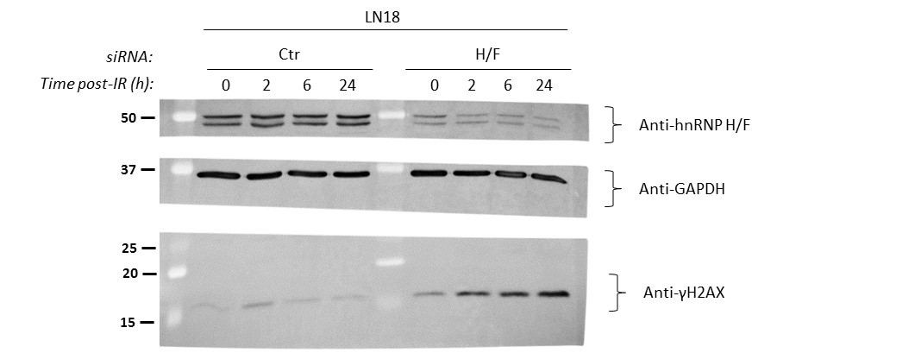
Figure 5d

Fig 5f
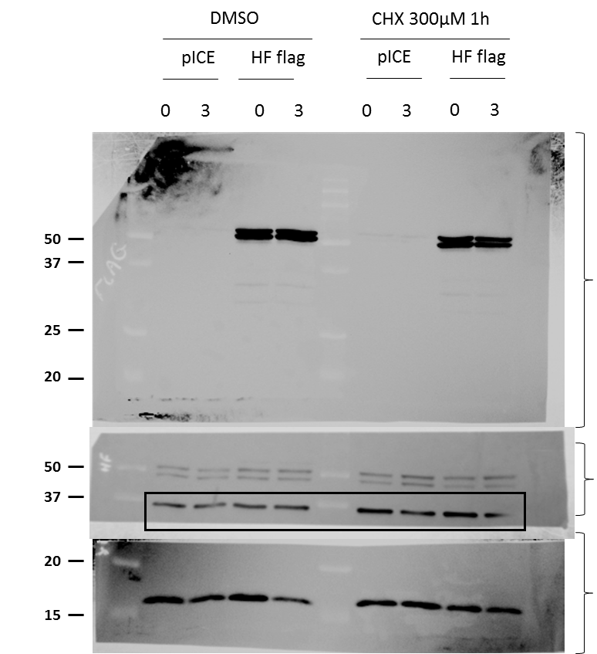
Figure 5f

Fig 6c
Figure 6c

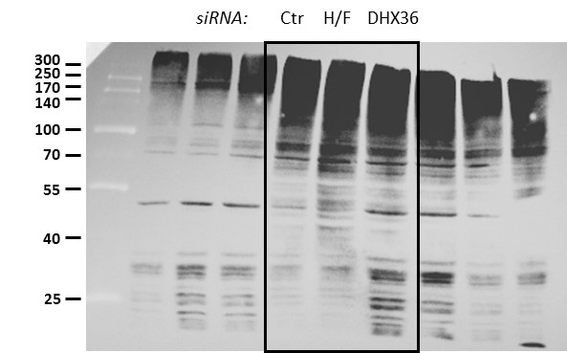

 | Anti-Ubiquitin
 | Gel A

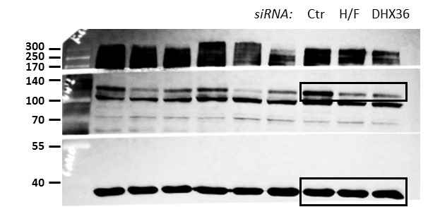

 | Anti-USP1
 | Gel B

 | Anti-GAPDH
 | Loading Gel B

 | Anti-hnRNP H/F
 | Gel B

 | Anti-DHX36
 | Gel C

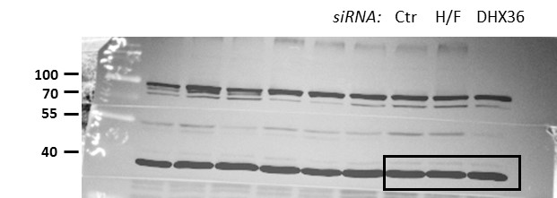

 | Anti-GAPDH
 | Loading Gel C

Suppl. Fig 1d
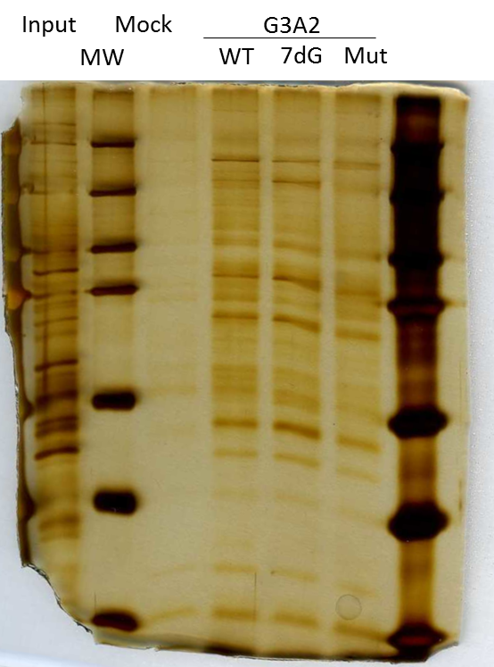
Suppl. Fig. 1d

Suppl. Fig 3b
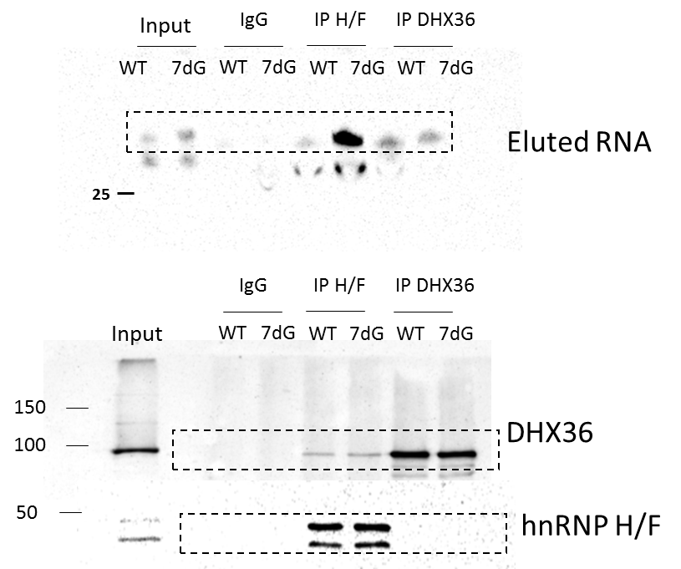
Suppl. Fig 3b

Suppl. Fig 3c
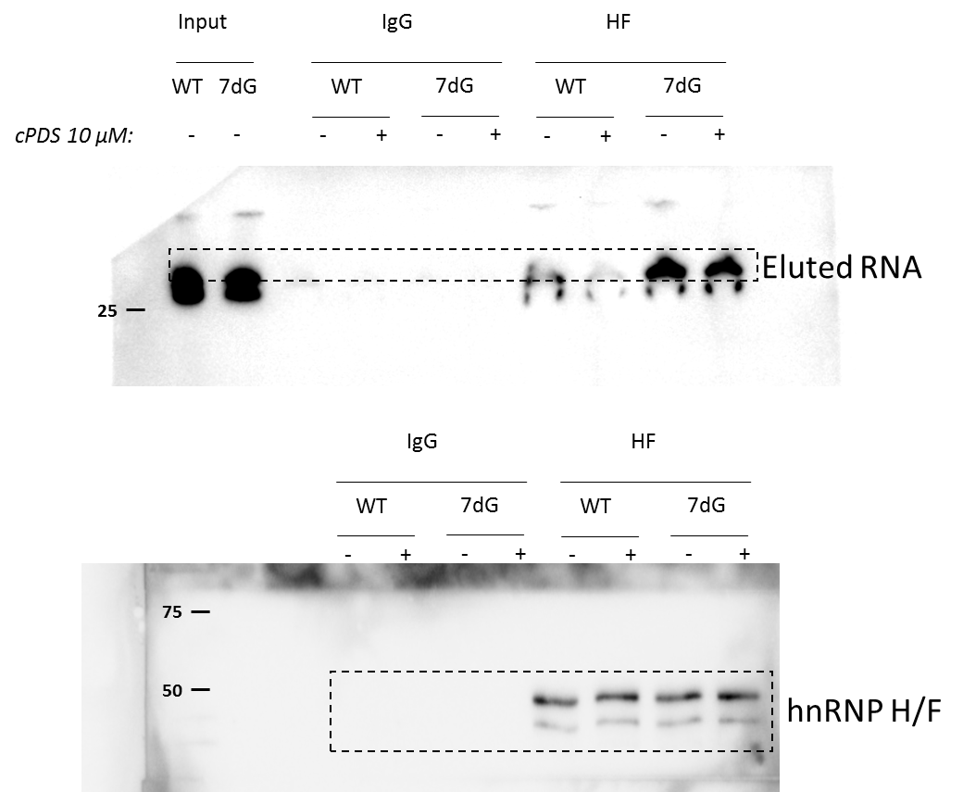
Suppl. Fig 3c

Suppl. Fig 5a
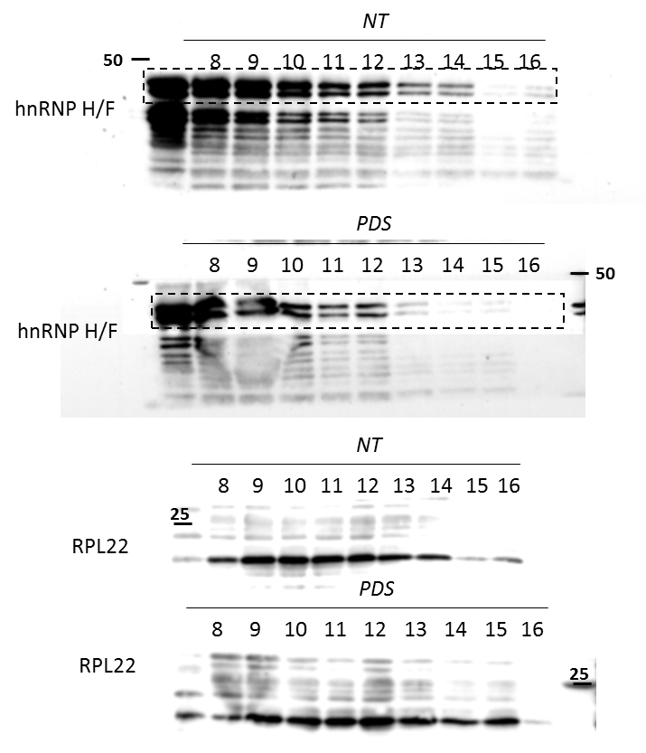
Suppl. Fig 5a

Suppl. Fig 5b
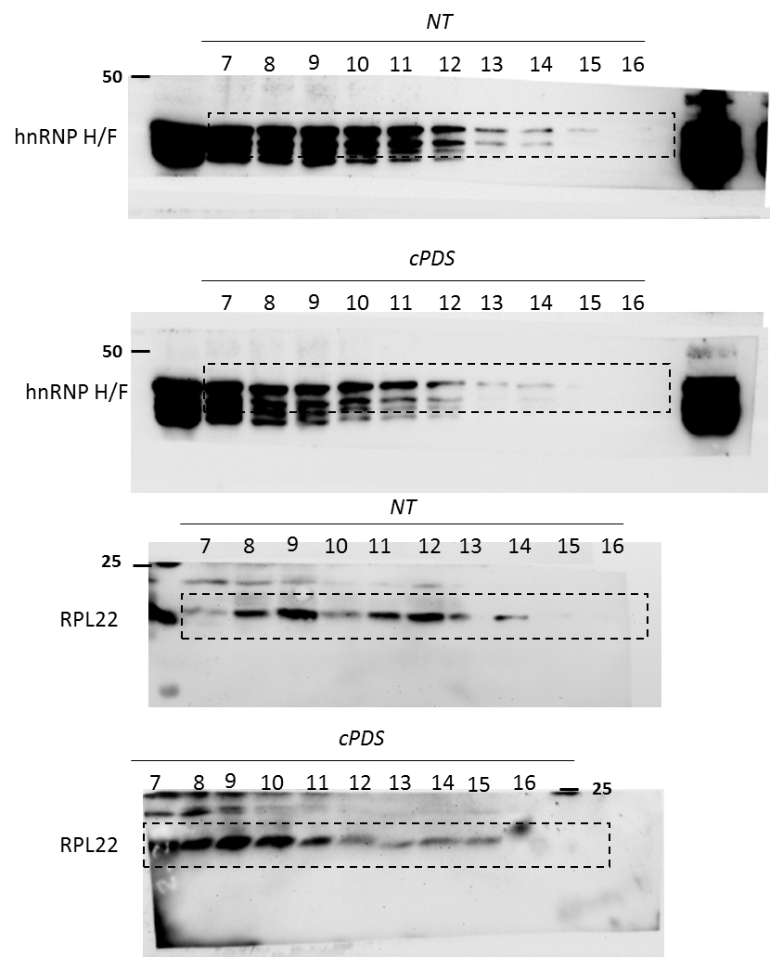
Suppl. Fig 5b

Suppl. Fig 6a-b
Suppl. Fig 6a-b

S6a | S6b
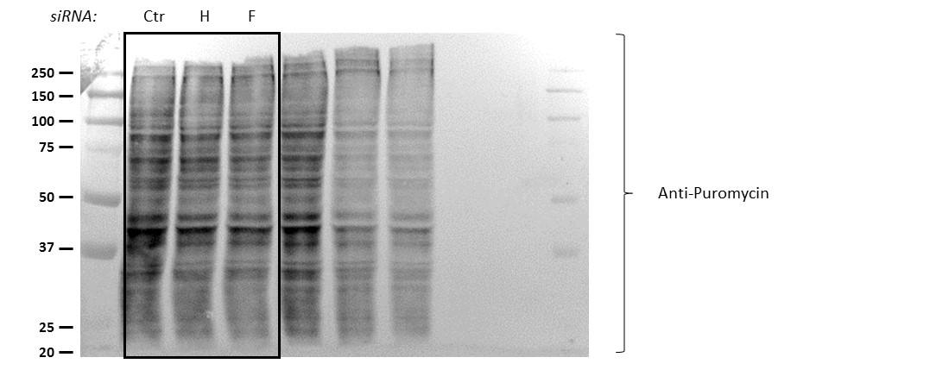
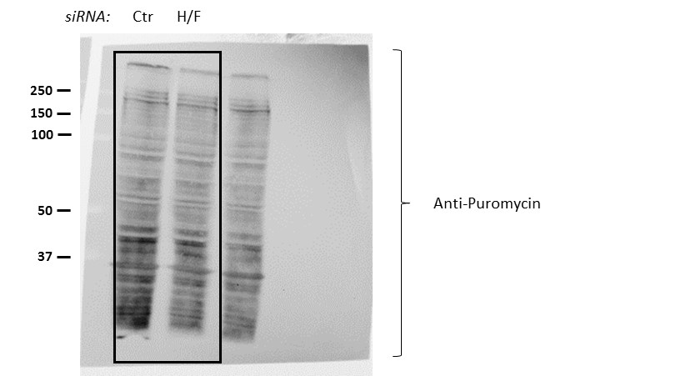
 | DATA QUANTIFICATION (Image J) |  |  |  | DATA QUANTIFICATION (Image J)
 | siRNA U87 | Replicate 1 | Replicate 2 | Replicate 3 | siRNA U87 | Replicate 1 | Replicate 2 | Replicate 3
 | Ctr | 95701 | 97281 | 87096 | Ctr | 110760 | 97281 | 104565
 | H | 102308 | 78529 | 88790 | H/F | 85540 | 81788 | 77286
 | F | 84743 | 67080 | 65716

 | NORMALIZED DATA |  |  |  | NORMALIZED DATA
 | siRNA U87 | Replicate 1 | Replicate 2 | Replicate 3 | siRNA U87 | Replicate 1 | Replicate 2 | Replicate 3
 | Ctr | 96.58903963 | 98.183700947 | 87.904191133 | Ctr | 111.78777682 | 98.183700947 | 105.53529147
 | H | 106.90379411 | 80.723882361 | 101.94498025 | H/F | 77.230046948 | 84.073971279 | 73.911920815
 | F | 88.549753921 | 68.954883276 | 75.452374391

 | ANALYZED DATA
 | siRNA U87 | MEAN
 | Ctr | 100
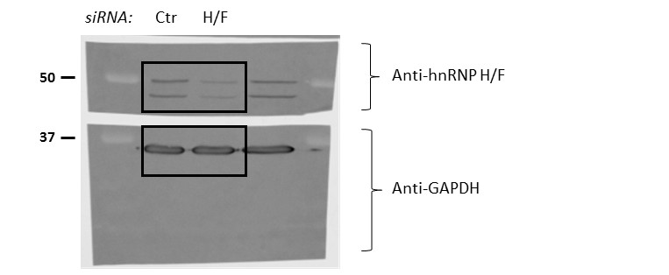
 | H | 96.524218907
 | F | 77.652337196
 | H/F | 78.405313014

Suppl. Fig 6c-d
Suppl. Fig S6c-d

6c
 | 6d
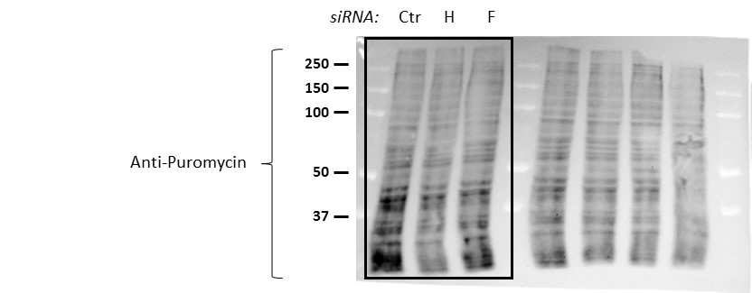
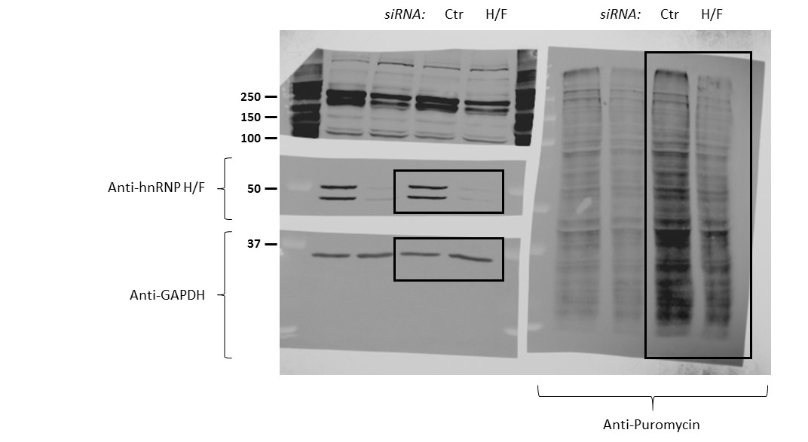
 | DATA QUANTIFICATION (Image J) |  |  |  | DATA QUANTIFICATION
 | siRNA LN18 | Replicate 1 | Replicate 2 | Replicate 3 | siRNA LN18 | Replicate 1 | Replicate 2
 | Ctr | 105645 | 97000 | 122729 | Ctr | 111098 | 112528
 | H | 78310 | 84000 | 106231 | H/F | 73982 | 63444
 | F | 78868 | 92200 | 105223

 | NORMALIZED DATA |  |  |  | NORMALIZED DATA
 | siRNA LN18 | Replicate 1 | Replicate 2 | Replicate 3 | siRNA LN18 | Replicate 1 | Replicate 2
 | Ctr | 96.215846995 | 88.342440801 | 111.77504554 | Ctr | 101.18214936 | 102.4845173
 | H | 74.125609352 | 86.597938144 | 86.557374378 | H/F | 66.591657816 | 56.380634153
 | F | 74.653793365 | 95.051546392 | 85.736052604

 | ANALYZED DATA
 | siRNA LN18 | MEAN
 | Ctr | 100
 | H | 82.426973958
 | F | 85.147130787
 | H/F | 61.486145984

Suppl. Fig 6f
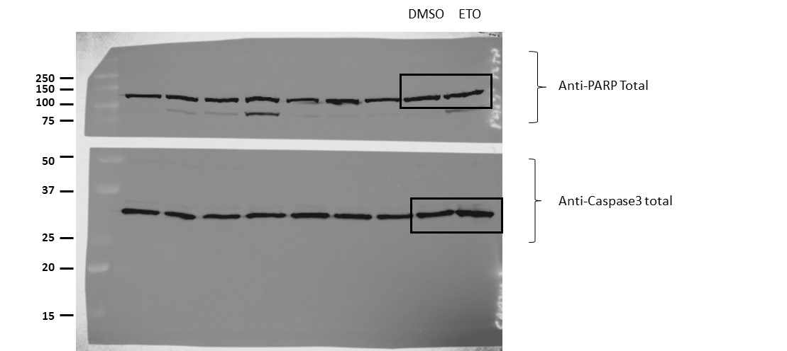
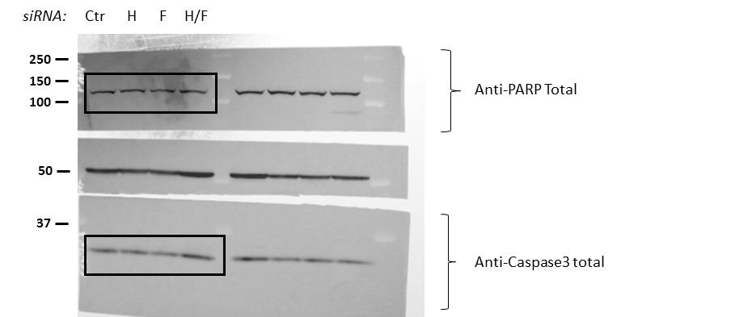
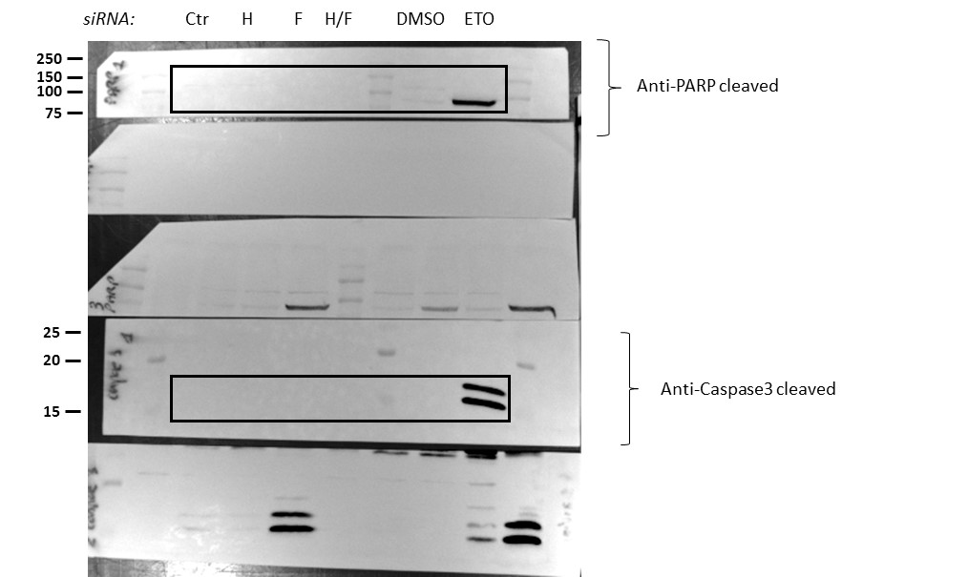
Suppl. Fig 6f

Suppl. Fig 9a
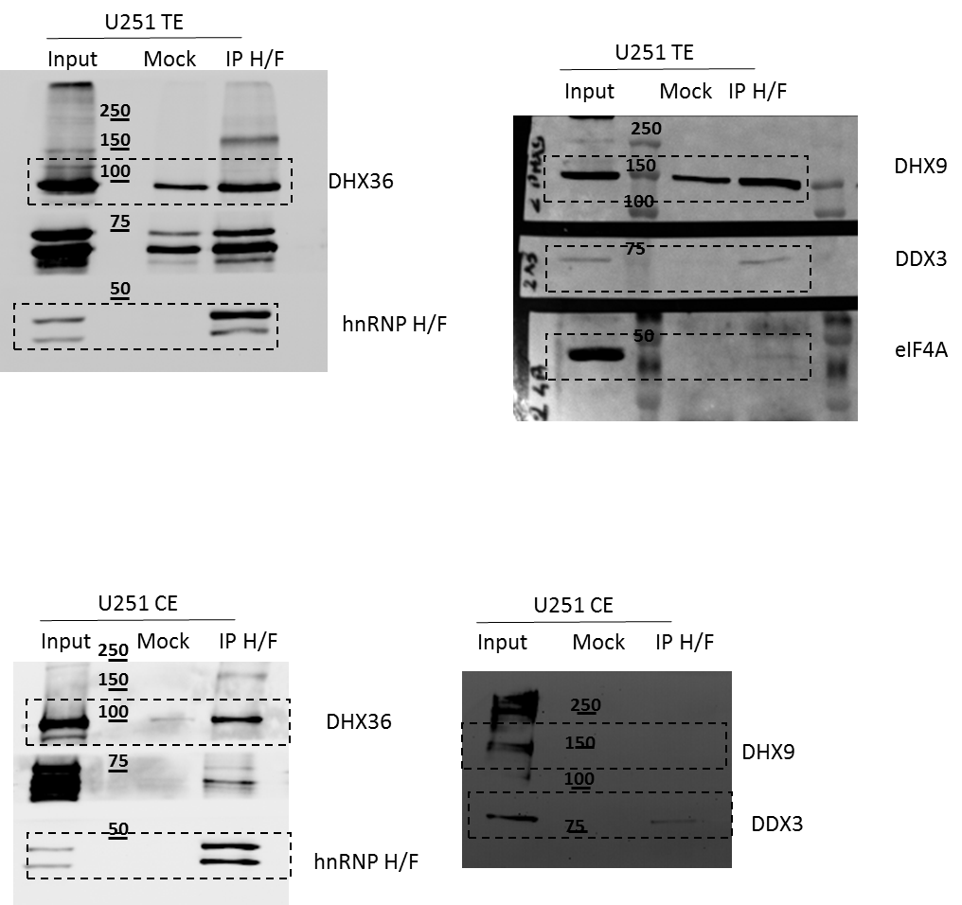
Suppl. Fig 9a

Suppl. Fig 9e
siCTR | siHF | siDHX36 | siCTR + cPDS | siCTR + RNAse | siHF + RNAse | siDHX36 + RNAse | cPDS + RNAse |  | Average % siCTR | SEM | Number of cells
6 | 13 | 6 | 1 | 1 | 0 | 0 | 0 | siCTR | 1 | 0.0296662405 | 1321
0 | 9 | 8 | 3 | 0 | 0 | 2 | 0 | siHF | 1.5351895266 | 0.039111355147 | 1811
3 | 20 | 3 | 0 | 0 | 0 | 1 | 0 | siDHX36 | 1.2083087044 | 0.029541866419 | 1953
0 | 46 | 6 | 4 | 2 | 0 | 0 | 0 | siCTR + cPDS | 1.10809751 | 0.026312347241 | 2103
7 | 29 | 1 | 11 | 0 | 1 | 0 | 1 | siCTR + RNAse | 0.064510137264 | 0.0027243389236 | 1985
2 | 27 | 8 | 5 | 0 | 0 | 3 | 5 | siHF + RNAse | 0.077914761814 | 0.0030218416517 | 1981
2 | 31 | 1 | 0 | 6 | 3 | 1 | 0 | siDHX36 + RNAse | 0.079049885288 | 0.0031282809868 | 1954
4 | 31 | 17 | 5 | 0 | 1 | 0 | 1 | cPDS + RNAse | 0.082814481327 | 0.0030633285697 | 2347
4 | 19 | 7 | 10 | 1 | 1 | 0 | 1
1 | 0 | 3 | 0 | 1 | 1 | 1 | 0
Statistics:
Kolgomorov-Smirnov test
P-values:
siCTR VS siHF < 2 x 10⁻¹⁶
siCTR VS siDHX36 = 0.0005831
siCTR VS cPDS = 0.001873
siCTR VS siCTR + RNAse < 2 x 10⁻¹⁶
siHF VS siHF + RNAse < 2 x 10⁻¹⁶
siDHX36 VS siDHX36 + RNAse < 2 x 10⁻¹⁶
cPDS VS scPDS + RNAse < 2 x 10⁻¹⁶
2 | 1 | 15 | 3 | 0 | 0 | 1 | 1
0 | 44 | 16 | 0 | 0 | 0 | 1 | 0
4 | 0 | 15 | 6 | 0 | 2 | 0 | 0
13 | 5 | 14 | 0 | 0 | 0 | 0 | 0
5 | 4 | 9 | 8 | 0 | 0 | 0 | 3
1 | 2 | 1 | 1 | 0 | 1 | 2 | 1
0 | 0 | 0 | 4 | 1 | 0 | 0 | 0
3 | 0 | 2 | 4 | 1 | 1 | 0 | 0
5 | 2 | 12 | 2 | 0 | 1 | 0 | 0
3 | 2 | 31 | 4 | 0 | 0 | 0 | 0
10 | 9 | 49 | 5 | 0 | 0 | 5 | 0
1 | 1 | 21 | 1 | 1 | 0 | 2 | 1
0 | 2 | 5 | 2 | 0 | 1 | 4 | 0
2 | 15 | 2 | 0 | 0 | 0 | 0 | 0
2 | 5 | 4 | 8 | 0 | 0 | 0 | 0
2 | 59 | 10 | 2 | 0 | 1 | 1 | 2
4 | 3 | 1 | 0 | 0 | 0 | 1 | 0
7 | 14 | 10 | 6 | 0 | 3 | 0 | 1
8 | 37 | 3 | 3 | 0 | 0 | 7 | 0
10 | 2 | 5 | 6 | 0 | 0 | 0 | 0
0 | 8 | 4 | 5 | 2 | 0 | 2 | 0
3 | 1 | 0 | 4 | 0 | 0 | 0 | 1
9 | 4 | 3 | 1 | 0 | 0 | 1 | 1
7 | 1 | 18 | 6 | 3 | 0 | 0 | 0
5 | 11 | 0 | 6 | 0 | 0 | 1 | 0
5 | 2 | 8 | 1 | 1 | 1 | 0 | 6
0 | 9 | 12 | 4 | 1 | 5 | 0 | 1
6 | 4 | 14 | 2 | 1 | 0 | 0 | 0
3 | 2 | 2 | 4 | 0 | 1 | 0 | 0
4 | 4 | 15 | 6 | 5 | 0 | 0 | 2
4 | 36 | 2 | 4 | 0 | 0 | 0 | 0
7 | 0 | 1 | 1 | 0 | 0 | 0 | 0
14 | 0 | 2 | 0 | 0 | 0 | 4 | 0
5 | 17 | 7 | 8 | 0 | 0 | 0 | 0
4 | 6 | 2 | 1 | 7 | 0 | 0 | 0
14 | 6 | 2 | 11 | 0 | 0 | 0 | 0
0 | 6 | 4 | 32 | 0 | 0 | 0 | 0
0 | 6 | 1 | 13 | 0 | 0 | 1 | 0
0 | 8 | 2 | 6 | 2 | 0 | 0 | 1
0 | 2 | 4 | 1 | 1 | 0 | 0 | 0
0 | 0 | 6 | 5 | 0 | 3 | 0 | 1
2 | 0 | 1 | 3 | 0 | 2 | 0 | 2
5 | 3 | 4 | 5 | 1 | 1 | 2 | 0
0 | 3 | 3 | 1 | 1 | 0 | 0 | 0
0 | 2 | 9 | 8 | 1 | 1 | 0 | 0
2 | 4 | 6 | 3 | 0 | 0 | 0 | 0
2 | 38 | 2 | 2 | 1 | 0 | 2 | 1
6 | 22 | 4 | 0 | 0 | 0 | 0 | 2
2 | 21 | 2 | 3 | 2 | 0 | 2 | 4
2 | 20 | 1 | 5 | 0 | 0 | 0 | 5
0 | 1 | 7 | 1 | 2 | 0 | 4 | 4
4 | 9 | 6 | 1 | 2 | 0 | 0 | 3
5 | 2 | 8 | 0 | 0 | 0 | 0 | 1
2 | 2 | 2 | 6 | 0 | 0 | 0 | 0
5 | 0 | 8 | 2 | 2 | 0 | 0 | 2
8 | 3 | 7 | 3 | 0 | 0 | 0 | 0
0 | 8 | 10 | 1 | 0 | 0 | 0 | 0
5 | 0 | 12 | 10 | 3 | 1 | 0 | 0
0 | 1 | 13 | 9 | 1 | 0 | 0 | 0
2 | 5 | 10 | 4 | 0 | 0 | 0 | 1
2 | 1 | 11 | 14 | 0 | 2 | 1 | 0
2 | 3 | 9 | 1 | 0 | 2 | 0 | 2
5 | 5 | 2 | 1 | 0 | 0 | 0 | 1
2 | 3 | 3 | 1 | 1 | 1 | 1 | 1
0 | 0 | 3 | 9 | 0 | 2 | 0 | 3
0 | 3 | 3 | 2 | 0 | 3 | 0 | 3
0 | 4 | 3 | 5 | 0 | 0 | 0 | 0
3 | 3 | 1 | 8 | 1 | 0 | 0 | 0
12 | 3 | 0 | 1 | 0 | 0 | 2 | 1
14 | 2 | 3 | 8 | 0 | 0 | 0 | 0
6 | 8 | 5 | 8 | 0 | 1 | 0 | 4
4 | 10 | 10 | 8 | 0 | 0 | 0 | 0
8 | 1 | 1 | 6 | 1 | 3 | 2 | 0
7 | 25 | 10 | 23 | 1 | 1 | 2 | 0
1 | 6 | 16 | 8 | 0 | 0 | 0 | 1
8 | 3 | 26 | 3 | 0 | 1 | 0 | 1
7 | 1 | 12 | 2 | 0 | 0 | 0 | 0
3 | 13 | 17 | 6 | 1 | 1 | 0 | 0
2 | 13 | 6 | 15 | 1 | 0 | 0 | 2
4 | 3 | 2 | 6 | 0 | 0 | 0 | 3
4 | 4 | 4 | 11 | 1 | 0 | 1 | 0
9 | 10 | 6 | 8 | 0 | 1 | 3 | 1
11 | 11 | 1 | 40 | 0 | 2 | 0 | 0
14 | 6 | 4 | 0 | 0 | 0 | 0 | 0
1 | 6 | 4 | 4 | 3 | 2 | 0 | 0
4 | 9 | 9 | 0 | 0 | 0 | 0 | 3
4 | 8 | 12 | 6 | 3 | 0 | 0 | 1
8 | 12 | 2 | 15 | 1 | 0 | 0 | 0
11 | 0 | 4 | 31 | 0 | 0 | 0 | 3
3 | 10 | 5 | 8 | 1 | 0 | 2 | 1
3 | 7 | 4 | 45 | 0 | 0 | 0 | 2
11 | 5 | 24 | 10 | 0 | 0 | 0 | 1
5 | 17 | 18 | 5 | 0 | 1 | 0 | 0
8 | 19 | 16 | 15 | 0 | 0 | 0 | 0
1 | 6 | 2 | 41 | 0 | 6 | 1 | 0
10 | 4 | 10 | 33 | 1 | 0 | 4 | 3
10 | 1 | 5 | 8 | 1 | 1 | 2 | 2
15 | 11 | 3 | 37 | 2 | 1 | 0 | 1
2 | 4 | 4 | 13 | 0 | 0 | 1 | 0
0 | 15 | 10 | 37 | 0 | 0 | 0 | 1
1 | 11 | 0 | 20 | 0 | 0 | 0 | 0
6 | 13 | 0 | 12 | 0 | 0 | 1 | 1
0 | 17 | 0 | 22 | 0 | 0 | 0 | 0
22 | 9 | 7 | 6 | 0 | 1 | 1 | 0
6 | 9 | 13 | 10 | 0 | 1 | 1 | 1
2 | 6 | 2 | 24 | 1 | 0 | 0 | 1
0 | 32 | 15 | 6 | 2 | 0 | 1 | 0
6 | 1 | 9 | 14 | 0 | 1 | 0 | 0
6 | 3 | 9 | 34 | 0 | 0 | 0 | 0
1 | 38 | 5 | 37 | 0 | 3 | 0 | 1
1 | 2 | 5 | 1 | 0 | 0 | 0 | 2
1 | 0 | 1 | 9 | 0 | 0 | 0 | 0
0 | 5 | 3 | 15 | 0 | 1 | 0 | 0
2 | 3 | 2 | 37 | 2 | 0 | 0 | 0
12 | 5 | 5 | 2 | 1 | 0 | 0 | 0
6 | 3 | 5 | 2 | 1 | 0 | 0 | 1
11 | 4 | 1 | 2 | 0 | 0 | 0 | 0
2 | 1 | 1 | 3 | 0 | 0 | 0 | 0
12 | 1 | 6 | 0 | 0 | 2 | 0 | 0
2 | 6 | 2 | 2 | 0 | 0 | 0 | 0
12 | 3 | 9 | 0 | 0 | 0 | 2 | 0
1 | 2 | 5 | 0 | 0 | 0 | 1 | 0
3 | 3 | 2 | 0 | 0 | 3 | 0 | 1
4 | 17 | 4 | 2 | 2 | 1 | 2 | 0
3 | 24 | 8 | 0 | 0 | 0 | 1 | 0
4 | 0 | 4 | 0 | 1 | 0 | 0 | 1
5 | 0 | 6 | 1 | 0 | 0 | 0 | 2
6 | 0 | 14 | 2 | 2 | 4 | 0 | 0
4 | 3 | 6 | 7 | 0 | 0 | 0 | 0
6 | 15 | 7 | 8 | 1 | 0 | 1 | 0
16 | 3 | 9 | 22 | 0 | 7 | 1 | 0
2 | 4 | 10 | 16 | 0 | 3 | 1 | 1
19 | 10 | 22 | 43 | 1 | 2 | 0 | 0
5 | 19 | 6 | 10 | 1 | 2 | 0 | 2
4 | 29 | 10 | 7 | 0 | 0 | 1 | 1
8 | 7 | 32 | 1 | 0 | 10 | 1 | 4
3 | 14 | 10 | 13 | 0 | 0 | 1 | 0
7 | 28 | 48 | 23 | 0 | 0 | 1 | 1
6 | 16 | 4 | 1 | 2 | 0 | 0 | 0
5 | 29 | 5 | 12 | 3 | 0 | 0 | 0
24 | 19 | 3 | 5 | 0 | 3 | 0 | 3
1 | 2 | 5 | 4 | 0 | 0 | 0 | 0
20 | 10 | 1 | 29 | 0 | 0 | 0 | 0
7 | 3 | 6 | 7 | 0 | 0 | 0 | 0
1 | 1 | 0 | 5 | 2 | 1 | 0 | 4
12 | 3 | 1 | 13 | 1 | 1 | 2 | 0
23 | 3 | 2 | 3 | 0 | 2 | 0 | 0
17 | 6 | 26 | 1 | 0 | 0 | 1 | 0
5 | 5 | 3 | 3 | 0 | 1 | 0 | 0
5 | 2 | 0 | 0 | 0 | 0 | 0 | 0
7 | 2 | 0 | 3 | 1 | 1 | 0 | 0
10 | 2 | 4 | 13 | 1 | 1 | 0 | 0
11 | 1 | 5 | 2 | 3 | 2 | 1 | 0
13 | 8 | 3 | 1 | 4 | 0 | 0 | 0
14 | 11 | 11 | 3 | 1 | 0 | 1 | 0
4 | 15 | 5 | 2 | 0 | 0 | 0 | 0
7 | 7 | 9 | 1 | 1 | 0 | 0 | 0
1 | 6 | 11 | 2 | 0 | 0 | 0 | 4
9 | 12 | 6 | 5 | 0 | 0 | 0 | 0
9 | 4 | 6 | 4 | 3 | 1 | 0 | 1
20 | 43 | 2 | 16 | 2 | 0 | 0 | 0
37 | 54 | 0 | 6 | 1 | 1 | 1 | 0
3 | 7 | 2 | 23 | 0 | 0 | 0 | 0
2 | 10 | 8 | 8 | 0 | 2 | 3 | 1
22 | 32 | 8 | 9 | 0 | 0 | 0 | 2
4 | 30 | 7 | 0 | 0 | 3 | 1 | 1
6 | 27 | 2 | 4 | 0 | 0 | 1 | 0
3 | 6 | 8 | 8 | 0 | 0 | 0 | 0
12 | 47 | 0 | 3 | 0 | 0 | 0 | 3
9 | 35 | 2 | 2 | 0 | 1 | 0 | 0
10 | 43 | 4 | 10 | 0 | 1 | 0 | 0
13 | 7 | 18 | 5 | 3 | 0 | 1 | 0
9 | 25 | 8 | 5 | 0 | 0 | 0 | 0
7 | 14 | 12 | 16 | 0 | 0 | 0 | 2
2 | 4 | 8 | 6 | 0 | 3 | 0 | 1
1 | 8 | 2 | 12 | 0 | 1 | 0 | 0
1 | 3 | 17 | 0 | 0 | 0 | 0 | 1
4 | 4 | 1 | 21 | 0 | 0 | 0 | 3
3 | 2 | 6 | 0 | 0 | 4 | 1 | 0
12 | 19 | 5 | 4 | 0 | 0 | 0 | 1
13 | 5 | 6 | 6 | 1 | 3 | 1 | 1
4 | 12 | 2 | 6 | 1 | 1 | 1 | 1
5 | 34 | 2 | 18 | 0 | 2 | 1 | 0
5 | 4 | 10 | 10 | 1 | 1 | 0 | 0
5 | 18 | 31 | 20 | 2 | 0 | 0 | 5
5 | 18 | 0 | 10 | 0 | 0 | 0 | 0
8 | 49 | 1 | 4 | 1 | 1 | 1 | 1
6 | 13 | 0 | 4 | 1 | 0 | 0 | 1
9 | 43 | 3 | 9 | 0 | 2 | 1 | 1
4 | 4 | 1 | 3 | 0 | 0 | 3 | 0
7 | 16 | 9 | 19 | 0 | 1 | 0 | 1
6 | 5 | 3 | 4 | 0 | 0 | 0 | 0
19 | 13 | 10 | 0 | 1 | 0 | 13 | 0
2 | 9 | 24 | 6 | 1 | 0 | 0 | 1
5 | 6 | 2 | 5 | 0 | 0 | 5 | 1
25 | 4 | 1 | 0 | 2 | 1 | 0 | 1
13 | 2 | 3 | 0 | 2 | 0 | 1 | 2
17 | 7 | 5 | 8 | 2 | 2 | 5 | 0
45 | 2 | 1 | 5 | 1 | 1 | 0 | 2
9 | 0 | 5 | 25 | 0 | 0 | 1 | 0
2 | 0 | 5 | 16 | 0 | 0 | 0 | 3
0 | 10 | 3 | 14 | 0 | 0 | 0 | 0
2 | 31 | 7 | 17 | 1 | 2 | 0 | 0
4 | 11 | 3 | 7 | 1 | 2 | 2 | 0
6 | 3 | 3 | 15 | 2 | 0 | 0 | 1
28 | 13 | 1 | 12 | 0 | 2 | 1 | 2
5 | 10 | 3 | 32 | 0 | 1 | 0 | 1
8 | 11 | 6 | 29 | 0 | 2 | 0 | 1
2 | 34 | 0 | 25 | 1 | 0 | 2 | 0
6 | 9 | 6 | 7 | 1 | 0 | 0 | 0
6 | 14 | 6 | 9 | 0 | 2 | 1 | 6
24 | 3 | 2 | 4 | 2 | 0 | 0 | 0
7 | 5 | 13 | 1 | 0 | 0 | 3 | 9
32 | 0 | 6 | 5 | 0 | 1 | 3 | 0
43 | 1 | 9 | 12 | 0 | 0 | 1 | 1
5 | 5 | 1 | 2 | 0 | 0 | 0 | 0
2 | 1 | 1 | 5 | 0 | 0 | 1 | 0
0 | 3 | 1 | 2 | 1 | 0 | 3 | 1
6 | 6 | 9 | 16 | 1 | 0 | 2 | 2
7 | 9 | 8 | 3 | 3 | 0 | 5 | 0
7 | 6 | 0 | 7 | 0 | 0 | 0 | 1
2 | 4 | 2 | 5 | 0 | 1 | 0 | 0
6 | 3 | 1 | 11 | 0 | 2 | 1 | 0
1 | 7 | 3 | 14 | 1 | 1 | 2 | 0
3 | 2 | 3 | 7 | 0 | 2 | 0 | 4
1 | 1 | 1 | 12 | 0 | 1 | 1 | 0
4 | 8 | 2 | 19 | 1 | 1 | 1 | 0
3 | 4 | 15 | 7 | 1 | 2 | 0 | 3
9 | 5 | 12 | 12 | 0 | 0 | 0 | 0
12 | 12 | 6 | 23 | 0 | 0 | 0 | 2
18 | 2 | 6 | 3 | 0 | 0 | 0 | 1
13 | 6 | 3 | 12 | 0 | 1 | 0 | 1
3 | 14 | 3 | 5 | 0 | 1 | 1 | 0
2 | 1 | 7 | 14 | 4 | 0 | 1 | 0
18 | 22 | 0 | 8 | 0 | 0 | 0 | 3
1 | 12 | 3 | 7 | 0 | 0 | 0 | 1
2 | 23 | 15 | 6 | 1 | 0 | 2 | 1
2 | 5 | 2 | 15 | 0 | 1 | 7 | 0
2 | 10 | 9 | 9 | 0 | 1 | 0 | 0
2 | 4 | 9 | 2 | 0 | 0 | 0 | 0
1 | 22 | 12 | 5 | 0 | 0 | 0 | 1
3 | 12 | 1 | 5 | 0 | 0 | 0 | 0
0 | 5 | 13 | 6 | 1 | 1 | 2 | 0
3 | 57 | 2 | 3 | 0 | 0 | 0 | 0
2 | 4 | 1 | 3 | 0 | 0 | 0 | 0
2 | 11 | 2 | 8 | 1 | 2 | 2 | 2
1 | 4 | 34 | 6 | 1 | 0 | 1 | 0
5 | 15 | 1 | 4 | 1 | 0 | 2 | 2
6 | 9 | 2 | 2 | 2 | 0 | 1 | 1
7 | 14 | 8 | 7 | 0 | 0 | 1 | 2
5 | 27 | 1 | 1 | 0 | 0 | 0 | 1
5 | 16 | 4 | 7 | 0 | 1 | 1 | 0
13 | 22 | 7 | 1 | 1 | 0 | 0 | 0
12 | 6 | 3 | 10 | 1 | 0 | 0 | 0
10 | 49 | 3 | 8 | 0 | 2 | 0 | 0
10 | 17 | 2 | 3 | 0 | 1 | 0 | 1
10 | 0 | 36 | 26 | 0 | 1 | 1 | 0
27 | 0 | 2 | 7 | 0 | 1 | 0 | 1
14 | 2 | 2 | 2 | 0 | 1 | 4 | 1
18 | 8 | 13 | 14 | 1 | 0 | 1 | 0
15 | 3 | 6 | 5 | 0 | 3 | 4 | 0
0 | 11 | 7 | 2 | 0 | 0 | 1 | 1
13 | 4 | 3 | 17 | 0 | 0 | 0 | 1
6 | 4 | 3 | 2 | 1 | 2 | 1 | 3
5 | 0 | 4 | 8 | 0 | 1 | 3 | 0
12 | 1 | 4 | 4 | 0 | 0 | 1 | 1
5 | 0 | 1 | 9 | 0 | 4 | 0 | 0
5 | 3 | 11 | 3 | 0 | 0 | 0 | 1
3 | 2 | 2 | 7 | 0 | 0 | 3 | 2
2 | 2 | 2 | 5 | 0 | 0 | 2 | 2
4 | 3 | 3 | 7 | 0 | 3 | 0 | 0
1 | 8 | 3 | 0 | 1 | 2 | 0 | 4
1 | 5 | 5 | 3 | 0 | 2 | 0 | 0
2 | 5 | 3 | 4 | 0 | 2 | 0 | 0
3 | 3 | 3 | 2 | 0 | 0 | 0 | 2
4 | 5 | 4 | 5 | 0 | 0 | 1 | 0
6 | 1 | 11 | 2 | 0 | 0 | 1 | 1
1 | 3 | 0 | 14 | 0 | 1 | 0 | 0
4 | 1 | 7 | 2 | 1 | 2 | 0 | 0
2 | 4 | 16 | 7 | 0 | 0 | 4 | 1
2 | 8 | 2 | 3 | 1 | 4 | 0 | 0
11 | 0 | 5 | 4 | 0 | 1 | 0 | 1
3 | 3 | 2 | 12 | 1 | 0 | 1 | 0
1 | 0 | 1 | 5 | 0 | 1 | 1 | 0
2 | 3 | 5 | 4 | 0 | 0 | 1 | 1
2 | 4 | 7 | 6 | 2 | 0 | 0 | 0
5 | 1 | 1 | 17 | 1 | 1 | 0 | 0
0 | 14 | 3 | 10 | 0 | 0 | 0 | 1
5 | 4 | 1 | 8 | 0 | 5 | 3 | 0
5 | 0 | 2 | 12 | 0 | 1 | 0 | 0
7 | 5 | 1 | 1 | 0 | 5 | 0 | 1
2 | 6 | 1 | 10 | 0 | 0 | 2 | 2
1 | 3 | 0 | 8 | 2 | 0 | 2 | 0
0 | 1 | 0 | 11 | 0 | 2 | 1 | 0
6 | 4 | 4 | 35 | 0 | 2 | 0 | 2
3 | 4 | 2 | 5 | 2 | 0 | 0 | 0
1 | 8 | 1 | 1 | 3 | 0 | 0 | 1
0 | 14 | 3 | 5 | 0 | 0 | 0 | 0
3 | 12 | 4 | 8 | 0 | 0 | 1 | 0
5 | 5 | 3 | 4 | 4 | 0 | 1 | 2
5 | 2 | 5 | 0 | 0 | 0 | 0 | 1
0 | 0 | 0 | 9 | 0 | 2 | 1 | 1
6 | 1 | 1 | 2 | 0 | 0 | 2 | 0
9 | 4 | 0 | 4 | 0 | 3 | 0 | 1
0 | 6 | 5 | 1 | 2 | 0 | 0 | 0
4 | 11 | 1 | 0 | 1 | 0 | 1 | 2
5 | 11 | 2 | 8 | 1 | 0 | 0 | 17
0 | 2 | 1 | 3 | 0 | 1 | 1 | 2
4 | 8 | 0 | 1 | 0 | 0 | 0 | 0
0 | 5 | 7 | 1 | 2 | 1 | 0 | 2
1 | 0 | 3 | 12 | 0 | 0 | 3 | 0
0 | 8 | 6 | 14 | 1 | 1 | 1 | 9
4 | 6 | 2 | 2 | 2 | 0 | 3 | 1
1 | 14 | 0 | 4 | 3 | 1 | 1 | 3
3 | 11 | 8 | 7 | 0 | 0 | 1 | 2
4 | 19 | 6 | 9 | 2 | 0 | 0 | 10
2 | 8 | 13 | 3 | 0 | 1 | 0 | 1
9 | 6 | 14 | 5 | 0 | 3 | 0 | 0
5 | 44 | 7 | 2 | 1 | 0 | 0 | 0
3 | 55 | 3 | 2 | 0 | 0 | 1 | 2
1 | 21 | 1 | 8 | 0 | 0 | 1 | 2
5 | 23 | 2 | 9 | 1 | 0 | 0 | 3
4 | 19 | 3 | 8 | 0 | 3 | 0 | 1
1 | 7 | 2 | 4 | 1 | 0 | 0 | 1
0 | 2 | 2 | 3 | 1 | 1 | 0 | 0
10 | 1 | 4 | 1 | 0 | 0 | 0 | 1
2 | 32 | 2 | 4 | 1 | 0 | 2 | 0
9 | 9 | 1 | 2 | 0 | 0 | 0 | 2
0 | 25 | 4 | 2 | 0 | 0 | 0 | 1
1 | 0 | 2 | 2 | 2 | 2 | 2 | 0
8 | 9 | 9 | 3 | 0 | 0 | 1 | 0
1 | 3 | 6 | 1 | 0 | 2 | 1 | 0
5 | 3 | 1 | 3 | 0 | 0 | 2 | 0
28 | 4 | 0 | 1 | 0 | 0 | 0 | 0
0 | 2 | 7 | 0 | 0 | 2 | 0 | 0
13 | 1 | 10 | 3 | 3 | 3 | 1 | 1
3 | 3 | 12 | 3 | 0 | 0 | 0 | 0
16 | 2 | 1 | 3 | 1 | 2 | 0 | 0
19 | 9 | 9 | 1 | 0 | 1 | 3 | 2
6 | 9 | 3 | 2 | 0 | 0 | 2 | 0
4 | 1 | 5 | 2 | 1 | 0 | 3 | 2
8 | 7 | 21 | 0 | 0 | 0 | 3 | 3
2 | 7 | 8 | 2 | 1 | 0 | 1 | 0
1 | 4 | 1 | 3 | 1 | 0 | 1 | 1
3 | 7 | 1 | 4 | 0 | 0 | 2 | 2
3 | 6 | 10 | 3 | 0 | 0 | 0 | 1
7 | 0 | 8 | 5 | 0 | 4 | 0 | 0
7 | 1 | 1 | 7 | 0 | 0 | 0 | 0
26 | 0 | 5 | 20 | 0 | 0 | 1 | 0
14 | 0 | 5 | 18 | 0 | 0 | 3 | 3
13 | 0 | 2 | 2 | 0 | 2 | 0 | 0
34 | 2 | 2 | 1 | 0 | 1 | 0 | 0
22 | 2 | 6 | 4 | 0 | 0 | 1 | 2
1 | 7 | 1 | 1 | 0 | 0 | 0 | 3
18 | 1 | 1 | 3 | 0 | 1 | 0 | 0
6 | 1 | 6 | 10 | 1 | 0 | 0 | 0
4 | 2 | 17 | 8 | 0 | 0 | 1 | 0
4 | 11 | 9 | 2 | 0 | 0 | 0 | 2
4 | 8 | 1 | 18 | 5 | 0 | 4 | 0
2 | 6 | 2 | 9 | 0 | 0 | 1 | 0
7 | 12 | 4 | 7 | 0 | 0 | 1 | 1
8 | 9 | 4 | 0 | 1 | 5 | 0 | 1
6 | 8 | 6 | 6 | 1 | 1 | 0 | 0
44 | 2 | 8 | 4 | 0 | 0 | 1 | 1
7 | 16 | 6 | 0 | 1 | 1 | 0 | 0
10 | 15 | 5 | 2 | 0 | 0 | 0 | 0
0 | 3 | 13 | 2 | 0 | 7 | 0 | 0
13 | 1 | 0 | 5 | 0 | 2 | 10 | 0
1 | 10 | 9 | 6 | 1 | 0 | 1 | 0
4 | 2 | 2 | 22 | 0 | 0 | 0 | 0
0 | 13 | 2 | 7 | 0 | 0 | 0 | 2
4 | 10 | 2 | 15 | 0 | 0 | 0 | 2
6 | 7 | 19 | 7 | 0 | 0 | 0 | 0
5 | 2 | 5 | 3 | 0 | 1 | 0 | 0
3 | 2 | 0 | 12 | 2 | 1 | 0 | 0
5 | 11 | 3 | 6 | 0 | 0 | 0 | 1
3 | 2 | 8 | 2 | 4 | 0 | 0 | 0
8 | 11 | 13 | 10 | 0 | 0 | 0 | 0
2 | 23 | 3 | 13 | 0 | 0 | 0 | 0
0 | 2 | 2 | 4 | 0 | 1 | 0 | 0
6 | 11 | 4 | 11 | 0 | 0 | 0 | 9
7 | 10 | 25 | 9 | 1 | 0 | 1 | 2
5 | 6 | 2 | 5 | 1 | 0 | 2 | 0
0 | 0 | 16 | 9 | 0 | 0 | 0 | 0
2 | 0 | 14 | 0 | 0 | 0 | 0 | 1
0 | 2 | 4 | 4 | 0 | 0 | 4 | 0
2 | 5 | 4 | 0 | 1 | 1 | 6 | 0
5 | 13 | 2 | 8 | 0 | 0 | 2 | 0
3 | 5 | 10 | 12 | 0 | 2 | 1 | 1
1 | 4 | 5 | 7 | 3 | 0 | 2 | 1
6 | 3 | 9 | 3 | 0 | 1 | 2 | 2
7 | 10 | 5 | 9 | 2 | 1 | 0 | 0
23 | 3 | 7 | 9 | 0 | 1 | 0 | 0
21 | 2 | 8 | 1 | 0 | 0 | 1 | 0
1 | 0 | 5 | 1 | 0 | 0 | 0 | 0
32 | 24 | 4 | 22 | 0 | 0 | 0 | 2
2 | 17 | 7 | 27 | 1 | 0 | 1 | 0
6 | 14 | 11 | 10 | 0 | 1 | 0 | 0
4 | 0 | 9 | 6 | 0 | 0 | 0 | 4
8 | 1 | 10 | 7 | 0 | 2 | 1 | 1
9 | 2 | 6 | 3 | 1 | 1 | 0 | 0
8 | 2 | 13 | 1 | 0 | 1 | 0 | 0
3 | 2 | 16 | 1 | 0 | 1 | 3 | 0
44 | 3 | 9 | 1 | 0 | 0 | 0 | 0
9 | 4 | 9 | 5 | 1 | 0 | 0 | 2
2 | 5 | 25 | 30 | 1 | 0 | 0 | 0
7 | 1 | 0 | 7 | 2 | 1 | 0 | 2
3 | 15 | 29 | 1 | 1 | 1 | 0 | 2
8 | 4 | 11 | 3 | 2 | 4 | 2 | 0
2 | 0 | 15 | 5 | 0 | 1 | 0 | 0
3 | 3 | 37 | 4 | 0 | 0 | 1 | 0
9 | 8 | 8 | 0 | 3 | 0 | 0 | 3
8 | 3 | 12 | 14 | 3 | 0 | 4 | 3
0 | 9 | 4 | 1 | 0 | 3 | 0 | 2
0 | 5 | 10 | 16 | 1 | 0 | 2 | 3
12 | 4 | 22 | 9 | 0 | 2 | 1 | 0
8 | 2 | 15 | 16 | 0 | 1 | 2 | 1
32 | 11 | 6 | 11 | 1 | 0 | 1 | 2
4 | 20 | 15 | 14 | 0 | 6 | 0 | 1
37 | 5 | 27 | 12 | 0 | 0 | 3 | 0
27 | 0 | 9 | 14 | 0 | 1 | 0 | 0
5 | 10 | 1 | 8 | 0 | 1 | 0 | 0
1 | 1 | 12 | 12 | 2 | 0 | 0 | 0
3 | 21 | 18 | 18 | 0 | 0 | 1 | 0
2 | 10 | 3 | 15 | 1 | 1 | 0 | 0
3 | 19 | 11 | 18 | 0 | 1 | 2 | 0
4 | 19 | 4 | 4 | 0 | 2 | 0 | 1
9 | 14 | 17 | 4 | 0 | 0 | 0 | 1
4 | 11 | 4 | 2 | 0 | 0 | 0 | 0
18 | 10 | 7 | 12 | 0 | 0 | 0 | 0
14 | 2 | 1 | 5 | 0 | 3 | 1 | 1
1 | 21 | 10 | 4 | 0 | 0 | 1 | 1
1 | 17 | 8 | 0 | 0 | 0 | 1 | 0
17 | 11 | 1 | 4 | 2 | 0 | 1 | 0
6 | 20 | 1 | 1 | 1 | 1 | 1 | 0
9 | 6 | 46 | 2 | 0 | 1 | 0 | 1
5 | 11 | 12 | 18 | 0 | 5 | 1 | 0
4 | 6 | 1 | 3 | 0 | 0 | 4 | 0
2 | 3 | 22 | 3 | 0 | 0 | 0 | 1
14 | 4 | 23 | 0 | 0 | 1 | 0 | 1
3 | 6 | 27 | 6 | 0 | 0 | 0 | 2
6 | 24 | 15 | 1 | 1 | 1 | 6 | 4
2 | 3 | 27 | 0 | 0 | 3 | 1 | 0
2 | 10 | 19 | 5 | 0 | 0 | 0 | 0
4 | 10 | 10 | 6 | 0 | 0 | 0 | 1
4 | 3 | 30 | 9 | 1 | 1 | 1 | 0
2 | 0 | 22 | 3 | 0 | 1 | 7 | 0
4 | 0 | 51 | 2 | 3 | 0 | 2 | 2
2 | 6 | 11 | 1 | 2 | 0 | 2 | 0
0 | 7 | 40 | 1 | 0 | 0 | 1 | 0
6 | 6 | 23 | 7 | 0 | 0 | 0 | 0
7 | 4 | 23 | 0 | 0 | 0 | 0 | 0
7 | 5 | 40 | 3 | 1 | 0 | 0 | 4
14 | 5 | 82 | 2 | 0 | 1 | 0 | 1
1 | 4 | 67 | 1 | 0 | 0 | 1 | 0
7 | 12 | 55 | 2 | 0 | 0 | 0 | 2
6 | 7 | 10 | 4 | 0 | 1 | 0 | 0
4 | 7 | 15 | 10 | 1 | 0 | 1 | 1
3 | 6 | 53 | 4 | 1 | 0 | 0 | 1
4 | 18 | 12 | 19 | 2 | 0 | 1 | 1
3 | 5 | 14 | 1 | 0 | 0 | 0 | 0
2 | 5 | 21 | 2 | 0 | 2 | 2 | 2
2 | 1 | 3 | 6 | 0 | 0 | 2 | 0
0 | 10 | 5 | 0 | 1 | 1 | 0 | 1
3 | 6 | 45 | 1 | 1 | 1 | 0 | 2
8 | 12 | 7 | 6 | 0 | 0 | 0 | 1
4 | 9 | 23 | 2 | 0 | 0 | 0 | 1
0 | 14 | 31 | 7 | 1 | 0 | 0 | 1
6 | 3 | 3 | 5 | 0 | 1 | 2 | 0
4 | 1 | 0 | 1 | 0 | 1 | 0 | 0
9 | 4 | 16 | 6 | 0 | 2 | 2 | 1
6 | 28 | 4 | 3 | 0 | 2 | 0 | 1
4 | 13 | 0 | 2 | 2 | 1 | 0 | 1
8 | 12 | 3 | 4 | 1 | 2 | 0 | 0
8 | 2 | 3 | 14 | 1 | 0 | 1 | 0
4 | 14 | 4 | 3 | 1 | 0 | 3 | 1
13 | 4 | 3 | 0 | 0 | 0 | 0 | 0
2 | 2 | 1 | 1 | 1 | 2 | 0 | 1
1 | 21 | 12 | 1 | 1 | 1 | 1 | 0
2 | 24 | 4 | 4 | 0 | 0 | 2 | 0
19 | 19 | 1 | 0 | 1 | 0 | 2 | 0
2 | 6 | 5 | 2 | 0 | 0 | 0 | 1
40 | 11 | 0 | 4 | 1 | 2 | 2 | 0
9 | 5 | 5 | 1 | 0 | 0 | 1 | 1
8 | 5 | 2 | 4 | 0 | 0 | 2 | 0
1 | 1 | 7 | 1 | 2 | 1 | 0 | 0
6 | 6 | 2 | 2 | 4 | 0 | 0 | 0
0 | 1 | 4 | 2 | 0 | 0 | 0 | 0
7 | 2 | 10 | 3 | 0 | 0 | 1 | 0
8 | 1 | 39 | 1 | 0 | 0 | 0 | 0
7 | 1 | 4 | 2 | 0 | 0 | 0 | 2
3 | 6 | 2 | 3 | 0 | 0 | 0 | 3
16 | 9 | 1 | 7 | 0 | 0 | 0 | 0
0 | 2 | 4 | 0 | 0 | 0 | 0 | 1
0 | 1 | 0 | 4 | 0 | 0 | 2 | 0
5 | 19 | 1 | 4 | 1 | 0 | 1 | 0
3 | 0 | 2 | 4 | 0 | 0 | 1 | 1
12 | 4 | 3 | 2 | 0 | 1 | 2 | 0
1 | 2 | 3 | 8 | 1 | 0 | 0 | 1
14 | 4 | 0 | 9 | 0 | 2 | 0 | 1
13 | 0 | 0 | 0 | 2 | 0 | 0 | 4
4 | 3 | 15 | 7 | 0 | 4 | 0 | 1
1 | 13 | 1 | 3 | 1 | 1 | 2 | 0
19 | 9 | 17 | 0 | 0 | 1 | 0 | 2
6 | 15 | 1 | 6 | 0 | 2 | 0 | 1
2 | 1 | 5 | 1 | 2 | 0 | 0 | 0
9 | 0 | 0 | 3 | 0 | 0 | 0 | 3
4 | 4 | 6 | 7 | 0 | 0 | 2 | 0
3 | 0 | 2 | 1 | 0 | 3 | 0 | 0
12 | 12 | 1 | 2 | 2 | 0 | 2 | 1
10 | 2 | 5 | 5 | 0 | 0 | 0 | 0
7 | 8 | 3 | 8 | 0 | 0 | 2 | 1
14 | 1 | 5 | 0 | 1 | 0 | 0 | 2
11 | 7 | 3 | 2 | 0 | 1 | 1 | 0
29 | 4 | 1 | 0 | 0 | 0 | 0 | 0
26 | 11 | 0 | 2 | 0 | 0 | 0 | 0
19 | 2 | 1 | 2 | 0 | 0 | 1 | 3
11 | 8 | 2 | 6 | 0 | 2 | 1 | 0
24 | 14 | 0 | 1 | 4 | 0 | 0 | 1
7 | 19 | 3 | 7 | 0 | 0 | 3 | 0
3 | 26 | 3 | 0 | 0 | 0 | 0 | 3
20 | 7 | 2 | 8 | 0 | 0 | 2 | 0
16 | 12 | 1 | 4 | 0 | 0 | 0 | 2
6 | 13 | 3 | 10 | 0 | 3 | 2 | 0
30 | 10 | 2 | 14 | 1 | 0 | 3 | 1
2 | 2 | 0 | 3 | 0 | 0 | 0 | 0
17 | 10 | 0 | 0 | 1 | 2 | 1 | 3
8 | 2 | 4 | 4 | 0 | 0 | 0 | 0
33 | 7 | 0 | 2 | 0 | 0 | 0 | 0
13 | 5 | 2 | 7 | 0 | 0 | 2 | 0
10 | 2 | 4 | 4 | 0 | 0 | 1 | 1
11 | 6 | 10 | 5 | 0 | 0 | 0 | 3
7 | 4 | 0 | 2 | 0 | 1 | 3 | 0
7 | 2 | 3 | 7 | 0 | 2 | 1 | 4
2 | 6 | 2 | 4 | 0 | 1 | 2 | 1
13 | 9 | 18 | 3 | 0 | 2 | 0 | 3
6 | 6 | 4 | 2 | 1 | 0 | 0 | 2
9 | 3 | 1 | 13 | 1 | 4 | 0 | 1
4 | 1 | 1 | 7 | 0 | 0 | 1 | 0
6 | 7 | 5 | 1 | 0 | 5 | 0 | 0
3 | 4 | 7 | 2 | 0 | 1 | 0 | 0
5 | 8 | 8 | 2 | 1 | 1 | 0 | 0
5 | 15 | 2 | 2 | 2 | 0 | 1 | 1
3 | 3 | 22 | 8 | 1 | 0 | 0 | 2
4 | 4 | 4 | 0 | 1 | 1 | 0 | 1
34 | 2 | 7 | 12 | 0 | 1 | 1 | 1
12 | 0 | 5 | 2 | 0 | 0 | 1 | 1
12 | 8 | 5 | 3 | 0 | 1 | 0 | 0
1 | 0 | 2 | 1 | 1 | 0 | 0 | 0
4 | 18 | 1 | 3 | 0 | 2 | 1 | 1
29 | 9 | 0 | 6 | 4 | 0 | 0 | 1
21 | 0 | 3 | 5 | 0 | 0 | 0 | 0
17 | 4 | 8 | 3 | 0 | 0 | 0 | 0
35 | 6 | 7 | 4 | 1 | 0 | 0 | 0
20 | 10 | 24 | 28 | 0 | 1 | 0 | 0
6 | 16 | 22 | 3 | 0 | 0 | 0 | 0
10 | 9 | 1 | 7 | 0 | 3 | 0 | 1
12 | 38 | 4 | 27 | 1 | 0 | 0 | 1
12 | 84 | 41 | 8 | 0 | 2 | 3 | 2
19 | 18 | 1 | 5 | 0 | 0 | 0 | 0
5 | 13 | 6 | 0 | 0 | 2 | 0 | 2
12 | 11 | 10 | 9 | 0 | 2 | 0 | 0
24 | 8 | 17 | 2 | 1 | 0 | 1 | 0
11 | 7 | 20 | 22 | 0 | 0 | 0 | 2
18 | 117 | 16 | 19 | 0 | 2 | 0 | 0
3 | 11 | 33 | 5 | 1 | 3 | 4 | 1
27 | 7 | 17 | 3 | 0 | 0 | 1 | 0
1 | 22 | 37 | 0 | 0 | 3 | 0 | 0
8 | 54 | 4 | 0 | 1 | 0 | 1 | 1
14 | 1 | 12 | 1 | 0 | 1 | 1 | 1
35 | 10 | 13 | 1 | 3 | 0 | 1 | 2
0 | 37 | 5 | 1 | 0 | 0 | 0 | 0
18 | 9 | 18 | 5 | 1 | 1 | 0 | 0
3 | 63 | 15 | 7 | 2 | 0 | 1 | 11
11 | 1 | 1 | 12 | 0 | 0 | 1 | 0
18 | 20 | 1 | 7 | 2 | 0 | 1 | 0
13 | 13 | 6 | 22 | 0 | 1 | 0 | 0
38 | 36 | 3 | 5 | 1 | 0 | 2 | 0
3 | 28 | 1 | 6 | 0 | 0 | 2 | 1
1 | 81 | 8 | 4 | 0 | 2 | 0 | 0
1 | 10 | 4 | 5 | 0 | 2 | 1 | 0
0 | 14 | 1 | 6 | 0 | 0 | 0 | 0
3 | 24 | 3 | 7 | 1 | 0 | 0 | 0
13 | 52 | 2 | 5 | 0 | 0 | 0 | 2
1 | 5 | 5 | 3 | 1 | 0 | 0 | 0
7 | 48 | 5 | 5 | 0 | 0 | 0 | 0
0 | 15 | 10 | 4 | 1 | 1 | 1 | 1
2 | 49 | 4 | 7 | 0 | 0 | 2 | 0
1 | 56 | 7 | 8 | 0 | 0 | 0 | 0
1 | 6 | 0 | 4 | 2 | 0 | 0 | 0
2 | 64 | 10 | 5 | 0 | 0 | 4 | 0
5 | 17 | 16 | 3 | 1 | 0 | 0 | 0
0 | 48 | 3 | 5 | 1 | 0 | 1 | 0
3 | 44 | 0 | 11 | 0 | 0 | 1 | 0
0 | 55 | 5 | 3 | 0 | 0 | 0 | 0
0 | 94 | 4 | 4 | 0 | 1 | 1 | 3
0 | 71 | 12 | 12 | 0 | 0 | 0 | 0
4 | 9 | 5 | 5 | 1 | 0 | 1 | 1
1 | 21 | 5 | 8 | 0 | 1 | 0 | 1
0 | 10 | 3 | 6 | 1 | 1 | 1 | 1
0 | 34 | 3 | 0 | 9 | 0 | 0 | 4
4 | 23 | 11 | 7 | 0 | 0 | 0 | 0
0 | 4 | 5 | 0 | 2 | 0 | 1 | 0
0 | 8 | 0 | 6 | 0 | 1 | 0 | 0
1 | 15 | 8 | 3 | 2 | 2 | 0 | 0
3 | 26 | 3 | 0 | 1 | 0 | 0 | 0
2 | 8 | 11 | 6 | 0 | 0 | 0 | 0
0 | 16 | 21 | 3 | 0 | 1 | 0 | 1
2 | 13 | 9 | 1 | 0 | 0 | 0 | 2
1 | 26 | 10 | 3 | 0 | 0 | 0 | 3
3 | 12 | 3 | 3 | 1 | 0 | 1 | 1
11 | 33 | 5 | 6 | 0 | 0 | 2 | 3
1 | 42 | 4 | 4 | 1 | 0 | 2 | 0
5 | 16 | 6 | 1 | 0 | 0 | 0 | 0
2 | 27 | 1 | 1 | 1 | 0 | 1 | 1
10 | 51 | 5 | 5 | 0 | 0 | 0 | 0
0 | 5 | 14 | 1 | 1 | 0 | 1 | 0
2 | 28 | 0 | 1 | 2 | 0 | 0 | 2
1 | 23 | 2 | 0 | 0 | 1 | 0 | 0
4 | 44 | 5 | 10 | 1 | 3 | 0 | 2
0 | 55 | 4 | 19 | 3 | 0 | 1 | 0
3 | 22 | 6 | 0 | 0 | 0 | 0 | 0
1 | 34 | 0 | 5 | 5 | 0 | 0 | 2
1 | 101 | 4 | 6 | 0 | 1 | 2 | 0
1 | 45 | 1 | 5 | 0 | 0 | 1 | 0
0 | 5 | 18 | 5 | 2 | 0 | 0 | 0
3 | 0 | 6 | 4 | 0 | 0 | 1 | 0
2 | 0 | 5 | 7 | 0 | 2 | 0 | 0
4 | 20 | 1 | 7 | 2 | 0 | 0 | 0
8 | 0 | 8 | 3 | 1 | 0 | 0 | 0
16 | 7 | 5 | 1 | 0 | 0 | 1 | 0
5 | 3 | 6 | 3 | 0 | 0 | 0 | 0
3 | 1 | 4 | 5 | 2 | 0 | 0 | 0
14 | 5 | 0 | 8 | 0 | 0 | 0 | 1
8 | 10 | 8 | 2 | 0 | 0 | 1 | 0
4 | 23 | 0 | 8 | 0 | 0 | 0 | 0
1 | 9 | 2 | 5 | 0 | 0 | 1 | 0
8 | 10 | 4 | 15 | 0 | 3 | 0 | 0
4 | 0 | 5 | 15 | 0 | 1 | 0 | 1
1 | 8 | 7 | 15 | 0 | 0 | 0 | 0
7 | 16 | 5 | 4 | 2 | 0 | 0 | 0
6 | 15 | 5 | 10 | 0 | 0 | 0 | 0
0 | 24 | 2 | 11 | 1 | 0 | 0 | 0
2 | 8 | 3 | 9 | 0 | 2 | 0 | 0
3 | 19 | 5 | 2 | 1 | 0 | 0 | 0
11 | 3 | 2 | 2 | 1 | 0 | 1 | 7
8 | 31 | 9 | 2 | 1 | 2 | 0 | 1
3 | 31 | 4 | 1 | 8 | 0 | 0 | 2
9 | 0 | 5 | 8 | 0 | 2 | 0 | 2
14 | 37 | 15 | 2 | 1 | 1 | 0 | 1
13 | 12 | 14 | 10 | 1 | 1 | 0 | 0
5 | 11 | 5 | 3 | 1 | 2 | 1 | 1
1 | 26 | 2 | 0 | 0 | 1 | 0 | 3
1 | 11 | 11 | 1 | 0 | 1 | 0 | 1
3 | 24 | 1 | 20 | 0 | 0 | 0 | 0
3 | 5 | 5 | 2 | 0 | 1 | 1 | 5
3 | 13 | 23 | 10 | 0 | 0 | 0 | 0
4 | 38 | 9 | 2 | 0 | 0 | 1 | 0
11 | 23 | 15 | 0 | 1 | 0 | 1 | 1
4 | 11 | 2 | 3 | 1 | 6 | 0 | 1
2 | 7 | 6 | 15 | 0 | 0 | 0 | 2
5 | 9 | 5 | 9 | 0 | 1 | 0 | 0
10 | 10 | 18 | 3 | 0 | 0 | 0 | 0
17 | 18 | 8 | 4 | 0 | 0 | 0 | 0
10 | 3 | 4 | 1 | 0 | 1 | 0 | 0
18 | 2 | 3 | 14 | 0 | 0 | 2 | 1
8 | 14 | 4 | 6 | 0 | 0 | 0 | 0
1 | 6 | 11 | 4 | 0 | 0 | 0 | 0
27 | 7 | 5 | 6 | 0 | 1 | 0 | 0
21 | 21 | 2 | 6 | 0 | 0 | 0 | 0
13 | 28 | 16 | 5 | 2 | 1 | 1 | 0
0 | 66 | 7 | 2 | 2 | 3 | 0 | 3
9 | 17 | 4 | 2 | 0 | 0 | 0 | 2
57 | 23 | 20 | 1 | 0 | 1 | 0 | 0
5 | 45 | 4 | 5 | 0 | 0 | 0 | 1
5 | 11 | 10 | 5 | 0 | 0 | 0 | 0
3 | 89 | 13 | 17 | 1 | 0 | 0 | 3
8 | 16 | 4 | 8 | 0 | 1 | 0 | 0
1 | 79 | 12 | 2 | 0 | 1 | 0 | 0
4 | 9 | 15 | 11 | 0 | 0 | 4 | 1
34 | 9 | 38 | 6 | 1 | 0 | 1 | 0
2 | 19 | 3 | 3 | 1 | 0 | 0 | 0
18 | 21 | 6 | 2 | 5 | 0 | 2 | 0
17 | 13 | 10 | 4 | 0 | 1 | 1 | 1
15 | 5 | 13 | 20 | 0 | 0 | 1 | 1
8 | 9 | 4 | 3 | 0 | 2 | 0 | 0
35 | 0 | 32 | 1 | 1 | 2 | 0 | 1
22 | 14 | 15 | 6 | 0 | 0 | 0 | 0
4 | 0 | 1 | 1 | 0 | 2 | 2 | 0
15 | 3 | 5 | 4 | 0 | 3 | 0 | 0
30 | 1 | 7 | 8 | 0 | 2 | 0 | 0
6 | 25 | 4 | 10 | 0 | 0 | 0 | 1
44 | 33 | 8 | 5 | 0 | 0 | 2 | 2
...

Suppl. Fig 10a
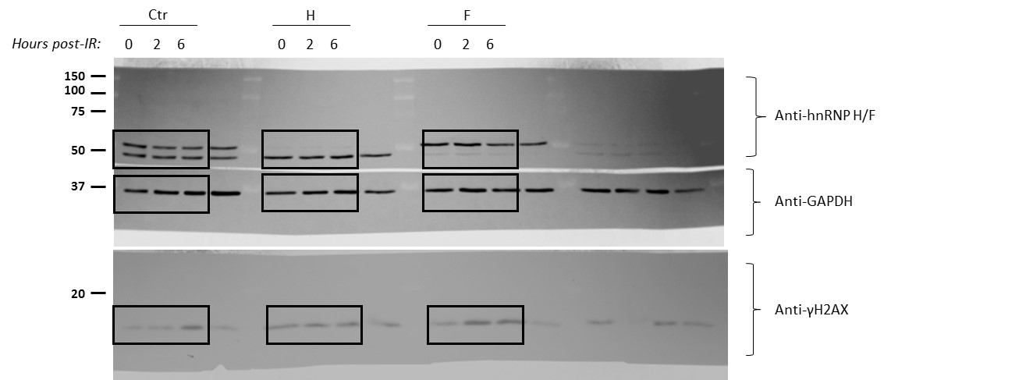
Suppl. Fig 10a

Suppl. Fig 10d
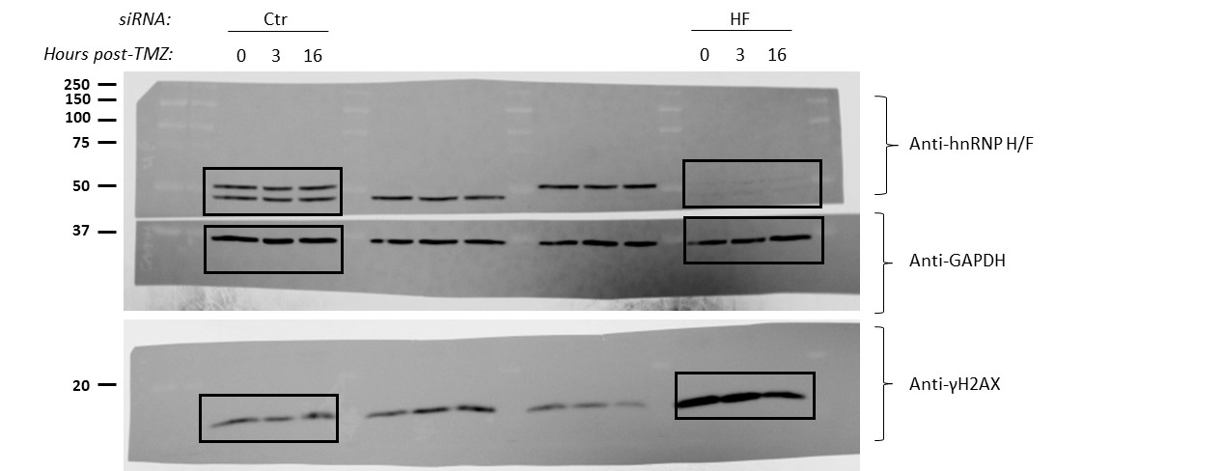
Suppl. Fig 10d

Suppl. Fig 11b
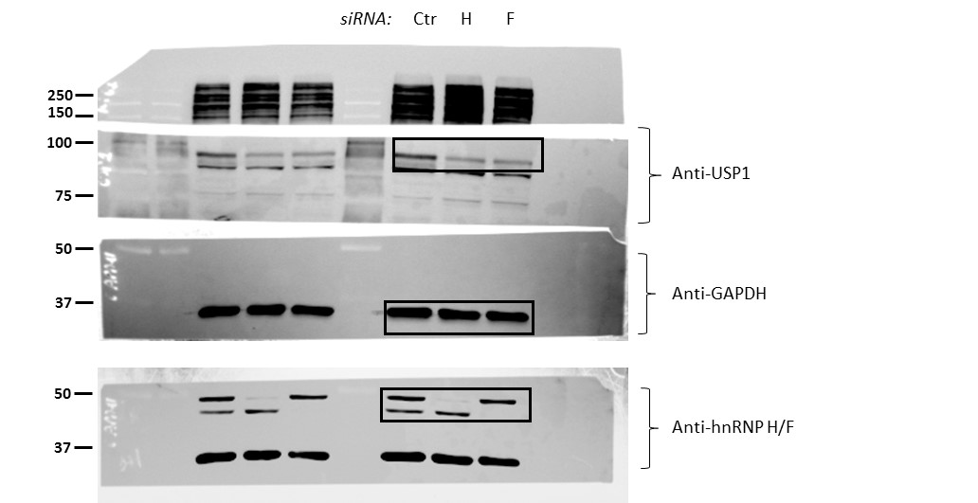
Suppl. Fig 11b

Suppl. Fig 13a
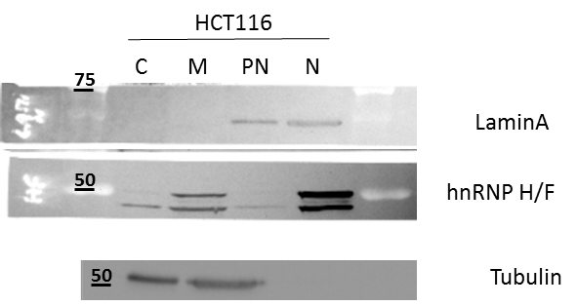
Suppl. Fig 13a

Suppl. Fig 13d
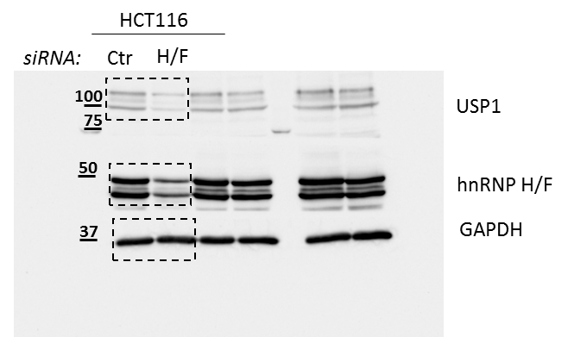
Suppl. Fig 13d

