Fig 2c
Fig 2c

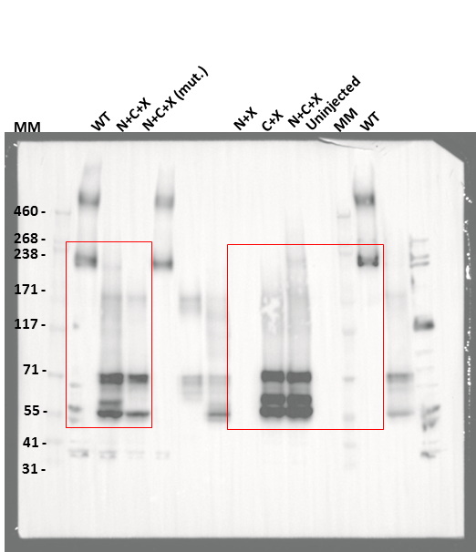

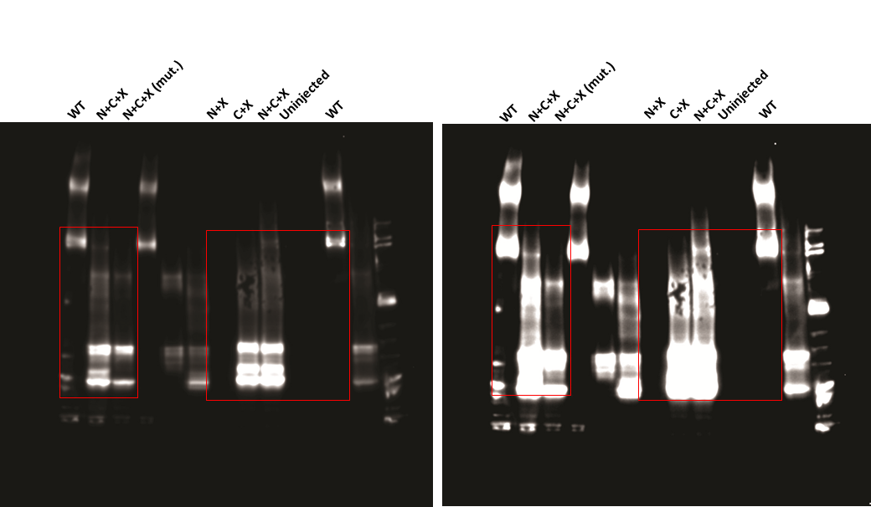
 | Anti-Nav1.5 C-term (Alomone labs #ASC-013); 1:1500
 | HiMark™ Pre-Stained Protein Standard Marker
 | 3-8% Tris-Acetate Gel

 | 'overexposed' blot

Fig 3c
Fig 3c

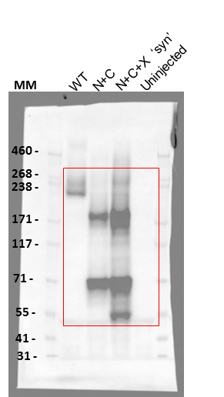

 | Anti-Nav1.5 C-term (Alomone labs #ASC-013); 1:1500
 | HiMark™ Pre-Stained Protein Standard Marker
 | 3-8% Tris-Acetate Gel

Fig 6c
Fig 6c
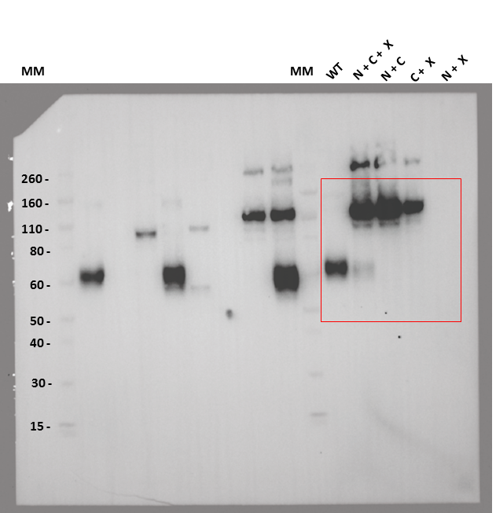

 | Anti-P2X2 C-term (Alomone labs #APR-003); 1:2000
 | Novex™ Sharp Pre-stained Protein Standard Marker
 | 4-12% Bis-Tris Gel

Fig S4c
Fig S4c

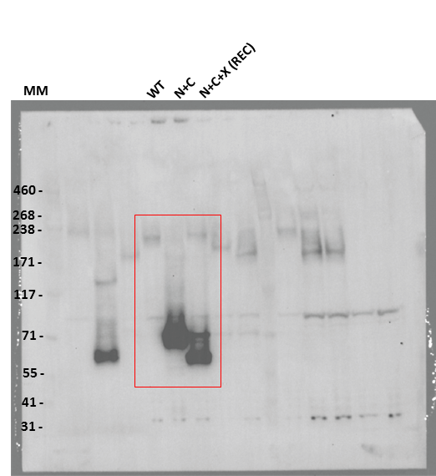

 | Anti-Nav1.5 [493-511] (Alomone labs #ASC-005); 1:2000
 | HiMark™ Pre-Stained Protein Standard Marker
 | 3-8% Tris-Acetate Gel

Fig S4h
Fig S4h

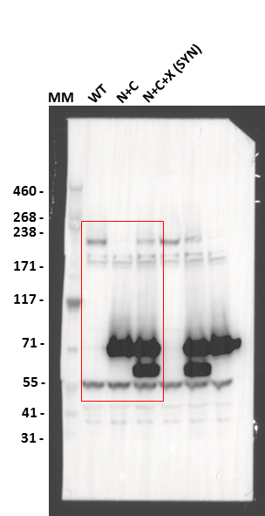

 | Anti-Nav1.5 [493-511] (Alomone labs #ASC-005); 1:2000
 | HiMark™ Pre-Stained Protein Standard Marker
 | 3-8% Tris-Acetate Gel

Fig S9e
Fig S9e

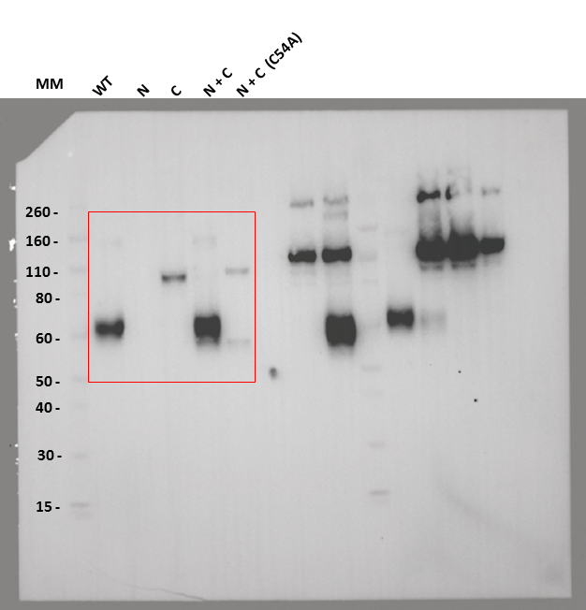

 | Anti-P2X2 C-term (Alomone labs #APR-003); 1:2000
 | Novex™ Sharp Pre-stained Protein Standard Marker
 | 4-12% Bis-Tris Gel

Fig S10d
Fig S10d

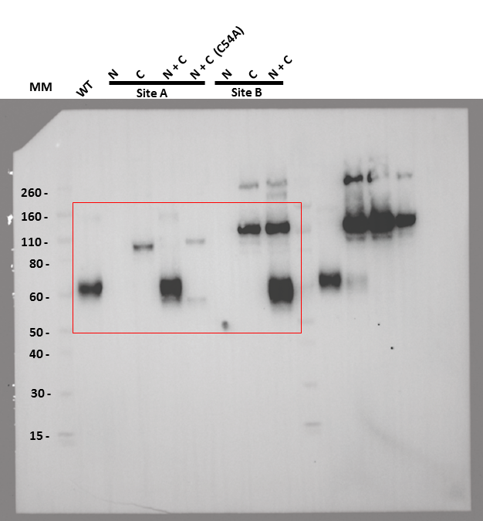

 | Anti-P2X2 C-term (Alomone labs #APR-003); 1:2000
 | Novex™ Sharp Pre-stained Protein Standard Marker
 | 4-12% Bis-Tris Gel

