Supp. Figure 1f
Dnmt3a2 (~77 kD)
Novus 64B1446
Dnmt3b (~100 kD)
Imgenex IMG-184A
Lamin B1 (~66 kD)
AbCam ab16048

Days post transduction
Days post transduction
Days post transduction
0
4
3
5.5
8
10
12
14
16
0
5.5
4
3
8
10
12
14
16
0
5.5
4
3
8
10
12
14
16
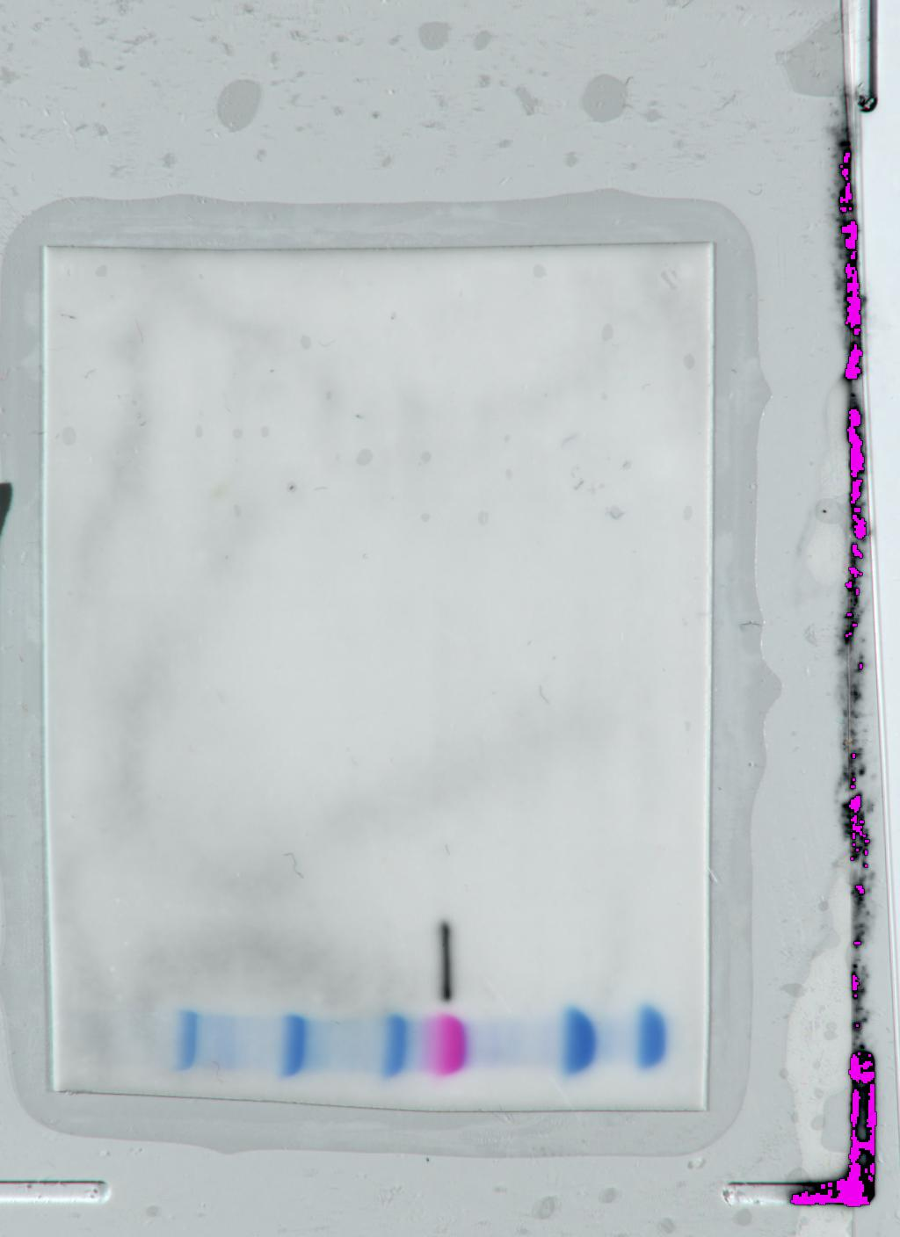
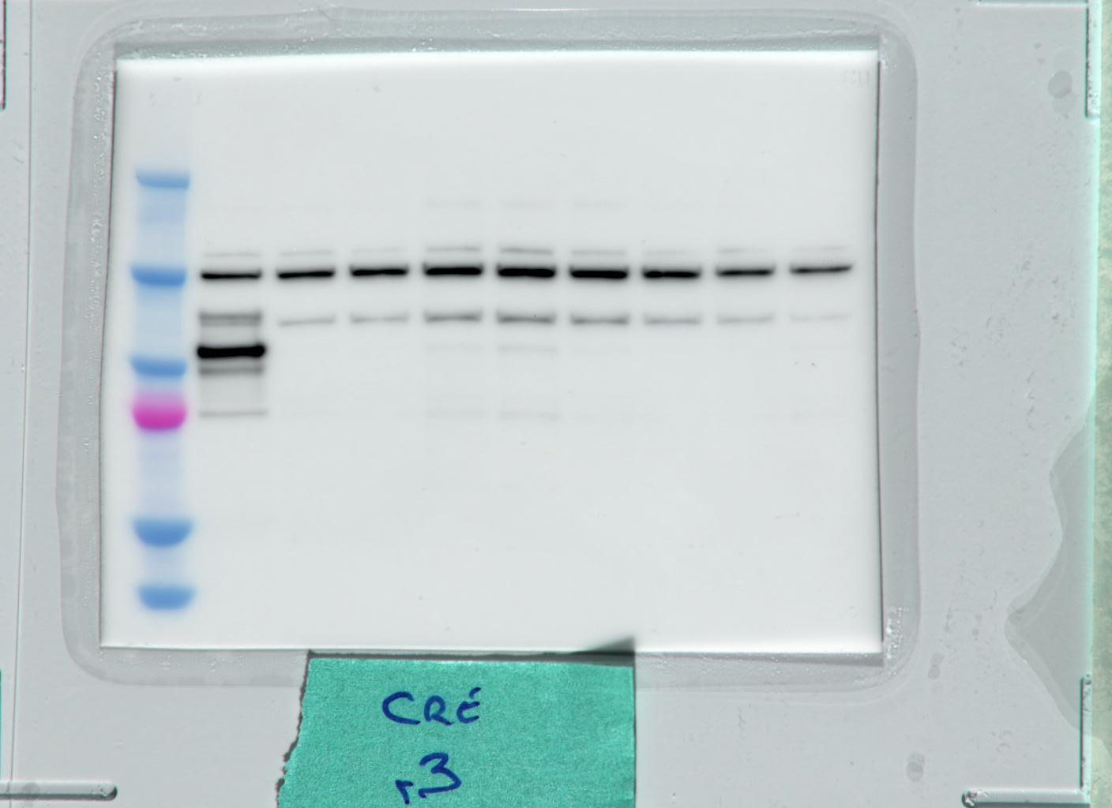
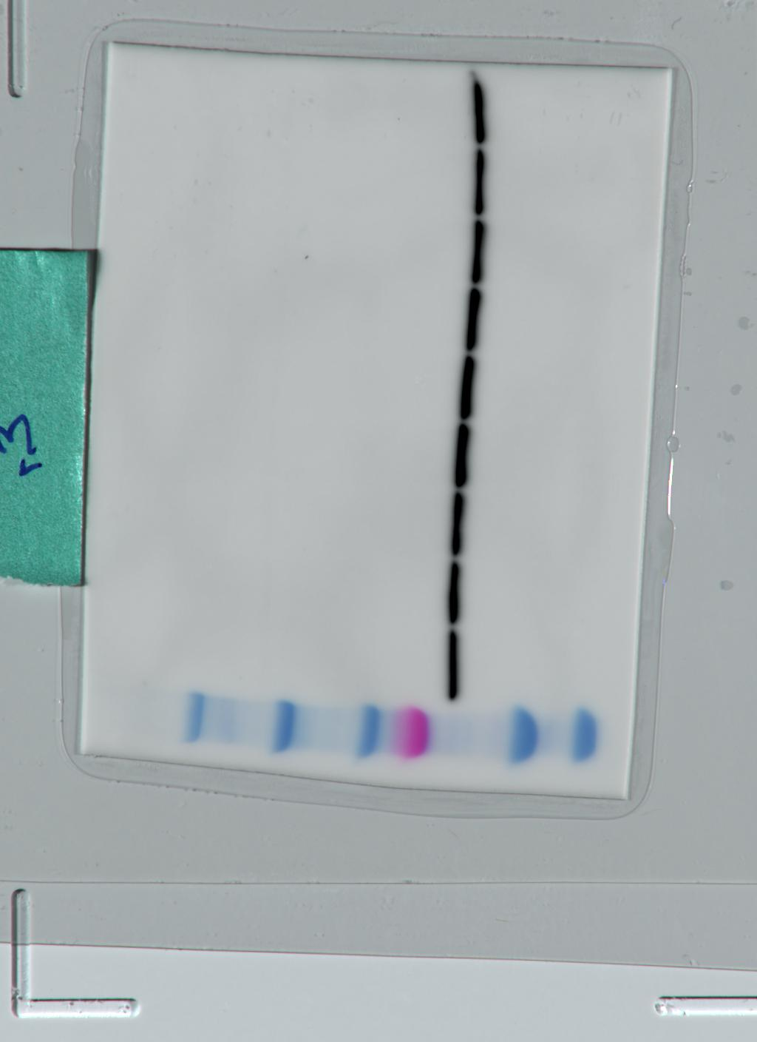
250

150

100
75

50

37

Supp. Figure 1g
TTKO ab-/- d21
TTKO ab-/- d21
TTKO ab-/- d21
parental
TTKO
parental
TTKO
parental
TTKO

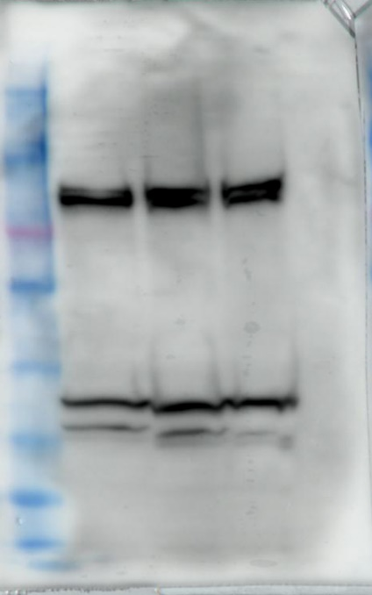
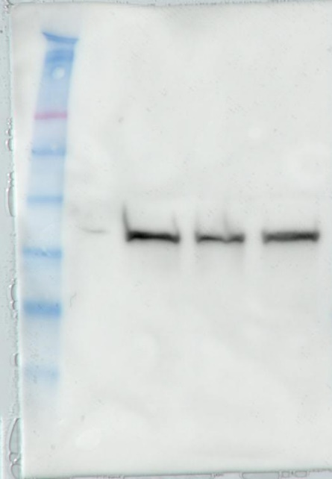
460
238

171
117

71

55

41
31

Dnmt1 (~190 kD)
AbCam ab188453
LaminB1 (~66 kD)
AbCam ab16048
Uhrf1 (~95 kD)
MBL D289-3

