Figure 3i
blot 1 : 5' end probe |  |  |  |  |  | blot 2 : 3' end probe
hen2-2 rep1 | wild type rep1 | hen2-2 rep2 | wild type rep2 | hen2-2 rep3 | wild type rep3 | hen2-2 rep1 | wild type rep1 | hen2-2 rep2 | wild type rep2 | hen2-2 rep3 | wild type rep3 | Ubiquitin Loading control
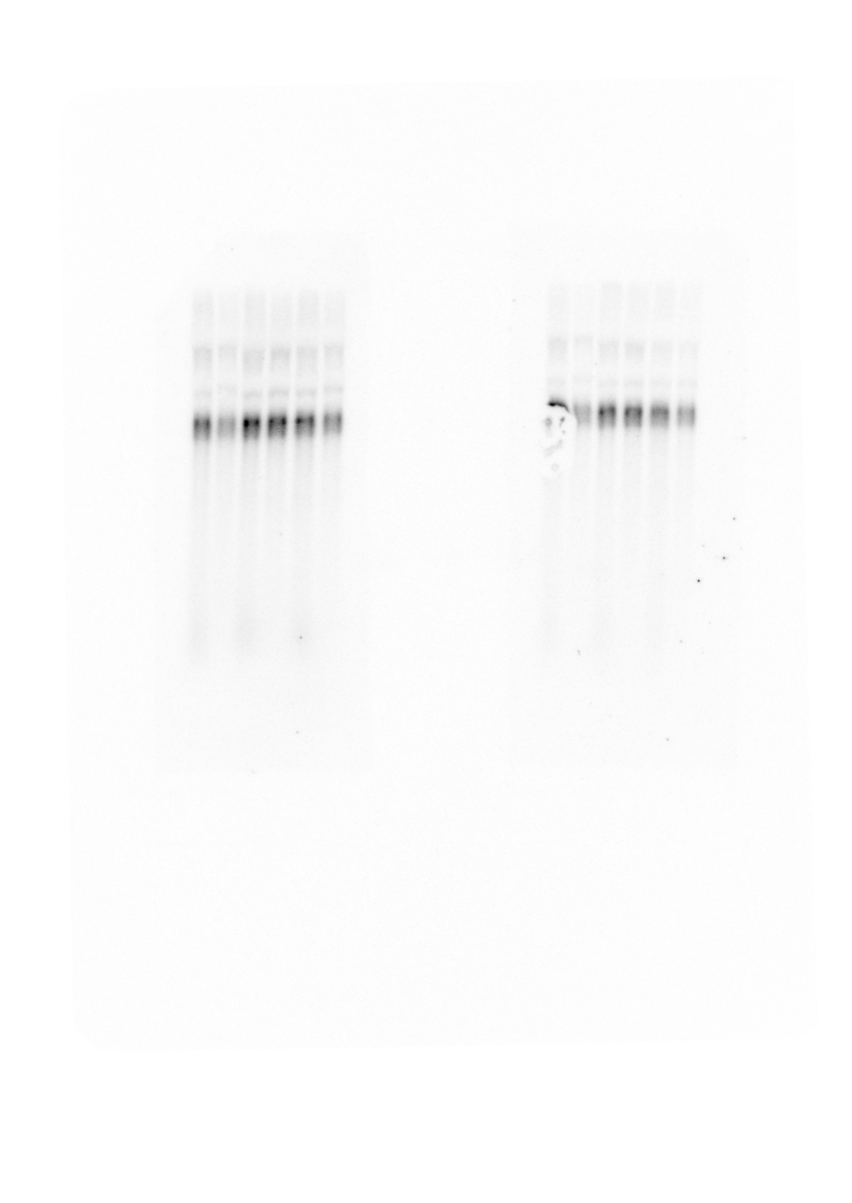
low sensitivity scanning |  |  |  |  |  |  | high sensitivity scanning

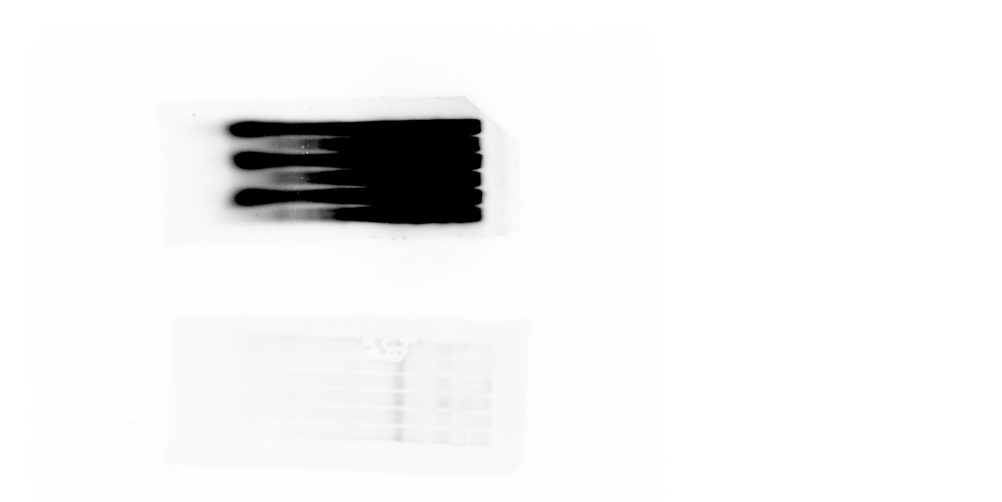

 |  |  |  |  |  |  |  |  |  |  |  |  | blot 1 | blot 2

 | blot 1 |  |  | blot 2 |  |  |  | blot 1 |  |  | blot 2

Figure 3j
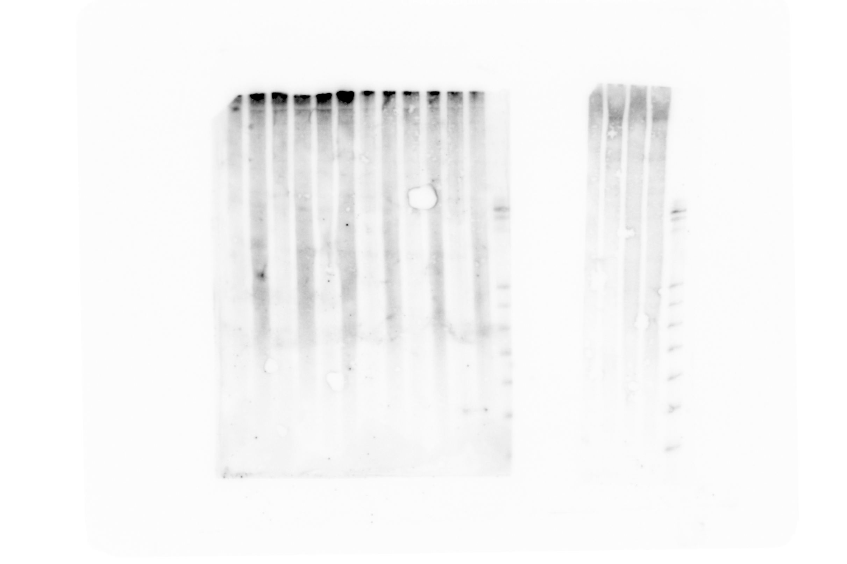

PAGE Northern blot

high RNA amount |  |  |  |  |  | lower RNA amount
wild type rep1 | hen2-2 rep1 | wild type rep2 | hen2-2 rep2 | wild type rep3 | hen2-2 rep3 | wild type rep1 | hen2-2 rep1 | wild type rep2 | hen2-2 rep2 | wild type rep3 | hen2-2 rep3 | decade ladder | U6 loading control

