Figure 2
Panel a

Panel b

GSK3beta |  |  |  |  |  | beta catenin |  |  |  | PPARg1 |  |  | PPARg2

Standard | Osteogenic |  |  |  |  | Standard | Osteogenic |  |  | Standard | Osteogenic |  | Standard | Osteogenic
0.80163 | 0.6595284 |  |  |  |  | 0.09960202 | 0.4683017 |  |  | 0.175 | 0.08 |  | 0.093 | 0.057
0.8280928 | 0.3524833 |  |  |  |  | 0.1315827 | 0.4171578 |  |  | 0.2 | 0.12 |  | 0.1 | 0.071
0.7447295 | 0.3256989 |  |  |  |  | 0.03688124 | 0.2710328 |  |  | 0.153 | 0.09 |  | 0.079 | 0.051

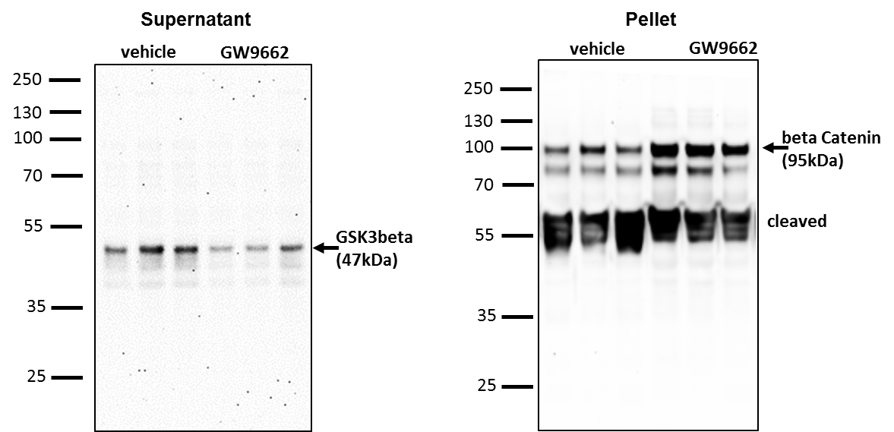
Panel c

Panel d

GSK3beta |  |  |  |  |  | beta catenin

Vehicle | GW9662 |  |  |  |  | Vehicle | GW9662
0.595284 | 0.12422 |  |  |  |  | 0.3683017 | 1.2
0.5524833 | 0.13355 |  |  |  |  | 0.3171578 | 1.31
0.3256989 | 0.26928 |  |  |  |  | 0.5710328 | 0.91

Panel e

0 | 1 | 5 | 10
0.000000039 | 0.000000062 | 0.000000075 | 0.000000082
0.000000035 | 0.000000069 | 0.000000069 | 0.000000076
3.85E-08 | 0.000000055 | 0.000000065 | 0.000000075
3.71E-08 | 5.56E-08 | 0.000000066 | 7.46E-08

Panel f

Day7 |  |  |  |  | Day14 |  |  |  | Day21
CCM | OBM | OBM+1 | OBM+10 |  | CCM | OBM | OBM+1 | OBM+10 | CCM | OBM | OBM+1 | OBM+10
0.097 | 0.31 | 0.41 | 0.43 |  | 0.14 | 1.36 | 2.63 | 3.45 | 0.31 | 3.25 | 4.16 | 6.37
0.13 | 0.19 | 0.22 | 0.37 |  | 0.21 | 1.94 | 3.12 | 3.91 | 0.11 | 3.81 | 5.99 | 6.91
0.15 | 0.27 | 0.36 | 0.28 |  | 0.16 | 1.77 | 3.89 | 3.02 | 0.21 | 3.67 | 6.14 | 6.82

Panel g

OEihMSC |  | OEhMSC1 |  | OEhMSC2
vehicle | GW9662 | vehicle | GW9662 | vehicle | GW9662
22 | 88 | 16 | 32 | 18 | 31
18 | 85 | 15 | 34 | 14 | 28
26 | 92 | 13 | 28 | 10 | 36

Panel h

OEihMSC |  | OEhMSC1 |  | OEhMSC2
vehicle | GW9662 | vehicle | GW9662 | vehicle | GW9662
70 | 63 | 72 | 73 | 68 | 63
72 | 95 | 71 | 72 | 70 | 64
74 | 78 | 70 | 72 | 66 | 65

Panel i

OEihMSC |  | OEhMSC1 |  | OEhMSC2
vehicle | GW9662 | vehicle | GW9662 | vehicle | GW9662
80 | 151 | 43 | 125 | 53 | 38
99 | 130 | 47 | 90 | 50 | 36
80 | 120 | 41 | 100 | 47 | 36

Panel j.
OEihMSC | OEhMSC1 | OEhMSC2
7.2587656 | 4.3075669 | 6.0445691
8.443069 | 3.111684 | 4.864468
8.196392 | 3.411786 | 4.082821

Figure 3
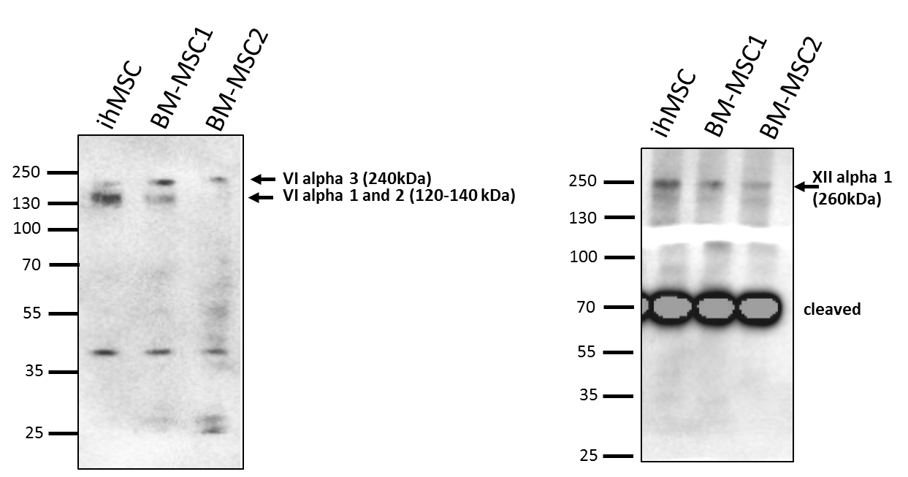

Panel e

Panel g

 | ALP
 | Day | Vehicle |  |  | GW
 | 0 | 6.000E-08 | 3.000E-08 | 6.000E-08 | 4.000E-08 | 1.000E-08 | 5.000E-08
 | 2 | 9.000E-08 | 8.000E-08 | 7.000E-08 | 8.000E-08 | 8.000E-08 | 7.000E-08
 | 4 | 8.000E-08 | 1.000E-07 | 1.300E-07 | 1.800E-07 | 1.600E-07 | 2.100E-07
 | 8 | 3.300E-07 | 2.600E-07 | 3.100E-07 | 5.100E-07 | 5.700E-07 | 5.200E-07

 | OPG
 | Day |  | Vehicle |  |  | GW
 | 0 | 0 | 0 | 0 | 0 | 0 | 0
 | 2 | 0.001 | 0.002 | 0.002 | 0.0025 | 0.002 | 0.004
 | 4 | 0.004 | 0.003 | 0.002 | 0.007 | 0.006 | 0.0075
 | 8 | 0.01 | 0.008 | 0.012 | 0.018 | 0.018 | 0.014

Figure 4
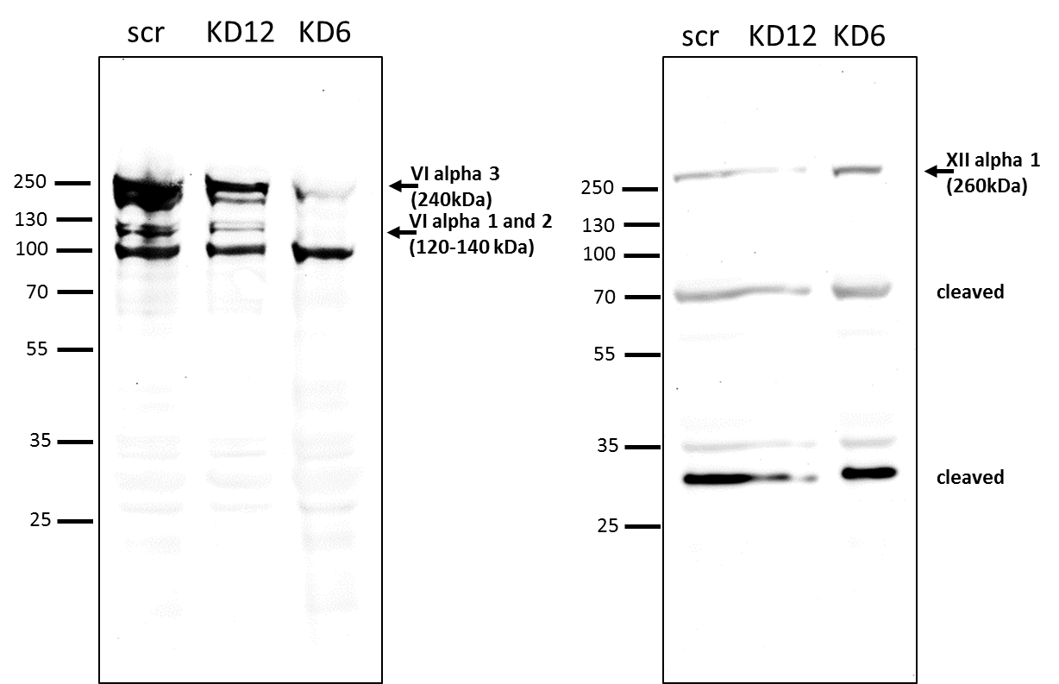
Panel a

Panel b

KD6
Type VI alpha1 |  | Type VI alpha 3 |  | Type XII alpha 1
scr | KD | scr | KD | scr | KD
0.987399 | 1.040555 | 0.929564 | 0 | 1.025324 | 0.110267
0.974699 | 1.001636 | 1.057202 | 0 | 0.968464 | 0.109797
1.039051 | 1.173231 | 1.017567 | 0 | 1 | 0.119772

Panel c

KD12
Type VI alpha1 |  | Type VI alpha 3 |  | Type XII alpha 1
scr | KD | scr | KD | scr | KD
0.987399 | 1.228319 | 0.929564 | 6.113684 | 1.025324 | 0.041845
0.974699 | 1.188001 | 1.057202 | 5.338417 | 0.968464 | 0.045143
1.039051 | 1.302103 | 1.017567 | 6.289837 | 1 | 0.03438

Panel d

Days | Scrambled |  |  |  | Type VI KD |  |  |  | Type XII KD
0 | 200 | 200 | 200 | 200 | 200 | 200 | 200 | 200 | 200 | 200 | 200 | 200
3 | 3456 | 2270 | 1754 | 1083 | 1032 | 2064 | 1290 | 1496 | 2683 | 1341 | 722 | 1496
6 | 11247 | 16251 | 15838 | 8358 | 2786 | 10989 | 11969 | 8203 | 8925 | 11298 | 1445 | 7119
9 | 53137 | 41065 | 55252 | 84297 | 18727 | 19346 | 12639 | 24195 | 45296 | 10473 | 28013 | 35236
12 | 86361 | 90591 | 89611 | 45966 | 33430 | 37918 | 37299 | 53086 | 66757 | 54101 | 70574 | 50687
15 | 58864 | 114219 | 99877 | 87341 | 61340 | 43490 | 64848 | 76662 | 78107 | 80944 | 70162 | 79706

Panel e

Scrambled | KD6 | KD12
63 | 21 | 31
60 | 23 | 31
49 | 22 | 45

Panel f

Scrambled | KD6 | KD12
55.5 | 25.8 | 24.3
67.1 | 49.6 | 42.6
60 | 21.2 | 43

Panel g

Day | Scrambled |  |  |  | KD6 |  |  |  | KD12
7 | 0.298 | 0.351 | 0.342 | 0.25 | 0.12 | 0.142 | 0.171 | 0.23 | 0.18 | 0.181 | 0.188 | 0.37
14 | 3.596 | 2.652 | 2.626 | 2.734 | 1.712 | 1.311 | 0.699 | 1.21 | 3.248 | 3.023 | 2.699 | 3.018
21 | 5.331 | 4.712 | 4.699 | 5.479 | 3.12 | 3.77 | 3.778 | 2.648 | 1.866 | 2.009 | 2.417 | 2.648

Panel i
 | ALP
 |  | Day 2 |  |  | Day 4 |  |  | Day 8
 |  | scr | KD6 | KD12 | scr | KD6 | KD12 | scr | KD6 | KD12
 |  | 1.29665E-08 | 1.90535E-09 | 4.39E-09 | 3.72716E-09 | 5.24898E-09 | 1.29E-08 | 4.95045E-08 | 3.16453E-09 | 1.96E-08
 |  | 6.10331E-09 | 1.40007E-08 | 1.62E-09 | 6.40672E-09 | 5.53164E-09 | 5.84E-09 | 8.20691E-08 | 8.1935E-09 | 1.68E-08
 |  | 2.54372E-09 | 1.94472E-08 | 4.23E-09 | 3.73481E-08 | 2.12491E-09 | 1.71E-08 | 7.94481E-08 | -6.01982E-10 | 4.44E-08
 |  | 1.20286E-08 | 3.97019E-09 | 3.52E-09 | 2.97927E-08 | 2.33093E-08 | 9.25E-09 | 4.44608E-08 | 3.03642E-09 | 3.97E-08
 |  | 5.60191E-09 | 1.14297E-09 | 4.79E-09 | 2.47152E-08 | 1.92368E-08 | 4.04E-09 | 6.38044E-08 | 4.51456E-08 | 3.26E-08
 |  | 1.14275E-08 | 1.35586E-09 | 5.79E-09 | 2.12095E-08 | 1.51827E-09 | 0.000000014 | 7.26842E-08 | 2.93414E-08 | 3.45E-08

 | OPG
 |  | Day 2 |  |  | Day 4 |  |  | Day 8
 |  | scr | KD6 | KD12 | scr | KD6 | KD12 | scr | KD6 | KD12
 |  | 0.002649 | 0.001321 | 0.002869 | 0.003982 | 0.000972 | 0.002178 | 0.005755 | 0.001568 | 0.001258
 |  | 0.002047 | 0.001219 | 0.00146 | 0.003085 | 0.001575 | 0.001678 | 0.004548 | 0.000981 | 0.002764
 |  | 0.004584 | 0.001977 | 0.001677 | 0.002466 | 0.000926 | 0.000979 | 0.004187 | 0.003255 | 0.001997

