Fig. 7b
3day | 7day
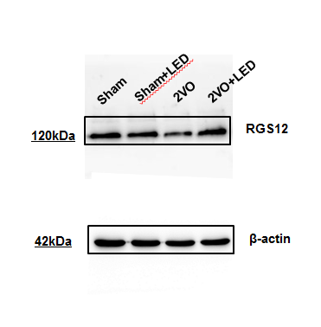

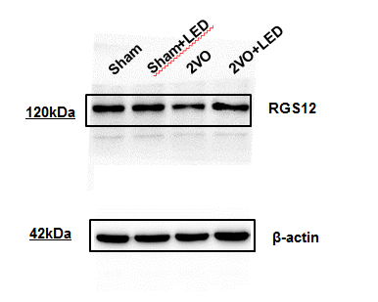

 |  | RGS12 (A-2): sc-514173

 |  | Anti-beta Actin antibody [AC-15]

Fig. S8d

 | RGS12 / β-actin

 |  | AAV-shRNA-ctrl | AAV-shRNA-RGS12
 |  | 0.274205 | 0.223254
 |  | 0.431997 | 0.203963
 |  | 0.502884 | 0.161959

RGS12 (A-2): sc-514173
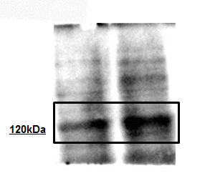

Anti-beta Actin antibody [AC-15]

