Figure 6a-b gel
1 2 3 4
1 2 3 4

5000bp

1500bp

500bp
Excision product

Figure 6a | Figure 6b

Figure 6d gel
LE35/RE63+ PBase
LE35/RE63mut + PBase
LE35/RE73 + PBase
LEtandem/RE63 + PBase
LE35/RE63
LE35/RE63mut

1 2 3 4 5 6

5000bp
1500bp

500bp
Excision product

Figure 6d

SI Fig 1b
SI Figure 1b

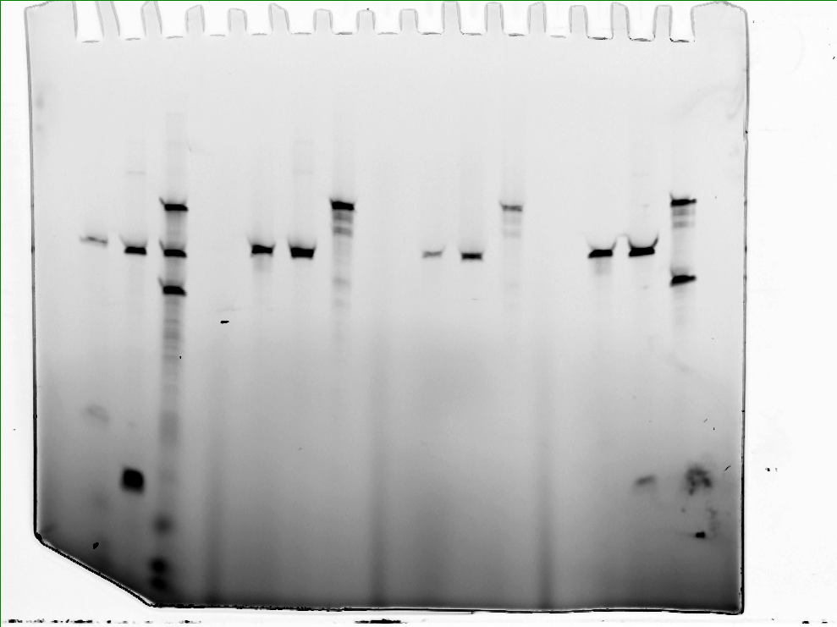

CaCl2 buffer
MgCl2 buffer
1 2 1 2

94 nt
64 nt

49 nt

15 nt

SI Fig1c
SI Figure 1c

SI Fig 1d
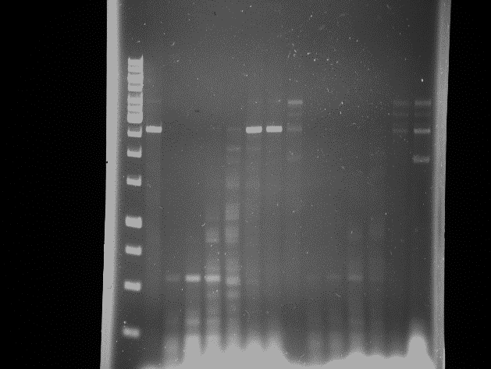
SI Figure 1d

SI Fig 2b
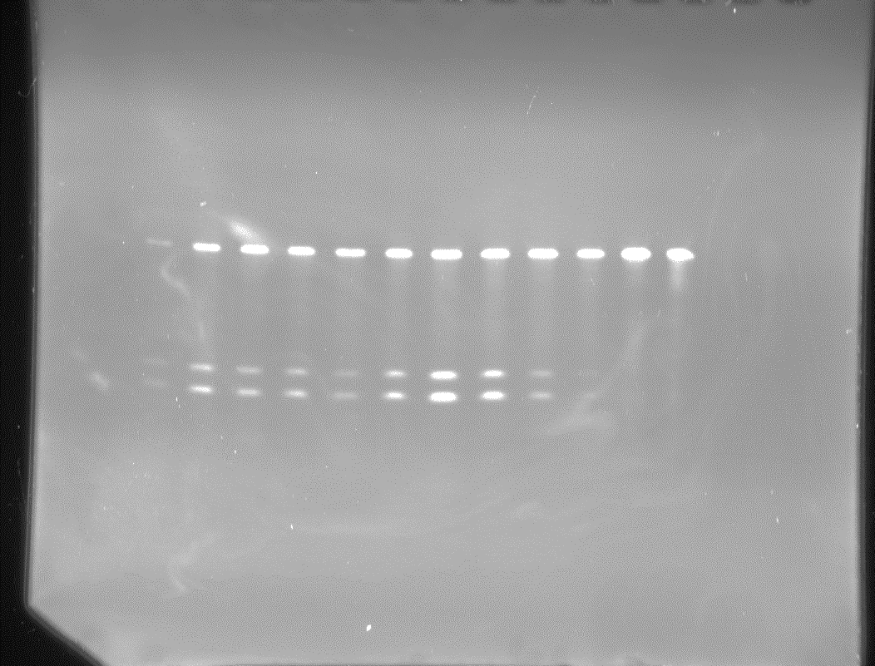
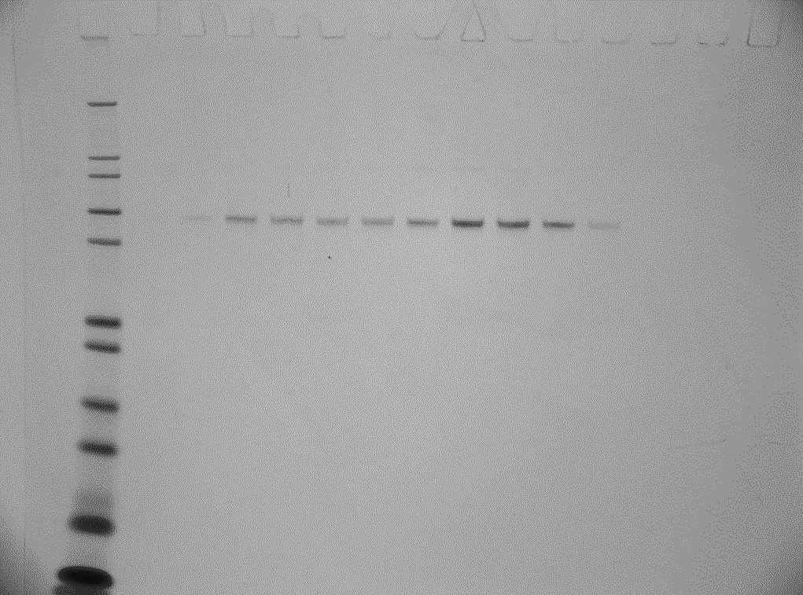
SI Figure 2b

SI Fig 3b
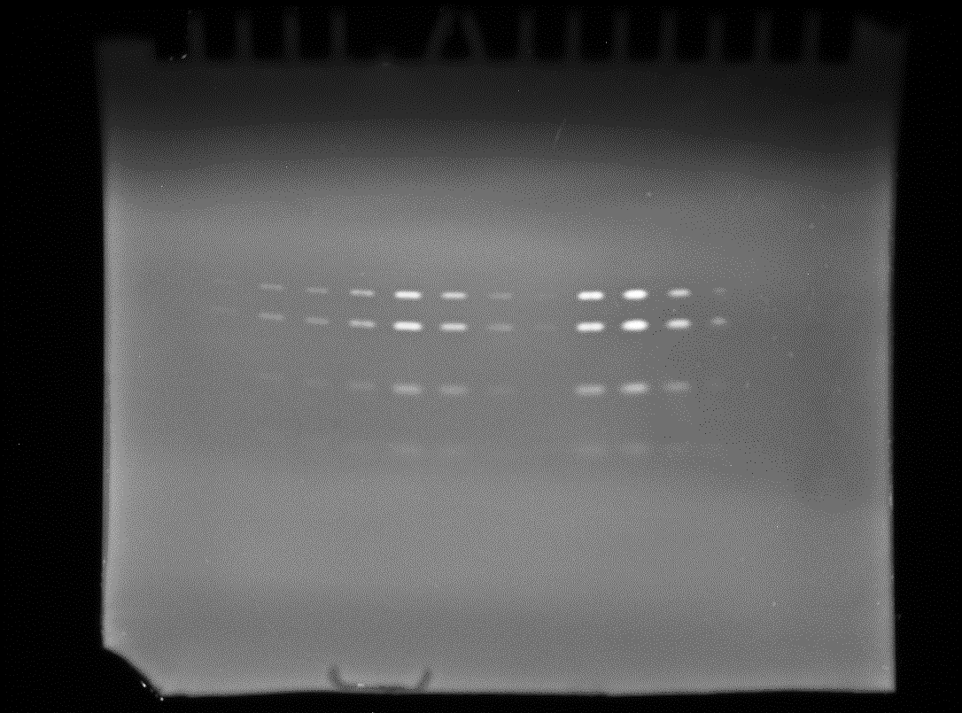
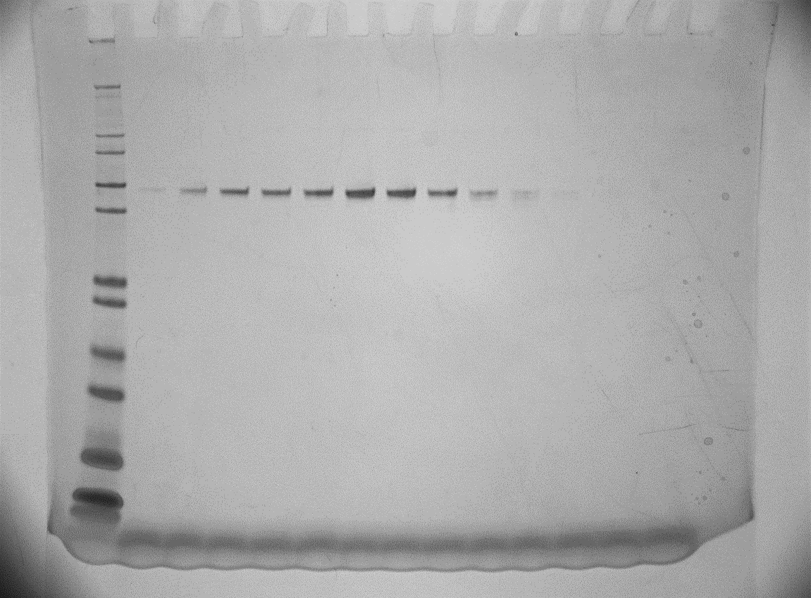
SI Figure 3b

