Figure 6
Fig 6B

 |  | CTL | RT | MMF | MMF+RT
 | Gua | 0 | 3.347052 | -0.77216 | 1.689124
 | GDP | 0 | 1.990321 | -0.86916 | 1.272991
 | dGuo | 0 | 1.201439 | -1.37112 | 0.503704
 | cGMP | 0 | 0.791912 | -0.80136 | -1.12066
 | Guo | 0 | 0.583545 | -1.4458 | -0.29749
 | dGMP | 0 | 0.17108 | -0.41495 | -0.16221
 | dGDP | 0 | -0.0022 | -0.31362 | 0.044801

Control
RT
MMF
MMF+RT
50 KD
37 KD
β-Actin
r-H2AX
15 KD
MMF+RT
MMF
RT
Control
HF2303
07/03/2019
Fig 6C

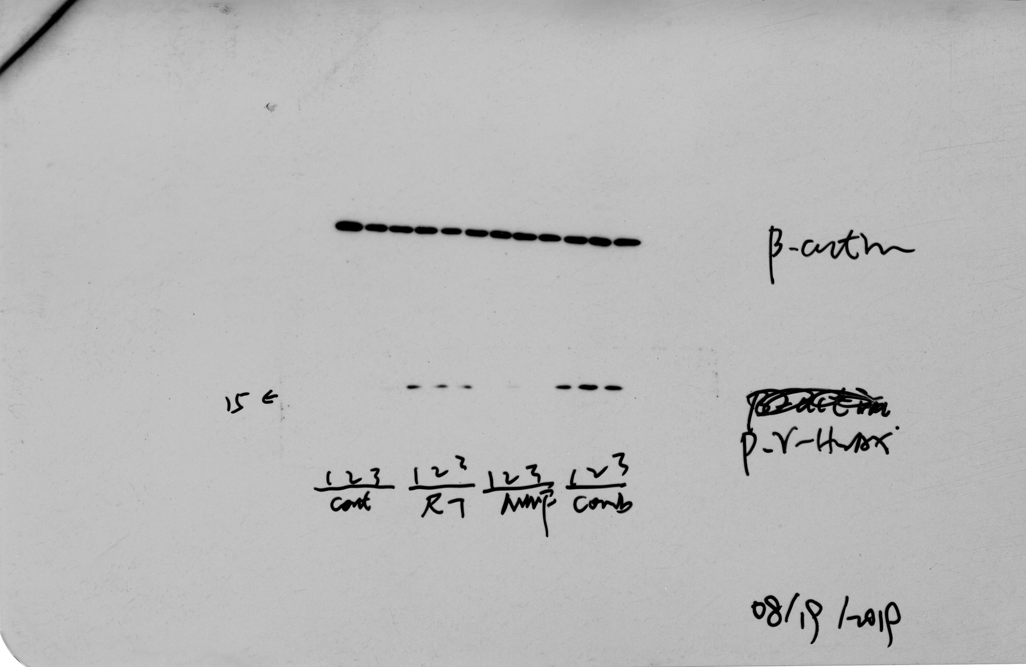
Control
RT
MMF
MMF+RT
15 KD
r-H2AX
MSP12
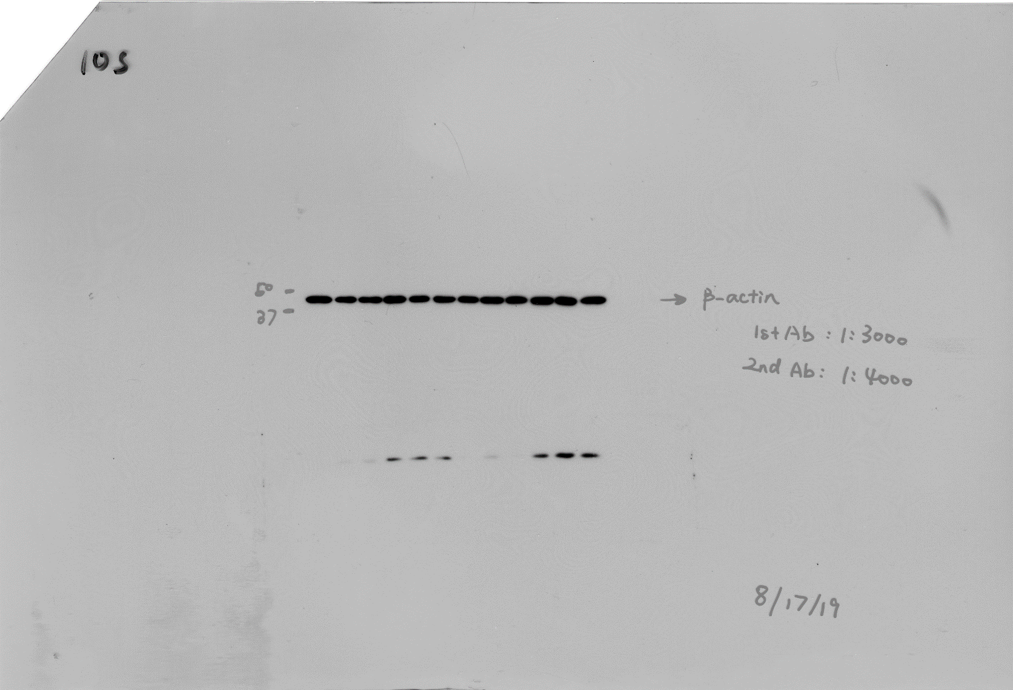
Control
RT
MMF
MMF+RT
50 KD
37 KD
β-Actin
MSP12

Fig 6D
HF2303

 | Days after treatment | Control |  |  |  |  |  |  |  |  |  | RT |  |  |  |  |  |  |  |  |  | MMF |  |  |  |  |  |  |  |  |  | MMF+RT
 | 1 | 100 | 100 | 100 | 100 | 100 | 100 | 100 | 100 | 100 | 100 | 100 | 100 | 100 | 100 | 100 | 100 | 100 | 100 | 100 | 100 | 100 | 100 | 100 | 100 | 100 | 100 | 100 | 100 | 100 | 100 | 100 | 100 | 100 | 100 | 100 | 100 | 100 | 100 | 100 | 100
 | 2
 | 3
 | 4
 | 5 | 193.1142 | 134.9788 | 476.2573 | 174.6993 | 188.9387 | 117.8571 | 180.1244 | 191.0679 | 173.5204 | 157.6733 | 222.1526 | 162.7905 | 189.7143 | 158.7 | 209.4415 | 164.2428 | 507.7362 | 237.1076 | 293.6746 | 151.6066 | 126.9551 | 97.93975 | 178.648 | 115.3846 | 148.4793 | 151.4147 | 162.4566 | 95.87674 | 192.9527 | 222.6848 | 144.9223 | 88.725 | 128.7574 | 113.1442 | 96.8254 | 134.2313 | 99.2466 | 125.7245 | 92.98469 | 104.4938
 | 6
 | 7 | 240.5423 | 183.7574 | 636.499 | 205.3392 | 220.0179 | 217.3474 | 238.7077 | 319.5074 | 221.0819 | 194.7302 | 214.0734 | 236.5306 | 227.2727 | 193.9263 | 280.9038 | 179.1516 | 664.6729 | 314.1765 | 373.4414 | 210.4189 | 134.1061 | 85.73158 | 224.9512 | 105.7692 | 209.3023 | 130.7738 | 201.1447 | 141.059 | 296.6049 | 260.3497 | 219.4497 | 100 | 144.3509 | 155.5901 | 126.6755 | 147.504 | 97.54082 | 132.2449 | 112.5 | 102.0833
 | 8 | 261.9988 | 224.3496 | 692.1387 | 323.1687 | 248.2952 | 209.6273 | 295.7598 | 219.1153 | 232.4879 | 195.3927 | 161.4787 | 191.3126 | 155.4286 | 163.9185 | 185.8713 | 174.6803 | 516.1377 | 226.3314 | 246.7638 | 180.7377 | 143.6851 | 101.8182 | 249.3491 | 101.3163 | 184.5525 | 170.7429 | 181.192 | 230.8359 | 279.3395 | 237.7936 | 222.0015 | 76.21111 | 147.3874 | 134.9697 | 117.25 | 163.6214 | 96.98866 | 69.79592 | 92.77173 | 59.42387
 | 9 | 290.3034 | 265.3304 | 915.451 | 319.8128 | 272.1429 | 246.2969 | 321.4005 | 270.9053 | 259.8042 | 230.8629 | 192.5382 | 170.4473 | 146.3203 | 171.2582 | 218.1247 | 142.8419 | 424.9817 | 301.5663 | 231.958 | 199.7951 | 176.9143 | 126.5196 | 248.6341 | 153.0104 | 213.4264 | 126.6095 | 183.7893 | 186.1406 | 408.3333 | 286.8293 |  |  | 177.8824 | 164.963 | 107.9365 | 145.4412 | 104.3064 | 105 | 128.3414 | 108.8477
 | 10
 | 11
 | 12 | 357.1429 | 321.8076 | 1060.648 | 448.6761 | 316.575 | 385.0797 | 381.4134 | 349.3281 | 297.6442 | 252.3385 | 168.5493 | 208.8077 | 105.7001 | 218.1636 | 186.1702 | 183.3422 | 288.0859 | 266.0874 | 236.8933 | 142.3725 | 211.3143 | 147.028 | 309.3919 | 110.997 | 266.4856 | 212.4571 | 235.3171 | 219.6424 | 423.3909 | 328.1951 |  |  | 129.6206 | 110.8439 | 75.85714 | 132.9424 | 75.375 | 56 | 82.03125 | 47.89095
 | 13
 | 14 | 403.3779 | 338.5276 | 1271.057 | 498.6866 | 447.4286 | 505.0263 | 411.7128 | 607.3231 | 392.1161 | 295.7279 | 165.0671 | 228.5343 | 113.2478 | 273.3382 | 192.8191 | 216.1013 | 329.3335 | 327.1953 | 403.6292 | 138.0255 | 262.7615 | 260.9985 | 402.9359 | 213.7863 | 283.5957 | 291.9365 | 327.3166 | 296.1493 | 546.4733 | 344.9162 |  |  | 146.7637 | 106.6789 | 55.04938 | 132.9362 | 76.26984 | 55.10204 | 108.7669 | 90.74074
 | 15
 | 16 | 427.6472 | 504.2799 | 1902.145 | 614.1859 | 456.0905 | 627.3832 | 573.8089 | 675.5616 | 458.6108 | 328.4562 | 198.1391 | 217.5081 | 102.2904 | 251.856 | 199.4681 | 254.2315 | 308.9905 | 384.4274 | 479.7668 | 130.8288 | 291.2 | 403.0009 | 464.8958 | 209.9802 | 323.6279 | 419.2222 | 365.7086 | 314.7569 | 537.1243 | 408.4024 |  |  | 142.5151 | 116.7794 | 57.31922 | 181.2544 | 87.42205 | 55.10204 | 117.1306 | 99.58848
 | 17
 | 18
 | 19 | 632.0642 | 547.5475 | 2970.459 | 872.2674 | 623.561 | 1012.692 | 658.766 | 1209.504 | 574.2748 | 424.9273 | 210.2701 | 287.02 | 88.43762 | 291.4615 | 229.5367 | 267.0227 | 158.2031 | 418.4657 | 925.7143 | 130.8288 | 808.0466 | 919.6013 | 601.2683 | 196.2148 | 481.0332 | 581.5365 | 392.1943 | 513.6389 | 1066.993 | 634.556 |  |  | 173.3505 | 142.7106 | 28.65079 | 203.0042 | 75.375 | 55.10204 | 100.082 | 99.58848
 | 20
 | 21 | 640.5199 | 613.2005 | 3589.233 | 954.9399 | 647.619 | 1434.074 | 673.1648 | 1623.071 | 656.3476 | 504.4107 | 233.0928 | 280.9562 | 97.9268 | 353.584 | 195.4853 | 299.1265 | 219.7266 | 450.3087 | 1031.62 | 162.8871 | 1259.475 | 1313.29 | 599.784 | 315.0016 | 643.2754 | 794.2857 | 555.024 | 630.75 | 1268.84 | 632.9935 |  |  | 177.4779 | 112.8237 | 59.52381 | 221.743 | 78.75 | 55.10204 | 135.2952 | 80.65844
 | 22
 | 23 | 691.6835 | 647.1039 | 4373.932 | 1060.864 | 688.7277 | 1484.375 | 734.9861 | 1774.374 | 707.5963 | 567.802 | 251.1971 | 349.9936 | 98.73278 | 372.1905 | 206.117 | 319.3141 | 224.6094 | 464.3317 | 1058.169 | 155.8179 | 1631.011 | 1629.949 | 595.5302 | 329.1387 | 699.0508 | 992.5397 | 580.839 | 718.8368 | 1585.278 | 645.8163 |  |  | 176.9189 | 126.075 | 59.63492 | 253.6472 | 89.81718 | 55.10204 | 148.8429 | 95.11317
 | 24
 | 25
 | 26 |  |  |  |  |  |  |  |  |  |  | 286.0319 | 394.3779 | 143.5655 | 421.8054 | 251.3979 | 406.3269 | 495.9106 | 891.5169 | 2962.099 | 258.6207 |  |  |  |  |  |  |  |  |  |  |  |  | 226.3314 | 220.3587 | 65.03527 | 359.055 | 149.0068 | 111.9837 | 157.5984 | 130.9187
 | 27
 | 28 |  |  |  |  |  |  |  |  |  |  | 314.7295 | 438.3184 | 173.7143 | 437.6713 | 269.0346 | 396.5974 | 565.7776 | 1002.28 | 3216.723 | 265.2095 |  |  |  |  |  |  |  |  |  |  |  |  | 234.2624 | 237.4977 | 69.14991 | 423.3449 | 166.375 | 114.9306 | 179.5918 | 152.5278
 | 29
 | 30 |  |  |  |  |  |  |  |  |  |  | 380.0391 | 476.3948 | 248.5279 | 525.4545 | 338.9584 | 436.2998 | 903.2837 | 1002.28 | 4288.597 | 305.2459 |  |  |  |  |  |  |  |  |  |  |  |  | 249.7083 | 309.8794 | 83.0873 | 569.7833 | 186.8481 | 244.5061 | 233.1997 | 233.3333

Fig 6E
MSP12

 | Days after treatment | Control |  |  |  |  |  |  |  |  |  | RT |  |  |  |  |  |  |  |  |  | MMF |  |  |  |  |  |  |  |  |  | MMF+RT
 | 1 | 100 | 100 | 100 | 100 | 100 | 100 | 100 | 100 | 100 | 100 | 100 | 100 | 100 | 100 | 100 | 100 | 100 | 100 | 100 | 100 | 100 | 100 | 100 | 100 | 100 | 100 | 100 | 100 | 100 | 100 | 100 | 100 | 100 | 100 | 100 | 100 | 100 | 100 | 100 | 100
 | 2
 | 3 | 85.62857 | 139.4896 | 133.1439 | 106.708 | 120.0842 | 107.8672 | 100.2408 | 149.1212 | 112.8154 | 113.9197 | 117.0384 | 115.9291 | 159.9798 | 130.4137 | 138.5362 | 133.4668 | 138.72 | 118.2793 | 106.25 | 112.2486 | 94.33346 | 86.41042 | 130 | 87.42969 | 117.6331 | 133.0092 | 84.34983 | 96.45878 | 125.838 | 120.1715 | 110.8356 | 105.13 | 95.16297 | 97.98571 | 115.6549 | 120.7064 | 111.1531 | 92.45283 | 130.0373 | 114.911
 | 4
 | 5 | 211.5771 | 144.0305 | 161.9668 | 112.7612 | 171.9675 | 143.0976 | 103.1154 | 238.1494 | 93.84329 | 123.4839 | 98.46154 | 119.9546 | 163.6631 | 136.4606 | 124.1647 | 130.1301 | 147.283 | 127.3778 | 157.5 | 84.85991 | 99.45691 | 91.49338 | 146.2291 | 100.1311 | 135.1395 | 148.1223 | 77.44 | 95.54122 | 152.0599 | 156.5064 | 77.22681 | 103.687 | 54.15897 | 74.31429 | 139.9537 | 146.2042 | 120.4991 | 107.0282 | 102.1884 | 112.8232
 | 6
 | 7
 | 8 | 292.5 | 241.1029 | 258.3929 | 151.4793 | 241.8409 | 192.4371 | 175.0959 | 425.5395 | 135.2506 | 204.4034 | 133.8267 | 147.6921 | 249.698 | 228.1924 | 165.1904 | 161.2606 | 206.25 | 160.6265 | 186.05 | 136.1111 | 147.2449 | 153.1191 | 173.8034 | 130.5395 | 186.3466 | 185.2482 | 118.1471 | 178.8387 | 269.9913 | 290.7455 | 99.24074 | 125.0399 | 81.23259 | 129.9397 | 152.3306 | 156.2049 | 80.65532 | 157.5849 | 156.3429 | 106.0717
 | 9
 | 10 | 645.7143 | 352.2881 | 332.0536 | 186.7911 | 380.4444 | 378.277 | 351.7833 | 516.1888 | 244.8403 | 231.9387 | 163.0438 | 239.9181 | 350.4229 | 264.7071 | 162.7826 | 199.7419 | 215.2007 | 211.5462 | 235.6725 | 203.2694 | 260.6512 | 184.822 | 270.1094 | 177.2227 | 180.6847 | 219.2848 | 221.4915 | 275.2688 | 341.7844 | 312.8808 | 140.0097 | 119.3379 | 72.0293 | 122.5567 | 160.9468 | 146.4571 | 116.6422 | 114.3517 | 154.3046 | 138.4825
 | 11
 | 12 | 885.0286 | 701.6259 | 434.7184 | 280.3846 | 738.5059 | 465.2057 | 446.4965 | 900.9456 | 384.4785 | 360.155 | 196.1094 | 291.4598 | 429.4194 | 422.8871 | 261.7754 | 245.9943 | 281.88 | 315.8578 | 364 | 303.0741 | 446.281 | 240.1736 | 285.5697 | 292.3789 | 313.7041 | 300.8021 | 252.6014 | 333.0753 |  |  | 173.5483 | 145.6489 | 115.1489 | 149.7222 | 197.6983 | 213.361 | 161.9447 | 163.0189 | 212.0576 | 200.4372
 | 13
 | 14
 | 15 | 1445.39 | 1010.189 | 619.9255 | 534.8384 | 1094.48 | 694.5946 | 676.6401 | 1304.695 | 626.087 | 759.1558 | 303.5549 | 403.0272 | 640.3387 | 486.5081 | 404.4058 | 277.7822 | 409.6 | 498.5977 | 499.23 | 348.3148 | 944.51 | 396.4197 | 471.9915 | 450.9141 | 465.9763 | 415.2487 | 420.8814 | 518.1532 |  |  | 310.2361 | 209.8527 | 155.2147 | 255.15 | 235.416 | 260.4545 | 188.3078 | 193.7442 | 216.187 | 241.4547
 | 16
 | 17 | 1578.812 | 1469.975309 | 741.9710523 | 537.1153846 | 1246.633136 | 749.7567042 | 959.9060133 | 1703.761603 | 731.0430758 | 899.1758084 | 505.9744072 | 465.1426682 | 1078.003584 | 711.1551088 | 583.5273752 | 420.2573322 | 446.0562963 | 524.4946276 | 532.4 | 389.0086207 | 1280 | 447.9757404 | 534.9837607 | 602.4375 | 526.7347422 | 432.1287744 | 712.8705085 | 730.609319 |  |  | 390.7092314 | 245.0646959 | 215.9813366 | 292.509127 | 297.92 | 357.1075681 | 250.1272842 | 275.564873 | 245.2892562 | 246.850159
 | 18
 | 19 | 2244.388571 | 2038.837846 | 1082.086997 | 712.2564861 | 1548.298817 | 855.4188894 | 1137.440966 | 1800.478779 | 936.1214729 | 1102.553604 | 569.8203543 | 510.6449987 | 1168.857975 | 806.6835136 | 669.6811594 | 444.2902086 | 464.64 | 568.7943908 | 702.2925 | 496.3362069 | 1599.471074 | 698.0606315 | 667.9384615 | 665.59375 | 827.1266272 | 651.8561281 | 960.6074576 | 916.3584229 |  |  | 473.8562092 | 287.4649632 | 314.4116512 | 406.4063492 | 364.3768595 | 471.3168428 | 456.6883708 | 377.5672024 | 394.6861865 | 317.8153932
 | 20
 | 21
 | 22 | 3058.459429 | 2890.941615 | 1662.479364 | 1288.461538 | 2527.712032 | 1488.332612 | 1799.970775 | 2645.601472 | 1713.926767 | 1682.904377 | 713.8593844 | 777.084908 | 1432.526882 | 1259.535655 | 1100.543478 | 601.7772875 | 645.3333333 | 861.4824258 | 970.27875 | 647.9944923 | 2665.785124 | 1328.348386 | 1065.184615 | 1139.944444 | 1278.106509 | 984.4433641 | 1542.812203 | 1448.924731 |  |  | 602.7436801 | 438.0418486 | 557.9268907 | 779.0809524 | 502.4793388 | 759.9102343 | 583.5636771 | 473.5970184 | 720 | 456.1687553

Fig 6F
HF2303
 | time get tripled | Control | RT | MMF | MMF+RT
 | 12 | 1
 | 12 | 1
 | 5 | 1
 | 8 | 1
 | 12 | 1
 | 12 | 1
 | 9 | 1
 | 12 | 1
 | 14 | 1
 | 16 | 1
 | 28 |  | 1
 | 23 |  | 1
 | 30 |  | 0
 | 21 |  | 1
 | 30 |  | 1
 | 23 |  | 1
 | 5 |  | 1
 | 7 |  | 1
 | 7 |  | 1
 | 30 |  | 1
 | 19 |  |  | 1
 | 16 |  |  | 1
 | 12 |  |  | 1
 | 21 |  |  | 1
 | 16 |  |  | 1
 | 16 |  |  | 1
 | 14 |  |  | 1
 | 16 |  |  | 1
 | 9 |  |  | 1
 | 12 |  |  | 1
 | 8 |  |  |  | 0
 | 8 |  |  |  | 0
 | 30 |  |  |  | 0
 | 30 |  |  |  | 1
 | 30 |  |  |  | 0
 | 26 |  |  |  | 1
 | 30 |  |  |  | 0
 | 30 |  |  |  | 0
 | 30 |  |  |  | 0
 | 30 |  |  |  | 0

Fig 6G
MSP12

 | time get tripled | Control | RT | MMF | MMF+RT
 | 10 | 1
 | 10 | 1
 | 10 | 1
 | 15 | 1
 | 10 | 1
 | 10 | 1
 | 10 | 1
 | 8 | 1
 | 12 | 1
 | 12 | 1
 | 15 |  | 1
 | 15 |  | 1
 | 10 |  | 1
 | 12 |  | 1
 | 15 |  | 1
 | 17 |  | 1
 | 15 |  | 1
 | 12 |  | 1
 | 12 |  | 1
 | 12 |  | 1
 | 12 |  |  | 1
 | 15 |  |  | 1
 | 15 |  |  | 1
 | 15 |  |  | 1
 | 12 |  |  | 1
 | 12 |  |  | 1
 | 15 |  |  | 1
 | 12 |  |  | 1
 | 10 |  |  | 1
 | 10 |  |  | 1
 | 15 |  |  |  | 1
 | 22 |  |  |  | 1
 | 19 |  |  |  | 1
 | 19 |  |  |  | 1
 | 19 |  |  |  | 1
 | 17 |  |  |  | 1
 | 19 |  |  |  | 1
 | 19 |  |  |  | 1
 | 19 |  |  |  | 1
 | 10 |  |  |  | 1

Figure S3
Fig S3A
GMP
 | m+0 |  |  |  | m+1 |  |  | m+2 |  |  | m+3
2h | 78.10288 | 80.06865 | 79.95392 |  | 6.07108 | 4.91338 | 5.45392 | 3.668971 | 3.940494 | 3.927079 | 12.15706 | 11.07748 | 10.66508
4h | 54.05585 | 53.27354 | 51.49 |  | 7.755073 | 9.720961 | 11.27762 | 7.343825 | 8.294036 | 8.080286 | 30.84525 | 28.71146 | 29.15209

Fig S3B
AMP
 | m+0 |  |  |  | m+1 |  |  | m+2
2h | 79.80421 | 82.06618 | 82.30466 |  | 12.32031 | 11.16951 | 11.57226 | 7.87548 | 6.764314 | 6.123075
4h | 68.3839 | 69.25274 | 70.24724 |  | 11.4713 | 12.50318 | 12.22867 | 20.1448 | 18.24408 | 17.52408

Fig S3C
UMP
 | m+0 |  |  |  | m+1
2h | 63.72494 | 64.84773 | 65.32826 |  | 36.27506 | 35.15227 | 34.67174
4h | 49.15686 | 51.74285 | 49.53273 |  | 50.84314 | 48.25715 | 50.46727

Fig S3D
CMP
 | m+0 |  |  |  | m+1 |  |  | m+2
2h | 59.91511 | 60.2062 | 62.03683 |  | 33.53488 | 35.09397 | 33.73893 | 6.550011 | 4.699824 | 4.224236
4h | 41.40089 | 39.87878 | 32.4977 |  | 41.22882 | 42.89559 | 50.87554 | 17.37029 | 17.22563 | 16.62676

Fig S3F
 | Dose (Gy) | CTL |  |  | No hypoxanthine |  |  | Dose (Gy) | CTL |  | No hypoxanthine
 | 0 | 1 |  |  | 1 |  |  | 0 | 1 |  | 1
 | 2 | 0.4466 | 0.03973 |  | 0.61268 | 0.0559 |  | 0.6 | 0.79933 |  | 0.83152
 | 4 | 0.07767 | 0.00485 |  | 0.08451 | 0.0183 |  | 1.2 | 0.60823 |  | 0.65837
 | 6 | 0.01214 | 0.00121 |  | 0.01937 | 0.00176 |  | 1.8 | 0.44058 |  | 0.49635
 |  |  |  |  |  |  |  | 2.4 | 0.30381 |  | 0.35632
 |  |  |  |  |  |  |  | 3 | 0.19943 |  | 0.24356
 |  |  |  |  |  |  |  | 3.6 | 0.12462 |  | 0.15853
 |  |  |  |  |  |  |  | 4.2 | 0.07413 |  | 0.09825
 |  |  |  |  |  |  |  | 4.8 | 0.04198 |  | 0.05798
 |  |  |  |  |  |  |  | 5.4 | 0.02263 |  | 0.03258
 |  |  |  |  |  |  |  | 6 | 0.01161 |  | 0.01743

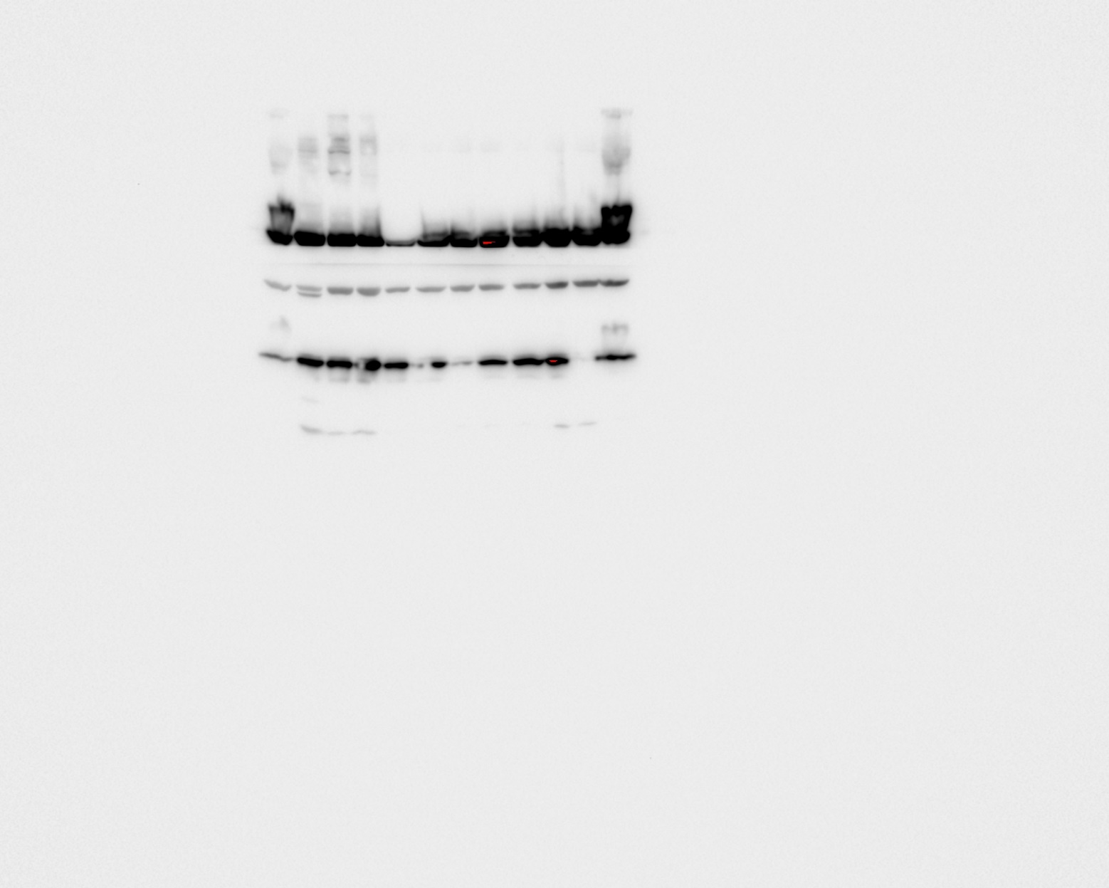
β-Actin
HGPRT
50 KD
37 KD
25 KD
MSP12
shNT
shHPRT1
Fig S3G

Fig S3H

RT (Gy) | shRNA-NC |  |  | shRNA-HPRT1
0 | 98.46169 | 99.99997 | 99.9999 | 104.646 | 99.99983 | 100.0001
2 | 66.94442 | 66.4362 | 60.65723 | 74.11819 | 63.06123 | 57.9548
4 | 31.77691 | 44.9826 | 23.48055 | 35.53412 | 39.52897 | 26.38603
6 | 11.75976 | 25.24207 | 11.76823 | 10.67482 | 20.55287 | 13.043

Figure S6
Fig S6B

 | CTL | RT | MMF | MMF+RT
dGTP | 0 | 2.546292 | 1.040047 | 1.076732
GTP | 0 | 1.752582 | 0.825878 | 0.755546
cGMP | 0 | 1.400367 | -0.41078 | 0.187096
dGDP | 0 | 0.94322 | 0.371769 | 0.581654
dGua | 0 | 0.78247 | -0.24666 | 0.132123
GDP | 0 | 0.259038 | 0.184489 | 0.452688
dGMP | 0 | -0.395 | -0.01234 | -0.00505
Gua | 0 | -0.85689 | -0.82684 | -1.06589
Guo | 0 | -1.92083 | -1.48877 | -1.3196

Fig S6C

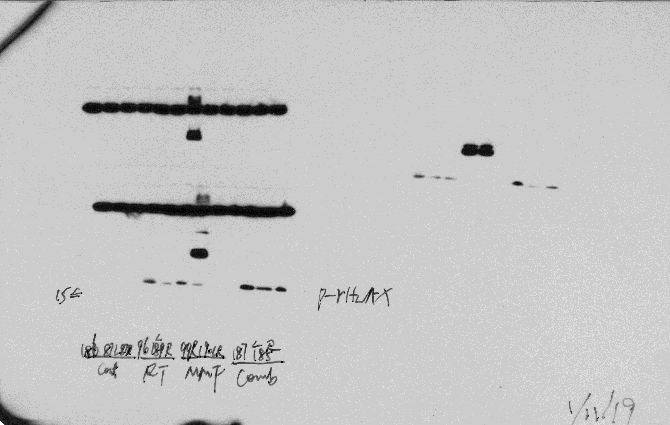
Control
RT
MMF
MMF+RT
15 KD
U87 MG
r-H2AX
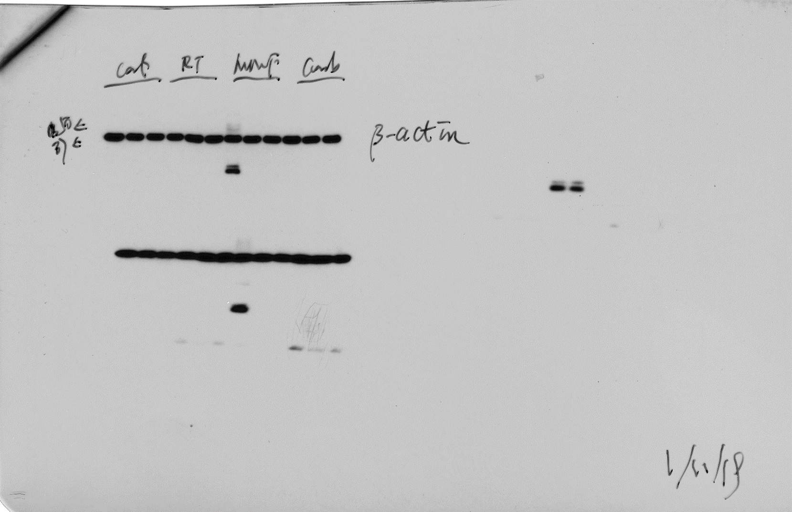
Control
RT
MMF
MMF+RT
U87 MG
50 KD
37 KD
β-Actin

Fig S6D

 |  | Days | Control |  |  |  |  |  |  |  |  |  |  |  | MMF |  |  |  |  |  |  |  |  |  | RT |  |  |  |  |  |  |  |  |  | MMF+RT
 |  | 1 | 100 | 100 | 100 | 100 | 100 | 100 | 100 | 100 | 100 | 100 |  |  | 100 | 100 | 100 | 100 | 100 | 100 | 100 | 100 | 100 | 100 | 100 | 100 | 100 | 100 | 100 | 100 | 100 | 100 | 100 | 100 | 100 | 100 | 100 | 100 | 100 | 100 | 100 | 100 | 100 | 100
 |  | 2
 |  | 3
 |  | 4 | 132.8572 | 151.5517 | 235.9183 | 181.0339 | 366.9817 | 155.1401 | 178.5306 | 159.8262 | 293.492 | 209.8286 |  |  | 320.7272 | 119.5515 | 218.4921 | 124.1339 | 163.8154 | 165.7397 | 172.1939 | 117.6 | 110.8604 | 138.0423 | 156.9866 | 140.7542 | 174.2921 | 170.8221 | 107.0502 | 154.1023 | 199.6297 | 168.3877 | 152.8782 | 179.0365 | 117.3611 | 133.448 | 208.166 | 129.0323 | 174.825 | 120.1367 | 134.0388 | 105.8823 | 142.3697 | 167.9709
 |  | 5
 |  | 6
 |  | 7 | 209.7168 | 235.6397 | 471.4668 | 391.1156 | 438.0031 | 214.8497 | 318.4898 | 208.7648 | 537.7778 | 275.0476 |  |  | 269.2799 | 175.578 | 470.9926 | 197.6033 | 147.0359 | 217.9934 | 214.5773 | 180.4799 | 149.5785 | 167.8423 | 127.3413 | 214.07 | 190.6595 | 208.1633 | 167.6154 | 318.1465 | 159.2889 | 159.7826 | 188.7386 | 223.4348 | 87.49797 | 180 | 236.3922 | 141.1879 | 176.6598 | 147.3469 | 200.6744 | 147.5765 | 147.3217 | 184.349
 |  | 8
 |  | 9 | 283.0663 | 323.8419 | 716.8499 | 626.5227 | 497.245 | 290.6883 | 382.5 | 334.0937 | 738.2937 | 429.0179 |  |  | 508.8435 | 200.593 | 584.1983 | 256.5282 | 209.4017 | 282.0671 | 304.4572 | 192.0799 | 210.8663 | 230.7605 | 150.528 | 199.6433 | 233.5579 | 207.7628 | 213.9143 | 342.7643 | 523.5141 | 138.8728 |  |  | 112.7576 | 173.1901 | 207.5686 | 123.7119 | 230.6613 | 121.6653 | 165.9259 | 135.6935 | 174.3836 | 205.4863
 |  | 10
 |  | 11 | 318.4172 | 287.1795 | 938.9549 | 845.9451 | 631.2791 | 322.5504 | 620.0399 | 412.7852 | 857.1429 | 637.5984 |  |  | 576.1708 | 287.7686 | 742.6815 | 366.8898 | 273.6462 | 360.2493 | 394.6794 | 269.1734 | 291.8139 | 284.338 | 199.2 | 171.4328 | 317.3389 | 233.6999 | 265.1341 | 293.9429 | 423.3033 | 169.8422 |  |  | 113.2568 | 204.605 | 260.4167 | 163.3065 | 206.0035 | 126.025 | 218.4 | 174.1106 | 145.8816 | 178.805

Fig S6E

 | Days | Control | RT | MMF | MMF+RT
 | 11 | 1
 | 9 | 1
 | 7 | 1
 | 7 | 1
 | 4 | 1
 | 11 | 1
 | 7 | 1
 | 9 | 1
 | 7 | 1
 | 9 | 1
 | 11 |  | 0
 | 11 |  | 0
 | 11 |  | 1
 | 11 |  | 0
 | 11 |  | 0
 | 7 |  | 1
 | 9 |  | 1
 | 11 |  | 0
 | 7 |  | 0
 | 7 |  | 0
 | 4 |  |  | 1
 | 11 |  |  | 0
 | 7 |  |  | 1
 | 11 |  |  | 1
 | 11 |  |  | 0
 | 11 |  |  | 1
 | 9 |  |  | 1
 | 11 |  |  | 0
 | 11 |  |  | 0
 | 11 |  |  | 0
 | 11 |  |  |  | 0
 | 11 |  |  |  | 0
 | 11 |  |  |  | 0
 | 11 |  |  |  | 0
 | 11 |  |  |  | 0
 | 11 |  |  |  | 0
 | 11 |  |  |  | 0
 | 11 |  |  |  | 0
 | 11 |  |  |  | 0
 | 11 |  |  |  | 0

Fig S6F

 | Days | Control |  |  |  |  | RT |  |  |  |  | MMF |  |  |  |  | MMF+RT
 | 1 | 16.4 | 18.6 | 18.1 | 16.1 | 18 | 18.4 | 18.9 | 19.3 | 19.8 | 19.5 | 18.1 | 18.3 | 19.6 | 19.7 | 19.7 | 18.5 | 18.5 | 18.7 | 20.3 | 17.7
 | 2
 | 3
 | 4
 | 5 | 16.1 | 19.4 | 18.5 | 16.1 | 19.2 | 18.8 | 19.4 | 19.3 | 20.6 | 19.4 | 17.8 | 19 | 20.6 | 19.6 | 19.6 | 19.5 | 19.1 | 19.3 | 20.8 | 17.8
 | 6
 | 7 | 16.7 | 19.5 | 18.8 | 16.4 | 19.3 | 18.1 | 19 | 18.4 | 19.5 | 18.9 | 17.9 | 19.2 | 20.3 | 19.8 | 19.2 | 18.4 | 18.2 | 18.5 | 20.2 | 17.2
 | 8 | 16.4 | 19.7 | 18.9 | 16.5 | 19.5 | 17.5 | 18.5 | 17.7 | 18.9 | 18 | 17.8 | 18.6 | 20 | 19.4 | 19.2 | 17.9 | 17.8 | 18 | 19.8 | 16.8
 | 9 | 16.6 | 19.7 | 18.9 | 16.3 | 19.3 | 17.9 | 18.8 | 17.6 | 19.7 | 18.8 | 18.1 | 18.7 | 19.9 | 19.4 | 19.1 |  | 18 | 18.6 | 20.1 | 17.5
 | 10
 | 11
 | 12 | 16.6 | 19.8 | 19.5 | 16.4 | 20 | 18.5 | 19.6 | 17.9 | 21.6 | 20 | 19.1 | 19.7 | 20.6 | 20.2 | 20.2 |  | 20.2 | 21.8 | 20.9 | 18.8
 | 13
 | 14 | 16.8 | 20.3 | 19.4 | 16.3 | 20.3 | 18.5 | 21 | 18.6 | 21.6 | 20 | 19.4 | 19.8 | 21.5 | 20.7 | 20.1 |  | 20.2 | 21.4 | 21.1 | 18.3
 | 15
 | 16 | 16.6 | 20.7 | 19.5 | 16.1 | 20.5 | 19 | 21.2 | 19 | 21.8 | 20.2 | 19.4 | 19.6 | 21.5 | 20.5 | 20.3 |  | 20.6 | 20.4 | 21.1 | 18.6
 | 17
 | 18
 | 19 | 15.8 | 21.3 | 20 | 16.6 | 20.1 | 19.2 | 21.2 | 19.8 | 22.2 | 20.5 | 19.2 | 19.2 | 22 | 21 | 20.1 |  | 20.8 | 20.1 | 21 | 18.5
 | 20
 | 21 | 15.3 | 21.6 | 19.9 | 16.7 | 19.7 | 19.2 | 21.3 | 20.3 | 21.8 | 21 | 19.4 | 19.9 | 22.9 | 22.5 | 20.5 |  | 20.9 | 19.8 | 20.9 | 18.5
 | 22
 | 23 | 14.6 | 21.8 | 19.9 | 16.8 | 19.1 | 19.2 | 21.4 | 20.3 | 22.3 | 21.3 | 19.5 | 19.9 | 23.3 | 22.8 | 21 |  | 20.9 | 20.5 | 21.4 | 18.9
 | 24
 | 25
 | 26 |  |  |  |  |  | 18.9 | 21.6 | 19.4 | 21.8 | 21.1 |  |  |  |  |  |  | 20.8 | 20.8 | 21.4 | 18.6
 | 27
 | 28 |  |  |  |  |  | 19.1 | 21.9 | 18.8 | 21.9 | 21 |  |  |  |  |  |  | 20.8 | 21.2 | 21.5 | 18.4
 | 29
 | 30 |  |  |  |  |  | 18.9 | 22.7 | 18.6 | 21.9 | 21.3 |  |  |  |  |  |  | 20.7 | 21 | 21.1 | 19.3

Fig S6G

 | Days | Control |  |  |  |  | RT |  |  |  |  | MMF |  |  |  |  | MMF+RT
 | 1 | 15.9 | 13.7 | 17.5 | 15.8 | 14.6 | 16.7 | 17.8 | 19.8 | 20 | 17.1 | 16.6 | 16.2 | 16 | 17.8 | 17.9 | 19.5 | 18.9 | 18.6 | 18.5 | 20.6
 | 2
 | 3 | 16.3 | 14.2 | 17.5 | 15.8 | 14.3 | 16.7 | 17.8 | 20.5 | 20 | 17.2 | 16.4 | 16 | 15.9 | 17.4 | 17.9 | 19.9 | 19 | 18.9 | 18.6 | 20.8
 | 4
 | 5 | 16.1 | 14.6 | 18 | 16.7 | 14.8 | 15.9 | 17.4 | 20.8 | 20.2 | 17 | 16.4 | 15.7 | 15.8 | 17.5 | 18.2 | 19.6 | 18.2 | 18 | 18 | 19.9
 | 6
 | 7
 | 8 | 17.1 | 14.1 | 18.5 | 17.7 | 15.8 | 16.3 | 18.1 | 20.5 | 20.5 | 17 | 16.9 | 16.3 | 16.6 | 18.8 | 18.7 | 19.6 | 19 | 18.2 | 18.2 | 19.9
 | 9
 | 10 | 17.6 | 15.8 | 18.9 | 18.1 | 16.2 | 16.3 | 18.3 | 20.3 | 20.8 | 17.1 | 16.4 | 16.7 | 17.1 | 18.5 | 18 | 18.9 | 17.8 | 17.7 | 16.8 | 18.8
 | 11
 | 12 | 17.8 | 15.2 | 19.6 | 19.2 | 16.6 | 17 | 19.1 | 20.8 | 20.8 | 17.8 | 17.3 | 17.4 | 17.7 | 19.2 |  | 19.8 | 18.8 | 18.3 | 17.7 | 19.7
 | 13
 | 14
 | 15 | 19.4 | 16.2 | 20.7 | 20.5 | 17.8 | 18 | 19.6 | 21 | 21 | 18.3 | 18.6 | 18.5 | 18.9 | 20.2 |  | 20.9 | 19.9 | 19.1 | 19 | 21.1
 | 16
 | 17 | 20.4 | 16.6 | 21.6 | 21.7 | 18.6 | 18 | 20.3 | 21.9 | 22 | 18.9 | 19.3 | 19.1 | 19.4 | 20.9 |  | 21.6 | 20.3 | 20.7 | 19.4 | 21.5
 | 18
 | 19 | 21.9 | 16.5 | 20.5 | 22.7 | 19.1 | 18.8 | 21 | 22.4 | 22.3 | 18.9 | 19.8 | 19.8 | 20.5 | 21.4 |  | 21.8 | 20.7 | 20.5 | 20.4 | 22.3
 | 20
 | 21
 | 22 | 23.5 | 16.8 | 23.8 | 24.4 | 20.4 | 19.8 | 21.9 | 22.8 | 22.8 | 19 | 21.3 | 20 | 21.7 | 22.8 |  | 22.2 | 21 | 21 | 19.6 | 22.6

Fig S6H
Ki67
 | HF2303
 | Control | RT | MMF | MMF+RT
 | 73.75556 | 31.5 | 33.25 | 17.6
 | 74.2 | 33.75 | 37 | 18.4
 | 72.33333 | 34 | 34.4 | 17.2

Ki67
 | MSP12
 | Control | RT | MMF | MMF+RT
 | 72.22222 | 28.25 | 32.75 | 17
 | 72.33333 | 26.5 | 37 | 12.8
 | 73.25 | 25 | 29.8 | 13.2

Ki67
 | U87 MG
 | Cont | RT | MMF | MMF+RT
 | 65.44117647 | 15.23529412 | 17.73529412 | 4.044117647
 | 64.70588235 | 12.5 | 15.07352941 | 4.294117647
 | 45.66176471 | 9.073529412 | 12.47058824 | 3.691176471
 | 52.35294118 | 11.17647059 | 11.29411765 | 4.220588235
 | 47.42058824 | 13.71647059 | 15.85117647 | 3.997647059

