Sheet1
Supplementary Data 3. Metabolites production parameters by SPC |  |  |  |  |  |  |  |  | Visualization Average Production Rate
Microorganism | Model | Model ID | Metabolite | Average growth rate (1/h) | Average production rate (mmol/gDW h) | Molecular weight | Yp,x | Reference |  | S. elongatus - E. coli W | S. elongatus - E. coli K-12 MG 1655 | S. elongatus - Bacillus subtilis | S. elongatus - Yarrowia lipolytica | E. coli W | E. coli W* | E. coli K-12 MG 1655 | E. coli K-12 MG 1656* | Bacillus subtilis | Bacillus subtilis* | Yarrowia lipolytica | Yarrowia lipolytica*
S. elongatus - E. coli W | Community | iCZ-Se-EcW(2157) | Butanal | 0.1 | 0.4000 | 74 | 0.00296 |  | Butanal | 0.4000 | 0.2500 | 0.0000 | 0.0000 | 0.2500 | 0.0000 | 0.4000 | 0.0084 | 0.0000 | 0.0000 | 0.0000 | 0.0100
S. elongatus - E. coli K-12 MG 1655 | Community | iCZ-Se-EcK-12(2152) | Butanal | 0.1 | 0.2500 | 74 | 0.00185 |  | Ethanol | 0.6000 | 0.4000 | 1.2000 | 0.2000 | 0.3000 | 0.4900 | 0.2000 | 0.4800 | 0.1000 | 0.0380 | 0.0000 | 0.0000
S. elongatus - Bacillus subtilis | Community | iCZ-Se-Bs(1629) | Butanal | 0 | 0.0000 | 74 | 0.00000 |  | Succinate | 0.3500 | 0.2000 | 0.5000 | 0.1000 | 0.4100 | 0.0025 | 1.5000 | 0.1530 | 0.0000 | 0.0000 | 0.2500 | 0.1060
S. elongatus - Yarrowia lipolytica | Community | iCZ-Se-Yl(1686) | Butanal | 0 | 0.0000 | 74 | 0.00000
S. elongatus - E. coli W | Community | iCZ-Se-EcW(2157) | Ethanol | 0.95 | 0.6000 | 46 | 0.02622
S. elongatus - E. coli K-12 MG 1655 | Community | iCZ-Se-EcK-12(2152) | Ethanol | 0.1 | 0.4000 | 46 | 0.00184 |  | Experimental and predicted productivities. Asteriscs indicate experimental data obtained for engineered strains under monoculture conditions.
S. elongatus - Bacillus subtilis | Community | iCZ-Se-Bs(1629) | Ethanol | 0.13 | 1.2000 | 46 | 0.00718
S. elongatus - Yarrowia lipolytica | Community | iCZ-Se-Yl(1686) | Ethanol | 0.95 | 0.2000 | 46 | 0.00874
S. elongatus - E. coli W | Community | iCZ-Se-EcW(2157) | Formaldehyde | 0.11 | 0.5000 | 30 | 0.00165
S. elongatus - E. coli K-12 MG 1655 | Community | iCZ-Se-EcK-12(2152) | Formaldehyde | 0.11 | 0.5000 | 30 | 0.00165
S. elongatus - Bacillus subtilis | Community | iCZ-Se-Bs(1629) | Formaldehyde | 0 | 0.0000 | 30 | 0.00000
S. elongatus - Yarrowia lipolytica | Community | iCZ-Se-Yl(1686) | Formaldehyde | 0 | 0.0000 | 30 | 0.00000
S. elongatus - E. coli W | Community | iCZ-Se-EcW(2157) | Succinate | 0.1 | 0.3500 | 118 | 0.00413
S. elongatus - E. coli K-12 MG 1655 | Community | iCZ-Se-EcK-12(2152) | Succinate | 0.1 | 0.2000 | 118 | 0.00236
S. elongatus - Bacillus subtilis | Community | iCZ-Se-Bs(1629) | Succinate | 0.14 | 0.5000 | 118 | 0.00826
S. elongatus - Yarrowia lipolytica | Community | iCZ-Se-Yl(1686) | Succinate | 0.98 | 0.1000 | 118 | 0.01156
E. coli W | Monoculture | iECW1372 | Butanal | 0.01 | 0.2500 | 74 | 0.00019
E. coli W* | Monoculture | Engineered strain | Butanal |  | 0.0000 | 74 | 0.00000 | No data
E. coli K-12 MG 1655 | Monoculture | iML1515 | Butanal | 0.09 | 0.4000 | 74 | 0.00266
E. coli K-12 MG 1656* | Monoculture | Engineered strain | Butanal | 0.11 | 0.0084 | 74 | 0.00007 | Dellomonaco et al., 2011
Bacillus subtilis | Monoculture | iYO844 | Butanal | 0 | 0.0000 | 74 | 0.00000
Bacillus subtilis* | Monoculture | Engineered strain | Butanal | 0 | 0.0000 | 74 | 0.00000 | No data
Yarrowia lipolytica | Monoculture | iYali4 | Butanal | 0 | 0.0000 | 74 | 0.00000
Yarrowia lipolytica* | Monoculture | Engineered strain | Butanal | 0.16 | 0.0100 | 74 | 0.00012 | Yu et al., 2018
E. coli W | Monoculture | iECW1372 | Ethanol | 0.1 | 0.3000 | 46 | 0.00138
E. coli W* | Monoculture | Engineered strain | Ethanol | 0.37 | 0.4900 | 46 | 0.00834 | Monk et al., 2016
E. coli K-12 MG 1655 | Monoculture | iML1515 | Ethanol | 0.08 | 0.2000 | 46 | 0.00074
E. coli K-12 MG 1656* | Monoculture | Engineered strain | Ethanol | 0.5 | 0.4800 | 46 | 0.96000 | Hildebrand et al., 2013 | Example Calculations |  | Ethanol | Butanal | Butanal | B10NUMB3R5 (https://bionumbers.hms.harvard.edu/search.aspx?trm=dry+weight+to+wet+weight) |  | 0.22941176471
Bacillus subtilis* | Monoculture | iYO844 | Ethanol | 0.1 | 0.1000 | 46 | 0.00046 |  |  | Units | wet weight | wet weight | wet weight | dry weight |  | 0.0045882352941
Bacillus subtilis | Monoculture | Engineered strain | Ethanol | 0.16 | 0.0380 | 46 | 0.00028 | Romero et al., 2007 | Time | h | 24 | 36 | 24
Yarrowia lipolytica | Monoculture | iYali4 | Ethanol | 0 | 0.0000 | 46 | 0.00000 |  | Final Biomass | g/L | 0.4 | 1.4 | 1 | 0.091764705882 | 0.32117647059
Yarrowia lipolytica* | Monoculture | Engineered strain | Ethanol | 0 | 0.0000 | 46 | 0.00000 | No data | Initial Biomass | g/L | 0.02 | 0.02 | 0.02 | 0.0045882352941 | 0.0045882352941
E. coli W* | Monoculture | iECW1372 | Succinate | 0.025 | 0.4100 | 118 | 0.00121 |  | Growth rate | u | 0.12482217806 | 0.11801375672 | 0.16300095856
E. coli W | Monoculture | Engineered strain | Succinate | 0.43 | 0.0025 | 118 | 0.00013 | Chan et al., 2012
E. coli K-12 MG 1655 | Monoculture | iML1515 | Succinate | 0.09 | 1.5000 | 118 | 0.01593
E. coli K-12 MG 1656* | Monoculture | Engineered strain | Succinate | 0.47 | 0.1530 | 118 | 0.00849 | Mienda et al., 2018
Bacillus subtilis | Monoculture | iYO844 | Succinate | 0 | 0.0000 | 118 | 0.00000 |  | Final product | g/L | 0.5 | 13 | 0.00008
Bacillus subtilis* | Monoculture | Engineered strain | Succinate | 0 | 0.0000 | 118 | 0.00000 | No data | Initial product | g/L | 0.01 | 0.01 | 0.000001
Yarrowia lipolytica | Monoculture | iYali4 | Succinate | 0.04 | 0.2500 | 118 | 0.00118
Yarrowia lipolytica* | Monoculture | Engineered strain | Succinate | 0.092 | 0.1060 | 118 | 0.00115 | Cui et al., 2017 |  | g/Lh | 0.16300095856 | 0.19916998732 | 0.18258444311
Formaldehyde was not produced by any of the strains under monoculture conditions |  |  |  |  |  |  |  |  |  | mmol/L/h | 0.0035434990991 | 0.0026914863151 | 0.0024673573393
Color code of the yield is given by metabolite considering all yields under monoculture and coculture |  |  |  |  |  |  |  |  |  | mmol/g/h | 0.038615054285 | 0.0083800855965 | 0.010755147377

Phase planes of metabolite production by all SPCs
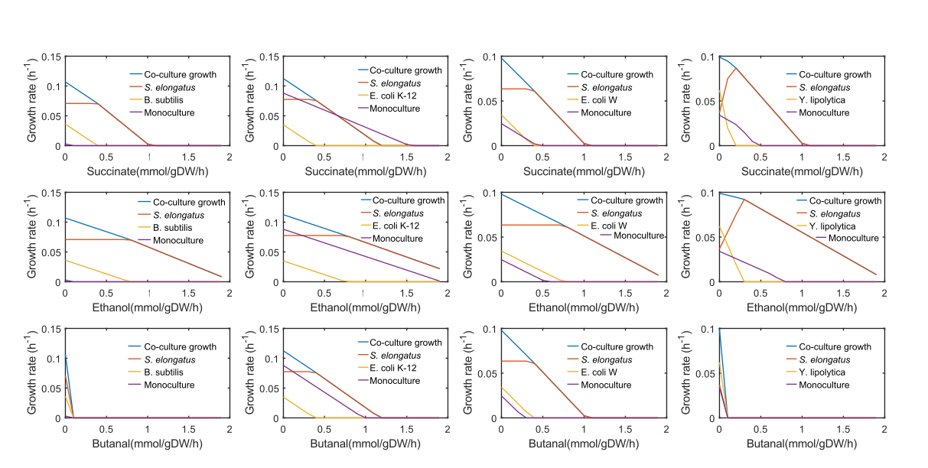

References
Mienda, B. S., Saidu Jibril, U. A., Muhammad, A., Salihu, R., & Adamu, A. (2018) Enhanced Succinic Acid Production in Escherichia coli by Model-Guided Metabolic Gene Knockout of pflA Using Glucose Carbon Source.
Chan, S., Kanchanatawee, S., & Jantama, K. (2012). Production of succinic acid from sucrose and sugarcane molasses by metabolically engineered Escherichia coli. Bioresource technology, 103(1), 329-336.
Cui, Z., Gao, C., Li, J., Hou, J., Lin, C. S. K., & Qi, Q. (2017). Engineering of unconventional yeast Yarrowia lipolytica for efficient succinic acid production from glycerol at low pH. Metabolic engineering, 42, 126-133.
Hildebrand, A., Schlacta, T., Warmack, R., Kasuga, T., & Fan, Z. (2013). Engineering Escherichia coli for improved ethanol production from gluconate. Journal of biotechnology, 168(1), 101-106.
Monk, J. M., Koza, A., Campodonico, M. A., Machado, D., Seoane, J. M., Palsson, B. O., ... & Feist, A. M. (2016). Multi-omics quantification of species variation of Escherichia coli links molecular features with strain phenotypes. Cell systems, 3(3), 238-251.
Romero, S., Merino, E., Bolívar, F., Gosset, G., & Martinez, A. (2007). Metabolic engineering of Bacillus subtilis for ethanol production: lactate dehydrogenase plays a key role in fermentative metabolism. Appl. Environ. Microbiol., 73(16), 5190-5198.
Dellomonaco, C., Clomburg, J. M., Miller, E. N., & Gonzalez, R. (2011). Engineered reversal of the β-oxidation cycle for the synthesis of fuels and chemicals. Nature, 476(7360), 355-359.

