figure2
Figure 2b
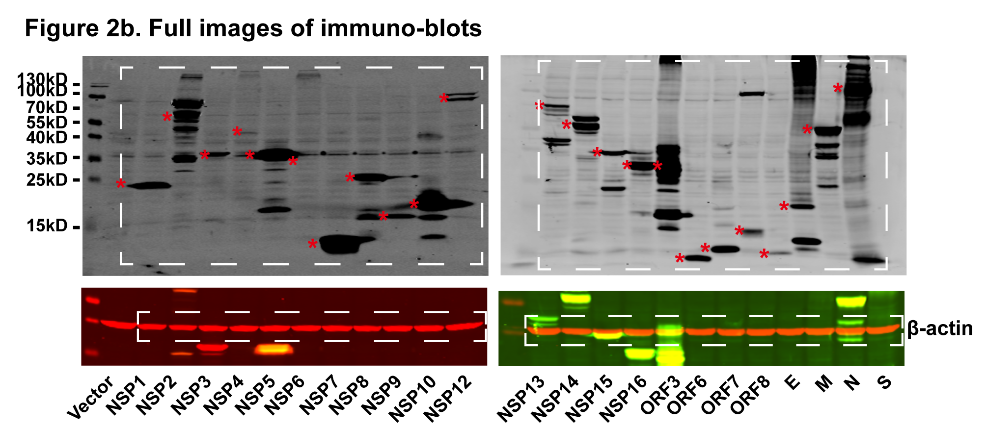

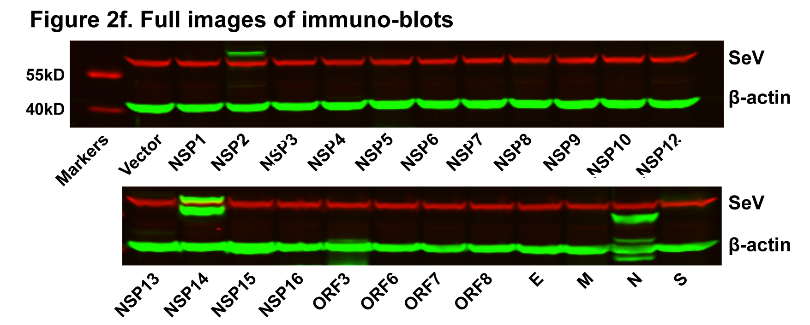
Figure 2c |  |  |  | Figure 2f
SEV
 | Luc/Ren_#1 | Luc/Ren_#2 | Luc/Ren_#3
Vector | 431.31 | 424.25 | 510.74
NSP1 | 19.80 | 19.36 | 10.40
NSP2 | 1182.72 | 996.25 | 717.82
NSP3 | 309.45 | 267.95 | 252.54
NSP4 | 724.03 | 561.41 | 541.55
NSP5 | 474.84 | 538.26 | 542.76
NSP6 | 499.50 | 521.62 | 454.04
NSP7 | 771.52 | 878.19 | 455.02
NSP8 | 466.49 | 451.95 | 551.17
NSP9 | 507.22 | 614.76 | 586.61
NSP10 | 367.74 | 312.33 | 711.95
NSP12 | 211.97 | 181.91 | 179.73
NSP13 | 83.19 | 85.17 | 83.20
NSP14 | 278.25 | 326.80 | 295.69
NSP15 | 786.76 | 402.06 | 416.05
NSP16 | 456.10 | 447.02 | 462.29
ORF3 | 234.88 | 222.91 | 247.48
ORF6 | 150.95 | 168.89 | 172.45
ORF7 | 311.97 | 653.37 | 701.03
ORF8 | 370.76 | 378.56 | 394.40
E | 315.42 | 554.53 | 578.71
M | 159.80 | 159.90 | 166.67
N | 349.37 | 309.29 | 337.63
S | 635.79 | 657.46 | 773.52

Figure 2d |  |  |  | Figure 2g
MDA5
 | Luc/Ren_#1 | Luc/Ren_#2 | Luc/Ren_#3
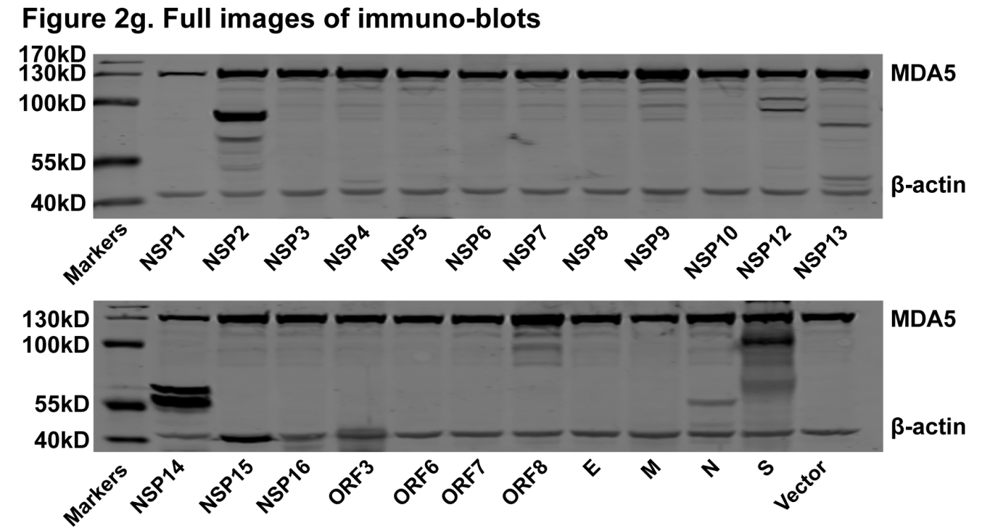
Vector | 303.10 | 279.40 | 288.87
NSP1 | 8.82 | 6.54 | 11.14
NSP2 | 464.12 | 487.04 | 480.18
NSP3 | 302.48 | 297.34 | 302.63
NSP4 | 658.43 | 685.51 | 714.68
NSP5 | 293.91 | 301.07 | 316.77
NSP6 | 499.12 | 339.34 | 374.95
NSP7 | 338.64 | 349.67 | 463.71
NSP8 | 305.77 | 303.47 | 306.21
NSP9 | 213.44 | 458.44 | 453.28
NSP10 | 322.62 | 279.09 | 270.32
NSP12 | 80.66 | 85.20 | 91.55
NSP13 | 286.89 | 260.35 | 310.61
NSP14 | 283.65 | 320.87 | 371.57
NSP15 | 330.62 | 524.90 | 286.24
NSP16 | 246.47 | 231.39 | 347.48
ORF3 | 370.40 | 263.77 | 264.69
ORF6 | 43.00 | 37.60 | 39.60
ORF7 | 232.57 | 220.24 | 516.03
ORF8 | 231.33 | 187.18 | 232.23
E | 406.30 | 227.29 | 212.11
M | 75.87 | 85.13 | 78.53
N | 511.93 | 458.57 | 493.45
S | 487.67 | 288.62 | 253.98

Figure 2e |  |  |  | Figure 2h
RIG-IN
 | Luc/Ren_#1 | Luc/Ren_#2 | Luc/Ren_#3
Vector | 349.80 | 375.27 | 352.60
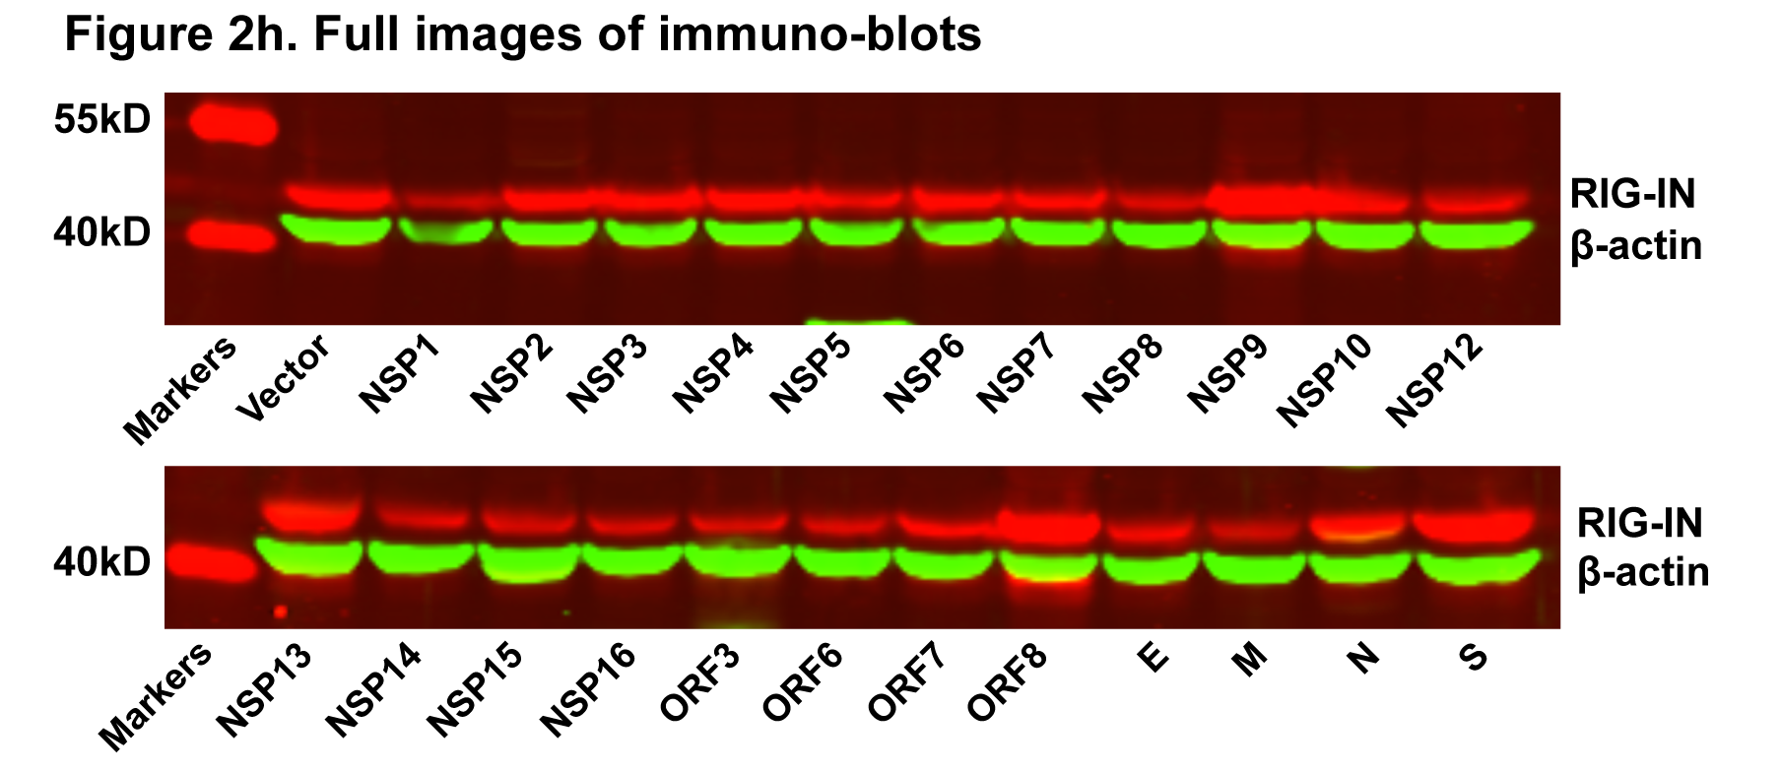
NSP1 | 16.30 | 18.50 | 11.50
NSP2 | 475.79 | 386.70 | 396.60
NSP3 | 168.90 | 180.40 | 179.30
NSP4 | 782.10 | 816.20 | 725.50
NSP5 | 346.10 | 446.80 | 353.60
NSP6 | 602.00 | 447.70 | 420.20
NSP7 | 301.10 | 302.90 | 191.40
NSP8 | 281.20 | 284.80 | 235.20
NSP9 | 299.40 | 293.30 | 417.60
NSP10 | 194.20 | 373.10 | 197.90
NSP12 | 132.80 | 136.30 | 160.40
NSP13 | 269.40 | 309.90 | 302.10
NSP14 | 123.70 | 120.50 | 128.30
NSP15 | 400.80 | 409.30 | 216.70
NSP16 | 301.80 | 307.40 | 204.10
ORF3 | 65.00 | 75.50 | 66.20
ORF6 | 21.50 | 24.80 | 89.80
ORF7 | 277.40 | 253.30 | 184.30
ORF8 | 274.50 | 283.80 | 357.90
E | 142.10 | 165.30 | 278.00
M | 182.70 | 147.40 | 151.40
N | 663.90 | 698.40 | 616.10
S | 730.70 | 652.40 | 1054.60

figure3
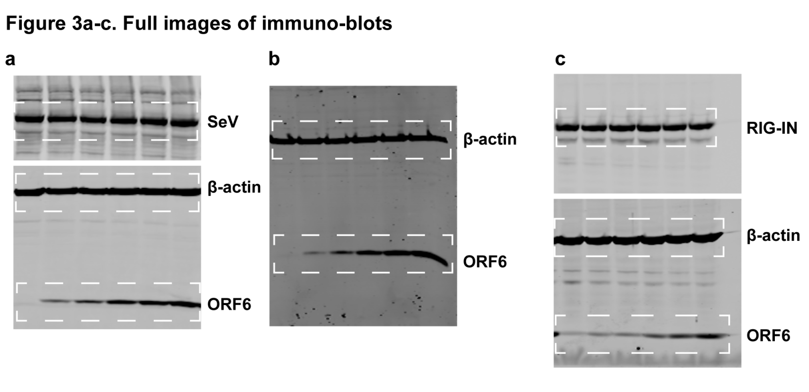
Figure 3a |  |  |  |  | Figure 3a-c
SeV | ORF6(ng/well) | Luc/Ren_#1 | Luc/Ren_#2 | Luc/Ren_#3
 | 0 | 232.89 | 228.85 | 233.89
 | 25 | 155.93 | 165.20 | 166.81
 | 50 | 111.37 | 115.52 | 114.59
 | 100 | 74.26 | 85.15 | 83.02
 | 200 | 49.15 | 47.90 | 54.78
 | 400 | 32.10 | 36.15 | 36.20

Figure 3b
Poly(I:C)-HMW | ORF6(ng/well) | Luc/Ren_#1 | Luc/Ren_#2 | Luc/Ren_#3
 | 0 | 12.64 | 9.30 | 11.03
 | 25 | 6.48 | 7.93 | 8.45
 | 50 | 5.81 | 5.82 | 6.23
 | 100 | 4.20 | 4.06 | 4.65
 | 200 | 2.74 | 2.77 | 2.97
 | 400 | 2.36 | 2.37 | 2.57
Figure 3c
RIG-IN | ORF6(ng/well) | Luc/Ren_#1 | Luc/Ren_#2 | Luc/Ren_#3
 | 0 | 52.25 | 49.82 | 59.23
 | 25 | 32.78 | 32.19 | 34.63
 | 50 | 19.95 | 18.06 | 22.82
 | 100 | 12.04 | 13.23 | 14.84
 | 200 | 9.23 | 9.88 | 9.13
 | 400 | 9.45 | 9.99 | 9.14

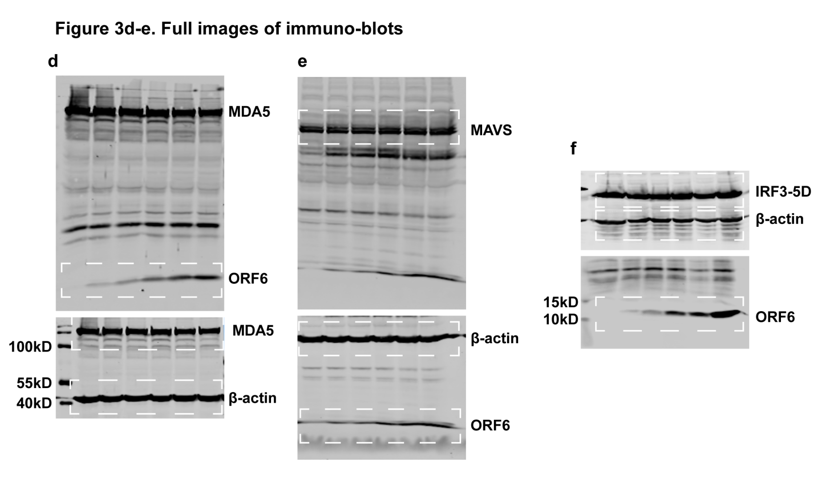
Figure 3d |  |  |  |  | Figure 3d-f
MDA5 | ORF6(ng/well) | Luc/Ren_#1 | Luc/Ren_#2 | Luc/Ren_#3
 | 0 | 77.69 | 75.24 | 87.75
 | 25 | 54.12 | 47.62 | 54.43
 | 50 | 47.29 | 40.61 | 51.71
 | 100 | 37.17 | 30.74 | 36.84
 | 200 | 23.46 | 18.39 | 23.20
 | 400 | 18.04 | 16.06 | 12.21

Figure 3e
MAVS | ORF6(ng/well) | Luc/Ren_#1 | Luc/Ren_#2 | Luc/Ren_#3
 | 0 | 846.32 | 902.98 | 883.49
 | 25 | 679.22 | 634.71 | 603.77
 | 50 | 661.88 | 526.96 | 416.19
 | 100 | 518.50 | 451.52 | 387.95
 | 200 | 340.08 | 293.63 | 274.29
 | 400 | 230.05 | 135.88 | 132.55

Figure 3f
IRFS-5D | ORF6(ng/well) | Luc/Ren_#1 | Luc/Ren_#2 | Luc/Ren_#3
 | 0 | 43.36 | 41.46 | 42.96
 | 25 | 33.95 | 32.42 | 34.23
 | 50 | 31.80 | 30.49 | 31.09
 | 100 | 22.30 | 20.51 | 18.85
 | 200 | 17.33 | 18.46 | 17.77
 | 400 | 14.22 | 13.98 | 14.88

Figure 3g |  | Luc/Ren_#1 | Luc/Ren_#2 | Luc/Ren_#3
MAVS | Vector | 558.65 | 641.04 | 568.10
 | SARS-CoV-2 ORF6 | 107.73 | 112.82 | 104.24
 | SARS-CoV ORF6 | 94.16 | 85.13 | 72.84

Figure 3h |  | Luc/Ren_#1 | Luc/Ren_#2 | Luc/Ren_#3
IRF3-5D | Vector | 59.10 | 62.68 | 51.95
 | SARS-CoV-2 ORF6 | 4.62 | 4.49 | 4.31
 | SARS-CoV ORF6 | 9.81 | 7.93 | 8.53

figure4
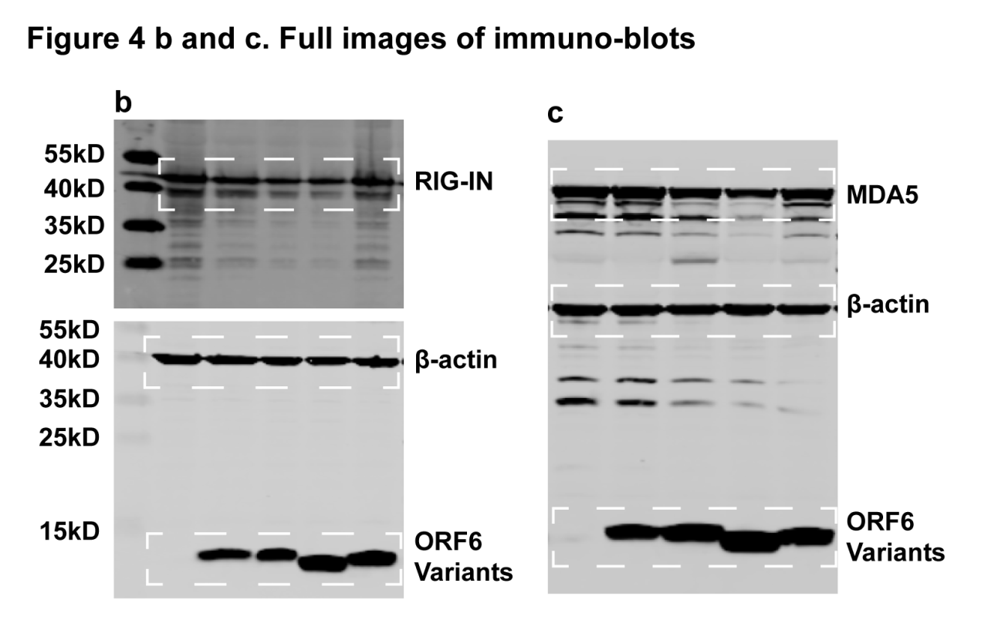
Figure 4b |  |  |  |  | Figure 4b and c
 |  | Luc/Ren_#1 | Luc/Ren_#2 | Luc/Ren_#3
RIG-IN | Vector | 27.53 | 29.68 | 26.77
 | ORF6 | 0.34 | 0.38 | 0.43
 | ORF6-M1 | 0.13 | 0.15 | 0.15
 | ORF6-M2 | 4.21 | 5.04 | 4.64
 | ORF6-M3 | 18.78 | 19.18 | 17.19

Figure 4c
 |  | Luc/Ren_#1 | Luc/Ren_#2 | Luc/Ren_#3
MDA5 | Vector | 48.68 | 47.05 | 44.50
 | ORF6 | 9.43 | 9.52 | 9.84
 | ORF6-M1 | 9.68 | 8.18 | 7.35
 | ORF6-M2 | 39.44 | 39.73 | 35.70
 | ORF6-M3 | 50.49 | 56.83 | 50.20

Figure 4d |  |  |  |  | Figure 4d and e
 |  | Luc/Ren_#1 | Luc/Ren_#2 | Luc/Ren_#3
MAVS | Vector | 470.22 | 494.01 | 444.21
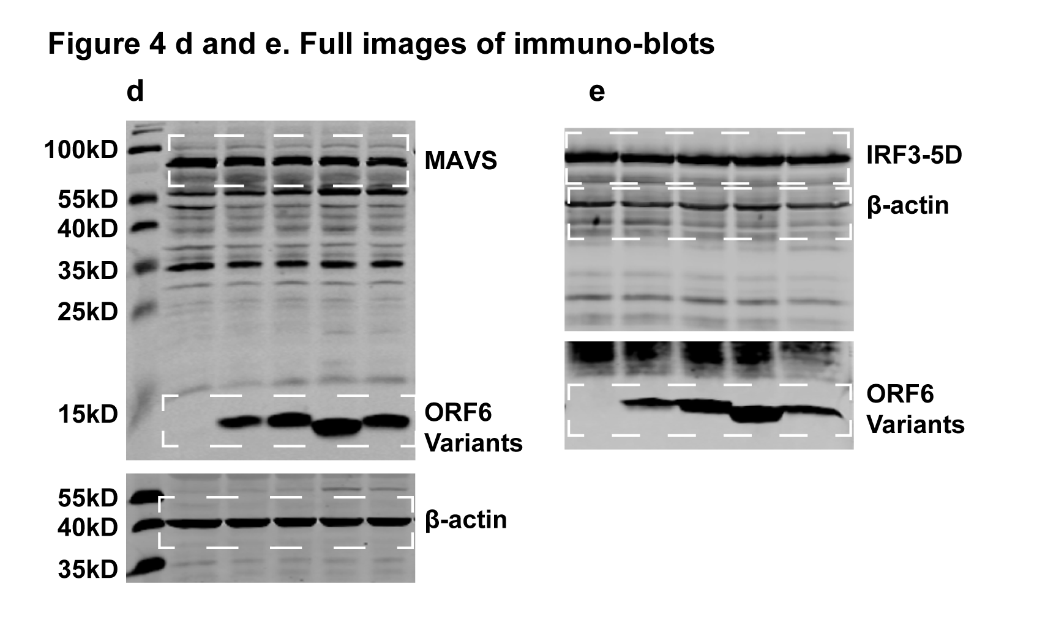
 | ORF6 | 235.31 | 226.45 | 203.58
 | ORF6-M1 | 201.47 | 201.95 | 170.04
 | ORF6-M2 | 372.36 | 385.18 | 347.09
 | ORF6-M3 | 488.47 | 541.86 | 468.69

Figure 4e
 |  | Luc/Ren_#1 | Luc/Ren_#2 | Luc/Ren_#3
IRF3-5D | Vector | 47.91 | 50.30 | 42.62
 | ORF6 | 13.13 | 14.38 | 11.52
 | ORF6-M1 | 9.87 | 9.44 | 8.03
 | ORF6-M2 | 112.48 | 105.80 | 89.92
 | ORF6-M3 | 53.49 | 46.62 | 38.82

figure5
Figure 5a
 | SARS-CoV-2 cds | Luc/Ren_#1 | Luc/Ren_#2 | Luc/Ren_#3
ISRE-Luc | Vector | 24.43 | 26.73 | 26.83
 | NSP1 | 1.69 | 2.03 | 1.83
 | NSP2 | 27.76 | 33.01 | 29.54
 | NSP3 | 18.60 | 20.45 | 16.94
 | NSP4 | 17.16 | 22.13 | 22.19
 | NSP5 | 17.42 | 24.65 | 23.69
 | NSP6 | 35.57 | 45.50 | 42.86
 | NSP7 | 24.83 | 28.33 | 27.58
 | NSP8 | 21.35 | 28.44 | 25.23
 | NSP9 | 30.51 | 38.27 | 36.64
 | NSP10 | 21.62 | 26.33 | 23.05
 | NSP12 | 33.36 | 37.17 | 33.42
 | NSP13 | 13.16 | 15.41 | 14.24
 | NSP14 | 8.54 | 8.89 | 6.49
 | NSP15 | 23.78 | 29.66 | 30.70
 | NSP16 | 27.32 | 30.05 | 28.49
 | ORF3 | 22.50 | 27.15 | 24.55
 | ORF6 | 12.19 | 13.52 | 11.47
 | ORF7 | 32.13 | 29.87 | 21.38
 | ORF8 | 13.87 | 14.06 | 15.72
 | E | 37.23 | 37.15 | 37.47
 | M | 27.97 | 31.80 | 21.89
 | N | 10.61 | 11.44 | 12.80
 | S | 17.99 | 20.60 | 21.43

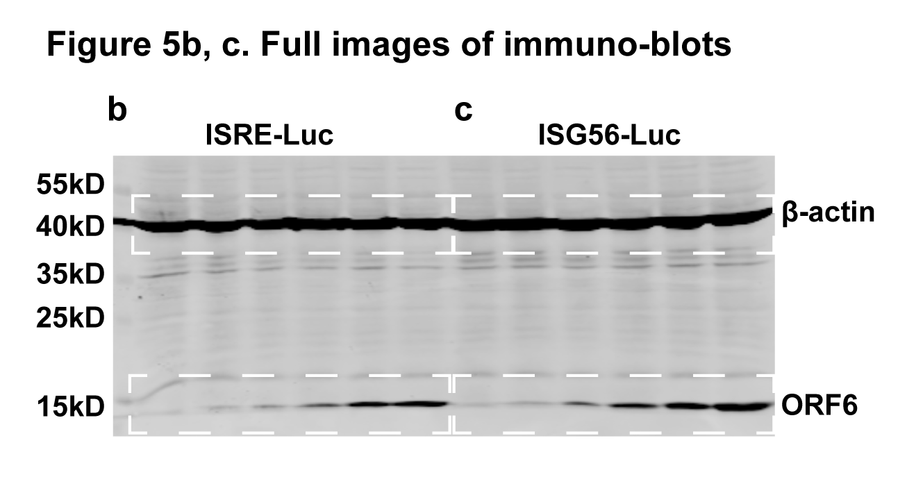
Figure 5b |  |  |  |  | Figure 5b, c
 | ORF6(ng/well) | Luc/Ren_#1 | Luc/Ren_#2 | Luc/Ren_#3
ISRE-Luc | 0 | 35.04 | 30.21 | 32.73
 | 25 | 29.47 | 25.69 | 28.06
 | 50 | 23.47 | 20.92 | 20.93
 | 100 | 17.09 | 15.42 | 13.88
 | 200 | 12.53 | 10.37 | 11.72
 | 400 | 7.97 | 8.24 | 8.79

Figure 5c
 | ORF6(ng/well) | Luc/Ren_#1 | Luc/Ren_#2 | Luc/Ren_#3
ISRE-Luc | 0 | 284.14 | 273.59 | 299.18
 | 25 | 228.10 | 213.98 | 233.50
 | 50 | 194.94 | 194.41 | 202.98
 | 100 | 150.78 | 144.46 | 147.66
 | 200 | 120.64 | 124.72 | 107.66
 | 400 | 90.13 | 88.88 | 79.82

Figure 5d
ISRE-Luc |  | Luc/Ren_#1 | Luc/Ren_#2 | Luc/Ren_#3
Vector |  | 36.58 | 32.13 | 36.93
SARS-CoV-2 ORF6 |  | 1.34 | 1.50 | 1.54
SARS-CoV ORF6 |  | 4.23 | 3.40 | 4.35

Figure 5e
ISG56-Luc |  | Luc/Ren_#1 | Luc/Ren_#2 | Luc/Ren_#3
Vector |  | 342.05 | 336.98 | 291.43
SARS-CoV-2 ORF6 |  | 80.24 | 83.58 | 79.33
SARS-CoV ORF6 |  | 76.96 | 76.32 | 69.92

figure6
Figure 6a

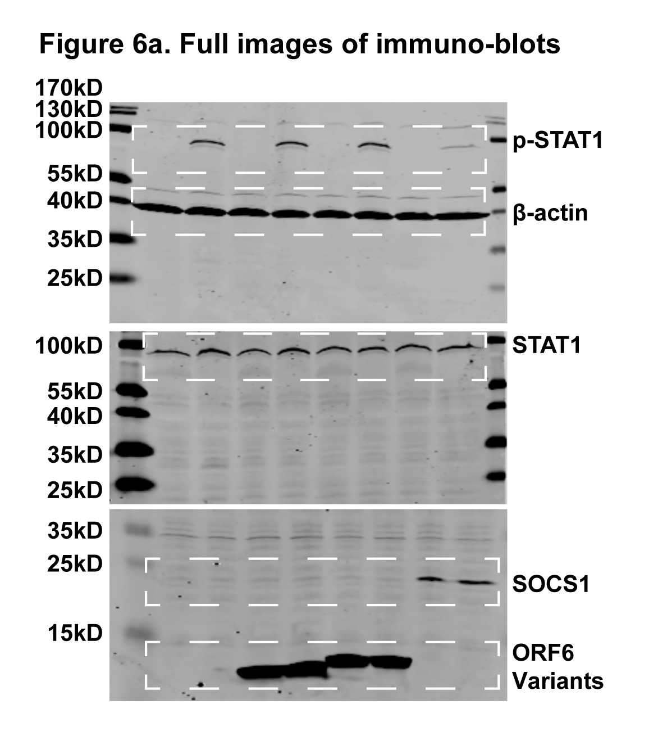

Figure 6c
 | Nuclear STAT1 (%) _#1 | Nuclear STAT1 (%) _#2 | Nuclear STAT1 (%) _#3
Vector | 37.50 | 23.02 | 21.21
SARS-CoV-2 ORF6 | 4.35 | 2.78 | 5.77
SARS-CoV ORF6 | 0.00 | 5.56 | 2.78

figure7
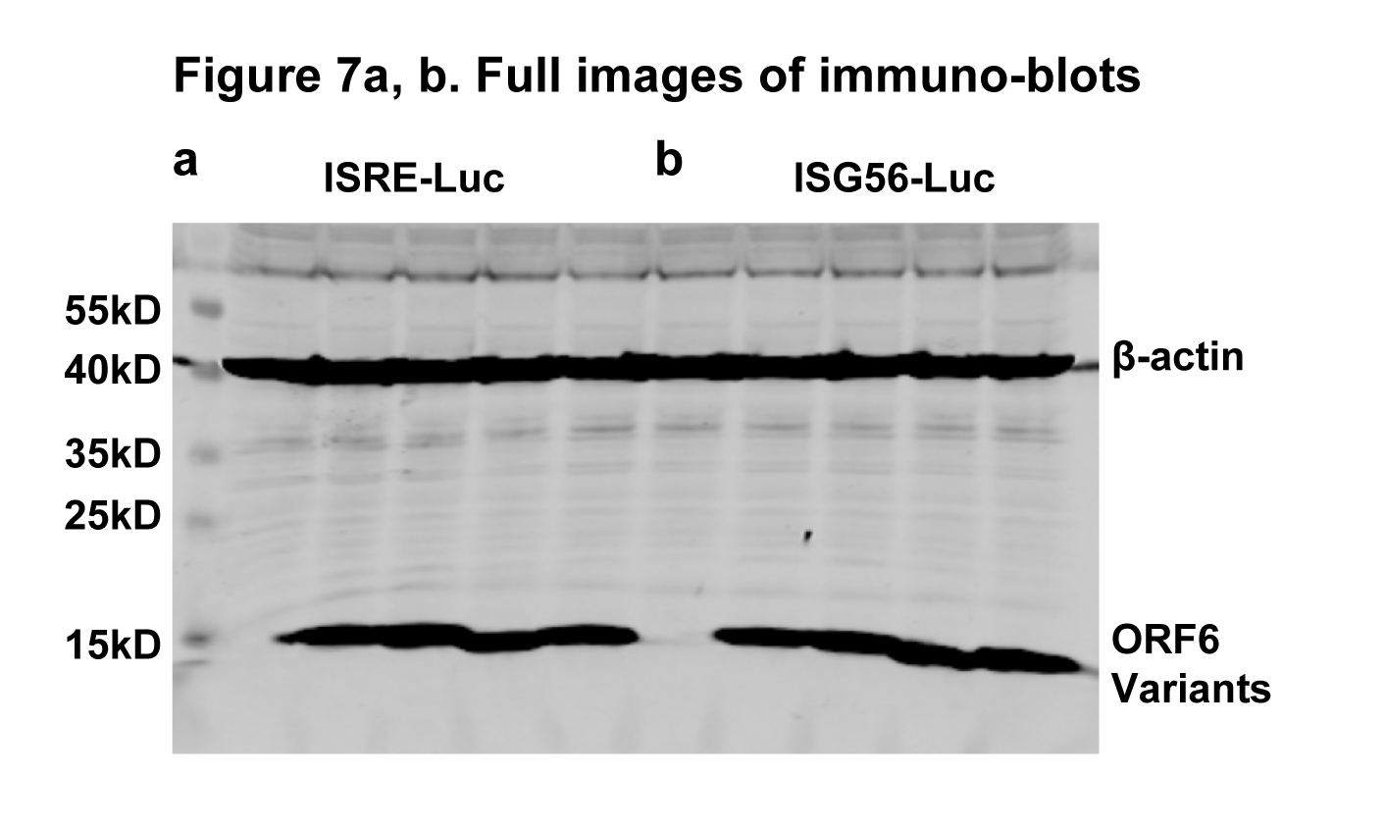
Figure 7a
ISRE-Luc
 |  | Luc/Ren_#1 | Luc/Ren_#2 | Luc/Ren_#3
 | Vector | 49.10 | 35.30 | 43.95
 | ORF6 | 19.80 | 18.29 | 20.01
 | ORF6-M1 | 18.39 | 17.25 | 18.20
 | ORF6-M2 | 51.72 | 55.26 | 42.52
 | ORF6-M3 | 48.50 | 55.04 | 56.58

Figure 7b
ISG56-Luc |  | Luc/Ren_#1 | Luc/Ren_#2 | Luc/Ren_#3
 | Vector | 154.78 | 166.65 | 163.46
 | ORF6 | 40.35 | 41.29 | 40.43
 | ORF6-M1 | 41.31 | 42.77 | 48.26
 | ORF6-M2 | 93.07 | 110.56 | 105.85
 | ORF6-M3 | 134.62 | 159.42 | 159.10

Supplementary figure 3
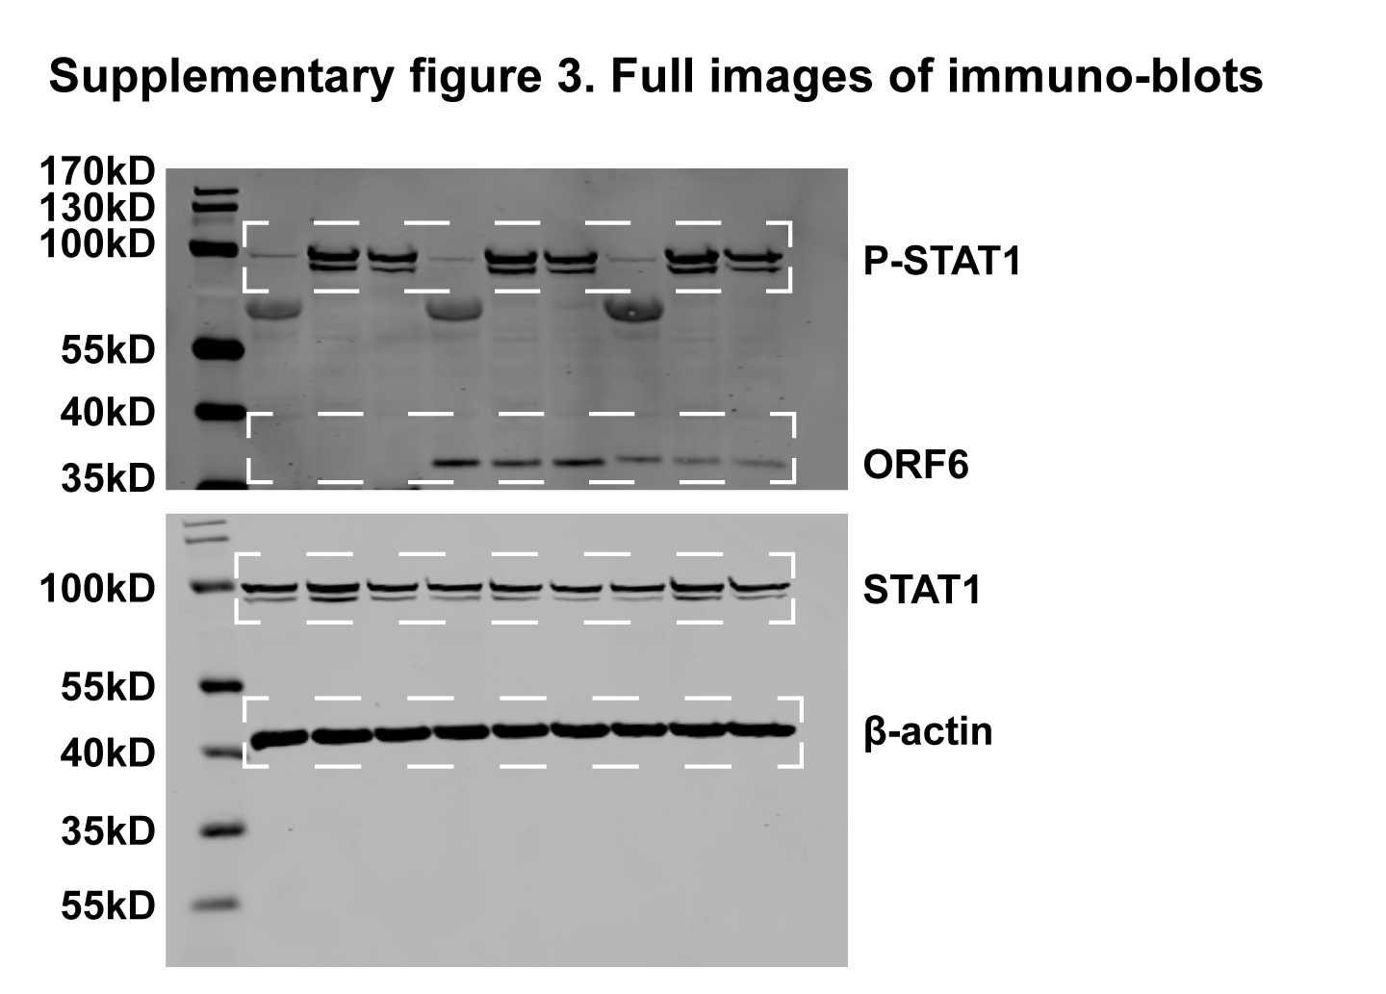
Supplementary figure 3

Supplementary figure 4
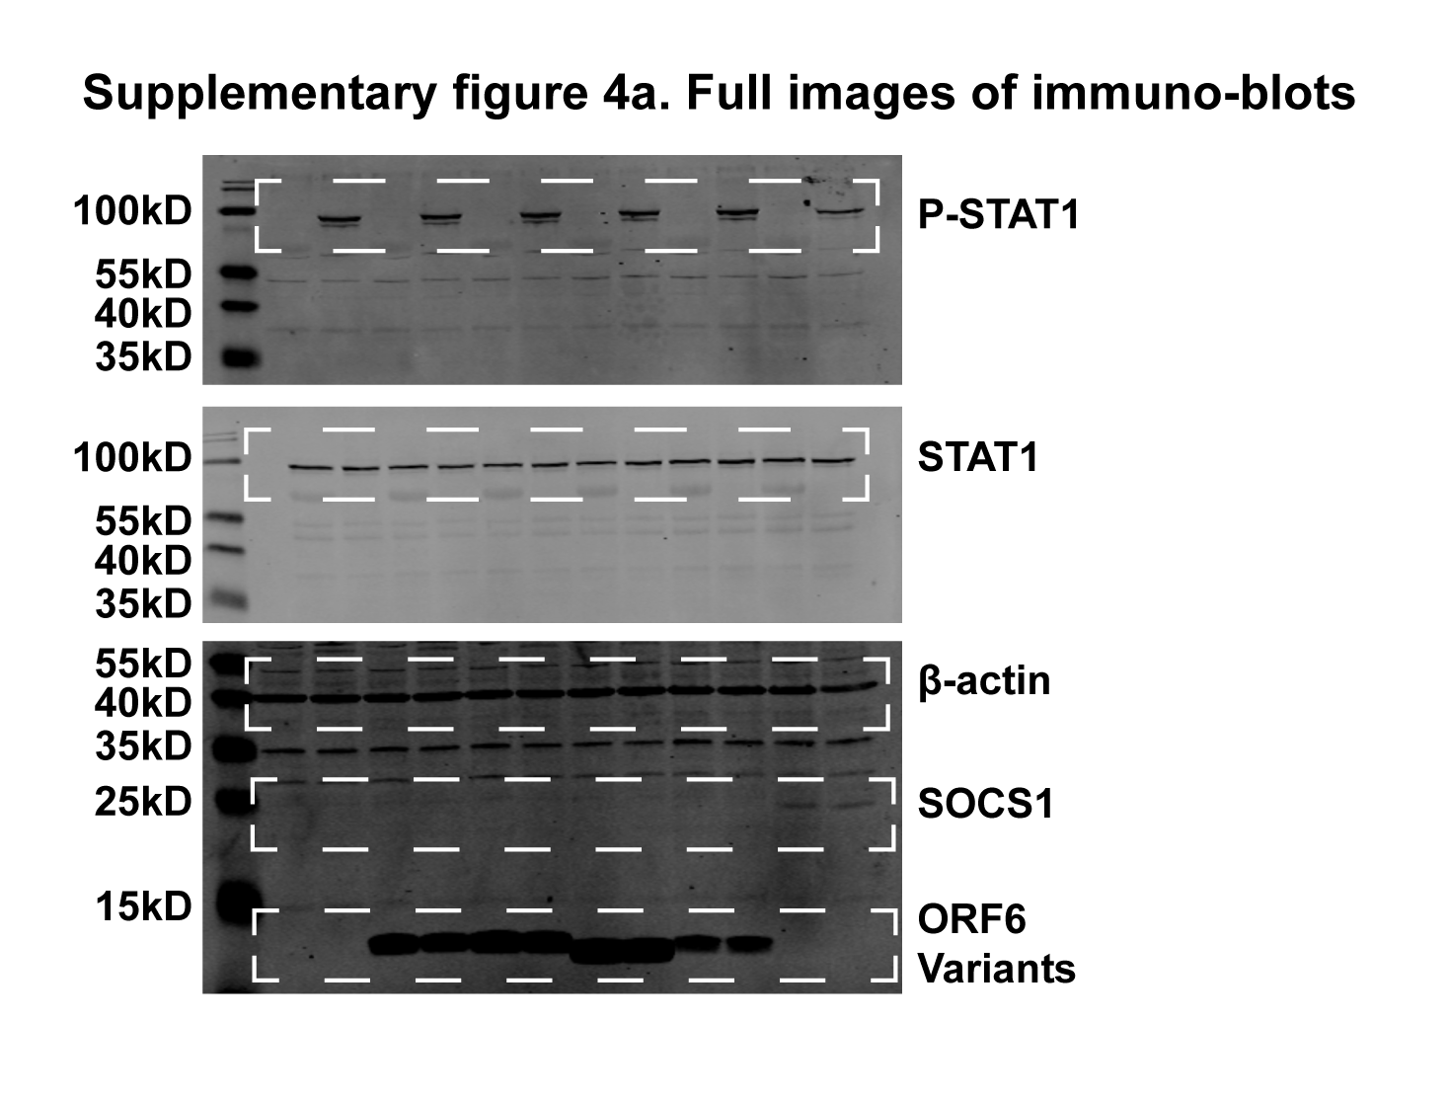
Supplementary figure 4a

