SuppFig7a
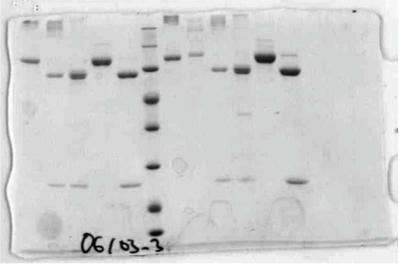
Supp Fig. 7a

