Suppl Figure 3b
mutA#1
mutA#1
mutA#2
mutA#2
Col-0
Col-0

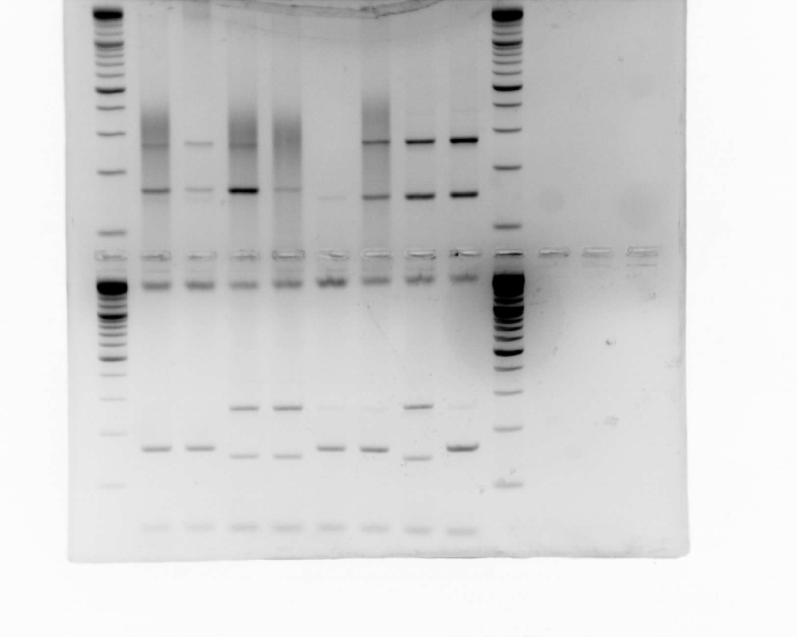
1000

500
400
300

200

100

Suppl Figure 6
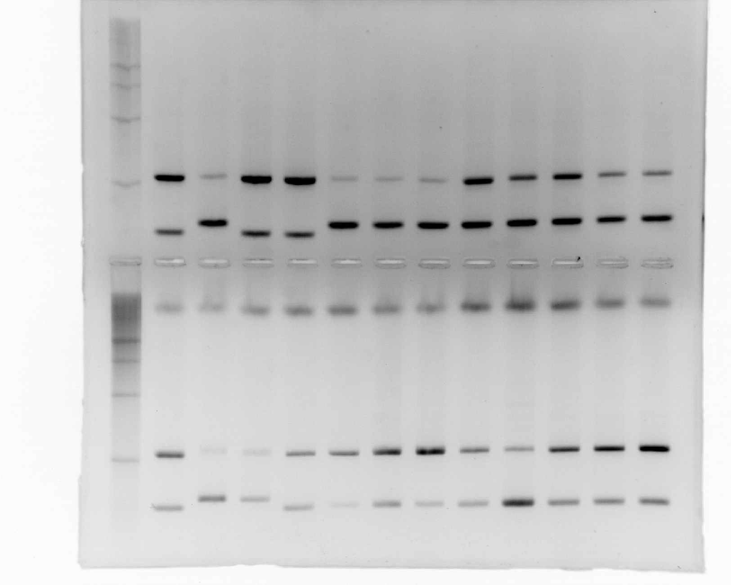
Can at position 28,958,437

500
Adm-0
400
Col-0
Can-0
Ang-0
Rel-0
Svi-0
Ver-5
Mar-1
Vid-1
All-0
Trs-0
Sha
300

200

Col at 28,958,437

Her-12
Cmo-3
500
Col-0
Can-0
Bea-0
Mot-0
Vpa-1
Vig-1
Vdt-0
Vad-0
Scm-0
Rei-0

400
300

200

