Fig.1 & S2 difusion maps
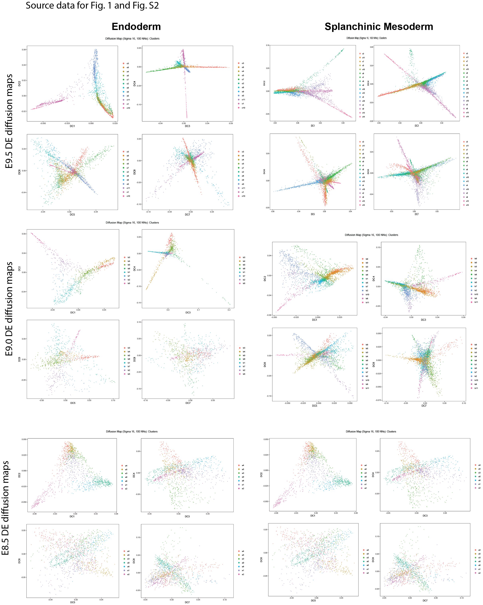
Han et al. Source data for psedotime analysis in Figure 1 and Supplementary Figure 2.

