Figure 1b
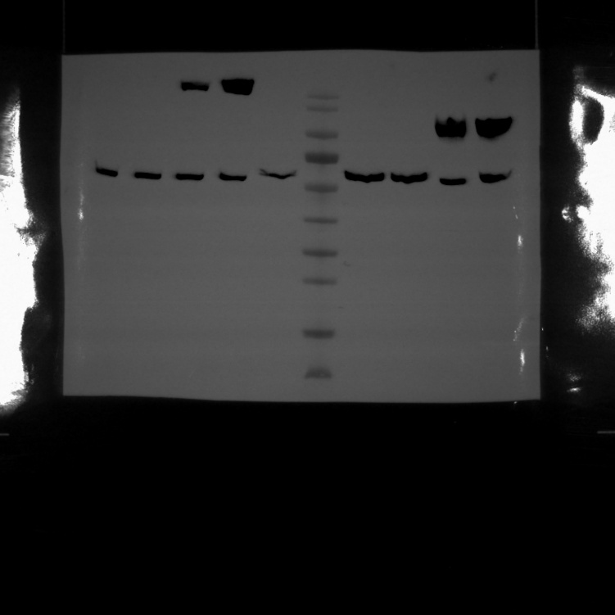
1
2
3
4v
5v
6v
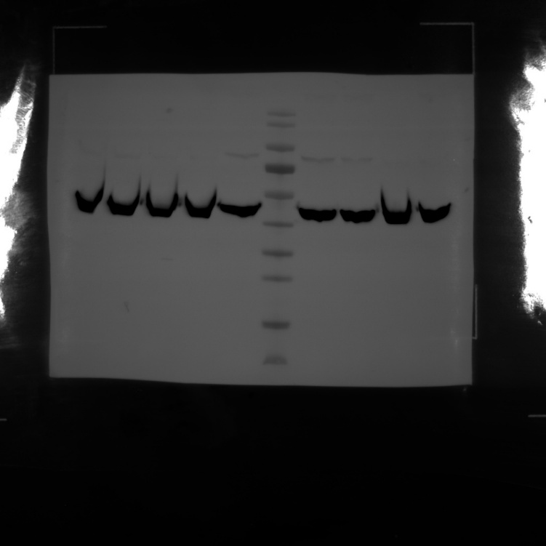
1
2
3
4v
5v
6v
Figure 1. Adenovirus-based vaccine design and immunogenicity in mice.
b, Western blot of transgene expression in HEK293 cells.

Top of each Western blot image:

Lane 1 | Soriginal | 20 ul loaded
Lane 2 | SPtPA add Smature | 20 ul loaded
Lane 3 | SPoriginal add Soptimized | 20 ul loaded
Lane 4 | SPtPA add Soptimized | 20 ul loaded
Lane 5 | empty plasmid | 20 ul loaded
Lane 6 | Thermo Scientific Page RulerTM Prestained Protein Ladder (No. 26616) | 5 ul loaded

 | Left blot top:
Primary Ab | Anti-SARS-CoV spike antibody (Sino Biological, Cat: 40150-t52) | (1:2,000)
Secondary Ab | Anti-Rabbit HRP (Cell Signaling Technology, Cat: 7074P2) | (1:10,000)

 | Right blot (Top - same lane order as left blot)
Primary Ab | Beta-Actin HRP (Abcam, Cat: ab49900) | (1:10,000)

