Figures 3c and SI figure 4
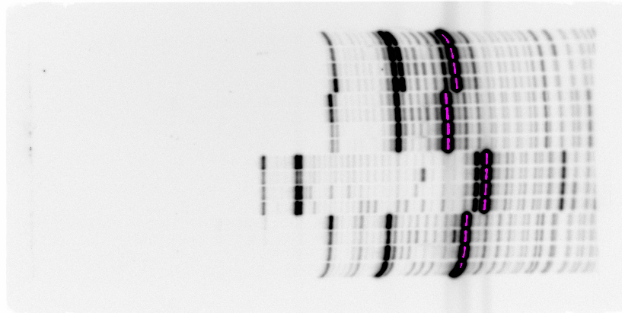
mt-tRNA^{Phe}
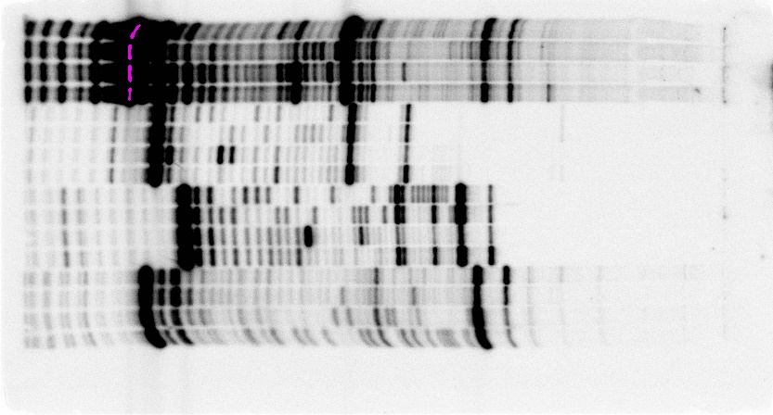
mt-tRNA^{His}
mt-tRNA^{Arg}
^{(Flipped)}
mt-tRNA^{Cys}
^{(Flipped)}
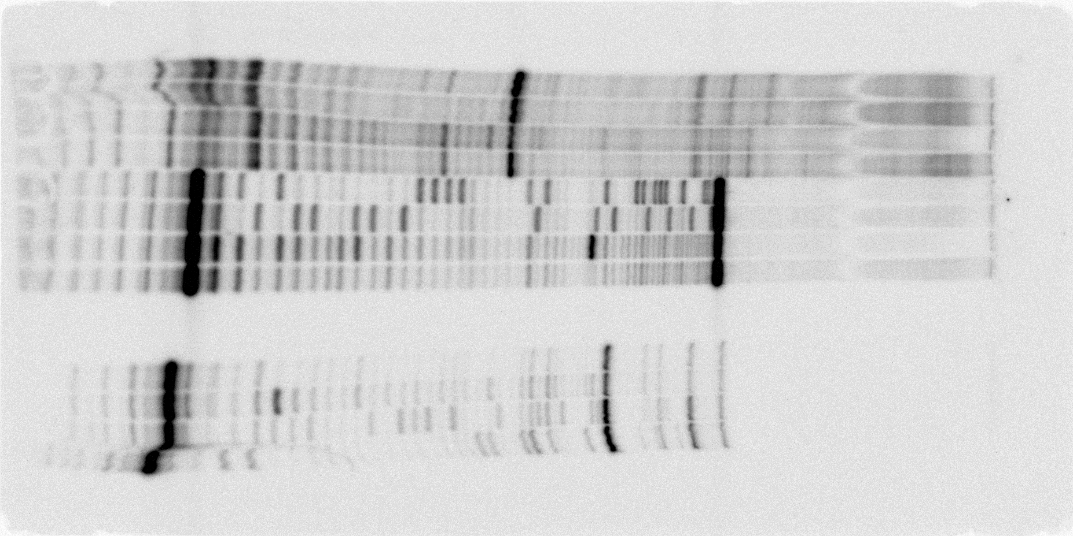
mt-tRNA^{Met}
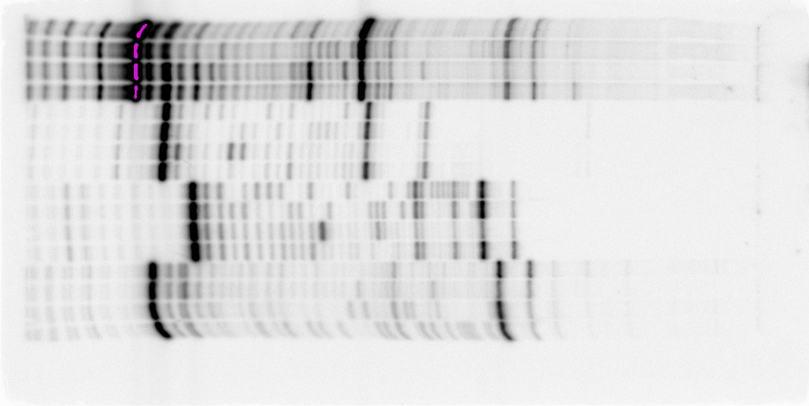
mt-tRNA^{Phe}
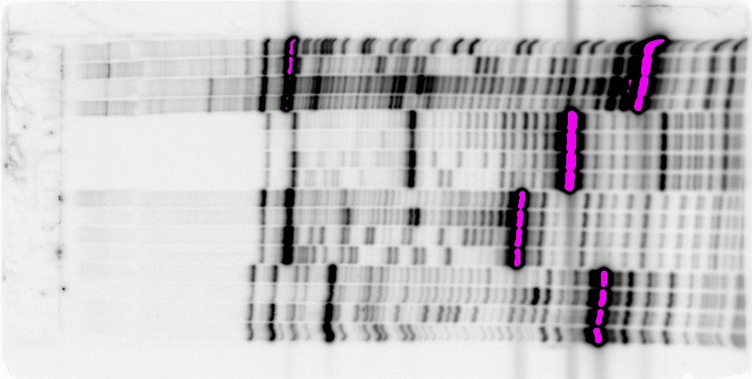
mt-tRNA^{Gly}

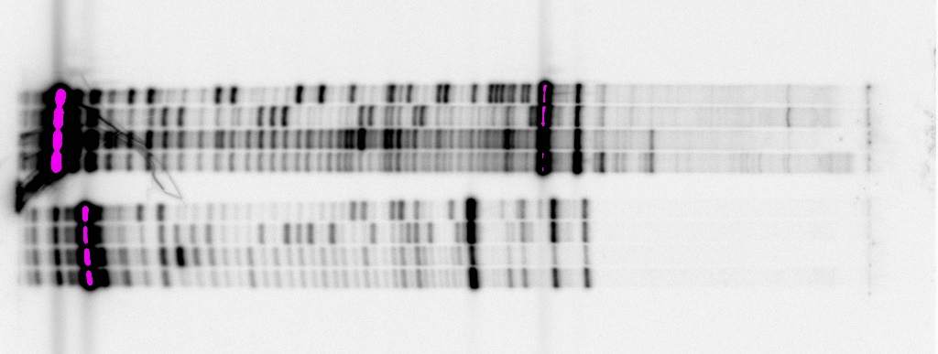
mt-tRNA^{Asn}
mt-tRNA^{Val}
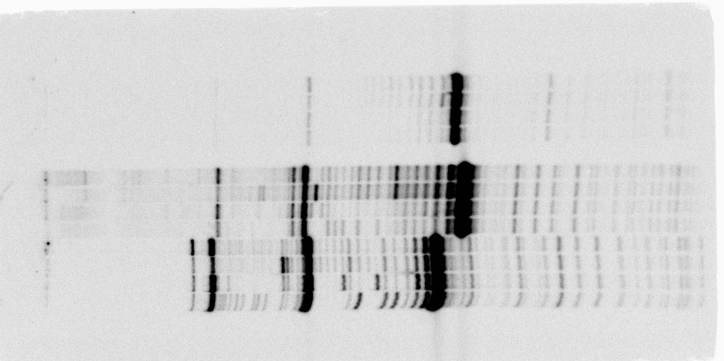
mt-tRNA^{Tyr}

