Figure 1
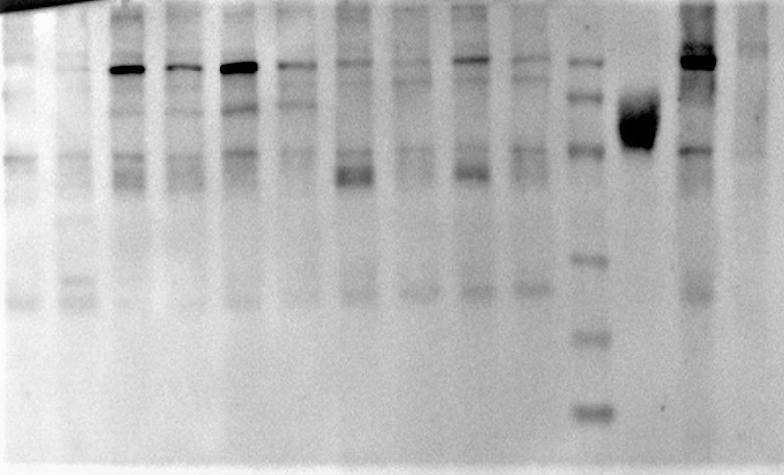
180
135
100
S
S_{ΔTM}
pGA1-empty
pGA1-S-nb2 1#
pGA1-S-nb2 2#
pVAX-S-nb1 1#
S1
pVAX-S-nb1 2#
pGA1-S-nb1
pAd5-tpa-S-nb2
pVAX-S-nb2 1#
pVAX-S-nb2 2#
M
pGK-S-nb2
HEK293 cell
Related to this study
kDa
Primary antibody: COVID-19 convalescent serum, dilution: 1:500;
Secondary antibody: HRP-conjugated goat anti-human IgG (Beyotime, Cat: A0201), dilution: 1:1000.
HEK293
S_{ΔTM}
Ad5-empty
Ad5-S-nb2 1#
Ad5-S-nb2 2#
HEK293
S_{ΔTM}
Ad5-empty
Ad5-S-nb2 1#
Ad5-S-nb2 2#
75
63
100
135
180
245
kDa
Primary antibody: SARS-COV-Spike antibody (Sino Biological, Cat: 40150-T62-COV2), dilution: 1:1000;
Secondary antibody: HRP-conjugated goat anti-rabbit IgG (SeraCare, Cat:52200336), dilution: 1:2000.
Fig.1b |  | Fig.1c

HEK293
S_{ΔTM}
Ad5-empty
Ad5-S-nb2 1#
Ad5-S-nb2 2#
HEK293
S_{ΔTM}
Ad5-empty
Ad5-S-nb2 1#
Ad5-S-nb2 2#
HEK293
S_{ΔTM}
Ad5-empty
Ad5-S-nb2 1#
Ad5-S-nb2 2#
HEK293
S_{ΔTM}
Ad5-empty
Ad5-S-nb2 1#
Ad5-S-nb2 2#
HEK293
HEK293
48
β-Actin
35
Gel 1: 10μl
Gel 2: 20μl
Primary antibody: Anti-β-actin (4abio, Cat: 4ab082231), dilution: 1:3000;
Secondary antibody: HRP-conjugated goat anti-mouse IgG (SeraCare, Cat:52200341), dilution: 1:5000.

Fig.1d
Ad5-S-nb2
anti-S1
Merge
DAPI
Ad5-empty
Primary antibody: SARS-COV-Spike antibody (Sino Biological, Cat: 40150-T62-COV2), dilution: 1:100;
Secondary antibody: Alexa Fluor 488 AffiniPure Goat Anti-Rabbit IgG (H+L) (Yeasen, Cat: 33106ES60), dilution: 1:200.

 | The white rectangular box represents the cropped graphs shown in Fig.1d

