Figure 2e
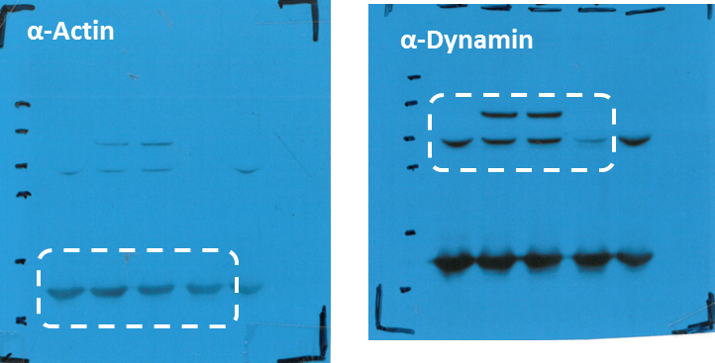

1 | CONTROL
2 | DYN2
3 | DYN2K44A
4 | shDYN2

Figure 5d
MDA.MB.231 shCON DERIVED- EVs
MDA.MB.231 shITGB3 DERIVED- EVs

α-ITGB3
1
2
3
4
5
6
7
8
9
10
11
12
13
α-ITGB3
α-TSG101
1
2
3
4
5
6
7
8
9
10
11
12
13

1 | INPUT
2 | F1
3 | F2
α-TSG101
4 | F3
5 | F4
α-CD81
6 | F5
7 | F6
8 | F7
9 | F8
10 | F9
α-Flot
11 | F10
12 | F11
13 | F12

α-Flot

α-ACTIN

α-ACTIN

Figure 6c
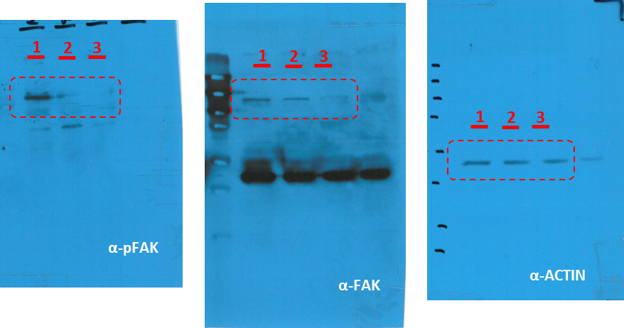

1 | siNT
2 | FAK14
3 | siFAK

Figure 6e
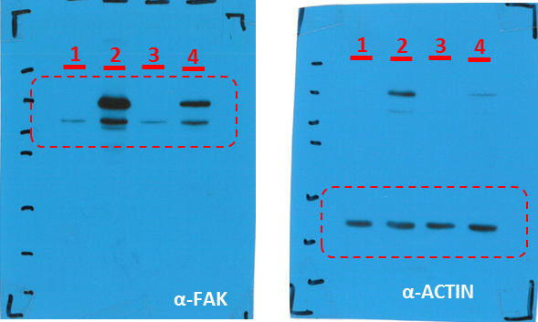

1 | NT | shCON cells
2 | FAK
3 | NT | shITGB3 cells
4 | FAK

Supplementary Figure 8b
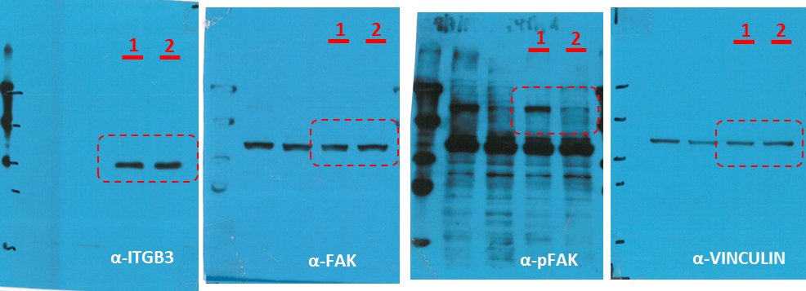

1 | CON
2 | FAK-14

Supplementary Figure 12
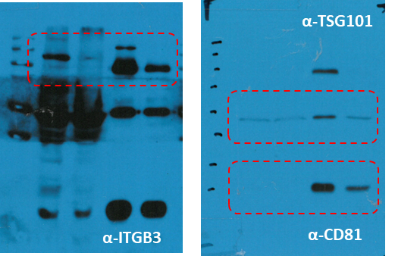

1 | shCON | Lysate
2 | shITGB3
3 | shCON | Evs
4 | shITGB3

Supplementary Figure 14
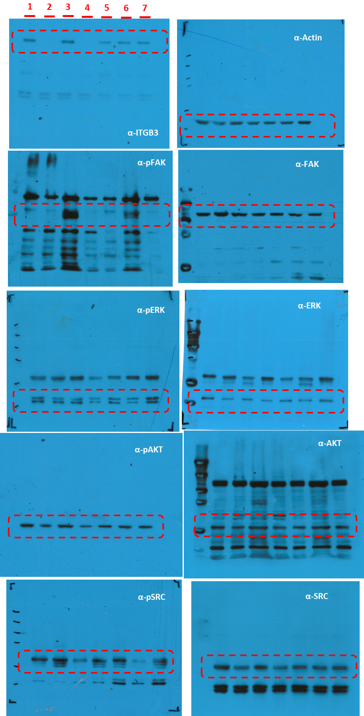

1 | shCON | t0
2 | shITGB3
3 | shCON | + 60'
4 | shITGB3
5 | Dyngo
6 | PitStop
7 | FAK-14

