S6b
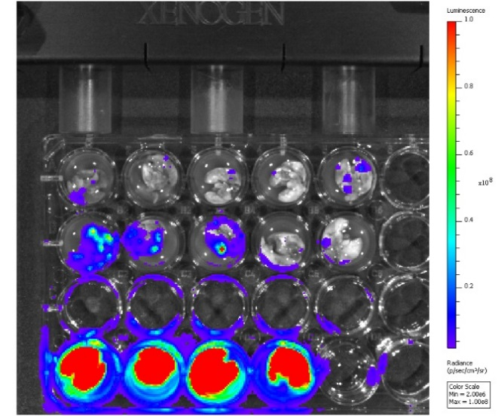
Photon of flux
 |  |  | (× 10e7 p/s) | Uncropped BLI image
C57BL/6J | NOD-scid | NSG
1.79 | 25.25 | 421.7
1.769 | 10.22 | 336.5
1.4 | 11.62 | 407.4
1.16 | 2.682 | 251.7
2.82 | 1.883

