Fig1
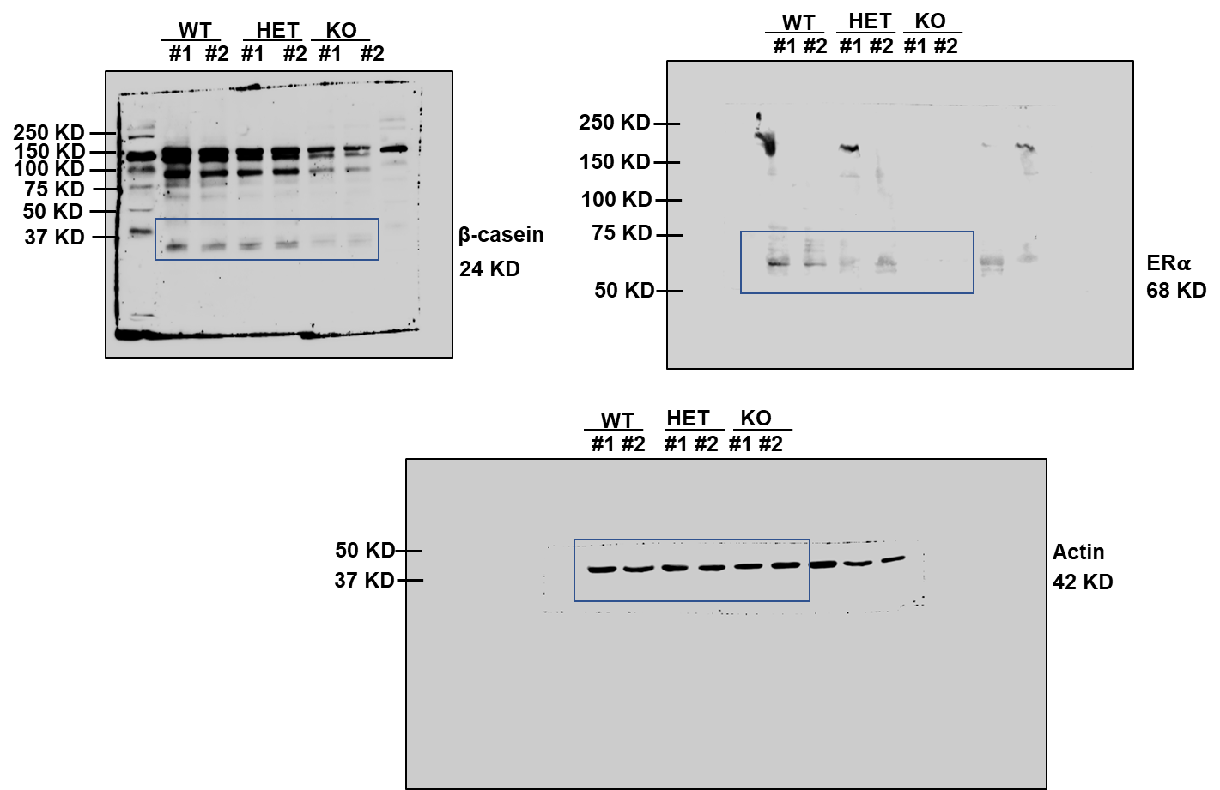
Fig. 1G
Masc-e | #1 | #2 | #3 | Mean | SD | Lum | #1 | #2 | #3 | Mean | SD
WT | 7 | 9 | 11 | 9 | 2 | WT | 15 | 17 | 15 | 16 | 1
HET | 15 | 17 | 16 | 16 | 1 | HET | 20 | 18 | 15 | 18 | 3
KO | 22 | 18 | 20 | 20 | 2 | KO | 8 | 11 | 12 | 10 | 2

Fig. 1H
Masc-e | #1 | #2 | #3 | Mean | SD | ML | #1 | #2 | #3 | Mean | SD
WT | 22 | 21 | 23 | 22 | 1 | WT | 37 | 42 | 38 | 39 | 3
HET | 32 | 31 | 28 | 30 | 2 | HET | 35 | 36 | 39 | 37 | 2
KO | 40 | 44 | 46 | 43 | 3 | KO | 25 | 21 | 20 | 22 | 3

Fig. 1I | #1 | #2 | #3 | Mean | SD
WT | 7 | 12 | 14 | 11 | 4
HET | 24 | 28 | 27 | 26 | 2
KO | 22 | 24 | 21 | 22 | 2

Fig. 1J
Primary sphere# | WT | KO
#1 | 3 | 6
#2 | 4 | 5
#3 | 2 | 8
Mean | 3 | 6.3
SD | 1 | 1.5

Secondary sphere# | WT | KO
#1 | 0 | 12
#2 | 5 | 18
#3 | 1 | 15
Mean | 2 | 15
SD | 2.6 | 3

Fig. 1A
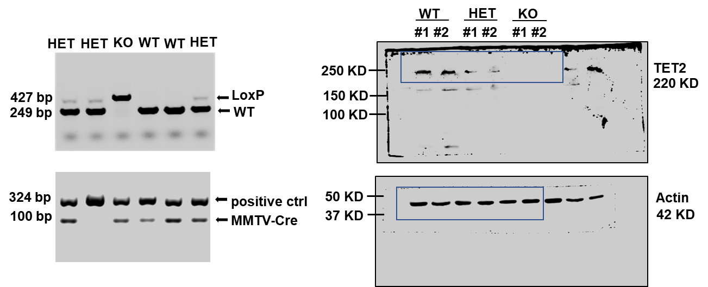

Fig. 1F

Fig2
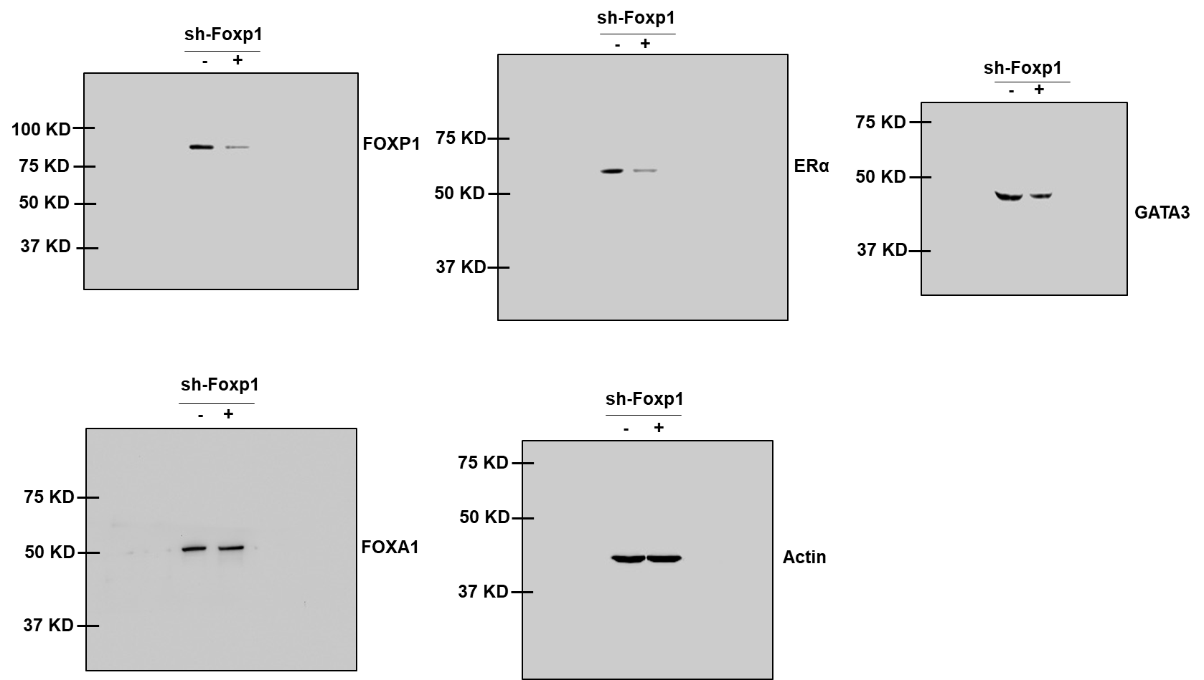
Fig. 2A
Normalized Mean | Esr1 | Gata3 | Foxa1 | SD | Esr1 | Gata3 | Foxa1
WT | 1 | 1 | 1 | WT | 0.05 | 0.05 | 0.05
KO | 0.05 | 0.80 | 0.60 | KO | 0.01 | 0.10 | 0.11

Fig. 2C | Mean | SD | Normalized Mean
WT | 36.99 | 9.23 | 1
KO | 18.94 | 11.71 | 0.51

Fig. 2D
Normalized Mean | Esr1 | Gata3 | Foxa1 | SD | Esr1 | Gata3 | Foxa1
WT | 1 | 1 | 1 | WT | 0.10 | 0.20 | 0.10
KO | 0.15 | 0.44 | 0.90 | KO | 0.03 | 0.05 | 0.07

Fig. 2F
Methylation(%) | Mean | SD
WT | 43.90 | 4.49
KO | 71.06 | 4.88

Fig. 2H
chromosome | position | meth diff (WTstem vs. KOlum)
chr10 | 4609801 | -0.04
chr10 | 4609805 | -0.04
chr10 | 4609823 | -0.08
chr10 | 4609910 | -0.05
 |  | average p-value | 0.17396

Fig. 2J
Normalized Mean | Esr1 | Gata3 | Foxa1 | SD | Esr1 | Gata3 | Foxa1
FOXP1-TET2 | 8.90 | 3.61 | 1.67 | FOXP1-TET2 | 0.07 | 0.04 | 0.04
FOXP1-IgG | 1 | 1 | 1 | FOXP1-IgG | 1.68 | 0.74 | 0.41

Fig. 2K
Normalized Mean | Esr1 | Gata3 | Foxa1 | SD | Esr1 | Gata3 | Foxa1
Control | 1 | 1 | 1 | Control | 0.1 | 0.05 | 0.1
shFoxp1 | 0.323 | 0.867 | 1.120 | shFoxp1 | 0.046 | 0.042 | 0.046

Fig. 2M
 | Esr1 |  | Gata3 |  | Foxa1 |  |  | Esr1 |  | Gata3 |  | Foxa1
Normalized Mean | anti-FOXP1 | anti-IgG | anti-FOXP1 | anti-IgG | anti-FOXP1 | anti-IgG | SD | anti-FOXP1 | anti-IgG | anti-FOXP1 | anti-IgG | anti-FOXP1 | anti-IgG
WT | 1 | 0.015 | 1 | 0.041 | 1 | 0.015 | WT | 0.070 | 0.005 | 0.030 | 0.002 | 0.040 | 0.006
KO | 0.255 | 0.041 | 0.431 | 0.058 | 0.463 | 0.079 | KO | 0.066 | 0.028 | 0.116 | 0 | 0.166 | 0.003

Fig. 2B
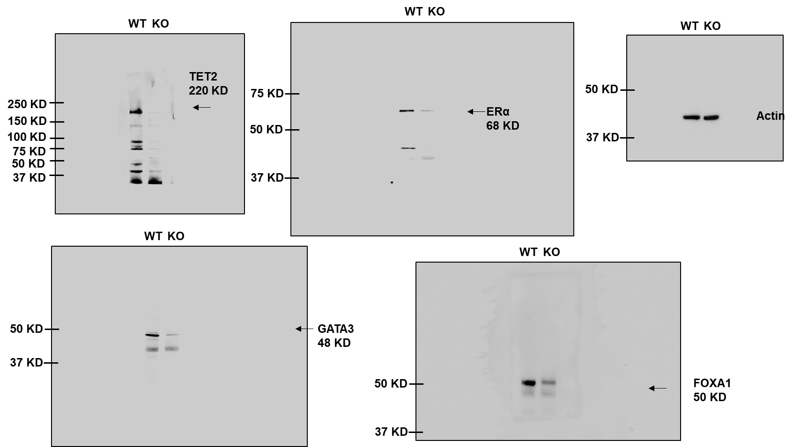

Fig. 2I
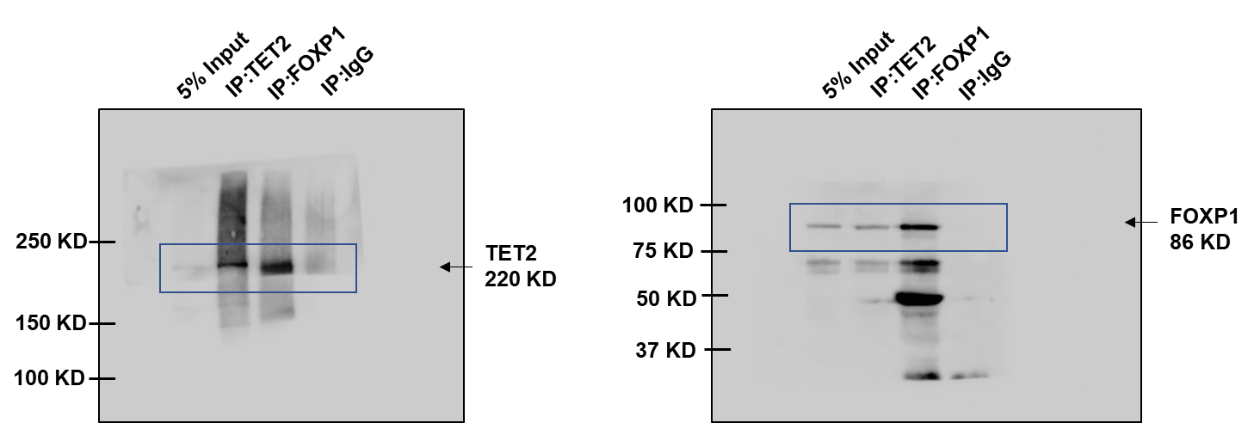

Fig. 2L

Fig3
Fig. 3A | WT |  |  |  |  | KO |  |  |  |  |  | WT | KO
log[E2]% | #1 | #2 | #3 | Mean | SD | #1 | #2 | #3 | Mean | SD | LogEC50 | -8.01 | -7.15
-12 | 100 | 100 | 100 | 100 | 0 | 100 | 100 | 100 | 100 | 0 | P value | <0.0001 | F (DFn, DFd) | 374.9 (3, 30)
-10 | 108 | 103 | 107 | 106 | 2.65 | 103 | 101 | 100 | 101.33 | 1.53
-8 | 250 | 224 | 231 | 235 | 13.45 | 107 | 105 | 103 | 105 | 2
-7 | 345 | 320 | 315 | 326.67 | 16.07 | 126 | 148 | 117 | 130.33 | 15.95
-6 | 374 | 377 | 381 | 377.33 | 3.51 | 150 | 157 | 164 | 157 | 7
-5 | 366 | 321 | 335 | 340.67 | 23.03 | 146 | 151 | 139 | 145.33 | 6.03

Fig. 3B
Normalized Mean | Pgr-Mock | Pgr-E2 | Esr1-Mock | Esr1-E2 | Greb1-Mock | Greb1-E2 | SD | Pgr-Mock | Pgr-E2 | Esr1-Mock | Esr1-E2 | Greb1-Mock | Greb1-E2
WT | 1 | 2.88 | 1 | 2.61 | 1 | 1.31 | WT | 0 | 0.12 | 0 | 0.35 | 0.05 | 0.09
KO | 1 | 0.40 | 1 | 0.50 | 1 | 0.50 | KO | 0.25 | 0.31 | 0.20 | 0.25 | 0.20 | 0.38

Fig. 3C | WT |  |  |  |  | KO |  |  |  |  |  | WT | KO
log[Tamoxifen]% | #1 | #2 | #3 | Mean | SD | #1 | #2 | #3 | Mean | SD | LogEC50 | -6.74 | -5.96
-10 | 100 | 100 | 100 | 100 | 0 | 100 | 100 | 100 | 100 | 0 | P value | 0.003 | F (DFn, DFd) | 5.790 (3, 30)
-8 | 85 | 88 | 89 | 87.33 | 2.08 | 96 | 99 | 97 | 97.33 | 1.53
-7 | 70 | 65 | 60 | 65 | 5 | 77 | 75 | 70 | 74 | 3.61
-6 | 31 | 27 | 35 | 31 | 4 | 58 | 55 | 59 | 57.33 | 2.08
-5 | 25 | 19 | 28 | 24 | 4.58 | 43 | 50 | 57 | 50 | 7
-4 | 1 | 9 | 3 | 4.33 | 4.16 | 6 | 8 | 11 | 8.33 | 2.52

Fig. 3D
Normalized Mean | Pgr-Mock | Pgr-Tam | Esr1-Mock | Esr1-Tam | Greb1-Mock | Greb1-Tam | SD | Pgr-Mock | Pgr-Tam | Esr1-Mock | Esr1-Tam | Greb1-Mock | Greb1-Tam
WT | 1 | 0.24 | 1 | 0.03 | 1 | 0.22 | WT | 0 | 0.01 | 0 | 0.02 | 0.10 | 0.05
KO | 1 | 1.28 | 1 | 0.82 | 1 | 1.39 | KO | 0.20 | 0.03 | 0.23 | 0.26 | 0.19 | 0.14

Fig. 3F
Mean | ESR1 | GREB1 | SD | ESR1 | GREB1
MCF7-WT | 1 | 1 | MCF7-WT | 0 | 0
MCF7-KO | 0.56 | 0.69 | MCF7-KO | 0.09 | 0.15

Fig. 3G | MCF7-WT |  |  |  |  | MCF7-KO |  |  |  |  |  | WT | KO
log[E2]% | Rep#1 | Rep#2 | Rep#3 | Mean | SD | Rep#1 | Rep#2 | Rep#3 | Mean | SD | logEC50 | -9.75 | -9.13
-14 | 100 | 100 | 100 | 100 | 0 | 100 | 100 | 100 | 100 | 0 | P value | <0.0001 | F (DFn, DFd) | 18.32 (3, 24)
-10 | 110 | 115 | 111 | 112 | 2.65 | 109 | 107 | 104 | 106.67 | 2.52
-9 | 130 | 135 | 129 | 131.33 | 3.21 | 111 | 109 | 115 | 111.67 | 3.06
-8 | 143 | 150 | 147 | 146.67 | 3.51 | 118 | 113 | 116 | 115.67 | 2.52
-7 | 131 | 135 | 136 | 134.00 | 2.65 | 121 | 125 | 123 | 123 | 2

Fig. 3H | MCF7-WT |  |  |  |  | MCF7-KO |  |  |  |  |  | WT | KO
log[Tamoxifen]% | #1 | #2 | #3 | Mean | SD | #1 | #2 | #3 | Mean | SD | logEC50 | -5.19 | -4.73
-8 | 92.72 | 91.62 | 94.90 | 93.08 | 1.67 | 101.82 | 105.51 | 103.28 | 103.53 | 1.86 | P value | <0.0001 | F (DFn, DFd) | 58.73 (3, 24)
-7 | 87.49 | 88.74 | 89.67 | 88.63 | 1.10 | 96.75 | 96.59 | 99.59 | 97.64 | 1.69
-6 | 86.16 | 86.94 | 84.99 | 86.03 | 0.98 | 93.60 | 93.60 | 97.05 | 94.75 | 2.00
-5 | 45.03 | 48.07 | 47.84 | 46.98 | 1.69 | 74.23 | 71.39 | 71.23 | 72.28 | 1.69
-4 | 11.86 | 11.86 | 12.41 | 12.04 | 0.32 | 3.46 | 11.22 | 11.91 | 8.86 | 4.69

Fig. 3I
MCF7-WT | #1 | #2 | #3 | #4 | Mean | SD
Mock | 100 | 120 | 100 | 80 | 100 | 14.14
Tamoxifen | 18.18 | 18 | 31.25 | 58 | 22.48 | 7.60

MCF7-KO | #1 | #2 | #3 | #4 | Mean | SD
Mock | 100 | 130 | 100 | 70 | 100 | 21.21
Tamoxifen | 52.84 | 68.38 | 60.71 | 86.05 | 71.72 | 12.48

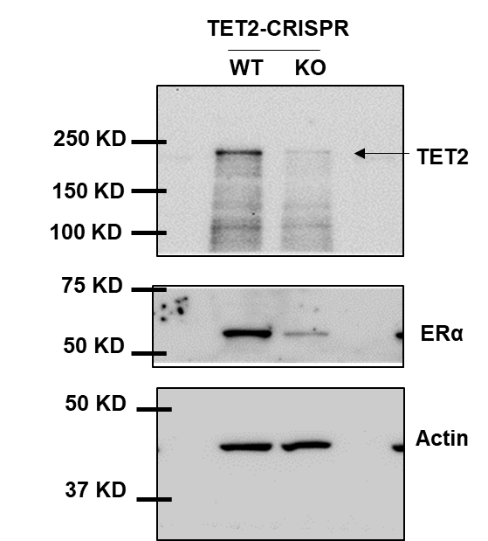
Fig. 3E

Supplementary Figs
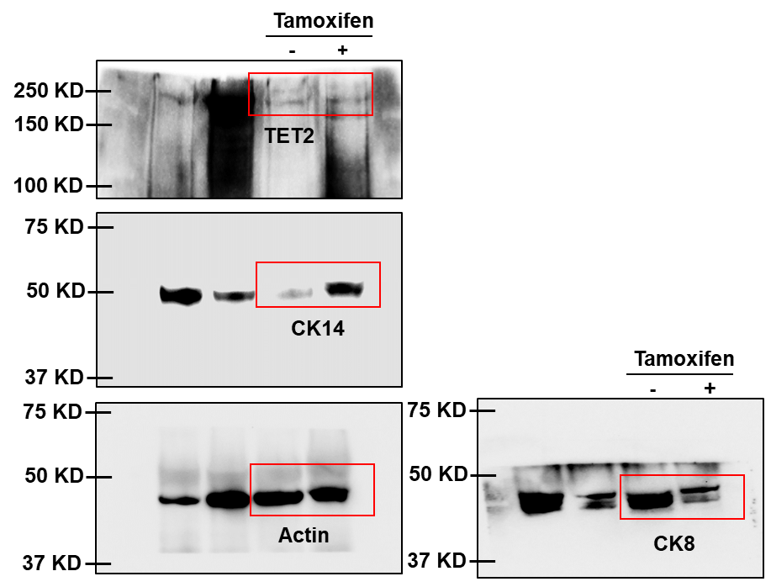
Supplementary Fig. 1E
TEB# | WT | HET | KO
#1 | 10 | 29 | 20
#2 | 5 | 24 | 29
#3 | 9 | 21 | 36
#4 | 13 | 18 | 28
Mean | 9.25 | 23 | 28.25
SD | 7 | 2.12 | 4.95

Supplementary Fig. 1F
TEB size | WT | HET | KO
#1 | 54 | 80 | 217
#2 | 64 | 102 | 229
#3 | 102 | 170 | 316
#4 | 37 | 73 | 79
#5 | 80.00 | 92 | 60
#6 | 48 | 44 | 166
#7 | 36 | 126 | 88
#8 | 32 | 51 | 186
Mean | 56.63 | 92.25 | 167.63
SD | 24.37 | 41.11 | 88.11

Supplementary Fig. 1G
Branch point# | WT | HET | KO
#1 | 3 | 4 | 10
#2 | 1 | 8 | 6
#3 | 0 | 5 | 7
#4 | 3 | 7 | 9
#5 | 4 | 8 | 7
#6 | 4 | 10 | 6
Mean | 2.5 | 7 | 7.5
SD | 1.64 | 2.19 | 1.64

Supplementary Fig. 1H
trichrome blue intensity | WT | HET | KO
#1 | 177.3 | 158.9 | 92.9
#2 | 154.2 | 113.2 | 89.3
#3 | 136.3 | 125.4 | 55.7
#4 | 183.2 | 120 | 64.3
Mean | 162.75 | 129.38 | 32.1
SD | 22 | 20.31 | 18.35

Supplementary Fig. 1I
lobuloalveoli# | WT | HET | KO
#1 | 98 | 49 | 41
#2 | 84 | 67 | 32
#3 | 72 | 60 | 47
#4 | 79 | 51 | 36
Mean | 83.25 | 56.75 | 39
SD | 11 | 8.34 | 6.48

Supplementary Fig. 1J
lipid droplet+ alveoli% | WT | HET | KO
#1 | 100% | 50% | 17%
#2 | 83% | 33% | 0%
#3 | 67% | 17% | 17%
#4 | 83% | 17% | 17%
Mean | 83% | 29% | 13%
SD | 14% | 16% | 8%

Supplementary Fig. 1L
Polarized acini | WT | KO
#1 | 82% | 23%
#2 | 63% | 11%
#3 | 83% | 19%
Mean | 76% | 18%
SD | 11% | 6%

Supplementary Fig. 1M
CK8+CK14- acini | WT | KO
#1 | 35% | 20%
#2 | 40% | 8%
#3 | 58% | 21%
Mean | 45% | 16%
SD | 12% | 7%

Supplementary Fig. 1N | Krt5 | Krt15 | Prom1 | Nrdg2 | Krt8 | Krt18
Normalized Mean | 9.87 | 6.36 | 7.99 | 14.93 | 1.19 | 0.44
SD | 3.17 | 0.93 | 0.14 | 5.52 | 0.12 | 0.13

Supplementary Fig. 2A
Normalized Mean | WT | HET | KO | SD | WT | HET | KO
Esr1 | 1 | 0.5 | 0.25 | Esr1 | 0.12 | 0.13 | 0.04
Gata3 | 1 | 1 | 0.5 | Gata3 | 0.04 | 0.02 | 0.11

Supplementary Fig. 2B
 | WT1 | WT2 | WT3 | KO1 | KO2 |  | WT1 | WT2 | WT3 | KO1 | KO2
Total methylated# | 2252156 | 877472 | 1494138 | 3238955 | 3922435 | Total unmethylated# | 1060765 | 340634 | 521419 | 1176328 | 1409572
 | WT | KO
Mean methylated# | 1541255.3333 | 3580695

Supplementary Fig. 2G
Normalized Mean | Primer1 | Primer2 | Primer3 | Primer4 | Primer5 | SD | Primer1 | Primer2 | Primer3 | Primer4 | Primer5
ChIP | 2.88 | 2.72 | 0.03 | 5.63 | 4.20 | ChIP | 0.12 | 0.26 | 0.01 | 0.43 | 0.41
Re-ChIP | 0.37 | 0.14 | 0.04 | 0.19 | 3.64 | Re-ChIP | 0.17 | 0.08 | 0.04 | 0.20 | 0.69
IgG | 0.04 | 0.09 | 0.03 | 0.05 | 0.03 | IgG | 0.03 | 0.03 | 0.02 | 0.02 | 0.02

Supplementary Fig. 2I
Normalized Mean | Primer1 | Primer 2 | Primer4 | Primer5 | SD | Primer1 | Primer 2 | Primer4 | Primer5
WT | 1 | 1 | 1 | 1 | WT | 0.11 | 0.12 | 0.04 | 0.05
KO | 0.55 | 0.67 | 0.39 | 0.25 | KO | 0.15 | 0.04 | 0.07 | 0.05

Supplementary Fig. 3A | Time (weeks) | Tumor (neg vs pos)
wt1 | 5 | 0
wt2 | 5 | 0
wt3 | 5 | 0
wt4 | 8 | 1
wt5 | 8 | 1
mut1 | 5 | 1
mut2 | 5 | 1
mut3 | 5 | 1
mut4 | 8 | 1
mut5 | 8 | 1

Supplementary Fig. 3B
Lesion area | WT-PyMT | MUT-PyMT
#1 | 0.13 | 0.53
#2 | 0.11 | 0.61
#3 | 0.15 | 0.57
#4 | 0.07 | 0.44
#5 | 0.13 | 0.33
#6 | 0.09 | 0.68
Mean | 0.11 | 0.53
SD | 0.03 | 0.13

Supplementary Fig. 3C
Ki67+ cells | WT-PyMT | MUT-PyMT
#1 | 0 | 9
#2 | 0 | 4
#3 | 2 | 17
#4 | 4 | 10
#5 | 5 | 20
#6 | 11 | 10
Mean | 3.67 | 11.67
SD | 4.13 | 5.82

Supplementary Fig. 3D
ERa+ cells | WT-PyMT | MUT-PyMT
#1 | 10 | 2
#2 | 15 | 0
#3 | 8 | 0
#4 | 8 | 3
#5 | 13 | 5
#6 | 11 | 1
Mean | 10.83 | 1.83
SD | 2.79 | 1.94

Supplementary Fig. 1B

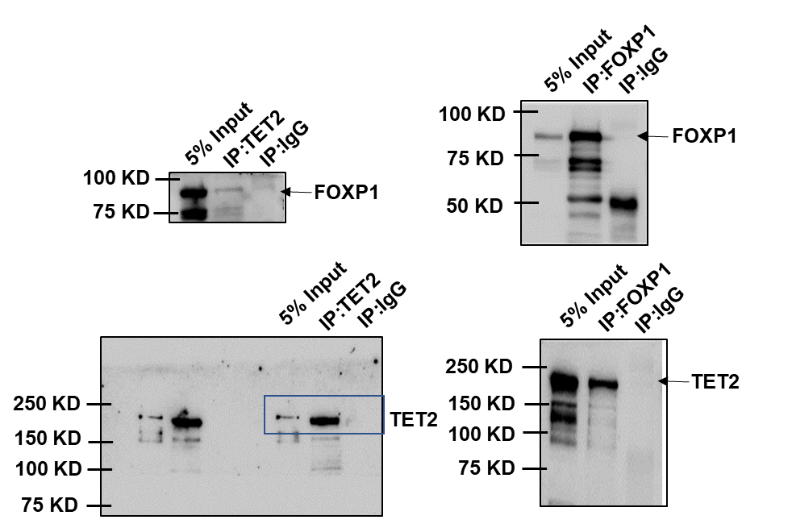
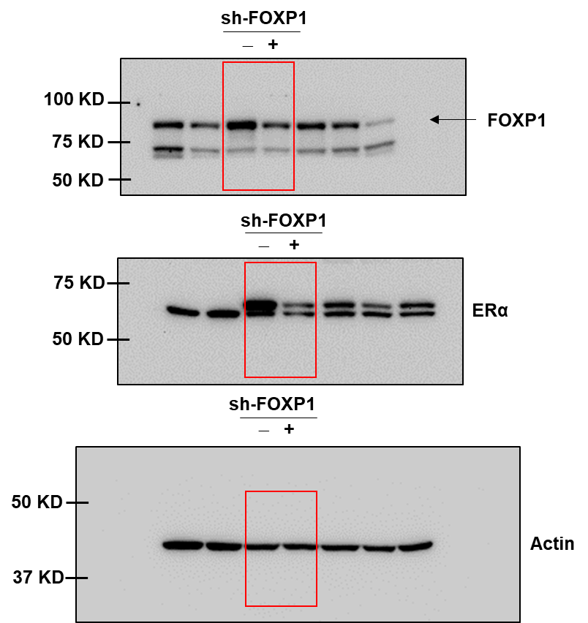
Supplementary Fig. 2E |  |  |  |  |  |  |  | Supplementary Fig. 2H

Supplementary Fig. 3E

