Supp Fig.7
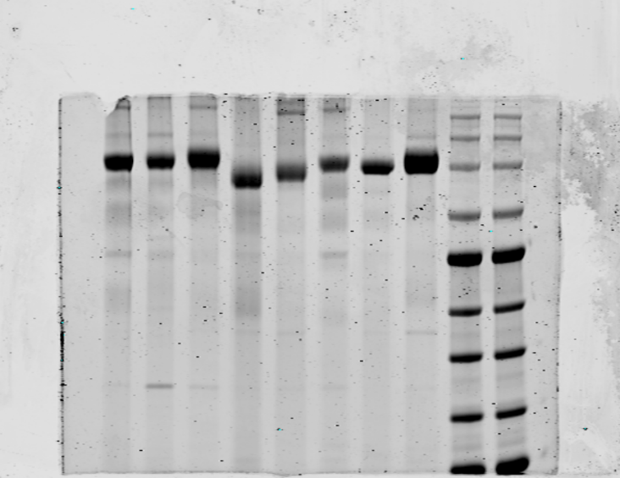
245
180
140
100
75
60
45
35
MD17
MD29
MD63
MD65
MD45
MD67
MD62
MD47
MW
MW
kDa

Representative SDS-PAGE analysis of purified scFv-Fc Abs.

