Fig. 4b
GAPDH internal control
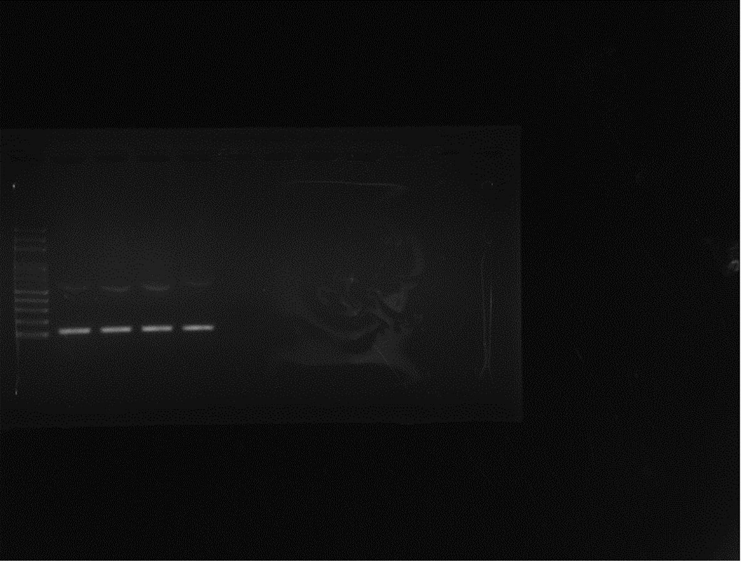
GAPDH

PD-L1 gene expression in KPC cells
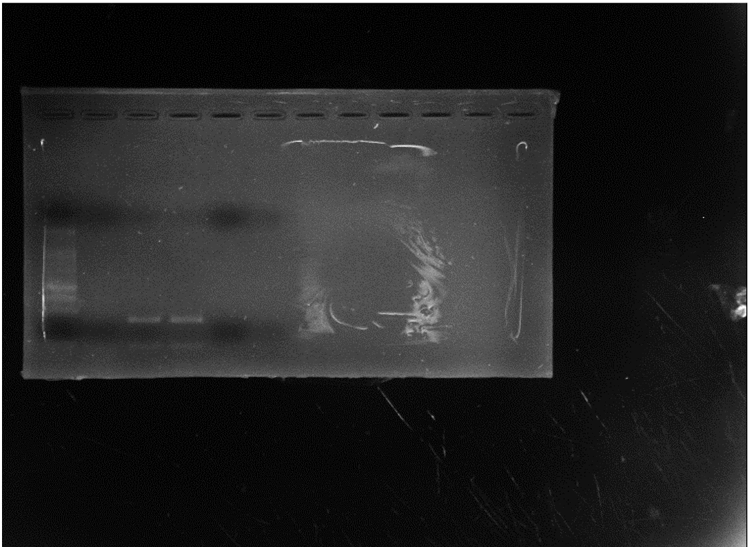
PD-L1

Supplementary Fig. 3a
IL-20R1 expression in KPC cells | β-actin expression in KPC cells
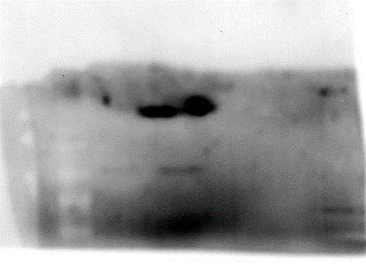
IL-20R1

60kDa
42kDa

