Figure 1
Figure 1a
 |  | FMO |  |  |  |  |  |  |  | Anti-PD-L1
 | CD8+ T | 934 | 991 | 1305 | 952 | 981 | 1164 | 764 | 801 | 2860 | 3128 | 3032 | 2984 | 2965 | 2778 | 2311 | 2494
 | CD4+ T | 526 | 501 | 640 | 537 | 542 | 588 | 453 | 433 | 4127 | 3892 | 3680 | 4249 | 3933 | 4068 | 3546 | 3606
 | B cell | 471 | 462 | 469 | 527 | 395 | 454 | 311 | 252 | 1933 | 2439 | 1801 | 2512 | 1578 | 2126 | 1551 | 1606
 | Mφ | 781 | 645 | 1002 | 675 | 738 | 688 | 471 | 424 | 19429 | 17521 | 10345 | 18759 | 16791 | 14947 | 13833 | 14855
 | MDSC | 95.1 | 109 | 90.7 | 103 | 105 | 103 | 114 | 93.1 | 5022 | 9610 | 2828 | 4949 | 3962 | 5022 | 4338 | 5238
 | DC | 535 | 544 | 730 | 182 | 469 | 412 | 628 | 459 | 26946 | 28079 | 14689 | 26333 | 21719 | 20715 | 19555 | 22466
 | Tumor | 100 | 101 | 106 | 104 | 103 | 98.5 | 93.8 | 96.3 | 1882 | 3292 | 1219 | 2468 | 2094 | 1789 | 1354 | 1618

Figure 1d
 |  | Cre- |  |  |  | Cre+
 | 0 | 0 | 0 | 0 | 0 | 0 | 0 | 0 | 0
 | 6 | 111.6 | 59.2 | 35.2 | 32.9 | 62.5 | 32.7 | 24.3 | 18.2
 | 10 | 114.1 | 99.5 | 108 | 63.3 | 82.1 | 42.6 | 42.3 | 34.3
 | 13 | 130.6 | 166.9 | 94.3 | 65.2 | 74.2 | 45.6 | 67.7 | 52.2
 | 15 | 192.9 | 228.9 | 94.9 | 73.9 | 82 | 41 | 57.7 | 69.4
 | 17 | 219.8 | 320.3 | 100.9 | 94.4 | 93.4 | 58.1 | 60.7 | 113.7
 | 20 | 299.3 | 427.8 | 165.6 | 102.4 | 120.5 | 56.8 | 82.9 | 135.2
 | 23 | 306.3 | 653 | 42.5 | 149.2 | 176.3 | 82.9 | 104.5 | 231.6
 | 29 | 496.8 | 1198.9 | 403.4 | 328 | 358.2 | 207 | 258.2 | 452.1

Figure 1e
 | FMO: Cre- | a-PDL1: Cre- | FMO: Cre+ | a-PDL1: Cre+
 | 177 | 1414 | 719 | 1052
 | 145 | 2637 | 192 | 2359
 | 260 | 1146 | 240 | 1420
 | 152 | 1435 | 190 | 1231
 | 126 | 1277 | 134 | 3885
 | 131 | 1823 | 131 | 1581
 |  |  | 132 | 1769

Figure 1f
 | Cre- | Cre+
 | 0.083 | 0.19
 | 0 | 0.25
 | 0 | 0.2
 | 0.31 | 0.39
 | 0.12 | 0.32

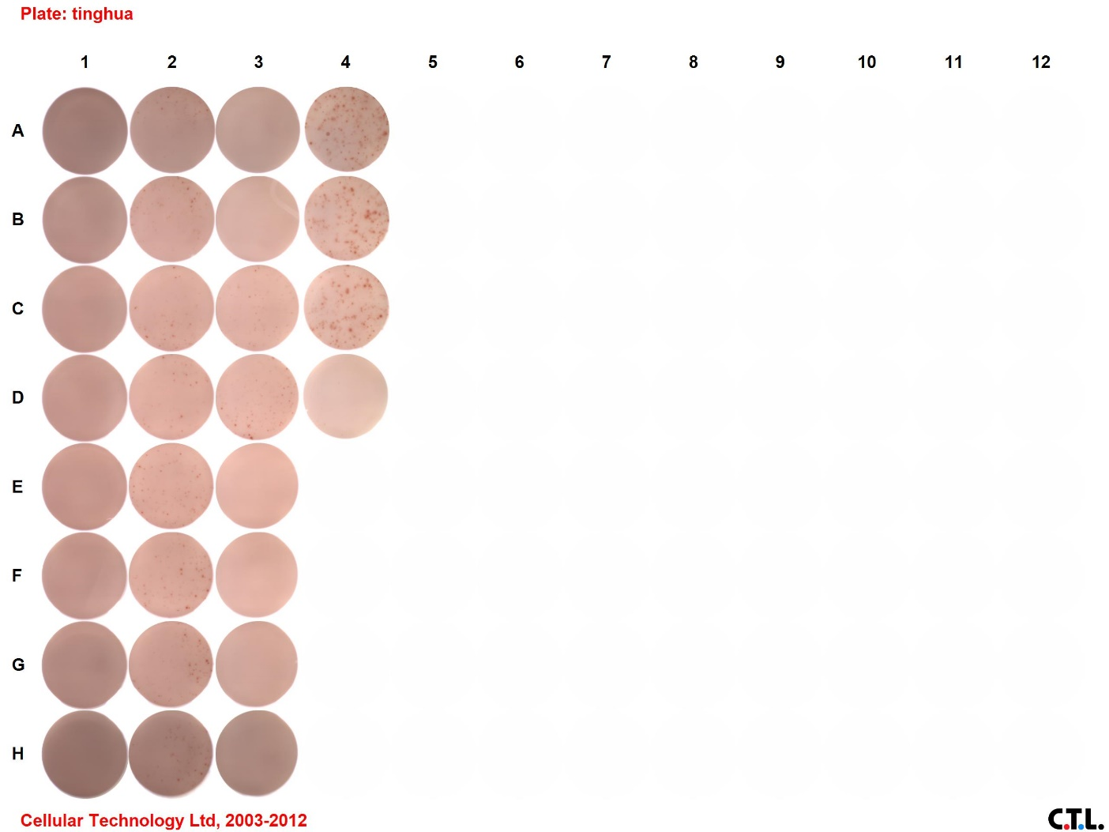
Figure 1g
 | SIY-; Cre- | 0 | 0 | 0 | 0 | 0
 | SIY-; Cre+ | 0 | 0 | 0 | 0 | 0
 | SIY+; Cre- | 0 | 20 | 40 | 20 | 0
 | SIY+; Cre+ | 10 | 80 | 70 | 70 | 70

 | Samples in the ELISPOT plate:
 | SIY-; Cre- |  | 1A, 1B, 1C, 1D, 3A
 | SIY-; Cre+ |  | 1E, 1F, 1G, 1H, 3B
 | SIY+; Cre- |  | 2A, 2B, 2C, 2D, 3C
 | SIY+; Cre+ |  | 2E, 2F, 2G, 2H, 3D
 | ConA positive control |  | 4A, 4B, 4C
 | Mock |  | 4D

