Figure 2a,b
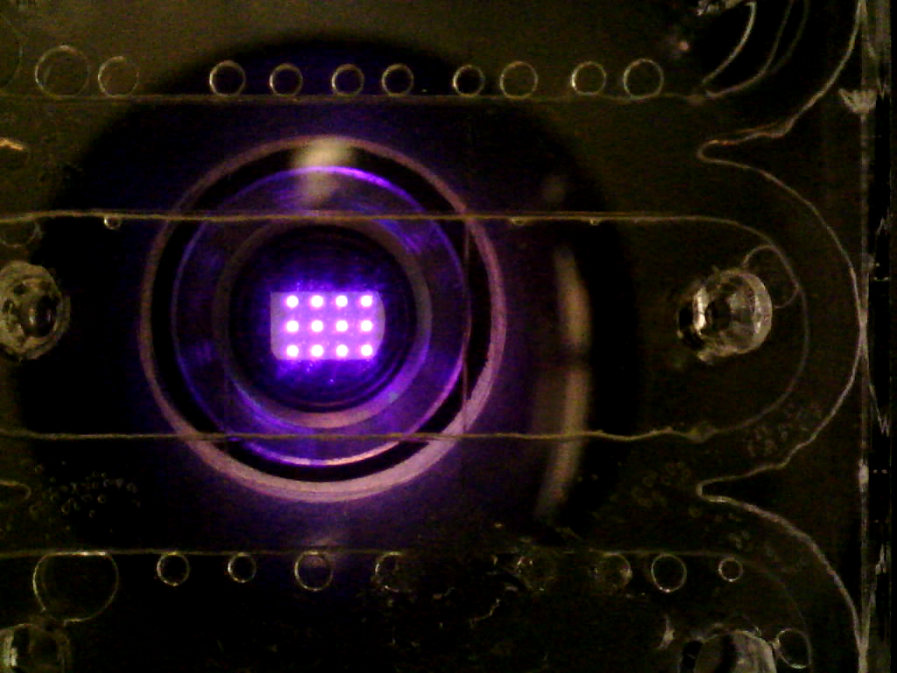
Figure 2a | Date | 2019-04-30
 | note | Bright field image
 | Instrument | MicroViewer5MP

Figure 2b

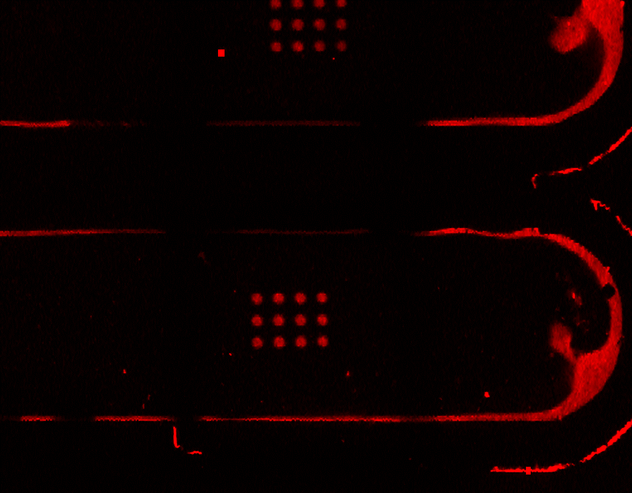
 | Date | 2019-04-30
 | note | Fluorescence
 | Instrument | Typhoon FLA 9000 Imager (GE)

Figure 2c
Figure 2c
 | 1 | 2 | 3 | 4 | 5 | 6 | 7 | 8 | 9 | 10 | 11 | 12
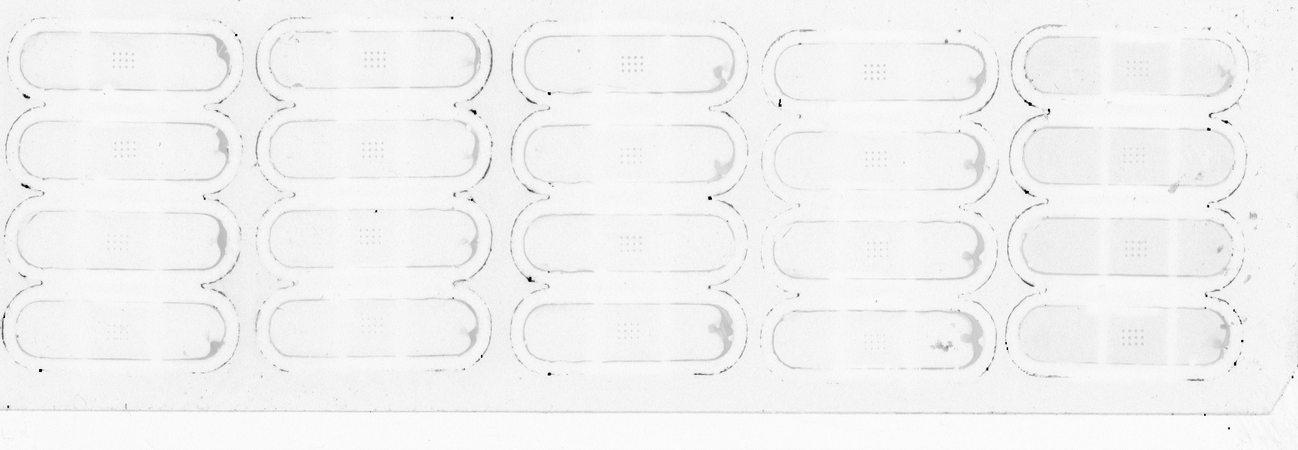

TOP

Bottom

Date | 2019-05-07
note | Fluorescence
Instrument | Typhoon FLA 9000 Imager (GE)

Column | Transition | Illumination time (seconds) (Top to bottom)
1 | A->G | 10, 8, 6, 4
2 | T->G | 10, 8, 6, 4
3 | C->G | 8, 10, 12.5, 15
4 | A->C | 8, 10, 12.5, 15
5 | T->C | 8, 10, 12.5, 15
6 | G->C | 8, 10, 12.5, 15
7 | C->A | 10, 12.5, 15, 17.5
8 | T->A | 10, 8, 6, 4
9 | G->A | 10, 8, 6, 4
10 | A->T | 10, 8, 6, 4
11 | G->T | 10, 8, 6, 4
12 | C->T | 10, 12.5, 15, 17.5

Figure 3c
Figure 3c

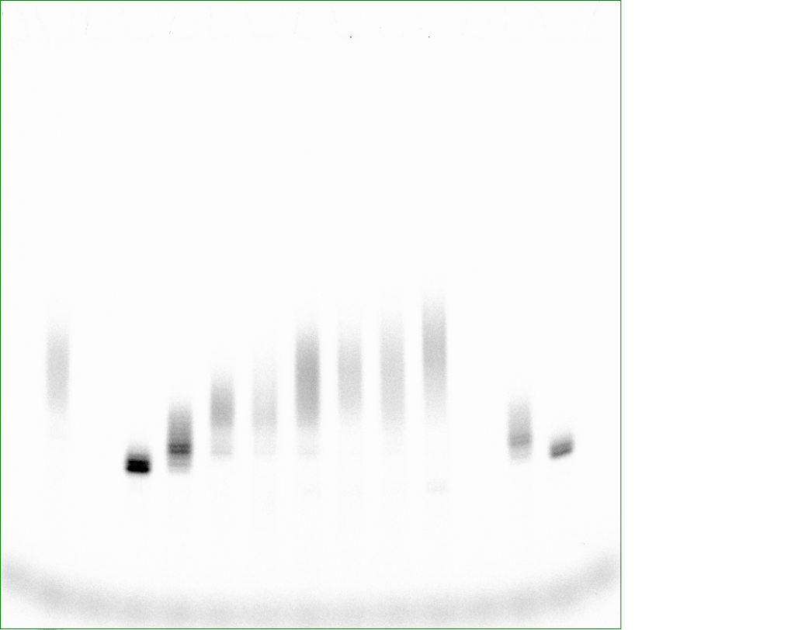

 |  |  |  |  |  |  |  |  |  |  |  | Date | 2019-09-18
 |  |  |  |  |  |  |  |  |  |  |  | note | Fluorescence (Cy5), 15% TBE-Urea precast polyacrylamide gel
 |  |  |  |  |  |  |  |  |  |  |  | Instrument | Typhoon FLA 9000 Imager (GE)

 |  |  | #1 | #2 | #3 | #4 | #5 | #6 | #7 | #8

 | Ladder |  | G | G | G | G | G | G | G | G | Ladder
 |  |  | ligation | ligation | ligation | ligation | ligation | ligation | ligation | ligation
 |  | 8 |  |  |  |  |  |  |  | C(10s)
 |  | 7 |  |  |  |  |  |  | C(10s) | A(10s)
 |  | 6 |  |  |  |  |  | C(10s) | G(10s) | G(10s)
 |  | 5 |  |  |  |  | C(10s) | A(10s) | A(10s) | A(10s)
 |  | 4 |  |  |  | C(10s) | T(10s) | T(10s) | T(10s) | T(10s)
 |  | 3 |  |  | C(10s) | G(10s) | G(10s) | G(10s) | G(10s) | G(10s)
 |  | 2 |  | C(10s) | T(10s) | T(10s) | T(10s) | T(10s) | T(10s) | T(10s)
 |  | 1 | C(10s) | A(10s) | A(10s) | A(10s) | A(10s) | A(10s) | A(10s) | A(10s)
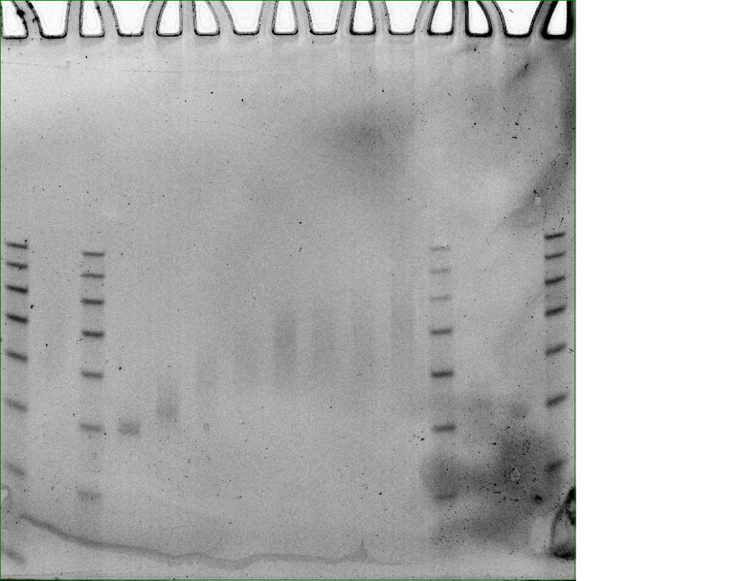
 |  |  | GGGG | GGGG | GGGG | GGGG | GGGG | GGGG | GGGG | GGGG
 |  |  |  |  |  |  |  |  |  |  |  | Date | 2019-09-18
 |  |  |  |  |  |  |  |  |  |  |  | note | Fluorescence (Cy3 DIGE),15% TBE-Urea precast polyacrylamide gel
 |  |  |  |  |  |  |  |  |  |  |  | Instrument | Typhoon FLA 9000 Imager (GE)

Figure S1
Supplementary Figure 1 |  |  |  |  |  | Date | 2019-03-25
 |  | DNMP-EDTA concentration |  |  |  | note | Fluorescence (Cy3), glass slide
 |  | 1.25mM | 1.5mM | 1.75mM | 2mM | Instrument | Typhoon FLA 9000 Imager (GE)
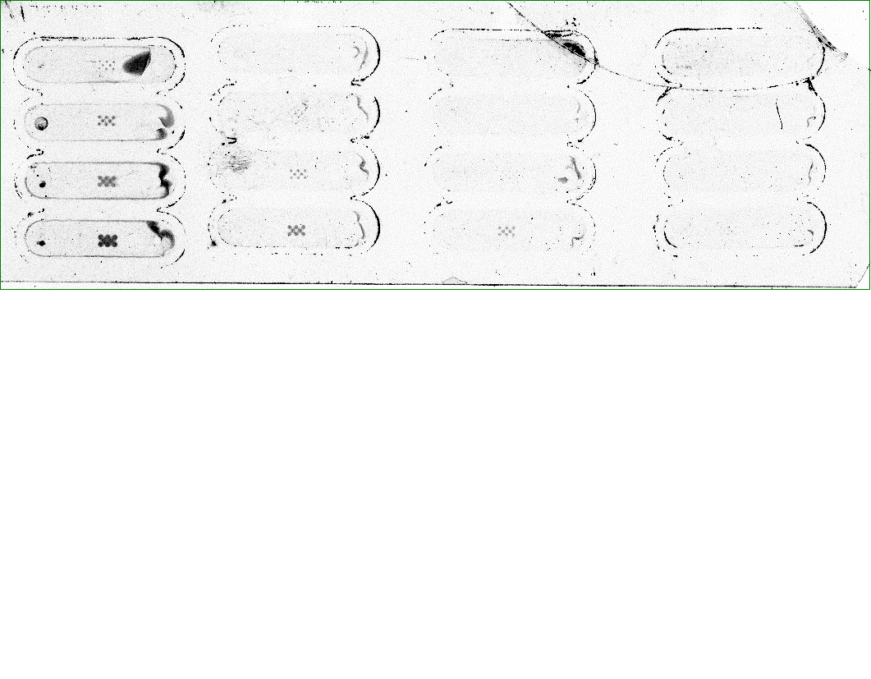
spot diameter(um)

 | 76
 | 155
 | 230
 | 300

Figure S2
Supplementary Figure 2 | Date | 2019-03-31
 | note | Fluorescence (Cy3), glass slide
 | Instrument | Typhoon FLA 9000 Imager (GE)



0 second
30 seconds

60 seconds
5 seconds

10 seconds

15 seconds

Figure S3
Supplementary Figure 3 | Date | 2019-04-22
 | note | Fluorescence (Cy3), glass slide
 | Instrument | Typhoon FLA 9000 Imager (GE)

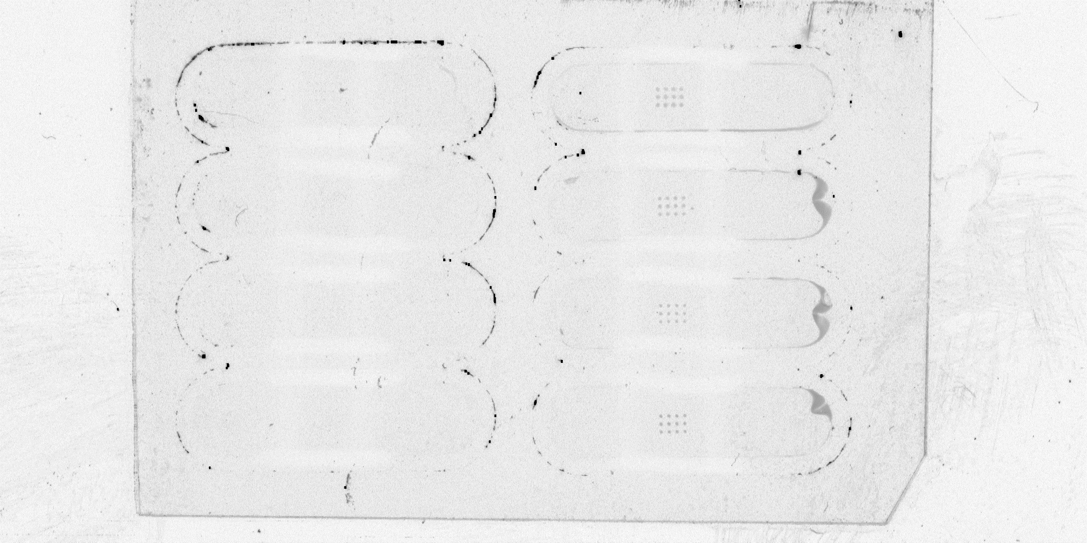

TdT 4U/ul
Glycerol 10%

TdT 4U/ul
Glycerol 15%
TdT 6U/ul
Glycerol 15%

TdT 4U/ul
Glycerol 20%
TdT 8U/ul
Glycerol 20%

TdT 4U/ul
Glycerol 25%
TdT 10U/ul
Glycerol 25%

