Fig.1b
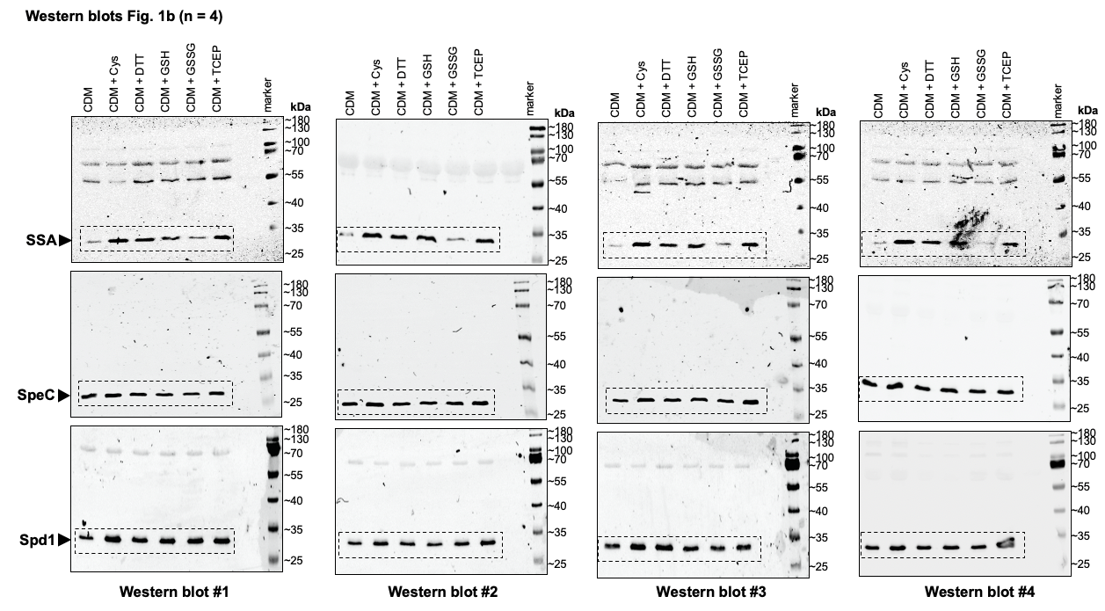
Fig.1b: Immunoblot detection of SSA, SpeC and Spd1 in culture supernatants of HKU16 grown in a chemically defined medium (CDM) in the presence of various redox-active compounds.

SSA |  |  |  |  |  | SpeC |  |  |  |  |  | Spd1
CDM | CDM + Cys | CDM + DTT | CDM + GSH | CDM + GSSG | CDM + TCEP | CDM | CDM + Cys | CDM + DTT | CDM + GSH | CDM + GSSG | CDM + TCEP | CDM | CDM + Cys | CDM + DTT | CDM + GSH | CDM + GSSG | CDM + TCEP
1.000 | 9.668 | 6.802 | 7.642 | 2.298 | 6.978 | 1.000 | 1.123 | 0.945 | 0.880 | 0.755 | 0.936 | 1.000 | 1.448 | 1.409 | 1.556 | 1.592 | 1.392
1.000 | 4.717 | 3.874 | 3.124 | 1.524 | 3.900 | 1.000 | 1.381 | 1.095 | 1.022 | 1.135 | 1.309 | 1.000 | 1.141 | 1.148 | 1.003 | 1.266 | 1.511
1.000 | 8.002 | 5.545 | 5.523 | 0.771 | 4.835 | 1.000 | 1.478 | 1.257 | 1.240 | 1.185 | 1.703 | 1.000 | 1.418 | 1.506 | 1.094 | 0.949 | 1.104
1.000 | 4.816 | 3.627 | 4.343 | 1.271 | 3.861 | 1.000 | 1.219 | 0.872 | 0.987 | 0.856 | 0.899 | 1.000 | 1.405 | 1.009 | 1.159 | 1.028 | 1.367

Fig.1d
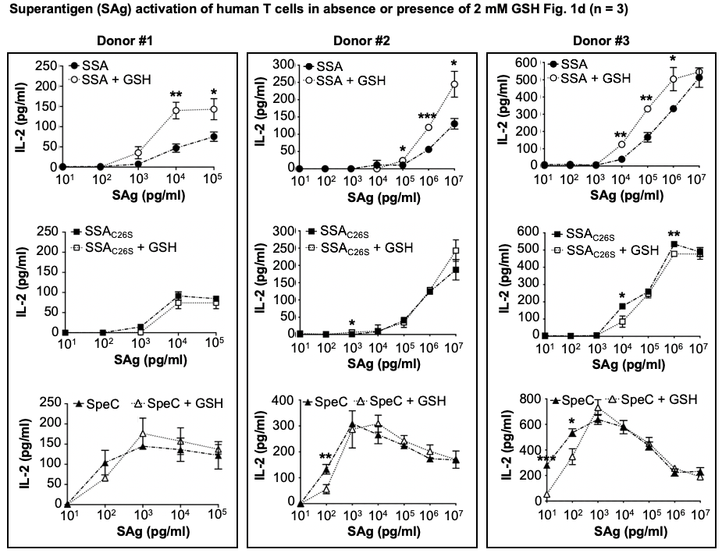
Fig.1d: Superantigen (SAg) activation of human T cells with SSA (circular), SSAC26S (square), and SpeC (triangular) at the indicated concentrations in absence (black; dash-dot line) or presence of 2 mM of GSH (white; dotted line), using human IL-2 as a readout.

SAag (pg/ml) | SSA |  |  | SSA + GSH |  |  | SSA_C26S |  |  | SSA_C26S + GSH |  |  | SpeC |  |  | SpeC + GSH
10^5 | 70.043 | 67.169 | 88.720 | 173.489 | 126.076 | 130.386 | 84.410 | 87.284 | 81.537 | 71.479 | 90.157 | 61.422 | 85.847 | 153.374 | 127.513 | 150.501 | 128.949 | 131.823
10^4 | 38.434 | 44.181 | 58.549 | 126.076 | 130.386 | 163.431 | 98.778 | 84.410 |  | 71.479 | 61.422 | 90.157 | 124.639 | 114.582 | 169.178 | 133.260 | 143.317 | 195.040
10^3 | 8.262 | 9.699 | 3.952 | 49.928 | 36.997 | 19.756 | 21.193 | 15.446 | 6.826 | 2.515 | 0.000 | 0.000 | 140.443 | 153.374 | 140.443 | 177.799 | 213.718 | 137.570
10^2 | 3.952 | 0.000 | 0.000 | 0.000 | 0.000 | 0.000 | 0.000 | 0.000 | 0.000 | 0.000 | 0.000 | 0.000 | 82.973 | 139.007 | 90.157 | 70.043 | 64.296 | 62.859
10^1 | 1.079 | 0.000 | 2.515 | 0.000 | 0.000 | 0.000 | 0.000 | 0.000 | 0.000 | 0.000 | 0.000 | 0.000 | 0.000 | 2.515 | 2.515 | 0.000 | 0.000 | 0.000

Fig.4c
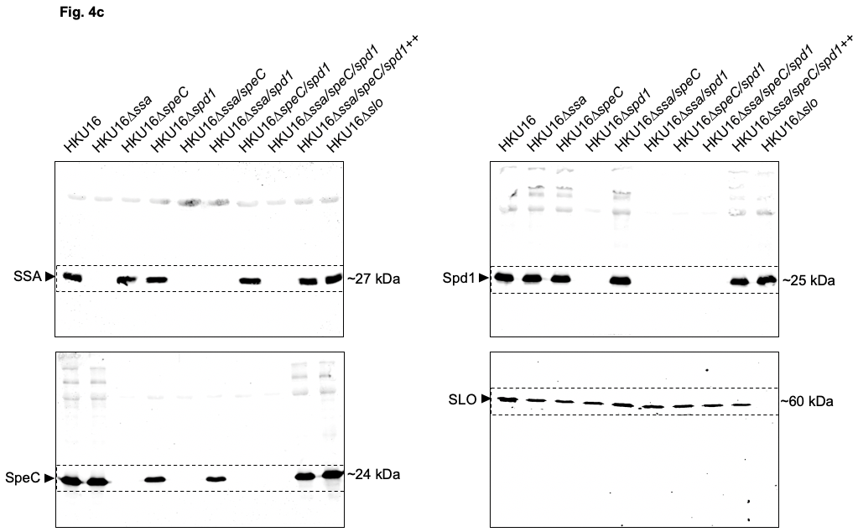
Fig.4c: Immunoblot detection of SSA, SpeC, Spd1 and SLO expression from indicated HKU16 strains. The molecular mass of each protein (kDa) is indicated to the right.

Suppl. Fig.2
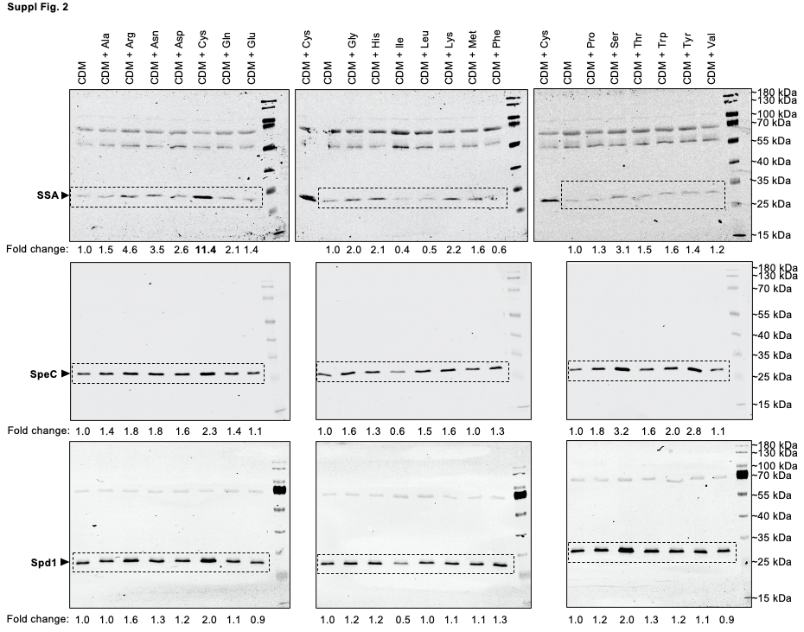
Fig.S2: Small molecule screen of all 20 amino acids used to identify cysteine as a factor specifically enhancing release of the exotoxin SSA by HKU16 grown in chemically defined medium (CDM).

Suppl. Fig.3a
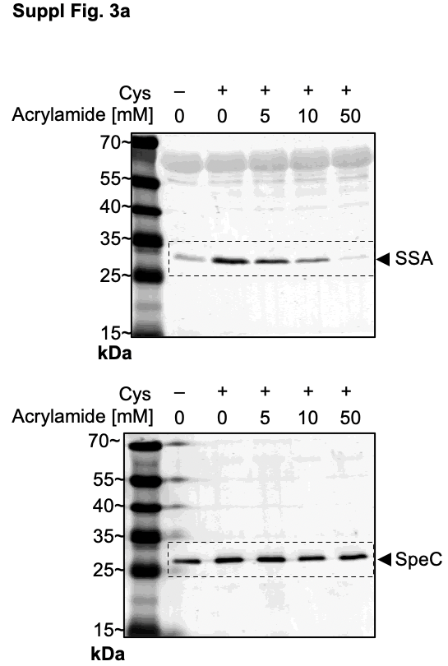
Fig.S3a: Western immunoblot detection of secreted SSA and SpeC after supplementation of CDM with 2 mM Cys pre-treated with increasing concentrations of acrylamide.

Suppl. Fig.5a
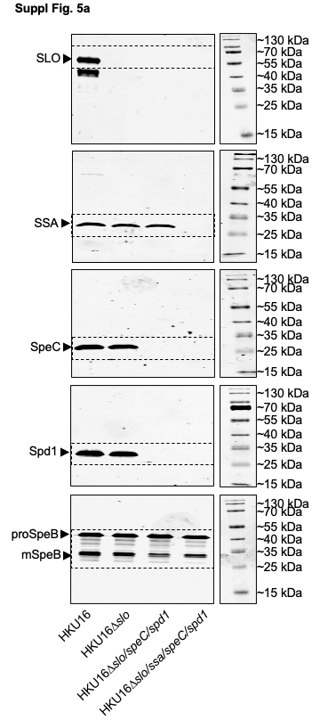
Fig.S5a: Immunoblot detection of SLO, SSA, SpeC, Spd1 and SpeB expression from indicated HKU16 strains.

