Supp Fig 4g
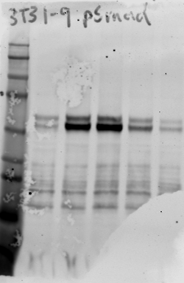
antibody: phospho-Smad2/3 (abcam ab52903)
molecular weight markers in kD (top to bottom): 250, 150, 100, 75, 50, 37, 25, 20
column | treatment
1 | DMSO control
2 | TGFB1 1 ng/ml
3 | TGFB1 1 ng/ml + IgG 3 ug/ml
4 | TGFB1 1 ng/ml + anti-TGFB antibody 3 ug/ml
5 | TGFB1 1 ng/ml + 10 uM SB431542

