Supplementary Figure 3
Supplementary Figure 3. SDS-PAGE analysis of whole-cell proteins of Module 3 expressed in E. coli.

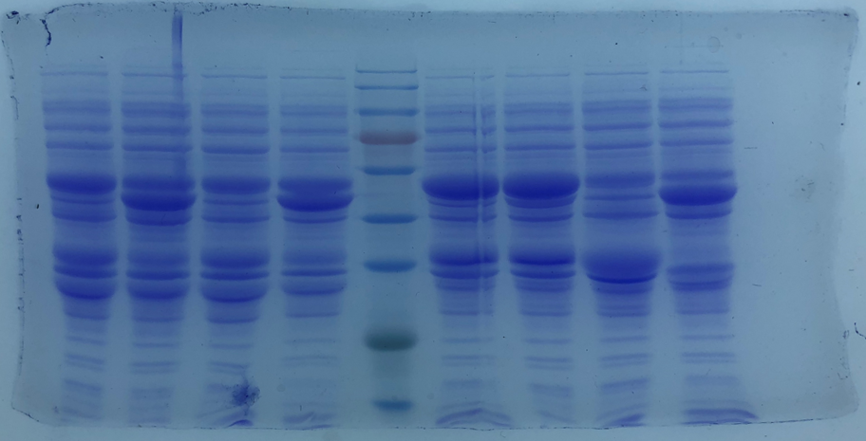
1 2 3 4 M 5 6 7 8

Supplementary Figure 5
Supplementary Figure 5. SDS-PAGE analysis of whole-cell proteins of Module 2 expressed in E. coli.

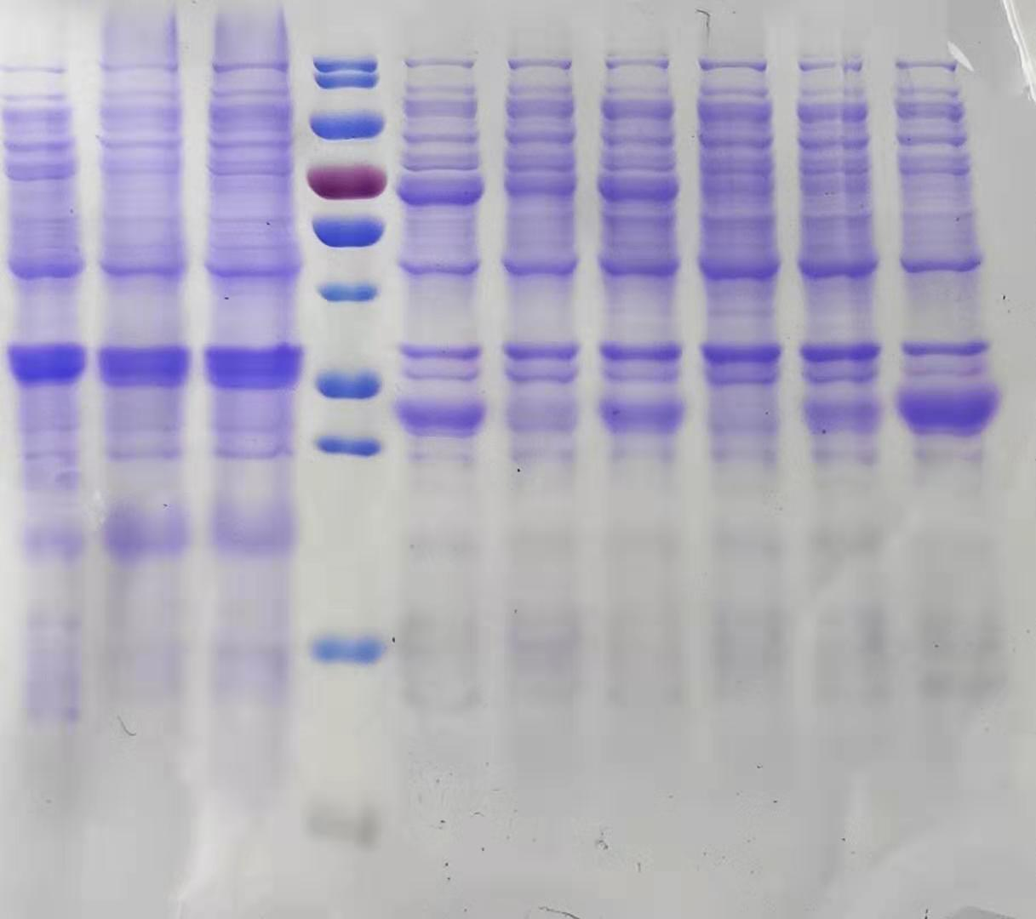
M 1 2 3 4 5 6

Supplementary Figure 6
Supplementary Figure 6. SDS-PAGE analysis of whole-cell proteins of Module 1 expressed in E. coli.

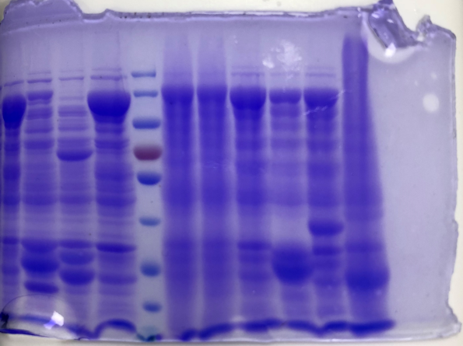
M 1 2 3 4

Supplementary Figure 7a,b
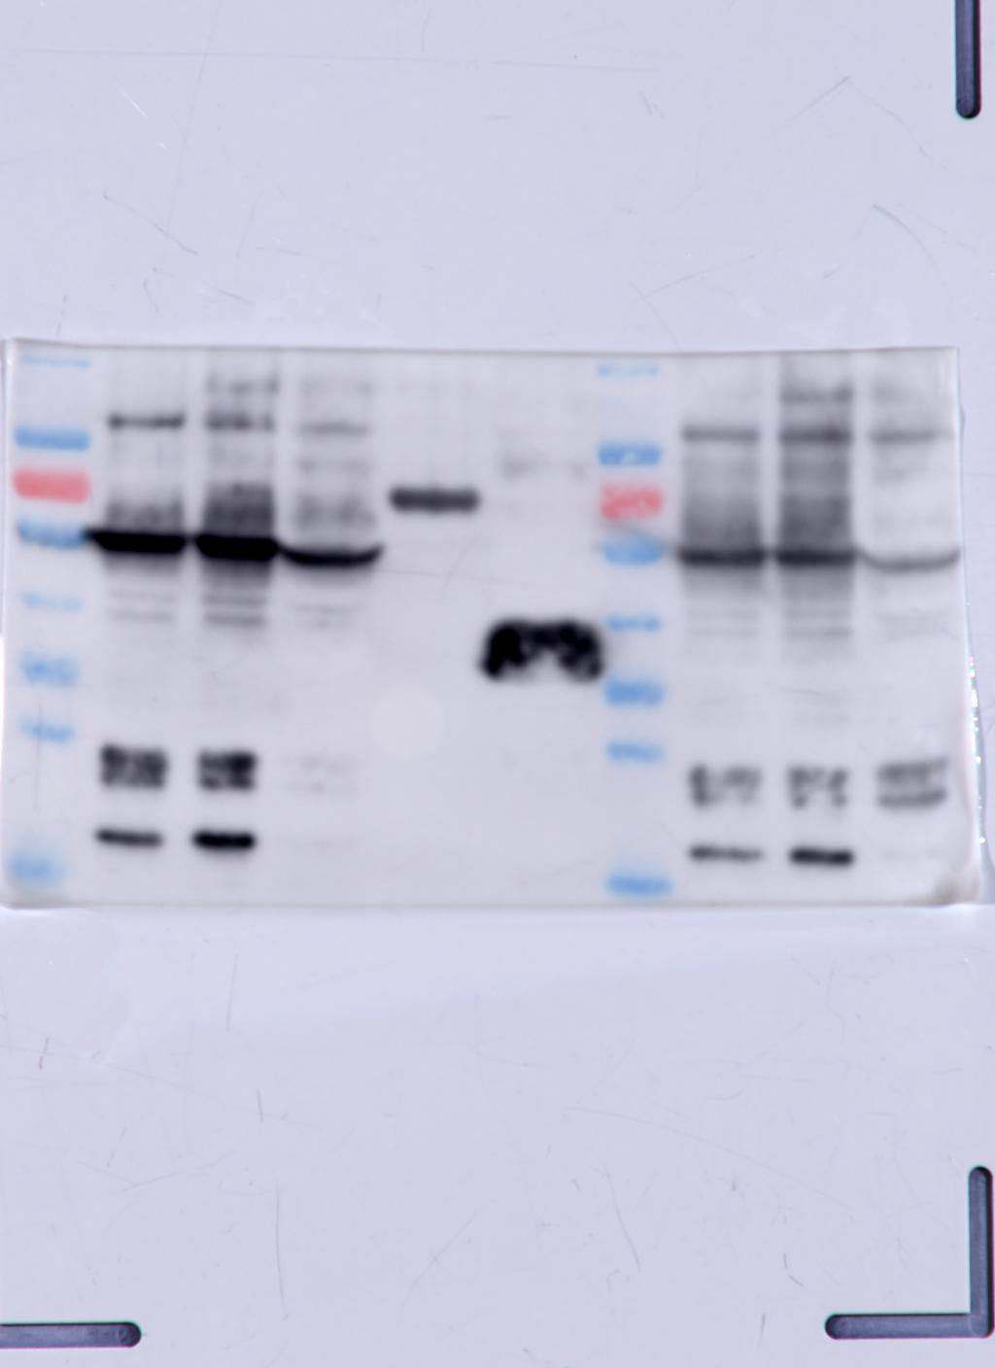
Supplementary Figure 7a. Western blot analysis of recombinant enzyme expressions.

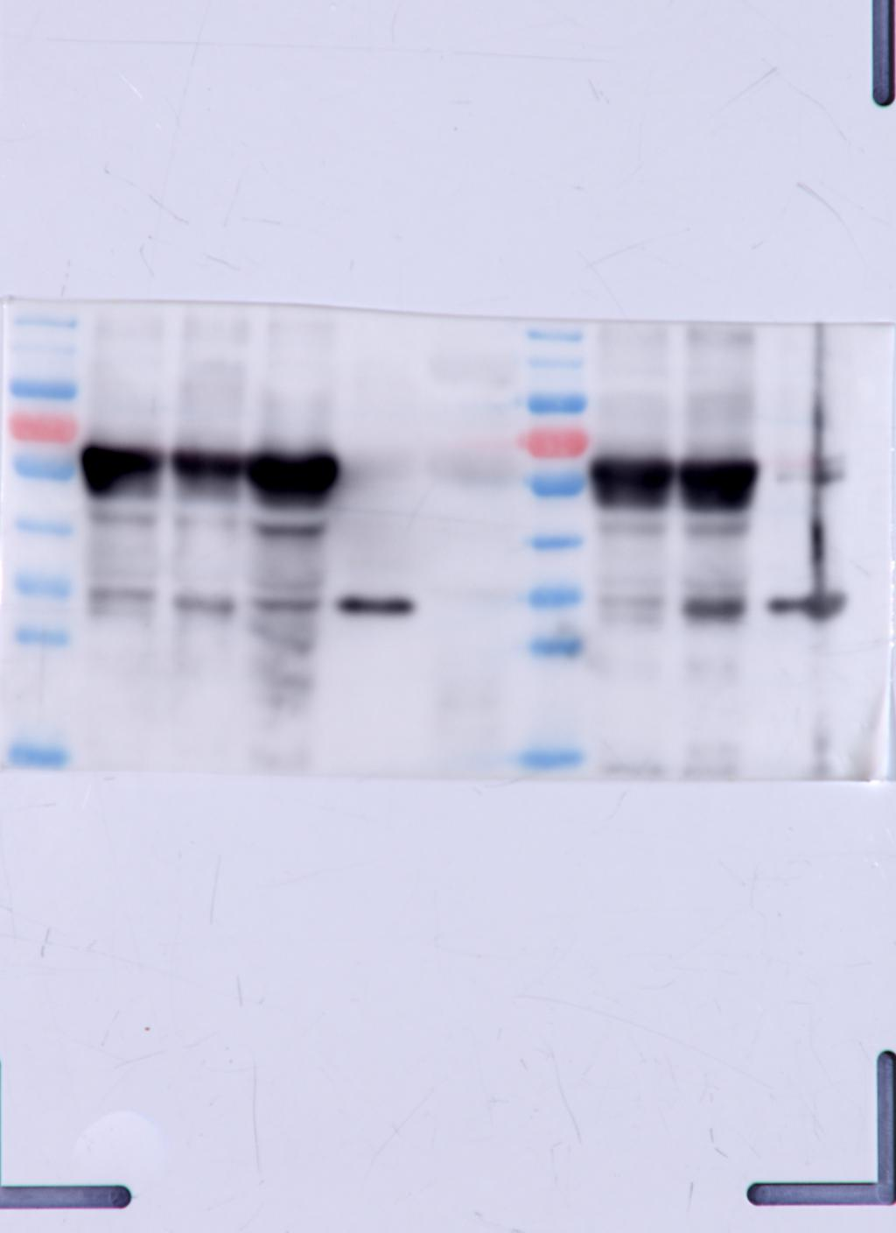

Supplementary Figure 67b. Western blot analysis of recombinant enzyme expressions.

