Figure 2
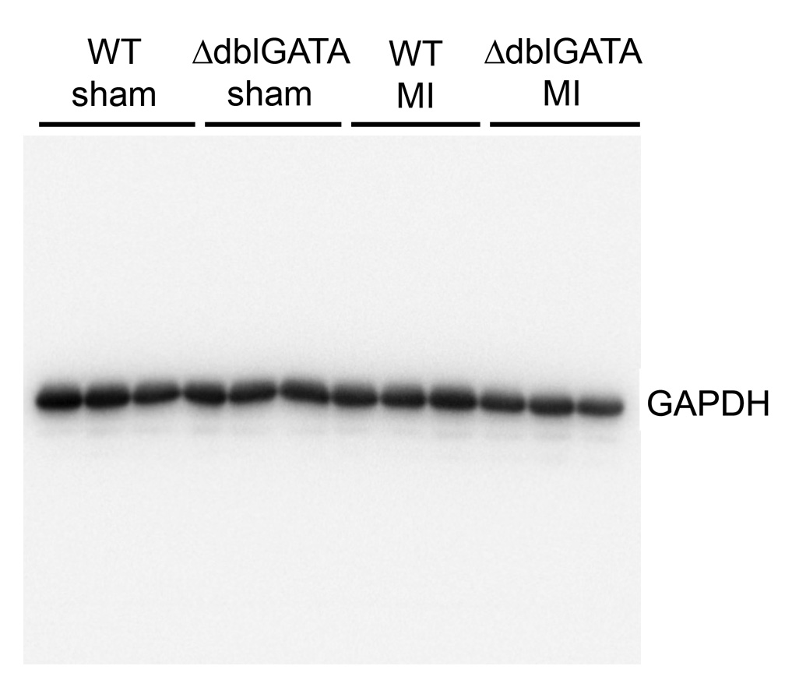
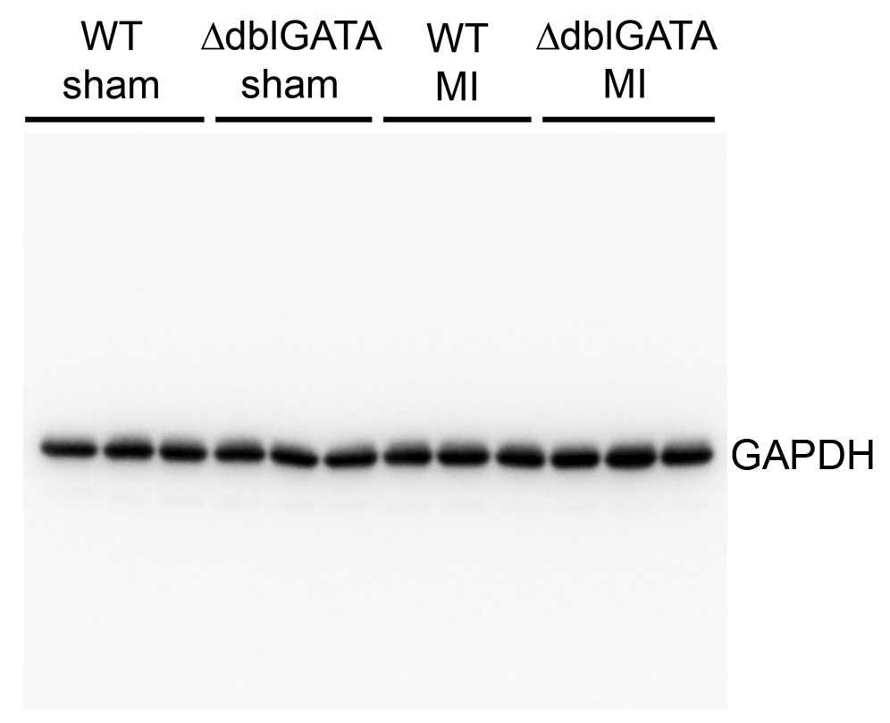
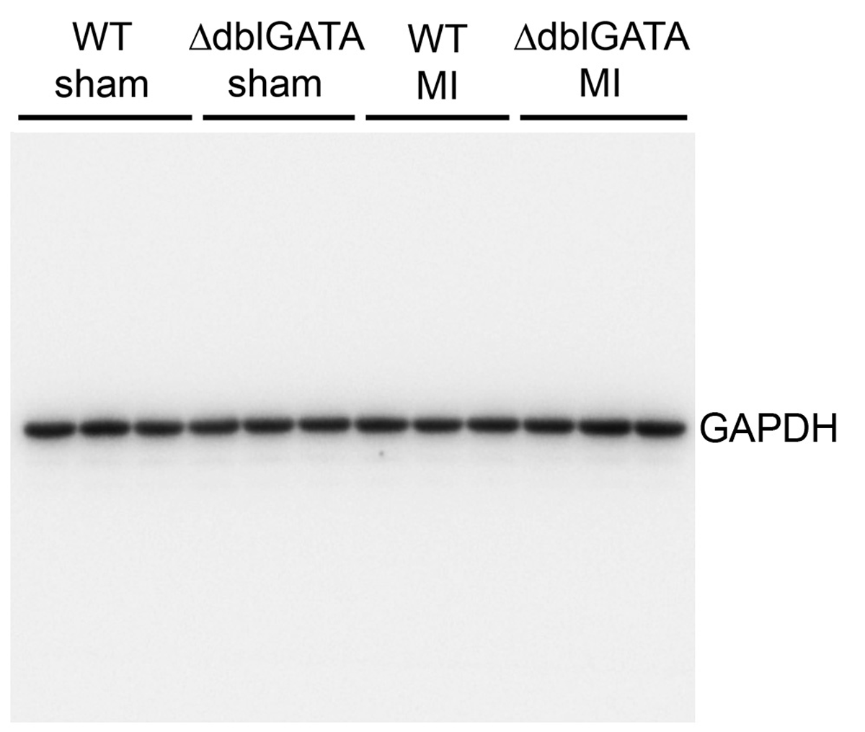
Figure 2. EOS-deficiency exacerbates cardiac dysfunction post-MI.

Figure 2c (EF%) |  |  |  |  | Figure 2c (FS%) |  |  |  | Figure 2c (LV Vol;d μL) |  |  |  | Figure 2c (LV Vol;s μL) |  |  |  | Figure2c (HW/BW mg/g) |  |  |  | Figure2c (HW/TL mg/mm) |  |  |  | Figure2c (Mortality %)
WT sham | GATA sham | WT MI | GATA MI |  | WT sham | GATA sham | WT MI | GATA MI | WT sham | GATA sham | WT MI | GATA MI | WT sham | GATA sham | WT MI | GATA MI | WT sham | GATA sham | WT MI | GATA MI | WT sham | GATA sham | WT MI | GATA MI |  | Dead | Alive | Total
55.404346 | 67.847325 | 29.706238 | 20.16559 |  | 28.820128 | 37.349384 | 14.003592 | 9.268298 | 104.37 | 73.4 | 124.14 | 145.37 | 46.54 | 23.6 | 87.26 | 116.06 | 4.85 | 5.04 | 4.71 | 7.62 | 7.18 | 6.88 | 6.74 | 10.53 | WT MI | 7 | 20 | 27
63.307693 | 74.26256 | 34.951812 | 34.733548 |  | 34.036939 | 42.439028 | 16.932271 | 16.875 | 81.42 | 60.34 | 156.68 | 173.21 | 29.88 | 15.53 | 101.92 | 113.05 | 4.65 | 5.11 | 6.84 | 7.98 | 7 | 6.86 | 9.29 | 12.05 | GATA MI | 6 | 20 | 26
64.183768 | 64.874276 | 43.207157 | 18.651069 |  | 34.577106 | 35.152833 | 21.407407 | 8.568784 | 74.38 | 78.5 | 121.71 | 162.65 | 26.64 | 27.58 | 69.12 | 132.32 | 5.18 | 4.56 | 6.69 | 7.05 | 7.47 | 8.06 | 9.53 | 9.94
68.355655 | 70.588618 | 33.291576 | 28.618825 |  | 37.922078 | 39.650151 | 16.036042 | 13.383832 | 84.5 | 79.29 | 157.84 | 111.08 | 26.74 | 23.32 | 105.29 | 79.29 | 4.42 | 5.4 | 6.33 | 5.7 | 6.63 | 7.91 | 8.94 | 8.3
68.835163 | 79.676457 | 34.819115 | 13.62333 |  | 38.258575 | 47.524752 | 16.781615 | 6.259314 | 81.42 | 59.05 | 138.12 | 243.22 | 25.38 | 12 | 90.03 | 210.08 | 4.3 | 5.26 | 4.73 | 7.03 | 6.15 | 8.24 | 7.17 | 9.57
68.852528 | 68.354456 | 42.808804 | 24.879439 |  | 38.363171 | 38.08463 | 21.281466 | 11.500006 | 87.63 | 96.52 | 139.6 | 113.71 | 27.29 | 30.54 | 79.84 | 85.42 | 4.71 | 4.51 | 5.21 | 6.61 | 7.31 | 6.42 | 7.97 | 10.22
53.027811 | 65.586008 | 39.709453 | 40.789821 |  | 26.88391 | 35.789486 | 19.432314 | 20.190019 | 69.56 | 85.55 | 126.78 | 154.51 | 32.67 | 29.44 | 76.44 | 91.48 | 4.84 | 4.65 | 7.13 | 6.31 | 6.55 | 7.23 | 6.82 | 8.45
57.325165 | 58.832915 | 39.436441 | 10.050055 |  | 29.923274 | 30.810811 | 19.354838 | 4.538098 | 87.63 | 76.93 | 141.26 | 201.08 | 37.4 | 31.67 | 85.55 | 180.87 | 5.44 | 4.77 | 4.63 | 6.9 | 7.73 | 7.41 | 8.1 | 9.49
55.396487 | 55.386152 | 36.147574 | 25.64508 |  | 28.645828 | 28.260876 | 17.551622 | 11.977187 | 88.16 | 60.28 | 147.96 | 139.48 | 39.32 | 26.89 | 94.48 | 103.71 | 4.84 | 4.54 | 5.16 | 6.56 | 6.74 | 6.82 | 7.4 | 9.66
58.87191 | 53.261199 | 36.102266 | 15.513575 |  | 30.820405 | 27.020783 | 17.592587 | 7.142867 | 75.7 | 68.72 | 133.43 | 221.63 | 31.13 | 32.12 | 104.75 | 187.25 | 4.69 | 4.49 | 4.74 | 5.32 | 6.85 | 6.65 | 8.81 | 8.16
 | 71.354277 | 43.924293 | 25.438786 |  |  | 40.052359 | 21.899231 | 11.83432 |  | 65.89 | 93.28 | 128.11 |  | 18.88 | 74.82 | 95.52 |  | 5.17 | 6.64 | 6.37 |  | 6.67 | 7.49 | 8.78
 | 72.973947 | 39.702444 | 16.603928 |  |  | 41.551247 | 19.209052 | 7.509887 |  | 72.57 | 135.79 | 127.52 |  | 19.61 | 56.24 | 106.35 |  | 5.22 | 5.09 | 5.47 |  | 7.83 | 9.94 | 7.36
 |  | 19.268868 | 28.098706 |  |  |  | 8.80829 | 13.107828 |  |  | 118.36 | 109.02 |  |  | 109.62 | 78.38 |  |  | 7.68 | 6.46 |  |  | 9.08 | 8.78
 |  | 46.727598 | 28.434283 |  |  |  | 23.469383 | 13.333333 |  |  | 97.03 | 121.18 |  |  | 63.05 | 86.73 |  |  | 5.69 | 5.63 |  |  | 9.64 | 7.84
 |  | 38.277186 | 21.418325 |  |  |  | 18.444452 | 9.778604 |  |  | 112.27 | 110.44 |  |  | 59.89 | 86.78 |  |  | 6.68 | 5.52 |  |  | 8.48 | 7.91
 |  | 43.120735 | 18.884519 |  |  |  | 21.294362 | 8.662015 |  |  | 113.36 | 153 |  |  | 63.86 | 124.11 |  |  | 5.18 | 5.02 |  |  | 8.14 | 6.69
 |  | 18.371226 |  |  |  |  | 8.316002 |  |  |  | 91.55 |  |  |  | 92.54 |  |  |  | 5.25 | 6.16 |  |  | 8.63 | 9.05
 |  | 32.4385 |  |  |  |  | 15.261953 |  |  |  |  |  |  |  | 61.86 |  |  |  | 6.23 | 7.34 |  |  | 8.54 | 10.22
 |  |  |  |  |  |  |  |  |  |  |  |  |  |  |  |  |  |  | 5.92 | 6.19 |  |  | 7.7 | 9.93
 |  |  |  |  |  |  |  |  |  |  |  |  |  |  |  |  |  |  | 5.03

Figure 2d (Infarct size ratio) |  |  | Figure 2d (Thickness μm) |  |  | Figure 2f (Apoptotic cell number in infarct region per 105 μm2) |  |  |  | Figure 2g (Masson's trichrome positive area% in infarct region)
WT MI | GATA MI |  | WT MI | GATA MI |  | WT MI | GATA MI |  |  | WT MI | GATA MI
0.47 | 0.45 |  | 132.8443299 | 28.51546392 |  | 47.28819022 | 176.5183 |  |  | 9.01 | 17.16
0.39 | 0.54 |  | 299.2175258 | 87.09278351 |  | 83.01202367 | 120.9824 |  |  | 18.19 | 26.57
0.39 | 0.53 |  | 210.3556701 | 96.81958763 |  | 94.44284067 | 106.0001 |  |  | 20.25 | 18.33
0.47 | 0.44 |  | 194.8453608 | 36.20103093 |  | 50.14746517 | 179.9129 |  |  | 5.64 | 28.58
0.46 | 0.51 |  | 199.8618557 | 69.15773196 |  | 86.6755513 | 114.4544 |  |  | 10.99 | 22.03
0.36 | 0.52 |  | 211.5804124 | 34.57731959 |  | 91.88385487 | 111.4836 |  |  | 12.55 | 16.94
0.3 | 0.48 |  | 137.9319588 | 68.46185567 |  |  |  |  |  | 9.44 | 12.69
0.33 |  |  | 244.0762887 |  |  |  |  |  |  | 15.88 | 16.13
 |  |  |  |  |  |  |  |  |  |  | 14.38
 |  |  |  |  |  |  |  |  |  |  | 17.36
Figure 2h (1-day IL4 expression fold of change) |  |  |  |  | Figure 2h (1-month IL4 expression fold of change) |  |  |  |  |  | 18.47
WT sham | GATA sham | WT MI | GATA MI |  | WT sham | GATA sham | WT MI | GATA MI |  |  | 7.81
1.01 | 0.51 | 4.76 | 1.68 |  | 1.04 | 0.36 | 9.50 | 3.41 |  |  | 18.56
0.98 | 0.73 | 4.36 | 1.86 |  | 0.93 | 0.33 | 8.98 | 3.66 |  |  | 12.84
1.01 | 0.71 | 3.43 | 1.75 |  | 1.03 | 0.51 | 8.75 | 3.87 |  |  | 16.75
1.09 | 0.77 | 4.65 | 1.67 |  | 1.12 | 0.53 | 8.02 | 2.72 |  |  | 27.94
1.12 | 0.53 | 3.76 | 1.88 |  | 0.96 | 0.39 | 10.46 | 3.68 |  |  | 15.99
0.79 | 0.65 | 4.21 | 1.33 |  | 0.92 | 0.42 | 8.42 | 3.18 |  |  | 19.57

Figure 2i (1-day mEAR1 expression fold of change)
WT sham | GATA sham | WT MI | GATA MI
0.96 | 0.66 | 2.07 | 1.63
0.89 | 0.72 | 1.82 | 1.56
1.14 | 0.68 | 1.77 | 1.46
1.23 | 0.72 | 2.32 | 1.46
0.97 | 0.64 | 2.12 | 1.62
0.80 | 0.67 | 1.97 | 1.55

 | Figure 2h (top), IL4 |  |  |  |  |  | Figure 2h (bottom), IL4 |  |  |  |  | Figure 2i, mEar1

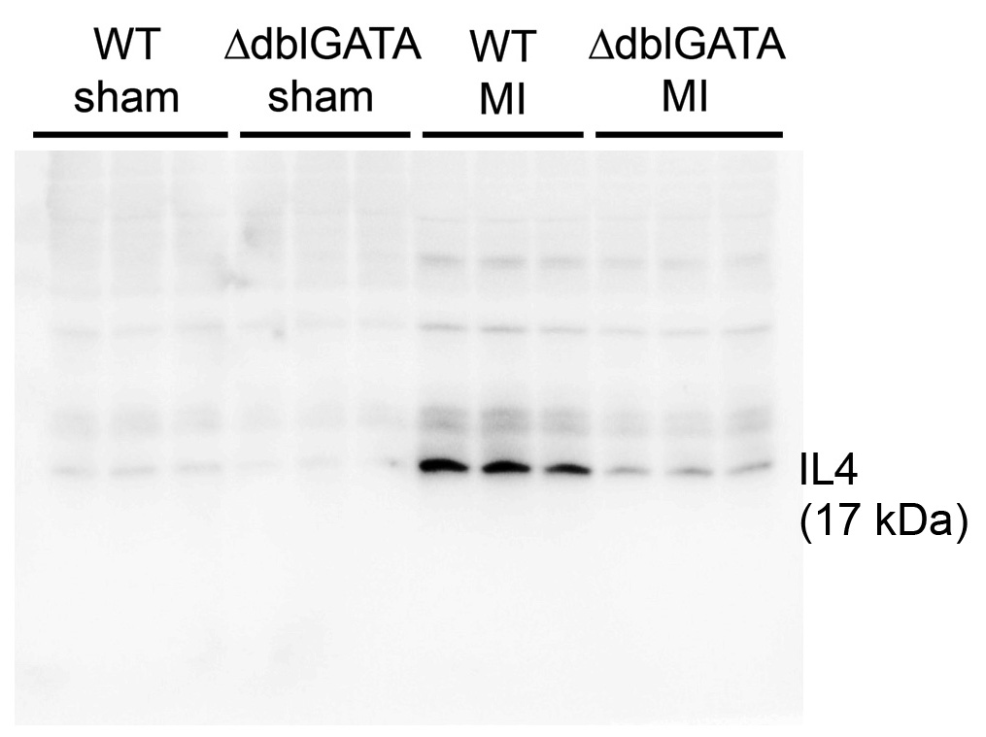
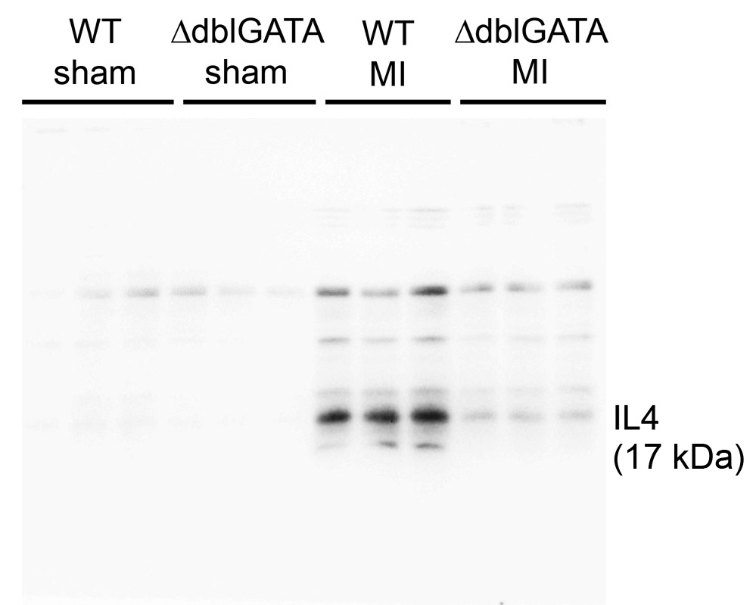
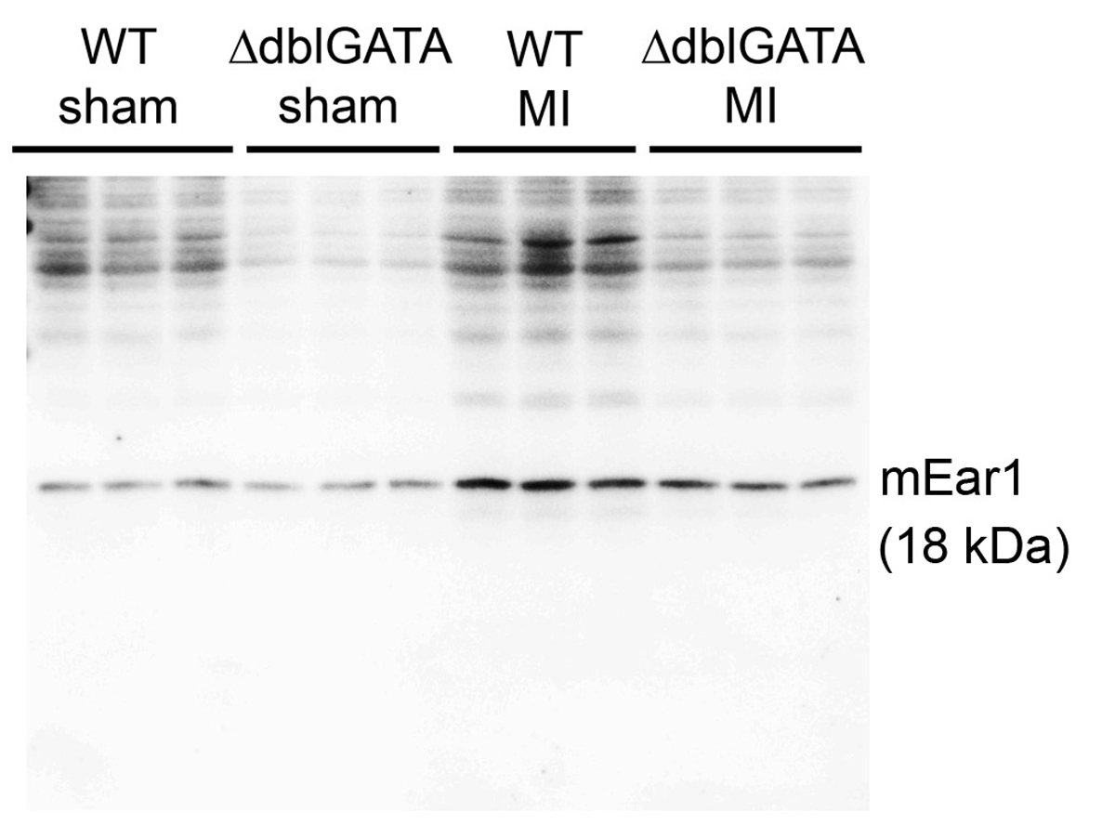

 | Figure 2h (top), GAPDH |  |  |  |  |  | Figure 2h (bottom), GAPDH |  |  |  |  | Figure 2i, GAPDH

Figure 4
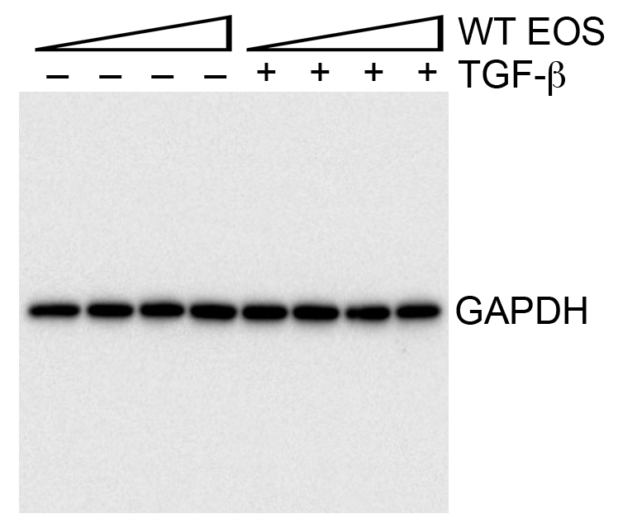
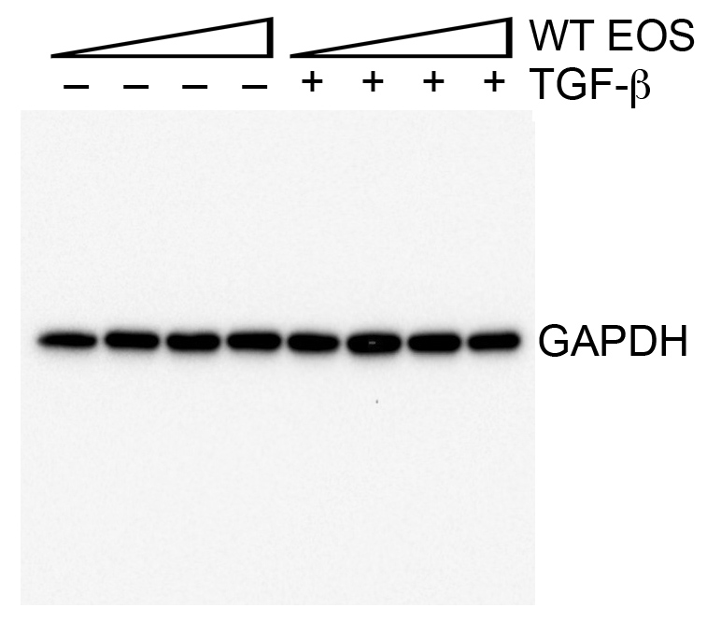
Figure 4. EOS activities in cardiac cell death, fibrosis, and cell adhesion.

Figure 4a (Apoptotic cardiomyocytes/total apoptotic cells%) |  |  |  |  | Figure 4b (Apoptotic fibroblast/total apoptotic cells%)
Infarct area | Border | Remote area |  |  | Infarct area | Border | Remote area
95.83 | 93.75 | 0 |  |  | 15.38 | 0 | 0
88.89 | 100 | 0 |  |  | 17.65 | 0 | 0
83.33 | 91.3 | 0 |  |  | 0 | 0 | 0
100 | 66.67 | 0 |  |  | 0 | 4.55 | 0
100 | 100 |  |  |  | 14.29 | 5.56 | 0
94.12 | 85.71 |  |  |  | 0 | 0
100 |  |  |  |  |  | 0
86.36 |  |  |  |  |  | 0
91.67

Figure 4c (Annexin V+PI-%)
Control | WT Eos | H2O2 | H2O2 +WT Eos
1.69 | 1.77 | 34 | 13.7
6.6 | 3.68 | 31.3 | 18.9
0.92 | 2.38 | 42.1 | 23.7
0.71 | 1.72 | 28.7 | 14
0.58 | 0.16 | 24.7 | 10.5

Figure 4d (p-smad2 fold of change) |  |  |  |  |  |  |  |  | Figure 4e (p-smad3 fold of change)
Control | WTEOS 10 | WT EOS 50 | WT EOS 100 | TGF-b | T+WT EOS 10 | T+WT EOS 50 | T+WT EOS 100 |  | Control | WTEOS 10 | WT EOS 50 | WT EOS 100 | TGF-b | T+WT EOS 10 | T+WT EOS 50 | T+WT EOS 100
1 | 1.516 | 1.429 | 1.292 | 1.711 | 1.978 | 1.459 | 1.104 |  | 1 | 1.74 | 1.047 | 1.256 | 2.259 | 1.859 | 1.816 | 0.947
1 | 1.437 | 1.212 | 1.423 | 1.898 | 1.76 | 1.885 | 1.509 |  | 1 | 1.257 | 1.4 | 1.366 | 2.208 | 2.183 | 2.171 | 1.58
1 | 0.878 | 0.878 | 1.065 | 1.926 | 1.778 | 1.638 | 1.502 |  | 1 | 1.209 | 1.258 | 1.288 | 2.023 | 2.35 | 1.895 | 1.606

Figure 4g (neutrophil adhesion cells/mm2)
Control | TNF-a | TNF-a+WT-EOS | TNF-a+IL4KO-EOS | TNF-a+IL13KO-EOS | TNF-a+WT-EOS+mEAR1 ab
228 | 321 | 201 | 312 | 303 | 390
237 | 369 | 222 | 277 | 280 | 303
309 | 312 | 171 | 289 | 264 | 379
270 | 339 | 301 | 276 | 222 | 345
273 | 315 | 216 | 321 | 299 | 324
288 | 417 | 297 | 387 | 309 | 303
243 | 294 | 294 | 402 | 213 | 372
315 | 401 | 279 | 381 | 289 | 366
279 | 420 | 288 | 324 | 324 | 396

 | Figure 4d, p-Smad2 |  |  |  |  |  |  | Figure 4e, p-Smad3

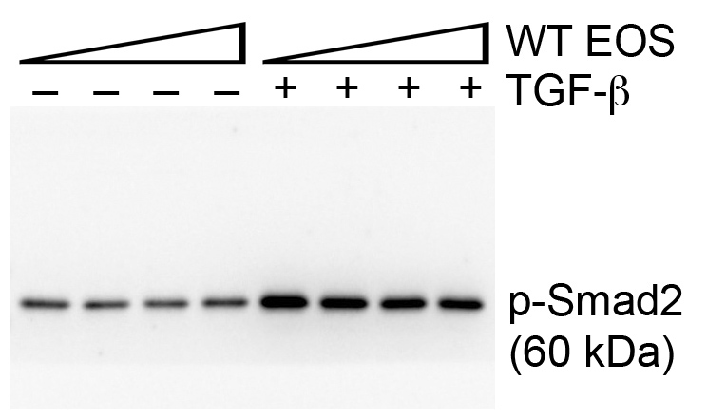
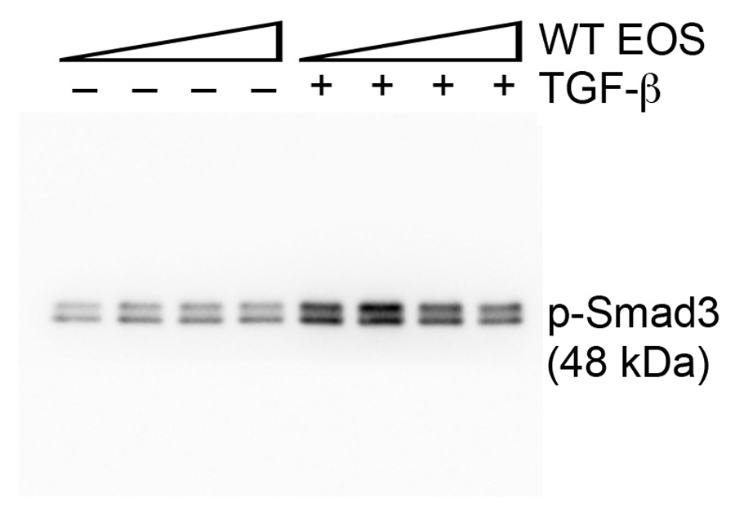

 | Figure 4d, Smad2 |  |  |  |  |  |  | Figure 4e, Smad3

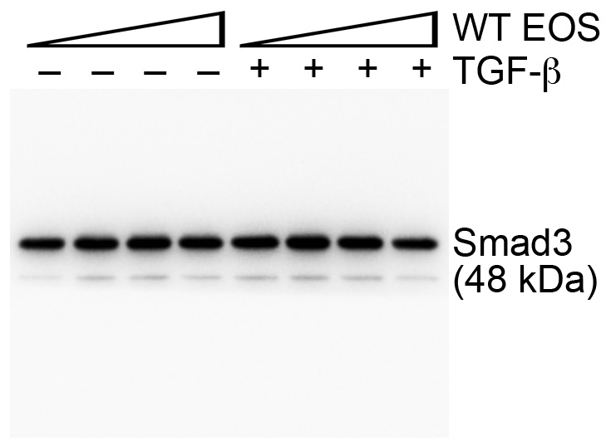

 | Figure 4d, GAPDH |  |  |  |  |  |  | Figure 4e, GAPDH

Figure 5
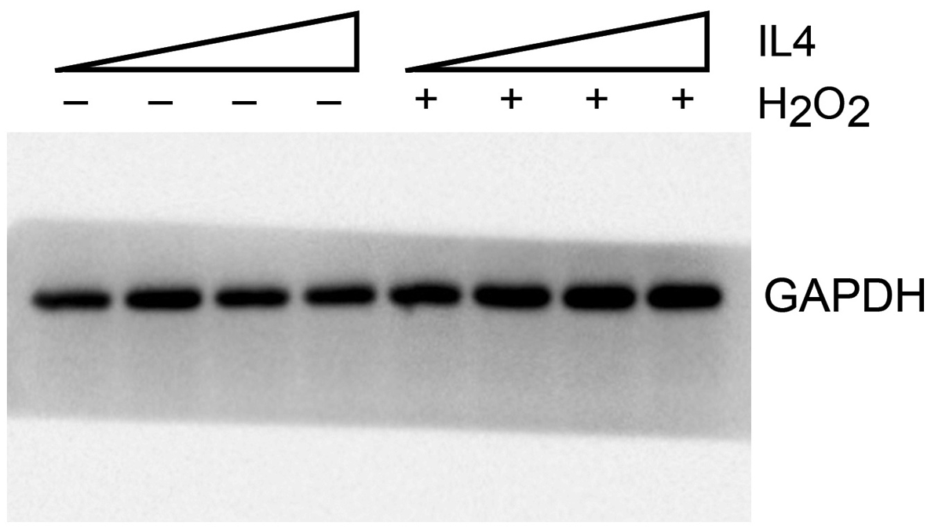
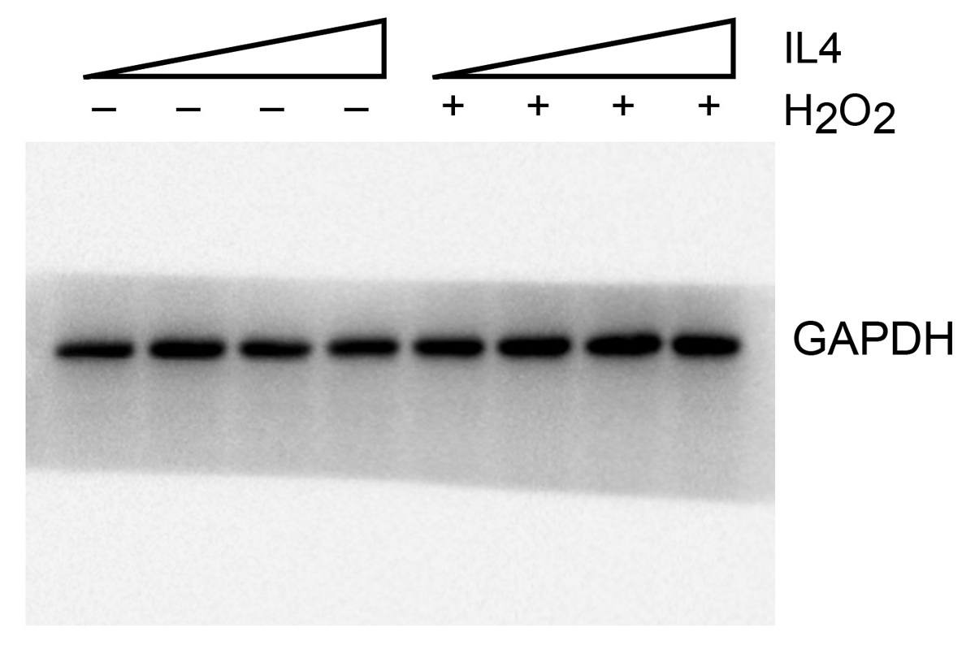
Figure 5. EOS-derived IL4 and mEAR1 protect cardiac function post-MI.

Figure 5c (EF%) |  |  |  |  |  | Figure 5c (FS%) |  |  |  |  |  | Figure 5c (LV Vol;d μL) |  |  |  |  | Figure 5c (LV Vol;s μL) |  |  |  |  | Figure 5c (HW/BW mg/g) |  |  |  |  | Figure 5c (HW/TL mg/mm) |  |  |  |  | Figure 5c (Mortality %)
ΔdblGATA, MI | ΔdblGATA+WT Eos, MI | ΔdblGATA+Il4-/- Eos, MI | ΔdblGATA+PBS, MI | ΔdblGATA+ECP, MI |  | ΔdblGATA, MI | ΔdblGATA+WT Eos, MI | ΔdblGATA+Il4-/- Eos, MI | ΔdblGATA+PBS, MI | ΔdblGATA+ECP, MI |  | ΔdblGATA, MI | ΔdblGATA+WT Eos, MI | ΔdblGATA+Il4-/- Eos, MI | ΔdblGATA+PBS, MI | ΔdblGATA+ECP, MI | ΔdblGATA, MI | ΔdblGATA+WT Eos, MI | ΔdblGATA+Il4-/- Eos, MI | ΔdblGATA+PBS, MI | ΔdblGATA+ECP, MI | ΔdblGATA, MI | ΔdblGATA+WT Eos, MI | ΔdblGATA+Il4-/- Eos, MI | ΔdblGATA+PBS, MI | ΔdblGATA+ECP, MI | ΔdblGATA, MI | ΔdblGATA+WT Eos, MI | ΔdblGATA+Il4-/- Eos, MI | ΔdblGATA+PBS, MI | ΔdblGATA+ECP, MI |  | Dead | Alive | Total
20.17 | 36.97 | 30.07 | 28.62 | 48.88 |  | 9.27 | 17.66 | 14.39 | 13.38 | 24.55 |  | 145.37 | 87.4 | 180.45 | 111.08 | 91.01 | 116.06 | 55.08 | 126.19 | 79.29 | 46.53 | 7.62 | 5.67 | 5.53 | 5.7 | 4.86 | 10.53 | 8.03 | 8.54 | 8.3 | 7.17 | ΔdblGATA, MI | 7 | 20 | 27
34.73 | 34.71 | 30.91 | 24.88 | 45.18 |  | 16.88 | 16.77 | 14.75 | 11.5 | 22.43 |  | 173.21 | 150.79 | 154.73 | 113.71 | 102.98 | 113.05 | 98.45 | 106.91 | 85.42 | 56.45 | 7.98 | 5.55 | 6.74 | 7.03 | 5.14 | 12.05 | 7.81 | 9.25 | 9.57 | 7.13 | ΔdblGATA+WT Eos, MI | 2 | 8 | 10
18.65 | 51.58 | 18.88 | 25.65 | 23.29 |  | 8.57 | 25.75 | 8.71 | 11.98 | 11.67 |  | 162.65 | 54.48 | 177.69 | 139.48 | 102.52 | 132.32 | 26.38 | 144.15 | 103.71 | 78.64 | 7.05 | 4.9 | 5.25 | 6.31 | 4.5 | 9.94 | 7.27 | 8.6 | 8.45 | 7.01 | ΔdblGATA+Il4-/- Eos, MI | 2 | 6 | 8
28.62 | 35.77 | 25.38 | 25.44 | 22.25 |  | 13.38 | 17.03 | 11.77 | 11.83 | 9.84 |  | 111.08 | 91.01 | 118.54 | 128.11 | 138.41 | 79.29 | 58.46 | 88.46 | 95.52 | 114.54 | 5.7 | 4.95 | 5.25 | 6.56 | 5.23 | 8.3 | 7.23 | 8.62 | 9.66 | 7.85 | ΔdblGATA+PBS, MI | 2 | 5 | 7
13.62 | 30.36 | 14.76 | 33.76 | 39.33 |  | 6.26 | 14.27 | 6.73 | 16.26 | 19.11 |  | 243.22 | 109.25 | 179.53 | 151.35 | 109.02 | 210.08 | 76.09 | 153.03 | 100.25 | 66.14 | 9.61 | 4.63 | 4.93 | 6.21 | 4.67 | 9.57 | 7.17 | 7.21 | 7.64 | 7.13 | ΔdblGATA+ECP, MI | 3 | 8 | 11
24.88 | 35.68 | 13.92 | 11.89 | 36.9 |  | 11.5 | 16.57 | 6.34 | 5.4 | 17.83 |  | 113.71 | 47.07 | 184.01 | 201.67 | 119.66 | 85.42 | 30.28 | 158.39 | 177.69 | 75.51 | 7.03 | 4.52 | 6.27 | 5.33 | 5.24 | 10.22 | 6.93 | 9.04 | 7.87 | 7.41
40.79 | 31.41 |  | 32.75 | 21.76 |  | 20.19 | 14.66 |  | 15.75 | 10.62 |  | 154.51 | 81.57 |  | 159.31 | 161.04 | 91.48 | 55.96 |  | 107.14 | 130.82 | 6.61 | 5.26 |  | 5.35 | 5.38 | 8.45 | 7.52 |  | 8.29 | 7.85
10.05 | 20.89 |  | 6.87 | 40.38 |  | 4.54 | 10.56 |  | 3.08 | 19.85 |  | 201.08 | 120.72 |  | 202.01 | 133.26 | 180.87 | 95.49 |  | 188.12 | 79.45 | 6.31 | 5.24 |  | 5.93 | 4.9 | 9.49 | 7.64 |  | 8.45 | 7.08
25.65 |  |  | 16.25 |  |  | 11.98 |  |  | 7.38 |  |  | 139.48 |  |  | 145.6 |  | 103.71 |  |  | 121.94 |  | 6.9 |  |  | 6.29 |  | 9.66 |  |  | 8.46
15.51 |  |  |  |  |  | 7.14 |  |  |  |  |  | 221.63 |  |  |  |  | 187.25 |  |  |  |  | 6.56 |  |  |  |  | 8.16
25.44 |  |  |  |  |  | 11.83 |  |  |  |  |  | 128.11 |  |  |  |  | 95.52 |  |  |  |  | 5.32 |  |  |  |  | 8.78
16.6 |  |  |  |  |  | 7.51 |  |  |  |  |  | 127.52 |  |  |  |  | 106.35 |  |  |  |  | 6.37 |  |  |  |  | 7.36
28.1 |  |  |  |  |  | 13.11 |  |  |  |  |  | 109.02 |  |  |  |  | 78.38 |  |  |  |  | 5.47 |  |  |  |  | 8.78
28.43 |  |  |  |  |  | 13.33 |  |  |  |  |  | 121.18 |  |  |  |  | 86.73 |  |  |  |  | 6.46 |  |  |  |  | 7.84
21.42 |  |  |  |  |  | 9.78 |  |  |  |  |  | 110.44 |  |  |  |  | 86.78 |  |  |  |  | 5.63 |  |  |  |  | 7.91
18.88 |  |  |  |  |  | 8.66 |  |  |  |  |  | 153 |  |  |  |  | 124.11 |  |  |  |  | 5.52 |  |  |  |  | 6.69
 |  |  |  |  |  |  |  |  |  |  |  |  |  |  |  |  |  |  |  |  |  | 5.02 |  |  |  |  | 9.05
 |  |  |  |  |  |  |  |  |  |  |  |  |  |  |  |  |  |  |  |  |  | 6.16 |  |  |  |  | 10.22
Figure 5d (Infarct size ratio) |  |  |  |  |  | Figure 5d (Thickness μm) |  |  |  |  |  | Figure 5e (Masson's trichrome positive area% in infarct region) |  |  |  |  |  |  |  |  |  | 7.34 |  |  |  |  | 9.93
ΔdblGATA, MI | ΔdblGATA+WT Eos, MI | ΔdblGATA+Il4-/- Eos, MI | ΔdblGATA+PBS, MI | ΔdblGATA+ECP, MI |  | ΔdblGATA, MI | ΔdblGATA+WT Eos, MI | ΔdblGATA+Il4-/- Eos, MI | ΔdblGATA+PBS, MI | ΔdblGATA+ECP, MI |  | ΔdblGATA, MI | ΔdblGATA+WT Eos, MI | ΔdblGATA+Il4-/- Eos, MI | ΔdblGATA+PBS, MI | ΔdblGATA+ECP, MI |  |  |  |  |  | 6.19
0.45 | 0.34 | 0.39 | 0.55 | 0.39 |  | 28.51546392 | 148.5835052 | 84.13298969 | 43.97938144 | 72.13608247 |  | 17.16 | 11.38 | 16.3 | 23.94 | 10.36
0.54 | 0.26 | 0.44 | 0.48 | 0.46 |  | 87.09278351 | 250.4969072 | 87.47628866 | 80.04123711 | 85.93298969 |  | 26.57 | 11.1 | 16.6 | 14.67 | 10.08
0.53 | 0.27 | 0.47 | 0.44 | 0.31 |  | 96.81958763 | 171.0835052 | 96.02474227 | 34.88659794 | 86.81752577 |  | 18.33 | 14.53 | 19.56 | 27.31 | 17.96
0.44 | 0.48 | 0.36 | 0.57 | 0.35 |  | 36.20103093 | 121.2525773 | 176.2886598 | 62.19587629 |  |  | 28.58 | 15.56 | 11.99 | 24.48 | 15.77
0.51 | 0.29 | 0.42 | 0.46 |  |  | 69.15773196 | 131.8701031 | 93.60309278 | 40.91752577 |  |  | 22.03 | 14.05 | 16.24 | 23.81 | 8.4
0.52 | 0.44 |  |  |  |  | 34.57731959 | 96.62164948 |  |  |  |  | 16.94 | 16.77 | 18.81 | 32.45 | 13.49
0.48 | 0.54 |  |  |  |  | 68.46185567 |  |  |  |  |  | 12.69 | 9.21 |  | 23.81 | 18.38
 |  |  |  |  |  |  |  |  |  |  |  | 16.13 | 16.23 |  |  | 17.43
 |  |  |  |  |  |  |  |  |  |  |  | 14.38
 |  |  |  |  |  |  |  |  |  |  |  | 17.36
Figure 5f (Annexin V+PI- %) |  |  |  |  |  |  |  |  |  |  |  | 18.47
H2O2 | H2O2+WT-Lysate | H2O2+IL4KO-Lysate | H2O2+IL10KO-Lysate | H2O2+IL13KO-Lysate | H+WT-Lysata+anti-ECP |  |  |  |  |  |  | 7.81
30.3 | 18 | 23.8 | 6.72 | 16.8 | 25 |  |  |  |  |  |  | 18.56
25 | 12.1 | 22.5 | 20.4 | 19.9 | 49.3 |  |  |  |  |  |  | 12.84
43 | 24.6 | 24 | 10.4 | 15.7 | 24.9 |  |  |  |  |  |  | 16.75
31.4 | 15.9 | 29.3 | 28.1 | 12.9 |  |  |  |  |  |  |  | 27.94
27.1 | 11.6 | 19.4 | 21.4 |  |  |  |  |  |  |  |  | 15.99

Figure 5g (Bcl-2 fold of change)
Control | IL4 10 (ng/ml) | IL4 50 (ng/ml) | IL4 100 (ng/ml) | H2O2 | H2O2 + IL4 10 (ng/ml) | H2O2 + IL4 50 (ng/ml) | H2O2 + IL4 100 (ng/ml)
1 | 0.989 | 0.99 | 0.913 | 0.052 | 0.083 | 0.133 | 0.198
1 | 0.921 | 1.021 | 0.902 | 0.045 | 0.104 | 0.154 | 0.201
1 | 0.91 | 0.988 | 1.021 | 0.068 | 0.134 | 0.178 | 0.187

Figure 5h (Bcl-2 fold of change)
Control | ECP 10 (ng/ml) | ECP 100 (ng/ml) | ECP 1000 (ng/ml) | H2O2 | H2O2 + ECP 10 (ng/ml) | H2O2 + ECP 100 (ng/ml) | H2O2 + ECP 1000 (ng/ml)
1 | 1.103 | 1.01 | 0.989 | 0.098 | 0.202 | 0.221 | 0.332
1 | 0.933 | 0.992 | 0.932 | 0.101 | 0.198 | 0.231 | 0.432
1 | 0.987 | 0.931 | 1.02 | 0.122 | 0.21 | 0.21 | 0.365
1 | 1.032 | 1.02 | 0.923 | 0.132 | 0.192 | 0.212 | 0.321

Figure 5j (p-smad2 fold of change) |  |  |  |  |  |  |  |  |  | Figure 5j (p-smad3 fold of change)
control | TGF-b | TGF-b+mEar1 | TGF-b+WT EOS | TGF-b+IL4-/- EOS | TGF-b+IL10-/- EOS | TGF-b+IL13-/- EOS |  |  |  | control | TGF-b | TGF-b+mEar1 | TGF-b+WT EOS | TGF-b+IL4-/- EOS | TGF-b+IL10-/- EOS | TGF-b+IL13-/- EOS
1 | 5.5 | 4.3 | 4.7 | 10.1 | 5.1 | 5.3 |  |  |  | 1 | 5.9 | 3.2 | 4.7 | 9.5 | 4.3 | 4.4
1 | 7.3 | 3.2 | 5.1 | 6.3 | 4.3 | 7.7 |  |  |  | 1 | 7.9 | 3 | 1.97 | 5.7 | 4.7 | 3.9
1 | 8.2 | 5.5 | 6.1 | 7.8 | 6.7 | 8.1 |  |  |  | 1 | 4.9 | 2.7 | 1.7 | 7.7 | 3.9 | 4.98
1 | 8.7 | 4.7 | 3.6 | 8.5 | 5.4 | 9.7 |  |  |  | 1 | 6.2 | 2.9 | 2.9 | 7.2 | 3.7 | 4.3

Figure 5k (plasma IL4 pg/mL)
WT, sham | ΔdblGATA, sham | WT, MI | ΔdblGATA, MI
3.56 | 15.31 | 26.2 | 14.45
1.9 | 4.48 | 8.18 | 7.16
4.23 | 6.52 | 1.93 | 16.36
2.35 | 8.05 | 3.17 | 27.54
 | 12.28 | 6.87 | 5.95
 |  | 6.77 | 7.32
 |  | 2.98 | 7.16
 |  | 7.47 | 4.48
 |  | 10.15 | 22.13
 |  | 16.68 | 7.73
 |  | 12.67 | 21.77
 |  | 14.13 | 10.63
 |  | 5.75 | 5.85
 |  | 4.89 | 12.03
 |  | 5.12 | 7.03
 |  | 6.96 | 5.5
 |  | 5.75
 |  | 8.65
 |  | 6.33
 |  | 15.31

 | Figure 5g, Bcl-2 |  |  |  |  |  |  |  | Figure 5g, GAPDH
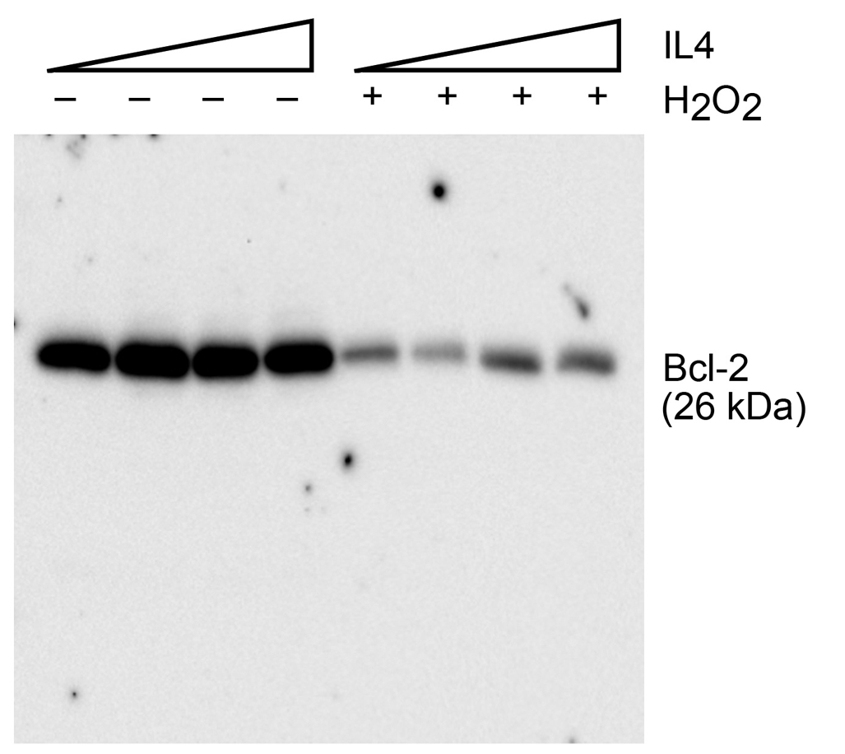
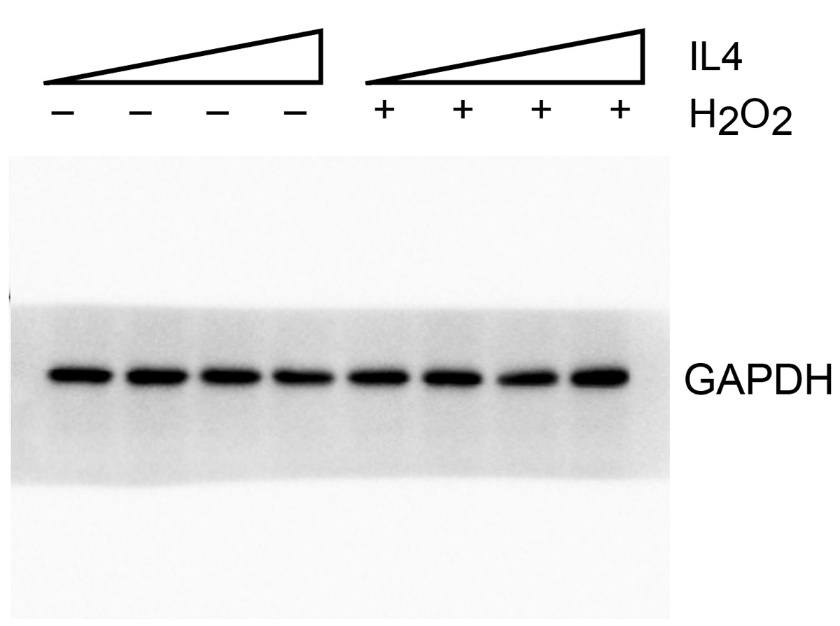

 | Figure 5h, Bcl-2 |  |  |  |  |  |  |  | Figure 5h, GAPDH

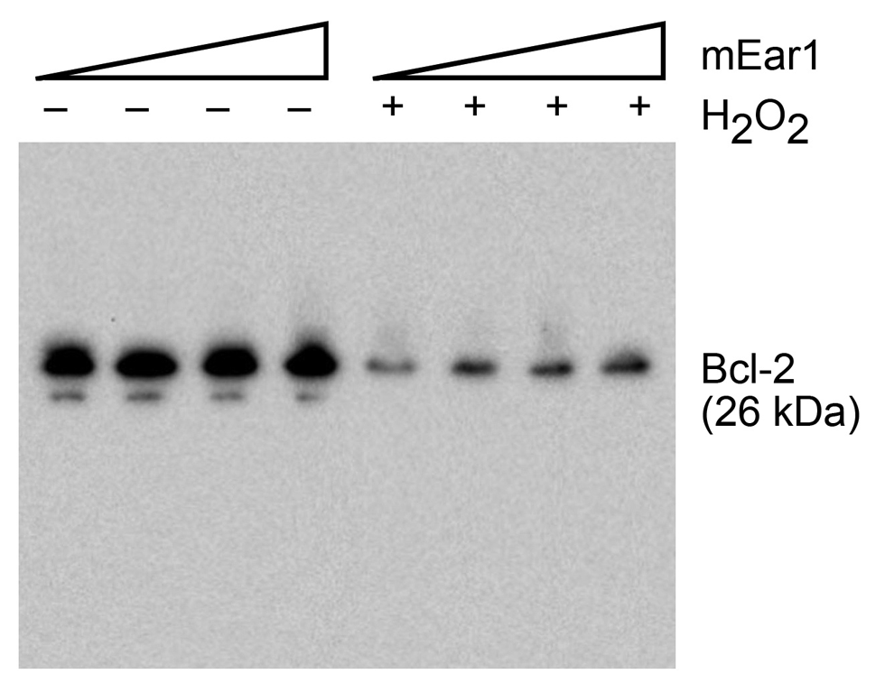
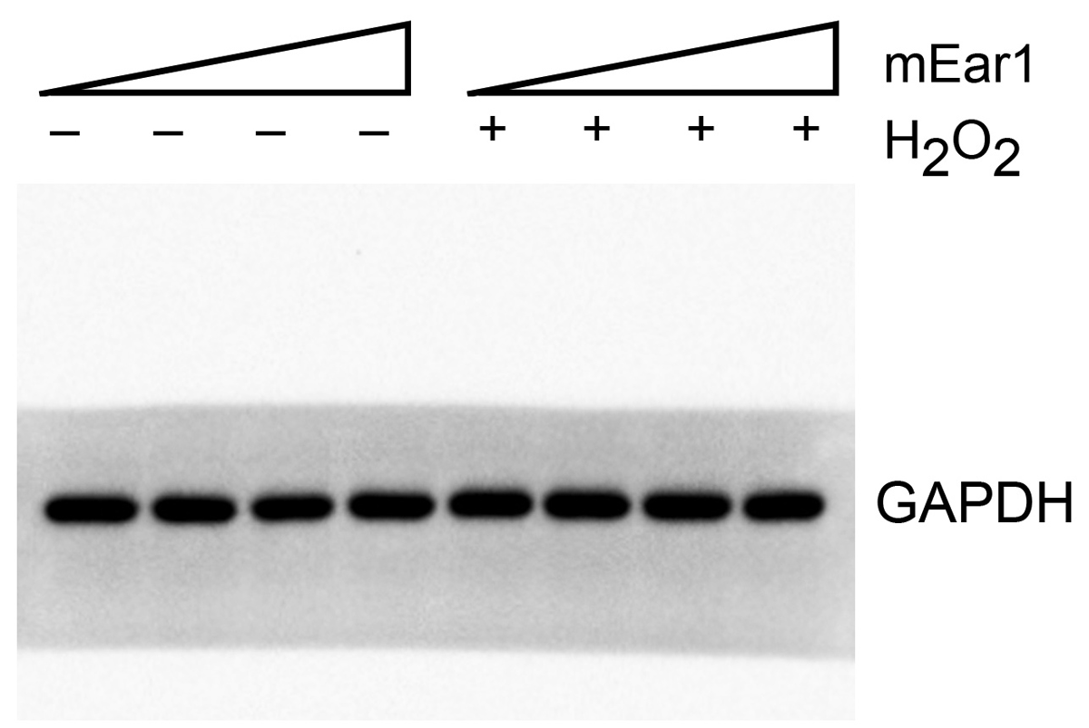

 | Figure 5i, p-Smad2 |  |  |  |  |  |  |  | Figure 5i, p-Smad3
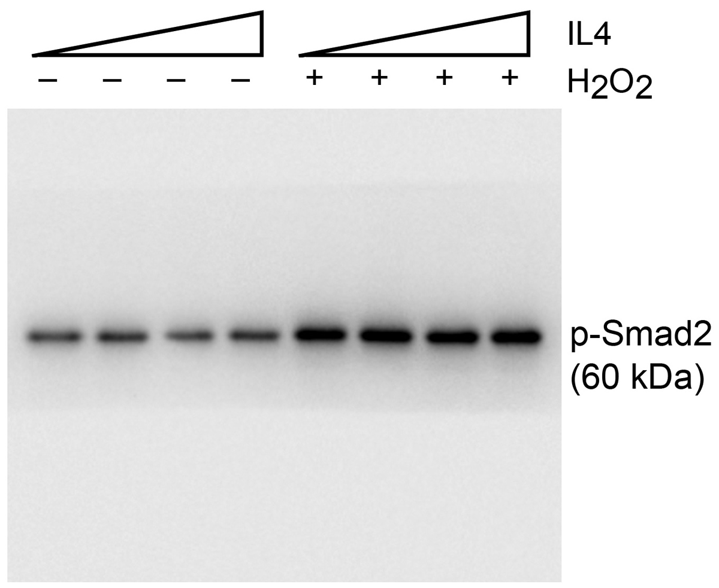

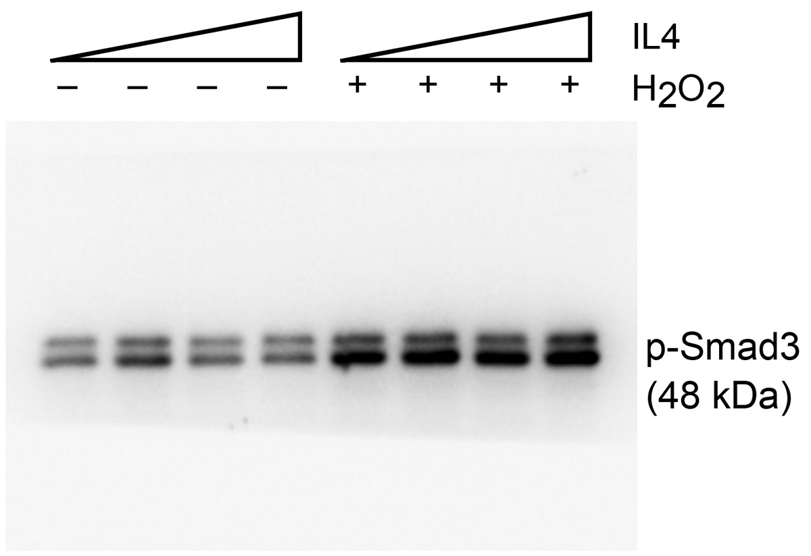

 | Figure 5i, Smad2 |  |  |  |  |  |  |  | Figure 5i, Smad3
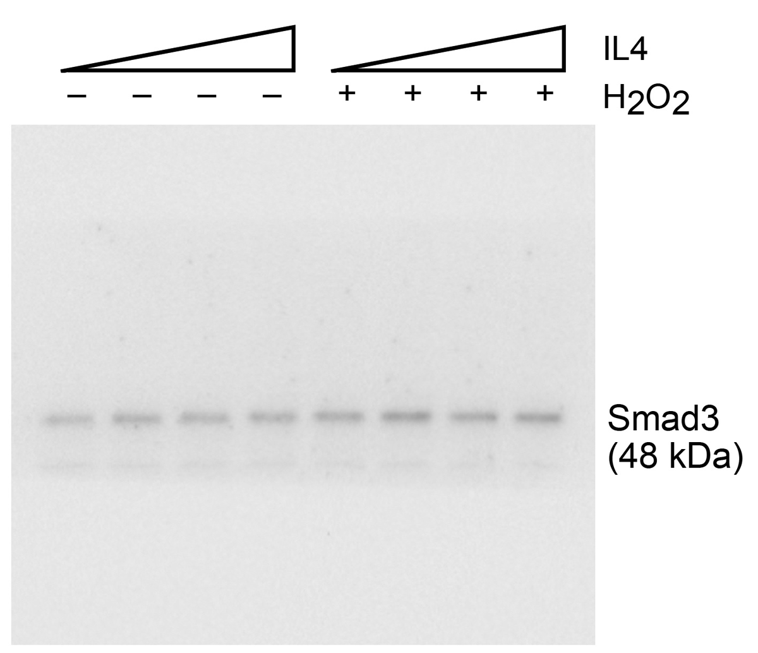
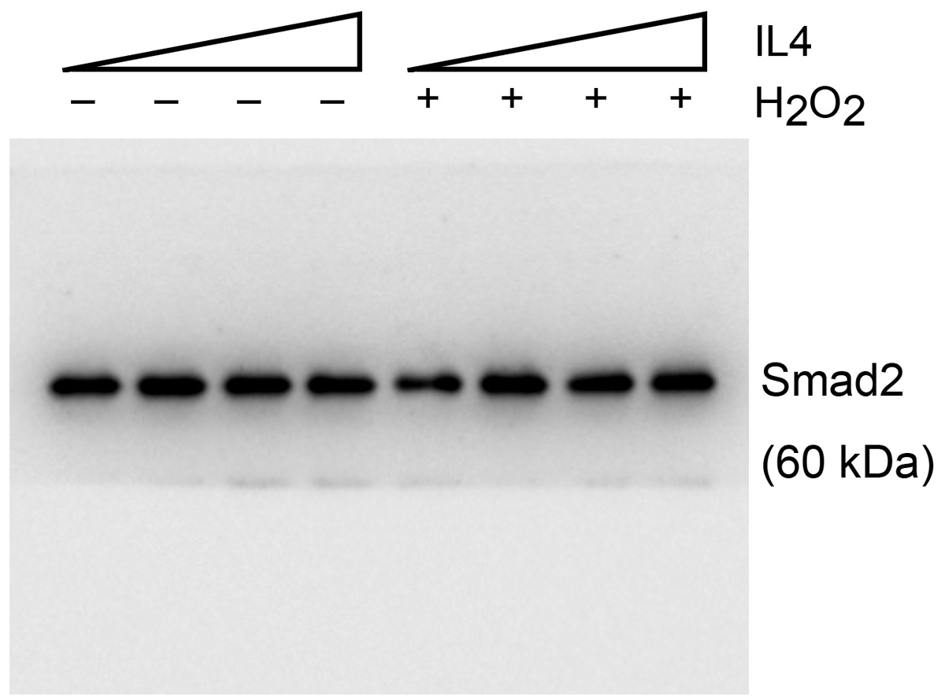

 | Figure 5i, GAPDH (left) |  |  |  |  |  |  |  | Figure 5i, GAPDH (right)

Figure 6
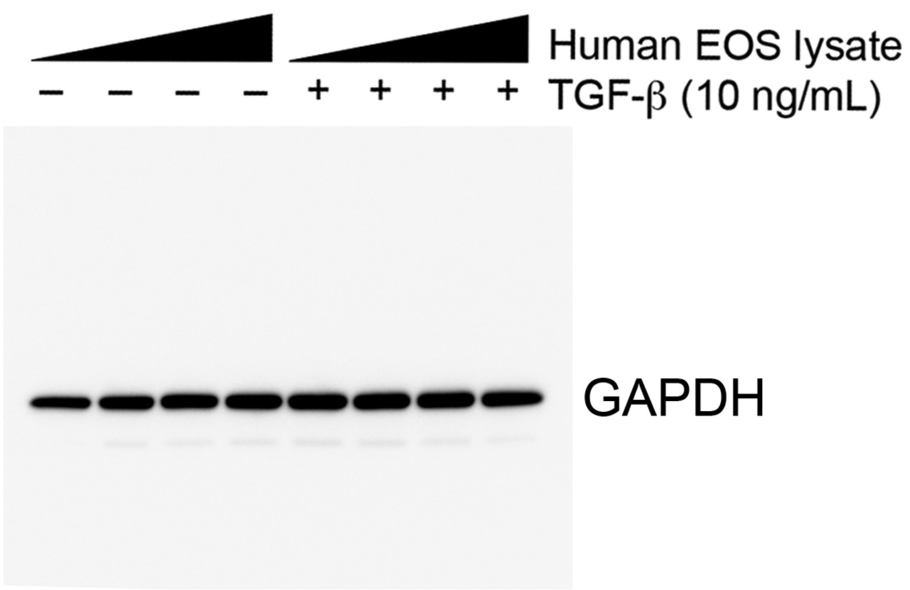
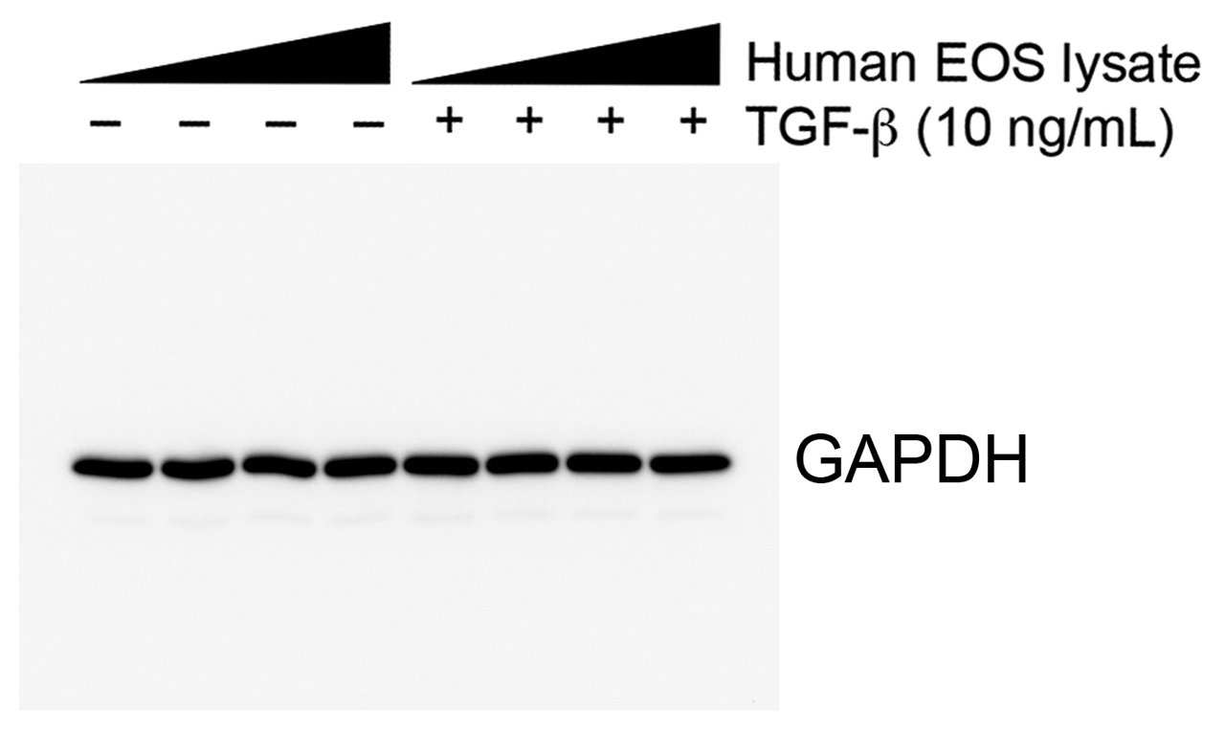
Figure 6. DTX-induced EOS depletion exacerbates cardiac functions post-MI.

Figure 6c (EF%) |  |  |  |  | Figure 6c (FS%) |  |  |  | Figure 6c (LV Vol;d μL) |  |  |  |  | Figure 6c (LV Vol;s μL) |  |  |  | Figure 6c (HW/BW mg/g) |  |  |  | Figure 6c (HW/TL mg/mm)
iPHIL sham | iPHIL DTX sham | iPHIL MI | iPHIL DTX MI |  | iPHIL sham | iPHIL DTX sham | iPHIL MI | iPHIL DTX MI | iPHIL sham | iPHIL DTX sham | iPHIL MI | iPHIL DTX MI |  | iPHIL sham | iPHIL DTX sham | iPHIL MI | iPHIL DTX MI | iPHIL sham | iPHIL DTX sham | iPHIL MI | iPHIL DTX MI | iPHIL sham | iPHIL DTX sham | iPHIL MI | iPHIL DTX MI
80.39 | 81.58 | 77.13 | 6.04 |  | 47.18 | 49.03 | 44.2 | 2.69 | 26.23 | 41.46 | 31.07 | 180.14 |  | 5.14 | 7.64 | 7.11 | 169.26 | 5.38 | 4.92 | 5.15 | 5.33 | 6.75 | 6.05 | 6.29 | 7.62
87.15 | 89.51 | 11.35 | 6 |  | 54.62 | 58.25 | 5.15 | 2.64 | 19.92 | 26.05 | 186.97 | 142.51 |  | 2.56 | 2.73 | 186.97 | 133.96 | 4.79 | 5.13 | 5.82 | 5.56 | 6.24 | 6 | 8.33 | 6.75
86.97 | 86.64 | 15.1 | 17.72 |  | 54.79 | 54.6 | 6.9 | 8.09 | 27.37 | 32.77 | 87.4 | 149.67 |  | 3.57 | 4.38 | 158.73 | 123.15 | 5.56 | 5.37 | 6.72 | 5.83 | 6.46 | 7.01 | 9.29 | 8.19
74.27 | 80.27 | 14 | 19.2 |  | 41.81 | 47.34 | 6.43 | 8.85 | 36.84 | 32.65 | 56.13 | 171.05 |  | 9.48 | 6.44 | 57.42 | 138.2 | 5 | 4.76 | 5.36 | 5.64 | 7.08 | 6.47 | 7.73 | 6.55
85.49 | 89.97 | 34.3 | 45.21 |  | 52.86 | 59.31 | 16.22 | 22.12 | 26.05 | 34.34 | 103.32 | 151.58 |  | 3.78 | 3.44 | 34.96 | 142.33 | 5.28 | 4.78 | 5.02 | 5.69 | 6.51 | 6.19 | 6.8 | 6.78
87.06 |  | 37.71 | 6.1 |  | 55.29 |  | 17.76 | 2.69 | 36.32 |  | 65.78 | 167.88 |  | 4.7 |  | 67.16 | 148.66 | 5.43 |  | 5.83 | 5.82 | 6.58 |  | 8.26 | 6.86
85.75 |  | 35 | 11.45 |  | 53.47 |  | 16.7 | 5.15 | 32.47 |  | 160.59 |  |  | 4.63 |  | 14.81 |  | 4.77 |  | 5.57 | 6.97 | 6.13 |  | 7.84 | 9.81
86.56 |  | 77.49 | 4.18 |  | 54.28 |  | 45.52 | 1.9 | 27.6 |  | 79.84 |  |  | 3.71 |  | 123.88 |  | 4.78 |  | 6.01 | 6.52 | 6.42 |  | 8.05 | 9.82
71.44 |  | 22.86 |  |  | 39.49 |  | 10.64 |  | 39.52 |  | 174.66 |  |  | 11.29 |  | 42.02 |  |  |  | 6.51 |  | 5.12 |  | 9.69
 |  | 47.36 |  |  |  |  | 23.52 |  |  |  | 49.19 |  |  |  |  | 150.79 |  |  |  | 5.25 |  |  |  | 8.15
 |  | 13.67 |  |  |  |  | 6.2 |  |  |  | 81.26 |  |  |  |  | 17.27 |  |  |  | 6.07 |  |  |  | 8.33
 |  | 64.9 |  |  |  |  | 34.63 |  |  |  |  |  |  |  |  | 50.29 |  |  |  | 4.74 |  |  |  | 6.28
 |  | 38.11 |  |  |  |  | 18.23 |  |  |  |  |  |  |  |  |  |  |  |  | 5.21 |  |  |  | 7.24

Figure 6d (Infarct size ratio) |  |  | Figure 6d (Thickness μm) |  |  | Figure 6e (Apoptotic cell number in infarct region per 105 μm2) |  |  |  | Figure 6f (Masson's trichrome positive area% in infarct region)
iPHIL, MI | iPHIL DTx, MI |  | iPHIL, MI | iPHIL DTx, MI |  | iPHIL MI | iPHIL DTX MI |  |  | iPHIL, MI | iPHIL DTx, MI
0.19239613 | 0.49736641 |  | 428.6720962 | 105.6001375 |  | 24.80740756 | 69.40805761 |  |  | 48.09 | 48.81
0.49666231 | 0.91849272 |  | 241.9268041 | 122.859244 |  | 11.63251457 | 63.54134957 |  |  | 37.69 | 43.56
0.44049007 | 0.93027449 |  | 143.0117526 | 96.17044674 |  | 4.206603724 | 63.07042383 |  |  | 56.71 | 40.3
0.20544155 | 0.4045173 |  | 477.2993814 | 184.6841924 |  | 5.999983 | 58.14153 |  |  | 45.37 | 32.76
0.20134717 | 0.47427654 |  | 363.4672852 | 127.1094845 |  | 13.20085 | 30.34136 |  |  | 41.29 | 41.84
0.04843139 | 0.10694848 |  | 396.933677 | 121.2430241 |  | 3.05066 | 31.54768 |  |  | 7.85 | 37.31
0.18751654 | 0.40521813 |  | 143.8512715 |  |  | 10.99997 | 22.72046 |  |  | 53.92 | 64.99
0.39201114 |  |  | 300.1795189 |  |  | 2.749992101 | 19.49994399 |  |  | 42.26
0.14589669 |  |  | 182.1183505 |  |  |  |  |  |  | 45.96
0.53440433 |  |  | 486.1603436 |  |  |  |  |  |  | 44.76
0.10114308 |  |  | 208.9347079 |  |  |  |  |  |  | 36.77
0.27959084 |  |  |  |  |  |  |  |  |  | 47.46

Figure 6g (Apoptotic cell %)
Control | eos 10 | eos 40 | eos 100 | Hypoxia | H + eos 10 | H + eos 40 | H + eos 100
3.9603960396 | 3.2608695652 | 1.2345679012 | 2.1052631579 | 34.831460674 | 19.512195122 | 10.95890411 | 6.4516129032
2.7027027027 | 2.8301886792 | 5.8823529412 | 1.0101010101 | 55.555555556 | 20.588235294 | 24.590163934 | 5.376344086
1.9417475728 | 3.09 | 2.1505376344 | 1.0001 | 60.416666667 | 13.793103448 | 6.8493150685 | 2.0408163265
 |  |  |  | 35.443037975 | 11.267605634 | 10 | 6.976744186
 |  |  |  | 36.470588235 |  | 10.606060606 | 1.724137931
 |  |  |  | 38.888888889 |  |  | 4.1666666667
 |  |  |  | 38.554216867

Figure 6h (p-Smad2 fold of change) |  |  |  |  |  |  |  |  | Figure 6i (p-Smad3 fold of change)
Control | 104 eos | 2*104 eos | 4*104 eos | TGF-b | 104 eos+TGF-b | 2*104 eos+TGF-b | 4*104 eos+TGF-b |  | Control | 104 eos | 2*104 eos | 4*104 eos | TGF-b | 104 eos+TGF-b | 2*104 eos+TGF-b | 4*104 eos+TGF-b
37.081 | 41.448 | 38.241 | 44.338 | 93.906 | 79.568 | 78.905 | 64.296 |  | 40.399 | 37.433 | 36.735 | 43.407 | 89.217 | 61.462 | 54.232 | 54.095
8.86 | 10.538 | 19.54 | 22.577 | 77.114 | 71.344 | 67.083 | 55.183 |  | 75.96 | 76.235 | 77.568 | 83.927 | 103.653 | 106.869 | 102.402 | 80.726
22.073 | 19.958 | 18.977 | 23.323 | 66.984 | 84.289 | 65.924 | 57.113 |  | 47.692 | 52.871 | 65.39 | 69.187 | 103.519 | 93.231 | 81.367 | 52.98
18.215 | 22.606 | 22.765 | 23.054 | 71.657 | 76.733 | 64.066 | 61.761 |  | 92.374 | 95.723 | 89.762 | 86.967 | 101.918 | 93.684 | 72.669 | 49.176

 | Figure 6h, p-Smad2 |  |  |  |  |  |  |  |  | Figure 6i, p-Smad3

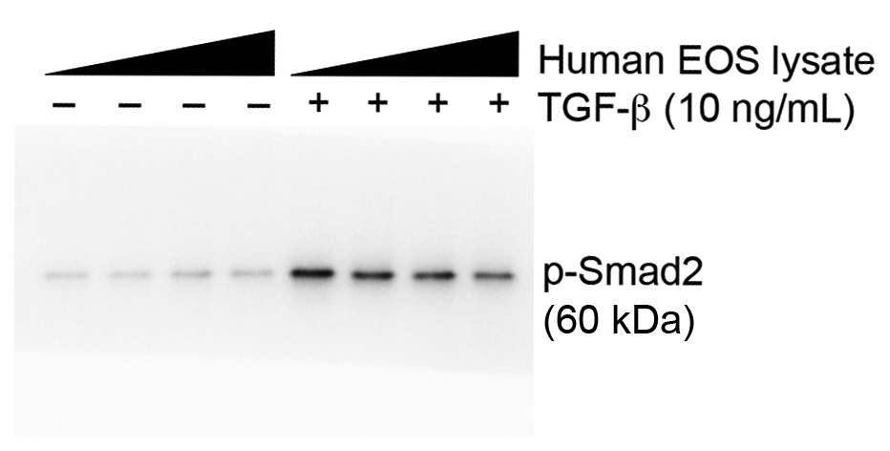
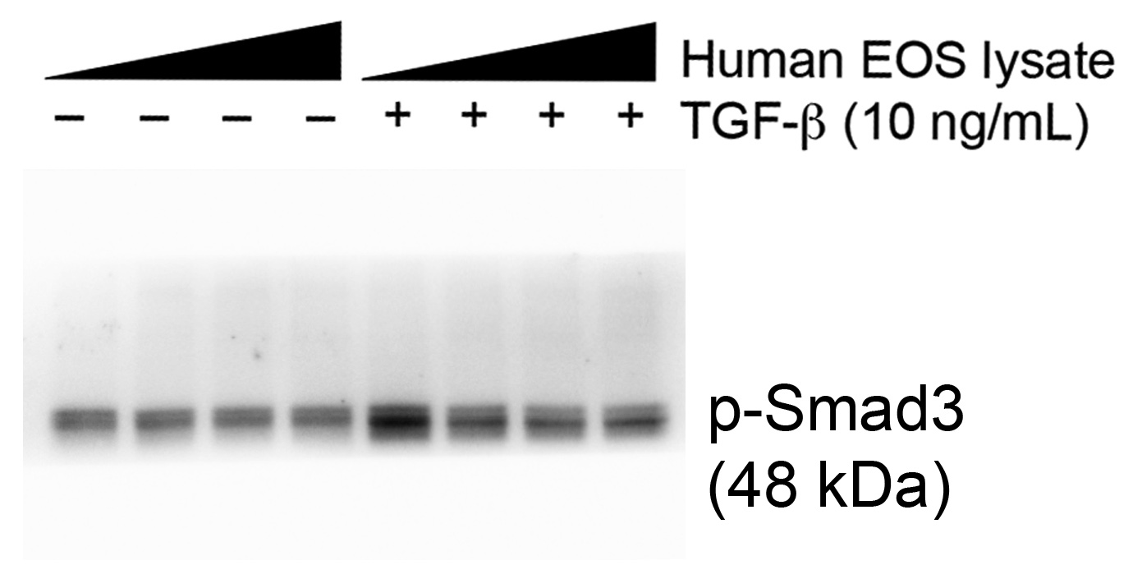

 | Figure 6h, Smad2 |  |  |  |  |  |  |  |  | Figure 6i, Smad3

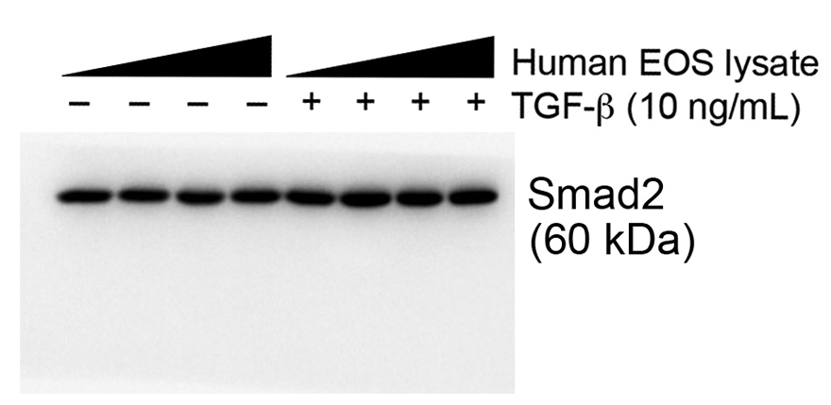
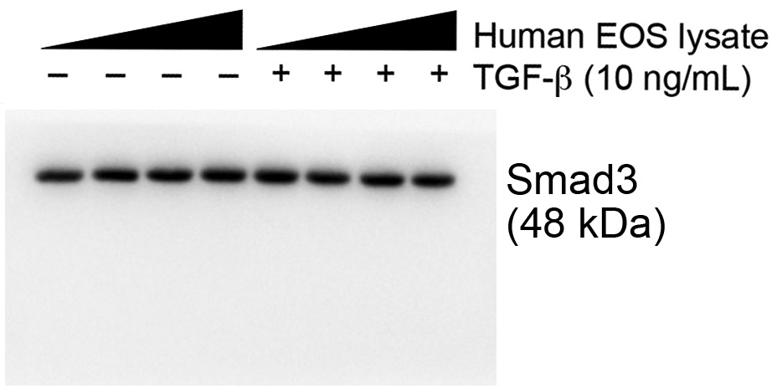

 | Figure 6h, GAPDH |  |  |  |  |  |  |  |  | Figure 6i, GAPDH

Suppl Figure 9
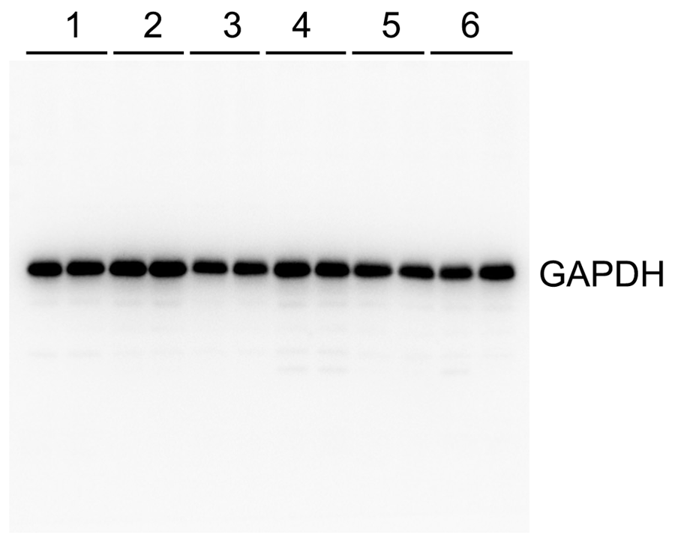
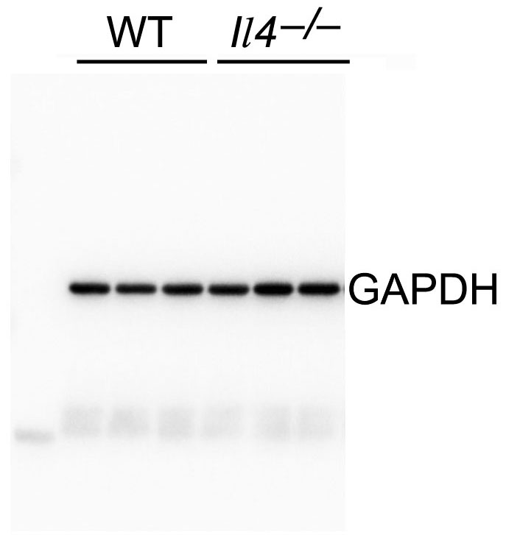
Supplementary Figure 9. Immunoblot analysis of mEar1 expression in WT and Il4-/- EOS and in heart tissues from 1-month post-MI of different mice as indicated.

Supplementary Figure 9a (mEar1 level fold of change)
WT | Il4-/-
0.92 | 0.35
1.13 | 0.27
0.95 | 0.31
0.89 | 0.35
0.99 | 0.29
1.12 | 0.37

Supplementary Figure 9b (mEar1 level fold of change)
WT sham | WT MI | GATA sham | GATA MI | GATA MI+ PBS | GATA MI+ mEar1
0.95 | 0.49 | 0.77 | 0.22 | 0.33 | 0.85
1.05 | 0.48 | 0.79 | 0.27 | 0.31 | 0.88
1.08 | 0.44 | 0.81 | 0.31 | 0.22 | 0.73
0.92 | 0.53 | 0.72 | 0.29 | 0.29 | 0.76

 | Supplementary Figure 9a, mEar1 |  |  |  |  | Supplementary Figure 9b, mEar1

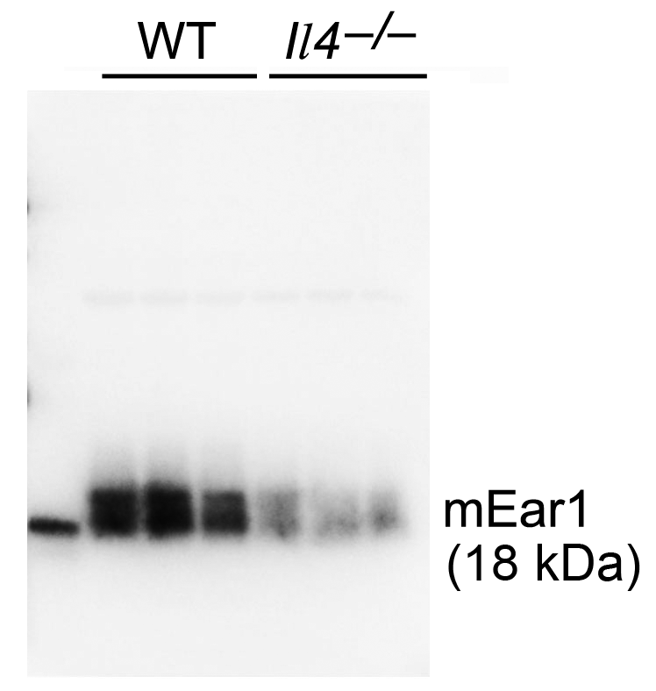
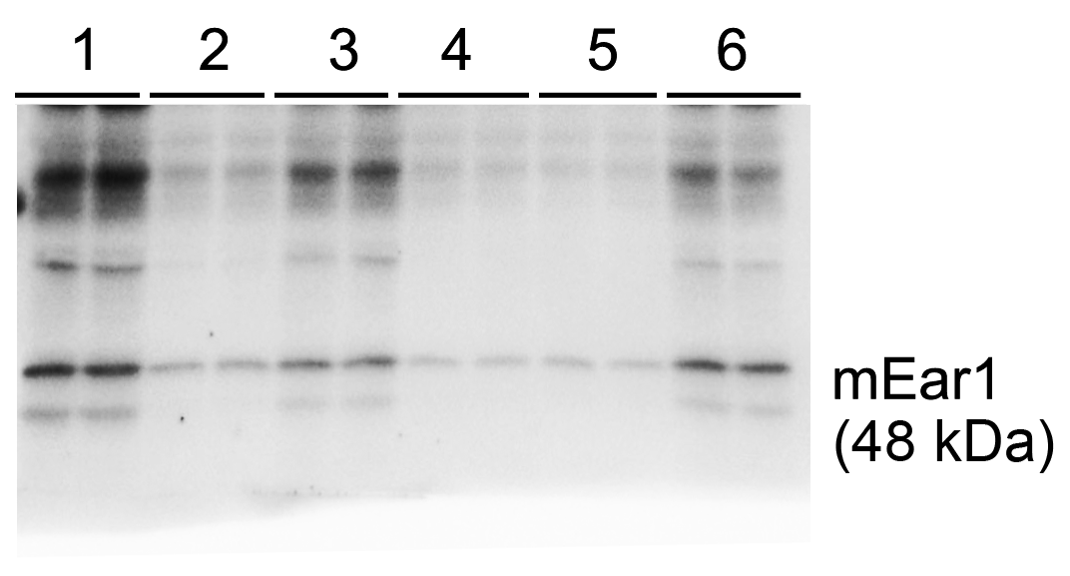

 | Supplementary Figure 9a, GAPDH |  |  |  |  | Supplementary Figure 9b, GAPDH

