Fig. 1d
1 2 3 4 5 6 7 8 9 10
116.0 –
66.2 –
45.0 –
35.0 –
25.0 –
18.4 –
14.4 –

 | Boxed area is shown in Fig. 1d

Lane | Sample description | Amount
1 | Unstained Protein Molecular Weight Marker (Thermo scientific, #26610) | 8 µL
2 | NatC complex containing full-length (FL) Naa35 (residues 1–733) | 50 pmol
3 | NatC complex containing Naa35ΔN17 (residues 18–733) | 50 pmol
4 | NatC complex containing Naa35ΔN44 (residues 54–733) | 50 pmol
5 | Unstained Protein Molecular Weight Marker (Thermo scientific, #26610) | 8 µL
6 | NatC complex containing full-length (FL) Naa35 (residues 1–733) | 100 pmoL
7 | NatC complex containing Naa35ΔN17 (residues 18–733) | 100 pmoL
8 | NatC complex containing Naa35ΔN44 (residues 54–733) | 100 pmoL
9 | Unstained Protein Molecular Weight Marker (Thermo scientific, #26610) | 8 µL
10 | empty | -

Fig. 5b
Uncropped Western Blot images |  | Boxed areas are shown in Fig. 5b
Top half of the membrane
Chemiluminescence image α-FLAG (Naa35)
Incident white light image
250 –
130 –
100 –
70 –
1 2 3 4 5 6 7 8 9 10 11 12 13 14 15
250 –
130 –
100 –
70 –
1 2 3 4 5 6 7 8 9 10 11 12 13 14 15
NatC/Ribosome co-sedimentation
Replicate #1 (shown in Fig. 5b)

Lane | Sample description
1 | PageRuler Plus Prestained Protein Ladder*
2 | NatC WT + Ribosome (S)
3 | NatC WT + Ribosome (P)
4 | NatC EPR1-mutant + Ribosome (S)
5 | NatC EPR1-mutant + Ribosome (P)
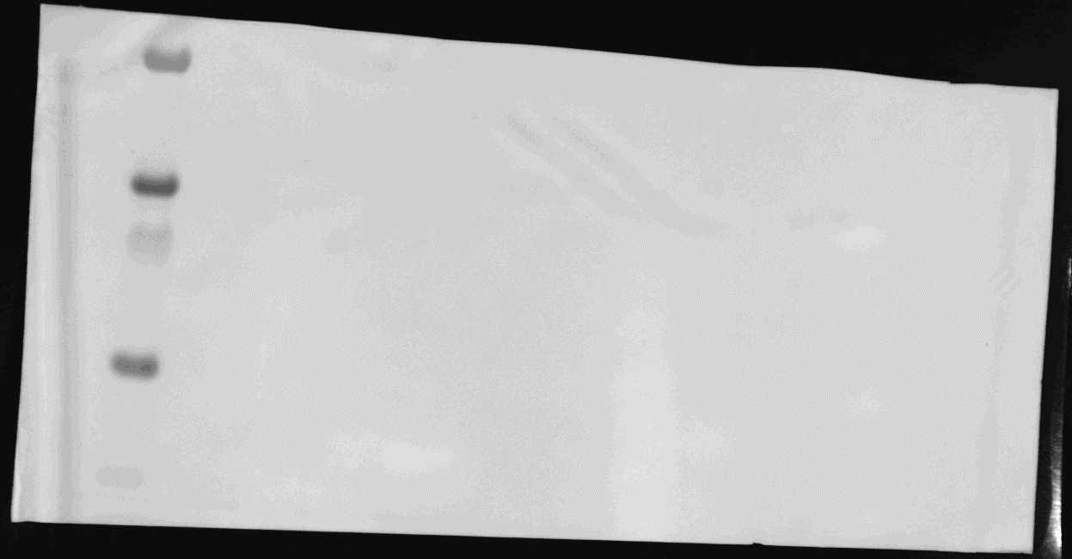
6 | NatC EPR2_Tip1-mutant + Ribosome (S)
55 –
35 –
25 –
15 –
10 –
55 –
35 –
25 –
15 –
10 –
7 | NatC EPR2_Tip1-mutant + Ribosome (P)
8 | NatC EPR2_Tip2-mutant + Ribosome (S)
9 | NatC EPR2_Tip2-mutant + Ribosome (P)
1 2 3 4 5 6 7 8 9 10 11 12 13 14 15
1 2 3 4 5 6 7 8 9 10 11 12 13 14 15
10 | NatC EPR3-mutant + Ribosome (S)
11 | NatC EPR3-mutant + Ribosome (P)
12 | NatC EPR4-mutant + Ribosome (S)
13 | NatC EPR4-mutant + Ribosome (P)
14 | NatC ΔNaa38-mutant + Ribosome (S)
15 | NatC ΔNaa38-mutant + Ribosome (P)

 | * Thermo Scientific, #26619
 | S= supernatant, P = pellet

Chemiluminescence image α-uL30 (RPL7)
Incident white light image

Bottom half of the membrane

NatC sedimentation control
Replicate #1 (shown in Fig. 5b)

Chemiluminescence image α-FLAG (Naa35)
Incident white light image
Lane | Sample description
1 | PageRuler Plus Prestained Protein Ladder*
2 | NatC WT (S)
1 2 3 4 5 6 7 8 9 10 11 12 13 14 15
1 2 3 4 5 6 7 8 9 10 11 12 13 14 15
3 | NatC WT (P)
250 –
130 –
100 –
70 –
4 | NatC EPR1-mutant (S)
250 –
130 –
100 –
70 –
5 | NatC EPR1-mutant (P)
6 | NatC EPR2_Tip1-mutant (S)
7 | NatC EPR2_Tip1-mutant (P)
8 | NatC EPR2_Tip2-mutant (S)
9 | NatC EPR2_Tip2-mutant (P)
10 | NatC EPR3-mutant (S)
11 | NatC EPR3-mutant (P)
12 | NatC EPR4-mutant (S)
13 | NatC EPR4-mutant (P)
14 | NatC ΔNaa38-mutant (S)
15 | NatC ΔNaa38-mutant (P)

 | * Thermo Scientific, #26619
 | S= supernatant, P = pellet

Suppl. Fig. 3a
1 2 3 4 5 6 7 8 9 10 11 12 13 14 15

116.0 –
66.2 –
45.0 –
35.0 –
25.0 –
18.4 –
14.4 –

 | Purification of S.cerevisiae NatC with subunits Naa30ΔC17 (residues 1–159), Naa35 (residues 1–733) and Naa38 (residues 1–88)
 | Boxed area is shown in Supplementary Fig. 3a

Lane | Sample description
1 | Clarified supernatant from E. coli cell lysate
2 | Ni-IMAC: affinity column flow-through
3 | Ni-IMAC: 20 mM imidazole wash fraction
4 | Ni-IMAC: 30 mM imidazole wash fraction
5 | Ni-IMAC: 40 mM imidazole wash fraction
6 | Ni-IMAC: 50 mM imidazole elution fraction
7 | Ni-IMAC: 100 mM imidazole elution fraction
8 | Unstained Protein Molecular Weight Marker (Thermo scientific, #26610)
9 | Ni-IMAC: 50 mM imidazole elution fraction before HRV 3C protease cleavage
10 | Ni-IMAC: 50 mM imidazole elution fraction after HRV 3C protease cleavage with a His-tagged HRV 3C protease
11 | Ni-IMAC: 50 mM imidazole elution fraction after HRV 3C protease cleavage with a GST-tagged HRV 3C protease
12 | Size exclusion fraction (S200, 26/600), Elution volume: 175-180 mL
13 | Size exclusion fraction (S200, 26/600), Elution volume: 180-185 mL
14 | Size exclusion fraction (S200, 26/600), Elution volume: 185-190 mL
15 | Size exclusion fraction (S200, 26/600), Elution volume: 190-195 mL

 | Ni-IMAC = Ni2+-immobilized metal ion affinity chromatography

Suppl. Fig. 3c
1 2 3 4 5 6 7 8 9 10 11 12 13 14 15

116.0 –
66.2 –
45.0 –
35.0 –
25.0 –
18.4 –
14.4 –

 | Boxed area is shown if Fig. 1d

 | Purification of S.cerevisiae NatC with subunits Naa30ΔC17 (residues 1–159), Naa35 (residues 1–733) and Naa38 (residues 1–88)
 | Boxed areas are shown in Supplementary Fig. 3c
Lane | Sample description
1 | Unstained Protein Molecular Weight Marker (Thermo scientific, #26610)
2 | Cell lysate from E. coli BL21 (DE3), transformed with a S. cerevisiae NatC epression vector (see methods).
3 | Clarified supernatant from E. coli cell lysate
4 | Ni-IMAC: affinity column flow-through
5 | Ni-IMAC: 30 mM imidazole wash fraction
6 | Ni-IMAC: 60 mM imidazole elution fraction
7 | Ni-IMAC: 100 mM imidazole elution fraction
8 | Ni-IMAC: 60 mM imidazole elution fraction before HRV 3C protease cleavage
9 | Ni-IMAC: 60 mM imidazole elution fraction after HRV 3C protease cleavage
10 | 2nd Ni-IMAC: affinity column flow-through of second Ni-IMAC colum, after HRV 3C cleavage
11 | 2nd Ni-IMAC: 10 mM imidazole elution fraction from second Ni-IMAC colum, after HRV 3C cleavage
12 | 2nd Ni-IMAC: 60 mM imidazole elution fraction from second Ni-IMAC colum, after HRV 3C cleavage
13 | Size exclusion fraction (S200, 26/600), Elution volume: 175-180 mL
14 | Size exclusion fraction (S200, 26/600), Elution volume: 180-185 mL
15 | Unstained Protein Molecular Weight Marker (Thermo scientific, #26610)

 | Ni-IMAC = Ni2+-immobilized metal ion affinity chromatography

Suppl. Fig 11a-c
Uncropped Western Blot images |  | Boxed areas are shown in Supplementary Figs. 11a-c
Top half of the membrane
Chemiluminescence image α-FLAG (Naa35)
Incident white light image
250 –
130 –
100 –
70 –
1 2 3 4 5 6 7 8 9 10 11 12 13 14 15
250 –
130 –
100 –
70 –
1 2 3 4 5 6 7 8 9 10 11 12 13 14 15
NatC/Ribosome co-sedimentation
Replicate #1 (shown in Supplementary Fig. 11a)

Lane | Sample description
1 | PageRuler Plus Prestained Protein Ladder*
2 | NatC WT + Ribosome (S)
3 | NatC WT + Ribosome (P)
4 | NatC EPR1-mutant + Ribosome (S)
5 | NatC EPR1-mutant + Ribosome (P)
6 | NatC EPR2_Tip1-mutant + Ribosome (S)
7 | NatC EPR2_Tip1-mutant + Ribosome (P)
55 –
35 –
25 –
15 –
10 –
55 –
35 –
25 –
15 –
10 –
8 | NatC EPR2_Tip2-mutant + Ribosome (S)
9 | NatC EPR2_Tip2-mutant + Ribosome (P)
10 | NatC EPR3-mutant + Ribosome (S)
1 2 3 4 5 6 7 8 9 10 11 12 13 14 15
1 2 3 4 5 6 7 8 9 10 11 12 13 14 15
11 | NatC EPR3-mutant + Ribosome (P)
12 | NatC EPR4-mutant + Ribosome (S)
13 | NatC EPR4-mutant + Ribosome (P)
14 | NatC ΔNaa38-mutant + Ribosome (S)
15 | NatC ΔNaa38-mutant + Ribosome (P)

 | * Thermo Scientific, #26619
 | S= supernatant, P = pellet

Chemiluminescence image α-uL30 (RPL7)
Incident white light image

Bottom half of the membrane

Chemiluminescence image α-FLAG (Naa35)
Incident white light image
Top half of the membrane
1 2 3 4 5 6 7 8 9 10 11 12 13 14 15
1 2 3 4 5 6 7 8 9 10 11 12 13 14 15
NatC/Ribosome co-sedimentation
Replicate #2 (shown in Supplementary Fig. 11a)
250 –
130 –
100 –
70 –
250 –
130 –
100 –
70 –
Lane | Sample description
1 | PageRuler Plus Prestained Protein Ladder*
2 | NatC WT + Ribosome (S)
3 | NatC WT + Ribosome (P)
4 | NatC EPR1-mutant + Ribosome (S)
5 | NatC EPR1-mutant + Ribosome (P)
6 | NatC EPR2_Tip1-mutant + Ribosome (S)
55 –
35 –
25 –
15 –
10 –
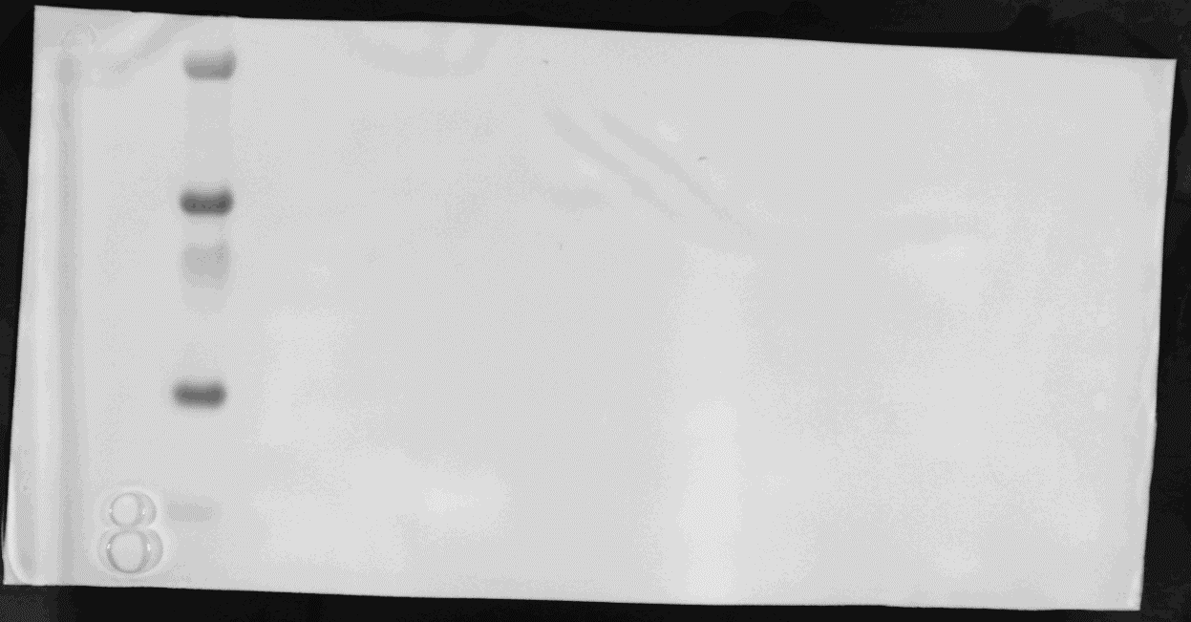
55 –
35 –
25 –
15 –
10 –
7 | NatC EPR2_Tip1-mutant + Ribosome (P)
8 | NatC EPR2_Tip2-mutant + Ribosome (S)
9 | NatC EPR2_Tip2-mutant + Ribosome (P)
1 2 3 4 5 6 7 8 9 10 11 12 13 14 15
1 2 3 4 5 6 7 8 9 10 11 12 13 14 15
10 | NatC EPR3-mutant + Ribosome (S)
11 | NatC EPR3-mutant + Ribosome (P)
12 | NatC EPR4-mutant + Ribosome (S)
13 | NatC EPR4-mutant + Ribosome (P)
14 | NatC ΔNaa38-mutant + Ribosome (S)
15 | NatC ΔNaa38-mutant + Ribosome (P)

 | * Thermo Scientific, #26619
 | S= supernatant, P = pellet

Chemiluminescence image α-uL30 (RPL7)
Incident white light image
Bottom half of the membrane

Chemiluminescence image α-FLAG (Naa35)
Top half of the membrane
Incident white light image
1 2 3 4 5 6 7 8 9 10 11 12 13 14 15
NatC/Ribosome co-sedimentation
Replicate #3 (shown in Supplementary Fig. 11a)
1 2 3 4 5 6 7 8 9 10 11 12 13 14 15
250 –
130 –
100 –
70 –
250 –
130 –
100 –
70 –
Lane | Sample description
1 | PageRuler Plus Prestained Protein Ladder*
2 | NatC WT + Ribosome (S)
3 | NatC WT + Ribosome (P)
4 | NatC EPR1-mutant + Ribosome (S)
5 | NatC EPR1-mutant + Ribosome (P)
6 | NatC EPR2_Tip1-mutant + Ribosome (S)
7 | NatC EPR2_Tip1-mutant + Ribosome (P)
55 –
35 –
25 –
15 –
10 –
55 –
35 –
25 –
15 –
10 –
8 | NatC EPR2_Tip2-mutant + Ribosome (S)
9 | NatC EPR2_Tip2-mutant + Ribosome (P)
10 | NatC EPR3-mutant + Ribosome (S)
1 2 3 4 5 6 7 8 9 10 11 12 13 14 15
1 2 3 4 5 6 7 8 9 10 11 12 13 14 15
11 | NatC EPR3-mutant + Ribosome (P)
12 | NatC EPR4-mutant + Ribosome (S)
13 | NatC EPR4-mutant + Ribosome (P)
14 | NatC ΔNaa38-mutant + Ribosome (S)
15 | NatC ΔNaa38-mutant + Ribosome (P)

 | * Thermo Scientific, #26619
 | S= supernatant, P = pellet

Chemiluminescence image α-uL30 (RPL7)
Incident white light image

Bottom half of the membrane

NatC sedimentation control
Replicate #1 (shown in Supplementary Fig. 11b)
Lane | Sample description
1 | PageRuler Plus Prestained Protein Ladder*
Chemiluminescence image α-FLAG (Naa35)
2 | NatC WT (S)
Incident white light image
3 | NatC WT (P)
1 2 3 4 5 6 7 8 9 10 11 12 13 14 15
1 2 3 4 5 6 7 8 9 10 11 12 13 14 15
4 | NatC EPR1-mutant (S)
250 –
130 –
100 –
70 –
250 –
130 –
100 –
70 –
5 | NatC EPR1-mutant (P)
6 | NatC EPR2_Tip1-mutant (S)
7 | NatC EPR2_Tip1-mutant (P)
8 | NatC EPR2_Tip2-mutant (S)
9 | NatC EPR2_Tip2-mutant (P)
10 | NatC EPR3-mutant (S)
11 | NatC EPR3-mutant (P)
12 | NatC EPR4-mutant (S)
13 | NatC EPR4-mutant (P)
14 | NatC ΔNaa38-mutant (S)
15 | NatC ΔNaa38-mutant (P)

 | * Thermo Scientific, #26619
 | S= supernatant, P = pellet

NatC sedimentation control
Replicate #2 (shown in Supplementary Fig. 11b)
Lane | Sample description
1 | PageRuler Plus Prestained Protein Ladder*
Chemiluminescence image α-FLAG (Naa35)
2 | NatC WT (S)
Incident white light image
3 | NatC WT (P)
1 2 3 4 5 6 7 8 9 10 11 12 13 14 15
1 2 3 4 5 6 7 8 9 10 11 12 13 14 15
4 | NatC EPR1-mutant (S)
250 –
130 –
100 –
70 –
250 –
130 –
100 –
70 –
5 | NatC EPR1-mutant (P)
6 | NatC EPR2_Tip1-mutant (S)
7 | NatC EPR2_Tip1-mutant (P)
8 | NatC EPR2_Tip2-mutant (S)
9 | NatC EPR2_Tip2-mutant (P)
10 | NatC EPR3-mutant (S)
11 | NatC EPR3-mutant (P)
12 | NatC EPR4-mutant (S)
13 | NatC EPR4-mutant (P)
14 | NatC ΔNaa38-mutant (S)
15 | NatC ΔNaa38-mutant (P)

 | * Thermo Scientific, #26619
 | S= supernatant, P = pellet

NatC sedimentation control
Replicate #3 (shown in Supplementary Fig. 11b)
Lane | Sample description
1 | PageRuler Plus Prestained Protein Ladder*
Chemiluminescence image α-FLAG (Naa35)
2 | NatC WT (S)
Incident white light image
3 | NatC WT (P)
1 2 3 4 5 6 7 8 9 10 11 12 13 14 15
1 2 3 4 5 6 7 8 9 10 11 12 13 14 15
4 | NatC EPR1-mutant (S)
250 –
130 –
100 –
70 –
250 –
130 –
100 –
70 –
5 | NatC EPR1-mutant (P)
6 | NatC EPR2_Tip1-mutant (S)
7 | NatC EPR2_Tip1-mutant (P)
8 | NatC EPR2_Tip2-mutant (S)
9 | NatC EPR2_Tip2-mutant (P)
10 | NatC EPR3-mutant (S)
11 | NatC EPR3-mutant (P)
12 | NatC EPR4-mutant (S)
13 | NatC EPR4-mutant (P)
14 | NatC ΔNaa38-mutant (S)
15 | NatC ΔNaa38-mutant (P)

 | * Thermo Scientific, #26619
 | S= supernatant, P = pellet

55 –
35 –
25 –
15 –
10 –
55 –
35 –
25 –
15 –
10 –
1 2 3 4 5 6 7
Ribosome sedimentation control
Replicates #1, #2 and #3 (shown in Supplementary Fig. 11c)
Lane | Sample description
1 2 3 4 5 6 7
1 | PageRuler Plus Prestained Protein Ladder*
2 | Ribsome only, replicate #1 (S)
3 | Ribsome only, replicate #1 (P)
4 | Ribsome only, replicate #2 (S)
5 | Ribsome only, replicate #2 (P)
6 | Ribsome only, replicate #3 (S)
7 | Ribsome only, replicate #3 (P)

Chemiluminescence image α-uL30 (RPL7)
 | * Thermo Scientific, #26619
 | S= supernatant, P = pellet
Incident white light image

