Figure 4
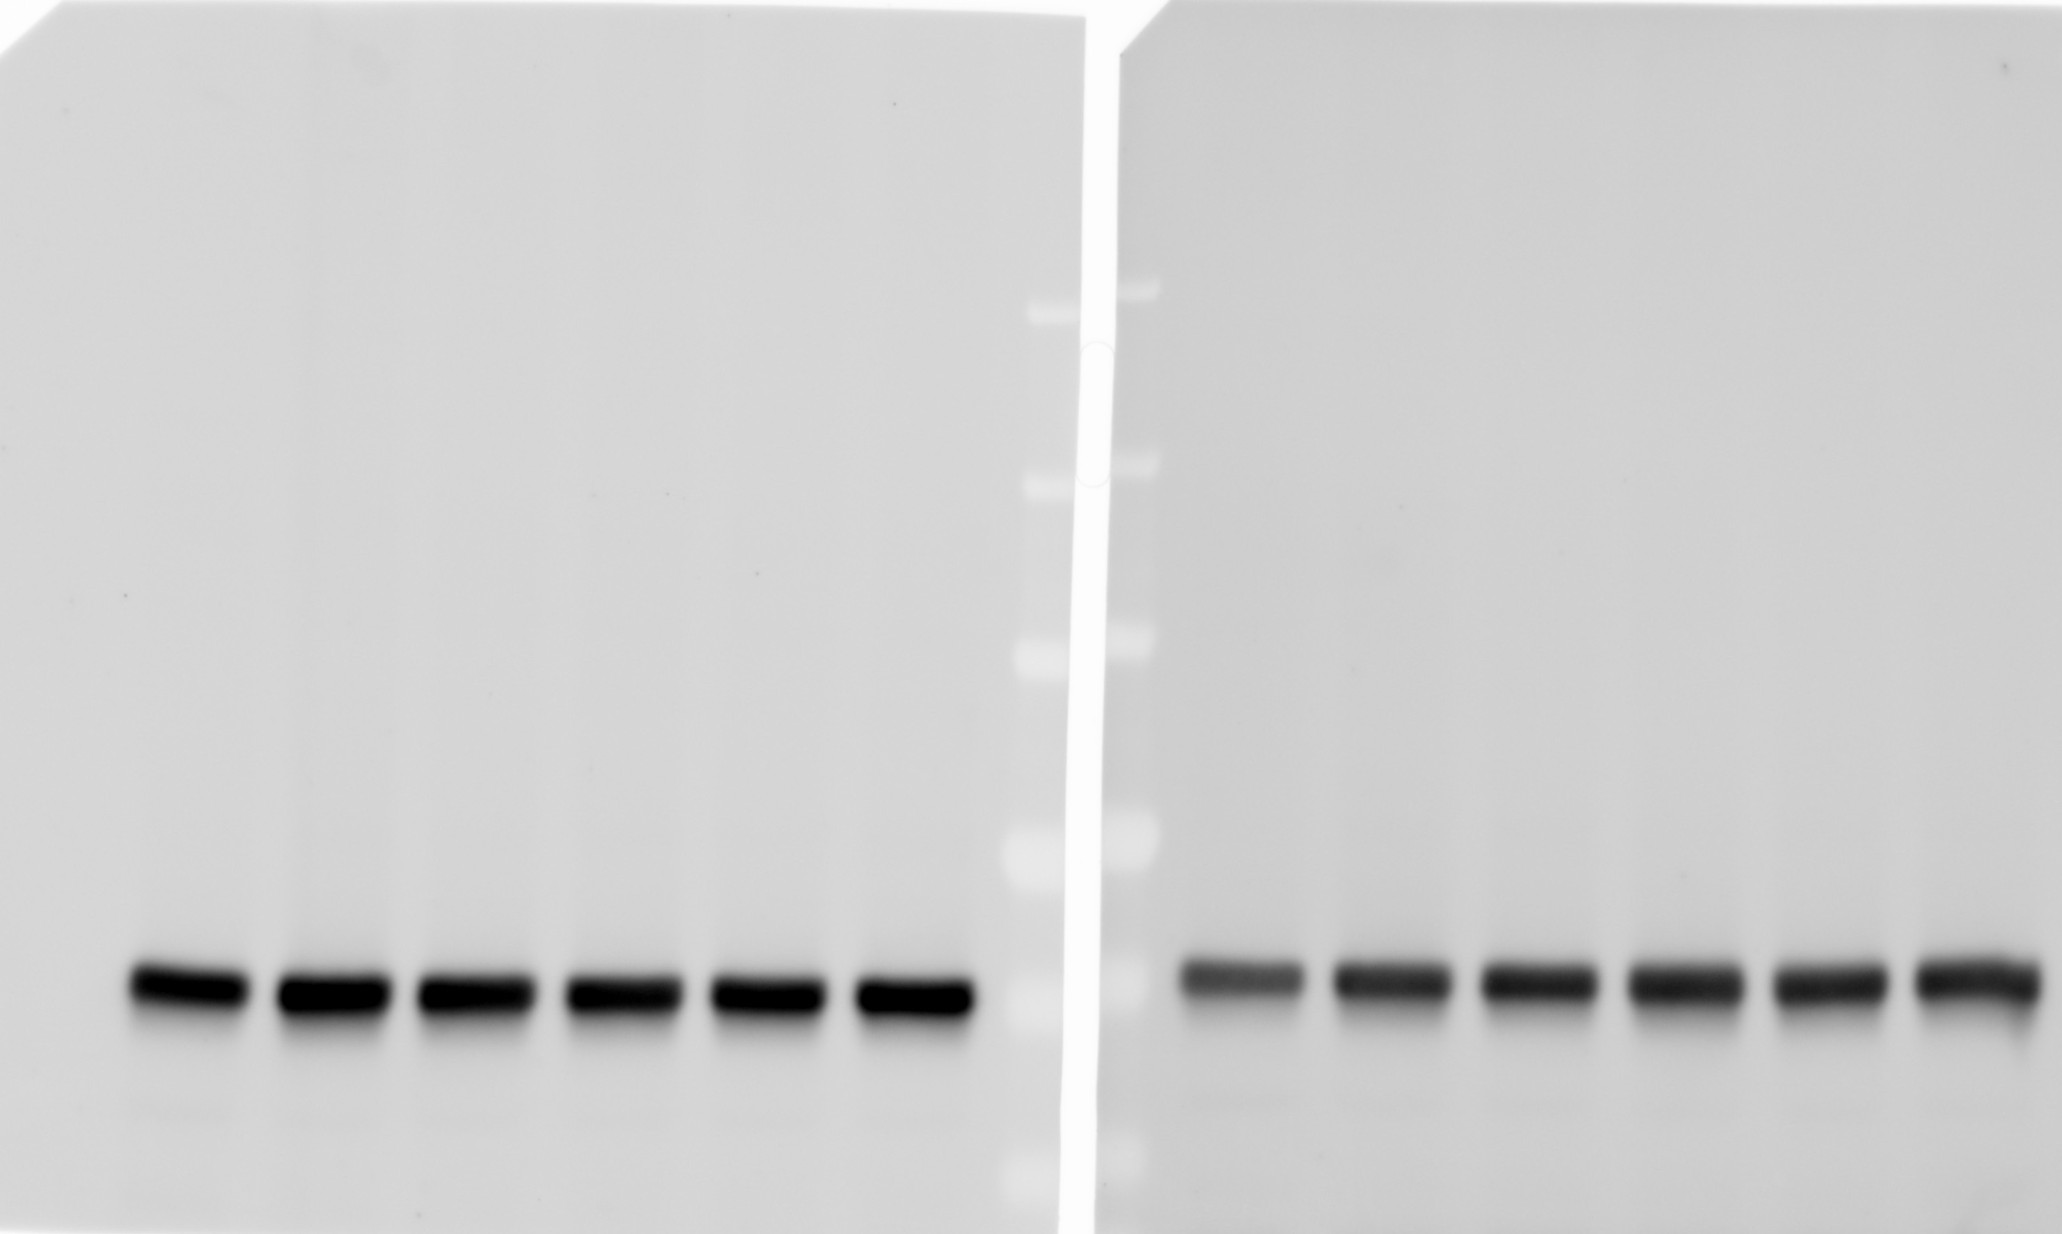
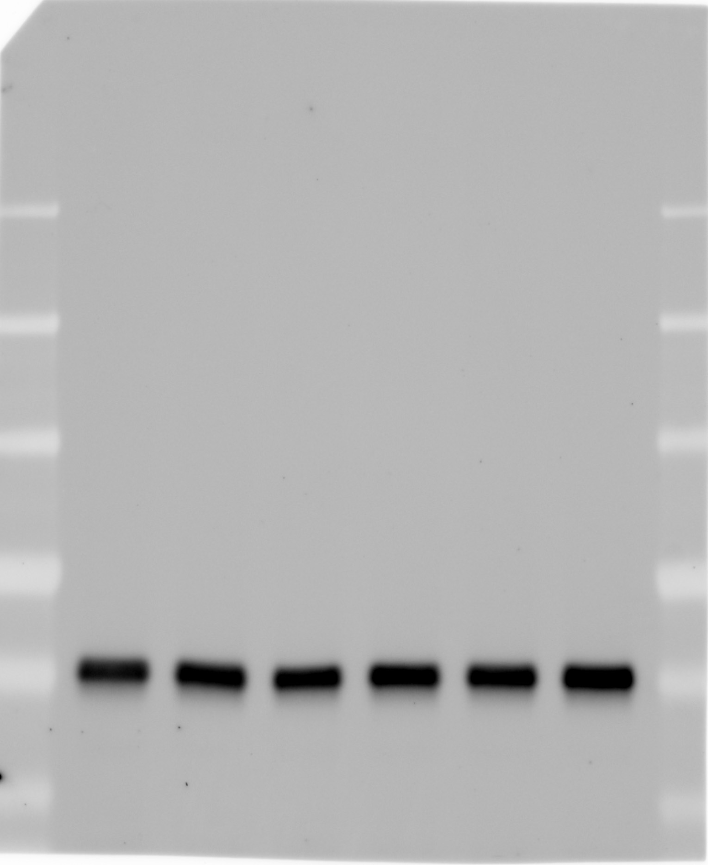
Figure 4B
 | DHC1 blot |  | OsTIR1 blot |  |  | Tubulin blot

Figure 4C
 |  | control |  |  | + 5-Ph-IAA
mitotic cells |  | 9 | 12 | 12 | 95 | 89 | 93

Figure 4E

 | SMC2 blot |  |  | CTCF blot |  |  | POL2A blot
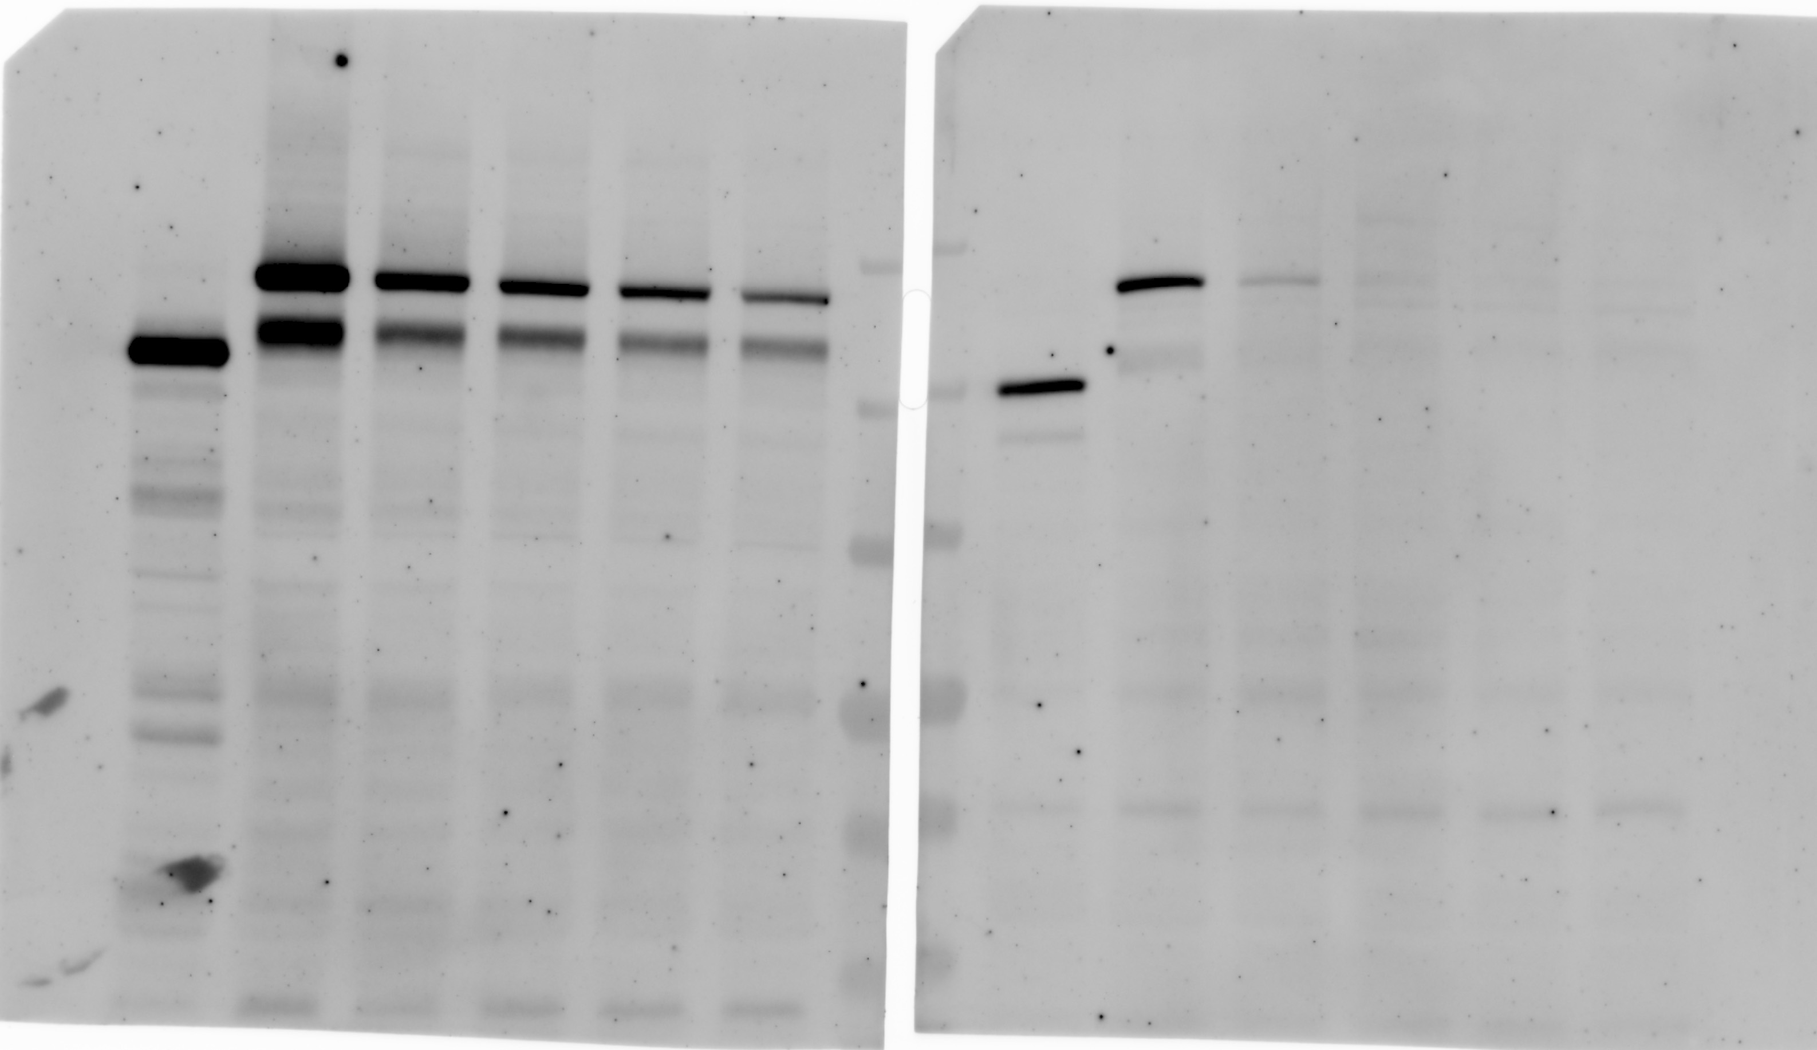
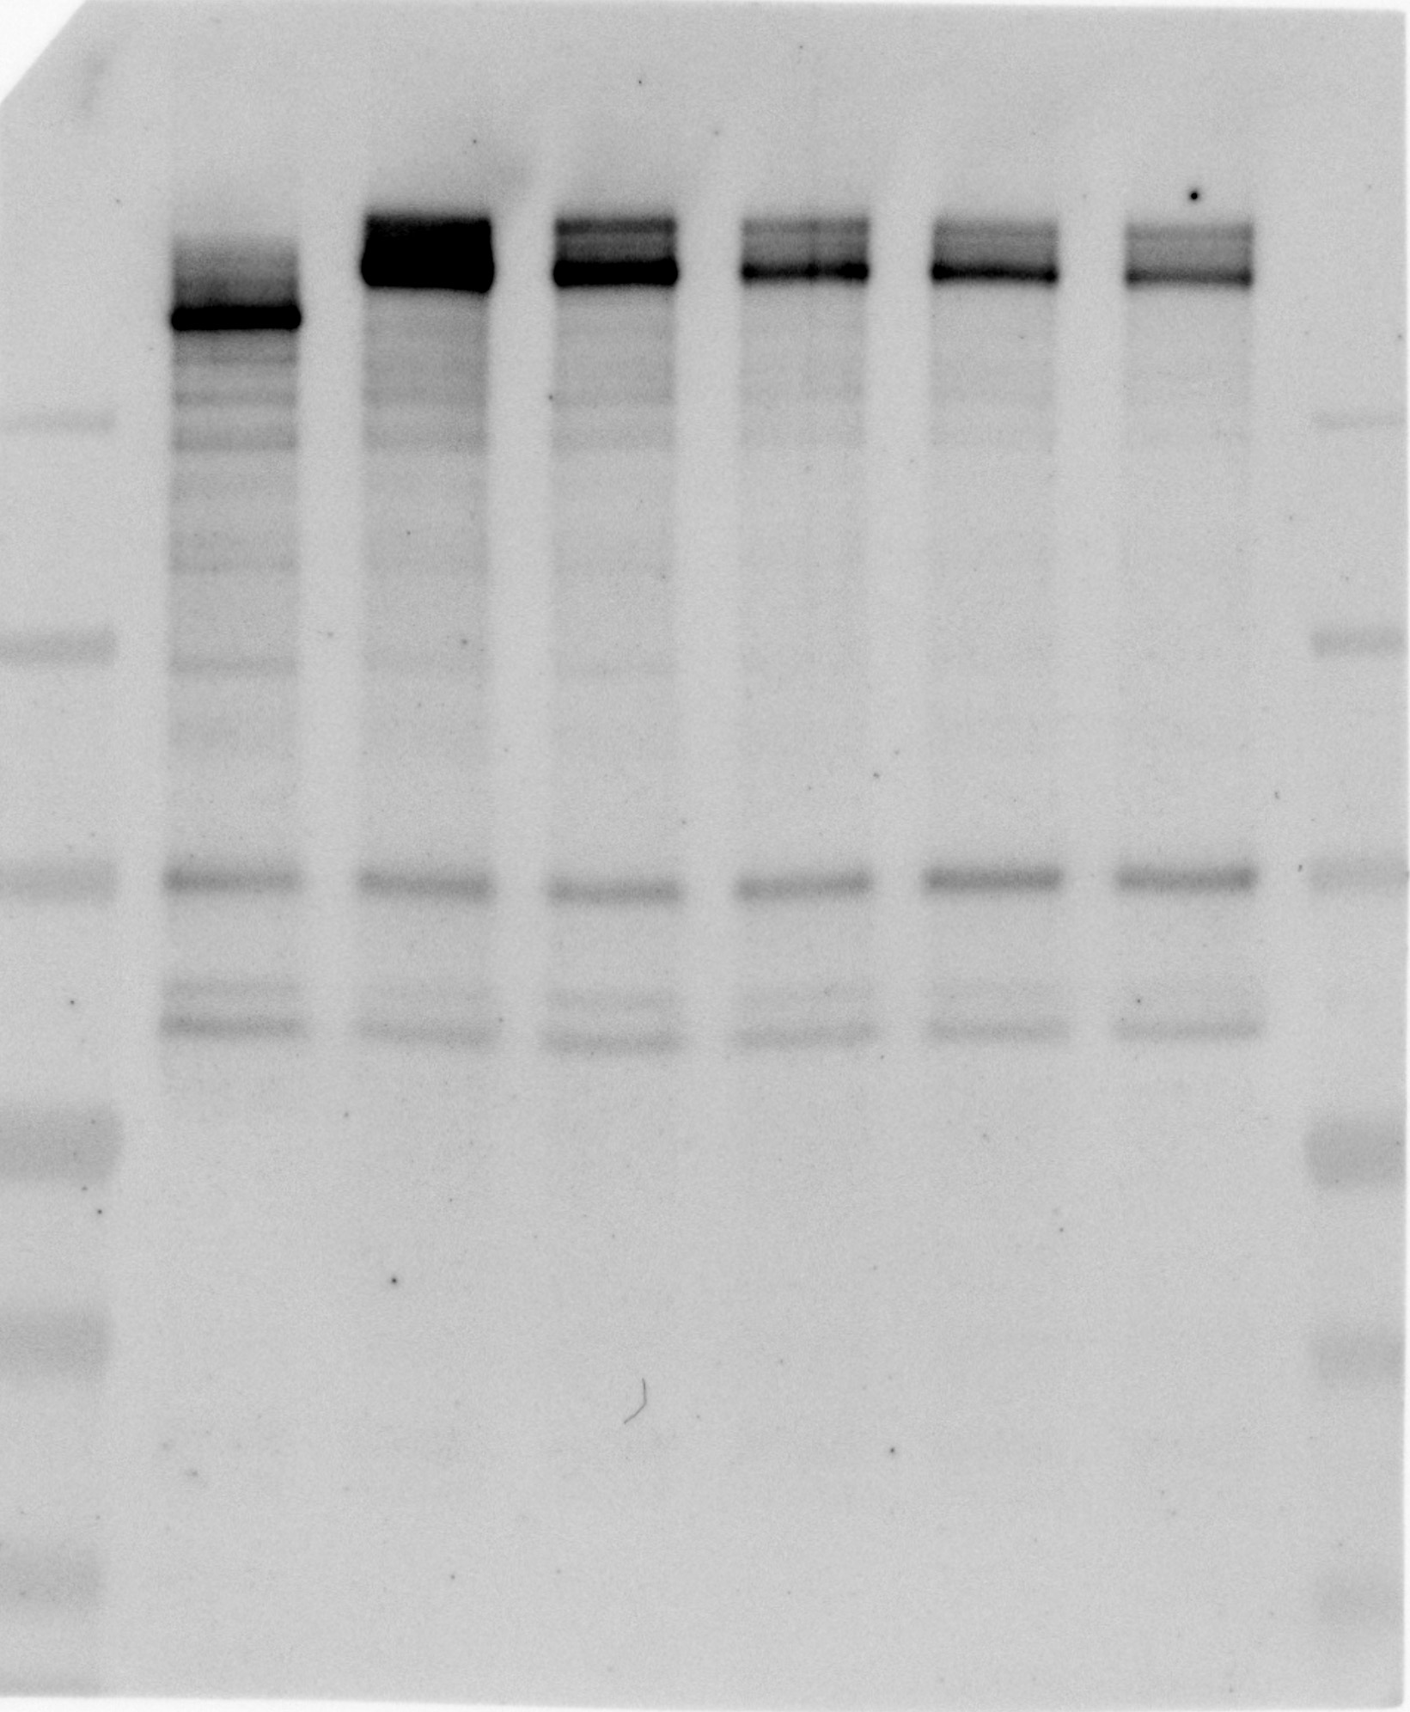

 | Tubulin blot |  |  | Tubulin blot |  |  |  | Tubulin blot

Figure 5
Figure 5A
 | BRD4 blot |  |  |  |  | TOP2A blot
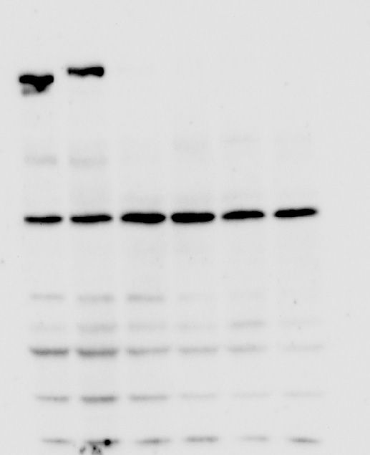
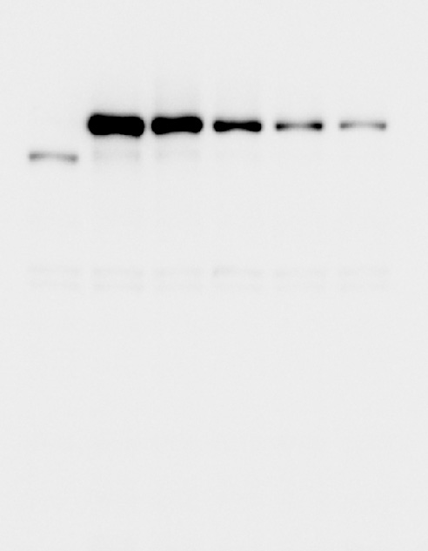


 | Tubulin blot
 |  |  |  |  |  | Tubulin blot


Figure 5B
 | 0 mg/kg |  |  |  |  | 1 mg/kg |  |  |  |  | 3 mg/kg |  |  |  |  | 10 mg/kg
day 7 | 61.6 | 97.1 | 56.3 | 58.7 | 85.9 | 83.3 | 51 | 62.5 | 63.7 | 90.2 | 56.4 | 44.2 | 92.6 | 89.5 | 67.9 | 75.2 | 44.9 | 72.1 | 58.1 | 68.3
day 10 | 134.4 | 189.6 | 121.8 | 191.2 | 122.7 | 69.7 | 109.7 | 117.5 | 115.8 | 93.7 | 129.1 | 109 | 120.9 | 135.9 | 97.6 | 105 | 89.1 | 107.3 | 110.7 | 89.7
day 14 | 393.7 | 306.6 | 263.3 | 361.4 | 280.3 | 123.5 | 147 | 103.6 | 202.4 | 134.4 | 167 | 113.3 | 108.1 | 141 | 94.1 | 124.5 | 58.6 | 61.5 | 86.2 | 98.1

Figure 5C
0 | 1 | 3 | 10
128 | 48 | 51 | 47
110 | 40 | 42 | 23
65 | 46 | 28 | 56
124 | 75 | 63 | 32
84 | 45 | 30 | 24

Figure 5E
 | 0 mg/kg |  |  |  | 1 mg/kg |  |  |  | 3 mg/kg |  |  |  | 10 mg/kg
day 7 | 137.2308 | 112.32 | 102.698 | 107.5739 | 111.5351 | 109.7675 | 120.0881 | 102.5188 | 116.9691 | 92.48745 | 94.43736 | 107.2621 | 95.74688 | 96.06499 | 100.694 | 127.5831
day 9 | 164.6706 | 203.9045 | 180.403 | 239.0736 | 145.3273 | 139.3088 | 158.6001 | 137.2343 | 119.8395 | 132.1932 | 164.7797 | 132.7104 | 152.5879 | 104.5497 | 156.2336 | 116.5587
day 12 | 142.9746 | 222.677 | 297.4003 | 276.4879 | 124.295 | 174.3987 | 255.9683 | 203.1541 | 105.1482 | 104.8625 | 112.1192 | 140.8203 | 153.0841 | 94.45824 | 119.9026 | 99.98308
day 14 | 170.6782 | 195.1195 | 313.6547 | 266.1526 | 80.2373 | 129.9938 | 168.4196 | 137.9472 | 56.34748 | 55.67794 | 79.26767 | 61.62875 | 32.73098 | 27.9752 | 37.75805 | 55.5264

Figure 5F
0 mg/kg | 1 mg/kg | 3 mg/kg | 10 mg/kg
91 | 19 | 14 | 13
94 | 32 | 19 | 18
81 | 32 | 19 | 8
61 | 26 | 20 | 20

Supplementary Figure 1
S Figure 1D

 |  | OsTIR1 blot |  |  |  |  | Tubulin blot
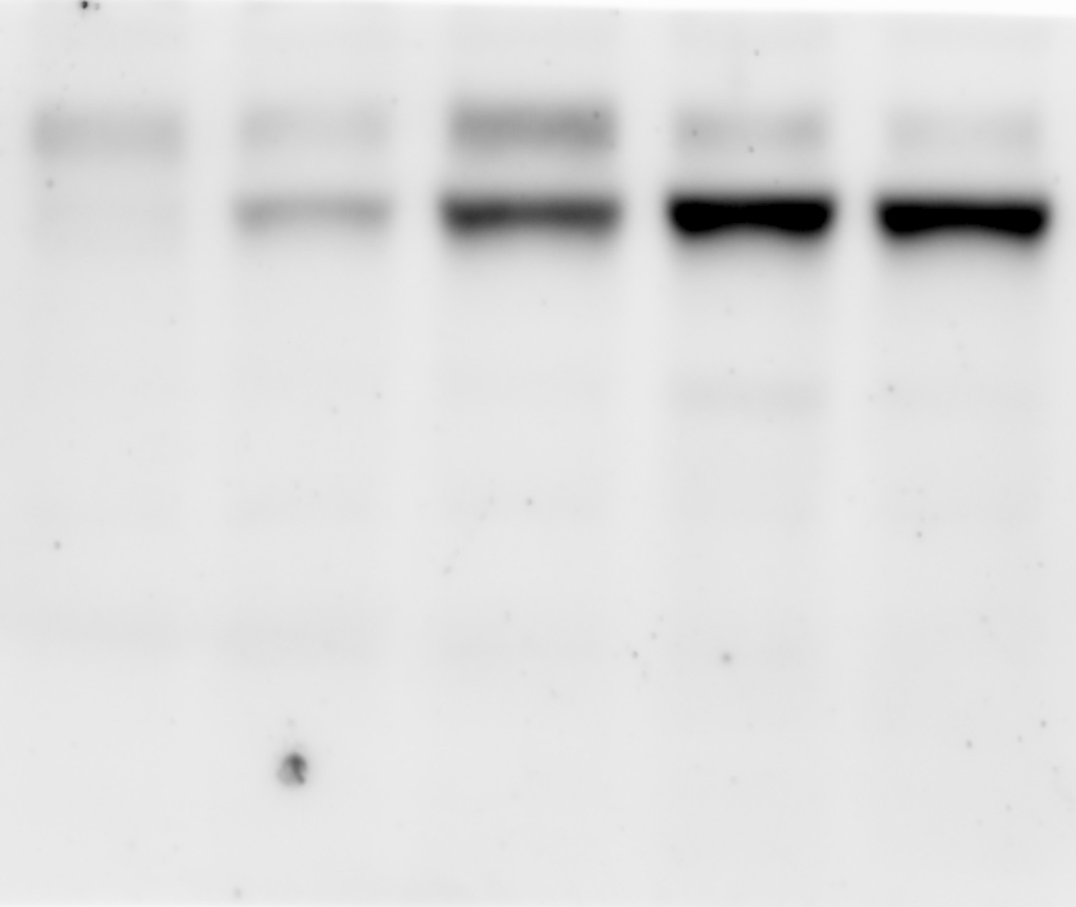
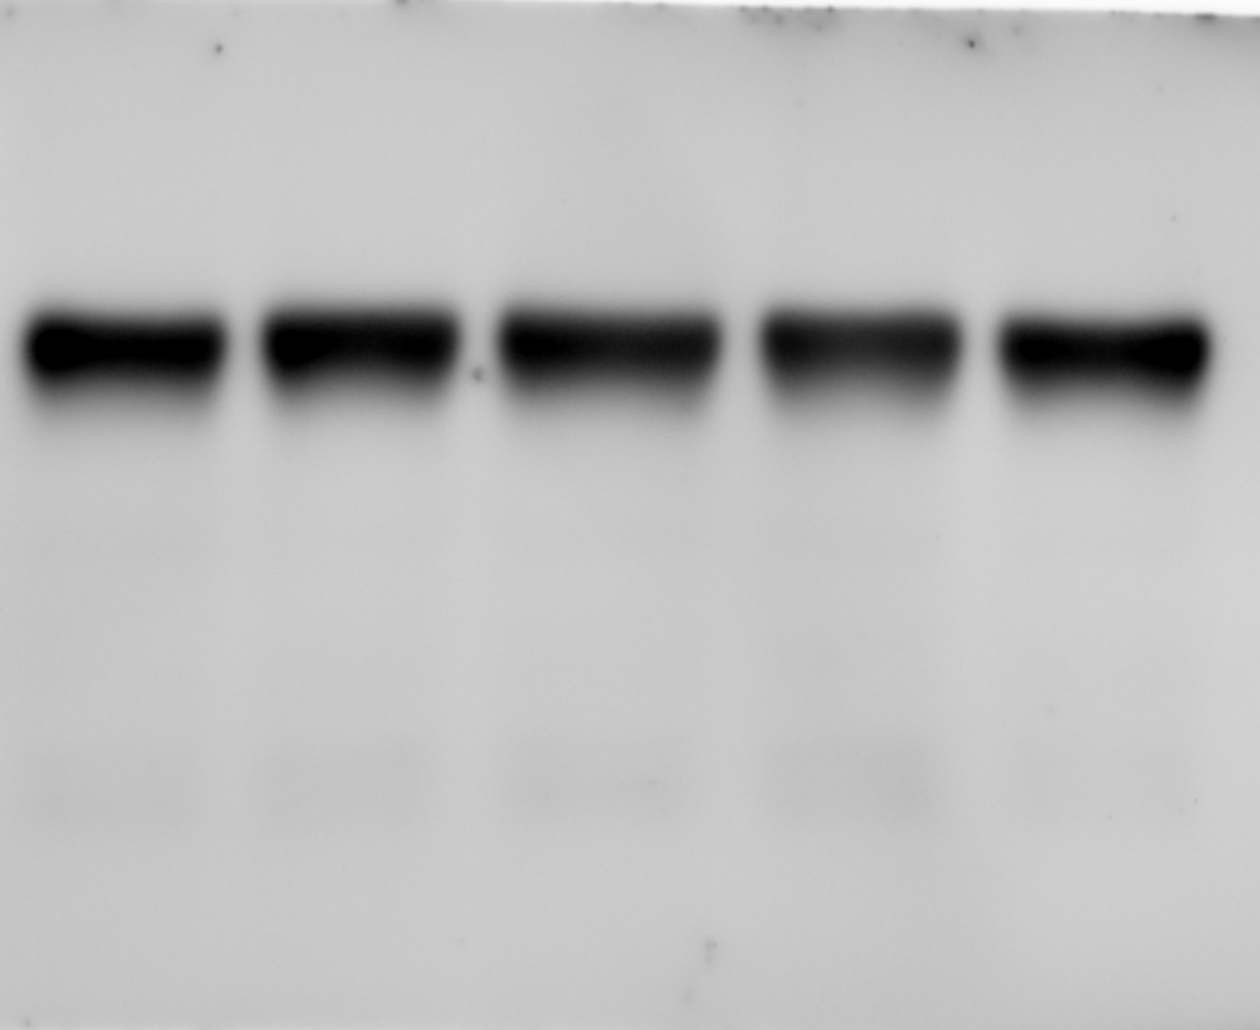

S Figure 1E
 | OsTIR1(F74G) |  |  | OsTIR1(F74A)
untreated | 1 | 1 | 1 | 1 | 1 | 1
+ 10 uM IAA | 0.8106896 | 0.8428586 | 0.8490776 | 0.436046 | 0.435824 | 0.4252335
+ 50 uM IAA | 0.3604358 | 0.4880028 | 0.4790434 | 0.1919274 | 0.2242751 | 0.2187691
+ 100 uM IAA | 0.2530521 | 0.3159427 | 0.3204086 | 0.1770946 | 0.1869328 | 0.186976

Supplementary Figure 5

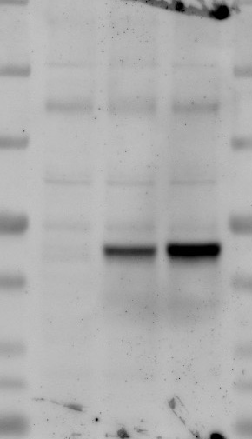
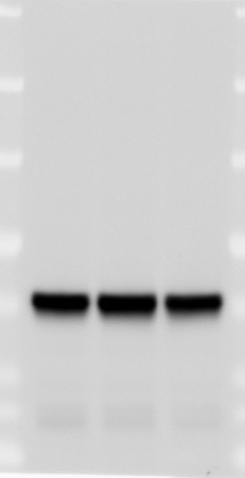
S Figure 5B

 | RAD21 blot | OsTIR1 blot | Tubulin blot

