Figure 6c
 | Figure 6c | (blue boxed)

Left Panel |  |  | Right Panel
micas9
spcas9
spcas9
micas9
 | IP: Flag |  |  | IP: RAD51

MW
MW

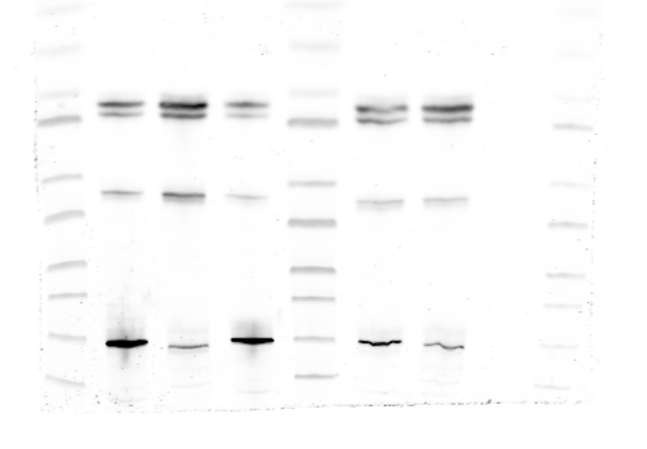

150 KD

Cas9. Primary Ab (Abclonal, A14997)

37 KD

50 KD

RAD51. Primary Ab (Novus biologicals, cat#: NB100-148).

spcas9
micas9
 | Input: Cas9 |  |  | Input | Cas9 and RAD51

MW
spcas9
micas9

MW
MW

150 KD

Cas9. Primary Ab (Abclonal, A14997)
150 KD
Cas9. Primary Ab (Abclonal, A14997)

37 KD
RAD51. Primary Ab (Abclonal, cat# : A6268)
37 KD

RAD51. Primary Ab (Abclonal, cat# : A6268)

spcas9
micas9
 | Input: RAD51
MW

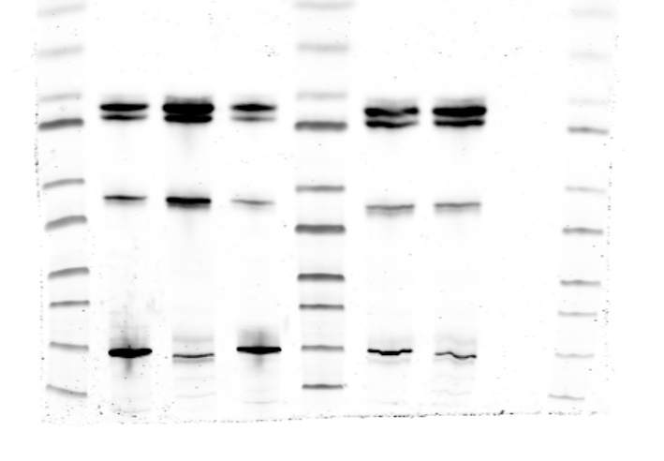

37 KD

50 KD

RAD51. Primary Ab (Novus biologicals, cat#: NB100-148).

Supp Figure 1b
Supp Figure 1b (blue boxed)

MW
spcas9
micas9
 | 1b

150 KD
Cas9

50 KD

37 KD
β-actin

Supp Figure 1c
Supp Figure 1c

sp
mi
HE
GE

MW

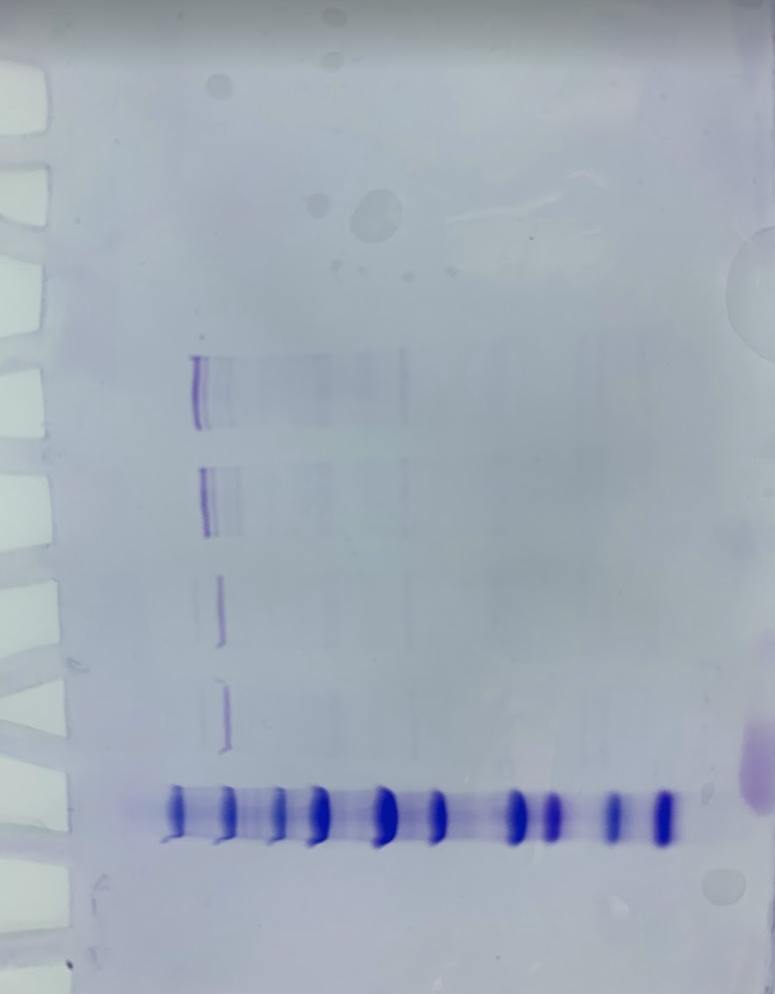

150 KD

Supp Figure 1d
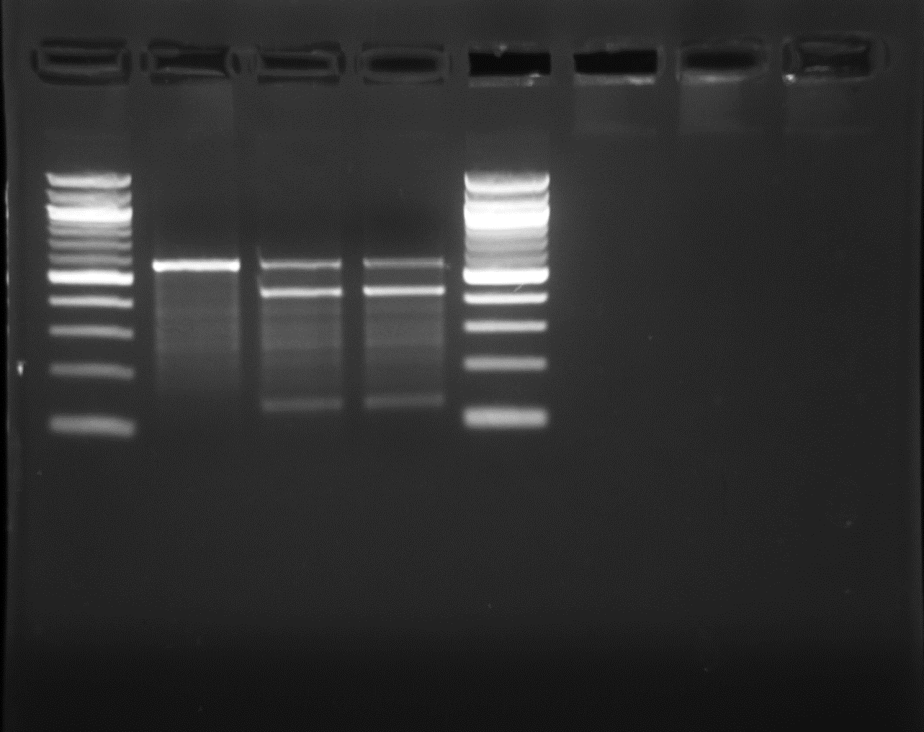
Supp Figure 1d
CDCP
CFTR
- Mi Sp
MW
- Mi Sp

C3

MW
- Mi Sp
MW

Supp figure 4a
Supplementary Figure 4a | (yellow boxed)

OT1
OT2
OT3
OT4
OT5

sp
mi
WT
sp
mi
WT
sp
mi
WT
sp
mi
WT
sp
mi
WT

OT6
OT7
OT8
OT1
OT2

sp
mi
WT
sp
mi
WT
sp
mi
WT
sp
mi
WT
sp
mi
WT

Rosa26
OT3
OT4
OT5

sp
mi
WT
sp
mi
WT
sp
mi
WT

Supp figure 4b
Supplementary Figure 4b | (yellow boxed)

OT1
OT2
OT3
OT4
OT5

sp
mi
WT
sp
mi
WT
sp
mi
WT
sp
mi
WT
sp
mi
WT

OT6
OT7
OT8
OT1
OT2

sp
mi
WT
sp
mi
WT
sp
mi
WT
sp
mi
WT
sp
mi
WT

OT3
OT4
OT5

sp
mi
WT
sp
mi
WT
sp
mi
WT

