Fig.8
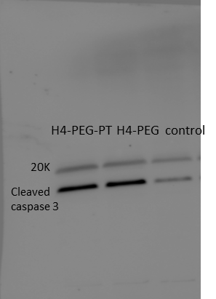
 |  |  |  |  |  |  |  |  |  |  | Cell Viability
Fig.8l |  |  |  |  | Fig.8j | Fig.8g-i |  |  | Fig.8k | Fig. 8c | 0 μM
 | DPBF | H4-PEG-PT 20 ug | H4-PEG-PT 50 ug | H4-PEG-PT 100 ug |  |  | Caspase 3 activity | Stedv |  | No laser | 100.3729 | 98.69
Time | Relative absorbance intensity | Relative absorbance intensity | Relative absorbance intensity | Relative absorbance intensity |  | Control | 10653 | 540 |  | 1.8 W cm-2 | 97.237 | 101.2577
0 | 1 | 1 | 1 | 1 |  | Laser | 10455 | 475 |  | 2.0 W cm-2 | 98.7188 | 99.5543
2 | 0.97427 | 0.97274 | 0.94666 | 0.96079 |  | H4-PEG-PT | 11833 | 2000
AIF
4 | 0.94365 | 0.94067 | 0.89905 | 0.91154 |  | DOX·HCl | 20526 | 2400
6 | 0.90879 | 0.90635 | 0.85955 | 0.85947 |  | H4-PEG-PT + Laser | 34957 | 5700
Actin
8 | 0.87781 | 0.87161 | 0.81128 | 0.81274
10 | 0.84638 | 0.84104 | 0.75895 | 0.76161
Endo G
12 | 0.80912 | 0.80072 | 0.70932 | 0.71424
14 | 0.77329 | 0.76602 | 0.65901 | 0.66688 |  |  | Caspase 8 activity | Stedv
 |  |  |  |  |  | Control | 14046 | 813
 |  |  |  |  |  | Laser | 13946 | 889
 |  |  |  |  |  | H4-PEG-PT | 14096 | 645
Smac/
Diablo
 |  |  |  |  |  | DOX·HCl | 19878 | 1500
 |  |  |  |  |  | H4-PEG-PT + Laser | 35622 | 5600
...
 |  |  |  |  |  |  | Caspase 9 activity | Stedv
 |  |  |  |  |  | Control | 35797 | 481
 |  |  |  |  |  | Laser | 36460 | 881
 |  |  |  |  |  | H4-PEG-PT | 37514 | 485
 |  |  |  |  |  | DOX·HCl | 38620 | 928
 |  |  |  |  |  | H4-PEG-PT + Laser | 42936 | 1881
...

