Figure 6
Figure 6a
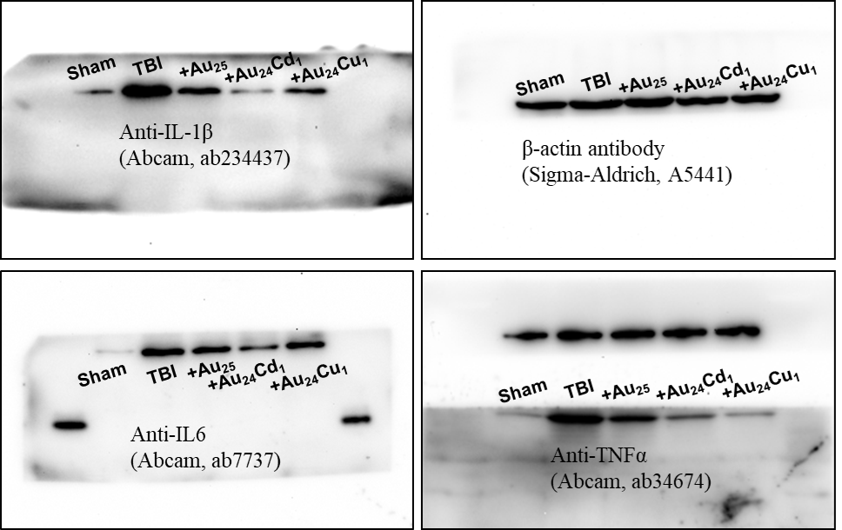

55 kD
25 kD
15 kD
40 kD

35kD

35 kD

Figure 6b
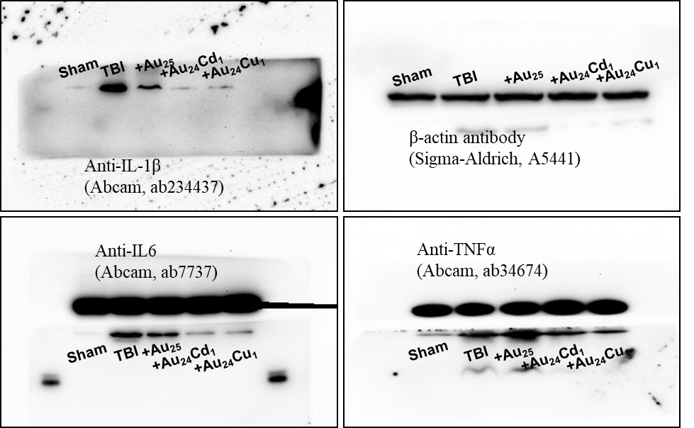

55 kD
25 kD
15 kD
40 kD

35 kD
35 kD

Figure 6c
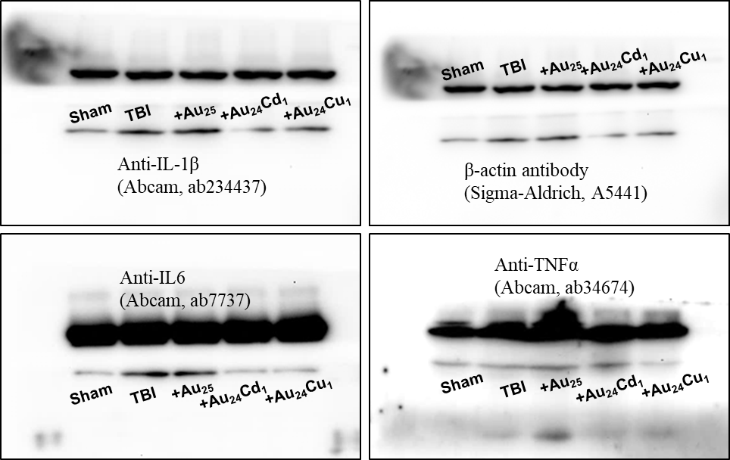

55 kD

40 kD
25 kD

15 kD

35 kD
35 kD

Figure 6d
 | IL-1β |  |  |  |  |  |  |  |  |  | IL-6 |  |  |  |  |  |  |  |  |  | TNFα
 | Sham |  | TBI |  | Au25 |  | Au24Cd1 |  | Au24Cu1 |  | Sham |  | TBI |  | Au25 |  | Au24Cd1 |  | Au24Cu1 |  | Sham |  | TBI |  | Au25 |  | Au24Cd1 |  | Au24Cu1
1d | 0.17457 | 0.01177 | 0.98139 | 0.08106 | 0.47354 | 0.023 | 0.17887 | 0.01306 | 0.42485 | 0.02992 | 0.02079 | 8.92E-04 | 0.58922 | 0.07004 | 0.39299 | 0.02216 | 0.18592 | 0.0125 | 0.34505 | 0.02512 | 0.18754 | 0.0224 | 1.18498 | 0.03319 | 0.76388 | 0.03784 | 0.53551 | 0.02337 | 0.25122 | 0.01184
3d | 0.04692 | 0.00926 | 0.85988 | 0.07283 | 0.33081 | 0.03015 | 0.05302 | 0.01035 | 0.08415 | 0.0103 | 0.05981 | 0.01173 | 0.61926 | 0.05665 | 0.45785 | 0.02831 | 0.14342 | 0.02051 | 0.15318 | 0.01461 | 0.16888 | 0.0145 | 0.75039 | 0.09081 | 1.02393 | 0.0562 | 0.60267 | 0.07175 | 0.35879 | 0.04209
7d | 0.06775 | 0.0034 | 0.1694 | 0.00449 | 0.20389 | 0.0103 | 0.07062 | 0.00372 | 0.12212 | 0.0058 | 0.04577 | 0.00137 | 0.21016 | 0.00908 | 0.19469 | 0.01316 | 0.05712 | 0.00504 | 0.06019 | 0.00707 | 0.05941 | 0.00553 | 0.08107 | 0.00112 | 0.13 | 0.01004 | 0.12909 | 0.00657 | 0.04566 | 0.00238

Figure 6e IL-1β |  |  |  |  |  |  |  |  |  |  | Figure 6f IL-6 |  |  |  |  |  |  |  |  |  |  | Figure 6g TNFα
 | Sham |  | TBI |  | Au25 |  | Au24Cd1 |  | Au24Cu1 |  |  | Sham |  | TBI |  | Au25 |  | Au24Cd1 |  | Au24Cu1 |  |  | Sham |  | TBI |  | Au25 |  | Au24Cd1 |  | Au24Cu1
1 d | 8.23585 | 1.5383 | 30.92244 | 2.60088 | 20.26579 | 1.12138 | 15.24001 | 1.70713 | 20.81942 | 1.39823 | 1 d | 6.05452 | 0.33495 | 16.74107 | 1.15846 | 14.77958 | 1.225 | 9.80708 | 0.44819 | 11.85376 | 0.9068 | 1 d | 15.30197 | 0.81575 | 28.98257 | 1.93622 | 19.68905 | 1.98711 | 18.80489 | 1.91738 | 17.47901 | 1.22
3 d | 8.67374 | 1.71203 | 26.90432 | 1.34136 | 15.48468 | 1.27561 | 12.92301 | 0.68367 | 15.5251 | 1.40496 | 3 d | 6.24414 | 0.38258 | 13.8569 | 1.25971 | 11.13282 | 0.75337 | 7.06513 | 0.50717 | 8.3072 | 0.58471 | 3 d | 15.74988 | 1.01635 | 28.59115 | 1.41689 | 17.98173 | 1.02927 | 16.77282 | 1.02383 | 16.05751 | 1.02935
7 d | 7.55436 | 1.57353 | 16.17786 | 1.70081 | 15.34612 | 1.3294 | 7.58817 | 0.9147 | 10.87276 | 0.84562 | 7 d | 5.99255 | 0.3586 | 10.05755 | 0.56705 | 8.25023 | 0.39844 | 6.2756 | 0.56854 | 6.90603 | 0.37985 | 7 d | 15.8832 | 0.38041 | 18.84265 | 0.67909 | 16.22958 | 0.50796 | 14.77697 | 1.82812 | 14.89711 | 1.24267

Figure 6i |  |  |  |  |  |  |  |  |  |  |  | Figure 6j
 | Sham |  | TBI |  | Au25 |  | Au24Cd1 |  | Au24Cu1 |  |  |  | Sham |  | TBI |  | Au25 |  | Au24Cd1 |  | Au24Cu1
IBA-1 | 366.66667 | 19.24501 | 2033.33333 | 323.75116 | 983.33333 | 137.09959 | 466.66667 | 47.14045 | 550 | 56.9275 |  | IBA-1 | 123.38977 | 7.96201 | 289.19628 | 46.2733 | 164.77646 | 17.11435 | 124.52663 | 4.24592 | 123.59615 | 15.42863
Neun | 258.33333 | 55.0673 | 375 | 69.88748 | 358.33333 | 20.97176 | 183.33333 | 34.69443 | 200 | 38.49002 |  | Neun | 560.58879 | 70.67186 | 112.00203 | 24.88642 | 314.39044 | 50.58606 | 424.37265 | 44.54131 | 415.83243 | 62.19235
GFAP | 175 | 53.35937 | 500 | 113.85501 | 325 | 75 | 208.33333 | 55.0673 | 183.33333 | 34.69443 |  | GFAP | 60.40325 | 5.08952 | 133.1385 | 10.98239 | 88.01443 | 18.86054 | 55.36388 | 2.11117 | 60.72688 | 3.75162

