Fig. 1c
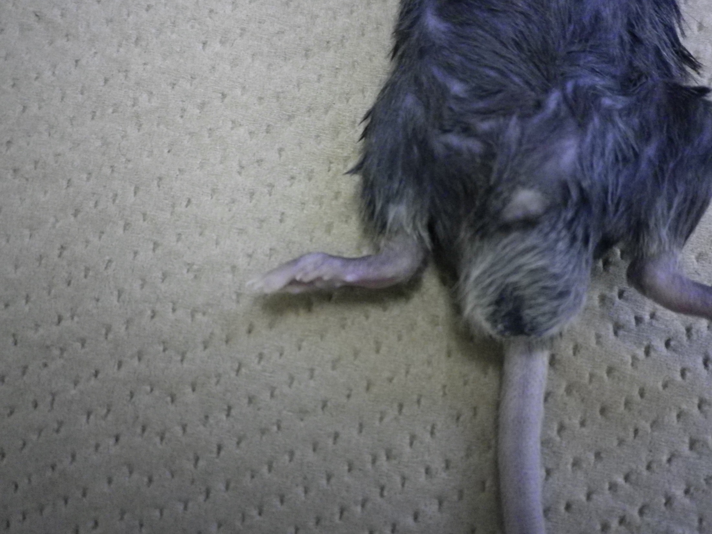
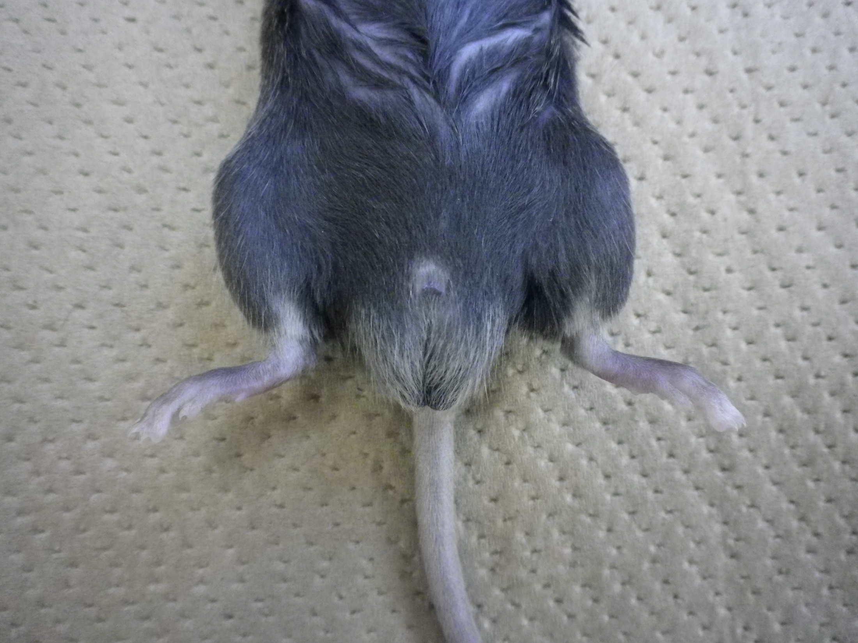
Figure 1c

WT | Tarm1-/-

Fig. 1d
Figure 1d

WT | Tarm1-/-

100 μm
100 μm

Fig. 1e
Figure 1e

WT | Tarm1-/-
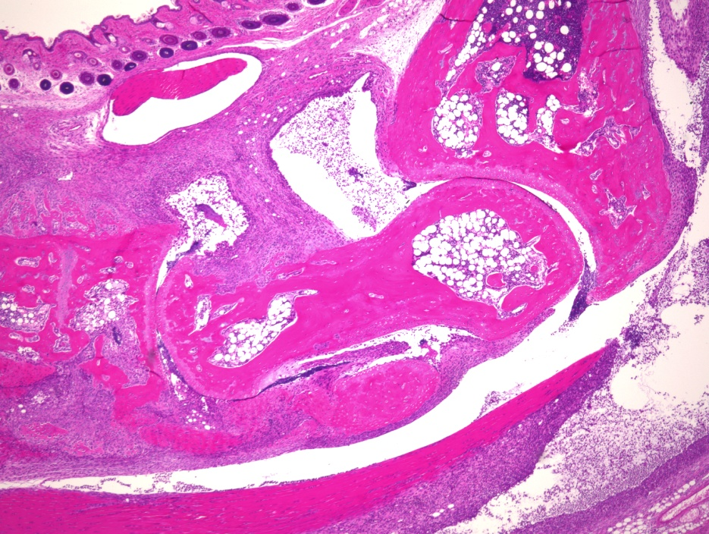

100 μm
100 μm

Fig. 4f
Figure 4f

250
150
100
75
50
37
25
20
15
10
IgG
Fc
TARM1-
Fc
Lysate
Lysate
250

150

100
75

50

37

25

20

15

10
1st: Anti-β-actin polyclonal antibody
2nd Anti-rabbit IgG-HRP)

1st: Anti-type II collagen antibody
2nd: Streptavidin-HRP

Fig. 5b
Figure 5b

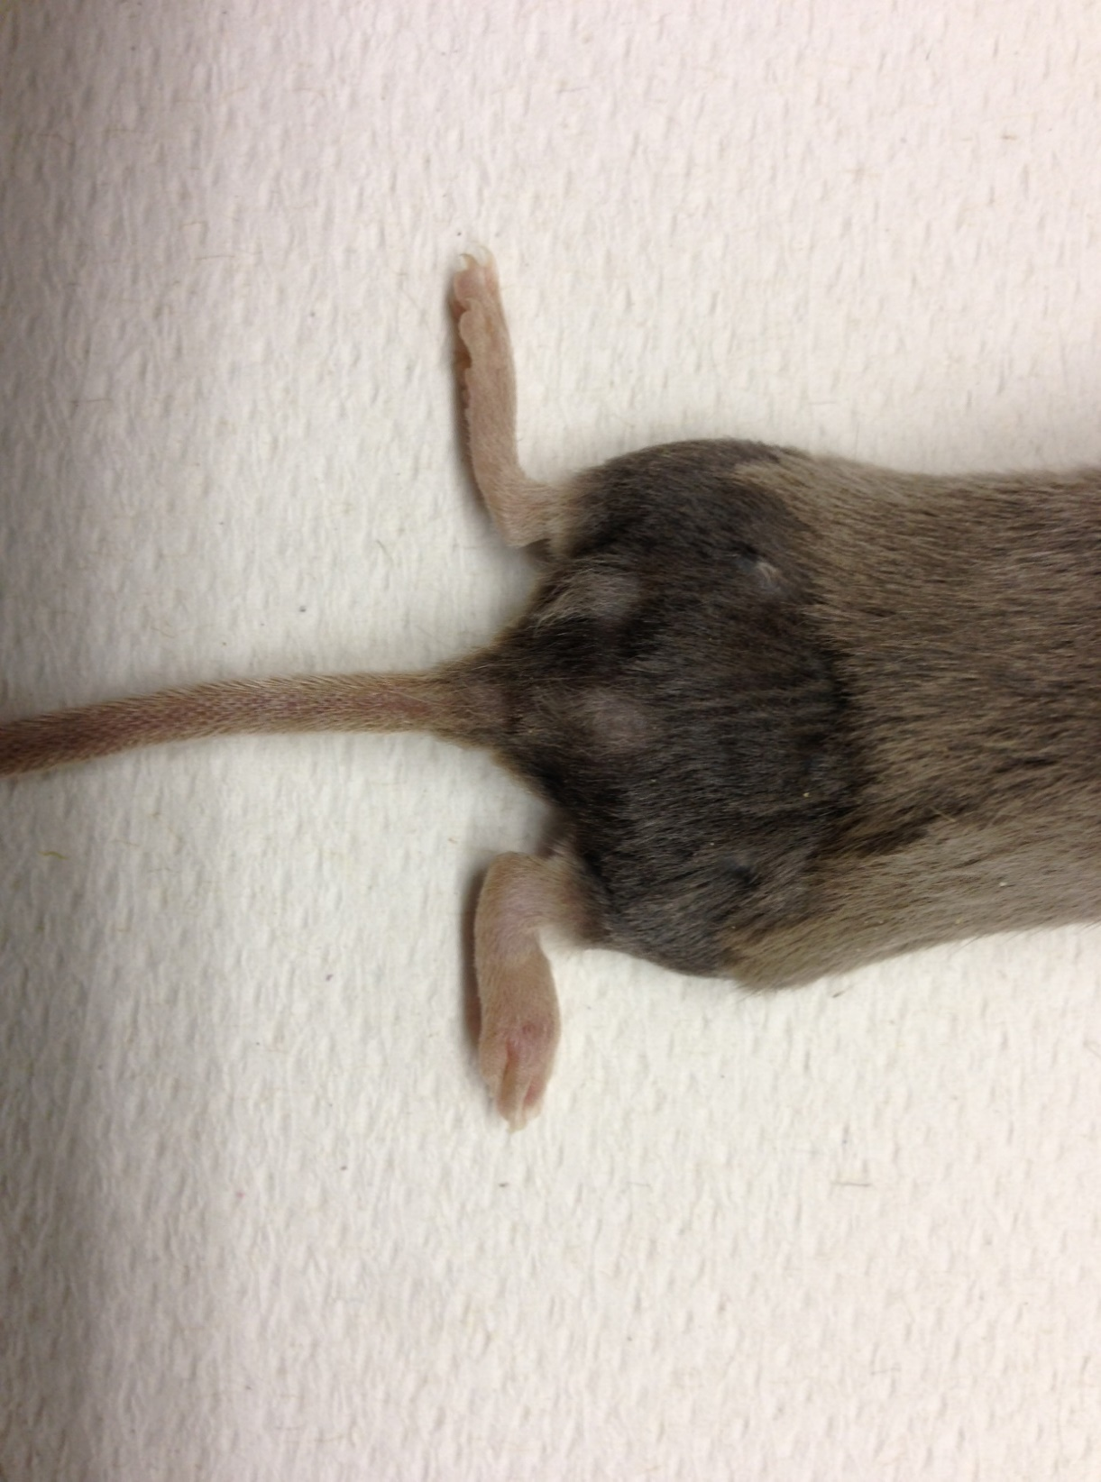

IgG Fc
TARM1-Fc

Fig. 5c
Figure 5c

IgG Fc | TARM1-Fc

100 μm
100 μm

Supp. Fig. 1d
Supplementary Figure 1d

 | 5' probe | 3' probe

Marker
Marker
+/+
+/-
+/+
-/-
+/+
+/-
-/-

(kbp)
(kbp)
10
10
8
8
6
6
5
5
4
4

3
3

2
2

1.5
1.5

1
1

Supp. Fig. 1e
Supplementary Figure 1e

Marker
-/-
+/+
-/-
+/-
-/-
+/-
-/-
+/-
(kbp)
1.5
1.2
1.0
0.9
0.8
0.7
0.6
0.5
0.4
0.3
0.2
0.1

