Figure S13b
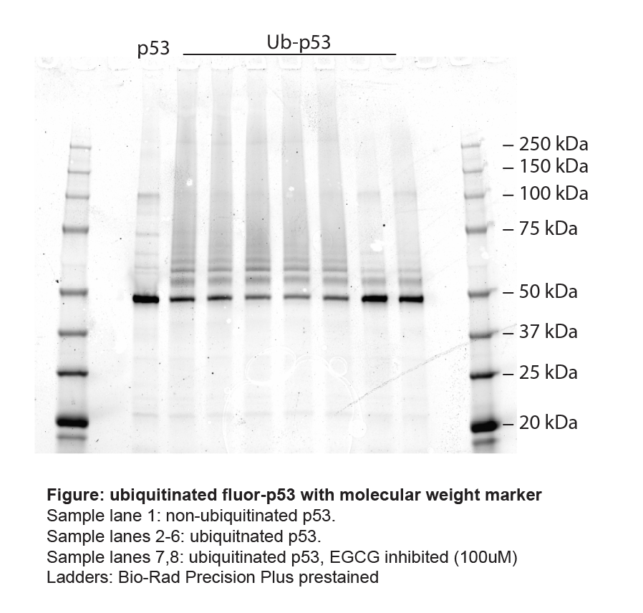
Figure 13a

