Fig.1r
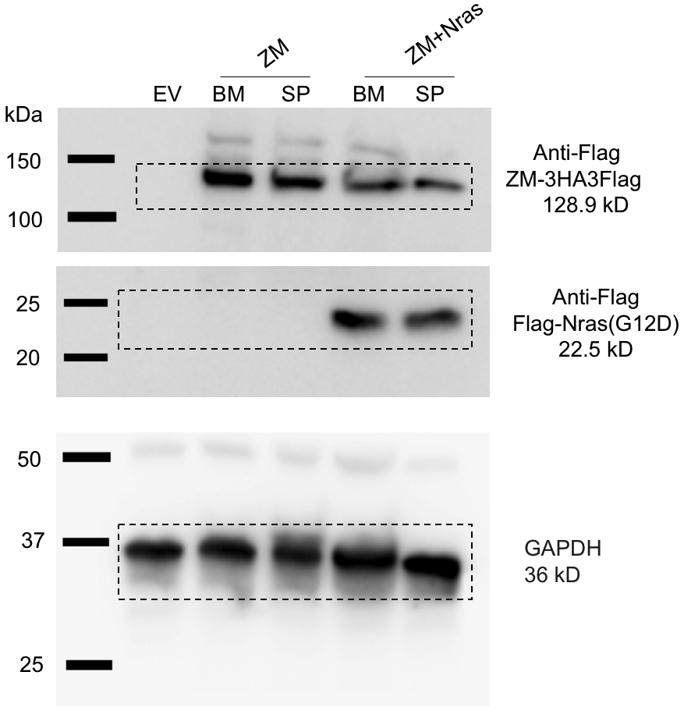
Fig. 1r: dotted areas denote blots’ images used in the manuscript

Fig.5b
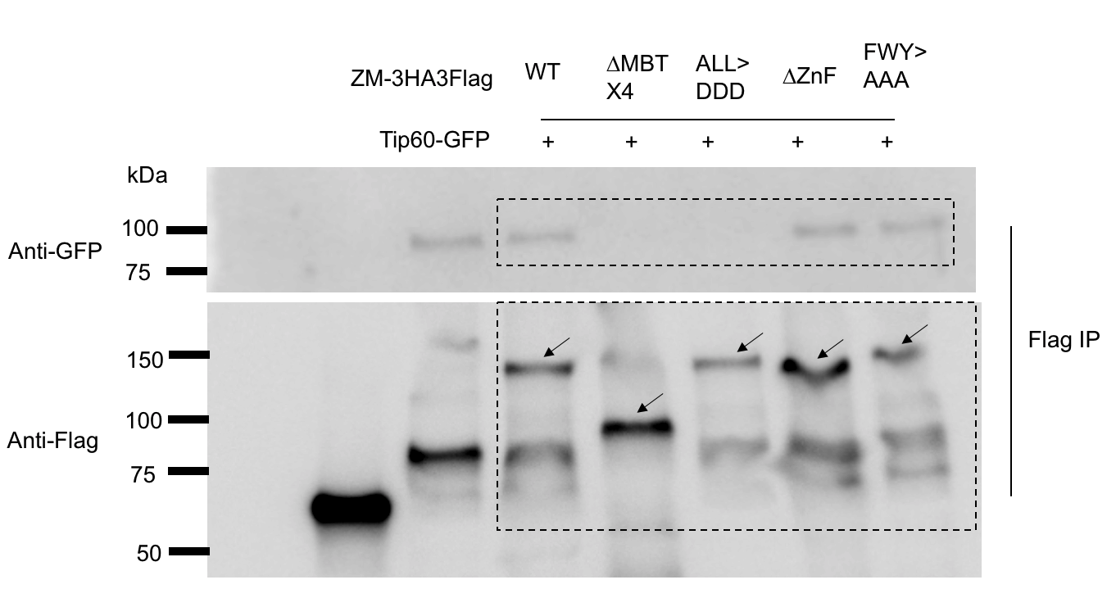
Fig. 5b: dotted areas denote blots’ images used in the manuscript, arrows indicate the full-length ZM bands

Fig.5c
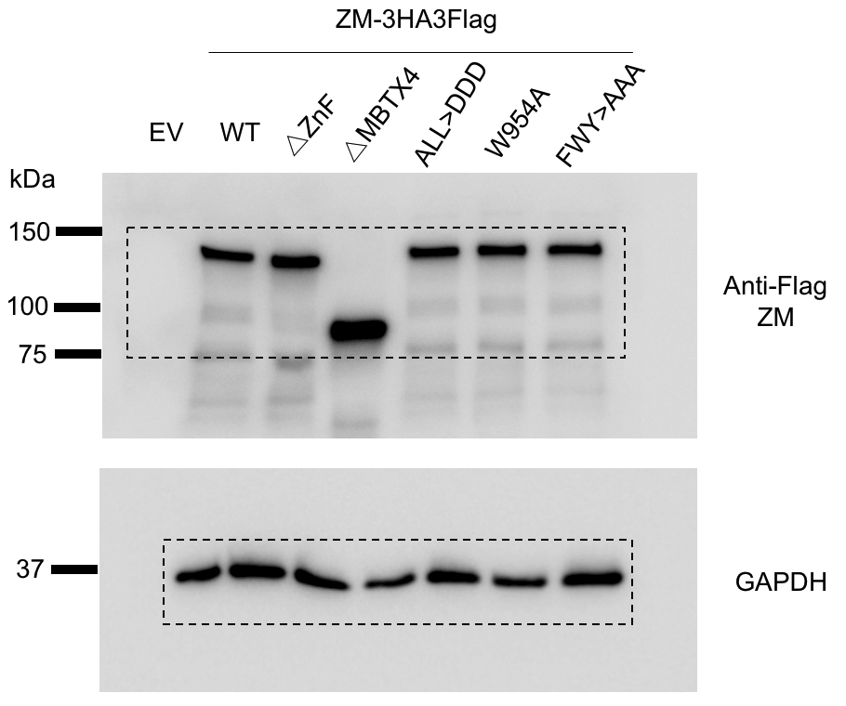
Fig. 5c: dotted areas denote blots’ images used in the manuscript

Fig. 5h
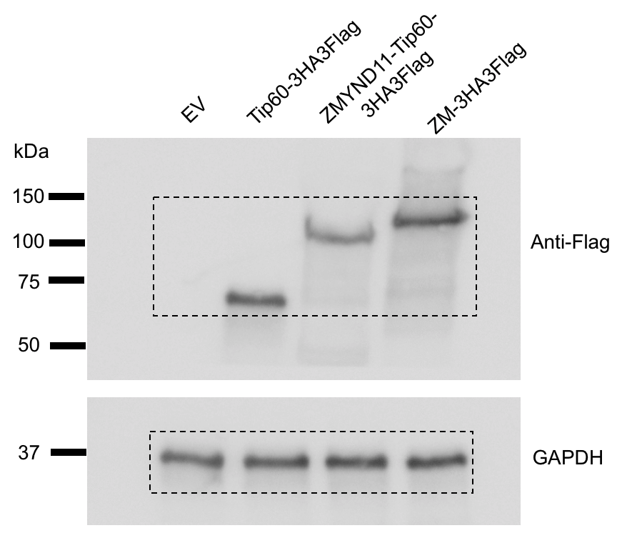
Fig. 5h: dotted areas denote blots’ images used in the manuscript

Fig.6b
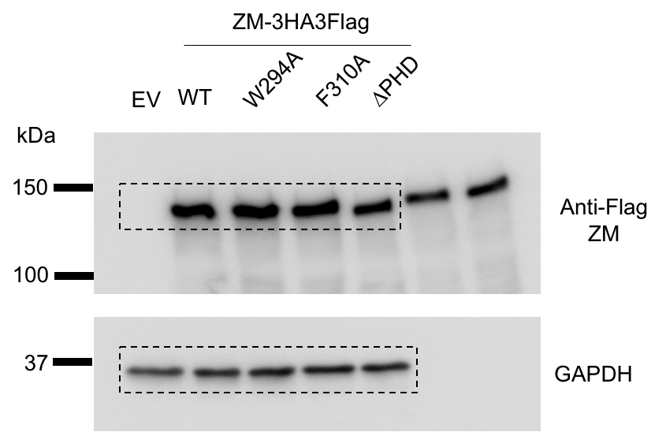
Fig. 6b: dotted areas denote blots’ images used in the manuscript

Fig.6e
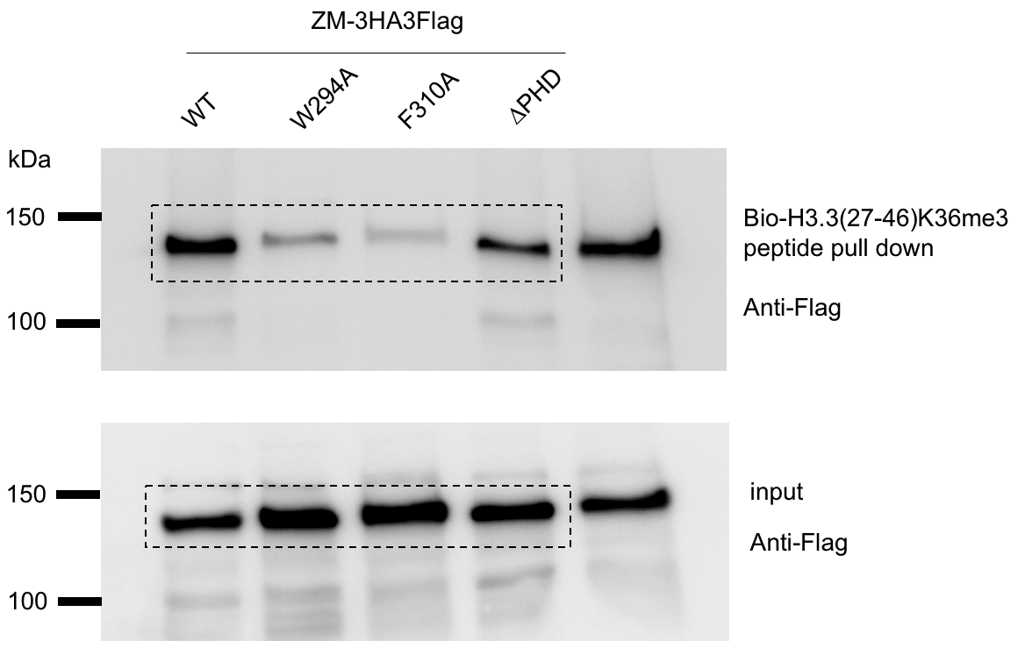
Fig. 6e: dotted areas denote blots’ images used in the manuscript

Fig.6f
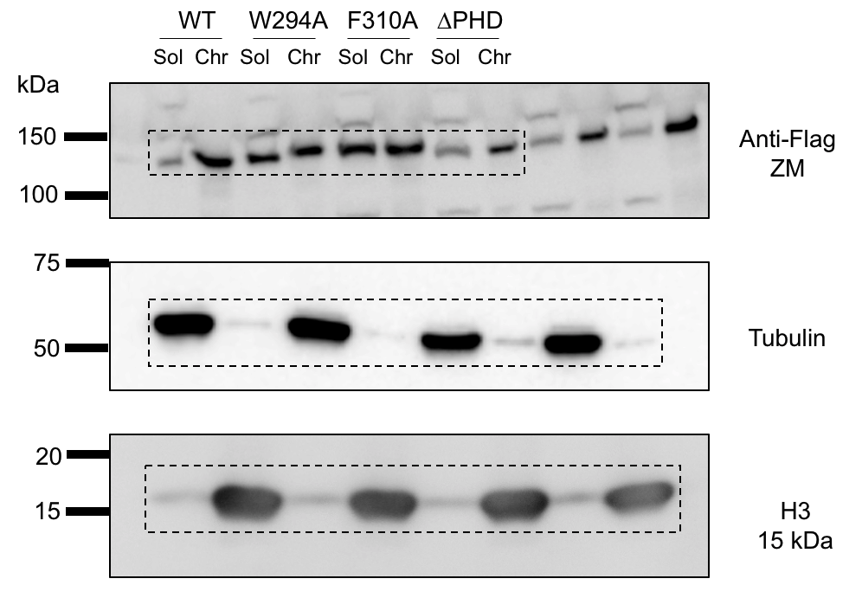
Fig. 6f: dotted areas denote blots’ images used in the manuscript

Fig.6g
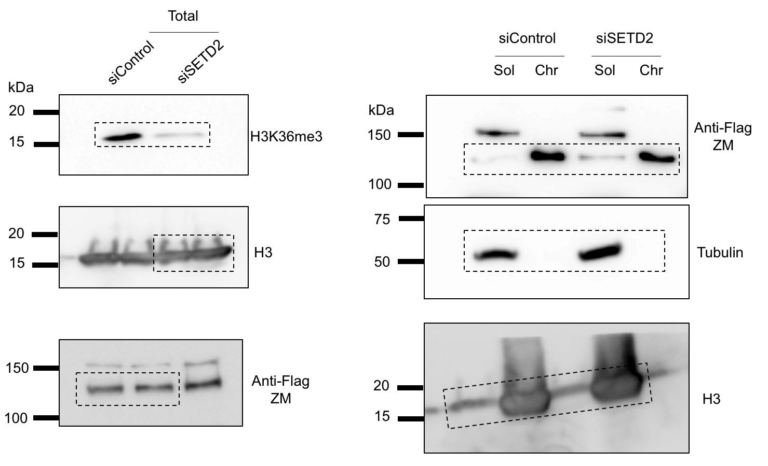
Fig. 6g: dotted areas denote blots’ images used in the manuscript

SFig.5a
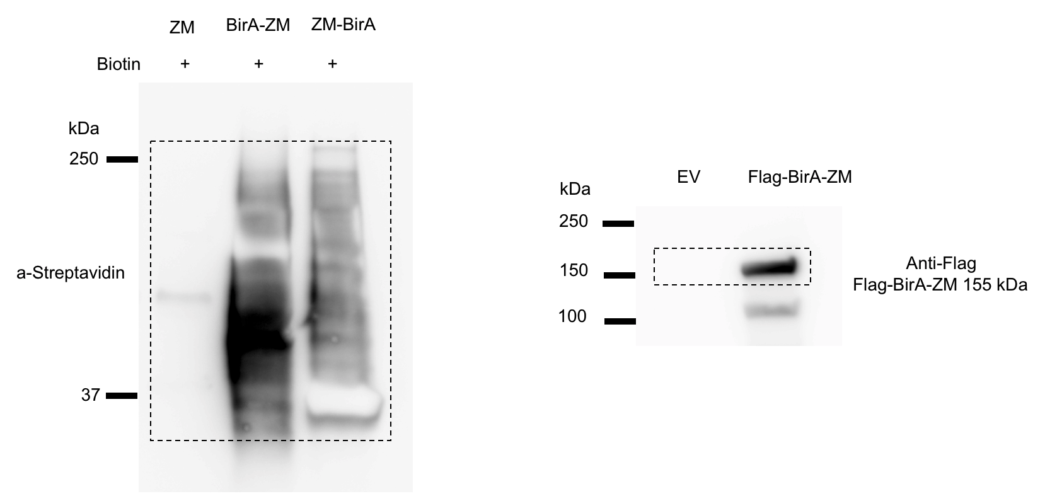
Supplementary Fig. 5a: dotted areas denote blots’ images used in the manuscript

SFig.5b
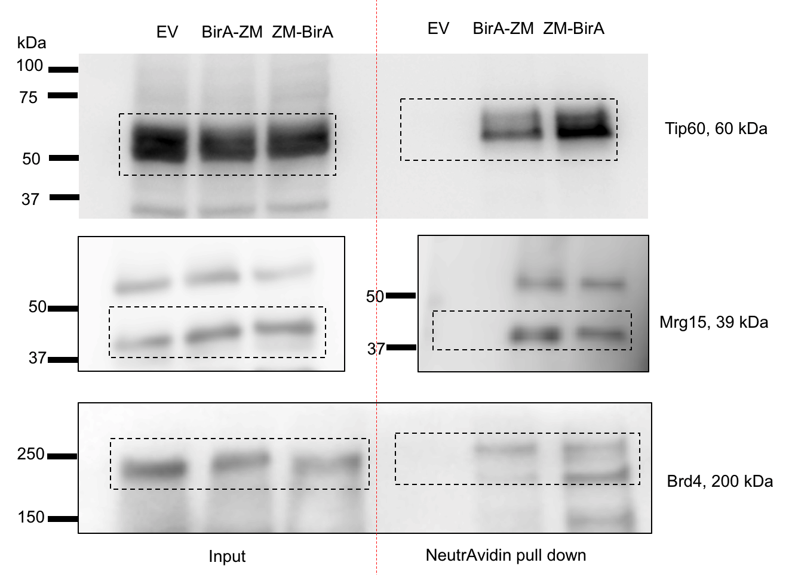
Supplementary Fig. 5b: dotted areas denote blots’ images used in the manuscript

SFig.5c
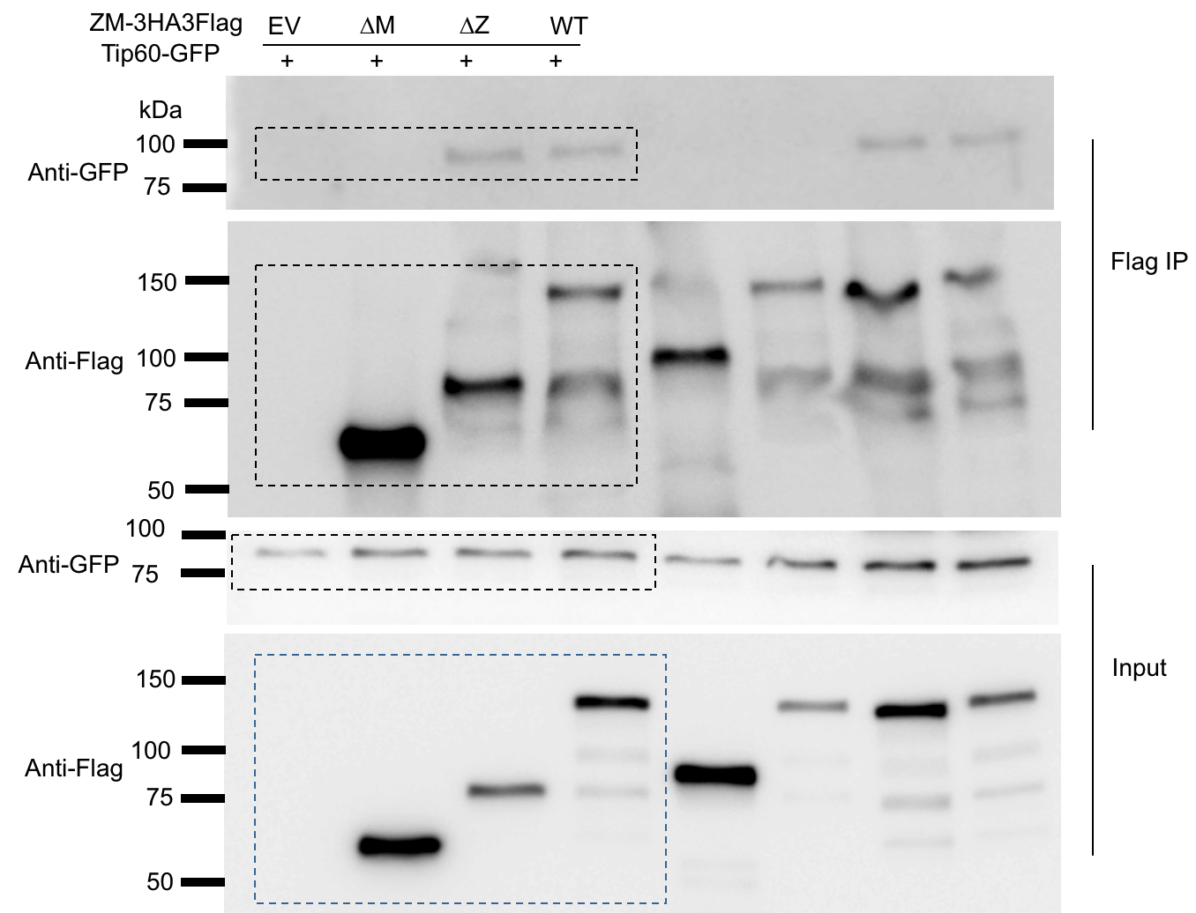
Supplementary Fig. 5c: dotted areas denote blots’ images used in the manuscript

SFig.7a
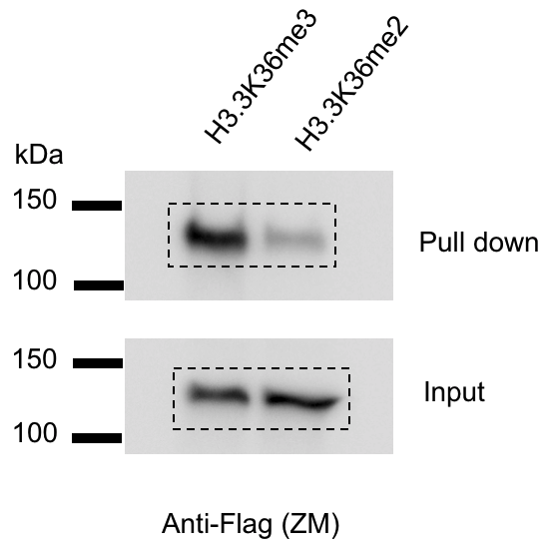
Supplementary Fig. 7a: dotted areas denote blots’ images used in the manuscript

