GEE (Supp. Fig 1a)
Supplementary Table for supp. Figure 1. Generalized estimating equation (GEE) model with exchangeable correlation structure for the trend of the biomarkers over time.

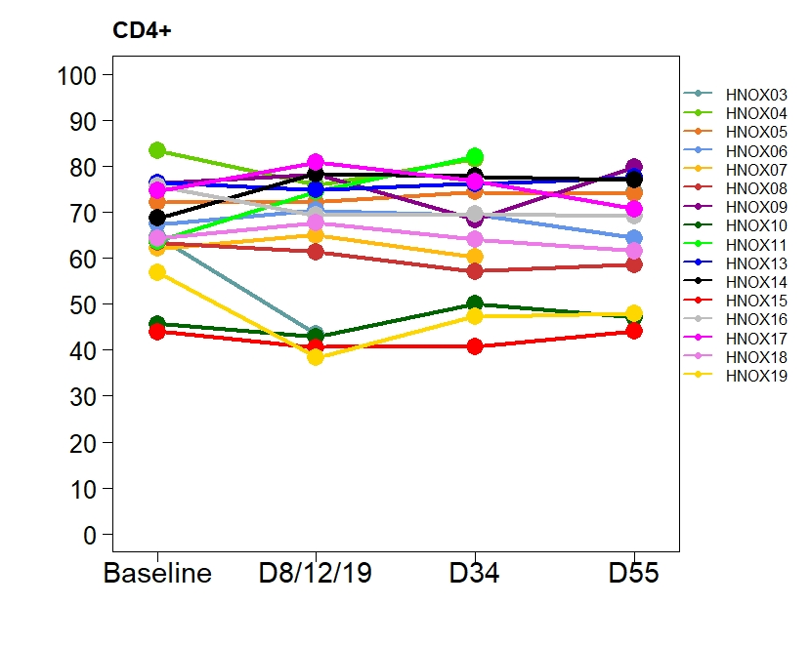
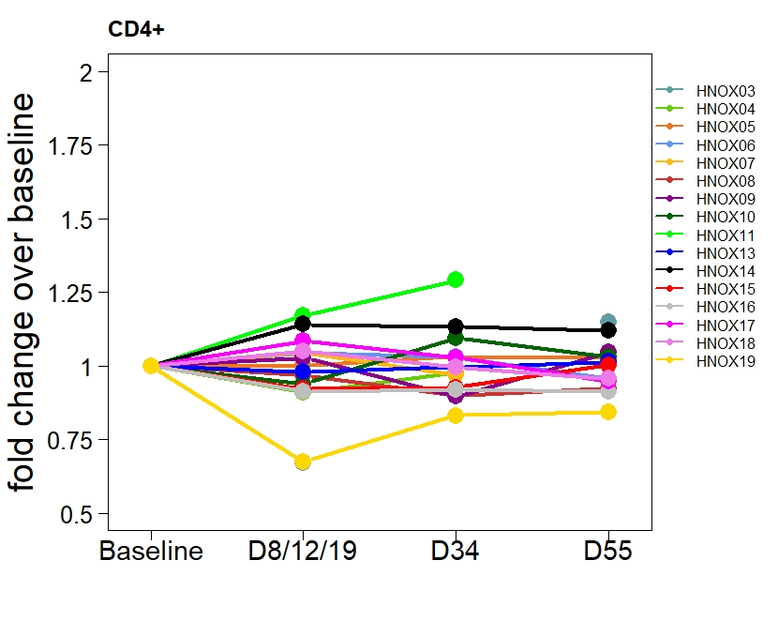
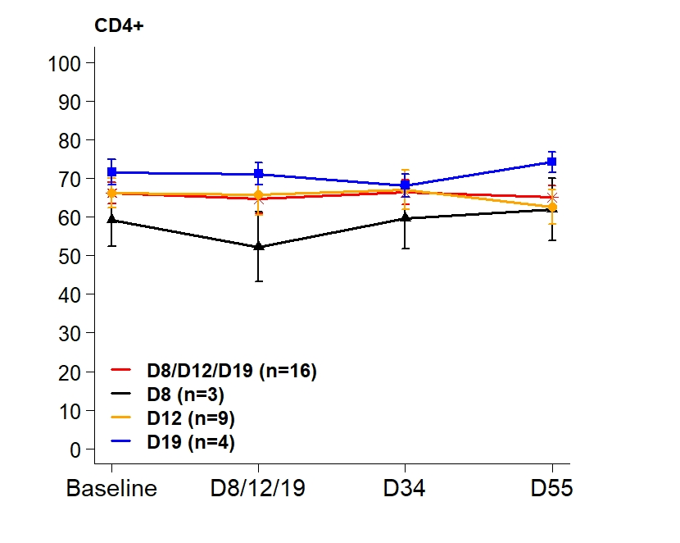
A. Original scale
 | Estimate | Lower 95% CI | Upper 95% CI | p-value
CD4+
Time | -0.153 | -2.782 | 2.476 | 0.909
CD8+
Time | 0.256 | -1.825 | 2.338 | 0.809
Treg
Time | -0.141 | -0.774 | 0.493 | 0.663
CD4_Ki67
Time | -0.123 | -0.827 | 0.580 | 0.731
TCM_Ki67
Time | 0.139 | -0.643 | 0.922 | 0.728
TEM_Ki67
Time | -0.097 | -1.136 | 0.942 | 0.855
Foxp3_Ki67
Time | -0.621 | -2.496 | 1.253 | 0.516
TCM_EMRAneg
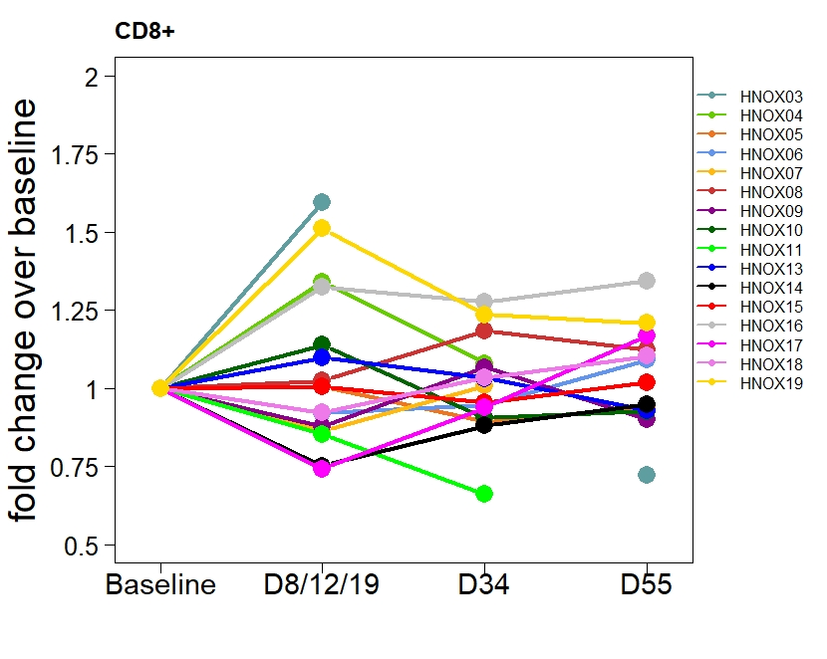
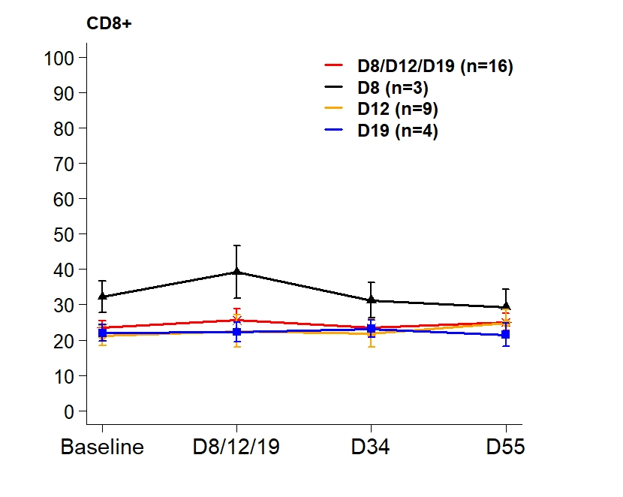
Time | 0.872 | -3.586 | 5.330 | 0.701
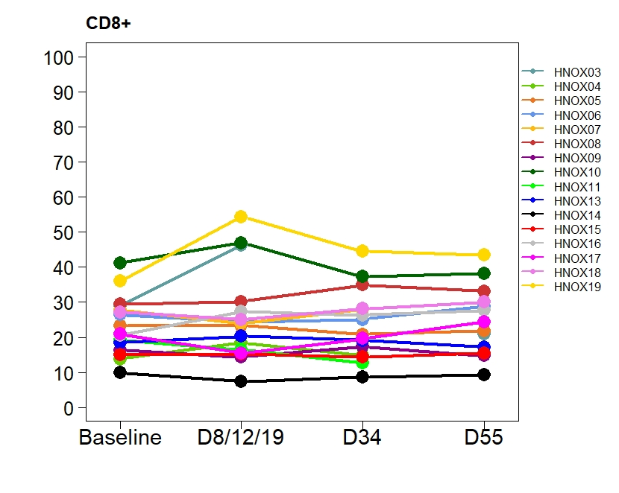
TEM_EMRApos
Time | -0.342 | -4.407 | 3.723 | 0.869

B. Original scale
 | Estimate | Lower 95% CI | Upper 95% CI | p-value
CD4+
Time | -0.092 | -2.562 | 2.379 | 0.942
D8
D12 | 7.382 | -0.888 | 15.652 | 0.080
D19 | 12.916 | 5.473 | 20.358 | 0.001
CD8+
Time | 0.194 | -1.752 | 2.140 | 0.845
D8
D12 | -10.713 | -17.068 | -4.358 | <0.001
D19 | -10.891 | -16.601 | -5.180 | <0.001
Treg
Time | -0.157 | -0.705 | 0.390 | 0.573
D8
D12 | -2.397 | -4.313 | -0.481 | 0.014
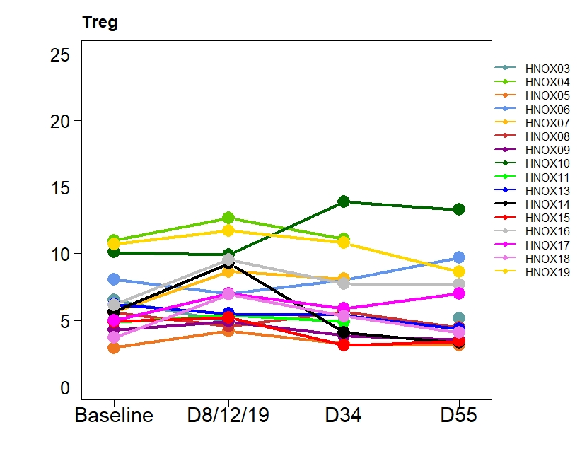
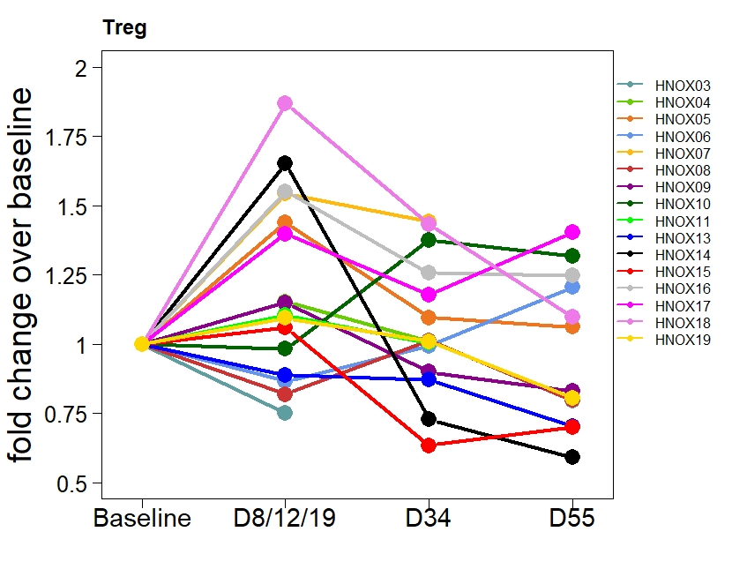
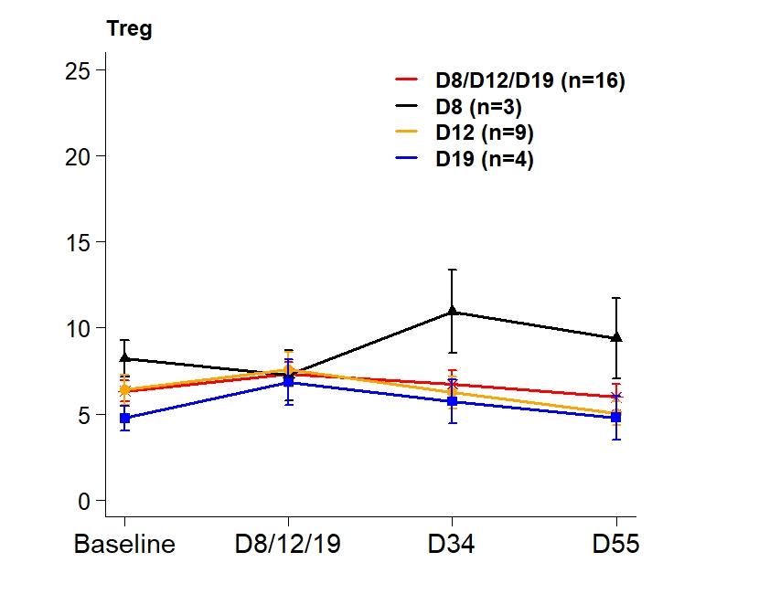
D19 | -3.216 | -5.245 | -1.187 | 0.002
CD4_Ki67
Time | -0.124 | -0.816 | 0.568 | 0.726
D8
D12 | -0.293 | -2.606 | 2.021 | 0.804
D19 | 0.067 | -2.049 | 2.183 | 0.950
TCM_Ki67
Time | 0.157 | -0.649 | 0.962 | 0.703
D8
D12 | 2.596 | 0.360 | 4.832 | 0.023
D19 | 3.463 | 0.800 | 6.126 | 0.011
TEM_Ki67
Time | -0.007 | -1.047 | 1.033 | 0.989
D8
D12 | 0.939 | -1.168 | 3.047 | 0.382
D19 | 5.200 | -0.760 | 11.160 | 0.087

Foxp3_Ki67
Time | -0.643 | -2.310 | 1.023 | 0.449
D8
D12 | -5.693 | -11.237 | -0.150 | 0.044
D19 | -2.630 | -8.386 | 3.126 | 0.371

TCM_EMRAneg
Time | 0.890 | -3.273 | 5.053 | 0.675
D8
D12 | 10.903 | -4.162 | 25.968 | 0.156
D19 | -1.913 | -16.700 | 12.874 | 0.800

TEM_EMRApos
Time | -0.455 | -4.055 | 3.145 | 0.804
D8
D12 | -14.481 | -24.542 | -4.420 | 0.005
D19 | -23.111 | -32.483 | -13.740 | <0.001

C. FC
 | Estimate | Lower 95% CI | Upper 95% CI | p-value
CD4+
Time | 0.001 | -0.014 | 0.017 | 0.876
CD8+
Time | 0.004 | -0.024 | 0.033 | 0.759
Treg
Time | -0.021 | -0.070 | 0.027 | 0.386
CD4_Ki67
Time | -0.057 | -0.424 | 0.310 | 0.761
TCM_Ki67
Time | 0.104 | -0.161 | 0.369 | 0.441
TEM_Ki67
Time | -0.104 | -0.547 | 0.339 | 0.645
Foxp3_Ki67
Time | 0.034 | -0.137 | 0.206 | 0.694
TCM_EMRAneg
Time | 0.014 | -0.043 | 0.071 | 0.628
TEM_EMRApos
Time | 0.068 | -0.045 | 0.181 | 0.236

D. FC
 | Estimate | Lower 95% CI | Upper 95% CI | p-value
CD4+
Time | 0.001 | -0.014 | 0.017 | 0.878
D8 | (Reference)
D12 | 0.002 | -0.075 | 0.079 | 0.967
D19 | -0.006 | -0.079 | 0.067 | 0.868
CD8+
Time | 0.004 | -0.024 | 0.033 | 0.757
D8 | (Reference)
D12 | 0.000 | -0.136 | 0.135 | 0.997
D19 | 0.011 | -0.135 | 0.157 | 0.881
Treg
Time | -0.021 | -0.069 | 0.027 | 0.395
D8 | (Reference)
D12 | 0.003 | -0.145 | 0.151 | 0.968
D19 | 0.141 | -0.024 | 0.305 | 0.093
CD4_Ki67
Time | -0.054 | -0.440 | 0.333 | 0.786
D8
D12 | 1.424 | 0.280 | 2.567 | 0.015
D19 | 0.046 | -0.545 | 0.637 | 0.878
TCM_Ki67
Time | 0.108 | -0.163 | 0.379 | 0.435
D8
D12 | 0.494 | -0.253 | 1.240 | 0.195
D19 | 0.758 | -0.357 | 1.872 | 0.183
TEM_Ki67
Time | -0.096 | -0.557 | 0.365 | 0.683
D8
D12 | 1.174 | -0.224 | 2.572 | 0.100
D19 | 1.100 | -0.316 | 2.516 | 0.128
Foxp3_Ki67
Time | 0.034 | -0.139 | 0.208 | 0.698
D8
D12 | 0.282 | -0.126 | 0.690 | 0.176
D19 | -0.178 | -0.481 | 0.125 | 0.250
TCM_EMRAneg
Time | 0.014 | -0.042 | 0.070 | 0.620
D8
D12 | 0.006 | -0.112 | 0.124 | 0.920
D19 | 0.062 | -0.172 | 0.297 | 0.602
TEM_EMRApos
Time | 0.070 | -0.040 | 0.179 | 0.211
D8
D12 | 0.035 | -0.160 | 0.230 | 0.727
D19 | 0.440 | -0.089 | 0.969 | 0.103

Post vs Pre (Fig 2a)
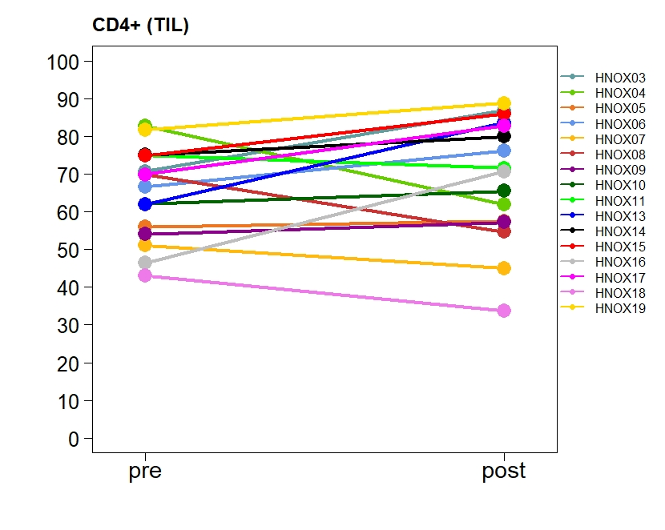
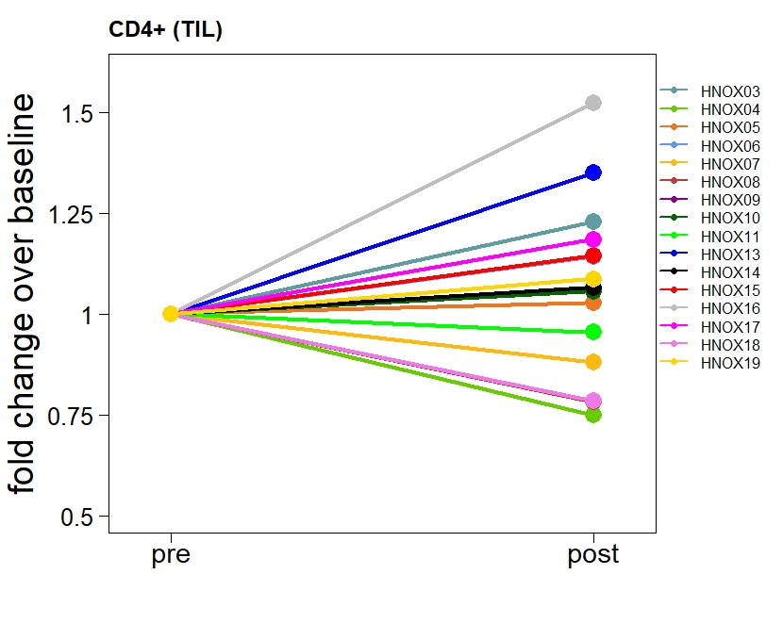
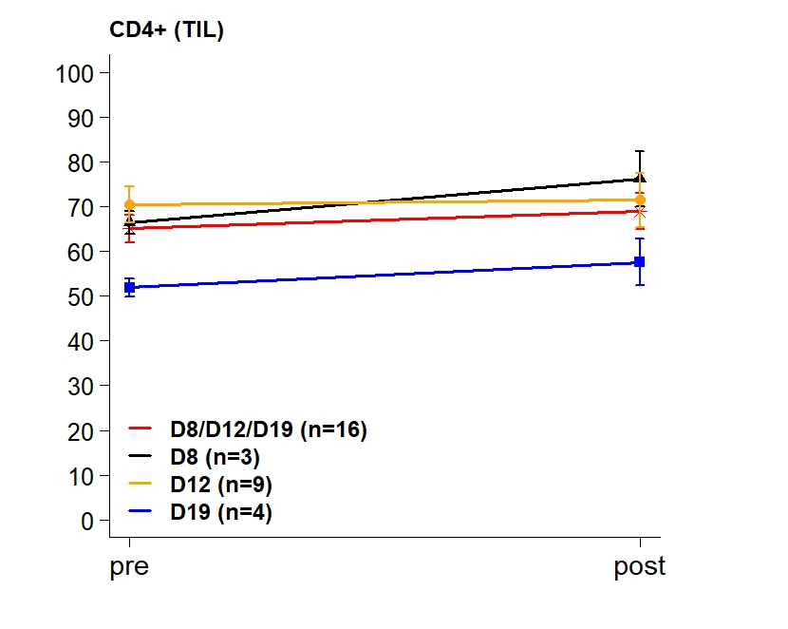
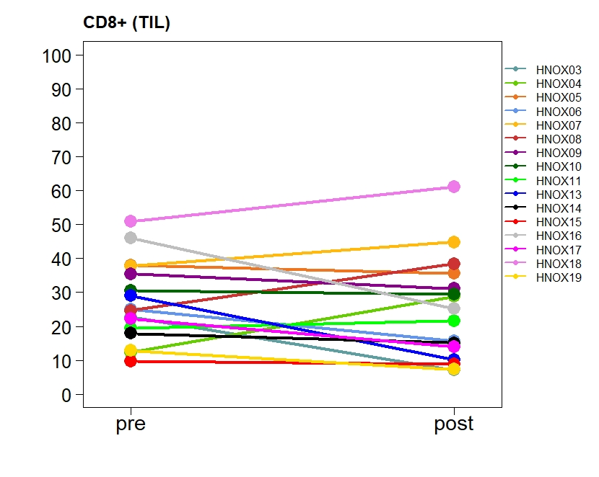
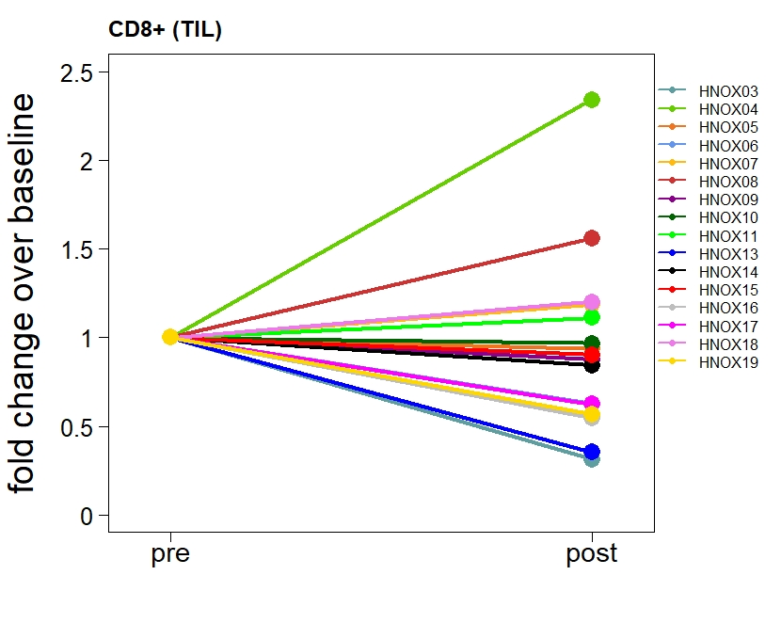
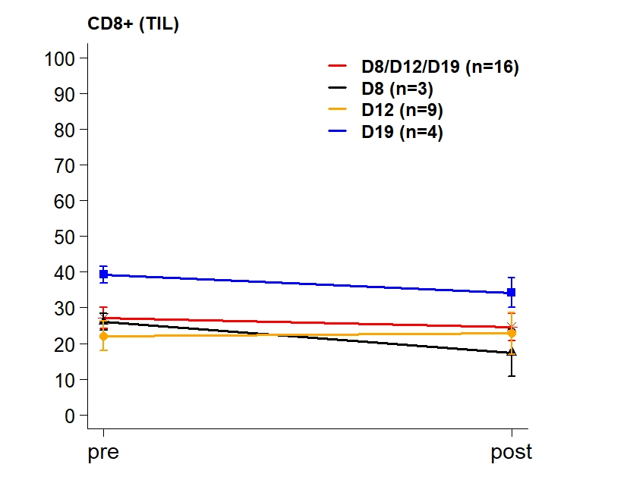
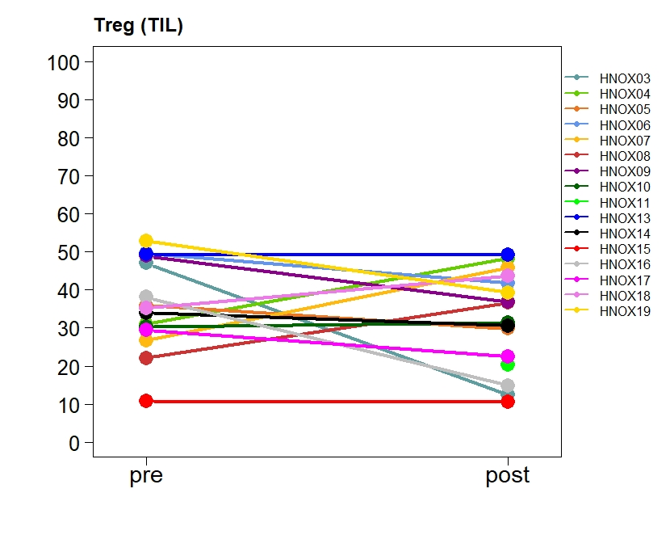
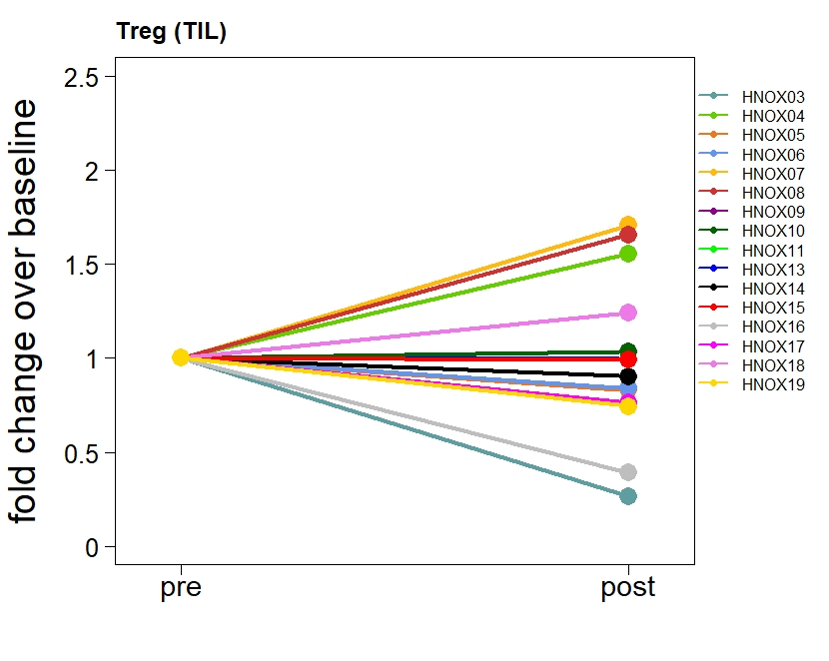
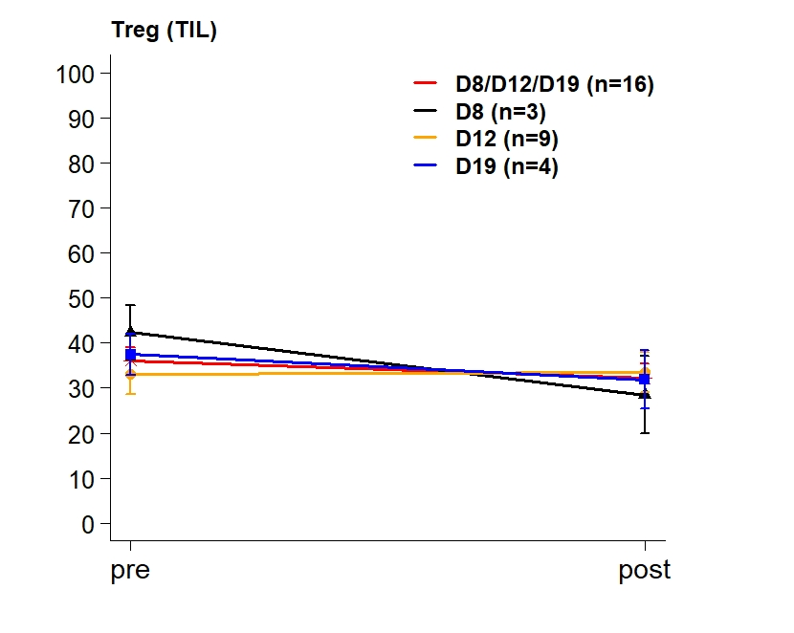
 | Mean Density (SD) |  | Mean Difference (95% CI) | p-value* | p-value^ | Mean FC (95% CI) | p-value**
Figure 2a | Pre | Post
CD4
All (n=16) | 65.09 ( 12.16 ) | 68.89 ( 16.2 ) | 3.8 ( -2.89 10.49 ) | 0.24 | 0.21 | 1.04 ( 0.94 1.16 ) | 0.39
D8 (n=3) | 66.47 ( 4.35 ) | 76.2 ( 10.7 ) | 9.73 ( -6.05 25.52 ) | 0.12 | 0.25 | 1.14 ( 0.94 1.38 ) | 0.10
D12 (n=9) | 70.49 ( 12.06 ) | 71.47 ( 18.19 ) | 0.98 ( -9.84 11.79 ) | 0.84 | 0.82 | 0.99 ( 0.84 1.17 ) | 0.91
D19 (n=4) | 51.9 ( 4.18 ) | 57.6 ( 10.5 ) | 5.7 ( -15.04 26.44 ) | 0.45 | 0.63 | 1.1 ( 0.76 1.59 ) | 0.48
CD8
All (n=16) | 27.14 ( 11.99 ) | 24.64 ( 15.26 ) | -2.51 ( -8.3 3.29 ) | 0.37 | 0.32 | 0.83 ( 0.63 1.09 ) | 0.16
D8 (n=3) | 26.03 ( 4.02 ) | 17.39 ( 11.32 ) | -8.64 ( -26.85 9.57 ) | 0.18 | 0.25 | 0.57 ( 0.14 2.37 ) | 0.23
D12 (n=9) | 22.12 ( 12.46 ) | 22.81 ( 17.61 ) | 0.69 ( -8.03 9.42 ) | 0.86 | 1.00 | 0.92 ( 0.59 1.42 ) | 0.66
D19 (n=4) | 39.27 ( 4.61 ) | 34.17 ( 8.26 ) | -5.1 ( -23.56 13.36 ) | 0.44 | 0.63 | 0.86 ( 0.51 1.43 ) | 0.41
Treg
All (n=16) | 36.09 ( 11.86 ) | 32.12 ( 12.77 ) | -3.18 ( -11.3 4.94 ) | 0.41 | 0.49 | 0.88 ( 0.67 1.17 ) | 0.35
D8 (n=3) | 42.33 ( 10.51 ) | 28.5 ( 14.9 ) | -13.83 ( -59.86 32.19 ) | 0.33 | 0.50 | 0.61 ( 0.1 3.81 ) | 0.37
D12 (n=9) | 33.08 ( 13.64 ) | 33.46 ( 13.39 ) | 2.01 ( -6.85 10.88 ) | 0.61 | 0.84 | 1.06 ( 0.83 1.37 ) | 0.59
D19 (n=4) | 37.42 ( 9.08 ) | 31.85 ( 13.06 ) | -5.58 ( -33.98 22.83 ) | 0.58 | 0.63 | 0.8 ( 0.31 2.1 ) | 0.52
*paired t-test on original scale
^Wilcoxon signed-rank test
**paired t-test on log-transformed scale

Post vs Pre (Fig 2d)
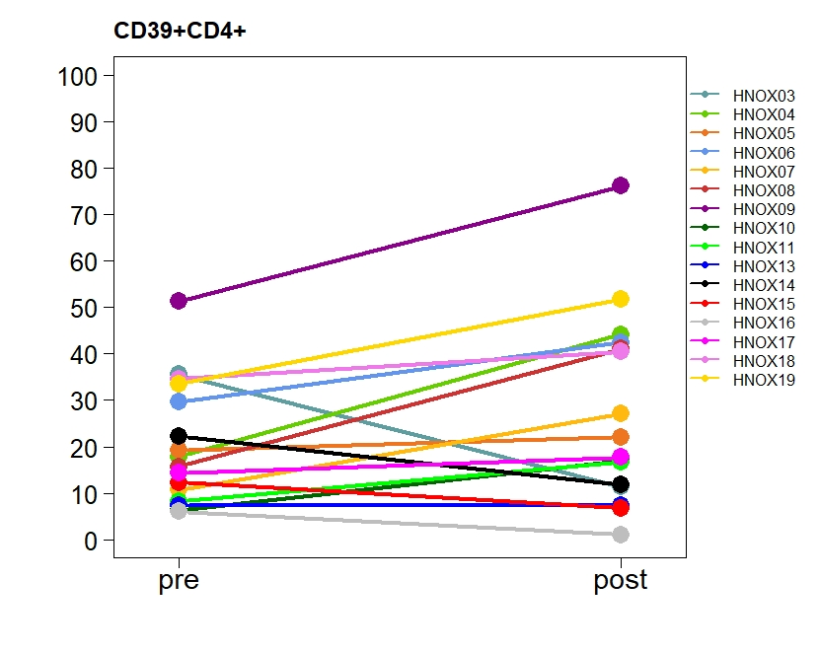
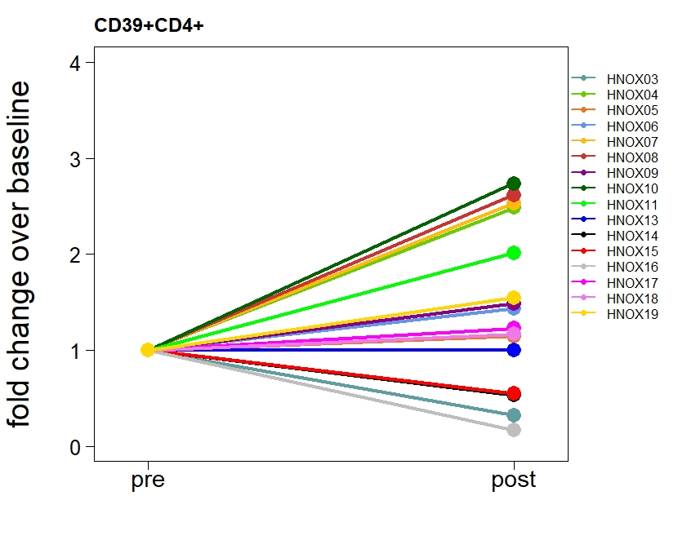
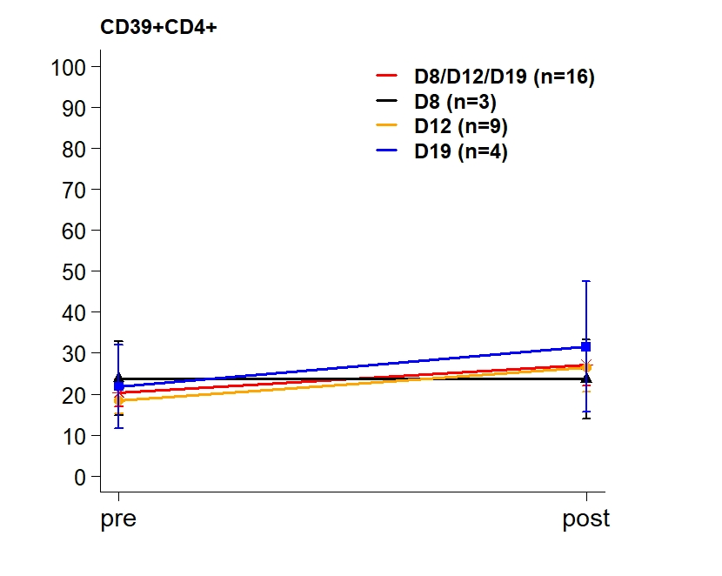
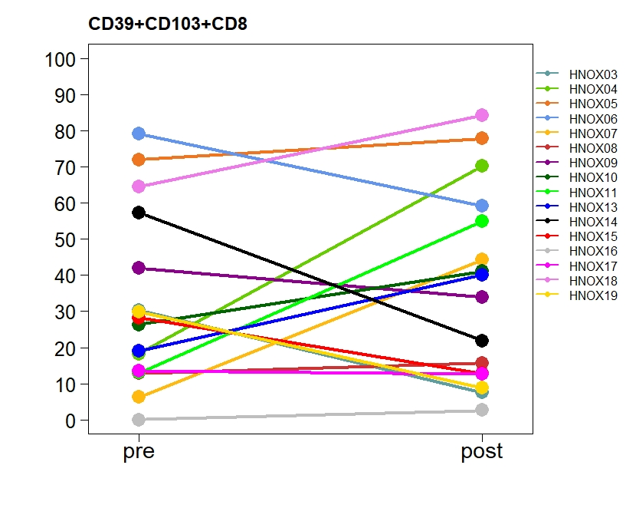
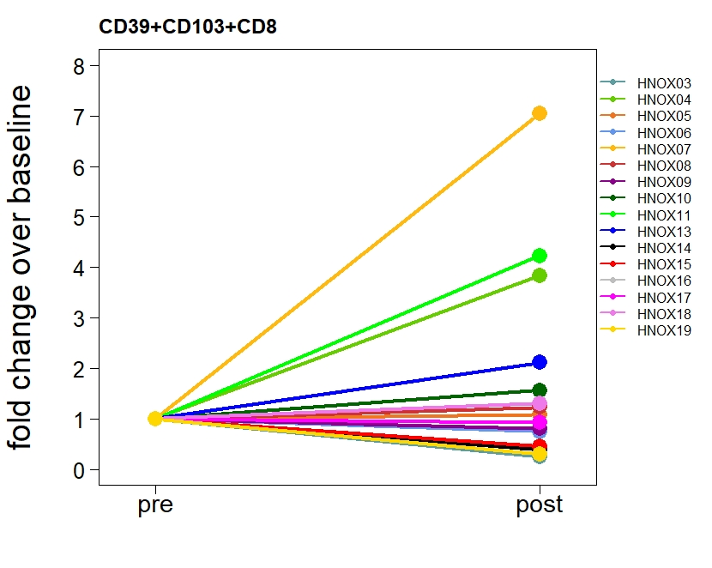
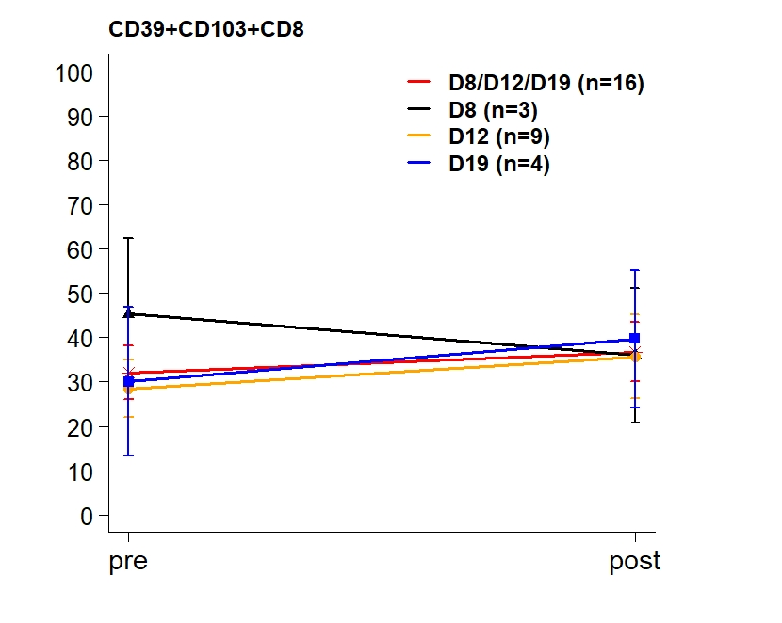
 | Mean Density (SD) |  | Mean Difference (95% CI) | p-value* | p-value^ | Mean FC (95% CI) | p-value**
Figure 2d | Pre | Post

CD39+CD4+
All (n=16) | 20.31 ( 13.15 ) | 27.19 ( 20.33 ) | 6.88 ( -0.6 14.36 ) | 0.07 | 0.06 | 1.14 ( 0.74 1.74 ) | 0.54
D8 (n=3) | 23.82 ( 15.52 ) | 23.62 ( 16.59 ) | -0.2 ( -51.86 51.46 ) | 0.99 | 1.00 | 1.08 ( 0.07 16.64 ) | 0.92
D12 (n=9) | 18.47 ( 9.92 ) | 26.44 ( 17.68 ) | 7.96 ( -2.06 17.99 ) | 0.10 | 0.14 | 1.27 ( 0.81 1.99 ) | 0.26
D19 (n=4) | 21.8 ( 20.41 ) | 31.55 ( 31.78 ) | 9.75 ( -11.52 31.03 ) | 0.24 | 0.38 | 0.92 ( 0.14 6.07 ) | 0.90
CD39+CD103+CD8
All (n=16) | 32.04 ( 24.21 ) | 36.76 ( 26.62 ) | 4.72 ( -8.73 18.18 ) | 0.47 | 0.60
D8 (n=3) | 45.3 ( 29.43 ) | 35.98 ( 26.25 ) | -9.32 ( -61.33 42.7 ) | 0.52 | 0.50
D12 (n=9) | 28.5 ( 19.47 ) | 35.71 ( 28.09 ) | 7.21 ( -15.15 29.58 ) | 0.48 | 0.50
D19 (n=4) | 30.04 ( 33.51 ) | 39.7 ( 31.04 ) | 9.65 ( -21.86 41.17 ) | 0.40 | 0.63
*paired t-test on original scale
^Wilcoxon signed-rank test
**paired t-test on log-transformed scale

Post vs Pre (Fig 2e)
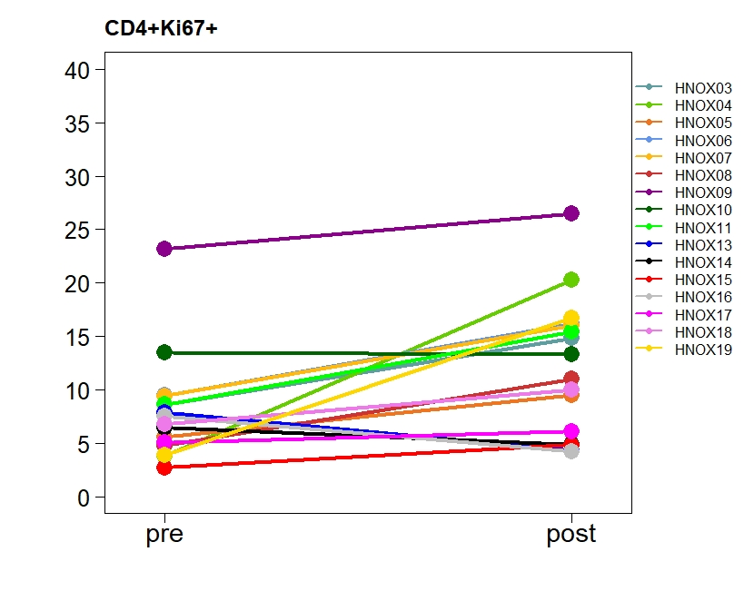
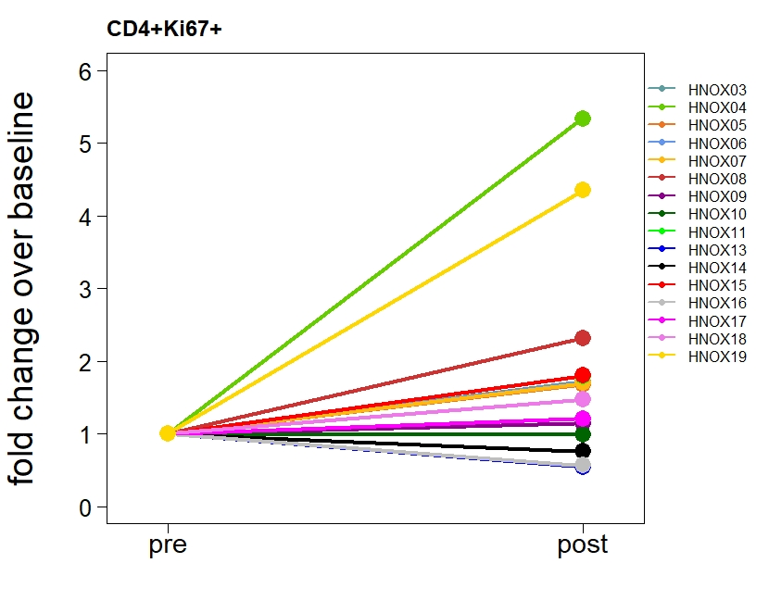
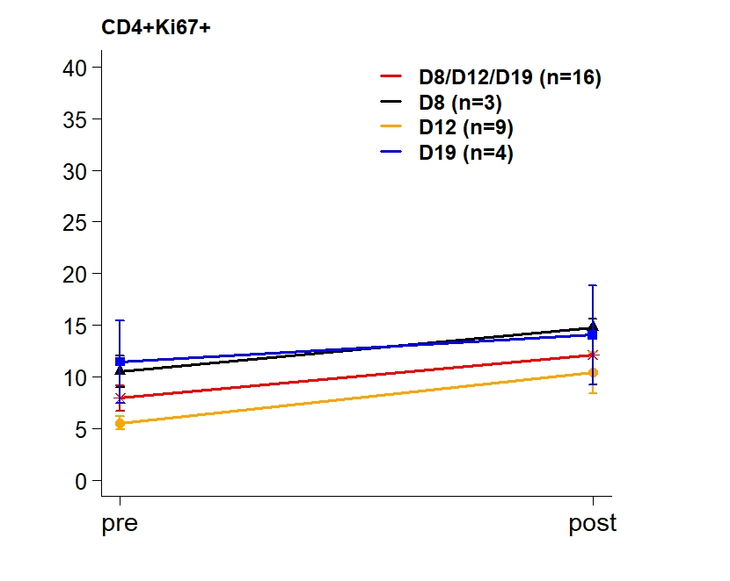
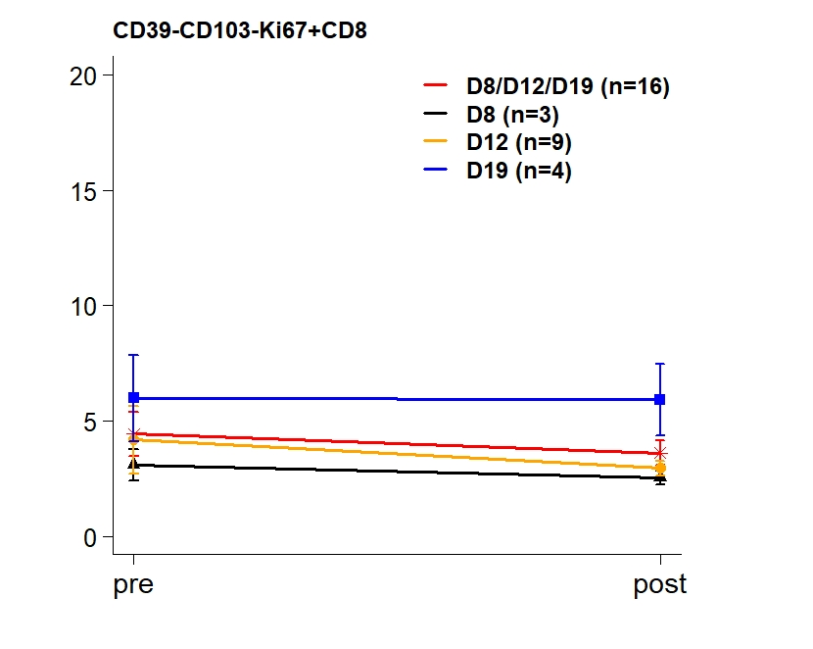
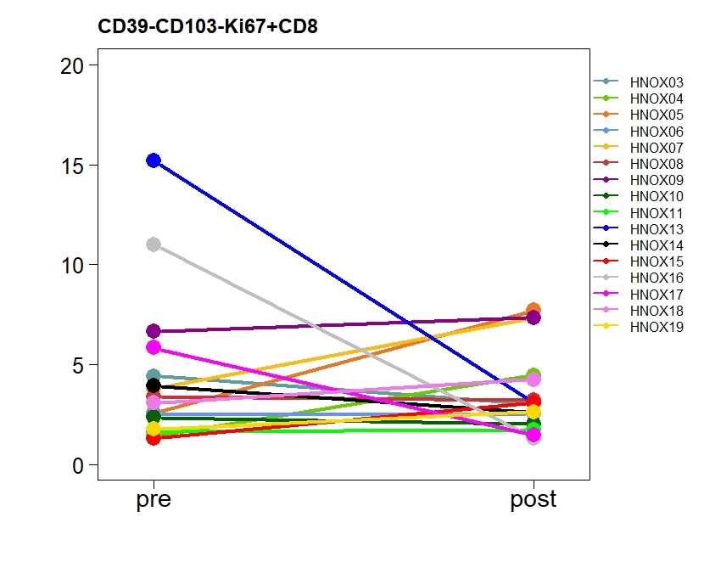
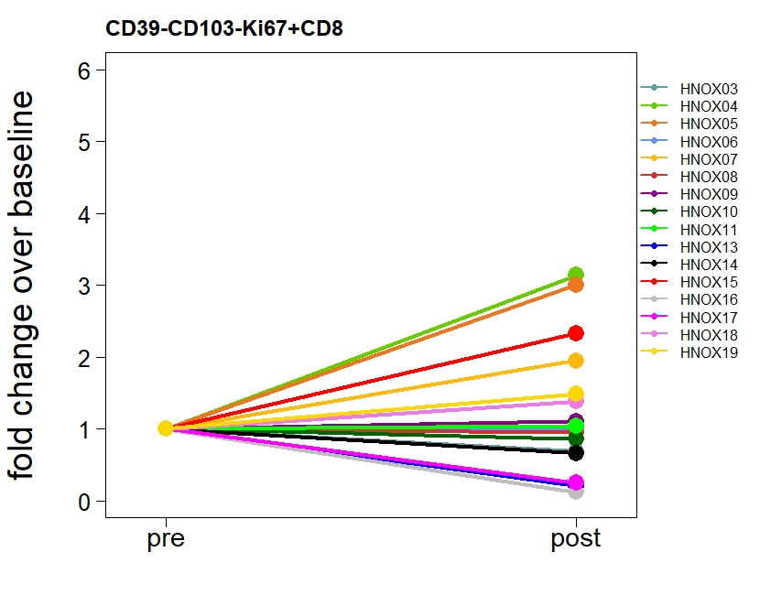
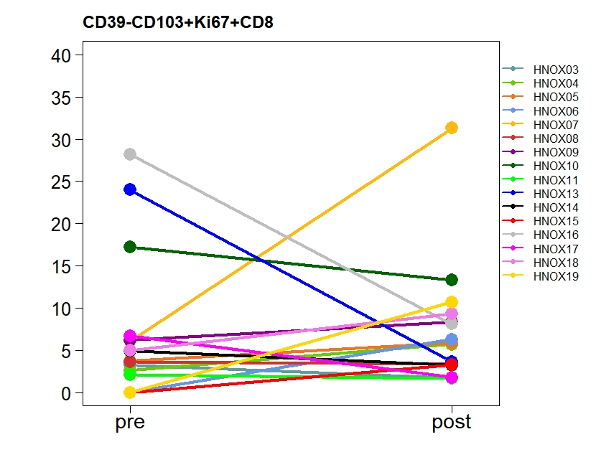
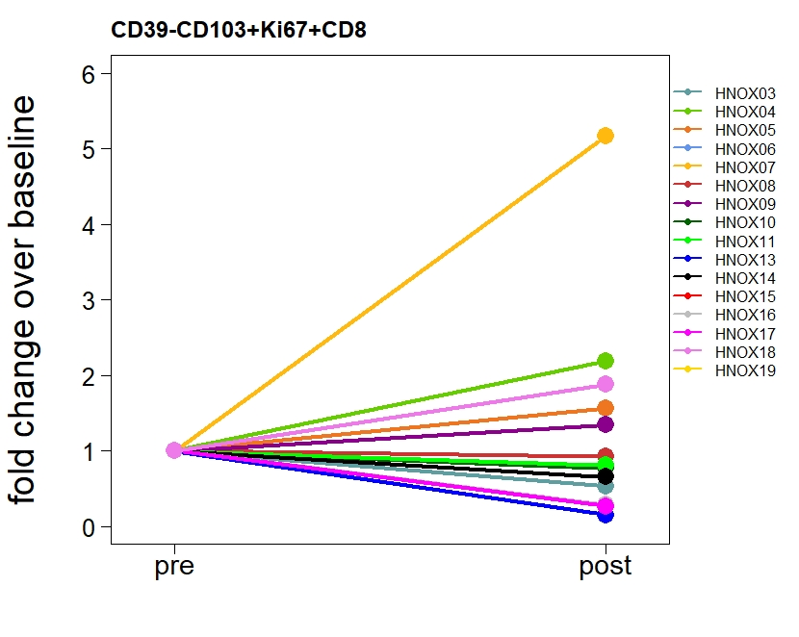
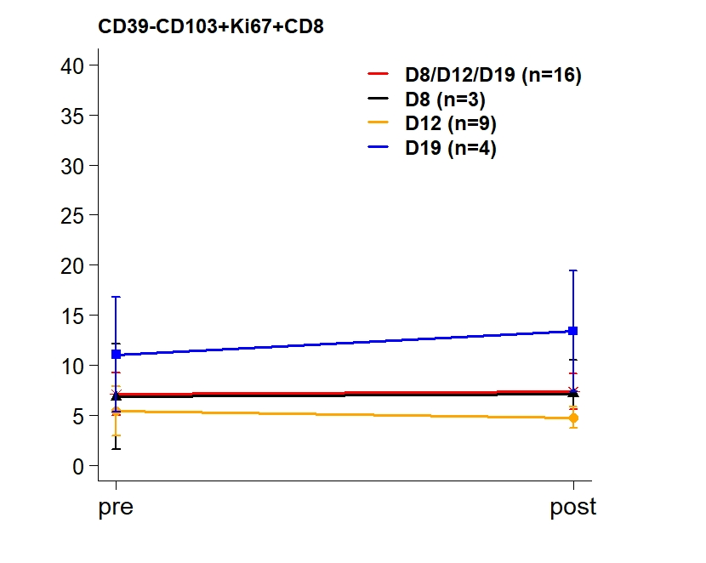
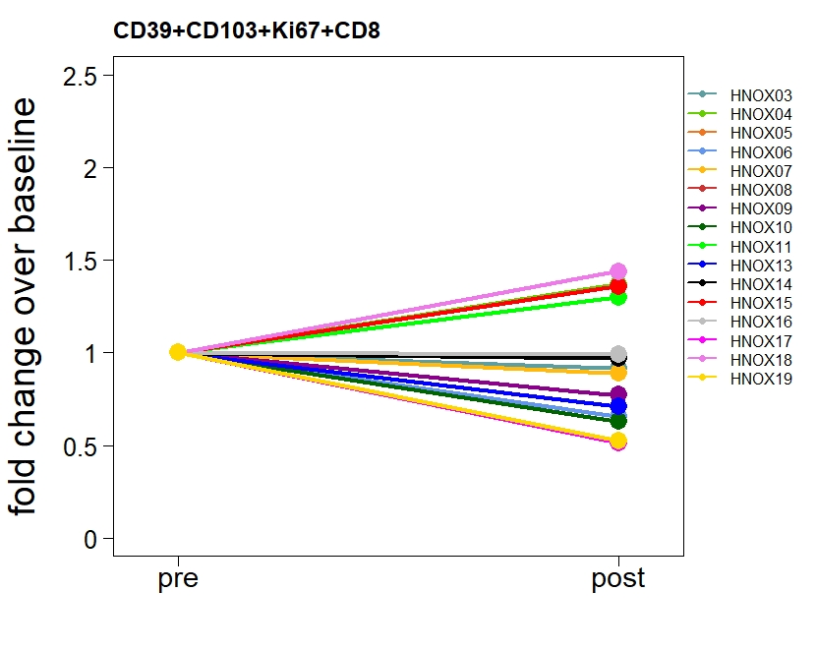
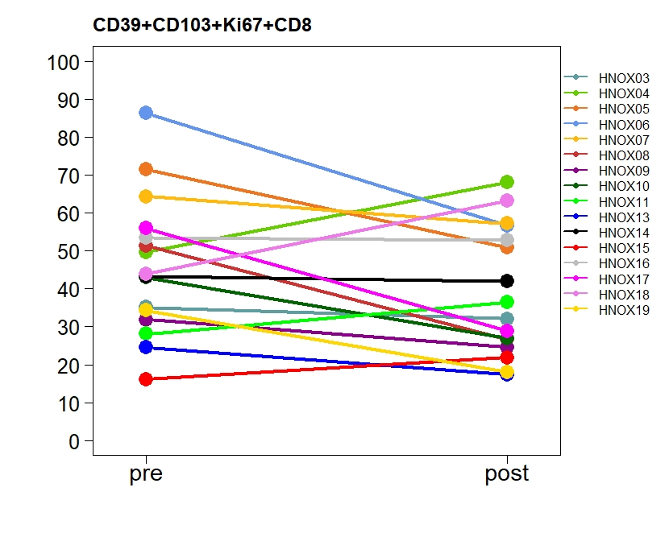
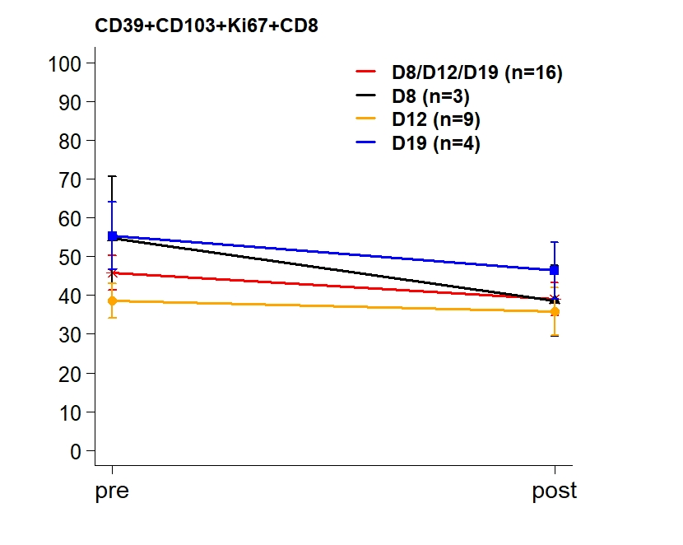
 | Mean Density (SD) |  | Mean Difference (95% CI) | p-value* | p-value^ | Mean FC (95% CI) | p-value**
Figure 2e | Pre | Post
CD4posKi67pos
All (n=16) | 7.94 ( 4.89 ) | 12.12 ( 6.45 ) | 4.18 ( 1.3 7.06 ) | 0.01 | 0.01 | 1.5 ( 1.08 2.1 ) | 0.02
D8 (n=3) | 10.52 ( 2.62 ) | 14.77 ( 1.45 ) | 4.25 ( -5.34 13.84 ) | 0.20 | 0.50 | 1.43 ( 0.64 3.16 ) | 0.19
D12 (n=9) | 5.53 ( 2 ) | 10.39 ( 5.92 ) | 4.86 ( -0.17 9.88 ) | 0.06 | 0.07 | 1.71 ( 0.97 3.03 ) | 0.06
D19 (n=4) | 11.44 ( 7.99 ) | 14.05 ( 9.59 ) | 2.61 ( -4.03 9.26 ) | 0.30 | 0.25 | 1.17 ( 0.51 2.65 ) | 0.59
CD39-CD103-Ki67+CD8
All (n=16) | 4.43 ( 3.78 ) | 3.61 ( 2.1 ) | -0.82 ( -3.23 1.59 ) | 0.48 | 1.00 | 0.91 ( 0.55 1.5 ) | 0.70
D8 (n=3) | 3.09 ( 1.15 ) | 2.53 ( 0.51 ) | -0.57 ( -2.39 1.26 ) | 0.31 | 0.50 | 0.84 ( 0.52 1.36 ) | 0.26
D12 (n=9) | 4.18 ( 4.39 ) | 2.94 ( 1 ) | -1.23 ( -4.76 2.29 ) | 0.44 | 0.91 | 0.93 ( 0.45 1.89 ) | 0.81
D19 (n=4) | 5.99 ( 3.75 ) | 5.92 ( 3.08 ) | -0.07 ( -10.69 10.55 ) | 0.99 | 0.88 | 0.94 ( 0.1 9.2 ) | 0.93
CD39-CD103+Ki67+CD8
All (n=16) | 7.09 ( 8.48 ) | 7.35 ( 7.25 ) | 0.26 ( -5.42 5.93 ) | 0.92 | 0.67
D8 (n=3) | 6.82 ( 9.13 ) | 7.11 ( 5.82 ) | 0.29 ( -12.97 13.55 ) | 0.93 | 1.00
D12 (n=9) | 5.43 ( 7.32 ) | 4.75 ( 3.22 ) | -0.68 ( -7.29 5.93 ) | 0.82 | 1.00
D19 (n=4) | 11.05 ( 11.49 ) | 13.4 ( 11.99 ) | 2.35 ( -27.11 31.8 ) | 0.82 | 0.63
CD39+CD103+Ki67+CD8
All (n=16) | 45.82 ( 18.19 ) | 38.99 ( 16.89 ) | -6.83 ( -14.87 1.21 ) | 0.09 | 0.09 | 0.84 ( 0.69 1.02 ) | 0.07
D8 (n=3) | 54.8 ( 27.56 ) | 38.6 ( 15.88 ) | -16.2 ( -49.24 16.84 ) | 0.17 | 0.25 | 0.72 ( 0.43 1.2 ) | 0.11
D12 (n=9) | 38.6 ( 13.56 ) | 35.83 ( 18.75 ) | -2.77 ( -16.12 10.59 ) | 0.65 | 0.73 | 0.89 ( 0.62 1.26 ) | 0.45
D19 (n=4) | 55.33 ( 17.32 ) | 46.38 ( 14.75 ) | -8.95 ( -22.38 4.48 ) | 0.12 | 0.13 | 0.83 ( 0.66 1.05 ) | 0.09
*paired t-test on original scale
^Wilcoxon signed-rank test
**paired t-test on log-transformed scale

OS
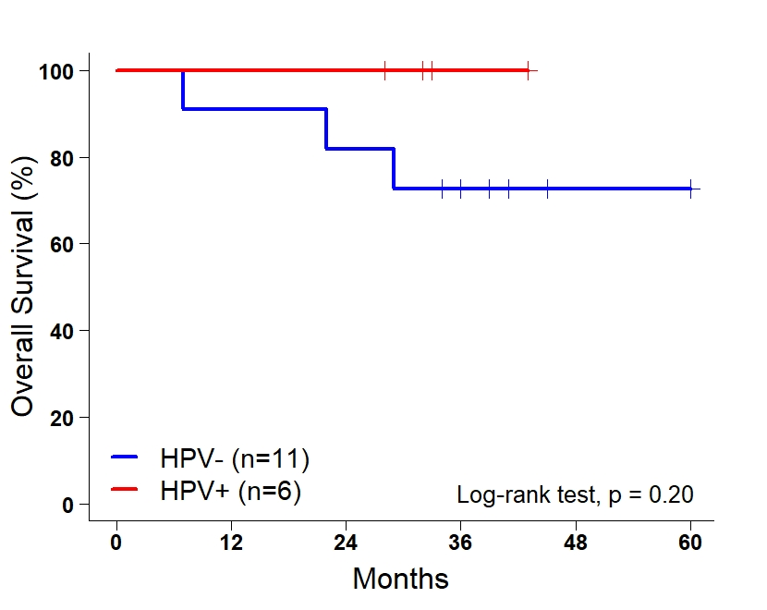
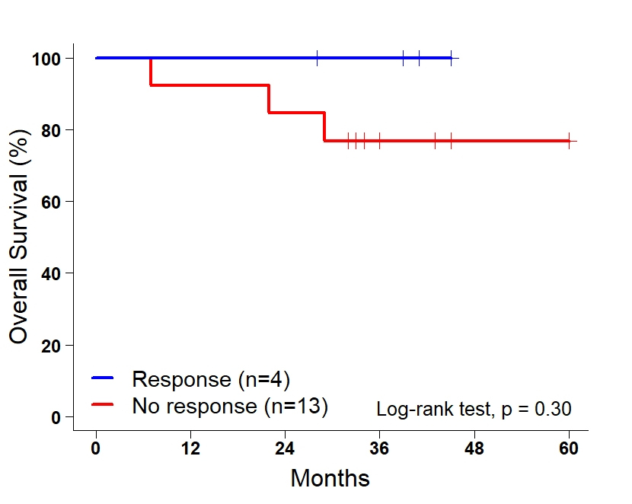
Univariate Cox-proportional model with Firth's penalized likelihood for overall survival analysis
 | HR | Lower 95% CI | Upper 95% CI | pvalue
Response, Ref: No
Yes | 0.47 | 0.00 | 4.84 | 0.58
Age at Diagnosis, years | 1.06 | 0.93 | 1.21 | 0.36
Pack years | 1.00 | 0.93 | 1.06 | 0.89
p16 (HPV), Ref: negative
positive | 0.25 | 0.00 | 2.60 | 0.28
Stage 8th, Ref: I-II
III-IV | 1.12 | 0.15 | 12.33 | 0.91
HNSCC (location), Ref: Oral
Oropharynx | 0.11 | 0.00 | 1.41 | 0.09
Hypopharynx | 0.98 | 0.01 | 12.17 | 0.99
Larynx glottic | 2.95 | 0.27 | 22.35 | 0.33

PFS
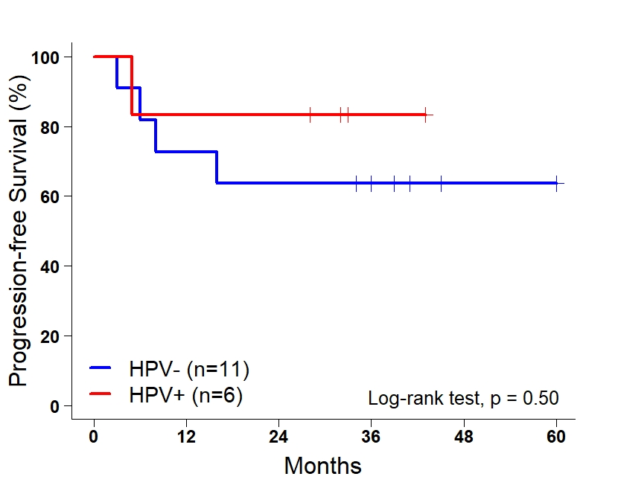
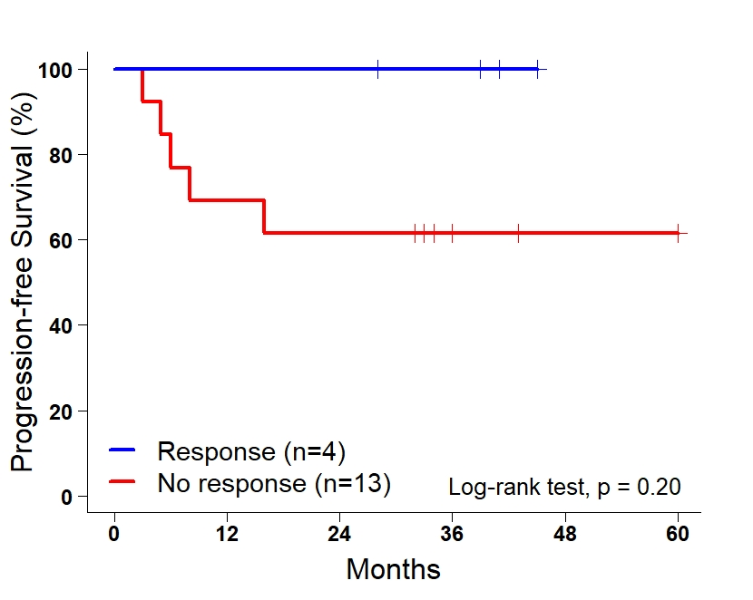
Univariate Cox-proportional model with Firth's penalized likelihood for progression-free survival analysis
 | HR | Lower 95% CI | Upper 95% CI | pvalue
Response, Ref: No
Yes | 0.47 | 0.00 | 4.84 | 0.58
Age at Diagnosis, years | 1.06 | 0.93 | 1.21 | 0.36
Pack years | 1.00 | 0.93 | 1.06 | 0.89
p16 (HPV), Ref: negative
positive | 0.25 | 0.00 | 2.60 | 0.28
Stage 8th, Ref: I-II
III-IV | 1.12 | 0.15 | 12.33 | 0.91
HNSCC (location), Ref: Oral
Oropharynx | 0.11 | 0.00 | 1.41 | 0.09
Hypopharynx | 0.98 | 0.01 | 12.17 | 0.99
Larynx glottic | 2.95 | 0.27 | 22.35 | 0.33

