Figure 1
A
RBC(M/ml)
Age (Weeks) | WT |  |  |  |  |  | KO
2 | 6.85 | 6.52 | 5.97 | 5.36 | 5.25 | 4.79 | 6.11 | 6.05 | 6.66 | 6.1 | 4.73 | 6.18
4 | 7.71 | 6.96 | 9.26 | 6.5 | 7.75 | 8.13 | 5.64 | 5.44 | 7.65 | 8.52 | 7.47 | 7.88
8 | 9.09 | 8.92 | 9.64 | 9.1 | 9.87 | 9.31 | 8.29 | 8.31 | 7.57 | 8.23 | 8.25 | 8.17
16 | 9.69 | 10.11 | 9.05 | 8.33 | 8.99 | 7.59 | 4.04 | 0.71 | 2.02 | 4.06 | 1.38 | 5.98

Hb (g/dl)
Age (Weeks) | WT |  |  |  |  |  | KO
2 | 10.7 | 10.1 | 9.7 | 9.3 | 8.6 | 8.4 | 9.4 | 9.5 | 9.6 | 9.4 | 7.6 | 9.6
4 | 12.3 | 10.7 | 14 | 10 | 11.8 | 12.5 | 8.4 | 8.8 | 11.6 | 12.9 | 11.1 | 12.1
8 | 13.6 | 12.9 | 14 | 13.3 | 14.4 | 13.5 | 12.6 | 12.3 | 11.6 | 12.8 | 12.5 | 12.2
16 | 13.9 | 14.6 | 13.4 | 11.5 | 12.8 | 10.5 | 5.1 | 1.3 | 3.1 | 5.1 | 2.2 | 7

Hematocrit (%)
Age (Weeks) | WT |  |  |  |  |  | KO
2 | 31.7 | 30.3 | 27.9 | 26.6 | 24.7 | 23.1 | 27.6 | 27.7 | 30.6 | 28.4 | 22 | 28.4
4 | 37.1 | 33.3 | 44 | 30.4 | 36.3 | 38 | 26.4 | 25.2 | 34.9 | 39 | 34.7 | 36.2
8 | 41.5 | 38.9 | 41.8 | 39.4 | 42.5 | 39.9 | 37.1 | 36.9 | 34.1 | 36.9 | 36.7 | 36.4
16 | 41.7 | 42.7 | 38.6 | 35.2 | 37.8 | 32 | 16 | 3.5 | 9 | 16 | 6.2 | 22.5

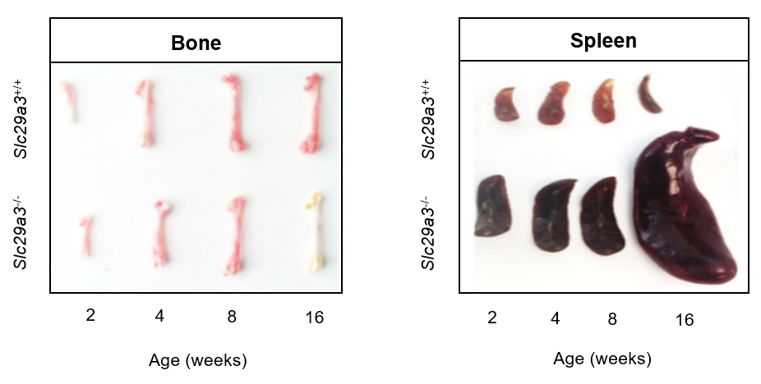
B

C
Cells/Hindlimb (x10 cells)
Age (Weeks) | WT |  |  |  |  |  | KO
2 | 3.5 | 2.8 | 2.1 | 3.9 | 4.4 | 3.5 | 3.6 | 5.1 | 2.5 | 2.6 | 2.7 | 3
4 | 5.2 | 4 | 3.5 | 4.6 | 6.9 | 6.4 | 4.4 | 6.8 | 4.2 | 5.9 | 3.8 | 3.9
8 | 6.3 | 5.9 | 4.2 | 7.8 | 9.1 | 8.5 | 7.2 | 10.6 | 4.9 | 6 | 5.5 | 6.9
16 | 7.5 | 6.1 | 5.8 | 9.4 | 6.6 | 5.7 | 2.7 | 3.1 | 1.5 | 1.9 | 3.1 | 6.8

Cells/Spleen (x10 cells)
Age (Weeks) | WT |  |  |  |  |  | KO
2 | 3.6 | 2.1 | 2.5 | 3.2 | 3.3 | 2.9 | 6.8 | 4.1 | 5.3 | 4.5 | 5.7 | 6.1
4 | 4.2 | 3.6 | 4.1 | 3 | 3.9 | 4.1 | 6.9 | 6.2 | 6.4 | 5.8 | 5.5 | 6.3
8 | 5 | 4.3 | 4.9 | 4.5 | 3.7 | 3.4 | 7.5 | 8.1 | 6.4 | 8 | 6.9 | 7.1
16 | 3.6 | 4.1 | 2.8 | 5.2 | 4.9 | 4.2 | 8.8 | 10.3 | 6.7 | 7.9 | 9.5 | 10.2

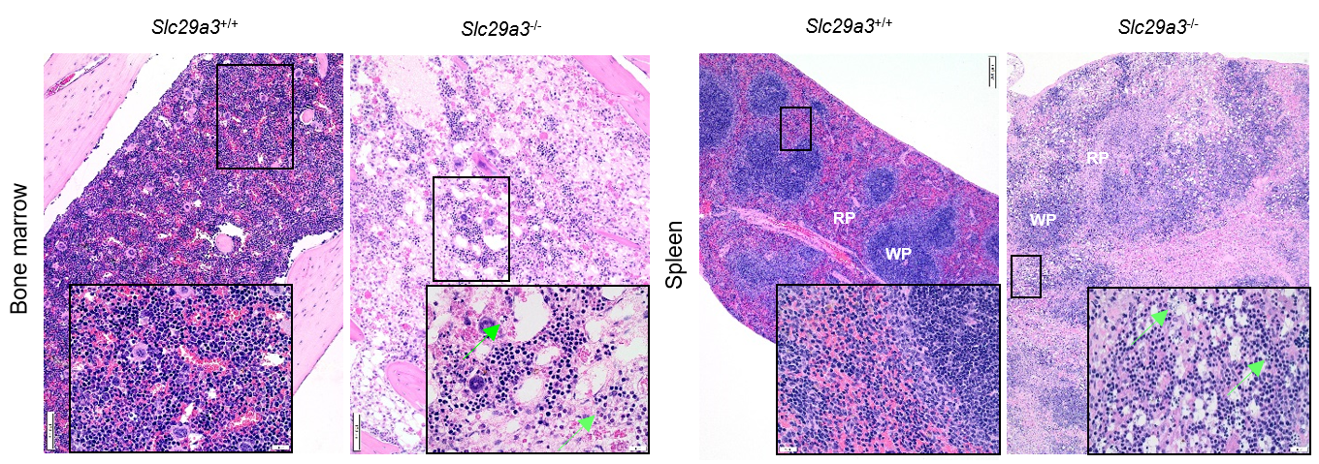
D

E |  |  |  |  |  |  |  |  |  | F
Bone Marrow (Erythroid Subpopulations, 8 Weeks) |  |  |  |  |  |  |  |  |  | EPO (ng/ml)
 | ProE |  | Ery.A |  | Ery.B |  | Ery.C |  |  | Age (Weeks) | WT |  |  |  | KO
 | WT | KO | WT | KO | WT | KO | WT | KO |  | 2 | 0.063429 | 0.065878 | 0.067714 | 0.074653 | 0.107918 | 0.328327 | 0.458939 | 0.305265
Relative Frequency | 0.4 | 0.1 | 10 | 6.3 | 31.1 | 24.2 | 52.4 | 61.3 |  | 4 | 0.01375 | 0.09375 | 0.14125 | 0.13375 | 0.35125 | 0.26125 | 0.34125 | 0.35125
 | 0.4 | 0.2 | 9.7 | 8.3 | 30.2 | 35.7 | 53.2 | 53.3 |  | 8 | 0.1285 | 0.1185 | 0.0985 | 0.1535 | 1.8035 | 2.3585 | 1.9035 | 0.4685
 | 0.3 | 0.3 | 10 | 8.2 | 34.6 | 30.7 | 50.6 | 56.9 |  | 16 | 0.079 | 0.979 | 0.299 | 0.139 | 1.379 | 1.379 | 1.824 | 1.219
 | 0.3 | 0.3 | 11.3 | 9.9 | 31.6 | 40 | 50.6 | 47.2
 | 0.3 | 0.2 | 14.8 | 6.4 | 48.1 | 23.6 | 32.3 | 62
 | 0.3 | 0.2 | 9.4 | 14 | 37.6 | 48.9 | 49.6 | 31.7

Spleen (Erythroid Subpopulations, 8 Weeks)
 | ProE |  | Ery.A |  | Ery.B |  | Ery.C
 | WT | KO | WT | KO | WT | KO | WT | KO
Relative Frequency | 0.3 | 0.1 | 18.7 | 18.8 | 9.8 | 10.4 | 15.6 | 45.8
 | 0.3 | 0.1 | 29.2 | 20.5 | 15.6 | 11.6 | 28.8 | 43.9
 | 0.5 | 0.1 | 30.1 | 17.8 | 14.3 | 9.1 | 28.5 | 46.9
 | 0.3 | 0.2 | 22.7 | 18.9 | 16.5 | 9.9 | 34.7 | 44.7
 | 0.3 | 0.2 | 23.1 | 19.5 | 17.4 | 10 | 31 | 44.7
 | 0.4 | 0.2 | 21.1 | 20 | 16.9 | 12 | 31.2 | 41.7

G

Survival | Days | Wild Type | Knockout
1 | 50 | 0
2 | 50 | 0
3 | 50 | 0
4 | 50 | 0
5 | 50 | 0
6 | 50 | 0
KO1 | 11 |  | 1
KO2 | 8 |  | 1
KO3 | 15 |  | 1
KO4 | 23 |  | 1
KO5 | 7 |  | 1
KO6 | 27 |  | 1

Hb Recovery
Days post irradiation | WT |  |  |  |  |  | KO
0 | 13.8 | 11.7 | 11.9 | 14.6 | 12.1 | 10.4 | 10.3 | 13.5 | 13.3 | 9.9 | 14.2 | 12
1 | 14.6 | 10.6 | 11 | 11.7 | 11.9 | 14.1 | 13.2 | 10.7 | 12.5 | 9.4 | 14 | 11.6
3 | 10.5 | 11.3 | 11.7 | 11.9 | 10.6 | 10.2 | 10.7 | 9.4 | 10.3 | 9.1 | 13.9 | 12.5
7 | 7.3 | 11.1 | 9.2 | 8.7 | 5.8 | 8.1 | 4.8 | 5.2 | 10.4 | 4.9 | 6.1 | 5.3
14 | 6.2 | 11.3 | 9.4 | 8.8 | 6.9 | 9.9 | 4.3 | 4.1 | 8.8 | 4.6 | 4.8 | 5.1
21 | 8.3 | 11.2 | 7.3 | 8.4 | 7.8 | 10.7 | 4.8 | 4.4 | 9.6 | 4 | 4.4 | 5.5
Hematocrit Recovery
Days post irradiation | WT |  |  |  |  |  | KO
0 | 60 | 65 | 67 | 65 | 70 | 59 | 64 | 66 | 61 | 69 | 65 | 63
1 | 58 | 67 | 63 | 60 | 65 | 62 | 61 | 65 | 59 | 60 | 53 | 66
3 | 55 | 60 | 69 | 58 | 76 | 61 | 60 | 75 | 44 | 56 | 66 | 53
7 | 52 | 64 | 53 | 45 | 62 | 56 | 54 | 67 | 38 | 40 | 59 | 46
14 | 45 | 60 | 49 | 39 | 53 | 58 | 28 | 54 | 35 | 35 | 30 | 25
21 | 67 | 65 | 58 | 44 | 72 | 56 | 20 | 34 | 35 | 44 | 27 | 20
Bone Marrow Cellularity
Days post irradiation | WT |  |  |  |  |  | KO
0 | 5.8 | 4.6 | 3.2 | 8 | 7.3 | 5.2 | 7.1 | 6.4 | 3.8 | 5.3 | 6.1 | 2.2
1 | 2.7 | 3.8 | 3.4 | 2.7 | 3 | 2.5 | 2.2 | 4.9 | 3.1 | 1.7 | 2.5 | 1.9
3 | 2.9 | 1.7 | 1.9 | 1.2 | 2.6 | 3.2 | 2 | 3.4 | 1.1 | 1.2 | 0.9 | 1.6
7 | 3.4 | 3.7 | 3.3 | 1.4 | 2.3 | 3 | 3.2 | 2.4 | 0.3 | 0.92 | 0.85 | 1.7
14 | 3.7 | 2.7 | 1.8 | 3 | 4.3 | 3.5 | 0.26 | 0.07 | 0.08 | 2.8 | 0.81 | 0.05
21 | 4.9 | 3.7 | 4.3 | 5.2 | 4.4 | 3.2 | 0.05 | 0.25 | 2.5 | 0.08 | 0.03 | 0.06
BFU-E Recovery
Days post irradiation | WT |  |  |  |  |  | KO
0 | 11 | 13 | 17 | 14 | 9 | 16 | 8 | 12 | 15 | 17 | 9 | 7
7 | 1 | 4 | 0 | 0 | 2 | 0 | 0 | 1 | 1 | 5 | 1 | 0
14 | 5 | 1 | 2 | 7 | 3 | 4 | 0 | 1 | 0 | 1 | 1 | 1
21 | 8 | 4 | 9 | 10 | 7 | 5 | 0 | 1 | 1 | 1 | 0 | 0

H
LSK
 | WT Day 0 | KO Day 0 | WT Day 15 | KO Day 15
Relative cell number | 0.974745424 | 0.701768 | 1.735269 | 0.02127041
 | 0.906069934 | 0.594 | 1.135369 | 0.031229644
 | 0.813932924 | 0.897454 | 1.125746 | 0.00445616
 | 0.958858081 | 1.12091 | 1.349126 | 0.005837073
 | 1.255654637 | 0.854958 | 1.40452 | 0.015995791
 | 1.018792371 | 0.783158 | 1.304964 | 0.009146944
LSK FLT3-
 | WT Day 0 | KO Day 0 | WT Day 15 | KO Day 15
Relative cell number | 1.04386 | 0.533497 | 7.273116938 | 0.009599
 | 0.948809 | 0.455564 | 0.410037141 | 0.014632
 | 1.072866 | 0.635741 | 0.437574072 | 0.002373
 | 0.838962 | 0.981152 | 4.432232204 | 0.003544
 | 0.82946 | 0.661492 | 0.601874852 | 0.012298
 | 0.791691 | 0.572453 | 1.395087373 | 0.006852
ST-HSC
 | WT Day 0 | KO Day 0 | WT Day 15 | KO Day 15
Relative cell number | 0.978912982 | 0.743939 | 2.179091 | 0.023864362
 | 0.958019376 | 0.577565 | 0.49344 | 0.023668783
 | 1.06165164 | 0.845005 | 0.478165 | 0.004524716
 | 1.087196289 | 1.263934 | 1.547977 | 0.006344644
 | 1.283070677 | 0.854958 | 1.029858 | 0.018534805
 | 1.230728442 | 0.872379 | 0.912952 | 0.012348374
LT-HSC
 | WT Day 0 | KO Day 0 | WT Day 15 | KO Day 15
Relative cell number | 0.970578 | 0.659597 | 1.291447874 | 0.018676457
 | 0.85412 | 0.610435 | 1.777298345 | 0.038790505
 | 0.566214 | 0.949903 | 1.773326502 | 0.004387604
 | 0.83052 | 0.977886 | 1.150275614 | 0.005329501
 | 1.228239 | 0.854958 | 1.779181795 | 0.013456776
 | 0.806856 | 0.693938 | 1.696976171 | 0.005945513

Figure 4
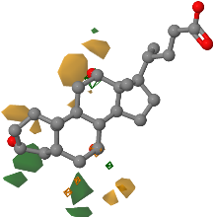
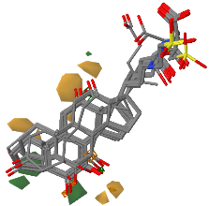
A
Protocol Diagram

B
Heat map data for plasma can be found in supplementary data 2

C
Heat map data for urine can be found in supplemental data 3

D

 | Fold-chage w.r.t ENT3
H2O | 0.044 | 0.028 | 0.041 | 0.036 | 0.028 | 0.026 | 0.035 | 0.036
ENT3 | 1.186 | 1.156 | 1.085 | 0.968 | 0.929 | 0.911 | 0.825 | 0.94
Citrulline | 0.38 | 0.73 | 0.65 | 0.45 | 0.88 | 0.8 | 0.81 | 0.8
Dopamine | 0.78 | 1.42 | 1.08 | 1.16 | 1.21 | 1.03 | 1.11 | 0.84
Epinephrine | 0.52 | 0.61 | 0.67 | 1.05 | 0.91 | 0.79 | 0.99 | 0.99
Serotonin | 0.57 | 0.47 | 0.43 | 0.68 | 0.84 | 0.5 | 0.58 | 0.55
Phenylalanine | 0.843 | 0.625 | 0.833 | 0.651 | 0.748 | 0.778 | 0.834 | 0.623
Kynurenine | 0.593 | 0.65 | 0.48 | 0.807 | 0.807 | 0.505 | 0.369 | 0.541
Arginine | 1.3 | 1.1 | 1.46 | 1.31 | 0.89 | 1.22 | 0.95 | 0
Proline | 0.38 | 0.57 | 0.74 | 0.66 | 0.45 | 0.87 | 0.61
Ornithine | 1.24 | 1.04 | 1.32 | 1.04 | 1.18 | 1.28 | 1.11 | 1.24
L-Glutamate | 0.380523364 | 0.75671028 | 0.612523364 | 0.511700935 | 0.706841121 | 0.685158879 | 0.456411215

dIMP | 1.29 | 1.2 | 1.51 | 1.25 | 0.99 | 1.47 | 1.07 | 1.08
Nicotinamide Ribotide | 0.88 | 1.69 | 1.64 | 0.81 | 1.99 | 1.53 | 1.74 | 1.09
Xanthine | 0.72 | 1.42 | 1.19 | 1.06 | 0.68 | 0.68 | 0.68 | 0.88
S-Adenosyl Homocysteine | 0.460367962 | 0.405035275 | 0.54226034 | 0.452621386 | 0.380688892 | 0.39175543 | 0.488034306 | 0.451514732
Xanthosine | 0.2 | 0.21 | 0.22 | 0.19 | 0.21 | 0.16 | 0.17 | 0.18
Uracil | 0.44 | 0.57 | 0.57 | 0.57 | 0.52 | 0.64 | 0.5
Guanine | 0.65 | 0.58 | 0.4 | 0.33 | 0.3 | 0.43 | 0.31 | 0.31
Inosine | 1.25 | 1.59 | 1.16 | 0.92 | 1.31 | 1.06 | 1.39 | 1.08

Tauro-b-muricholic acid | 0.1 | 0.21 | 0.15 | 0.11 | 0.19 | 0.18 | 0.18 | 0.25
Taurocholic acid | 0.254530364 | 0.26227694 | 0.303223129 | 0.26227694 | 0.25342371 | 0.295476553 | 0.293263245 | 0.318716282
Niacinamide | 0.85 | 0.731 | 0.728 | 0.565 | 0.646 | 0.764 | 0.685 | 0.796
Pyridoxal-5- phosphate | 1.132 | 1.09 | 0.943 | 0.778 | 0.784 | 1.15 | 0.997 | 0.985
4-pyridoxic acid | 1.375 | 0.855 | 1.036 | 1.972 | 1.199 | 0.574 | 0.825 | 1.087
Pyridoxamine | 1.383327103 | 1.251065421 | 1.20011215 | 1.473308411 | 1.113383178 | 1.109046729 | 1.131813084 | 0.972448598
Pyridoxine | 0.994130841 | 1.039663551 | 0.999551402 | 1.519925234 | 1.221794393 | 0.999551402 | 0.952934579
Thiamine | 1.638 | 0.742 | 0.941 | 0.66 | 0.867 | 1.153 | 0.584 | 0.86
Dihydrofolic acid | 0.46 | 0.533 | 0.57 | 0.31 | 0.551 | 0.436 | 0.436 | 0.458
18-Hydroxycorticosterone | 0.55678838 | 0.714948558 | 0.539035707 | 1.176518055 | 1.034496671 | 0.944119427 | 1.505749445 | 0.897316926
Estrone | 0.479 | 0.429 | 0.391 | 0.551 | 0.325 | 0.475 | 0.468 | 0.421
Androstenedione | 1.29 | 0.95 | 0.77 | 0.82 | 1.19 | 0.99 | 0.82 | 0.82
16 alpha-hydroxyestrone | 0.97 | 1.29 | 1.05 | 1.69 | 1.16 | 1.15 | 1.09 | 1.11
2-Methoxyestrone | 1.88 | 1.14 | 1.18 | 1.17 | 1.11 | 1.33 | 1.58
DMAPP | 1.31 | 0.92 | 1.55 | 0.97 | 1.67 | 1.05 | 1.61 | 1.06
Acetyl Carnitine | 0.635 | 0.704 | 0.464 | 0.484 | 0.43 | 0.424 | 0.576 | 0.577
Carnitine | 0.799 | 1.19 | 1.045 | 0.904 | 1.027 | 0.623 | 1.065 | 0.534
Hexanoyl carnitine | 0.97 | 1.02 | 0.91 | 1.09 | 1.12 | 1.29 | 0.95

Taurine | 1.24 | 1 | 1.58 | 0.85 | 1.99 | 0.85 | 1.31 | 1.08
Ergothioneine | 1.25 | 1.53 | 1.18 | 1.57 | 1.81 | 1.39 | 1.5 | 1.07
o-phospho-L-homoserine | 0.95 | 0.75 | 0.94 | 0.96 | 0.9 | 1.16 | 1.15 | 1.09
2-hydroxyglutaric acid | 0.89 | 0.95 | 1.07 | 0.76 | 1.2 | 1.17 | 1.38 | 1.03
N-Acetyl-L-glutamate | 1.12 | 1.07 | 1.69 | 1.4 | 1.36 | 1.9 | 1.11 | 1.43
Cis-Aconitic acid | 0.767551402 | 1.115551402 | 1.204448598 | 0.987626168 | 1.143738318 | 0.981121495 | 0.991962617 | 0.994130841
N-acetyl phenylalanine | 0.96 | 1.36 | 0.85 | 0.93 | 0.83 | 0.98 | 0.88
L-Dopa | 0.9 | 0.91 | 1.34 | 1.17 | 1.13 | 0.82 | 0.83
N-Acetyl-tryptophan | 0.7 | 0.7 | 0.63 | 0.71 | 0.61 | 0.64 | 0.75
N-acetylglutamine | 1.14 | 1.14 | 1.31 | 1.21 | 1.18 | 1.17 | 1.35

Tyaramine | 0.72 | 1.42 | 1.19 | 1.06 | 0.68 | 0.68 | 0.68 | 1.16
3-hydroxyhippuric acid | 0.687231982 | 0.801217319 | 0.806750588 | 0.593166413 | 0.521233919 | 0.54226034 | 0.76912436 | 0.930695809
Phenylacetic acid | 0.400037383 | 0.531214953 | 0.561570093 | 0.530130841 | 0.492186916 | 0.836934579 | 0.316560748 | 0.537719626
4-hydroxy-3-methoxymandalic acid | 1.208785047 | 1.207700935 | 1.36164486 | 1.191439252 | 1.110130841 | 1.516672897 | 1.703140187

Indoleacetic acid | 0.74 | 0.73 | 0.69 | 0.57 | 0.82 | 0.95 | 0.78 | 1.06
5,10 Methyltetrahydrofolate | 0.895476636 | 0.886803738 | 1.035327103 | 0.755626168 | 0.967028037 | 0.744785047 | 0.597345794 | 0.916074766

E

CA | 2.321 | 2.175 | 2.113 | 2.29 | 2.243
UDCA | 2.252 | 2.012 | 2.12 | 2.217 | 2.262
DCA | 2.244 | 2.237 | 2.092 | 1.936 | 1.996
HCA | 1.657 | 1.648 | 1.384 | 1.41 | 1.363
CDCA | 1.032 | 1.275 | 1.422 | 1.054 | 1.333
w-MCA | 1.24 | 1.298 | 1.172 | 1.075 | 1.168
MuroCA | 1.211 | 1.13 | 1.208 | 1.147 | 1.25
a-MCA | 1.192 | 1.149 | 1.105 | 1.219 | 1.215
DHCA | 1.204 | 1.161 | 1.14 | 1.15 | 1.072
B-MCA | 1.129 | 1.15 | 1.137 | 1.127 | 1.137
HDCA | 1.084 | 0.982 | 1.219 | 1.011 | 0.986

TCA | 3.079 | 2.862 | 2.92 | 3.211 | 3.135
TUDCA | 1.809 | 1.723 | 1.714 | 1.88 | 1.85
T-b-MCA | 1.341 | 1.308 | 1.338 | 1.308 | 1.229
T-a-MCA | 1.251 | 0.934 | 1.423 | 1.347 | 1.311
T-w-MCA | 1.075 | 1.059 | 1.656 | 1.171 | 1.164
TDCA | 1.204 | 1.308 | 1.249 | 1.146 | 1.213
TCDCA | 1.113 | 1.1 | 1.085 | 1.143 | 1.135
TDHCA | 1.124 | 1.039 | 1.087 | 1.155 | 1.141
THDCA | 0.854 | 1.141 | 1.124 | 1.022 | 1.055
THCA | 0.853 | 1.026 | 0.932 | 1 | 1.191

GCA | 1.696 | 1.806 | 1.74 | 1.696 | 1.753
GUDCA | 1.391 | 1.505 | 1.431 | 1.353 | 1.431
GCDCA | 1.268 | 1.285 | 1.026 | 1.397 | 1.643
GDCA | 1.23 | 1.185 | 1.179 | 1.185 | 1.186
GDHCA | 1.082 | 1.155 | 1.188 | 1.131 | 1.229
GHCA | 1.077 | 1.273 | 1.166 | 1.167 | 1.086
GLCA | 1.667 | 0.844 | 0.533 | 0.634 | 1.634

F

 | H2O-CA |  |  | CA |  |  | H2O-DCA |  |  | DCA
0.01 | 0.1236625 | 0.001 | 12 | 0.524375 | 0.0227341 | 12 | 0.10236625 | 0.0012 | 12 | 0.424375 | 0.02327341 | 12
0.08 | 0.1421 | 0.002 | 12 | 1.07525 | 0.120627906 | 12 | 0.12421 | 0.0023 | 12 | 0.92 | 0.1520627906 | 12
0.15 | 0.162 | 0.004 | 12 | 1.390594181 | 0.107225249 | 12 | 0.1362 | 0.0054 | 12 | 1.23 | 0.1707225249 | 12
0.5 | 0.18 | 0.00956 | 12 | 2.139375664 | 0.195930588 | 12 | 0.188 | 0.009956 | 12 | 1.87 | 0.299 | 12
1 | 0.25 | 0.0209 | 12 | 2.663672866 | 0.1816816288 | 12 | 0.275 | 0.03209 | 12 | 2.82 | 0.1916816288 | 12
3 | 0.45 | 0.0612 | 12 | 2.987743026 | 0.315392157 | 12 | 0.485 | 0.07612 | 12 | 3.5 | 0.2515392157 | 12
5 | 0.65 | 0.0823 | 12 | 2.987743026 | 0.380128933 | 12 | 0.665 | 0.08823 | 12 | 3.123 | 0.3080128933 | 12
8 | 0.85 | 0.123 | 12 | 2.987743026 | 0.32 | 12 | 0.985 | 0.1323 | 12 | 3.12 | 0.36 | 12
 | MEAN | SD | N | MEAN | SD | N | MEAN | SD | N | MEAN | SD | N

G

 | H2O |  |  | Δ36hENT3
pH-5.5 | 0.011 | 0.01 | 8 | 0.098 | 0.05 | 8
pH-6.5 | 0.012 | 0.01 | 8 | 0.045 | 0.03 | 8
pH-7.4 | 0.0115 | 0.012 | 8 | 0.012 | 0.02 | 8
 | MEAN | SD | N | MEAN | SD | N

H
 | Cholic acid Influx (pmol/oocyte*30min)
Control | 0.035 | 0.034 | 0.03025 | 0.03225 | 0.0275 | 0.0365 | 0.0315 | 0.02875
Δ36hENT3 | 0.11703703704 | 0.10548148148 | 0.09237037037 | 0.067037037037 | 0.062740740741 | 0.073037037037 | 0.084814814815 | 0.1177037037
NBMPR | 0.040727272727 | 0.046818181818 | 0.039181818182 | 0.045727272727 | 0.038090909091 | 0.040272727273 | 0.028545454545 | 0.040272727273
Dipyridamole | 0.042083333333 | 0.042166666667 | 0.04125 | 0.023416666667 | 0.062666666667 | 0.070166666667 | 0.047833333333 | 0.036666666667
Dilazep | 0.056111111111 | 0.044666666667 | 0.038888888889 | 0.053555555556 | 0.052222222222 | 0.036555555556 | 0.039 | 0.063777777778

I

Figure 7
A
Protocol Diagram

B

 | Days | KOHSC ENT3-TUDCA_3h_ transpl | KOHSC ENT3-TUDCA_24h_ transpl | KOHSC ENT3-TUDCA_48h_ transpl | KOHSC RFP-TUDCA_48h_ transpl
KOHSC ENT3-TUDCA_3h_ transpl-051 | 14 | 1
KOHSC ENT3-TUDCA_3h_ transpl-057 | 28 | 1
KOHSC ENT3-TUDCA_3h_ transpl-784 | 20 | 1
KOHSC ENT3-TUDCA_3h_ transpl-812 | 17 | 1
KOHSC ENT3-TUDCA_3h_ transpl-818 | 36 | 1
KOHSC ENT3-TUDCA_3h_ transpl-649 | 10 | 1
KOHSC ENT3-TUDCA_24h_ transpl-053 | 32 |  | 1
KOHSC ENT3-TUDCA_24h_ transpl-059 | 28 |  | 1
KOHSC ENT3-TUDCA_24h_ transpl-755 | 26 |  | 1
KOHSC ENT3-TUDCA_24h_ transpl-813 | 42 |  | 1
KOHSC ENT3-TUDCA_24h_ transpl-821 | 38 |  | 1
KOHSC ENT3-TUDCA_24h_ transpl-715 | 19 |  | 1
KOHSC ENT3-TUDCA_48h_ transpl-055 | 60 |  |  | 0
KOHSC ENT3-TUDCA_48h_ transpl-060 | 43 |  |  | 1
KOHSC ENT3-TUDCA_48h_ transpl-742 | 60 |  |  | 0
KOHSC ENT3-TUDCA_48h_ transpl-816 | 56 |  |  | 1
KOHSC ENT3-TUDCA_48h_ transpl-820 | 37 |  |  | 1
KOHSC ENT3-TUDCA_48h_ transpl-no_tag | 33 |  |  | 1
KOHSC RFP-TUDCA_48h_ transpl-056 | 13 |  |  |  | 1
KOHSC RFP-TUDCA_48h_ transpl-062 | 10 |  |  |  | 1
KOHSC RFP-TUDCA_48h_ transpl-764 | 22 |  |  |  | 1
KOHSC RFP-TUDCA_48h_ transpl-notag | 15 |  |  |  | 1
KOHSC RFP-TUDCA_48h_ transpl-817 | 24 |  |  |  | 1
KOHSC RFP-TUDCA_48h_ transpl-739 | 14 |  |  |  | 1
WT-HSC transpl-1 | 60 |  |  |  |  | 0
WT-HSC transpl-2 | 60 |  |  |  |  | 0
WT-HSC transpl-3 | 60 |  |  |  |  | 0
WT-HSC transpl-4 | 60 |  |  |  |  | 0
WT-HSC transpl-5 | 60 |  |  |  |  | 0
WT-HSC transpl-6 | 60 |  |  |  |  | 0

C

 | Days | KO mice sublethal + Wild Type HSC | KO mice sublethal + KO HSC | KO mice sublethal + KO HSC+ENT3OE | KO mice sublethal + KO HSC+ENT3OE+TUDCA | KO mice sublethal + WT HSC
KOHSC transpl-1 | 15 | 1
KOHSC transpl-2 | 18 | 1
KOHSC transpl-3 | 22 | 1
KOHSC transpl-4 | 10 | 1
KOHSC transpl-5 | 16 | 1
KOHSC transpl-6 | 20 | 1
KO-HSC+ENToe transpl-1 | 15 |  | 1
KOHSC+ENToe transpl-2 | 17 |  | 1
KOHSC+ENToe transpl-3 | 24 |  | 1
KOHSC+ENToe transpl-4 | 30 |  | 1
KOHSC+ENToe transpl-5 | 35 |  | 1
KOHSC+ENToe transpl-6 | 27 |  | 1
KO-HSC+ENToe+TUD transpl-1 | 40 |  |  | 1
KOHSC+ENToe+TUD transpl-2 | 44 |  |  | 1
KOHSC+ENToe+TUD transpl-3 | 60 |  |  | 0
KOHSC+ENToe+TUD transpl-4 | 60 |  |  | 0
KOHSC+ENToe+TUD transpl-5 | 34 |  |  | 1
KOHSC+ENToe+TUD transpl-6 | 27 |  |  | 1
KOHSC +TUDCA transpl-1 | 20 |  |  |  | 1
KOHSC +TUDCA transpl-2 | 11 |  |  |  | 1
KOHSC +TUDCA transpl-3 | 26 |  |  |  | 1
KOHSC +TUDCA transpl-4 | 12 |  |  |  | 1
KOHSC +TUDCA transpl-5 | 23 |  |  |  | 1
KOHSC +TUDCA transpl-6 | 10 |  |  |  | 1
WT-HSC transpl-1 | 60 |  |  |  |  | 0
WT-HSC transpl-2 | 60 |  |  |  |  | 0
WT-HSC transpl-3 | 60 |  |  |  |  | 0
WT-HSC transpl-4 | 60 |  |  |  |  | 0
WT-HSC transpl-5 | 60 |  |  |  |  | 0
WT-HSC transpl-6 | 60 |  |  |  |  | 0

D
LSK (%Engraftment)
KO HSC | KO HSC+RFP+TUDCA | KO HSC + ENT3 | KO HSC + ENT3 + TUDCA | WT HSC
0.06616 | 0.154409 | 0.12907 | 0.738878 | 1.885277
0.027947 | 0.136961 | 0.378378 | 0.65764 | 1.288734
0.022814 | 0.03227 | 0.115116 | 3.860735 | 0.255579
0.030038 | 0.030769 | 0.118023 | 4.131528 | 1.542704
0.053232 | 0.05666 | 0.186186 | 4.495164 | 2.416416
0.039544 | 0.071857 | 0.100581 | 5.348162 | 4.296367

LSK FLT3- (%Engraftment)
KO HSC | KO HSC+RFP+TUDCA | KO HSC + ENT3 | KO HSC + ENT3 + TUDCA | WT HSC
0.006977 | 0.00274 | 0.003846 | 0.541667 | 5
0.02093 | 0.00274 | 0.165625 | 0.694444 | 6.154444
0 | 0.00137 | 0.096154 | 1.097222 | 0.192222
0 | 0.005479 | 0.146154 | 0.833333 | 3.912222
0.072093 | 0.008219 | 0.428125 | 1.680556 | 7.602222
0.011628 | 0.021918 | 0.069231 | 0.902778 | 3.96

ST-HSC (%Engraftment)
KO HSC | KO HSC+RFP+TUDCA | KO HSC + ENT3 | KO HSC + ENT3 + TUDCA | WT HSC
0.008108 | 0.002985 | 0 | 0.85 | 5.181818
0.021622 | 0.002985 | 0.018519 | 1.05 | 5.372727
0 | 0.001493 | 0.0125 | 0.125 | 0.007576
0 | 0 | 0.008333 | 0.025 | 4.143939
0.059459 | 0.004478 | 0.02963 | 0.05 | 6.734848
0.013514 | 0.013433 | 0.016667 | 0.125 | 0.136364

LT-HSC (%Engraftment)
KO HSC | KO HSC+RFP+TUDCA | KO HSC + ENT3 | KO HSC + ENT3 + TUDCA | WT HSC
0 | 0 | 0.05 | 0.15625 | 3.666667
0.016667 | 0 | 0.96 | 0.25 | 8.304167
0 | 0 | 1.1 | 2.3125 | 0.7
0 | 0.066667 | 1.8 | 1.84375 | 3.275
0.15 | 0.05 | 2.58 | 3.71875 | 9.9875
0 | 0.116667 | 0.7 | 1.875 | 32

E
RBC (M/ul) |  | Hb (g/dl) |  | HCT (%)
RFP KO HSC+TUDCA | ENT3 KO HSC+TUDCA | RFP KO HSC+TUDCA | ENT3 KO HSC+TUDCA | RFP KO HSC+TUDCA | ENT3 KO HSC+TUDCA
3.75 | 6.69 | 5.4 | 9.3 | 18.1 | 30.9
6.87 | 9.37 | 7.8 | 12.2 | 27.6 | 39.3
3.42 | 9.75 | 4.4 | 11.6 | 15.7 | 38.6
5.31 | 8.03 | 8.2 | 10.6 | 28.9 | 34
7.57 | 8.6 | 10.7 | 10.9 | 35.9 | 36.5

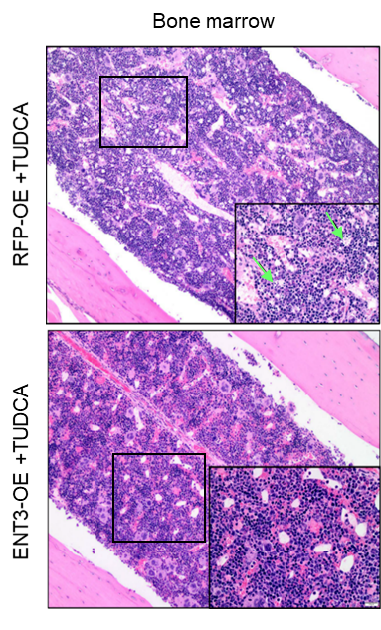
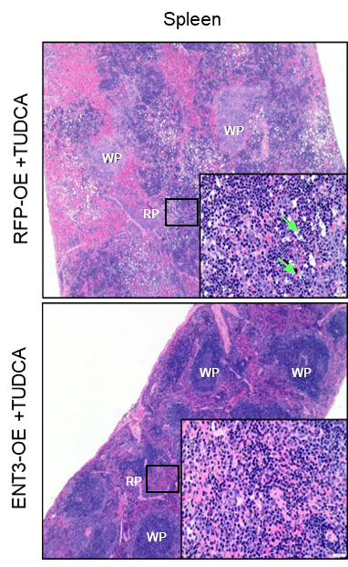
F

G

Supplemental Figure 1
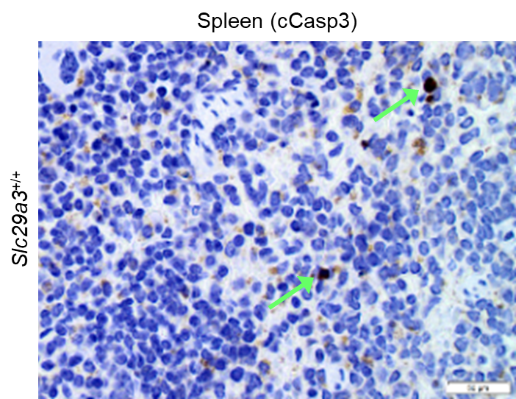
A

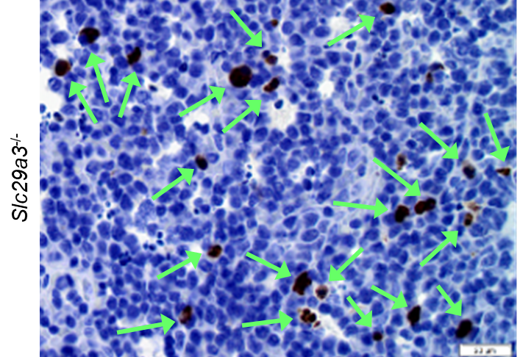
B

Supplemental Figure 3
A
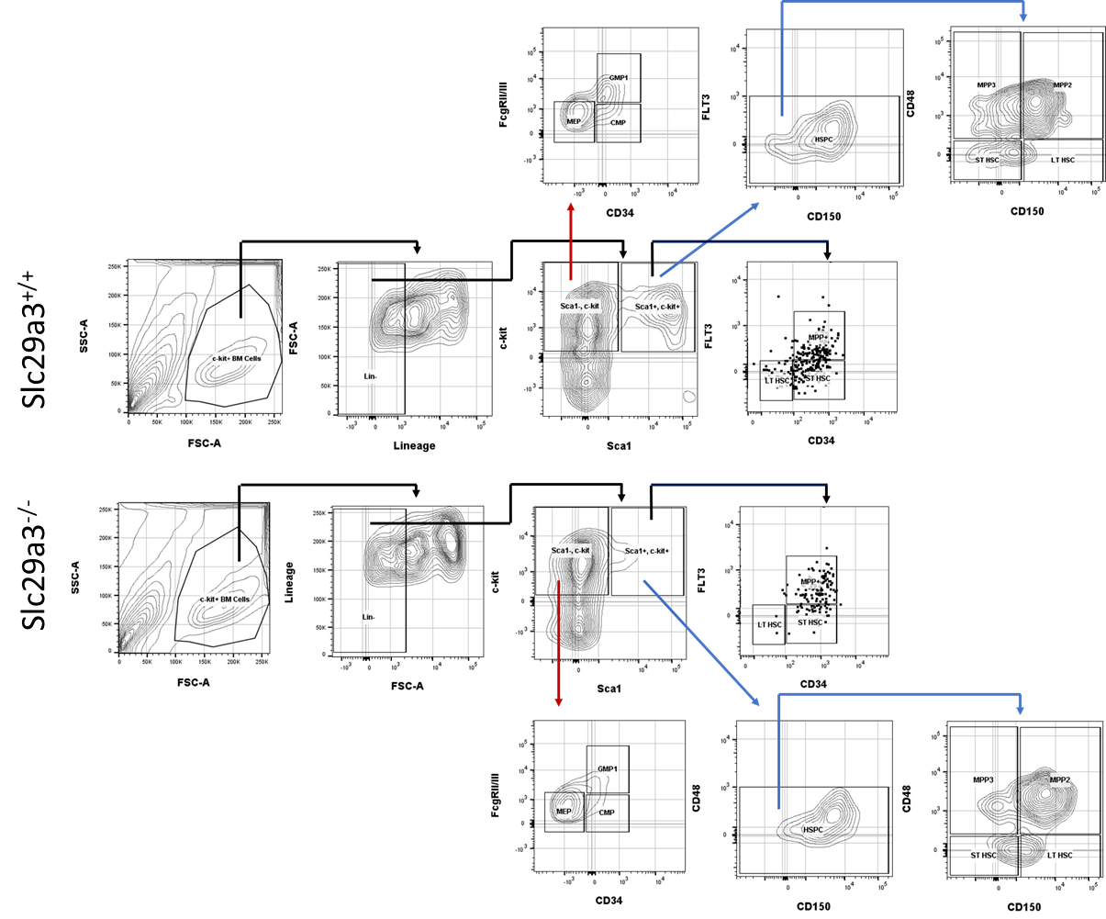

B | HSPC Subpopulation Cell Count
 |  | LT HSC |  |  | ST HSC |  |  | LSK+ |  |  | MPP (FLT3+) |  |  | MPP2 |  |  | MPP3 |  |  | CMP |  |  |  | GMP |  |  |  | MEP
 | Slc29a3+/+ | 33 | 18 | 36 | 105 | 129 | 86 | 337 | 290 | 295 | 112 | 129 | 87 | 181 | 153 | 167 | 88 | 63 | 76 | 185 | 223 | 144 | 234 | 336 | 235 | 339 | 315 | 1390 | 800 | 1182 | 989
 | Slc29a3-/- | 9 | 8 | 14 | 64 | 45 | 65 | 244 | 257 | 243 | 95 | 67 | 84 | 174 | 124 | 165 | 26 | 22 | 24 | 203 | 203 | 221 | 274 | 425 | 247 | 415 | 452 | 561 | 409 | 425 | 673

Supplemental Figure 4
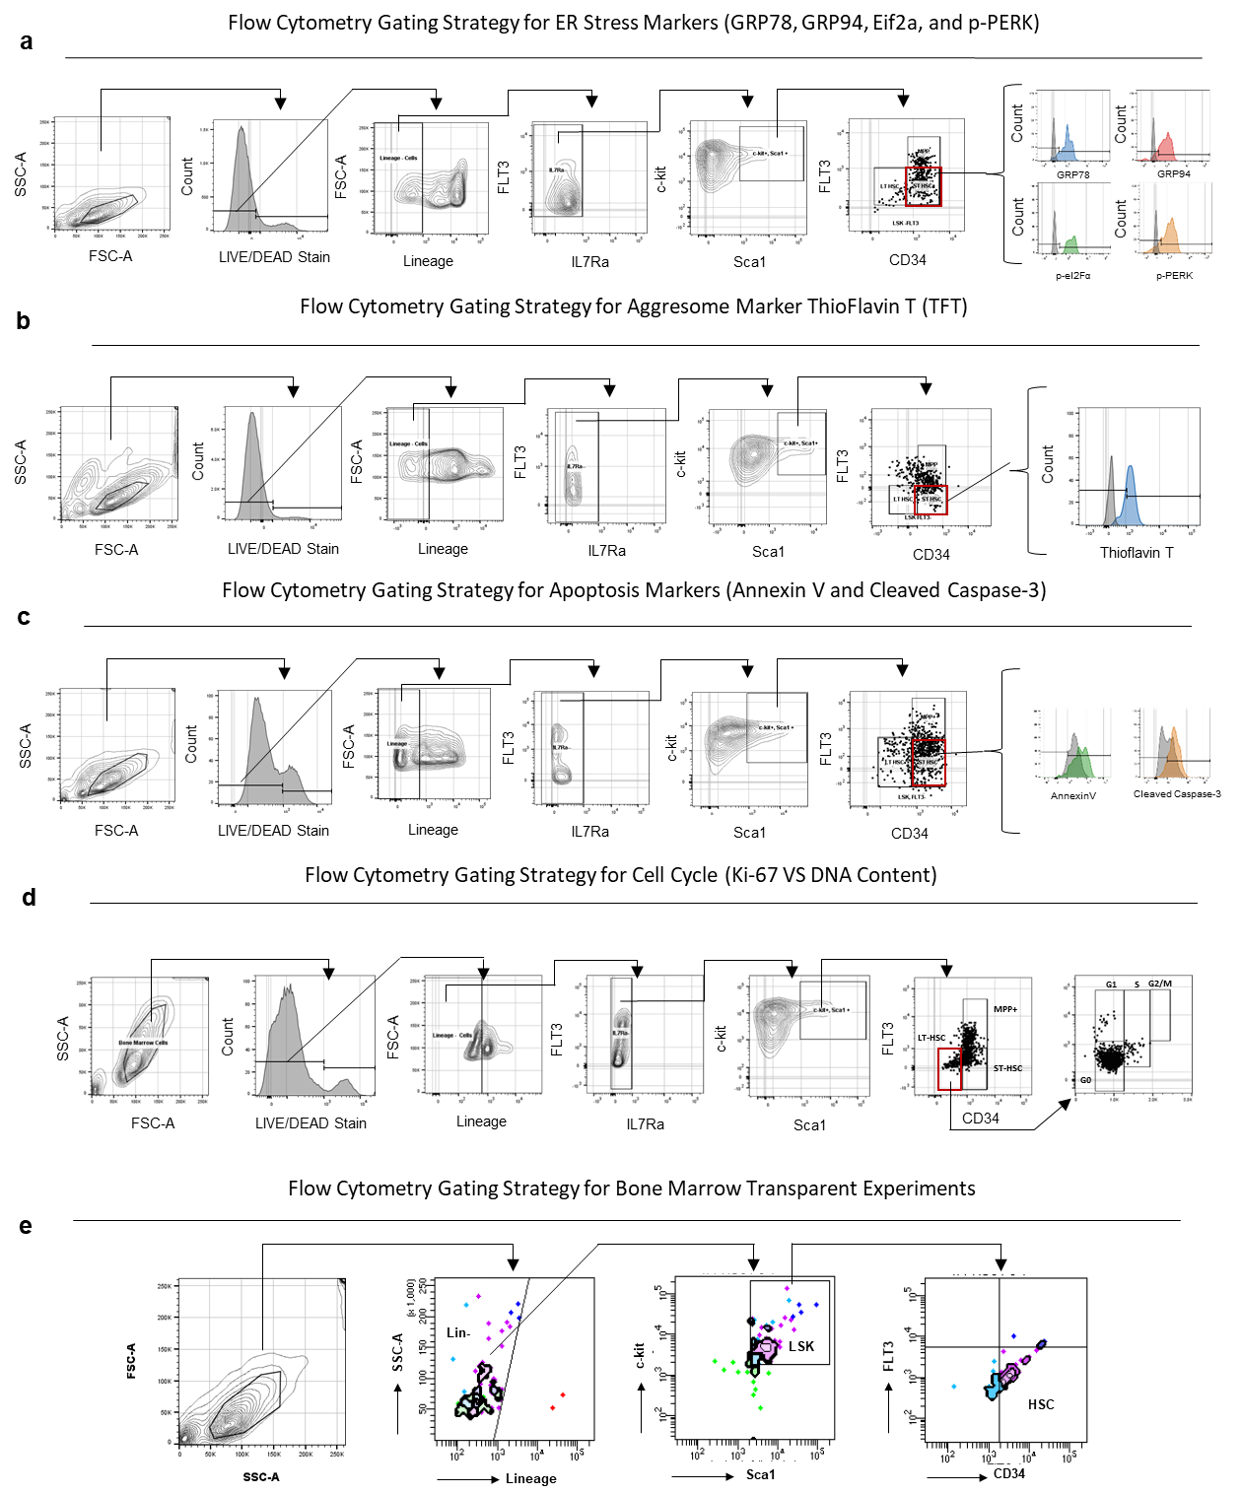

Supplemental Figure 5
A
 | Averaged RAW Ct Values
 |  |  | LT-HSC | ST-HSC | MPP | LSK | c-kit+ BM | BM
 |  |  |  |  | (Flt3+)
 | Slc29a3 | Slc29a3+/+ | 26.5 | 29.3 | 27.6 | 25.3 | 21.8 | 18.2
 |  | Slc29a3-/- | 31.1 | 32 | 32.3 | 32.3 | 30.7 | 33.2
 | GAPDH | Slc29a3+/+ | 21.3 | 23.3 | 24.6 | 23.3 | 16.1 | 12.5
 |  | Slc29a3-/- | 22 | 22.5 | 22.5 | 21.2 | 18.2 | 14.6

B
 |  | LT-HSC |  |  | ST HSC |  |  | MPP+ |  |  | LSK |  |  | c-kit+ BM |  |  | BM
 | Slc29a3+/+ | 23.32862 | 14.28259 | 23.52607 | 18.18165 | 14.872764 | 13.46682 | 262.7672 | 62.14019 | 81.98924 | 850.143 | 334.3678 | 471.5172 | 82.09142 | 65.88246 | 216.7476 | 4641.98 | 5671 | 4192.424
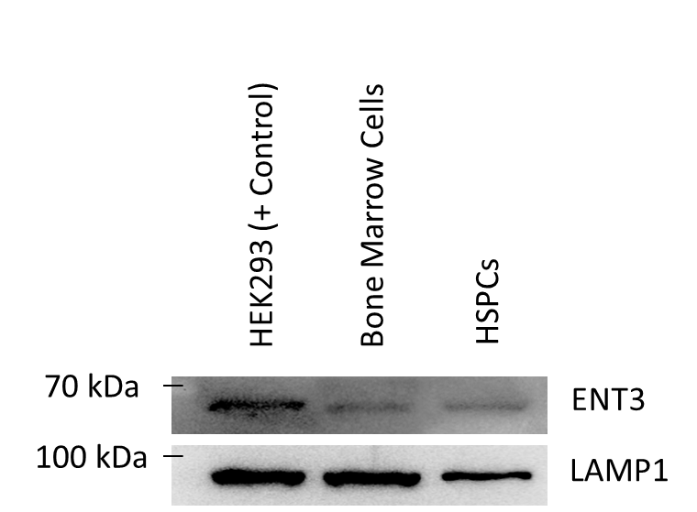
 | Slc29a3-/- | 1 | 1 | 1 | 1 | 1 | 1 | 1 | 1 | 1 | 1 | 1 | 1 | 1 | 1 | 1 | 1 | 1 | 1

Bone Marrow Cells
Bone Marrow Cells
C

HEK293
HEK293
HSPCs
HSPCs

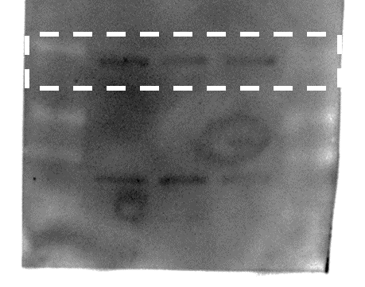
100 kDa

70 kDa
LAMP1
ENT3

Supplemental Figure 6
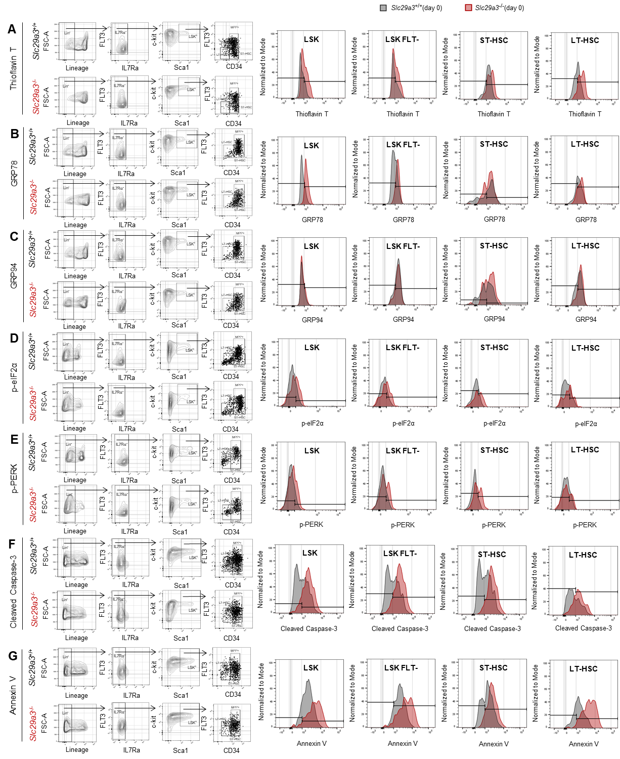

Supplemental Figure 7
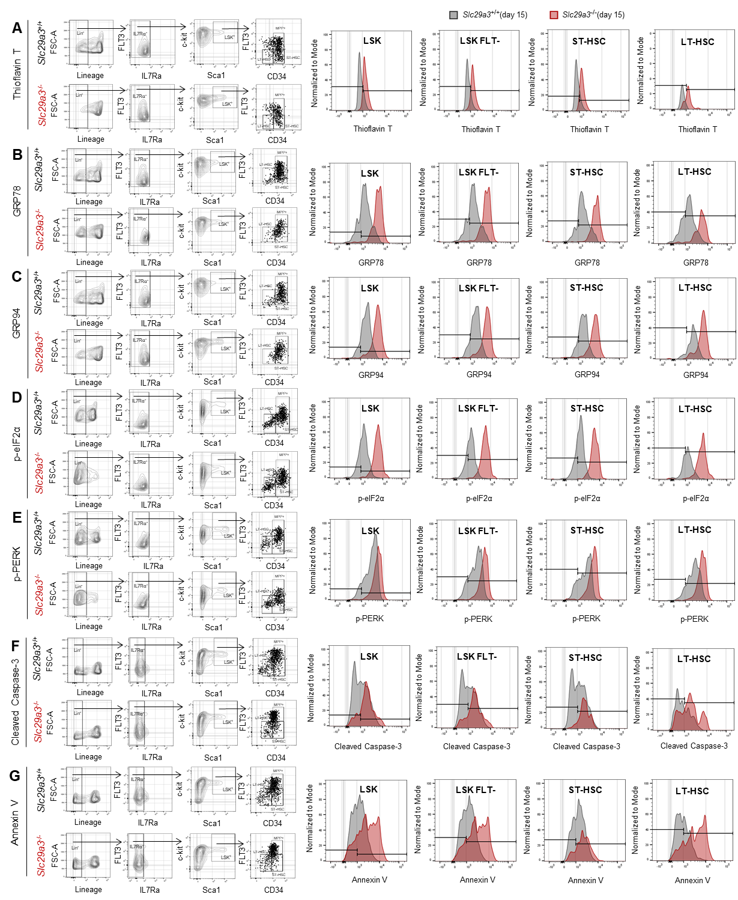

Supplemental Figure 8
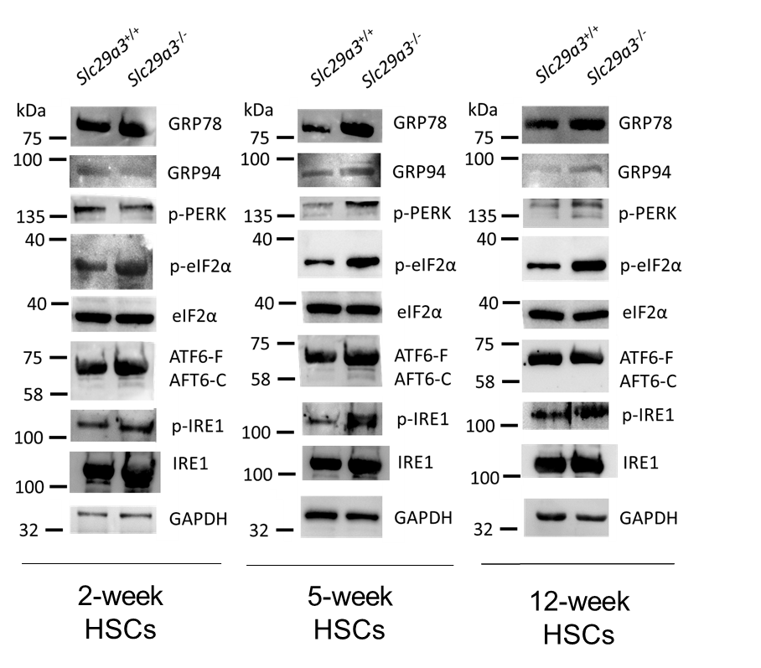
A
 |  |  |  | 2-week HSCs
WT KO
WT KO
WT KO
WT KO
WT KO
WT KO
WT KO
WT KO
WT KO
100 kDa
135 kDa
p-PERK
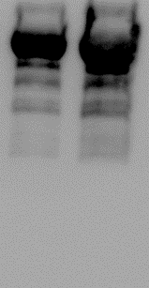
GRP94
100 kDa
p-IRE1
IRE1
75 kDa
GRP78
75 kDa
ATF6-F
100 kDa
40 kDa
40 kDa
ATF6-C
p-eIF2a
eIF2a

GAPDH
32 kDa

 |  |  |  | 5-week HSCs
WT KO
WT KO
WT KO
WT KO
WT KO
WT KO
WT KO
WT KO
WT KO
135 kDa
p-PERK
p-IRE1
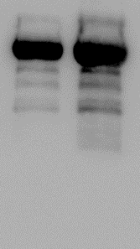
100 kDa
GRP94
100 kDa
75 kDa
GRP78
75 kDa
ATF6-F
100 kDa
IRE1
40 kDa
40 kDa
ATF6-C
p-eIF2a
eIF2a

GAPDH
32 kDa

 |  |  |  | 12-week HSCs
WT KO
WT KO
WT KO
WT KO
WT KO
WT KO
WT KO
WT KO
WT KO
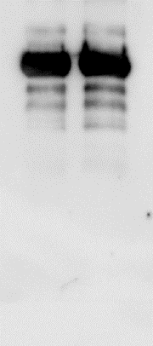

135 kDa

p-PERK
100 kDa
GRP94
100 kDa
p-IRE1
IRE1
75 kDa
GRP78
100 kDa
40 kDa
40 kDa
75 kDa
ATF6-F
p-eIF2a
eIF2a
ATF6-C

GAPDH
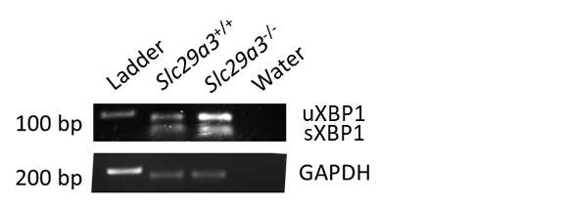
32 kDa

B

L WT KO
L WT KO
L WT KO
 | 2 Weeks |  |  |  | 2 Weeks |  |  | 2 Weeks (Blots) | 5 Weeks (Blots) | 12 Weeks (Blots)
 |  | % XBP1 Splicing |  |  | % XBP1 Splicing Normalized to WT
 | Slc29a3+/+ | 46.8 | 41.1 |  | Slc29a3+/+ | 105.7 | 94.3
 | Slc29a3-/- | 37 | 24.4 |  | Slc29a3-/- | 85.1 | 55.2
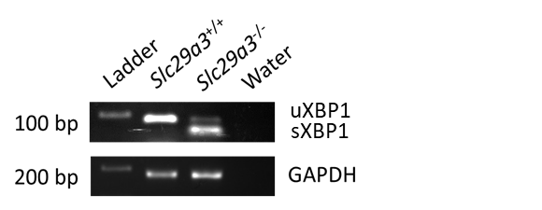
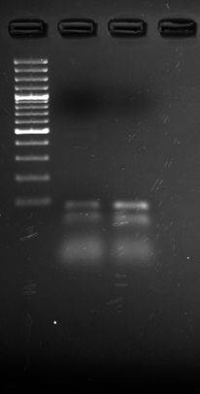
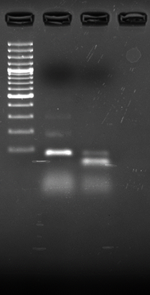

uXBP1
100bp
uXBP1
uXBP1
100bp
uXBP1
uXBP1
100bp
uXBP1
 | 5 Weeks |  |  |  | 5 Weeks
 |  | % XBP1 Splicing |  |  | % XBP1 Splicing Normalized to WT
 | Slc29a3+/+ | 0 | 4 |  | Slc29a3+/+ | 100 | 100
 | Slc29a3-/- | 78.5 | 83.2 |  | Slc29a3-/- | 1950 | 2075

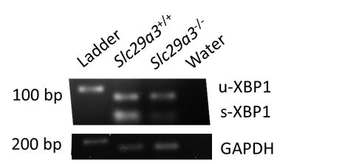

L WT KO
L WT KO
L WT KO
200bp
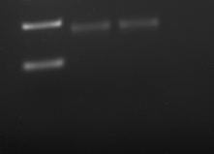
GAPDH
200bp
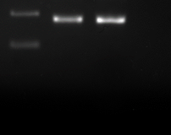
GAPDH
200bp

GAPDH

 | 12 Weeks |  |  |  | 12 Weeks
 |  | % XBP1 Splicing |  |  | % XBP1 Splicing Normalized to WT
 | Slc29a3+/+ | 52 | 63 |  | Slc29a3+/+ | 90.4 | 109.6
 | Slc29a3-/- | 12 | 18 |  | Slc29a3-/- | 20.9 | 31.3

Supplemental Figure 9
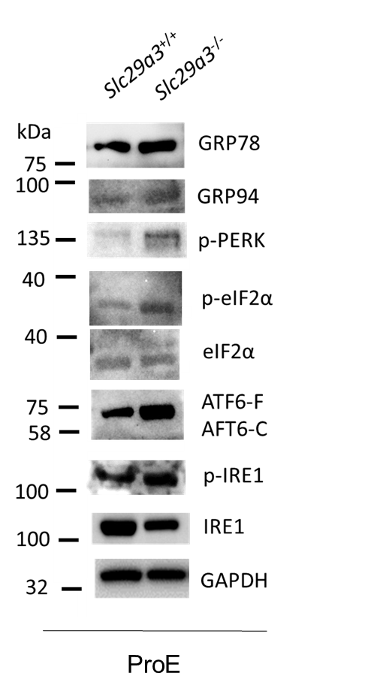
WT KO
A
 | ProE Blots
WT KO
WT KO
WT KO
WT KO
WT KO
WT KO
WT KO
WT KO
p-PERK

100 kDa
135 kDa
100 kDa
p-IRE1
GRP78
GRP94
100 kDa
IRE1
75 kDa
75 kDa
ATF6-F
ATF6-C
40 kDa
40 kDa
p-eIF2a
eIF2a

32 kDa
GAPDH

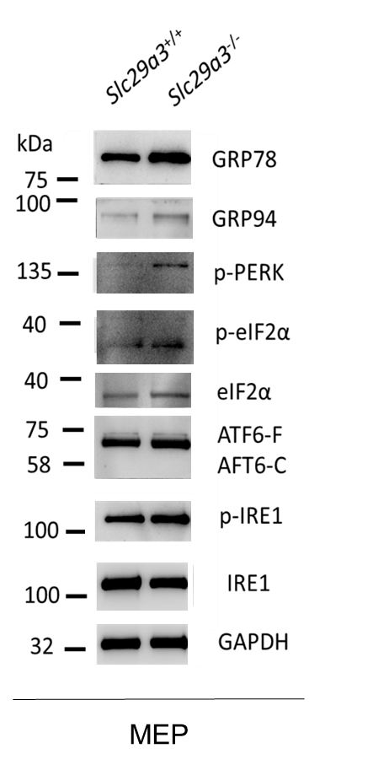
WT KO
WT KO
WT KO
WT KO
WT KO
WT KO
WT KO
WT KO
WT KO
 | MEP Blots
B
100 kDa

100 kDa
135 kDa
p-PERK
100 kDa
p-IRE1
p-IRE1
GRP94
75 kDa
GRP78
75 kDa
ATF6-F
ATF6-C
40 kDa
p-eIF2a
40 kDa
eIF2a

32 kDa
GAPDH

WT KO
WT KO
WT KO
WT KO
WT KO
WT KO
WT KO
WT KO
WT KO
 | CMP Blots
C
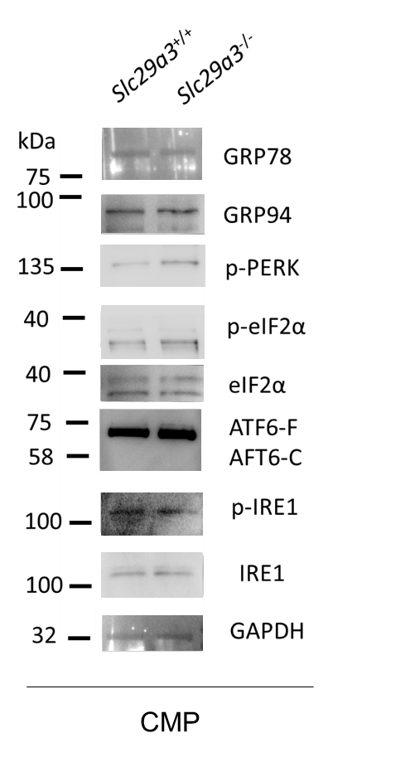
100 kDa
135 kDa
p-IRE1
100 kDa
GRP94
p-PERK
100 kDa
IRE1
75 kDa
GRP78
ATF6-F
75 kDa
40 kDa
ATF6-C
p-eIF2a
40 kDa
eIF2a

GAPDH
32 kDa

Supplemental Figure 11
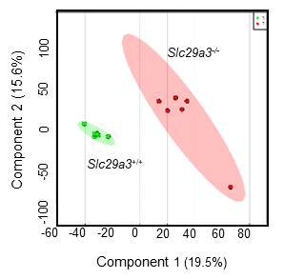
A

B
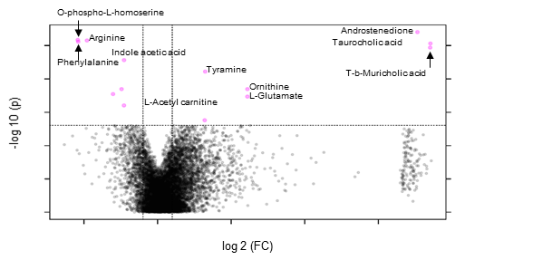

C
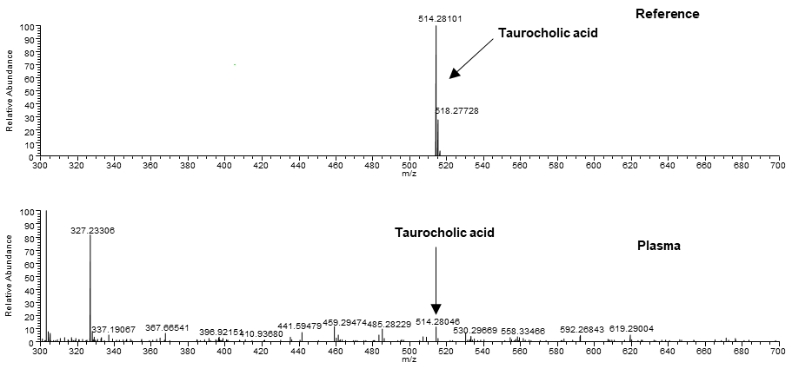

D

L-Phenylalanine | Ergothioneine | Nicotinamide Ribotide | Indoleacetic acid | cis-Aconitate | L-Ornithine | Phenylacetic acid | Pyridoxamine | O-Phospho-L-homoserine | L-Acetylcarnitine | L-Glutamate | Hexanoylcarnitine | L-Arginine | N-Acetyl-L-glutamate | Tyramine | 2-hydroxyglutaric acid | T-b-MCA | 5,10-Methylenetetrahydrofolate | Taurocholic acid | 16a-Hydroxyestrone | Androstenedione
1.12 | 1.59 | 1.62 | 1.73 | 1.89 | 2.19 | 2.25 | 2.44 | 2.46 | 2.48 | 2.51 | 2.55 | 2.82 | 3.07 | 3.18 | 3.49 | 3.51 | 3.62 | 3.85 | 5 | 5.06

E

 | WT |  |  |  |  |  | SLC29A3-/-
5,10-Methylenetetrahydrofolate | -1.25455 | -1.78559 | 0.621882 | -1.49813 | -1.64217 | -2.37405 | 2.230434 | 1.679657 | -0.49033 | 1.847672 | 2.758496 | -0.09332
Taurocholic acid | -1.10488 | -2.03942 | 0.82439 | -1.79368 | -1.91682 | -2.54247 | 1.998527 | -1.80146 | 1.459944 | 3.055111 | 2.940306 | 0.920429
TMCA | -1.26051 | -1.56986 | 0.997185 | -2.61029 | -1.17415 | -2.23832 | 2.321827 | -1.1088 | 1.627537 | 1.499771 | 2.871484 | 0.644141
Phenylacetic acid | -0.60569 | -1.26599 | 0.440505 | -0.6965 | -0.90093 | -0.27801 | 2.172565 | 1.103549 | 0.223995 | -0.02435 | -0.71356 | 0.544406
L-Ornithine | -0.01165 | -1.15098 | -0.88777 | -0.94063 | -0.2299 | -0.4928 | 1.013888 | -0.32481 | 0.954134 | 0.631172 | 0.220223 | 1.219127
L-Glutamate | -0.03365 | -0.67323 | -1.21676 | -0.48107 | -1.68487 | 0.397188 | 1.286288 | 0.597454 | 0.159693 | -0.038 | 0.684854 | 1.002111
Androstenedione | -2.52128 | -2.46256 | -0.24194 | -0.96724 | -0.14928 | -0.91904 | 0.953301 | 2.535146 | 0.492179 | 0.433817 | 0.513228 | 2.333662
16a-Hydroxyestrone | -2.51005 | -2.45113 | -0.22305 | -0.95078 | -0.13007 | -0.90242 | 0.976221 | 2.522442 | 0.380548 | 0.542767 | 0.384297 | 2.361229
Tyramine | 0.063277 | -2.09706 | -1.05419 | -0.65304 | -0.42777 | -1.13348 | -1.10589 | 2.583599 | 1.154109 | 0.406669 | 0.675856 | 1.587924
Pyridoxamine | -0.34355 | -0.56601 | -0.92219 | -2.12496 | -0.14804 | 0.027573 | -0.47854 | 1.228981 | 1.820212 | 0.424308 | 0.803238 | 0.278979
L-Arginine | -0.1212 | 0.581466 | 1.278713 | 0.763561 | 0.479136 | 1.16169 | 0.101409 | -1.57653 | -0.51741 | -0.03743 | -0.69588 | -1.41753
L-Acetylcarnitine | 0.258955 | 0.88062 | 0.261342 | 0.431877 | 0.829068 | 0.988591 | -0.24121 | 0.751977 | -0.90131 | -1.0894 | -0.75545 | -1.41505
Hexanoylcarnitine | 0.219733 | 0.281319 | 0.82811 | 0.13431 | 1.358868 | 0.922706 | -0.40598 | -0.54411 | -1.67307 | 0.134594 | -0.47174 | -0.78474
O-Phospho-L-homoserine | 0.049168 | 0.942799 | 0.364426 | 0.493818 | 1.117495 | 1.196074 | -1.96574 | 0.097071 | -0.90757 | -0.23067 | -0.75455 | -0.40233
Nicotinamide Ribotide | -0.14494 | 0.705639 | 0.253149 | 0.94298 | 0.992582 | 1.233731 | -1.38712 | 0.807516 | -2.05674 | 0.508304 | -0.3421 | -1.513
Indoleacetic acid | 0.820009 | 1.181713 | -0.2796 | 0.334608 | 0.259054 | 0.605489 | -0.82358 | 0.010674 | 0.646766 | -0.27799 | -1.32026 | -1.15688
L-Phenylalanine | 0.327438 | 0.612862 | -0.17407 | 0.51024 | 0.147438 | 0.476367 | -0.71917 | -0.65641 | 2.183779 | -1.54333 | -0.5757 | -0.58944
2-hydroxyglutaric acid | 0.82551 | 0.730059 | 0.184127 | 0.894252 | 0.825009 | 1.67325 | -0.6267 | -3.10172 | -1.01029 | -1.33371 | 0.486306 | 0.453906
Ergothioneine | 1.119499 | 1.123284 | 0.68648 | 1.704632 | 1.318702 | 1.88559 | -1.76684 | -3.41522 | -1.12536 | -1.90354 | 0.251892 | 0.12089
N-Acetyl-L-glutamate | 1.596895 | 1.665179 | -0.35365 | 0.0975 | 1.80284 | 0.389042 | -2.56734 | -1.68847 | -0.19703 | -0.41344 | 0.681041 | -1.01258
cis-Aconitate | -0.66666 | 1.193082 | 1.894281 | 1.158917 | 1.71977 | -1.05314 | -2.32284 | -2.98911 | -0.74081 | -0.70546 | 1.083206 | 1.42876

Supplemental Figure 12
A
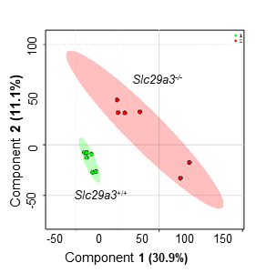

B

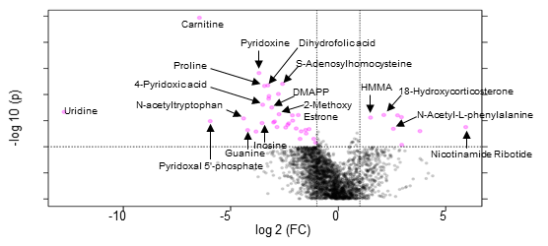

C
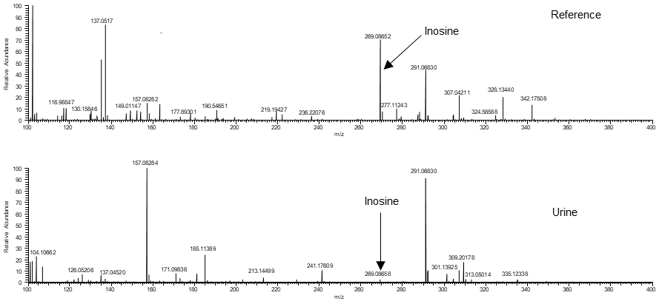

D

Taurine | Thiamine | Dopamine | 18-Hydroxycorticosterone | N-Acetylglutamine | Inosine | Pyridoxal 5'-phosphate | dIMP | Nicotinamide Ribotide | HMMA | Xanthosine | Serotonin | N-Acetyl-L-phenylalanine | Citrulline | L-Dopa | Guanine | 3-Hydroxyhippuric acid | Estrone | Dimethylallylpyrophosphate | Xanthine | Pyridoxine | Succinyladenosine | Epinephrine | N-acetyltryptophan | Uracil | 2-Methoxy Estrone | Dihydrofolic acid | Niacinamide | 4-Pyridoxic acid | Proline | Carnitine | S-Adenosylhomocysteine
1.0297 | 1.0395 | 1.0598 | 1.1134 | 1.3182 | 1.3846 | 1.4043 | 1.4337 | 1.44 | 1.4632 | 1.509 | 1.5462 | 1.732 | 1.7352 | 1.7558 | 1.7569 | 1.763 | 1.7825 | 1.8355 | 1.8824 | 1.8945 | 2.0264 | 2.0733 | 2.0766 | 2.0866 | 2.0945 | 2.1223 | 2.1518 | 2.1597 | 2.1836 | 2.2309 | 2.2735

E

 | WT |  |  |  |  |  | SLC29A3-/-
N-Acetyl-L-phenylalanine | -0.83387 | -0.9775 | -0.73038 | 0.801018 | -1.03071 | -0.78698 | -1.18586 | 1.551836 | 1.529113 | 0.292178 | 0.132635 | 1.238524
18-Hydroxycorticosterone | -2.31012 | -2.72833 | 0.684647 | 0.810638 | -2.55752 | 0.030051 | 1.600378 | 0.964103 | 1.466063 | 1.131603 | -0.57178 | 1.480271
HMMA | -0.55301 | -1.69773 | -2.19443 | -1.27735 | 0.681576 | 0.822898 | 0.547213 | -0.05213 | 0.871668 | 0.62228 | 0.828758 | 1.400263
Succinyladenosine | -0.27438 | -1.13541 | -0.05674 | -0.00296 | -0.53117 | -1.50855 | 0.468861 | -0.4423 | 0.029508 | 2.383927 | 0.004206 | 1.064999
Nicotinamide Ribotide | -1.08583 | -1.74532 | -0.38719 | 0.099238 | -0.9105 | -0.35449 | 2.029095 | -0.53197 | -1.19586 | 2.296596 | 0.613849 | 1.172382
Serotonin | 1.004997 | 0.675612 | 1.106255 | 0.677738 | 1.547917 | 0.990856 | -3.26792 | 0.738953 | 0.386777 | -3.61311 | -0.50494 | 0.256864
2-Methoxy Estrone | 0.675804 | 0.2201 | 1.188449 | 0.390532 | 0.311311 | 1.01593 | -1.03701 | 0.563145 | -0.02063 | -2.60387 | -0.32988 | -0.37389
Xanthosine | 0.771225 | 0.42413 | 1.064486 | 0.928648 | 0.265607 | 0.708762 | -1.69969 | 0.36705 | 0.151718 | -2.96997 | -0.02876 | 0.016796
Dihydrofolic acid | 0.362305 | 0.101371 | 0.832821 | 1.110548 | 0.824997 | 0.956437 | -1.84876 | -0.41948 | -0.09213 | -1.79236 | 0.433451 | -0.4692
Niacinamide | 1.135218 | 0.748428 | 0.565909 | 1.241864 | 0.561931 | 0.68174 | -1.05271 | -0.25936 | -0.50653 | -3.22633 | 0.524428 | -0.41459
Carnitine | 1.929651 | 1.130589 | 1.087847 | 0.237615 | 1.324202 | 1.558083 | -0.41081 | 0.082111 | -2.16788 | -2.23429 | -1.67673 | -0.86039
3-Hydroxyhippuric acid | 2.183491 | 0.113177 | 0.43271 | -0.02183 | 0.468784 | 0.974622 | -0.90301 | 1.150116 | -1.18983 | -1.58811 | -1.2884 | -0.33172
Taurine | 0.342802 | 0.894361 | -0.62028 | 1.145041 | 1.22228 | 0.783192 | 0.085178 | 0.428116 | 0.61744 | -2.14314 | -1.51072 | -1.24428
N-acetyltryptophan | 1.015395 | 1.030811 | 0.774032 | 0.003145 | 1.10244 | 0.115883 | -0.30357 | 0.190732 | -0.17064 | -3.07824 | -0.28227 | -0.39772
Estrone | 0.869241 | 1.119166 | 0.7006 | 0.194135 | 1.44671 | 0.310511 | 0.088926 | 0.555949 | -0.78976 | -3.78086 | -0.63518 | -0.07943
4-Pyridoxic acid | 0.673473 | 0.379642 | 1.504114 | 0.265957 | 0.087001 | 1.119119 | -2.3635 | 0.352716 | -0.09633 | -1.31447 | -0.34949 | -0.25822
Guanine | 0.724017 | 0.693605 | 0.458028 | 0.781375 | -0.04654 | 0.581044 | -2.78761 | -0.10789 | -0.02445 | -0.25594 | -0.1897 | 0.17405
Xanthine | 1.574431 | 0.524779 | 1.352809 | 0.595949 | 0.590694 | 0.428987 | -3.84534 | -0.24608 | -0.0982 | -1.50702 | 0.294731 | 0.334254
Inosine | -0.30557 | 0.956325 | 1.946243 | 0.51364 | 0.107049 | -0.03372 | -1.69339 | -0.85499 | 0.30177 | -0.3896 | -0.36077 | -0.18697
Proline | 1.163394 | 1.949245 | 0.283169 | 0.984672 | 0.962291 | 0.033289 | -2.59066 | -1.72044 | -0.71929 | -0.22176 | 0.499004 | -0.62291
Pyridoxal 5'-phosphate | -0.24155 | 0.641128 | 0.97433 | 0.222802 | -0.07743 | 3.367874 | -2.35202 | 0.083171 | -0.21097 | -0.4727 | -1.39438 | -0.54026
Pyridoxine | 1.068737 | 0.598798 | 1.148795 | 0.523937 | 0.531975 | 3.0156 | -1.68354 | -1.26079 | 0.387017 | -2.07623 | 0.148716 | -2.40302
S-Adenosylhomocysteine | 1.363607 | 0.3345 | 2.081571 | 0.682204 | 1.945805 | 0.296795 | -2.29039 | -1.12128 | 1.113037 | -2.18543 | -0.11807 | -2.10236
Epinephrine | 1.108638 | 0.417315 | 0.465459 | 0.138855 | 0.883412 | 0.279604 | -2.05775 | -0.49764 | -0.5645 | -0.20405 | -1.25757 | 1.288234
L-Dopa | 1.18081 | 0.956573 | 0.79132 | 0.392533 | 0.507961 | 0.307193 | -3.09528 | -0.19409 | 0.226978 | -0.34752 | -1.33829 | 0.611798
Dimethylallylpyrophosphate | 1.627066 | 0.495262 | 1.557281 | 0.857296 | 0.571818 | 1.051449 | -3.13517 | -0.22442 | 0.687505 | 0.034635 | -3.23506 | -0.28766
Citrulline | 0.986042 | 0.368388 | 0.360779 | 1.493956 | 0.769963 | 0.58167 | -2.60303 | 0.533613 | -0.73051 | -0.10242 | -2.72047 | 1.062026
dIMP | 0.936369 | 0.600573 | 0.583399 | 0.532573 | 0.965027 | 0.823321 | -1.94055 | 0.216126 | -0.16521 | 0.200529 | -3.2434 | 0.49124
Thiamine | 0.617632 | -1.09232 | 0.940293 | 0.788174 | 0.554093 | 0.95298 | 0.465978 | 0.720427 | -0.886 | 0.165771 | -1.24544 | -1.98159
Dopamine | 0.950573 | 0.252941 | 1.194242 | -0.17594 | 1.644109 | 1.571671 | -1.92811 | -2.06451 | 0.183889 | 0.360568 | -2.0473 | 0.057874
N-Acetylglutamine | 2.197296 | -0.23226 | 2.427379 | 0.700537 | -0.30665 | 0.171267 | -1.36007 | -2.09011 | -0.12259 | 1.010344 | -2.17084 | -0.2243
Uracil | 1.898897 | 0.634141 | 2.559677 | 0.049189 | -1.21081 | 1.780354 | -0.47184 | -2.52965 | -0.1637 | -0.07813 | -1.8116 | -0.65654

Supplemental Figure 13
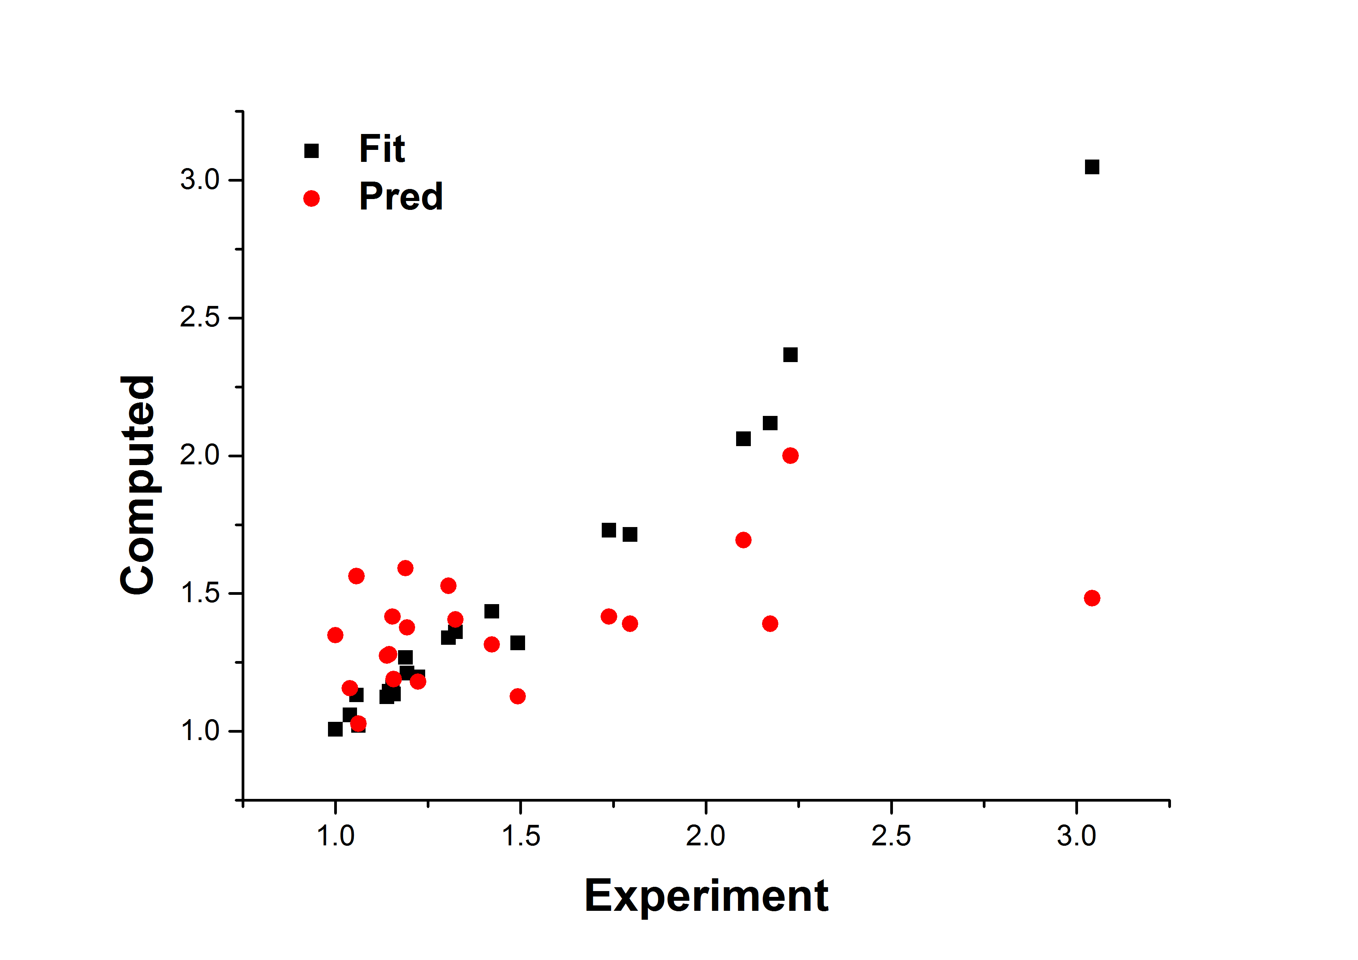
A

 |  | CA |  |  | DCA |  |  | TCA
Control |  | 0.021 | 0.004908 | 16 | 0.055 | 0.01 | 8 | 0.035 | 0.012 | 8
Δ36hENT3 |  | 0.07 | 0.0023542 | 16 | 0.156 | 0.011 | 8 | 0.0978 | 0.0114 | 8

B

Bile acid | Exp | Fit | Pred | Err Pred
TCA | 3.042 | 3.048 | 1.483 | -1.559
DCA | 2.101 | 2.061 | 1.694 | -0.407
CA | 2.228 | 2.366 | 2 | -0.228
UDCA | 2.173 | 2.118 | 1.39 | -0.783
TUDCA | 1.795 | 1.714 | 1.39 | -0.405
GCA | 1.738 | 1.73 | 1.416 | -0.322
GUDCA | 1.422 | 1.435 | 1.315 | -0.107
HCA | 1.492 | 1.321 | 1.127 | -0.365
CDCA | 1.223 | 1.197 | 1.18 | -0.043
MCA | 1.189 | 1.268 | 1.592 | 0.403
TMCA | 1.305 | 1.34 | 1.528 | 0.223
Bile acid | Exp | Fit | Pred | Err Pred
GCDCA | 1.324 | 1.361 | 1.406 | 0.082
LCA | 1.139 | 1.125 | 1.274 | 0.135
DHCA | 1.145 | 1.146 | 1.279 | 0.134
HDCA | 1.057 | 1.132 | 1.563 | 0.506
THDCA | 1.039 | 1.059 | 1.156 | 0.117
THCA | 1 | 1.007 | 1.349 | 0.349
GLCA | 1.062 | 1.021 | 1.028 | -0.034
GDCA | 1.193 | 1.211 | 1.377 | 0.184
GDHCA | 1.157 | 1.135 | 1.189 | 0.032
GHCA | 1.154 | 1.159 | 1.416 | 0.262

C

