Figure 1B 1C data
Figure 1B | Western blotting
 | The panels were used to generate the Figure 1B and cropped as shown.
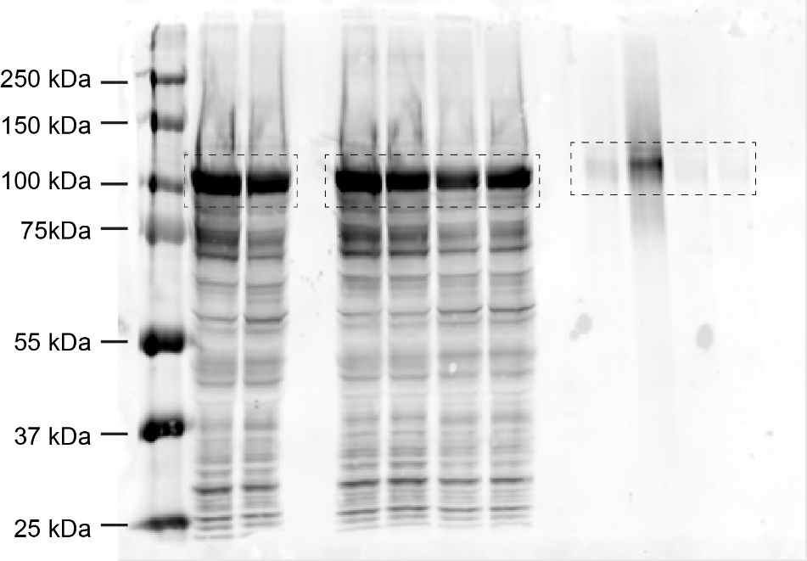

 |  | anti-Flag

Figure 1C

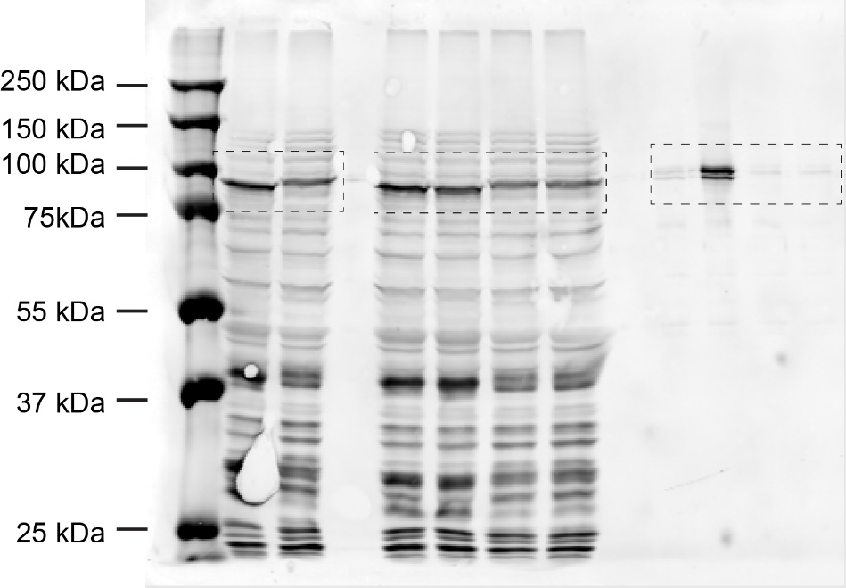

 |  | anti-Flag

Figure 6D data
Figure 6D | Western blotting
 | The panels were used to generate the Figure 6D and cropped as shown.

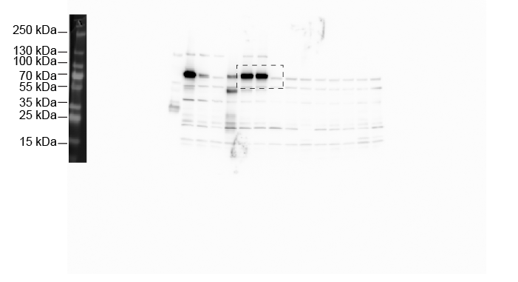

 |  | anti-mettl3

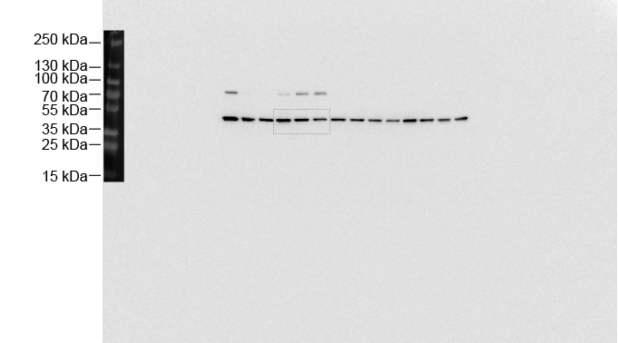

 |  | anti-actin

Figure 6H 6I data
Figure 6I
S2-S |  |  |  | mettl3-KO #3-5 |  |  |  | mettl3-KO #4-3
1 | 1 | 1 | 1 | 0.4 | 0.69 | 0.65 | 0.79 | 0.55 | 0.84 | 0.44 | 0.68

Figure 6H | Western blotting
 | The panels were used to generate the Figure 6H and cropped as shown.

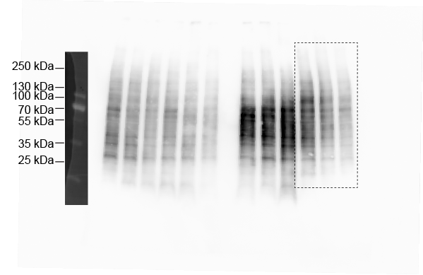

 |  |  |  |  |  |  |  |  |  |  | anti-puromycin

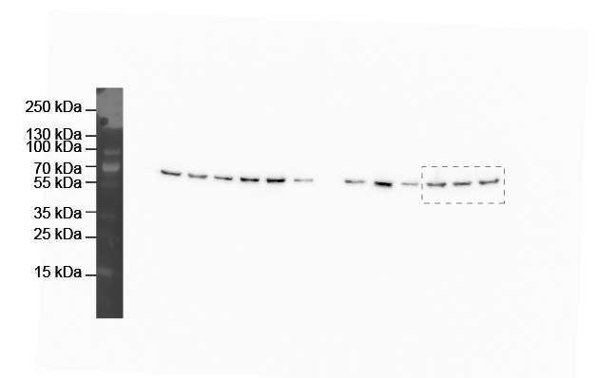

 |  |  |  |  |  |  |  |  |  |  | anti-tubulin

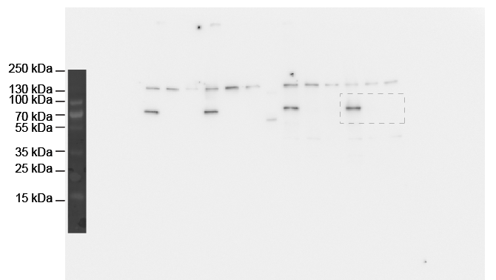
 |  |  |  |  |  |  |  |  |  |  | anti-mettl3

sFigure 1D 1E data
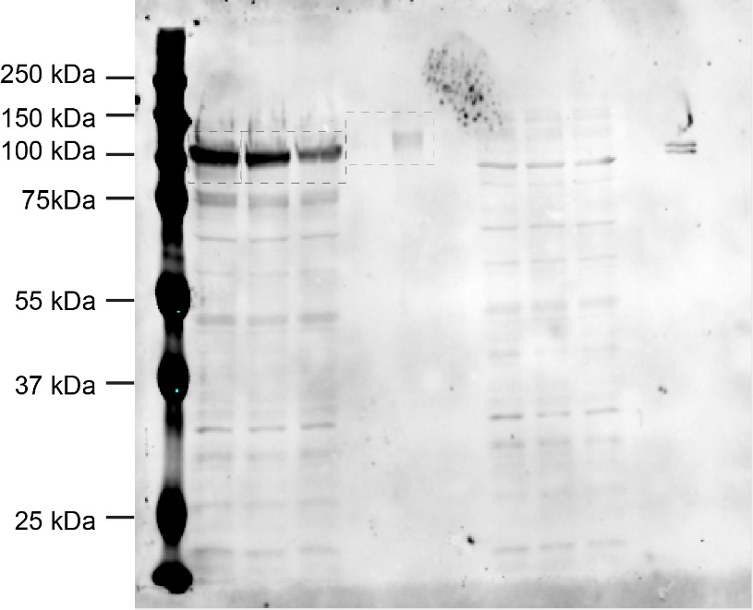
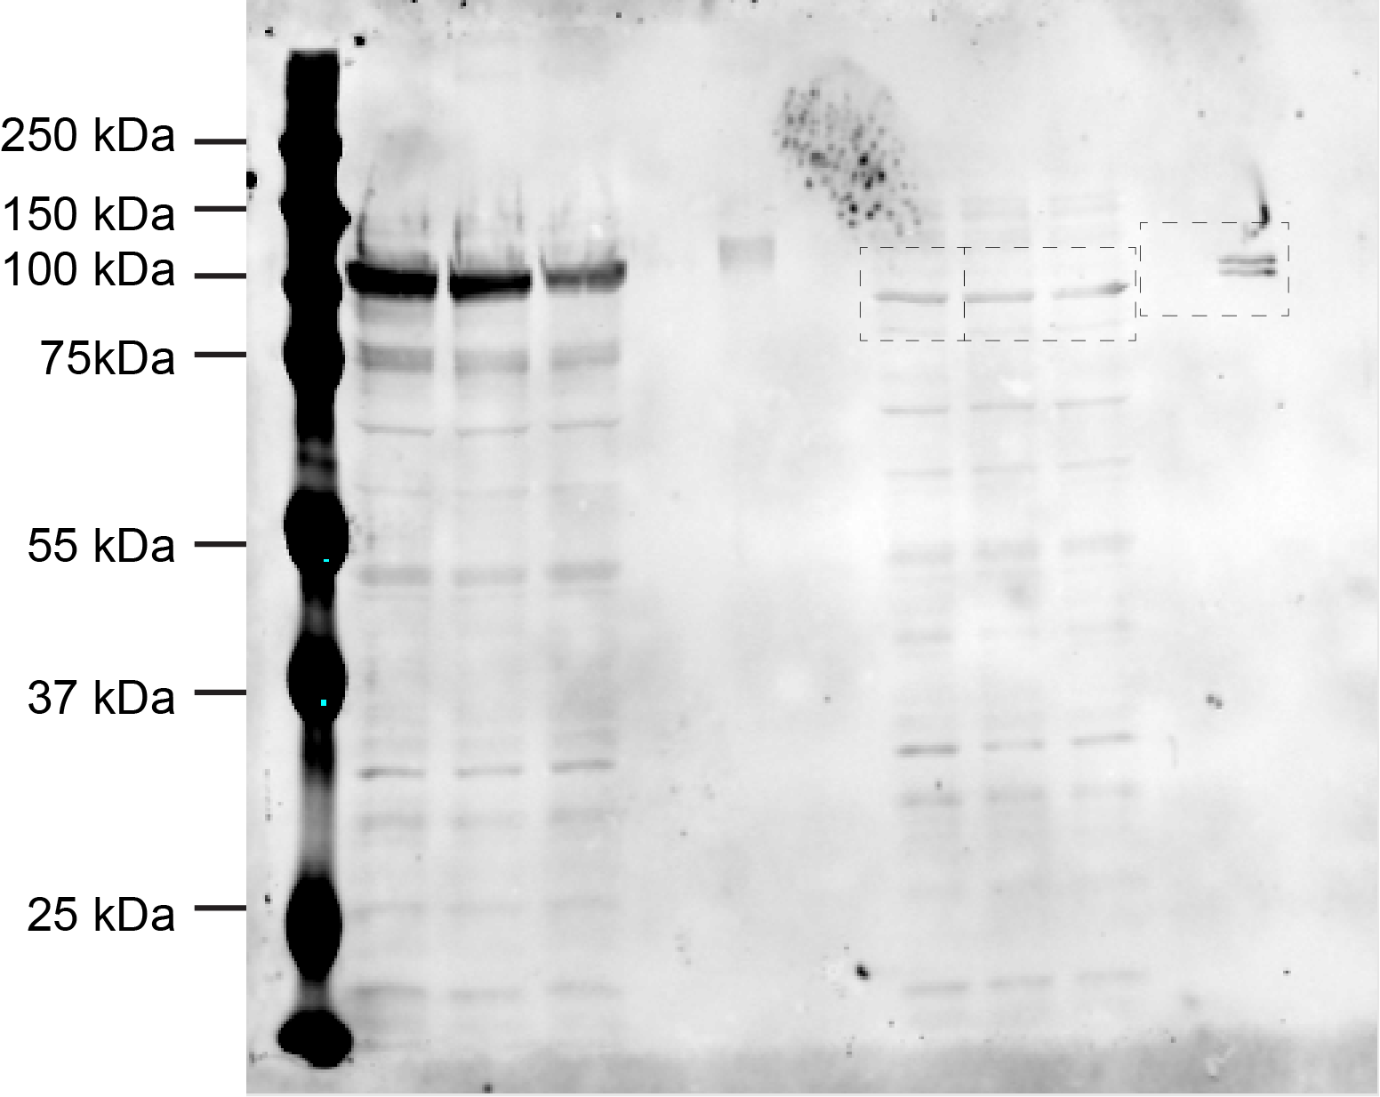
sFigure 1D | Western blotting |  | sFigure 1E | Western blotting
 | The panels were used to generate the Figure 1D and cropped as shown. |  |  | The panels were used to generate the Figure 1E and cropped as shown.

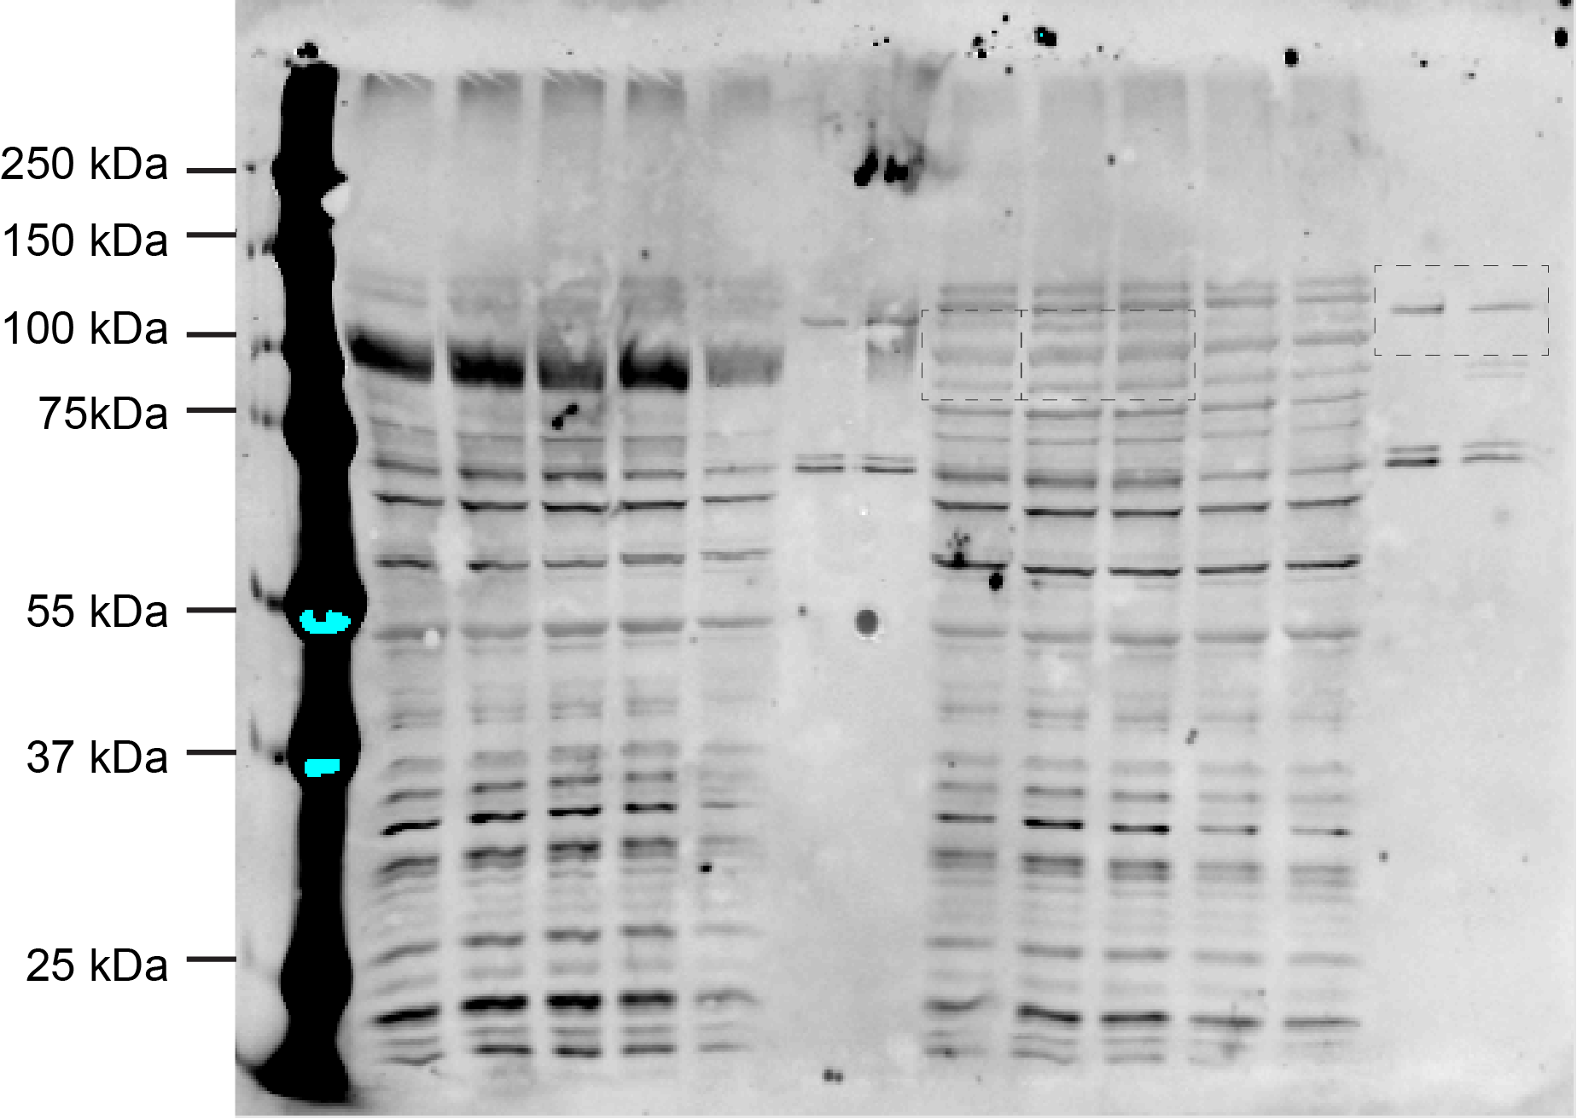


 |  | YTHDC1 |  |  | YTHDF
 |  | GGACU/GGAmeCU |  |  | GGACU/GGAmeCU
 |  | anti-Flag |  |  | anti-Flag

 |  | YTHDC1 |  |  | YTHDF
 |  | AAACU/AAAmeCU |  |  | AAACU/AAAmeCU
 |  | anti-Flag |  |  | anti-Flag

sFigure 11
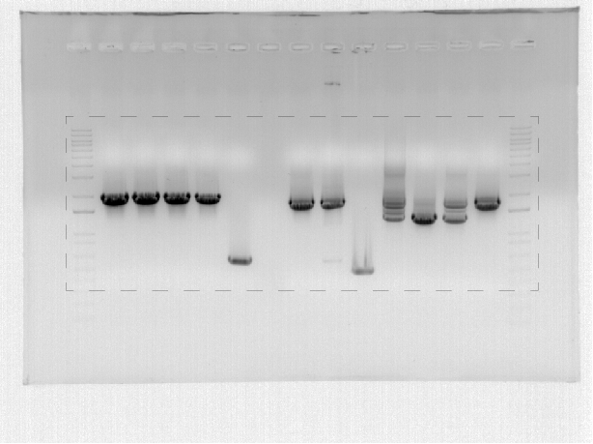
sFig11B

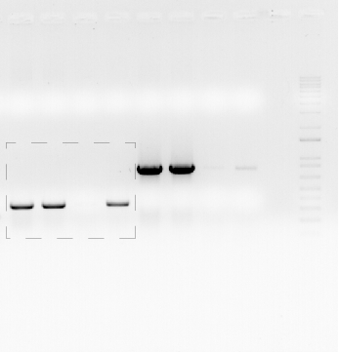
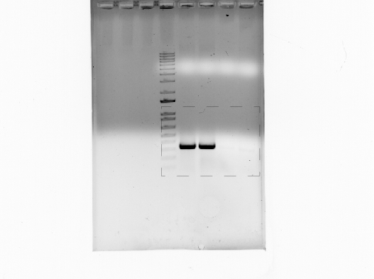

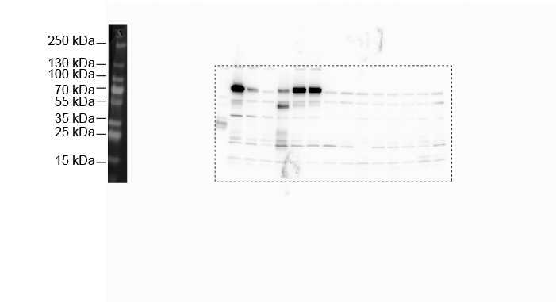
sFig11C

 | anti-mettl3



 | anti-actin

